Crowdfunding Goal Analysis
Goal | Number Successful | Number Failed | Number Canceled | Total Projects | Percentage Successful | Percentage Failed | Percentage Canceled
Less than 1000 | 30 | 20 | 1 | 51 | 59% | 39% | 2%
1000 to 4999 | 191 | 38 | 2 | 231 | 83% | 16% | 1%
5000 to 9999 | 164 | 126 | 25 | 315 | 52% | 40% | 8%
10000 to 14999 | 4 | 5 | 0 | 9 | 44% | 56% | 0%
15000 to 19999 | 10 | 0 | 0 | 10 | 100% | 0% | 0%
20000 to 24999 | 7 | 0 | 0 | 7 | 100% | 0% | 0%
25000 to 29999 | 11 | 3 | 0 | 14 | 79% | 21% | 0%
30000 to 34999 | 7 | 0 | 0 | 7 | 100% | 0% | 0%
35000 to 39999 | 8 | 3 | 1 | 12 | 67% | 25% | 8%
40000 to 44999 | 11 | 3 | 0 | 14 | 79% | 21% | 0%
45000 to 49999 | 8 | 3 | 0 | 11 | 73% | 27% | 0%
Greater than or equal to 50000 | 114 | 163 | 28 | 305 | 37% | 53% | 9%
Outcomes Based on Goal

Counts for Category & Years
Campaign Outcome Counts by Categories and Year(s) Created
Parent Category | (All)
Years | (All)

Count of outcome | Column Labels
Row Labels | canceled | failed | successful | Grand Total
Jan | 6 | 36 | 49 | 91
Feb | 7 | 28 | 44 | 79
Mar | 4 | 33 | 49 | 86
Apr | 1 | 30 | 46 | 77
May | 3 | 35 | 46 | 84
Jun | 3 | 28 | 55 | 86
Jul | 4 | 31 | 58 | 93
Aug | 8 | 35 | 41 | 84
Sep | 5 | 23 | 45 | 73
Oct | 6 | 26 | 45 | 77
Nov | 3 | 27 | 45 | 75
Dec | 7 | 32 | 42 | 81
Grand Total | 57 | 364 | 565 | 986

Counts for Country & Category
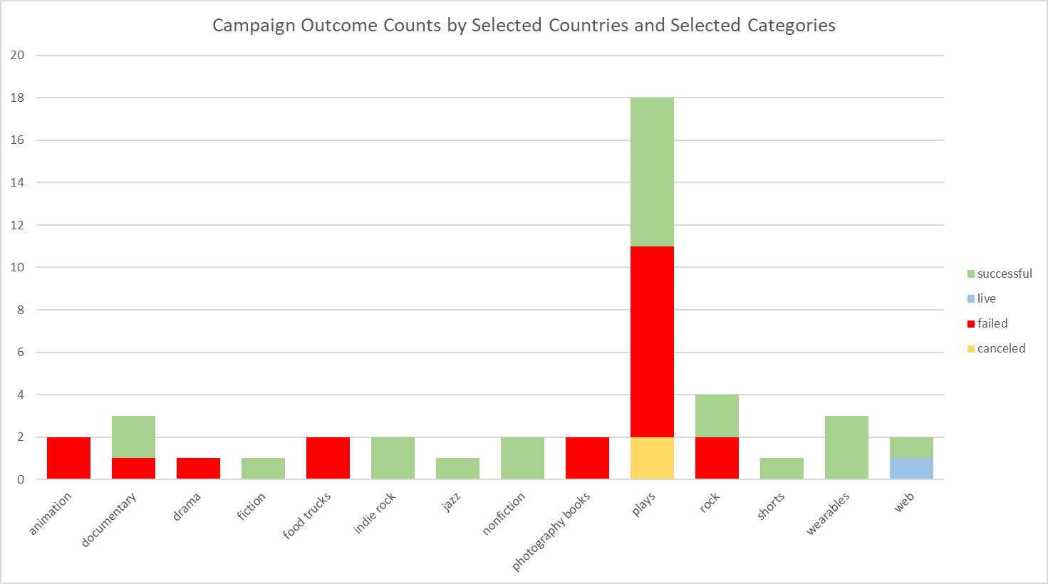
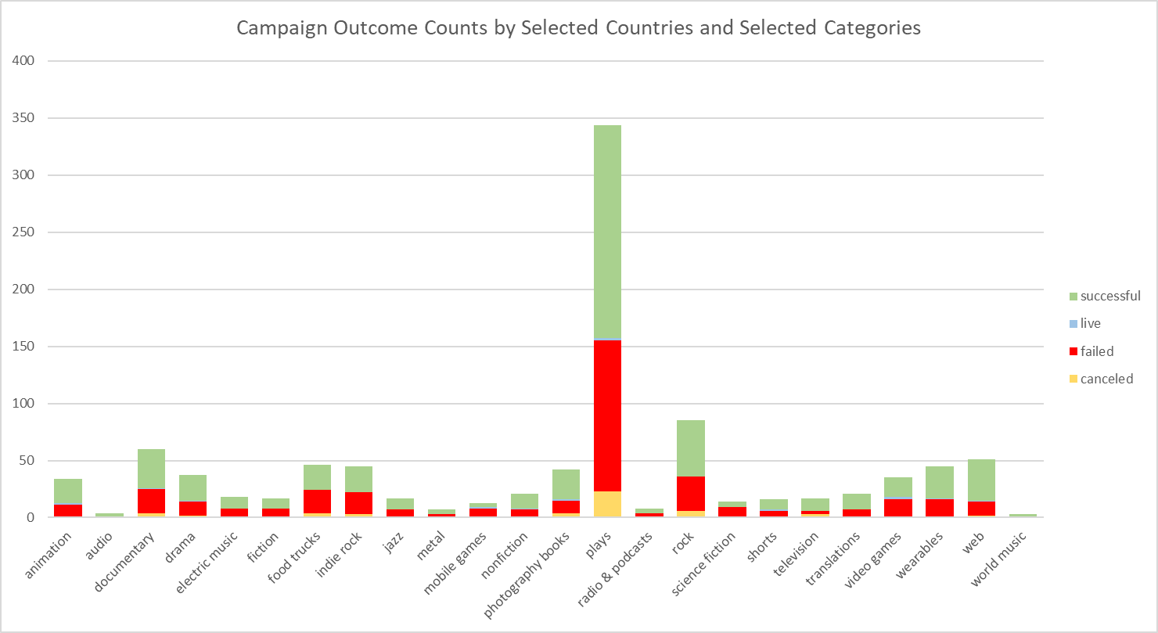
Campaign Outcome Counts by Selected Countries and Selected Categories
 | canceled | failed | live | successful
animation | 1 | 10 | 2 | 21
audio |  |  |  | 4
documentary | 4 | 21 | 1 | 34
drama | 2 | 12 | 1 | 22
electric music |  | 8 |  | 10
fiction | 1 | 7 |  | 9
food trucks | 4 | 20 |  | 22
indie rock | 3 | 19 |  | 23
jazz | 1 | 6 |  | 10
metal |  | 3 |  | 4
mobile games |  | 8 | 1 | 4
nonfiction | 1 | 6 | 1 | 13
photography books | 4 | 11 | 1 | 26
plays | 23 | 132 | 2 | 187
radio & podcasts |  | 4 |  | 4
rock | 6 | 30 |  | 49
science fiction |  | 9 |  | 5
shorts | 1 | 5 | 1 | 9
television | 3 | 3 |  | 11
translations |  | 7 |  | 14
video games | 1 | 15 | 2 | 17
wearables |  | 16 | 1 | 28
web | 2 | 12 | 1 | 36
world music |  |  |  | 3
country | (All)
Parent Category | (All)

Count of outcome | Column Labels
Row Labels | canceled | failed | live | successful | Grand Total
animation | 1 | 10 | 2 | 21 | 34
audio |  |  |  | 4 | 4
documentary | 4 | 21 | 1 | 34 | 60
drama | 2 | 12 | 1 | 22 | 37
electric music |  | 8 |  | 10 | 18
fiction | 1 | 7 |  | 9 | 17
food trucks | 4 | 20 |  | 22 | 46
indie rock | 3 | 19 |  | 23 | 45
jazz | 1 | 6 |  | 10 | 17
metal |  | 3 |  | 4 | 7
mobile games |  | 8 | 1 | 4 | 13
nonfiction | 1 | 6 | 1 | 13 | 21
photography books | 4 | 11 | 1 | 26 | 42
plays | 23 | 132 | 2 | 187 | 344
radio & podcasts |  | 4 |  | 4 | 8
rock | 6 | 30 |  | 49 | 85
science fiction |  | 9 |  | 5 | 14
shorts | 1 | 5 | 1 | 9 | 16
television | 3 | 3 |  | 11 | 17
translations |  | 7 |  | 14 | 21
video games | 1 | 15 | 2 | 17 | 35
wearables |  | 16 | 1 | 28 | 45
web | 2 | 12 | 1 | 36 | 51
world music |  |  |  | 3 | 3
Grand Total | 57 | 364 | 14 | 565 | 1000

AU | Australia |  |  |  |  | DK | Denmark | CH | Switzerland
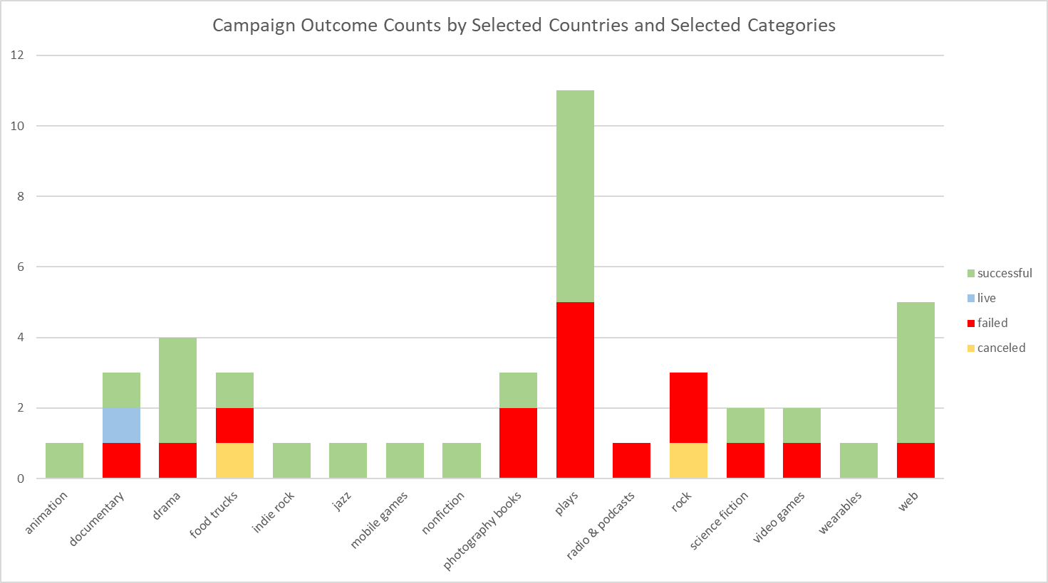
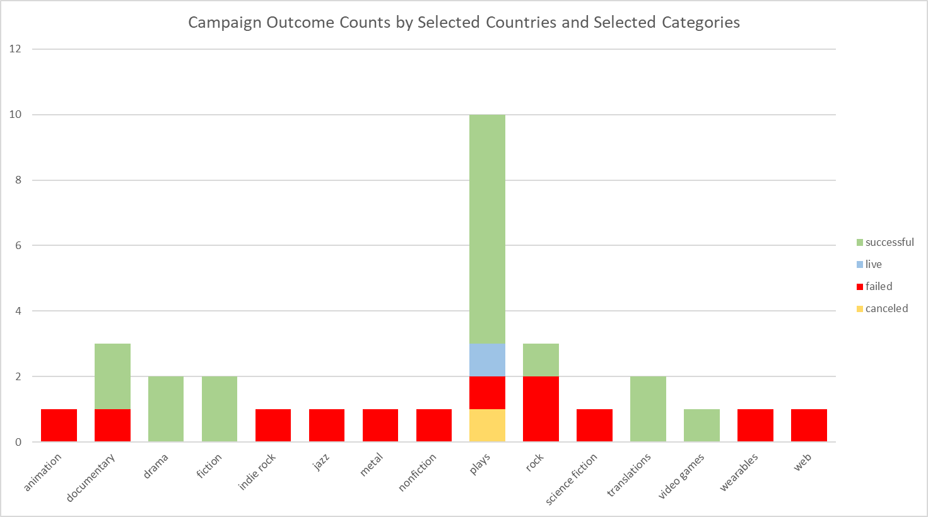
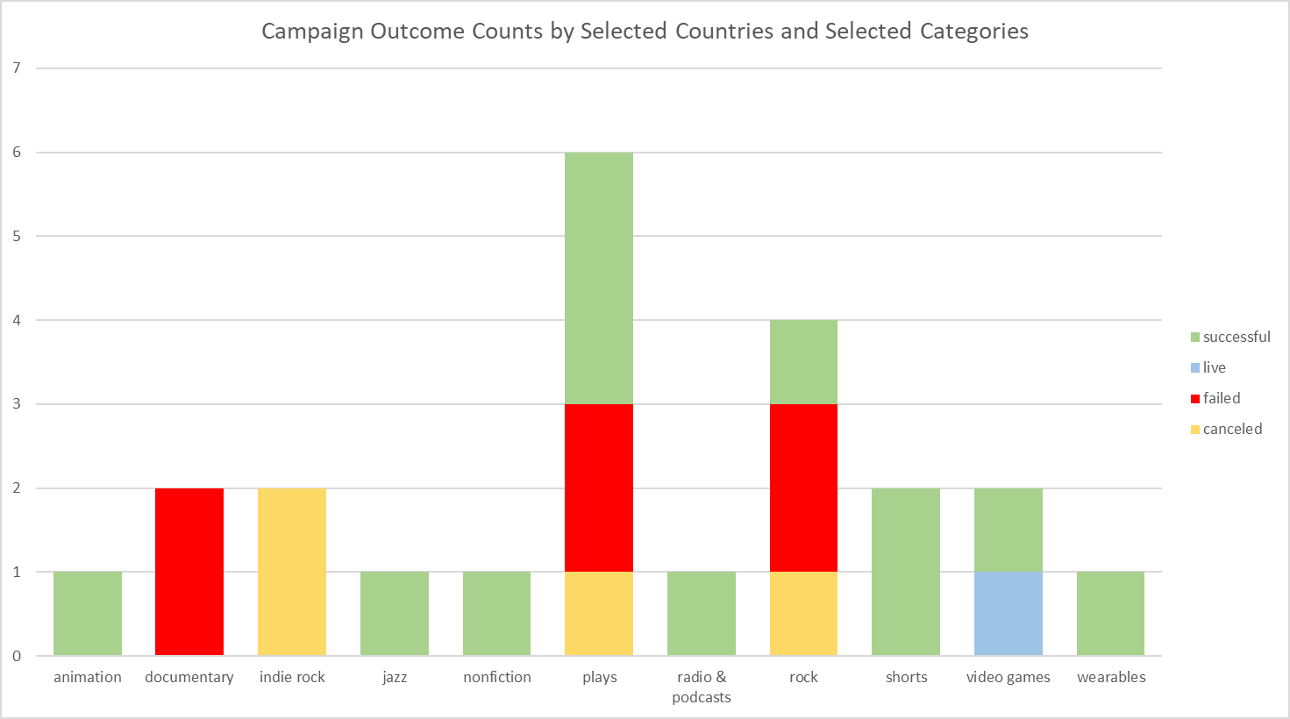

 |  |  |  |  |  | GB | United Kingdom (top level) | IT | Italy
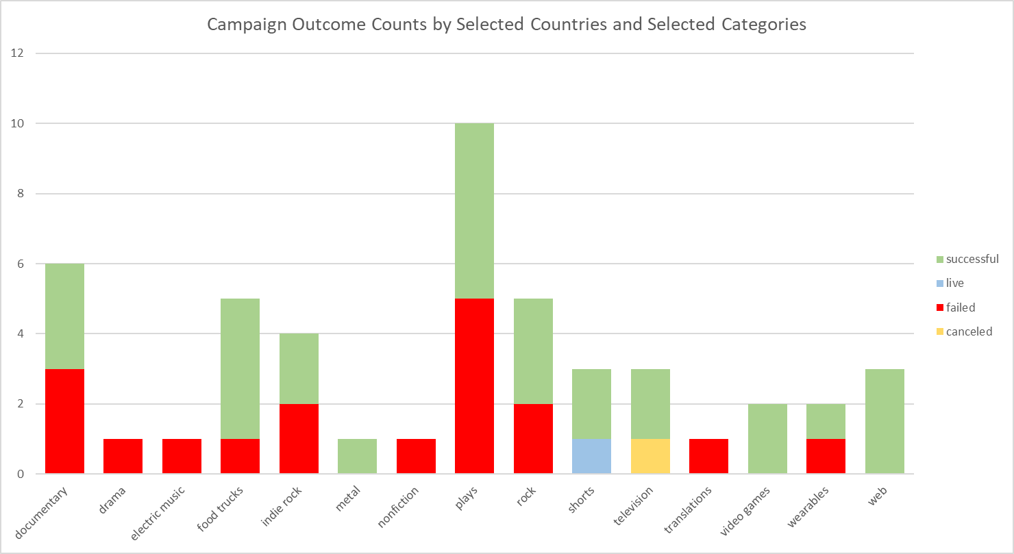
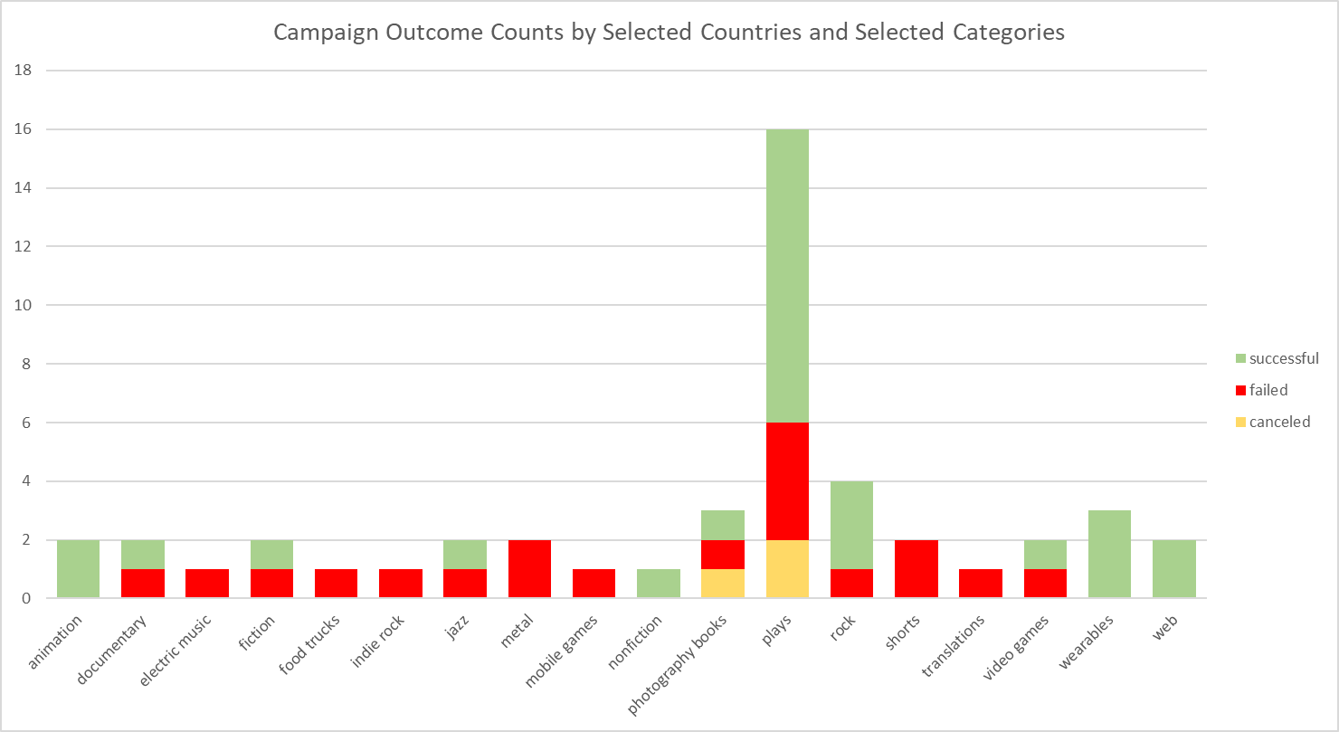

US | United States |  |  |  |  | CA | Canada | ALL (except blank)
Campaign Outcome Counts by Selected Countries and Selected Categories
 | canceled | failed | live | successful
animation | 1 | 10 | 2 | 21
audio |  |  |  | 4
documentary | 4 | 21 | 1 | 34
drama | 2 | 12 | 1 | 22
electric music |  | 8 |  | 10
fiction | 1 | 7 |  | 9
food trucks | 4 | 20 |  | 22
indie rock | 3 | 19 |  | 23
jazz | 1 | 6 |  | 10
metal |  | 3 |  | 4
mobile games |  | 8 | 1 | 4
nonfiction | 1 | 6 | 1 | 13
photography books | 4 | 11 | 1 | 26
plays | 23 | 132 | 2 | 187
radio & podcasts |  | 4 |  | 4
rock | 6 | 30 |  | 49
science fiction |  | 9 |  | 5
shorts | 1 | 5 | 1 | 9
television | 3 | 3 |  | 11
translations |  | 7 |  | 14
video games | 1 | 15 | 2 | 17
wearables |  | 16 | 1 | 28
web | 2 | 12 | 1 | 36
world music |  |  |  | 3

Counts for Country
Campaign Outcome Counts by Category for Selected Countries
 | canceled | failed | live | successful
film & video | 11 | 60 | 5 | 102
food | 4 | 20 |  | 22
games | 1 | 23 | 3 | 21
journalism |  |  |  | 4
music | 10 | 66 |  | 99
photography | 4 | 11 | 1 | 26
publishing | 2 | 24 | 1 | 40
technology | 2 | 28 | 2 | 64
theater | 23 | 132 | 2 | 187
country | (All)

Count of outcome | Column Labels
Row Labels | canceled | failed | live | successful | Grand Total
film & video | 11 | 60 | 5 | 102 | 178
food | 4 | 20 |  | 22 | 46
games | 1 | 23 | 3 | 21 | 48
journalism |  |  |  | 4 | 4
music | 10 | 66 |  | 99 | 175
photography | 4 | 11 | 1 | 26 | 42
publishing | 2 | 24 | 1 | 40 | 67
technology | 2 | 28 | 2 | 64 | 96
theater | 23 | 132 | 2 | 187 | 344
Grand Total | 57 | 364 | 14 | 565 | 1000

