NAMA PROGRAM - TARIKH

act_id | stdNo | regpoint | datereg
6 | 2020833776 | a | 2020-12-02 | <- contoh | act_id | schedule id ( please refer to crs system once you create a schedule for your activities)
 |  |  |  |  | stdNo | student no
 |  |  |  |  | regpoint | a = audience = c = committee = p = participant
 |  |  |  |  | datereg | Tarikh program didaftarkan

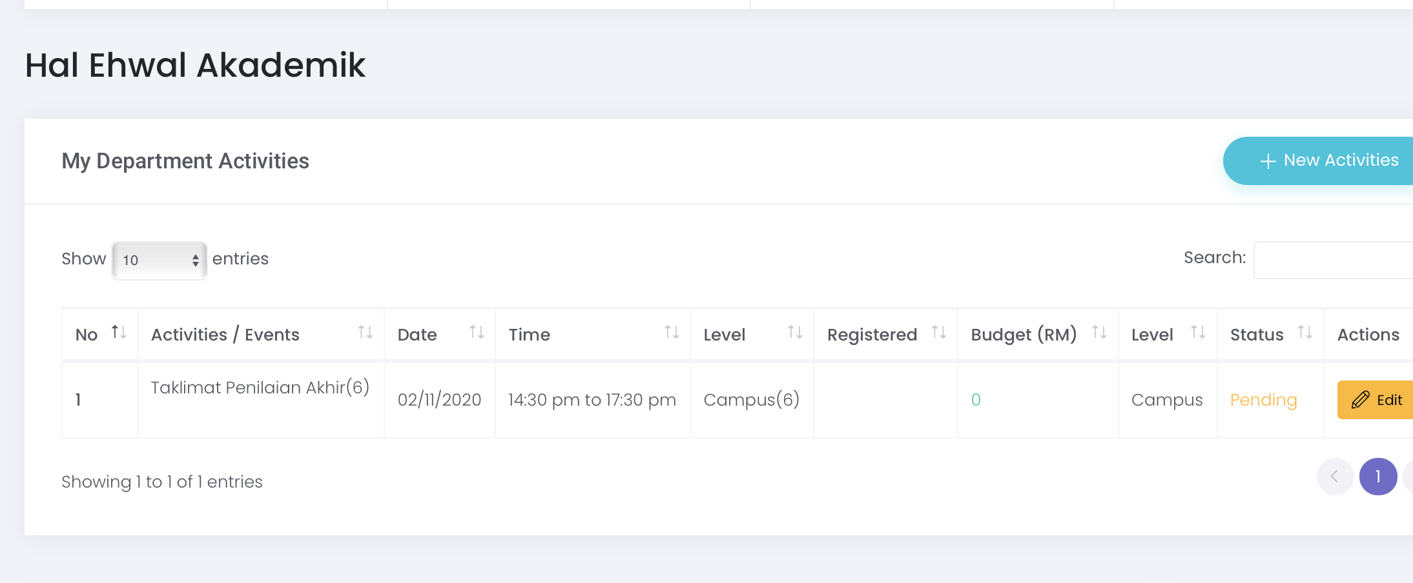

 |  |  |  |  | 1 | Login ke sistem crs https://asid.uitm.edu.my/crs
 |  |  |  |  | 2 | Username : No pekerja / Password : No IC
 |  |  |  |  | 3 | Pergi ke menu Co Curricular Club > Club Activities
 |  |  |  |  | 4 | Klik New Activities, isikan detail yang diperlukan dan save
 |  |  |  |  | 5 | Ambil No ID (Schedule ID) seperti diatas dan masukkan kedalam excel mengikut format yang ditetapkan

