Register v1
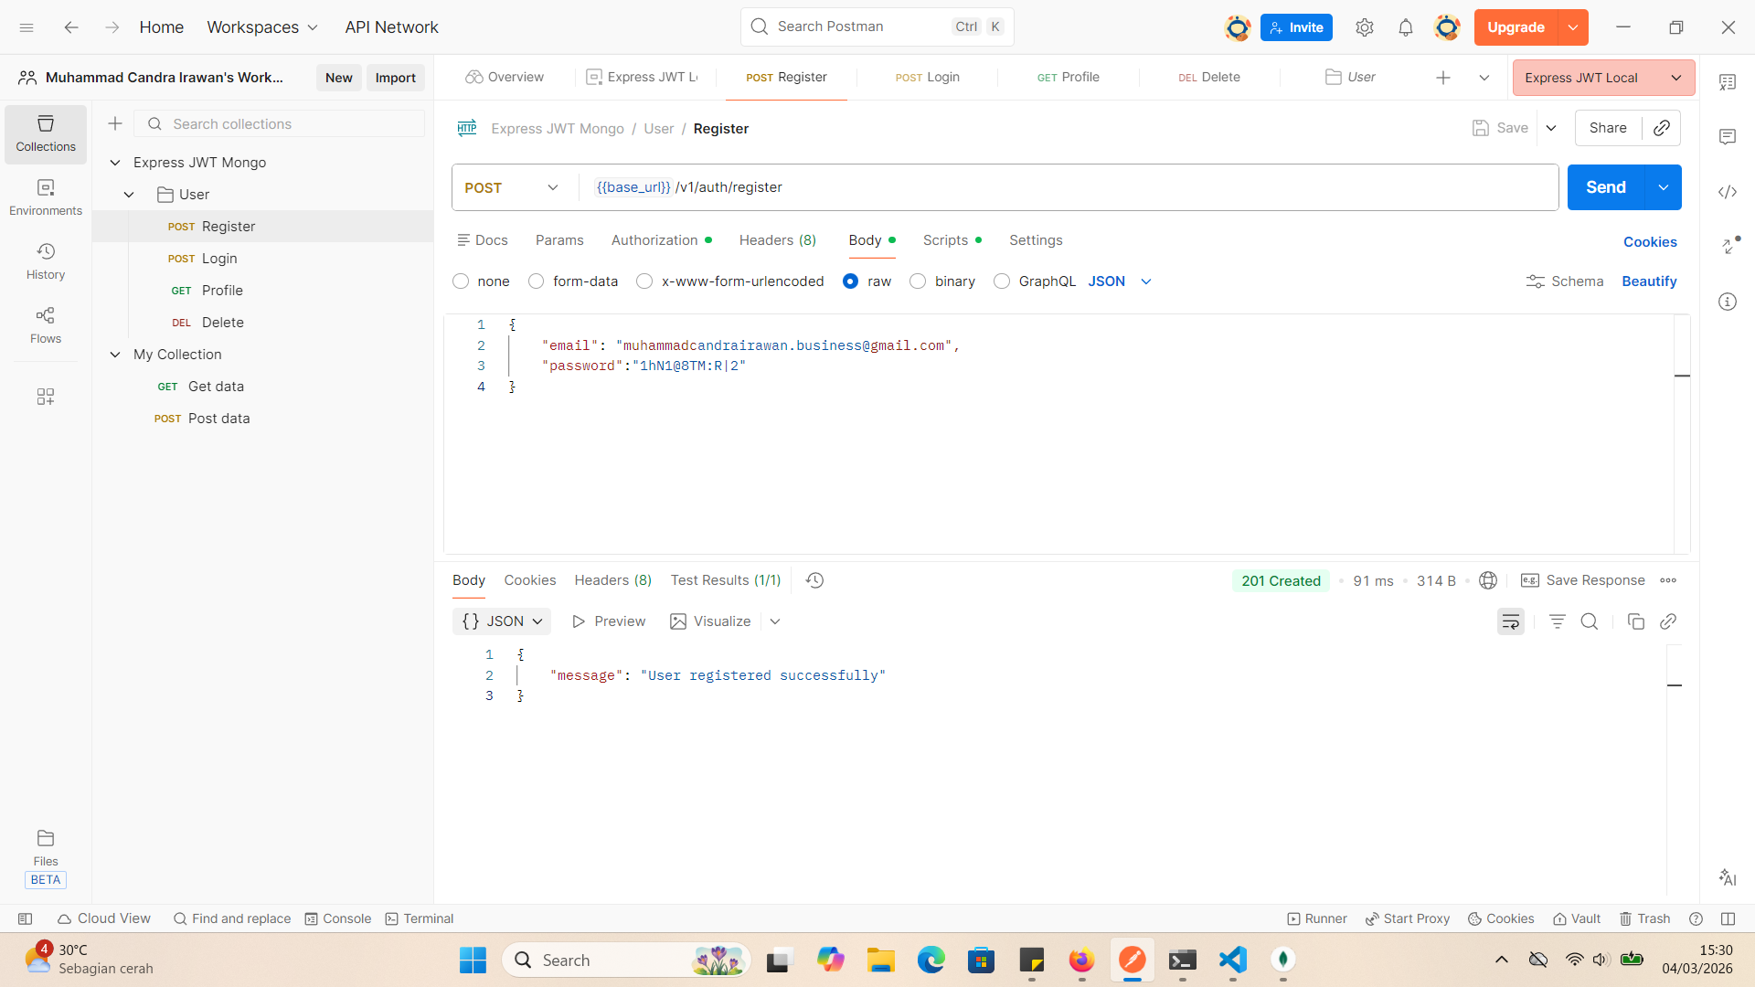
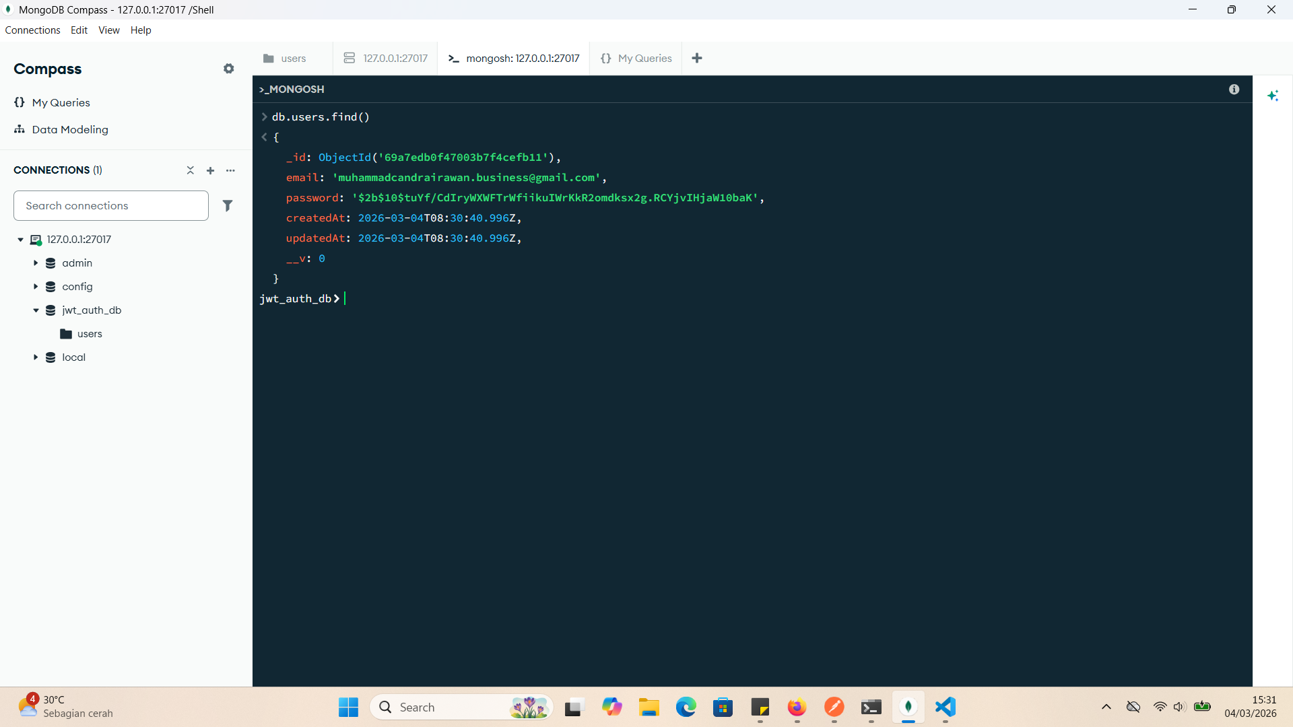
TC ID | Scenario | Precondition | Test Steps | Test Data | Expected Result | Priority | Type | Status | Notes | Evidence
REG-001 | Register with valid data | Email belum terdaftar | POST /register | valid email & password | 201 Created, user ID returned | High | Positive | Pass
REG-002 | Register with existing email | Email sudah terdaftar | POST /register | existing email | 409 Conflict | High | Negative | Pass
REG-003 | Missing email | - | POST /register | email kosong | 400 Bad Request | High | Negative | Pass
REG-004 | Invalid email format | - | POST /register | invalid email | 400 Bad Request | Medium | Negative | Pass |  | REG-001
REG-005 | Password too short | - | POST /register | 3 char password | 400 Validation error | Medium | Boundary | Blocked | Service not implemented
REG-006 | SQL injection attempt | - | POST /register | OR 1=1 -- | 400 / validation fail | High | Security | Blocked | Service not implemented

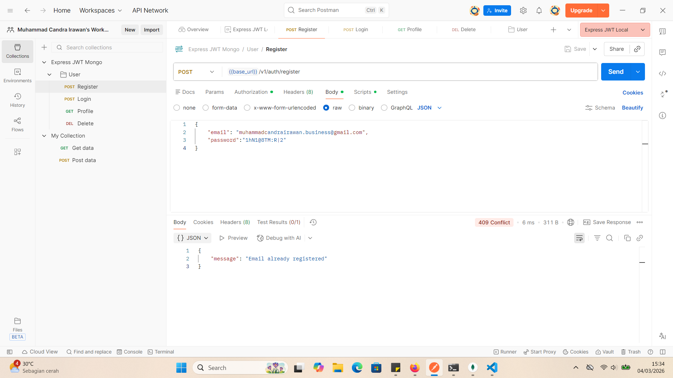

 |  |  |  |  |  |  |  |  |  | REG-002

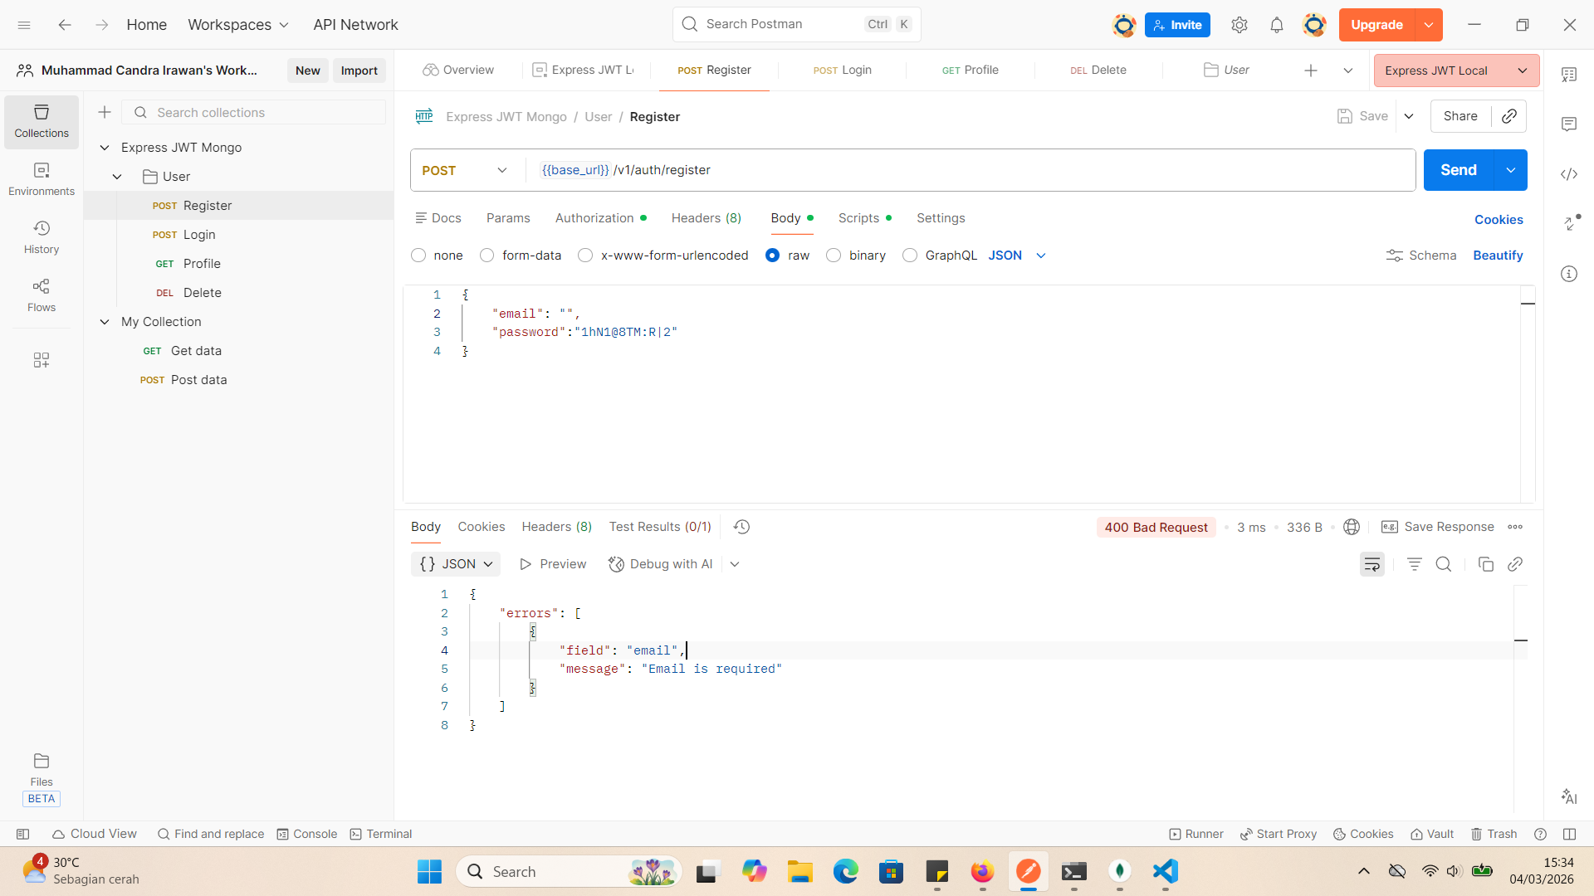

 |  |  |  |  |  |  |  |  |  | REG-003

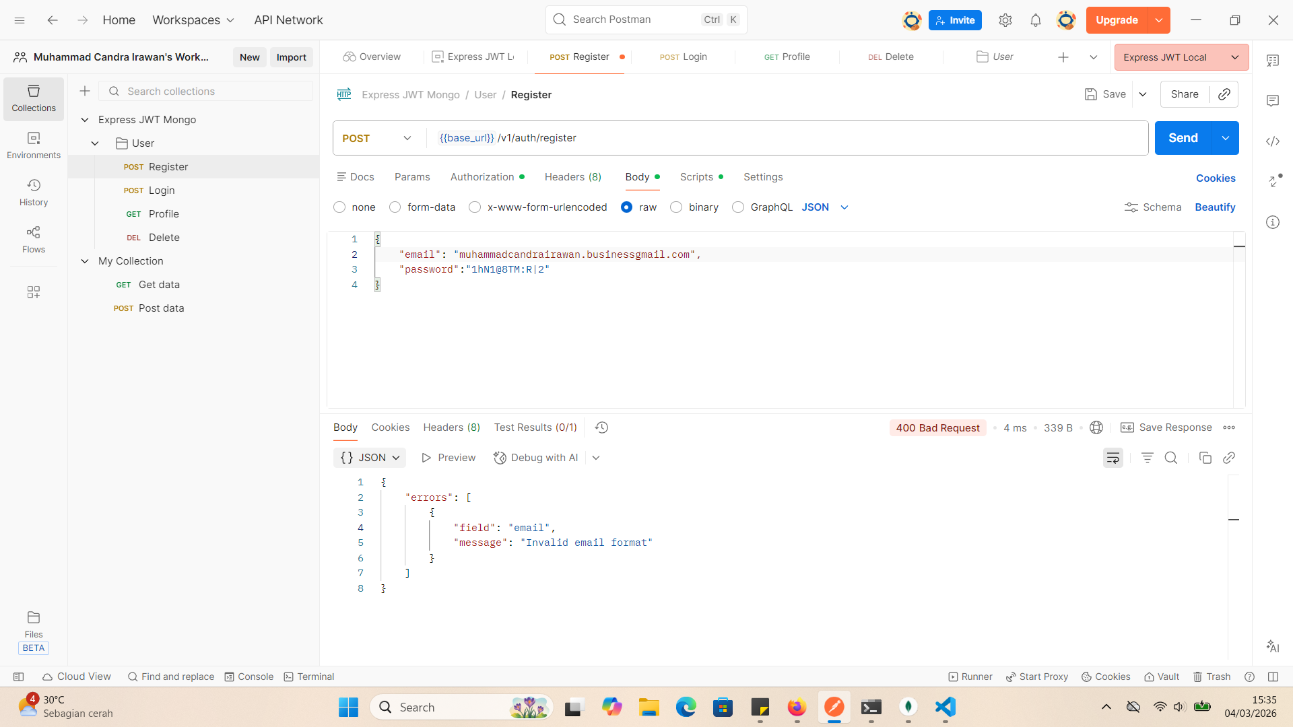

 |  |  |  |  |  |  |  |  |  | REG-004

