Top_Brands
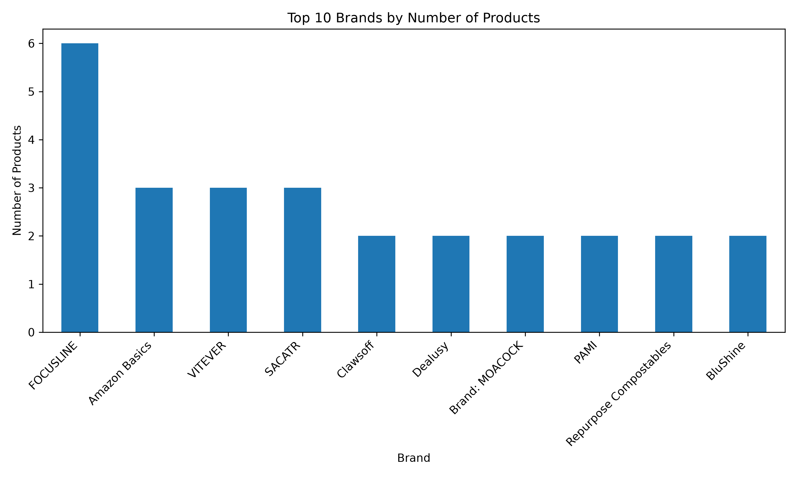
Brand | Product Count
FOCUSLINE | 6
Amazon Basics | 3
VITEVER | 3
SACATR | 3
Clawsoff | 2
Dealusy | 2
Brand: MOACOCK | 2
PAMI | 2
Repurpose Compostables | 2
BluShine | 2

Price_Distribution
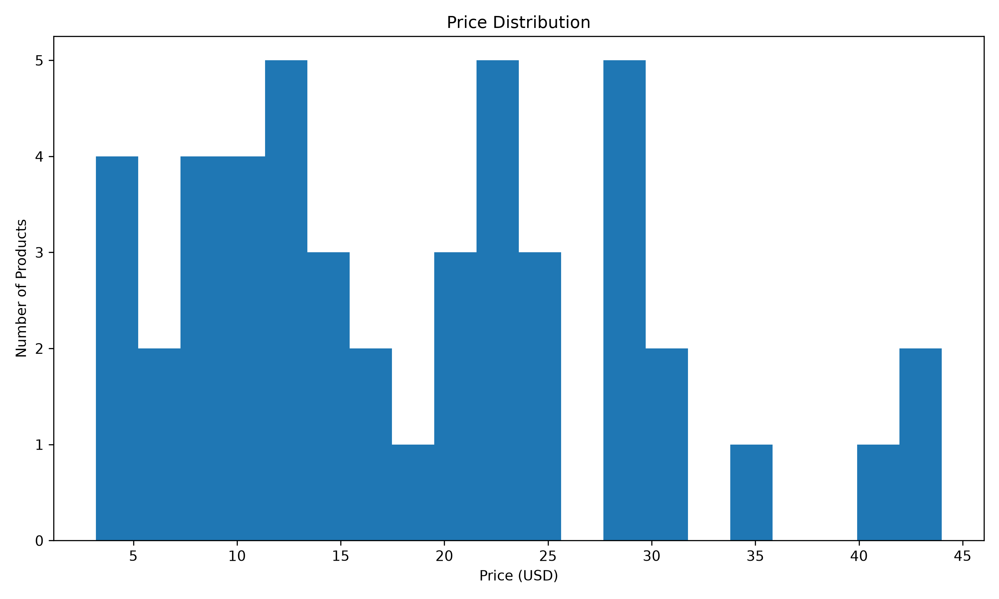
Price (USD)
19.99
9.99
29.99
6.99
12.99
4.49
17.09
14.99
43.99
22.99
42.99
11.4
12.79
6.99
3.19
3.99
24.99
22.99
22.99
8.99
9.97
8.99
18.79
39.99
21.99
24
29.47
29.47
27.99
16.99
23.79
8.99
9.99
12.97
4.99
13.99
27.99
33.99
11.15
21.99
29.15
13.49
11.99
20.99
19.99
29.99
8.99

Rating_Distribution
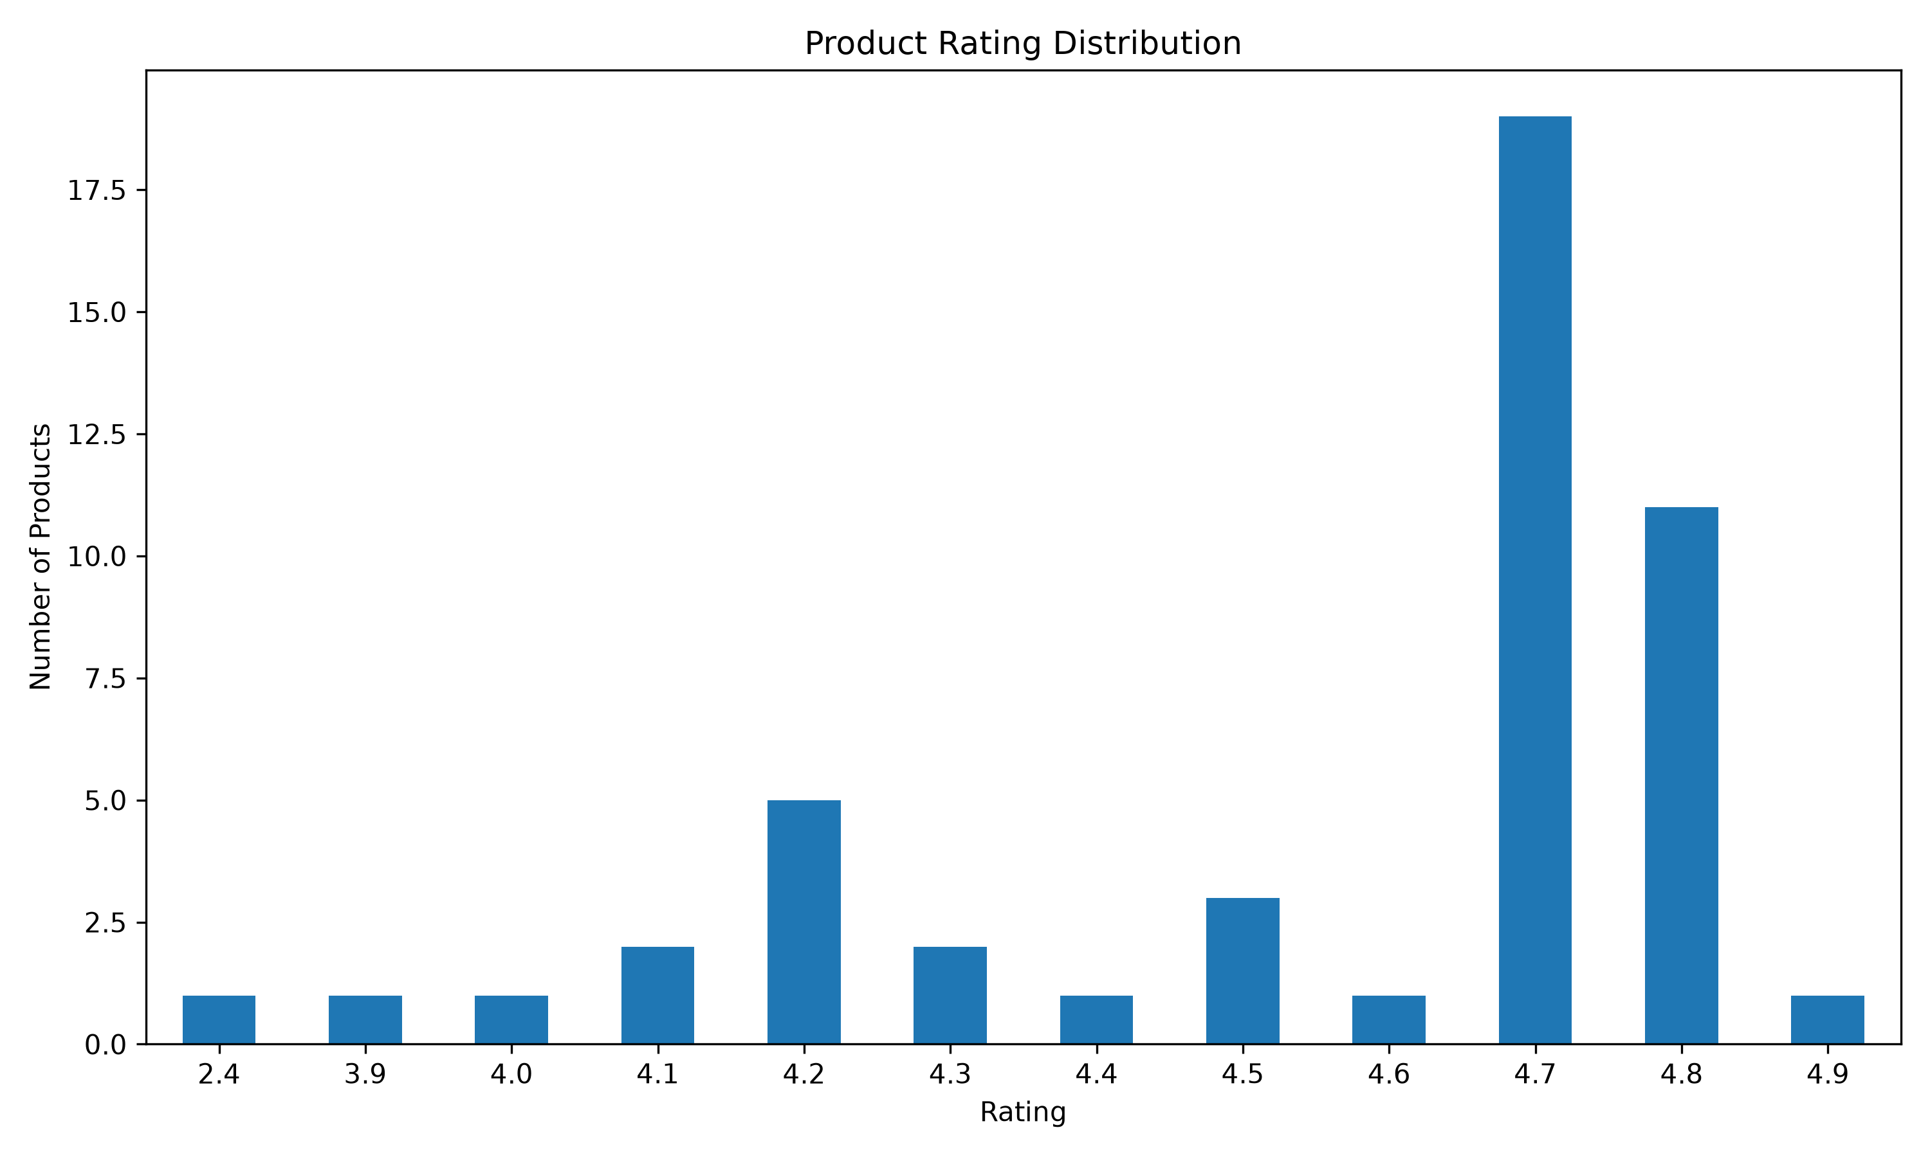
Rating | Product Count
2.4 | 1
3.9 | 1
4 | 1
4.1 | 2
4.2 | 5
4.3 | 2
4.4 | 1
4.5 | 3
4.6 | 1
4.7 | 19
4.8 | 11
4.9 | 1

Price_vs_Rating
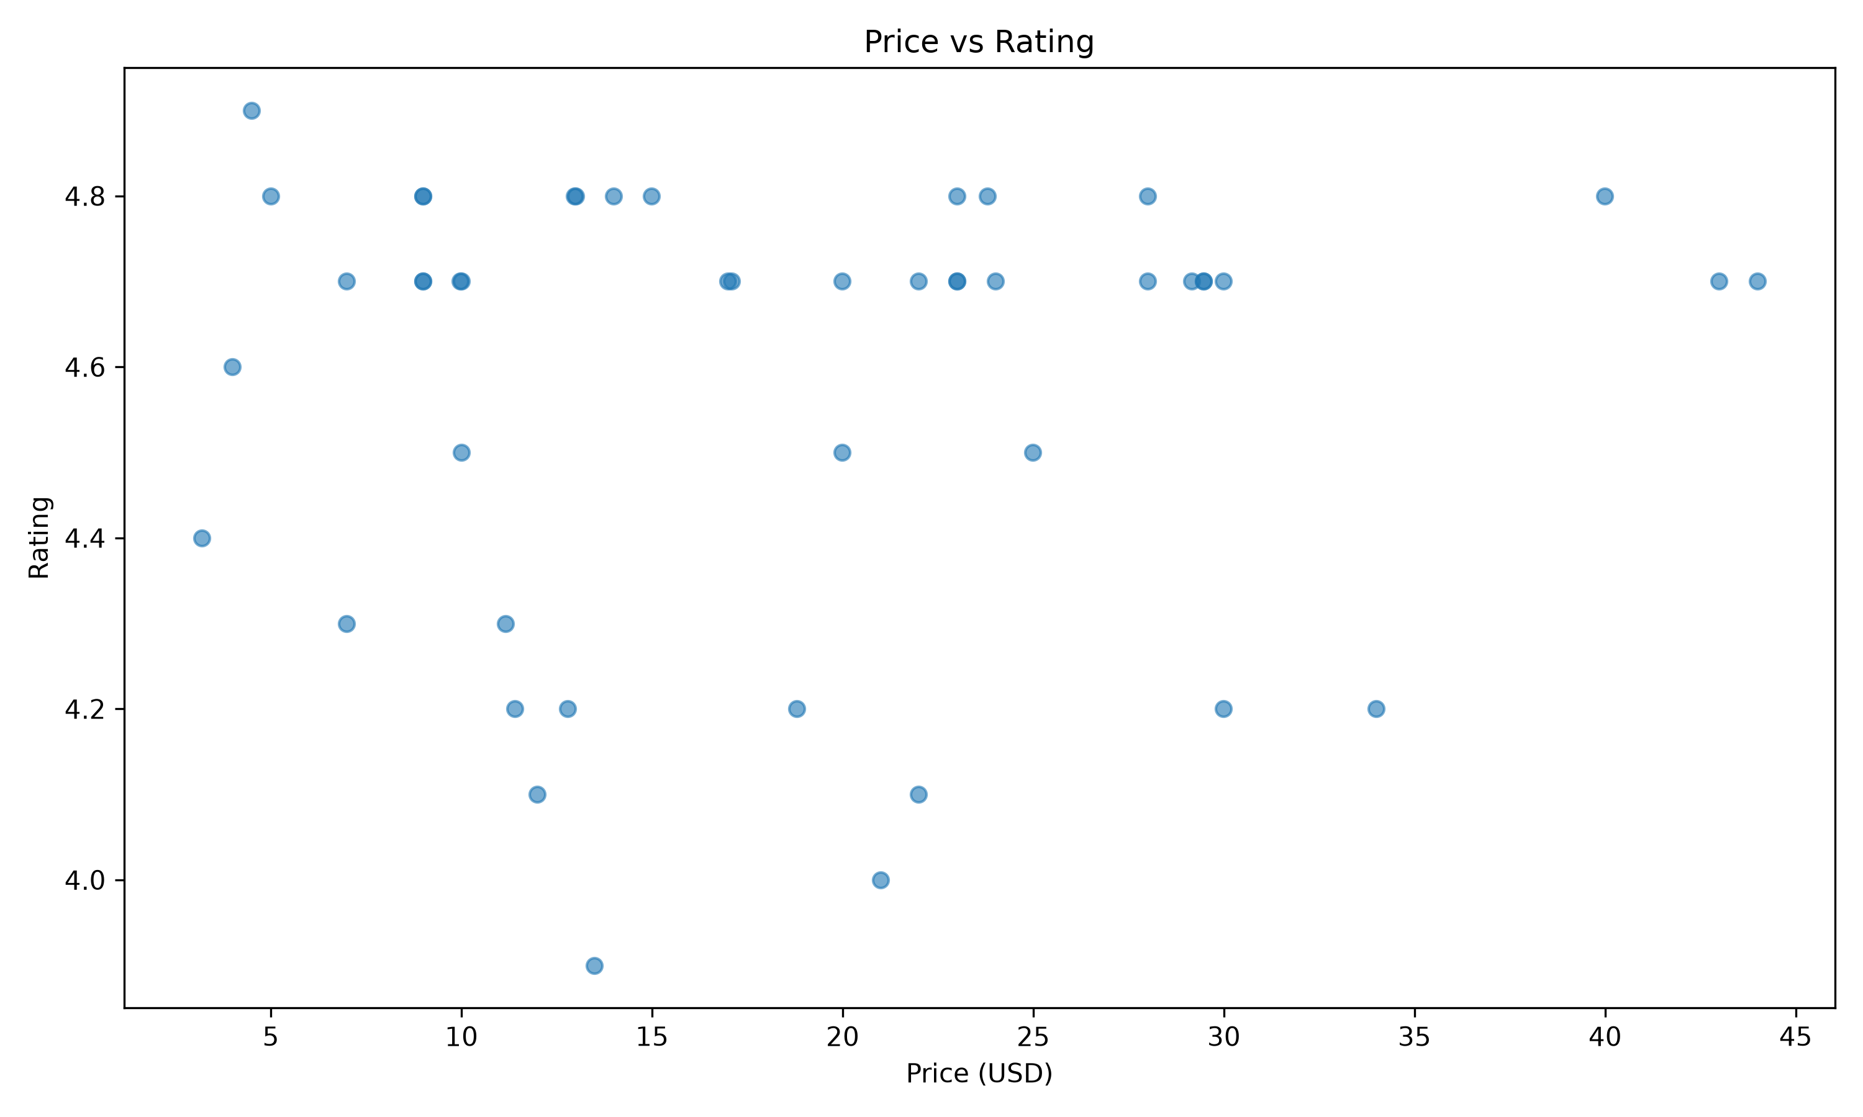
Price (USD) | Rating
19.99 | 4.5
9.99 | 4.5
29.99 | 4.7
6.99 | 4.7
12.99 | 4.8
4.49 | 4.9
17.09 | 4.7
14.99 | 4.8
43.99 | 4.7
22.99 | 4.7
42.99 | 4.7
11.4 | 4.2
12.79 | 4.2
6.99 | 4.3
3.19 | 4.4
3.99 | 4.6
24.99 | 4.5
22.99 | 4.7
22.99 | 4.8
8.99 | 4.8
9.97 | 4.7
8.99 | 4.7
18.79 | 4.2
39.99 | 4.8
21.99 | 4.1
24 | 4.7
29.47 | 4.7
29.47 | 4.7
27.99 | 4.8
16.99 | 4.7
23.79 | 4.8
8.99 | 4.8
9.99 | 4.7
12.97 | 4.8
4.99 | 4.8
13.99 | 4.8
27.99 | 4.7
33.99 | 4.2
11.15 | 4.3
21.99 | 4.7
29.15 | 4.7
13.49 | 3.9
11.99 | 4.1
20.99 | 4
19.99 | 4.7
29.99 | 4.2
8.99 | 4.7

Top_Reviews
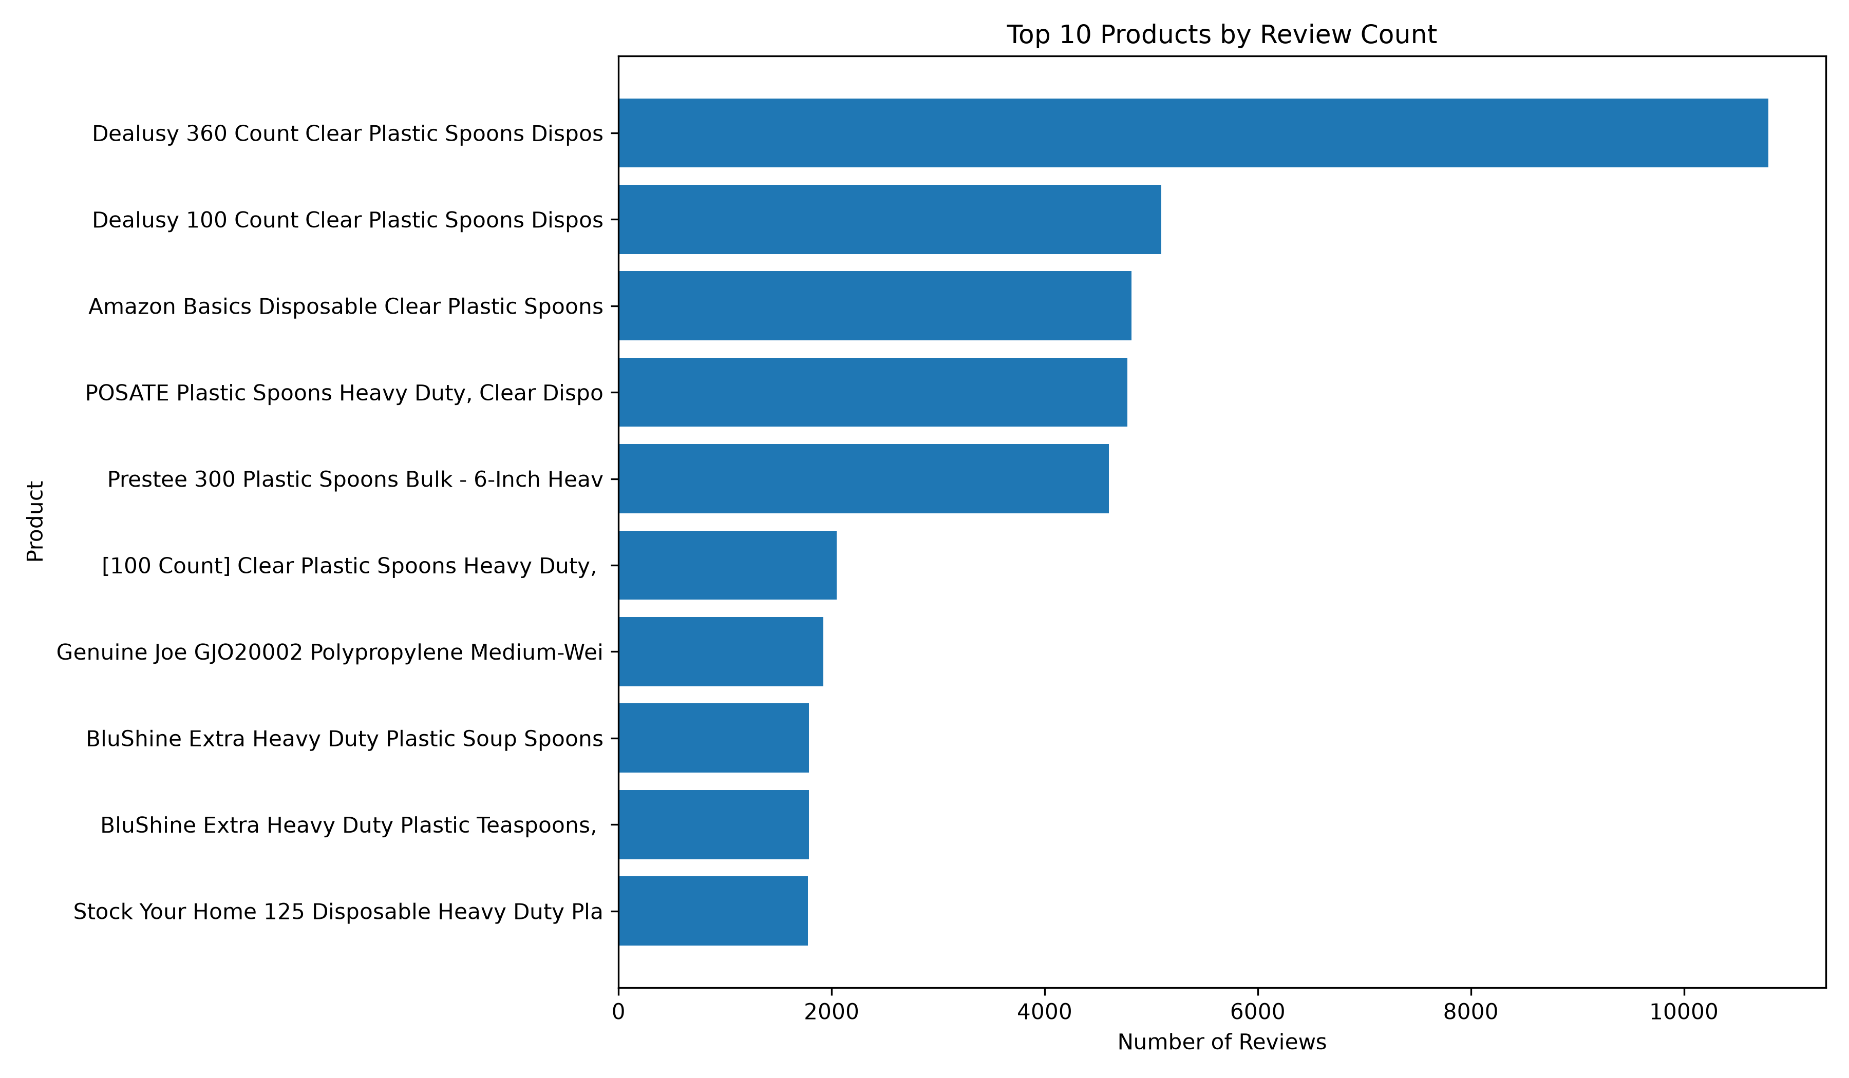
Product Title | Review Count
Dealusy 360 Count Clear Plastic Spoons Disposable | 10793
Dealusy 100 Count Clear Plastic Spoons Disposable | 5096
Amazon Basics Disposable Clear Plastic Spoons, Premium Quality, 100 Count, Large Pack, Packaging May Vary | 4815
POSATE Plastic Spoons Heavy Duty, Clear Disposable Silverware 100 Count | 4775
Prestee 300 Plastic Spoons Bulk - 6-Inch Heavy Duty Disposable Silverware and Plastic Utensils Set - Durable Clear Cutlery for Hot and Cold Food - Strong Spoon Flatware for Parties and Events | 4601
[100 Count] Clear Plastic Spoons Heavy Duty, Premium Disposable Spoons, Durable Plastic Cutlery for for Parties, Picnics, Big Event, Daily Use - Heat Resistant & BPA Free - Clear | 2046
Genuine Joe GJO20002 Polypropylene Medium-Weight Spoon, White (Pack of 1,000) | 1920
BluShine Extra Heavy Duty Plastic Soup Spoons, Disposable Bulk Utensils | 1786
BluShine Extra Heavy Duty Plastic Teaspoons, Disposable Bulk Utensils | 1786
Stock Your Home 125 Disposable Heavy Duty Plastic Spoons, Fancy Plastic Silverware Looks Like Real Cutlery - Utensils Perfect for Catering Events, Restaurants, Parties and Weddings (Silver) | 1776

