Dashboard 02

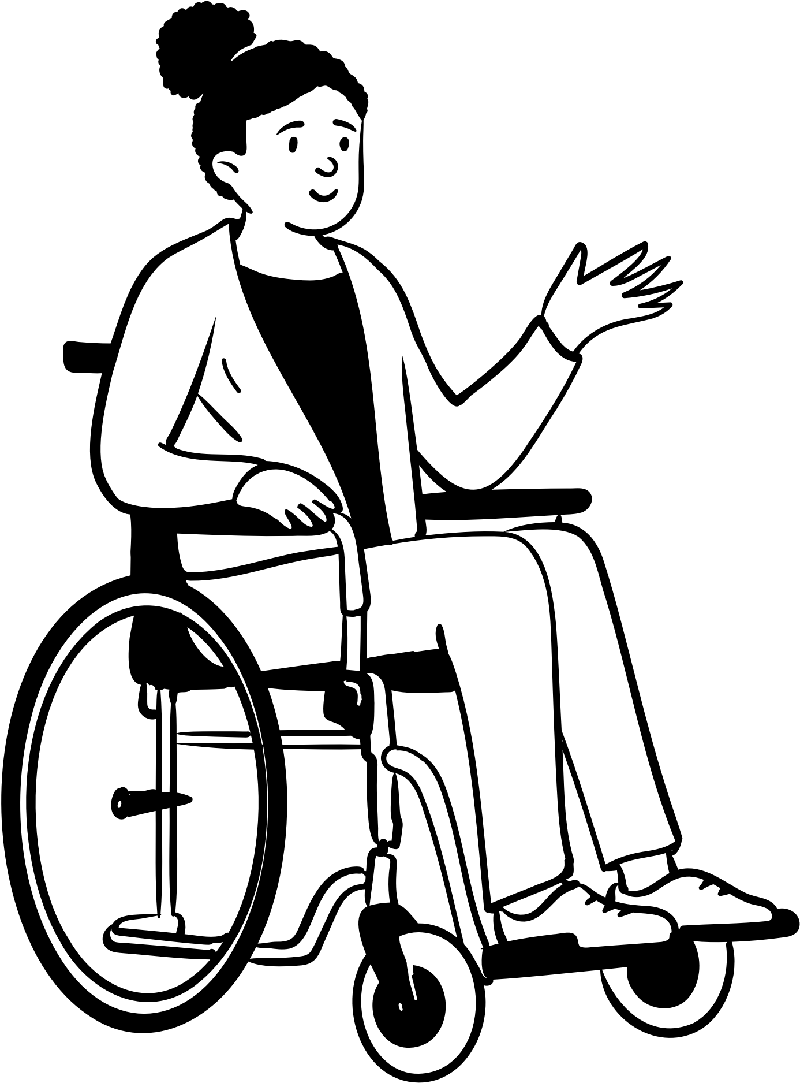


SCHOOL OF HEALTH & SOCIAL SCIENCES
DIPLOMA IN NURSING
620
1st
SCHOOL OF BUSINESS MANAGEMENT
DIPLOMA IN BUSINESS MANAGEMENT
148
2nd
SCHOOL OF BUSINESS MANAGEMENT
COMMON BUSINESS PROGRAMME
136
3rd
SCHOOL OF ENGINEERING
COMMON ENGINEERING PROGRAMME
115
4th
SCHOOL OF DESIGN & MEDIA
DIPLOMA IN ANIMATION & VISUAL EFFECTS
76
5th
321
168
120
116
104
SCHOOL OF ENGINEERING
COMMON ENGINEERING PROGRAMME
SCHOOL OF HEALTH & SOCIAL SCIENCES
DIPLOMA IN NURSING
SCHOOL OF INFORMATION TECHNOLOGY
COMMON ICT PROGRAMME
SCHOOL OF BUSINESS MANAGEMENT
COMMON BUSINESS PROGRAMME
SCHOOL OF BUSINESS MANAGEMENT
DIPLOMA IN BUSINESS MANAGEMENT
TOP 5 COURSES IN 2022
NEW MALE INTAKE
NEW FEMALE INTAKE


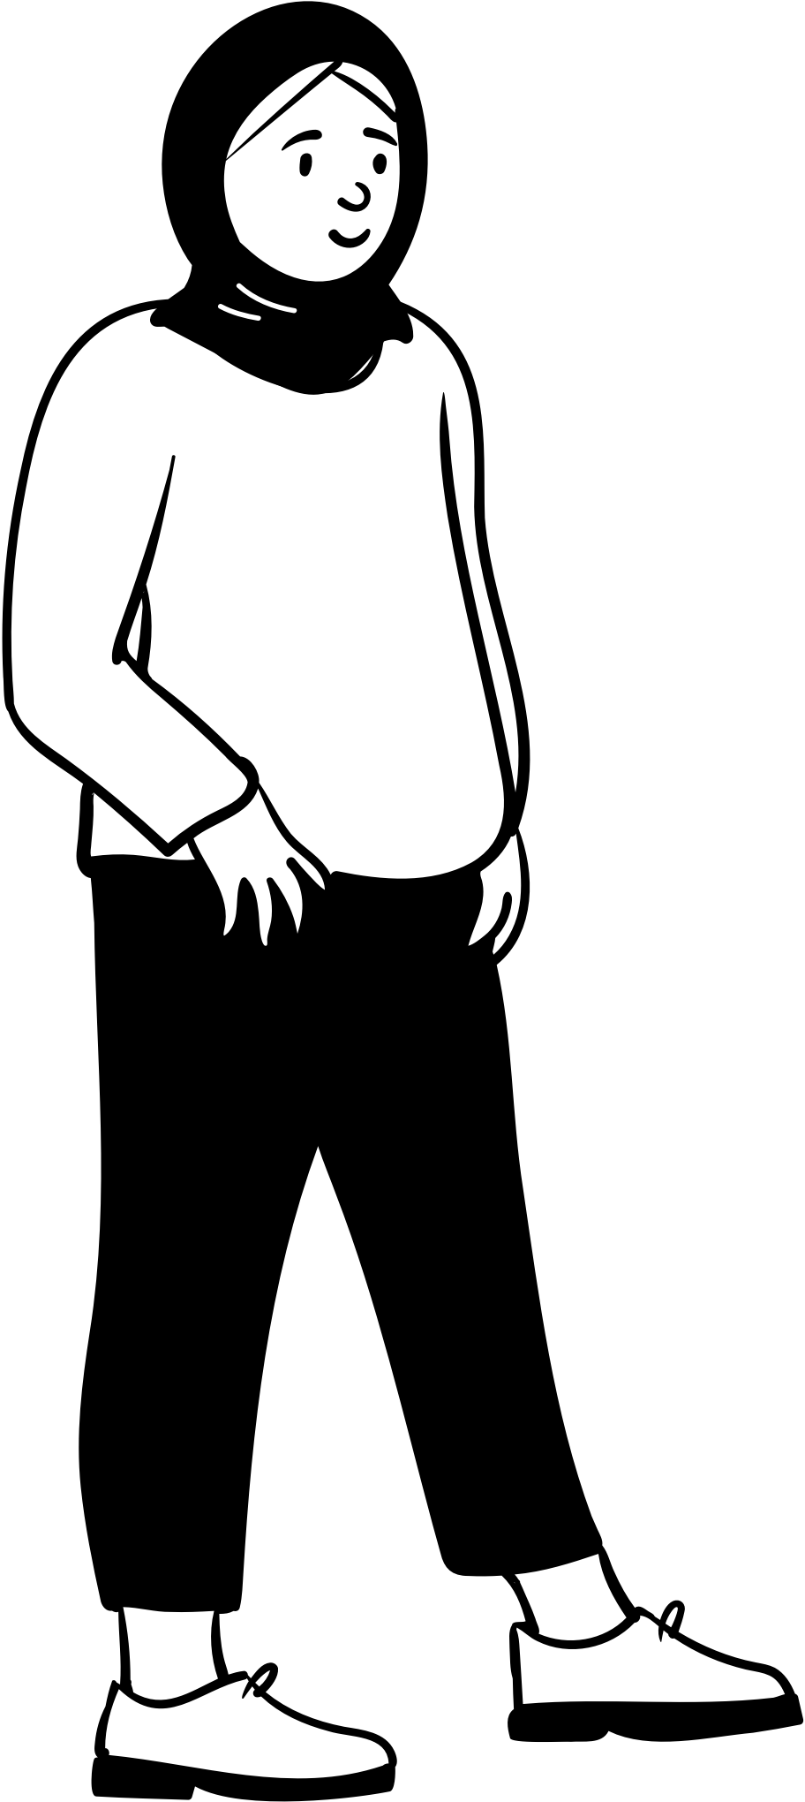

TOTAL OF NEW INTAKES - 2016 to 2022

2016
2017
2018
2019
2020
2021
2022

 | Sum of planned_intake_num | Sum of total_intake
2016 | 413 | 412
2017 | 401 | 400
2018 | 429 | 433
2019 | 385 | 386
2020 | 359 | 366
2021 | 354 | 353
2022 | 355 | 354
SCHOOL OF APPLIED SCIENCE
SCHOOL OF CHEMICAL & LIFE SCIENCES
SCHOOL OF APPLIED SCIENCE
SCHOOL OF CHEMICAL & LIFE SCIENCES RENAMED AS SCHOOL OF APPLIED SCIENCE IN 2021
Planned Intake
Actual Intake
LEGEND

99.76%
99.75%
100.93%
100.26%
101.95%
99.72%
99.72%
PERCENTAGE OF NEW INTAKE

SCHOOL OF BUSINESS MANAGEMENT
 | Sum of planned_intake_num | Sum of total_intake
2016 | 987 | 977
2017 | 1018 | 1017
2018 | 999 | 999
2019 | 930 | 931
2020 | 878 | 886
2021 | 866 | 867
2022 | 794 | 784

PERCENTAGE OF NEW INTAKE
98.99%
99.9%
100.00%
100.11%
100.91%
100.12%
98.74%

SCHOOL OF DESIGN & MEDIA
 | Sum of planned_intake_num | Sum of total_intake
2016 | 598 | 581
2017 | 700 | 689
2018 | 705 | 706
2019 | 646 | 641
2020 | 615 | 616
2021 | 591 | 579
2022 | 588 | 577
SCHOOL OF DESIGN AND SCHOOL OF INTERACTIVE & DIGITAL MEDIA
SCHOOL OF DESIGN & MEDIA

SCHOOL OF DESIGN & MEDIA IS ADDED INTO SCHOOL OF DESIGN AND SCHOOL OF INTERACTIVE & DIGITAL MEDIA IN 2021

PERCENTAGE OF NEW INTAKE
97.16%
98.43%
100.14%
99.23%
100.16%
97.97%
98.13%

2016
2017
2018
2019
2020
2021
2022

 | Sum of planned_intake_num | Sum of total_intake
2016 | 1414 | 1433
2017 | 1363 | 1366
2018 | 1312 | 1313
2019 | 1206 | 1202
2020 | 1085 | 1086
2021 | 1026 | 1043
2022 | 1008 | 1029
SCHOOL OF ENGINEERING
Planned Intake
Actual Intake
LEGEND

101.34%
100.22%
100.08%
99.67%
100.09%
101.66%
102.08%
PERCENTAGE OF NEW INTAKE

 | Sum of planned_intake_num | Sum of total_intake
2016 | 833 | 840
2017 | 880 | 888
2018 | 921 | 915
2019 | 886 | 889
2020 | 869 | 876
2021 | 875 | 863
2022 | 870 | 860
SCHOOL OF HEALTH & SOCIAL SCIENCES

100.84%
100.91%
99.35%
100.34%
100.81%
98.63%
98.85%
PERCENTAGE OF NEW INTAKE

 | Sum of planned_intake_num | Sum of total_intake
2016 | 524 | 522
2017 | 558 | 560
2018 | 553 | 554
2019 | 507 | 507
2020 | 495 | 497
2021 | 519 | 518
2022 | 469 | 488
SCHOOL OF INFORMATION TECHNOLOGY

99.62%
100.36%
100.18%
100.00%
100.40%
99.81%
104.05%
PERCENTAGE OF NEW INTAKE

Pivot_percent
SCHOOL OF APPLIED SCIENCE
school | (Multiple Items) |  | school | (Multiple Items)

Row Labels | Sum of planned_intake_num | Sum of total_intake | Row Labels | Sum of planned_intake_num | Sum of total_intake | Sum of percentage
2016 | 413 | 412 | 2016 | 413 | 412 | 99.76
2017 | 401 | 400 | 2017 | 401 | 400 | 99.75
2018 | 429 | 433 | 2018 | 429 | 433 | 100.93
2019 | 385 | 386 | 2019 | 385 | 386 | 100.26
2020 | 359 | 366 | 2020 | 359 | 366 | 101.95
2021 | 354 | 353 | 2021 | 354 | 353 | 99.72
2022 | 355 | 354 | 2022 | 355 | 354 | 99.72
Grand Total | 2696 | 2704 | Grand Total | 2696 | 2704 | 100.30

 |  |  | school | SCHOOL OF BUSINESS MANAGEMENT

SCHOOL OF BUSINESS MANAGEMENT
 |  |  | Row Labels | Sum of planned_intake_num | Sum of total_intake | Sum of percentage
school | SCHOOL OF BUSINESS MANAGEMENT |  | 2016 | 987 | 977 | 98.99
 |  |  | 2017 | 1018 | 1017 | 99.90
Row Labels | Sum of planned_intake_num | Sum of total_intake | 2018 | 999 | 999 | 100.00
2016 | 987 | 977 | 2019 | 930 | 931 | 100.11
2017 | 1018 | 1017 | 2020 | 878 | 886 | 100.91
2018 | 999 | 999 | 2021 | 866 | 867 | 100.12
2019 | 930 | 931 | 2022 | 794 | 784 | 98.74
2020 | 878 | 886 | Grand Total | 6472 | 6461 | 99.83
2021 | 866 | 867
2022 | 794 | 784
Grand Total | 6472 | 6461

SCHOOL OF DESIGN & MEDIA
school | (Multiple Items) |  | school | (Multiple Items) | SCHOOL OF MEDIA & DESIGN

Row Labels | Sum of planned_intake_num | Sum of total_intake | Row Labels | Sum of planned_intake_num | Sum of total_intake | Sum of percentage
2016 | 598 | 581 | 2016 | 598 | 581 | 97.16
2017 | 700 | 689 | 2017 | 700 | 689 | 98.43
2018 | 705 | 706 | 2018 | 705 | 706 | 100.14
2019 | 646 | 641 | 2019 | 646 | 641 | 99.23
2020 | 615 | 616 | 2020 | 615 | 616 | 100.16
2021 | 591 | 579 | 2021 | 591 | 579 | 97.97
2022 | 588 | 577 | 2022 | 588 | 577 | 98.13
Grand Total | 4443 | 4389 | Grand Total | 4443 | 4389 | 98.78

SCHOOL OF ENGINEERING
school | SCHOOL OF ENGINEERING |  | school | SCHOOL OF ENGINEERING

Row Labels | Sum of planned_intake_num | Sum of total_intake | Row Labels | Sum of planned_intake_num | Sum of total_intake | Sum of percentage
2016 | 1414 | 1433 | 2016 | 1414 | 1433 | 101.34
2017 | 1363 | 1366 | 2017 | 1363 | 1366 | 100.22
2018 | 1312 | 1313 | 2018 | 1312 | 1313 | 100.08
2019 | 1206 | 1202 | 2019 | 1206 | 1202 | 99.67
2020 | 1085 | 1086 | 2020 | 1085 | 1086 | 100.09
2021 | 1026 | 1043 | 2021 | 1026 | 1043 | 101.66
2022 | 1008 | 1029 | 2022 | 1008 | 1029 | 102.08
Grand Total | 8414 | 8472 | Grand Total | 8414 | 8472 | 100.69

SCHOOL OF HEALTH & SOCIAL SCIENCES
school | SCHOOL OF HEALTH & SOCIAL SCIENCES |  | school | SCHOOL OF HEALTH & SOCIAL SCIENCES

Row Labels | Sum of planned_intake_num | Sum of total_intake | Row Labels | Sum of planned_intake_num | Sum of total_intake | Sum of percentage
2016 | 833 | 840 | 2016 | 833 | 840 | 100.84
2017 | 880 | 888 | 2017 | 880 | 888 | 100.91
2018 | 921 | 915 | 2018 | 921 | 915 | 99.35
2019 | 886 | 889 | 2019 | 886 | 889 | 100.34
2020 | 869 | 876 | 2020 | 869 | 876 | 100.81
2021 | 875 | 863 | 2021 | 875 | 863 | 98.63
2022 | 870 | 860 | 2022 | 870 | 860 | 98.85
Grand Total | 6134 | 6131 | Grand Total | 6134 | 6131 | 99.95

SCHOOL OF INFORMATION TECHNOLOGY
school | SCHOOL OF INFORMATION TECHNOLOGY |  | school | SCHOOL OF INFORMATION TECHNOLOGY

Row Labels | Sum of planned_intake_num | Sum of total_intake | Row Labels | Sum of planned_intake_num | Sum of total_intake | Sum of percentage
2016 | 524 | 522 | 2016 | 524 | 522 | 99.62
2017 | 558 | 560 | 2017 | 558 | 560 | 100.36
2018 | 553 | 554 | 2018 | 553 | 554 | 100.18
2019 | 507 | 507 | 2019 | 507 | 507 | 100.00
2020 | 495 | 497 | 2020 | 495 | 497 | 100.40
2021 | 519 | 518 | 2021 | 519 | 518 | 99.81
2022 | 469 | 488 | 2022 | 469 | 488 | 104.05
Grand Total | 3625 | 3646 | Grand Total | 3625 | 3646 | 100.58

top_5_female
year | school | code | course | gender | intake | Row Labels | Sum of intake
2022 | SCHOOL OF HEALTH & SOCIAL SCIENCES | C97 | DIPLOMA IN NURSING | FEMALE | 620 | COMMON BUSINESS PROGRAMME | 136
2022 | SCHOOL OF BUSINESS MANAGEMENT | C94 | DIPLOMA IN BUSINESS MANAGEMENT | FEMALE | 148 | COMMON ENGINEERING PROGRAMME | 115
2022 | SCHOOL OF BUSINESS MANAGEMENT | C34 | COMMON BUSINESS PROGRAMME | FEMALE | 136 | DIPLOMA IN ANIMATION & VISUAL EFFECTS | 76
2022 | SCHOOL OF ENGINEERING | C42 | COMMON ENGINEERING PROGRAMME | FEMALE | 115 | DIPLOMA IN BUSINESS MANAGEMENT | 148
2022 | SCHOOL OF DESIGN & MEDIA | C33 | DIPLOMA IN ANIMATION & VISUAL EFFECTS | FEMALE | 76 | DIPLOMA IN NURSING | 620
 |  |  |  |  |  | Grand Total | 1095

