Return figures
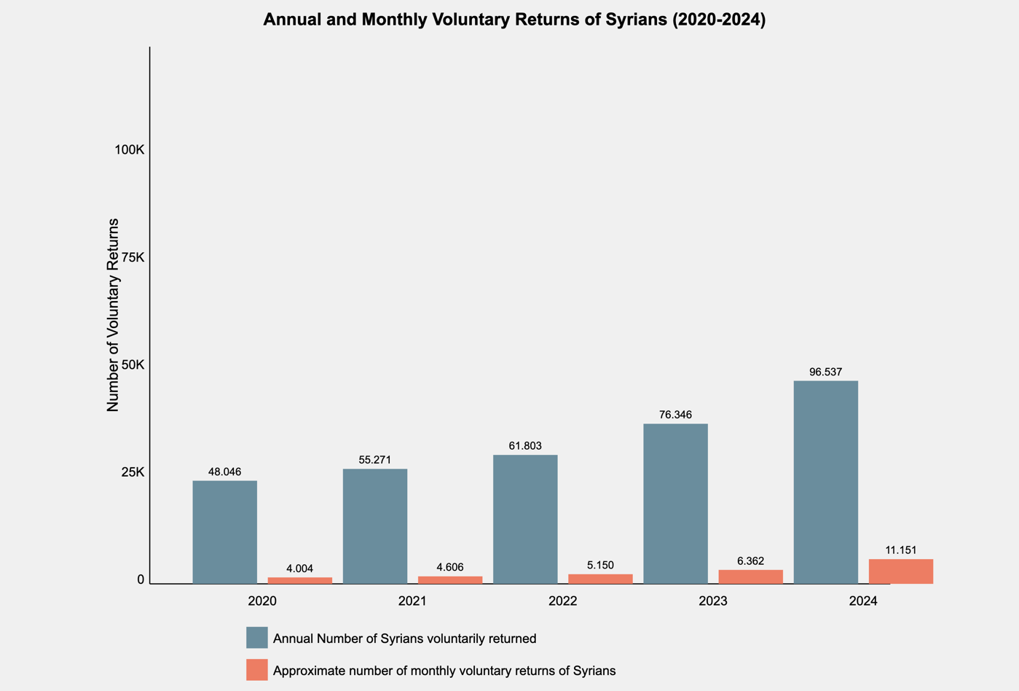
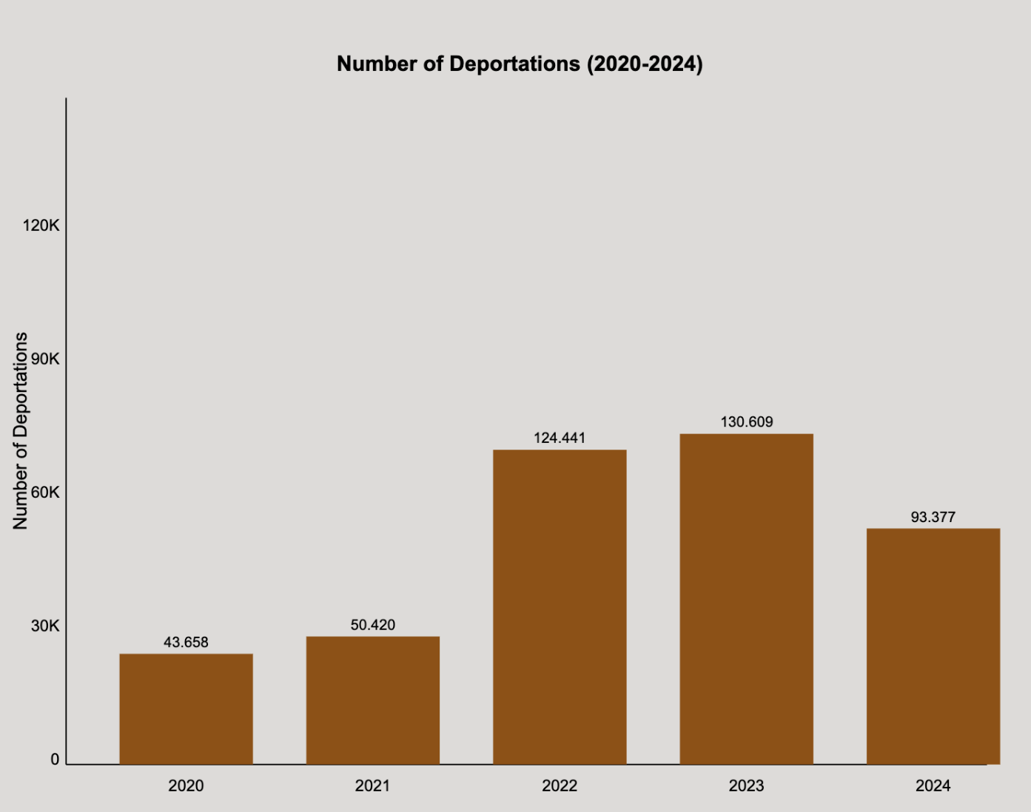
Year | Annual voluntary returns of Syrians | Number of deportations
2020 | 48046 | 43658
2021 | 55271 | 50420
2022 | 61803 | 124441
2023 | 76346 | 130609
2024 | 96537 | 93377

 | Source: AHaber, 2024, “İçişleri Bakanı Ali Yerlikaya'dan A Haber'e Özel Açıklamalar”, 26 Sep 2024, Available at: https://www.youtube.com/watch?v=vvCTLlDWJxQ (Accessed 30 Sep 2024).

