padj<0.05 UP FC>2 overview
HCT116 | RKO | A549 | H460 | HCT116 | HCT116 | HCT116 | HCT116 |  | HCT116 | HCT116 | HCT116 |  |  |  | HCT116 |  |  |  | Colon only | Lung only
padj<0.05 UP FC>2 | padj<0.05 UP FC>2 | padj<0.05 UP FC>2 | padj<0.05 UP FC>2 | RKO | RKO | RKO |  | RKO | RKO |  |  | RKO | RKO |  |  | RKO |  |  | HCT116 | A549
1114 | 1151 | 339 | 1900 | A549 | A549 |  | A549 | A549 |  | A549 |  | A549 |  | A549 |  |  | A549 |  | RKO | H460
ANGPTL4 | TP53INP1 | CA9 | PPFIA4 | H460 |  | H460 | H460 | H460 |  |  | H460 |  | H460 | H460 |  |  |  | H460
SLC2A3 | ITPR1 | SEMA5B | NDRG1 | padj<0.05 UP FC>2 | padj<0.05 UP FC>2 | padj<0.05 UP FC>2 | padj<0.05 UP FC>2 | padj<0.05 UP FC>2 | padj<0.05 UP FC>2 | padj<0.05 UP FC>2 | padj<0.05 UP FC>2 | padj<0.05 UP FC>2 | padj<0.05 UP FC>2 | padj<0.05 UP FC>2 | padj<0.05 UP FC>2 | padj<0.05 UP FC>2 | padj<0.05 UP FC>2 | padj<0.05 UP FC>2 | padj<0.05 UP FC>2 | padj<0.05 UP FC>2
NDRG1 | ALDOC | LOX | PDGFA | 76 | 12 | 171 | 48 | 18 | 100 | 17 | 312 | 24 | 160 | 37 | 378 | 590 | 107 | 1078 | 359 | 179
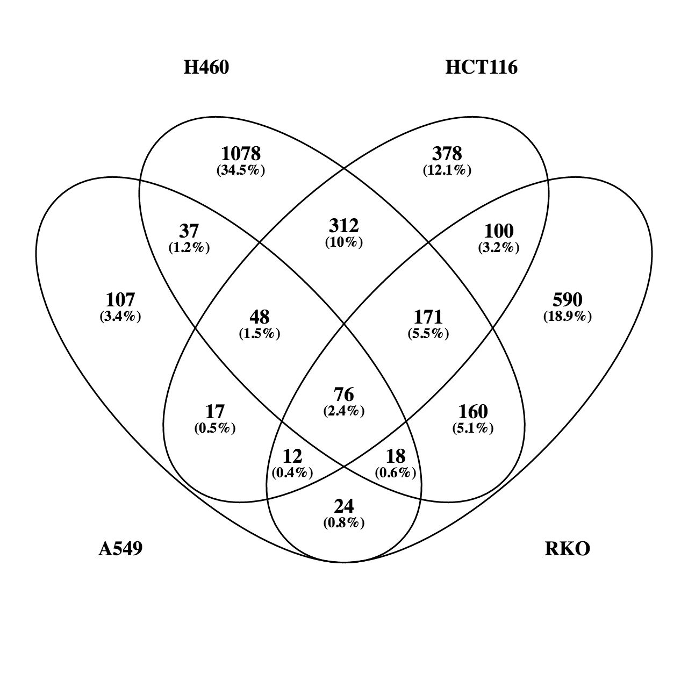
DDIT4 | PFKFB4 | NDRG1 | PPP2R5B | CA9 | MT1X | PPP2R5B | UPK1A | CP | GDF15 | CLDN9 | AKAP12 | NOTUM | NRN1 | LOX | STC2 | ITGAX | SEMA5B | DDX3Y | SLC2A3 | CA9
PFKFB4 | AHNAK2 | CRHR1 | ENO2 | NDRG1 | RAPGEF4 | PFKFB4 | PPFIA4 | LOC154761 | IRF2BP2 | GAL3ST1 | PER1 | ITPR1 | RORA | MAF | CXCR4 | ZNF841 | CRHR1 | NEFL | NDRG1 | LOX
ALDOC | P4HA1 | UPK1A | LRP1 | CCDC183 | H19 | PJA2 | ANGPTL4 | LOC399715 | FOXD1 | SYT8 | WDR45B | SEPT4 | ANKRD9 | SLAMF9 | SLC6A6 | ECM1 | LINC00051 | NXPH4 | DDIT4 | NDRG1
ENO2 | MYO15B | LINC00051 | BNIP3L | FAM115C | COL1A1 | PLXNA3 | EGLN3 | TM4SF1-AS1 | AGPAT4 | SYT12 | HELZ | DOC2GP | DOCK6 | ELANE | GJB3 | POLH | TNFAIP6 | SEC24A | PFKFB4 | UPK1A
PDGFA | KDM3A | PPFIA4 | P4HA2 | ALDOC | MYOM1 | MIR210HG | C4orf47 | C14orf182 | SLCO1B3 | CREG2 | CITED2 | MEX3B | ARHGEF6 | DNAH11 | SLC2A14 | CRABP2 | CACNA1B | CNOT8 | ALDOC | PPFIA4
BHLHE40 | CCNG2 | MT1X | PFKFB4 | LOC101928243 | SH3D21 | ANKZF1 | UPK1A-AS1 | SLC2A13 | BCL3 | CYTH4 | HERC3 | CSPG5 | ADD3 | KCNMB4 | LOC554223 | MGAT5B | HIST1H4H | AXL | ENO2 | CCDC183
P4HA1 | ERRFI1 | CCDC183 | IGFBP3 | TMEM45A | PPP1R13L | HDAC5 | NR2F2-AS1 | SLC29A4 | SPNS2 | CAMK2N1 | NFKB2 | RASD2 | ACSS2 | LOC101929690 | PROSER2 | GABARAPL2 | WISP1 | VIM | BHLHE40 | ANGPTL4
ERRFI1 | SYTL2 | TNFAIP6 | AKAP12 | HK2 | LUCAT1 | PTPRH | LINC00887 | CRIP2 | UCA1 | TINAGL1 | ITGB4 | B3GNT7 | PHF1 | LINC00957 | PRSS30P | VWA5B2 | GFRA2 | NDUFA4L2 | P4HA1 | EGLN3
GPRC5A | HK2 | CACNA1B | NRN1 | LRP1 | DMBT1 | KLHL24 | PDGFB | AMPD3 | IGFBP6 | QSOX1 | NR1D1 | RASA4 | TRPT1 | FGF11 | SLC45A3 | TXNIP | LSP1 | GOLGA2 | ERRFI1 | C4orf47
FOSL2 | IL1RAP | ANGPTL4 | SLC2A3 | RIMKLA | C6orf223 | GPRC5A | CLIC3 | BAIAP3 | KCND1 | CIB1 | HERPUD1 | PCDH1 | ZMIZ1 | WISP2 | EPHA2 | NOXA1 | B4GALNT2 | FAM168A | GPRC5A | UPK1A-AS1
KDM3A | YPEL3 | EGLN3 | ALDOC | KCTD11 | FLJ23867 | CALCOCO1 | AK4 | FIBCD1 | LRP2BP | FAT4 | GAPDH | FAM167B | ZDBF2 | IGFBP1 | CDH1 | PIK3IP1 | MYO7B | DYNLT3 | FOSL2 | FAM115C
ARRDC3 | BNIP3L | C4orf47 | PER1 | ENO2 | UNC5CL | HBP1 | KIAA1244 | CDK18 | CAV1 | PC | RELA | DMBX1 | KCTD7 | CA12 | PEAR1 | SLC22A18 | CCM2L | FAM219A | KDM3A | ALDOC
INSIG2 | RORA | UPK1A-AS1 | MEGF6 | RNASE4 |  | WDR54 | MXI1 | WIPI1 | SGK223 | LOC728392 | GPRIN3 | NAV1 | PNPLA8 | KIAA1462 | CDCP1 | MFI2 | SLC43A3 | DDX41 | ARRDC3 | MAF
BNIP3L | ENO2 | HIST1H4H | ANGPTL4 | CCNG2 |  | DNAJB2 | SERPINE1 | C17orf103 | GEM | LIMCH1 | IER3 | OPRL1 | ADSSL1 | MT2A | WNT16 | ZNF432 | HOXD9 | ZNF385A | INSIG2 | NR2F2-AS1
ADM | BHLHE40 | FAM115C | SPAG4 | SPAG4 |  | ADM | STC1 | C2orf72 | OSGIN1 | RASSF2 | KDM5B | LINC00202-1 | SYTL2 | COL5A1 | HK1 | DNM1 | TNS1 | PIAS2 | BNIP3L | LOC101928243
CA9 | BAIAP3 | ALDOC | BNIP3 | YPEL1 |  | TNFRSF10D | IGFBP3 | TNNT1 | BCAR3 | MAML2 | SEC24D | RAP1GAP | MICALL2 | PPP1R3G | FOSL1 | TMSB4X | PSORS1C3 | PPP1R3C | ADM | SLAMF9
PPP1R3B | CD274 | MAF | STC1 | P4HA1 |  | CLK3 | BNIP3 | EPOR | IRF7 | OLFML2A | ARID3A | IDH2 | TNFAIP3 | CEMIP | ZFP36L1 | NRBP2 | KIF25 | HMG20B | CA9 | TMEM45A
LOXL2 | MIR210HG | NR2F2-AS1 | KIAA1244 | F3 |  | TNIP1 | UACA | GSDMB | PRSS8 |  | SLCO4A1 | KIF12 | HLA-B | RHOU | LIF | LINC01021 | ART1 | MFSD12 | PPP1R3B | CP
GPI | PPP2R5B | WISP1 | INSIG2 | SLC2A1-AS1 |  | FAM63B | PSORS1C1 |  | SLC26A6 |  | TMF1 | LTBP4 | ABTB1 | STEAP3 | MKNK2 | SERINC2 | APOL1 | DDIT4L | HK2 | LINC00887
SERPINE1 | ITGAX | GFRA2 | ANKRD37 | GPR146 |  | PLEKHA2 | LOXL2 |  | PLCXD2 |  | WDR66 | AOX1 | HID1 | C9orf172 | AHNAK | TM4SF1 | CRLF1 | GUK1 | SEMA4B | PDGFB
HK2 | MEGF6 | RAPGEF4 | WDR45B | SLC45A1 |  | FOXN3 | PTGS1 |  | NR4A1 |  | CRKL | PVRL4 | ZMAT3 | FAM13A | CYR61 | POU5F1B | THEMIS2 | FN1 | MIR210HG | ELANE
FAT4 | LRP1 | LSP1 | PYGL | ANKRD37 |  | ELL2 | GPR160 |  | FLNB |  | RBPJ | ZCCHC24 | CSRP2 | MYO1D | ENO1 | SH2D5 | HMGN2P46 | CCSAP | FUT11 | HK2
SEMA4B | WSB1 | CLDN9 | FUT11 | PGK1 |  | EHD2 | EFNA3 |  | ALS2CL |  | PLEKHA8 | DYSF | KDELR3 | PAM | PKM | RINL | C15orf48 | IGFBP4 | HILPDA | DNAH11
MIR210HG | ZNF841 | LOC101928243 | PLOD2 | BNIP3L |  | ZBTB25 | ZNF395 |  | APOLD1 |  | YEATS2 | ATG16L2 | MIB2 | JPH2 | SMAD3 | MXD4 | ART5 | PMEPA1 | PDK1 | LRP1
FUT11 | ECM1 | NOTUM | METRNL | BAI1 |  | PPP1R3B | PRRT2 |  | PIM1 |  | CXorf40A |  | RAB5B | HEY1 | GRB7 | FAM132B | GNG4 | LAMA5 | SLC2A1 | KCNMB4
FAM110C | MFGE8 | B4GALNT2 | PJA2 | SLC2A1 |  | MAFF | NT5E |  | AGRN |  | AFF4 |  | RGL3 | HCN2 | ARTN | IQGAP3 | HOXD10 | ZBED6 | RIMKLA | LOC101929690
STC2 | PGK1 | SLAMF9 | KDM3A | EFEMP2 |  | CLK1 | TMEM158 |  | GRK5 |  | SH3PXD2A |  | FCHSD1 | PYGL | CPA4 | BTG2 | GOLGA8M | ABL1 | C4orf3 | LOC154761
ELF3 | KLHL24 | H19 | BTG1 | ACAP1 |  | ARRDC3 | PLOD2 |  | MALAT1 |  | KIAA1715 |  | MPP2 | LPCAT1 | SLC5A3 | CELSR3 | NACAD | MAGED2 | C8orf58 | LINC00957
HILPDA | RRAS | TMEM45A | TMEM74B | SEMA4B |  | RIOK3 | LDHA |  | NPC1 |  | NR4A2 |  | TRIOBP | PFKL | SLC9A7 | MLXIPL | EGOT | FOXK1 | FAM162A | RIMKLA
PDK1 | FAM115C | MYO7B | LOXL2 | PDK3 |  | BHLHE40 | PDGFA |  | MAMDC4 |  | FEM1C |  | HDAC6 | PROCA1 | PLS3 | TUBA1A | MFNG | IMPAD1 | TNFRSF10D | KCTD11
DUSP5 | FILIP1L | GAL3ST1 | SFXN3 | PDK1 |  | RNF24 | NREP |  | IFFO2 |  | RRAGD |  | CUL7 | HIST1H2BD | EDARADD | PGF | PTPRB | PPFIBP1 | ANKZF1 | CLIC3
SLC2A1 | INSIG2 | CP | PDK3 | PLIN2 |  | YPEL5 | GXYLT2 |  | KIAA1217 |  | SLC25A37 |  | TBX1 | EYA2 | SH2D3A | DGKA | MATK | YBX3 | GDF15 | ENO2
EMP1 | FOSL2 | LINC00887 | RNASE4 | SLC2A3 |  | BHLHE41 | TMEM145 |  | NAT16 |  | LGALS1 |  | MMP24-AS1 | SLC6A8 | PGK2 | PAQR6 | FAM83A | MCL1 | CCNG2 | AK4
HERC3 | CRIP2 | PDGFB | MXI1 | COX6B2 |  | NFIL3 | ITGA5 |  | IL11 |  | TBC1D9B |  | RNF215 | METRNL | ETS1 | HMOX1 | HOXD11 | KIAA0100 | MIR614 | RNASE4
RIMKLA | ANKRD37 | CCM2L | HK2 | PKD1L2 |  | KDM7A | TRIM9 |  | TMEM144 |  | SLC35E1 |  | NARF | P4HA3 | GOLGA8A | ASNS | TMEM141 | HDAC3 | IRS2 | FGF11
KIAA1244 | PPP1R3B | ELANE | PGK1 | VEGFA |  | PHF21A | SLC16A3 |  | TMEM44 |  | NPEPPS |  | RRAGA | C14orf132 | LOC100287036 | BAI2 | SYT13 | GOLGA3 | ALDOA | CCNG2
MXI1 | PDP1 | SYT8 | DDX3Y | FAM162A |  | IL1RAP | CLMN |  | HMHA1 |  | XPNPEP1 |  | HMGCS1 | CYP27C1 | NFATC2 | FKBP9 | EXOC3L2 | FAM134A | PGK1 | KIAA1244
C4orf3 | ELL2 | HK2 | PLXNA3 | ZC3H6 |  | ZNF292 | PITPNC1 |  | ADAMTS13 |  | LPIN2 |  | GPATCH2L |  | C10orf54 | SEMA6C | TSPAN2 | KCNC3 | LRP1 | SPAG4
BNIP3 | CALCOCO1 | SLC43A3 | CCNG2 | YPEL2 |  | NFATC4 | GRIN3B |  | ZBTB20 |  | KIAA1958 |  | LRRC16B |  | BTBD11 | SLC25A45 | P2RY2 | HIST1H1C | DUSP1 | WISP2
TMEM158 | KANK3 | HOXD9 | ERO1L | C4orf3 |  | WSB1 | PGM2L1 |  | MAPK15 |  | SMAP1 |  | GSN |  | ANKRD33B | ENO3 | NXNL2 | LOC100127888 | PLXNA3 | YPEL1
C8orf58 | S100A10 | TNS1 | HELZ | TMEM74B |  | CREBRF | RAB20 |  | TTLL3 |  | PRKAB2 |  | PPIL3 |  | INPP4B | LOC100128593 | ALPK3 | PIGA | GBE1 | MXI1
EGLN3 | APLP1 | PSORS1C3 | MIR210HG | ANG |  | PPP1R3E | LINC00482 |  | ALOXE3 |  | LPP |  | GABARAPL1 |  | THBS1 | ARVCF | FXYD2 | PPP1R18 | RIOK3 | P4HA1
PER1 | SLC2A1 | KIF25 | ERRFI1 | LINC01011 |  | LPIN3 | L1CAM |  | SLC4A5 |  | APAF1 |  | ANO8 |  | CRIM1 | PFKFB3 | C1QL1 | MOAP1 | PNRC1 | F3
IGFBP3 | YPEL1 | DNAH11 | ANKZF1 | JAK3 |  | DUSP1 | PLAUR |  | COL7A1 |  | NGLY1 |  | FLCN |  | EFHD2 | LOC100128076 | FOXS1 | CDKN1A | KDM4B | LOC399715
PPFIA4 | POLH | LRP1 | P4HA1 | FER1L4 |  | NCKIPSD | PDLIM2 |  | TPT1-AS1 |  | JMJD6 |  | PBXIP1 |  | INADL | HPS3 | PADI2 | TMEM263 | LAMB3 | IGFBP1
KLF4 | PLXNB3 | KCNMB4 | NEFL | P4HA2 |  | HSF4 | SLC1A1 |  | PIP5KL1 |  | MEF2D |  | CNNM2 |  | KRT80 | NICN1 | APOL2 | EHBP1L1 | RNF24 | SLC2A1-AS1
PLOD2 | PRKCG | ART1 | EFEMP2 | TLE6 |  | OPTN | SEC14L2 |  | REPS2 |  | ESYT2 |  | FSTL3 |  | EXPH5 | GJA1 | TMEM47 | RHOB | VEGFA | SERPINE1
FAM162A | CRABP2 | APOL1 | RORA | KRT15 |  | INSIG1 | LEPR |  | DNHD1 |  | HES1 |  | BBC3 |  | WNT7B | MR1 | MMP9 | ZMYM3 | IRF2BP2 | STC1
TNFRSF10D | SLC2A3 | LOC101929690 | FAM13A | MEGF6 |  | PLXNB3 |  |  | MFI2-AS1 |  | GATSL3 |  | PLAGL1 |  | PSD3 | ARRDC4 | ITGB3 | COPA | ERO1L | GPR146
ANKZF1 | WNK4 | LOC154761 | NXPH4 | PCAT6 |  | BCL6 |  |  | AMT |  | CCNI |  | HPCAL4 |  | GADD45B | YJEFN3 | B3GALT4 | PTPRF | MAFF | SLC45A1
GDF15 | NEU1 | LINC00957 | CITED2 | TBC1D8B |  | PRSS53 |  |  | UCN |  | BRSK1 |  | ARID5A |  | NBR1 | SGSM1 | DAPK1 | TENM1 | KRT15 | ANKRD37
CCNG2 | STRC | CRLF1 | PAM | GBE1 |  | DDIT4 |  |  | SLCO1B7 |  | ANKRD12 |  | MSMO1 |  | RUNX1 | RNF213 | CYS1 | ARHGEF10 | SH3D21 | PGK1
MIR614 | FOXD1 | RIMKLA | HERC3 | ERRFI1 |  | PNRC1 |  |  | FAM46B |  | VKORC1 |  | CNTNAP1 |  | RBMS2 | ROBO3 | PODXL | PRRC1 | PRSS53 | IGFBP3
IRS2 | MGAT5B | THEMIS2 | ZNF395 | C8orf58 |  | GNRH1 |  |  | CTGF |  | MNT |  | MEIS3 |  | DHRS3 | KIAA1324 | IL17RD | UGP2 | TMEM45A | CA12
ALDOA | PKD1L2 | HMGN2P46 | HDAC5 | ZNF467 |  | HMGCL |  |  | SESN3 |  | RAB11FIP5 |  | MFGE8 |  | NEK6 | EVI5L | MYOM3 | VLDLR | EFEMP2 | KIAA1462
PGK1 | STARD4 | KCTD11 | PTPRH | TMEM91 |  | ARHGEF37 |  |  | TRPC1 |  | TSC22D3 |  | CYTH2 |  | LAMC2 | MVD | MUC3A | SIK1 | TGFA | MT2A
LRP1 | P4HA2 | ITPR1 | NFKB2 | IGIP |  | MIR614 |  |  | ACTA2 |  | SEMA3B |  | PHLDB2 |  | SEMA7A | FDXR | PPARD | TPI1 | SERTAD2 | BNIP3L
DUSP1 | NRP1 | C15orf48 | SEC24A | ADAMTSL4 |  | STARD4 |  |  | NRP1 |  | HIVEP2 |  | SLC25A29 |  | PRDM10 | FAM131B | F2 | TBC1D20 | SLC45A1 | BNIP3
PLXNA3 | GABARAPL2 | ART5 | KLHL24 | SNX33 |  | EPAS1 |  |  | MYO15A |  | RNMT |  | OBSCN |  | CGN | DNAJB5 | MMP2 | ACBD3 | SFXN3 | BAI1
GBE1 | VWA5B2 | CLIC3 | ITGB4 | FUT11 |  | GPR155 |  |  | KRTAP2-3 |  | VGLL4 |  | C9orf72 |  | ID1 | PIDD1 | SH3BP2 | FSCN1 | EGLN1 | SLC2A1
ZFP36 | EFEMP2 | ENO2 | MTMR11 | KDM3A |  | EGLN1 |  |  | DENND6B |  | BRWD3 |  | CALD1 |  | OSMR | TSC22D2 | TENM2 | CRYBG3 | WDR54 | EFEMP2
CXCR4 | SEMA4B | AK4 | NR1D1 | CAPN12 |  | SMAD9 |  |  | MSS51 |  | AVPI1 |  | TRIM5 |  | FHL2 | C1RL | SPOCK1 | PTGS2 | FOXD1 | ACAP1
RIOK3 | GPRC5A | GNG4 | GPRC5A | CRELD1 |  | S100A10 |  |  | SCARF1 |  | GYS1 |  | VPS37D |  | GALNT5 | TP53I11 | RRAD | INHA | ZNF292 | TM4SF1-AS1
PNRC1 | DDB2 | HOXD10 | CNOT8 | MTMR11 |  | ZNF160 |  |  | SPOCD1 |  | BCKDHA |  | SEZ6L2 |  | CLDN4 | MXD3 | SPON2 | CSNK1E | FLJ23867 | C14orf182
KDM4B | TLE6 | RNASE4 | HERPUD1 | IRS2 |  | YPEL3 |  |  | BNIPL |  | CREB3L2 |  | TUBB3 |  | LOC100130331 | HCN3 | ARRB1 | RCOR1 | IL1RAP | SEMA4B
LAMB3 | RIMKLA | FGF11 | CALCOCO1 | ERO1L |  | SDC4 |  |  | UNC13D |  | YOD1 |  | ABCA5 |  | SIPA1L3 | ESAM | PDZK1IP1 | MMP17 | PPP1R13L | COL5A1
RNF24 | ADAMTSL4 | GOLGA8M | AXL | BTG1 |  | ZFYVE1 |  |  | CDKN2B |  | AFAP1L1 |  | ABCA7 |  | VEZF1 | LOC100131564 | COL6A3 | SMTN | KCTD11 | PDK3
VEGFA | TXNIP | NACAD | GAPDH | INSIG2 |  | SAT1 |  |  | ERICH2 |  | WASF2 |  | SLC17A5 |  | DNMBP | ADAM11 | MDK | ZBTB1 | SDC4 | PDK1
IRF2BP2 | NOXA1 | CCNG2 | HBP1 | LINC00263 |  | FOSL2 |  |  | NLRP1 |  | RALGAPA2 |  | KCNN4 |  | LOC283070 | SLC25A27 | PORCN | PTTG1IP | MEGF6 | PPP1R3G
UPK1A-AS1 | PIK3IP1 | SEPT4 | RELA | FANK1 |  | SLC27A1 |  |  | MAP2 |  | WDR60 |  | KANSL1L |  | LOC644961 | TRPM4 | LOC100506801 | CLASP1 | SNX33 | CEMIP
ERO1L | SLC22A18 | KIAA1244 | GPRIN3 | KDM4B |  | DFNB31 |  |  | WNK4 |  | FAM210A |  | LINC00894 |  | KHNYN | PLEKHM1 | KLB | PAEP | SPAG4 | PLIN2
MAFF | IDH2 | SPAG4 | JPH2 | FAM214B |  | TP53INP2 |  |  | CD72 |  | KLF4 |  | CD274 |  | GPR126 | DIP2A | PADI3 | CLN8 | PTPRH | UACA
GLRX | PNRC1 | COL1A1 | IER3 | GOLGA7B |  | NBEAL1 |  |  | SBF2-AS1 |  | NOL3 |  | HHAT |  | RFX3 | P2RX4 | SERPINB9 | TNFRSF19 | TNIP1 | SLC2A3
SPRY1 | GSN | WISP2 | VIM | TCP11L2 |  | MTHFR |  |  | PLXDC1 |  | RYBP |  | RHBDF1 |  | FGD6 | ULBP1 | RTN4R | N4BP3 | AGPAT4 | COX6B2
KRT15 | JUND | YPEL1 | WDR54 | ORAI3 |  | LAMB3 |  |  | SGK2 |  | CEP250 |  | HS1BP3 |  | CMIP | SMPD1 | LINC00312 | KAT6B | EHD2 | RHOU
SH3D21 | FER1L4 | MXI1 | PLAUR | SFXN3 |  | ATP8B3 |  |  | NPHP3-ACAD11 |  | LOC440434 |  | FGFR1 |  | UPRT | LOC115110 | TRABD2B | FOXP4 | P4HA2 | PSORS1C1
PRSS53 | HBP1 | EGOT | C4orf3 |  |  | RRAS |  |  | ASIC3 |  | ZFP36 |  | ABCA1 |  | TMC8 | GATS | HRASLS5 | SEC61A1 | F3 | LOXL2
HIVEP2 | NFIL3 | P4HA1 | DNAJB2 |  |  | DENND3 |  |  | LAT2 |  | SIDT2 |  | JUND |  | ZBTB10 | NEURL1B | LRRC3 | UBE2O | MTMR11 | PKD1L2
TMEM45A | PRSS8 | MFNG | KDM5B |  |  | MLLT3 |  |  | HKDC1 |  | NR2F1 |  | TTBK2 |  | MYEOV | MROH6 | VASN | LZTS2 | ATXN1 | VEGFA
EFEMP2 | FLNB | F3 | ADM |  |  | ALDOA |  |  | DNAH6 |  | PRKAA2 |  | ARID5B |  | PTPN14 | BTBD19 | LINC01116 | IPMK | PPP2R5B | STEAP3
TGFA | IL11 | LOC399715 | SEC24D |  |  | RBM44 |  |  | AK7 |  | SMAP2 |  | DDB2 |  | PITPNM2 | CTSV | FAM20C | MTMR3 | RNASE4 | C9orf172
HPCAL1 | ADAMTS13 | PTPRB | TCP11L2 |  |  | PAN2 |  |  | TTLL13 |  | SNAPC3 |  | ATP2B4 |  | SLC17A9 | AMY2B | CREB3L1 | LYSMD3 | C11orf35 | FAM162A
GAPDH | SLCO1B3 | IGFBP1 | TNFRSF10D |  |  | CSRNP1 |  |  | NPHS1 |  | IDS |  | SMIM14 |  | MID2 | TSPYL2 | LFNG | ARFGAP3 | FAM63B | ZC3H6
SERTAD2 | ABCA7 | MYOM1 | ARID3A |  |  | RLF |  |  | GALNT3 |  | GPI |  | PLA2G6 |  | AHDC1 | CDKN2C | MDGA1 | CHD1L | CSRNP1 | YPEL2
SLC6A6 | CP | MATK | NDUFA4L2 |  |  | PGPEP1 |  |  | KIF17 |  | AGAP1 |  | PDZD7 |  | HAS3 | SH3RF2 | ZNF114 | UBA6 | PGPEP1 | C4orf3
NR2F1 | ADM | FAM83A | AK4 |  |  | ISG20 |  |  | LURAP1L |  | MAFK |  | PLCD1 |  | TLE3 | TNFRSF14 | RPL13AP20 | ARL5B | SAT1 | PTGS1
PDGFB | MIB2 | SLC2A1-AS1 | SLCO4A1 |  |  | DDIT3 |  |  | ADAM8 |  | PPL |  | CREB5 |  | ZNF217 | IDI1 | SEC14L4 | ZBTB43 | PDK3 | TMEM74B
TSC22D3 | GIPR | HOXD11 | TMF1 |  |  | PTK6 |  |  | RAPGEF3 |  | NCOR2 |  | SPTB |  | LOC284454 | STXBP1 | SNCG | RALGDS | SLCO1B3 | ANG
SLC45A1 | ZNF160 | TMEM141 | TMEM45A |  |  | NR4A3 |  |  | LOC101926975 |  | SAMD4A |  | RAB3A |  | THSD4 | PLXNB2 | SORCS2 | NEDD4L | BCL3 | FAM13A
MOB3A | SPAG4 | SERPINE1 | GOLGA2 |  |  | PAG1 |  |  | FGF17 |  | KLC4 |  | ING4 |  | RND3 | RAB3B | NKAIN4 | ARMCX3 | ATF3 | GPR160
SFXN3 | MFI2 | STC1 | WDR66 |  |  | LAMB2 |  |  | PELI2 |  | KIAA1432 |  | PINK1 |  | ST3GAL1 | AOC3 | HYAL3 | RASSF8 | ANKRD37 | MYO1D
CLMN | ARRDC3 | GPR146 | CRKL |  |  | SERTAD2 |  |  | LOC100507053 |  | COL4A3 |  | SYNGR3 |  | TRIO | C6orf1 | FAM89B | GMPPA | SPNS2 | LINC01011
GJB3 | KIAA1217 | SLC45A1 | FIBCD1 |  |  | MUC1 |  |  | AHNAK2 |  | LMAN1 |  | TOM1L2 |  | H6PD | SNCAIP | LOC101928710 | EFNA1 | TCP11L2 | SLC2A13
EGLN1 | SLC45A1 | ANKRD37 | FAM168A |  |  | ATXN1 |  |  | CGB7 |  | ANO6 |  | APLP1 |  | CHST15 | TMEM194A | LINC00704 | SUCO | EPAS1 | PAM
WDR54 | ALS2CL | PGK1 | CLK3 |  |  | MPI |  |  | ENTPD8 |  | KRT19 |  | NEU1 |  | JUP | MAPK11 | PAQR8 | ACAP3 | BTG1 | EFNA3
RARA | ZNF432 | IGFBP3 | SEMA4B |  |  | TMSB10 |  |  | TBC1D26 |  | HLA-E |  | TSPAN31 |  | RHPN2 | KLF11 | ZNF185 | ARNT | WSB1 | SLC29A4
CD68 | BMF | CA12 | TNIP1 |  |  | COL13A1 |  |  | BMF |  | MST1 |  | OTUD1 |  | USP49 | LINC01164 | LOC100129034 | EVL | CLK3 | ZNF395
FOXD1 | ATP2B4 | DOC2GP | RBPJ |  |  | CECR2 |  |  | ACRBP |  | RREB1 |  | DDAH2 |  | ATG12 | CBX5 | C16orf74 | OXSR1 | UCA1 | PRRT2
ZNF292 | DNM1 | SH3D21 | DYNLT3 |  |  | BIRC3 |  |  | ACHE |  | KCNQ1OT1 |  | CACNB3 |  | TMTC2 | NXN | MBOAT2 | RLIM | LAMB2 | JAK3
QSOX1 | OSGIN1 | KIAA1462 | FAM63B |  |  | SAP30 |  |  | NTF4 |  | RBM15 |  | LZTS3 |  | GRIN2D | MAST4 | TGFB1 | AZI2 | LPIN3 | FER1L4
FLJ23867 | EPS8L2 | MT2A | PLEKHA2 |  |  | POLD4 |  |  |  |  | PRKCA |  | TTC21A |  | RNF169 | PLD3 | CORO2A | NAB2 | ZNF160 | NT5E
PTCH1 | LOC154761 | BNIP3L | PLEKHA8 |  |  | PCOLCE-AS1 |  |  |  |  | C7orf60 |  | CDKN2D |  | TMC4 | TMEM107 | OPN3 | DGKD | DDIT3 | P4HA2
IL1RAP | TMSB4X | BNIP3 | YEATS2 |  |  | THBS3 |  |  |  |  | KIAA0430 |  | LOC401320 |  | MPZL2 | SLC4A9 | ABCA2 | MTR | KLHL24 | TLE6
FAM160A1 | PDK1 | BAI1 | WISP2 |  |  | PCSK4 |  |  |  |  | DPCD |  | SLC25A42 |  | TMEM184A | USP11 | KCNMA1 | SNAI2 | LUCAT1 | TMEM158
MBNL2 | KDM7A | SLC2A1 | CXorf40A |  |  | TRIQK |  |  |  |  | RARA |  | EPS8L2 |  | LTK | LRP10 | ABLIM3 | LINC00657 | FAM13A-AS1 | PLOD2
FEM1C | ANKZF1 | EFEMP2 | FOXN3 |  |  | ZNF460 |  |  |  |  | MXD1 |  | NUDT13 |  | ALPK1 | ACE | CDH4 | HLA-L | RSPH3 | JPH2
SLC2A14 | DNHD1 | ACAP1 | FAM219A |  |  | RNF122 |  |  |  |  | TIPARP |  | TMEM8B |  | RHBDL1 | AMN1 | ATP1B1 | LIX1L | PHF21A | KRT15
PPP1R13L | CALD1 | MEX3B | GBE1 |  |  | ZNF654 |  |  |  |  | CDKN1B |  | PDP1 |  | CPB2 | CEL |  | SNTA1 | ZBTB25 | MEGF6
KCTD11 | TMSB10 | TM4SF1-AS1 | ELL2 |  |  | FBXL8 |  |  |  |  | PRTN3 |  | OSBPL7 |  | ELL | MARCH2 |  | DUSP3 | IGFBP6 | LDHA
LOC554223 | PGPEP1 | C14orf182 | DDX41 |  |  | SEC31B |  |  |  |  | HPCAL1 |  | CAPN5 |  | MCC | CPZ |  | PGM3 | KCND1 | PCAT6
SDC4 | GPR155 | SEMA4B | EHD2 |  |  | KLF9 |  |  |  |  | ASAP2 |  | SHC2 |  | PDLIM1 | SNED1 |  | MAP3K2 | NFIL3 | HEY1
MEGF6 | MSMO1 | COL5A1 | ZNF385A |  |  | HILPDA |  |  |  |  | DLG4 |  | PRKCG |  | SERPINA1 | KLF5 |  | ELMSAN1 | PAG1 | PDGFA
SNX33 | NRBP2 | CSPG5 | ZBTB25 |  |  | HIF1A-AS2 |  |  |  |  | SOX9 |  | MIR210 |  | SBNO1 | CLIP2 |  | DNAJB9 | ACAP1 | NREP
SPAG4 | PTH1R | SYT12 | PPP1R3B |  |  | TP53INP1 |  |  |  |  | ACTG1 |  | CACNA1H |  | LGALS8 | BEST3 |  | SPTBN1 | LRP2BP | TBC1D8B
PTPRH | IGFBP6 | PDK3 | PIAS2 |  |  | C19orf83 |  |  |  |  | PFKP |  | FAM171A2 |  | MAP3K8 | CATSPER1 |  | SMS | TMEM74B | GXYLT2
TNIP1 | LINC01021 | CREG2 | AFF4 |  |  | QPCTL |  |  |  |  | CXCL8 |  | SESN1 |  | NIPAL3 | RAB26 |  | PHF3 | CAV1 | GBE1
PROSER2 | ORAI3 | PDK1 | PITPNC1 |  |  | TNXB |  |  |  |  | DHRS13 |  | CCDC80 |  | GJA3 | ZBTB38 |  | IGBP1 | SGK223 | TMEM145
NGLY1 | SERINC2 | SYT13 | SERPINE1 |  |  | ZSWIM4 |  |  |  |  | BBX |  | PTH1R |  | PKD1 | PNPLA3 |  | LRRC58 | LINC01011 | ERRFI1
HES1 | TM4SF1 | EXOC3L2 | PPP1R3C |  |  | FAM115D |  |  |  |  | HCFC1R1 |  | CBX7 |  | CD164L2 | MAN2B2 |  | SEC23A | DENND3 | CRIP2
PRSS30P | DUSP1 | PPP1R3G | HCN2 |  |  | C11orf35 |  |  |  |  | FNBP1 |  | STRC |  | UNC5B-AS1 | ACSF2 |  | ISM2 | COL13A1 | C8orf58
SLC45A3 | KCTD11 | RASD2 | SH3PXD2A |  |  | RSPH3 |  |  |  |  | SYVN1 |  | KCNIP2 |  | PRAM1 | LINC00963 |  | CXorf40B | STARD4 | ITGA5
AGPAT4 | TMEM45A | CEMIP | KIAA1715 |  |  | PCSK5 |  |  |  |  | MFSD10 |  | YPEL4 |  | PGAM1 | RRM2B |  | TPD52 | KLF9 | ZNF467
LDHA | LOC401320 | PLIN2 | LINC00887 |  |  | MYO15B |  |  |  |  | CDK19 |  | SYT11 |  | PPP1R12B | INPP5D |  | FLJ46906 | HBP1 | TMEM91
HELZ | DNAJB2 | TSPAN2 | MAFF |  |  | TGFA |  |  |  |  | KIAA1467 |  | PPM1N |  | ZXDB | KNDC1 |  | CRYBB2P1 | HSF4 | TRIM9
EDEM1 | GEM | UACA | EFNA3 |  |  | GIPR |  |  |  |  | FOXO3 |  | PDE4C |  | SOCS3 | ZNF614 |  | CNOT2 | GEM | SLC16A3
SLC25A37 | CSRP2 | P2RY2 | CLK1 |  |  | ANKRA2 |  |  |  |  | ZNF558 |  | THAP8 |  | PRKAG2 | SNAPC1 |  | SPICE1 | YPEL5 | IGIP
EHD2 | LUCAT1 | NXNL2 | NR4A2 |  |  | FA2H |  |  |  |  | ZNF264 |  | ISYNA1 |  | ANO9 | DZIP3 |  | PPME1 | CDKN1C | HCN2
PFKP | POU5F1B | SLC2A3 | ARRDC3 |  |  | TNFRSF25 |  |  |  |  | KDM6B |  | RPS10P7 |  | PRX | MICAL1 |  | LRRFIP1 | NCKIPSD | CLMN
EPHA2 | MEIS3 | ALPK3 | HMG20B |  |  | PRDM1 |  |  |  |  | LMBR1L |  | F2R |  | RC3H1 | GADD45A |  | PPP1R15A | PAN2 | ADAMTSL4
WASF2 | DENND3 | COX6B2 | MFSD12 |  |  | ATF3 |  |  |  |  | MBNL2 |  | MERTK |  | CNOT6L | GAS6 |  | ARAP1 | OSGIN1 | SNX33
MXD1 | LDHD | B3GNT7 | RIOK3 |  |  | GDPD5 |  |  |  |  | INHBA |  | CAND1.11 |  | MEF2C | TLCD2 |  | SAMD8 | UBALD2 | FUT11
P4HA2 | LPIN3 | RHOU | FER1L4 |  |  | LOC100507459 |  |  |  |  | SEC14L5 |  | LOC401052 |  | DENND1A | SLC44A2 |  | COPB1 | TLE6 | PYGL
F3 | COL13A1 | PSORS1C1 | DDIT4L |  |  | UBALD2 |  |  |  |  | KIAA0895L |  | FAM46C |  | PAPSS2 | DISP2 |  | SDK1 | RLF | PITPNC1
RBPJ | KDELR3 | FXYD2 | GUK1 |  |  | FBXL20 |  |  |  |  | LIFR |  | PNPLA7 |  | ADAMTS16 | ITFG3 |  | CCDC107 | C6orf223 | GRIN3B
BCKDHA | SH2D5 | LOXL2 | FN1 |  |  | TLDC1 |  |  |  |  | FAM117B |  | MIR3191 |  | HSPG2 | TMOD1 |  | FAM114A1 | TMSB10 | KDM3A
SH3PXD2A | SNX33 | CYTH4 | CCSAP |  |  | LDHD |  |  |  |  | TBC1D8 |  | CPNE5 |  | RUNDC3B | ABHD4 |  | ZSWIM8 | PLEKHA2 | CAPN12
MTMR11 | C4orf3 | PKD1L2 | ANKRD9 |  |  | PAIP2B |  |  |  |  | FAM214A |  | CCDC151 |  | ZFYVE28 | MMP14 |  | SH3BGRL3 | ATP8B3 | CRELD1
ATXN1 | GDPD5 | C1QL1 | FEM1C |  |  | SLC17A7 |  |  |  |  | RICTOR |  | HSD17B14 |  | MTRNR2L6 | LOC100506860 |  | MN1 | YPEL2 | MTMR11
EFNA3 | HIF1A-AS2 | VEGFA | RRAGD |  |  | NYAP1 |  |  |  |  | HMBOX1 |  | C2orf81 |  | STX1A | SCNN1D |  | EMD | CAPN12 | PGM2L1
CDH1 | SESN1 | FOXS1 | IGFBP4 |  |  | KANK3 |  |  |  |  | IL6R |  | KIAA0754 |  | VWA7 | RBCK1 |  | PTPRN | BCAR3 | IRS2
PPP2R5B | RINL | STEAP3 | PMEPA1 |  |  | CCDC114 |  |  |  |  | CHD2 |  | FAM110A |  | MMRN2 | CSMD3 |  | SIRT2 | IRF7 | AMPD3
PEAR1 | ALDOA | C9orf172 | SLC25A37 |  |  | SLC2A12 |  |  |  |  | ABCB6 |  | CCDC147 |  | OLFM2 | VWA5A |  | RAB6A | ELL2 | BAIAP3
CDA | CAPN5 | RASA4 | LAMA5 |  |  | PLAG1 |  |  |  |  | CHD3 |  | LHPP |  | IFT140 | ADAMTS6 |  | GPC6 | MAST1 | FIBCD1
CDCP1 | SESN3 | FAM162A | ZBED6 |  |  | PPP1R32 |  |  |  |  | ITGA6 |  | ITGA7 |  | NF1 | HERC2P3 |  | RASA3 | LINC00263 | ERO1L
NR1D1 | MXD4 | ZC3H6 | LGALS1 |  |  | DRD4 |  |  |  |  | FBXO42 |  | TMEM63C |  | ATG9B | DNASE1L1 |  | SPAG9 | SLC2A12 | RAB20
ZNF395 | CAV1 | YPEL2 | DOCK6 |  |  | ODF3B |  |  |  |  | TANC2 |  | MIR635 |  | ATXN7L1 | LOC100506123 |  | CRYAB | KDM7A | CDK18
MYADM | AMT | PADI2 | ABL1 |  |  | PTPRR |  |  |  |  | SERINC3 |  | FAM122C |  | MUC12 | ARSA |  | CABIN1 | PKD1L2 | LINC00482
WNT16 | ACSS2 | C4orf3 | ADAMTSL4 |  |  | NGEF |  |  |  |  | ZC3HAV1L |  | LOC254896 |  | BSPRY | FCGRT |  | TET2 | GPR146 | BTG1
DBP | FAM132B | PTGS1 | BHLHE40 |  |  | CACTIN-AS1 |  |  |  |  | EDEM1 |  | GPR162 |  | OTUB2 | RDM1 |  | LIMD1 | PRSS8 | LPCAT1
KDM5B | TNFRSF10D | APOL2 | RNF24 |  |  | LOC100507501 |  |  |  |  | PER2 |  | SMAD7 |  | LINC00938 | SLC27A3 |  | TMEM214 | NFATC4 | WIPI1
HK1 | ALOXE3 | CAMK2N1 | ARHGEF6 |  |  | RNF112 |  |  |  |  | CD109 |  | TMEM191C |  | OXSM | DMPK |  | TNRC6C | C19orf83 | L1CAM
FOSL1 | IQGAP3 | TMEM74B | TBC1D9B |  |  | GOLGA8N |  |  |  |  | MAP3K15 |  | FILIP1L |  | MPP5 | FYN |  | DENND4B | CALCOCO1 | INSIG2
ASAP2 | ACHE | ANG | MAGED2 |  |  | HLA-F-AS1 |  |  |  |  | FAM160A1 |  | VIM-AS1 |  | ELMO3 | TTN |  | VDAC2 | SLC26A6 | PFKL
SLCO4A1 | BTG2 | FAM13A | FOXK1 |  |  | GDPD3 |  |  |  |  | FOSB |  | TMEM191B |  | DUSP5P1 | SPC24 |  | DUSP4 | BIRC3 | PLAUR
TMEM145 | CELSR3 | GPR160 | IMPAD1 |  |  | ICAM1 |  |  |  |  | CDA |  | PDE2A |  | MIR492 | LOC100268168 |  | BCKDK | ANKRA2 | LINC00263
RNASE4 | YPEL5 | MYO1D | PPFIBP1 |  |  | CLIP3 |  |  |  |  | KLF6 |  | SPAG5-AS1 |  | ZSWIM5 | APOBEC3D |  | UHMK1 | FAM214B | PROCA1
ZFP36L1 | ITGA7 | TMEM47 | YPEL5 |  |  | RAC2 |  |  |  |  | FAM110C |  | ZNF836 |  | RIN1 | TRAF5 |  | TEF | ZC3H6 | FANK1
C11orf35 | MLXIPL | PCDH1 | ADD3 |  |  | TBX6 |  |  |  |  | PLOD1 |  | NOS1AP |  | NR3C1 | SLC37A2 |  | UNC119 | HDAC5 | C17orf103
LIF | SH3D21 | LINC01011 | YBX3 |  |  | GAD1 |  |  |  |  | DBP |  | CPT1C |  | AGPAT4-IT1 | EFR3B |  | DOT1L | NBEAL1 | HIST1H2BD
LGALS1 | YPEL2 | MMP9 | SLC35E1 |  |  | LMTK3 |  |  |  |  | SERPINB1 |  | LCN12 |  | KIAA0040 | FAM131A |  | FADS3 | PLCXD2 | KDM4B
FAM63B | ZFYVE1 | SLC2A13 | NPEPPS |  |  | LINC00663 |  |  |  |  | SPRY1 |  |  |  | KIAA1324L | IDUA |  | ALKBH5 | RAPGEF4 | EYA2
MKNK2 | NPC1 | PAM | MCL1 |  |  | FAM13A-AS1 |  |  |  |  | GLRX |  |  |  | TFAP2C | SLC16A5 |  | ZCCHC6 | GIPR | FAM214B
CSRNP1 | COL7A1 | ITGB3 | XPNPEP1 |  |  | MAST1 |  |  |  |  | KCMF1 |  |  |  | EFHC1 | APOBEC3F |  | ZNF581 | S100A10 | C2orf72
HLA-E | PIM1 | FAM167B | LPIN2 |  |  | MIR637 |  |  |  |  | SCAPER |  |  |  | SEMA6A | SLC12A4 |  | PNISR | POLD4 | SLC6A8
PGPEP1 | CDKN2B | B3GALT4 | KIAA0100 |  |  | TESK2 |  |  |  |  | OSBPL10 |  |  |  | EPS8L1 | ULBP2 |  | GPRC5C | HMGCL | PDLIM2
C4orf47 | TUBA1A | EFNA3 | BHLHE41 |  |  | ZNF699 |  |  |  |  | DPYSL4 |  |  |  | FAM216A | DACT3 |  | EPHA4 | NR4A1 | GOLGA7B
AHNAK | PGF | DAPK1 | HDAC3 |  |  | LINC01273 |  |  |  |  | RAB40C |  |  |  | PRSS22 | MYRF |  | RABGEF1 | FBXL8 | SLC1A1
CYR61 | TNXB | CYS1 | ACSS2 |  |  | TINCR |  |  |  |  | PGM1 |  |  |  | ABCC3 | ZNF441 |  | ARHGAP5 | COL1A1 | METRNL
NR4A2 | BCL6 | SLC29A4 | GOLGA3 |  |  | CTF1 |  |  |  |  | MYADM |  |  |  | LAMA3 | ZNF611 |  | PDXDC1 | FLNB | TCP11L2
SAT1 | EPOR | DMBX1 | FAM134A |  |  | FOXH1 |  |  |  |  | NHS |  |  |  | LOXL4 | ACER2 |  | EIF4B | CREBRF | P4HA3
ENO1 | PDK3 | PODXL | PHF1 |  |  | CDKN1C |  |  |  |  | MBD5 |  |  |  | KIAA1045 | LINC01125 |  | HOOK2 | CECR2 | C14orf132
AK4 | DGKA | ZNF395 | KIAA1958 |  |  |  |  |  |  |  | CTIF |  |  |  | TGIF2 | ZNF616 |  | USP37 | RAC2 | ORAI3
PKM | PAQR6 | PRRT2 | SMAP1 |  |  |  |  |  |  |  | SYDE1 |  |  |  | LINC00341 | ASAP3 |  | KMT2C | ALS2CL | SEC14L2
PDK3 | CDK18 | IL17RD | PLIN2 |  |  |  |  |  |  |  | EMP1 |  |  |  | DOCK3 | CASC8 |  | MAP7 | CCDC114 | TNNT1
SMAD3 | PPP1R3E | JAK3 | PRKAB2 |  |  |  |  |  |  |  | NOG |  |  |  | LINC00152 | SYNC |  | AFAP1 | HLA-F-AS1 | EPOR
SLCO1B3 | HMOX1 | FER1L4 | NFIL3 |  |  |  |  |  |  |  | NPTN-IT1 |  |  |  | PDCD4 | TMEM87B |  | FKBP10 | GAD1 | CYP27C1
RNMT | LTBP4 | NT5E | CA12 |  |  |  |  |  |  |  | KLF7 |  |  |  | TNFRSF11A | GRIN2C |  | COG7 | BCL6 | LEPR
PDLIM2 | PIP5KL1 | MYOM3 | LPP |  |  |  |  |  |  |  | PLEKHG5 |  |  |  | FRMD4A | MYBL1 |  | GDI1 | RNF122 | SFXN3
GRB7 | ATF3 | PPP1R13L | APAF1 |  |  |  |  |  |  |  | NAT6 |  |  |  | NEIL1 | RGS11 |  | PIAS3 | APOLD1 | GSDMB
BCL3 | PAN2 | P4HA2 | NGLY1 |  |  |  |  |  |  |  | PPP4R1L |  |  |  | LINC00511 | CCBL1 |  | RAP2B | PIM1
ATF3 | OPRL1 | MUC3A | TRPT1 |  |  |  |  |  |  |  | MBD6 |  |  |  | CBLB | CRHR1-IT1 |  | SCD | OPTN
ANKRD37 | RNF24 | PPARD | KDM7A |  |  |  |  |  |  |  | RIPK4 |  |  |  | STOX2 | GPR137C |  | PLEKHA1 | LMTK3
NPEPPS | F3 | TLE6 | JMJD6 |  |  |  |  |  |  |  | FLJ44511 |  |  |  | CTSK | CKAP2L |  | SEC14L1 | AGRN
ARTN | PJA2 | NAV1 | KCNC3 |  |  |  |  |  |  |  | EGFR |  |  |  | DEGS2 | TMEM175 |  | EEF2 | JAK3
SPNS2 | ABTB1 | TMEM158 | MEF2D |  |  |  |  |  |  |  | PAQR5 |  |  |  | PRRG1 | ZNF404 |  | TBC1D23 | TLDC1
CPA4 | MT1X | PLOD2 | PHF21A |  |  |  |  |  |  |  | JUNB |  |  |  | GJB4 | TEP1 |  | MAP3K9 | SAP30
TCP11L2 | ASNS | F2 | ESYT2 |  |  |  |  |  |  |  | CAPRIN2 |  |  |  | IL17RE | EFCAB12 |  | TMEM39A | NYAP1
PLOD1 | LAMB2 | JPH2 | IL1RAP |  |  |  |  |  |  |  | REL |  |  |  | KRT32 | GRAMD1C |  | ARFGAP1 | GRK5
EPAS1 | LZTS3 | LUCAT1 | HIST1H1C |  |  |  |  |  |  |  | LDLR |  |  |  | PANX2 | AOC2 |  | ARHGEF7 | SEC31B
SHB | PCDH1 | KRT15 | C2orf72 |  |  |  |  |  |  |  | ZBTB5 |  |  |  | TPI1P3 | NOL4L |  | BACH1 | PJA2
SLC5A3 | BAI2 | MEGF6 | LOC100127888 |  |  |  |  |  |  |  | COL4A4 |  |  |  | SLC9A5 | KIF3C |  | PCID2 | MALAT1
BTG1 | PTK6 | MMP2 | PIGA |  |  |  |  |  |  |  | NOTCH3 |  |  |  | MGAM | HR |  | NPTX1 | TNXB
NFKB2 | FKBP9 | LDHA | C4orf47 |  |  |  |  |  |  |  | ZNF608 |  |  |  | GUCY2D | JDP2 |  | ZC3H11A | BAI1
RREB1 | SEMA6C | PCAT6 | PPP1R18 |  |  |  |  |  |  |  | TET1 |  |  |  | COL11A2 | ARHGEF40 |  | WBP2 | TP53INP2
WSB1 | SLC25A45 | SH3BP2 | HES1 |  |  |  |  |  |  |  | RSBN1 |  |  |  | TC2N | PHYH |  | PTP4A1 | NPC1
SLC9A7 | ENO3 | DMBT1 | MOAP1 |  |  |  |  |  |  |  | PDK4 |  |  |  | CORIN | SPPL2B |  | POFUT2 | PCSK4
CLK3 | SCARF1 | OPRL1 | ZNF292 |  |  |  |  |  |  |  | TBC1D22A |  |  |  | LIPH | LOC100129722 |  | CASC3 | MPI
UCA1 | CREBRF | HEY1 | CDKN1A |  |  |  |  |  |  |  | STBD1 |  |  |  | EFNA5 | TJP2 |  | WDFY2 | FOXN3
PLAUR | LOC100128593 | PDGFA | TMEM263 |  |  |  |  |  |  |  | GLIS2 |  |  |  | RNASE1 | FER1L5 |  | RASSF1 | FA2H
PLS3 | IFFO2 | TENM2 | EHBP1L1 |  |  |  |  |  |  |  | PNMA2 |  |  |  | PTPRM | BACE1 |  | FAM127A | NGEF
LAMB2 | KCND1 | SPOCK1 | PFKL |  |  |  |  |  |  |  | ZNF516 |  |  |  | UGCG | STPG1 |  | KDM5C | RRAS
LPIN3 | LOC399715 | RRAD | RHOB |  |  |  |  |  |  |  | MED15 |  |  |  | SULT4A1 | MAP3K12 |  | NBAS | ARHGEF37
EDARADD | AMPD3 | SPON2 | GATSL3 |  |  |  |  |  |  |  | MSANTD3 |  |  |  | LMBRD2 | CD82 |  | FNDC3B | UNC5CL
IER3 | ARVCF | NREP | MAF |  |  |  |  |  |  |  | TNKS |  |  |  | SIX5 | INPP5J |  | DDR1 | PTK6
DPYSL4 | PFKFB3 | TBC1D8B | CCNI |  |  |  |  |  |  |  | FEZF1-AS1 |  |  |  | BFSP1 | ARHGEF17 |  | RAB8B | MAMDC4
SH2D3A | LOC100128076 | GXYLT2 | ZMYM3 |  |  |  |  |  |  |  | TCF7L1 |  |  |  | CNFN | CPT1B |  | DHX40 | ZSWIM4
PGK2 | SYNGR3 | GBE1 | FAM162A |  |  |  |  |  |  |  | MYO1E |  |  |  | PRICKLE4 | OSBPL5 |  | UBC | IFFO2
ETS1 | AOX1 | TMEM145 | NFATC4 |  |  |  |  |  |  |  | NEBL |  |  |  | C1GALT1 | CHRD |  | PAPD7 | BHLHE41
FOXO3 | HPS3 | ERRFI1 | WSB1 |  |  |  |  |  |  |  | KDM4C |  |  |  | MB21D2 | MAP1A |  | DENND4C | KIAA1217
KDM6B | NICN1 | CRIP2 | CREBRF |  |  |  |  |  |  |  | HOXA13 |  |  |  | PRRT1 | MTMR9LP |  | ITGA2B | NAT16
YEATS2 | GJA1 | C8orf58 | COPA |  |  |  |  |  |  |  | CDKL5 |  |  |  | IGF2-AS | GAS6-AS2 |  | CCNG1 | IL11
AVPI1 | BAI1 | ITGA5 | RIMKLA |  |  |  |  |  |  |  | HOXA4 |  |  |  | PLSCR4 | ATP8B2 |  | SHMT2 | PPP1R32
C11orf68 | CDKN2D | LINC00202-1 | SNX33 |  |  |  |  |  |  |  | NPHP3 |  |  |  | LCAT | RPSAP52 |  | ITPK1 | H19
ZNF160 | PLIN2 | ZNF467 | ZMIZ1 |  |  |  |  |  |  |  | RXRB |  |  |  | MMEL1 | RALGPS1 |  | MLLT4 | INSIG1
C1orf116 | TBC1D8B | ARRB1 | BRSK1 |  |  |  |  |  |  |  | CD68 |  |  |  | TMEM61 | MT1F |  | BRK1 | TNFRSF25
GOLGA8A | DFNB31 | TMEM91 | CAPN12 |  |  |  |  |  |  |  | NKX2-1 |  |  |  | BCO2 | SERPINB9P1 |  | UBXN6 | DFNB31
LOC100287036 | LINC00202-1 | PDZK1IP1 | PPP1R3E |  |  |  |  |  |  |  | RNF165 |  |  |  | ACTA1 | GAB2 |  | PHLDA1 | FAM115C
LPP | MR1 | COL6A3 | LOX |  |  |  |  |  |  |  | MOB3A |  |  |  | CCDC110 | LRRC75A |  | TESC | TMEM144
DDIT3 | ARRDC4 | TINAGL1 | ANKRD12 |  |  |  |  |  |  |  | ATP7A |  |  |  | NOVA2 | PIGZ |  | HSPA5 | FANK1
NFATC2 | YJEFN3 | MDK | PTPRF |  |  |  |  |  |  |  | RBAK |  |  |  | PARD6B | RIMS3 |  | TRPC4AP | SLC27A1
HCFC1R1 | SGSM1 | TRIM9 | TENM1 |  |  |  |  |  |  |  | SEMA4G |  |  |  | ERCC5 | LINC00664 |  | CUL4B | PCSK5
NOL3 | ARHGEF37 | SLC16A3 | ARHGEF10 |  |  |  |  |  |  |  | DNTTIP1 |  |  |  | LEMD1 | DHDH |  | SPOPL | TMEM44
C10orf54 | TNIP1 | PORCN | PRRC1 |  |  |  |  |  |  |  | PTCH1 |  |  |  | ACTC1 | PI4KAP1 |  | EIF1 | DNAJB2
KLHL24 | FAM214B | IGIP | UGP2 |  |  |  |  |  |  |  | C11orf68 |  |  |  | ESPNP | CASC11 |  | PACS1 | MTHFR
KIAA0430 | CNTNAP1 | RAP1GAP | VLDLR |  |  |  |  |  |  |  | DUSP5 |  |  |  | SNORA8 | ASTN2 |  | FNIP1 | GDPD5
LUCAT1 | TUBB3 | LOC100506801 | LPIN3 |  |  |  |  |  |  |  | RNF217 |  |  |  | CASZ1 | DKK3 |  | ZNF12 | PLIN2
FAM13A-AS1 | RNF213 | KLB | VKORC1 |  |  |  |  |  |  |  | SHB |  |  |  | MST1L | PIK3CD |  | HSP90B1 | GDPD3
BTBD11 | RHBDF1 | HCN2 | MNT |  |  |  |  |  |  |  | SGK494 |  |  |  | PCMTD1 | PCYOX1L |  | FAM198B | MT1X
LINC00887 | ROBO3 | CLMN | SIK1 |  |  |  |  |  |  |  | FOS |  |  |  | AGER | FAM131C |  | CD55 | HMHA1
RSPH3 | SLC29A4 | PADI3 | TPI1 |  |  |  |  |  |  |  | TRIM8 |  |  |  | DACT1 | GNAZ |  | AGO4 | TP53INP1
PHF21A | KIAA1324 | ADAMTSL4 | RAB11FIP5 |  |  |  |  |  |  |  | AQPEP |  |  |  | HNRNPU-AS1 | TUBG2 |  | H1F0 | ADAMTS13
TNIK | EVI5L | SNX33 | TSC22D3 |  |  |  |  |  |  |  | C1orf213 |  |  |  | PABPC1P2 | ARSD |  | PATL1 | PCOLCE-AS1
ICAM5 | MVD | IDH2 | DUSP1 |  |  |  |  |  |  |  | AURKC |  |  |  | ZNF711 | PLEKHM1P |  | ACBD5 | ANG
ZBTB25 | INSIG1 | FUT11 | SEMA3B |  |  |  |  |  |  |  | SIAH2 |  |  |  | WNT6 | ADAMTSL5 |  | BAZ2A | ZBTB20
SAMD4A | PLAGL1 | PYGL | HIVEP2 |  |  |  |  |  |  |  | GLIS3 |  |  |  | CPEB3 | HMCN2 |  | B4GALNT4 | ZFYVE1
MFSD10 | FDXR | QSOX1 | TBC1D20 |  |  |  |  |  |  |  | TNFAIP8 |  |  |  | MICALCL | KRT34 |  | WDR26 | GNRH1
CRKL | NRN1 | SERPINB9 | ACBD3 |  |  |  |  |  |  |  | OSER1-AS1 |  |  |  | CACNA1A | ZNF204P |  | LSM12 | RNF112
ACTG1 | CREB5 | RTN4R | FSCN1 |  |  |  |  |  |  |  | NDNF |  |  |  | GABRE | WBSCR27 |  | EZH1 | GOLGA7B
EGFR | FAM131B | PITPNC1 | CRYBG3 |  |  |  |  |  |  |  | ZNF192P1 |  |  |  | RNF223 | LOC100126784 |  | NPRL2 | YPEL3
ANKRD33B | MFI2-AS1 | GRIN3B | PTGS2 |  |  |  |  |  |  |  | JARID2 |  |  |  | TMEM125 | EXD3 |  | DLG3 | MAPK15
IGFBP6 | HSF4 | CIB1 | INHA |  |  |  |  |  |  |  | HECA |  |  |  | NR3C2 | ABHD14B |  | MLKL | TTLL3
KCND1 | TRIOBP | LINC00312 | ZDBF2 |  |  |  |  |  |  |  | KLHL28 |  |  |  | IL1RAPL1 | ANKRD1 |  | HDLBP | ALOXE3
NFIL3 | VEGFA | TRABD2B | NCKIPSD |  |  |  |  |  |  |  | KCTD16 |  |  |  | FCN3 | MMP15 |  | MINK1 | HIF1A-AS2
PAG1 | DNAJB5 | KDM3A | RNMT |  |  |  |  |  |  |  | TNIK |  |  |  | PGAM1P5 | ACCS |  | KLHL15 | SLC4A5
INPP4B | RRAGA | CAPN12 | CSNK1E |  |  |  |  |  |  |  | LMLN |  |  |  | ABCG1 | IFI27L1 |  | GRB10 | COL7A1
FEZF1-AS1 | PIDD1 | CRELD1 | HSF4 |  |  |  |  |  |  |  | KCNK6 |  |  |  | PPIEL | C9orf169 |  | USP32 | TESK2
PITPNC1 | HMGCS1 | MTMR11 | VGLL4 |  |  |  |  |  |  |  | MLLT4-AS1 |  |  |  | TIAM2 | SOGA1 |  | GOLGA1 | TPT1-AS1
ACAP1 | ATG16L2 | HRASLS5 | KCTD7 |  |  |  |  |  |  |  | KCNN1 |  |  |  | FRZB | CTBS |  | DDX50 | TRIQK
CIB1 | TSC22D2 | LRRC3 | BRWD3 |  |  |  |  |  |  |  | FBN3 |  |  |  | MAML3 | GPR153 |  | AMPD2 | CCDC183
LRP2BP | C1RL | PGM2L1 | PNPLA8 |  |  |  |  |  |  |  | UBA6-AS1 |  |  |  | LIMS2 | TAS2R5 |  | SETD5 | CLK1
PRTN3 | SAT1 | IRS2 | RCOR1 |  |  |  |  |  |  |  | SLC22A17 |  |  |  | C10orf11 | PRPF40B |  | FKBP8 | QPCTL
TMEM74B | TP53I11 | FAT4 | OPTN |  |  |  |  |  |  |  | RCOR2 |  |  |  | SLC9A7P1 | KRTAP4-9 |  | NCAM1 | SMAD9
CAV1 | MXD3 | AMPD3 | PGM2L1 |  |  |  |  |  |  |  | ACVR1C |  |  |  | FSCN2 | TBC1D2 |  | VEGFB | FBXL20
UPK1A | LAMB3 | BAIAP3 | MMP17 |  |  |  |  |  |  |  | SOX9-AS1 |  |  |  | TNFRSF6B | CAV2 |  | DLGAP4 | CRELD1
THBS1 | HCN3 | FIBCD1 | AVPI1 |  |  |  |  |  |  |  | FBXO32 |  |  |  | LINC00950 | ST3GAL5 |  | SEC24C | YPEL1
ANO6 | ESAM | VASN | SMTN |  |  |  |  |  |  |  | ARID3B |  |  |  | DCLK1 | N4BP2L1 |  | PIK3C2A | ADAMTSL4
CRIM1 | ATP8B3 | ERO1L | ZBTB1 |  |  |  |  |  |  |  | KANTR |  |  |  | TGFB3 | CCDC154 |  | PEX11A | ZNF654
SGK223 | ADSSL1 | RAB20 | ADSSL1 |  |  |  |  |  |  |  | SRGAP3 |  |  |  | AMN | TMCC2 |  | STK11IP | GPR155
MEF2D | LOC100131564 | LINC01116 | INSIG1 |  |  |  |  |  |  |  | PCP2 |  |  |  | C20orf195 | ZNF670 |  | ATRN | KANK3
SEMA4G | FUT11 | FAM20C | PLXNB3 |  |  |  |  |  |  |  | ANP32A-IT1 |  |  |  | KMT2E-AS1 | FAM212B |  | PLCD4 | ORAI3
ITGA6 | KIAA0754 | CREB3L1 | BCL6 |  |  |  |  |  |  |  | PCED1B |  |  |  | DPP4 | FNDC4 |  | OFD1 | ZNF467
LINC01011 | ADAM11 | LFNG | PDK1 |  |  |  |  |  |  |  | SATB1 |  |  |  | DDX26B | TRIM22 |  | FHL1 | SLC17A7
DENND3 | PAIP2B | MDGA1 | SYTL2 |  |  |  |  |  |  |  | PLIN1 |  |  |  | RBPMS | TSPAN5 |  | PCK1 | THBS3
RNF165 | SLC25A27 | CDK18 | C8orf58 |  |  |  |  |  |  |  | REC8 |  |  |  | NLGN3 | PHYKPL |  | COPB2 | PIP5KL1
COL13A1 | GBE1 | ZNF114 | PTTG1IP |  |  |  |  |  |  |  | CACNA1I |  |  |  | CRYBB3 | POLR2J4 |  | KLF2 | REPS2
EFHD2 | TMEM44 | LINC00482 | GYS1 |  |  |  |  |  |  |  | LOC100130899 |  |  |  | RBM43 | SYTL1 |  | CHL1 | DNHD1
STARD4 | ERO1L | PC | TBC1D8B |  |  |  |  |  |  |  | WFDC3 |  |  |  | RNASEL | SH2D3C |  | NOD2 | TBC1D8B
KLF9 | DDAH2 | BTG1 | BCKDHA |  |  |  |  |  |  |  | ZNF808 |  |  |  | LNX1 | LHFPL4 |  | RAB5A | MYO15B
HBP1 | TRPM4 | KIF12 | CREB3L2 |  |  |  |  |  |  |  | PCOLCE |  |  |  | FBLN2 | TRPV1 |  | SRP54 | MFI2-AS1
ARID3A | PLEKHM1 | LPCAT1 | CLASP1 |  |  |  |  |  |  |  | C1orf204 |  |  |  | ATP6V1C2 | CD27-AS1 |  | KMT2E | AMT
KCMF1 | ISG20 | RPL13AP20 | PAEP |  |  |  |  |  |  |  | IZUMO4 |  |  |  | SLC15A1 | MARCH3 |  | LAMB1 | TINCR
KRT19 | WIPI1 | WIPI1 | GPR146 |  |  |  |  |  |  |  | FAM229A |  |  |  | C5AR1 | SDC3 |  | PAIP2 | MUC1
CHD2 | DIP2A | L1CAM | CLN8 |  |  |  |  |  |  |  | C14orf28 |  |  |  | VTCN1 | CEACAM19 |  | MON2 | PAIP2B
INADL | P2RX4 | LTBP4 | YOD1 |  |  |  |  |  |  |  | FAM132A |  |  |  | LANCL3 | CABLES2 |  | MGEA5 | FER1L4
KRT80 | PCSK5 | SEC14L4 | TNFRSF19 |  |  |  |  |  |  |  | LOC143666 |  |  |  | HELB | C21orf58 |  | MMS19 | DMBT1
EXPH5 | OBSCN | SNCG | ZC3H6 |  |  |  |  |  |  |  | SYNE3 |  |  |  | CYP11A1 | RASSF4 |  | NFAT5 | IGIP
WNT7B | RNF215 | SORCS2 | N4BP3 |  |  |  |  |  |  |  | ICAM5 |  |  |  | KRT19P2 | ABAT |  | TOM1 | UCN
HSF4 | ULBP1 | LOC728392 | KAT6B |  |  |  |  |  |  |  | RASSF7 |  |  |  | NKX3-2 | VAMP1 |  | GLTSCR2 | ISG20
CREB3L2 | SMPD1 | INSIG2 | FOXP4 |  |  |  |  |  |  |  | SEC16B |  |  |  | SPTSSB | F8 |  | BZW1 | SLCO1B7
BRWD3 | LOC115110 | PFKL | SEC61A1 |  |  |  |  |  |  |  | ZXDA |  |  |  | BACH2 | POU6F1 |  | ZBTB44 | FAM46B
GEM | PHF21A | PLAUR | AFAP1L1 |  |  |  |  |  |  |  | TRAF3IP2-AS1 |  |  |  | DNAH5 | EPHX2 |  | PIM2 | CTGF
YPEL5 | PLEKHA2 | AOX1 | WASF2 |  |  |  |  |  |  |  | LAMB2P1 |  |  |  | KCNK3 | PTPRVP |  | PDXK | PTPRR
CDKN1C | ICAM1 | NKAIN4 | RALGAPA2 |  |  |  |  |  |  |  | TRPM2-AS |  |  |  | LOC100133091 | MC1R |  | SRRM1 | SESN3
INHBA | GATS | LINC00263 | VEGFA |  |  |  |  |  |  |  | TBX19 |  |  |  | SAP25 | KATNAL1 |  | STX2 | ZNF699
IRF6 | EGLN1 | PROCA1 | UBE2O |  |  |  |  |  |  |  | PPM1K |  |  |  | SSBP2 | SRD5A3 |  | EPB41L3 | NR4A3
NCKIPSD | FGFR1 | C6orf223 | MICALL2 |  |  |  |  |  |  |  | TTC30A |  |  |  | PRKG2 | LCA5 |  | SLC25A36 | TRPC1
PSD3 | NEURL1B | HYAL3 | WDR60 |  |  |  |  |  |  |  | A1BG |  |  |  | NKPD1 | TMEM143 |  | XRN1 | ACTA2
GADD45B | MROH6 | PVRL4 | LZTS2 |  |  |  |  |  |  |  | DCST2 |  |  |  | PLEKHA8P1 | STAB1 |  | SAT2 | NRP1
MAFK | GDF15 | FAM89B | FAM210A |  |  |  |  |  |  |  | ANKRD24 |  |  |  | SLC23A3 | FLJ26245 |  | SESTD1 | MYO15A
CEP250 | BTBD19 | LOC101928710 | PRSS53 |  |  |  |  |  |  |  | TJP3 |  |  |  | KIAA1328 | LRRC75B |  | FNBP1L | ZNF460
PAN2 | CTSV | FANK1 | DDIT4 |  |  |  |  |  |  |  | SORL1 |  |  |  | ZNF350 | FGF5 |  | GRN | KRTAP2-3
NT5E | FAM162A | C17orf103 | PNRC1 |  |  |  |  |  |  |  | TAS2R20 |  |  |  | KRT86 | ABCA10 |  | CPNE1 | DENND6B
OSGIN1 | CACNB3 | LINC00704 | IPMK |  |  |  |  |  |  |  | CAMK1D |  |  |  | RGS9 | ROBO4 |  | IGFBP5 | TMEM91
UBALD2 | SERTAD2 | HIST1H2BD | MTMR3 |  |  |  |  |  |  |  | C7orf61 |  |  |  | PRICKLE1 | CSTF3-AS1 |  | PPFIA1 | MSS51
TLE6 | AMY2B | PAQR8 | ITGA5 |  |  |  |  |  |  |  | ELF3 |  |  |  | TMEM132B | MAFA |  | SEC31A | SCARF1
HERPUD1 | ABCA5 | LIMCH1 | LYSMD3 |  |  |  |  |  |  |  | CLEC4A |  |  |  | CNTN1 | DNAH1 |  | TCIRG1 | PPP1R3E
ZNF516 | TSPYL2 | ZNF185 | ARFGAP3 |  |  |  |  |  |  |  | RTN2 |  |  |  | SNORD5 | APLN |  | C3orf18 | SPOCD1
RLF | CDKN2C | ZCCHC24 | CHD1L |  |  |  |  |  |  |  | TMEM178A |  |  |  | TOB1-AS1 | KIAA1841 |  | UFM1 | BNIPL
MAML2 | FLCN | KDM4B | KLF4 |  |  |  |  |  |  |  | AMOT |  |  |  | AKR1C1 | PTGR2 |  | MTMR4 | UNC13D
NBR1 | SH3RF2 | EYA2 | UBA6 |  |  |  |  |  |  |  | CACNB4 |  |  |  | LINC01012 | LOC101929679 |  | CEP170 | CLIP3
RUNX1 | CSRNP1 | LOC100129034 | ARL5B |  |  |  |  |  |  |  | GBP2 |  |  |  | UCN2 | CCDC102A |  | PRELID2 | ICAM1
OSBPL10 | TNFRSF14 | FAM214B | TNFAIP3 |  |  |  |  |  |  |  | GS1-259H13.2 |  |  |  | THRB | ARHGAP23 |  | PDE4DIP | CDKN2B
C6orf223 | IDI1 | C2orf72 | GNRH1 |  |  |  |  |  |  |  | LINC00659 |  |  |  | TLR6 | ADC |  | DNER | MLLT3
RBMS2 | ANKRA2 | C16orf74 | ZBTB43 |  |  |  |  |  |  |  | SEMA4A |  |  |  | LAG3 | DUSP8 |  | EML2 | ERICH2
...

padj<0.05 DOWN FC<0.5 overview
 |  | Colon only | Lung only
 |  | HCT116 | A549
A549 |  | RKO | H460
 | H460
padj<0.05 DOWN FC<0.5 | padj<0.05 DOWN FC<0.5 | padj<0.05 DOWN FC<0.5 | padj<0.05 DOWN FC<0.5
41 | 1309 | 169 | 42
POM121L10P | CAD | RRS1 | CPLX2
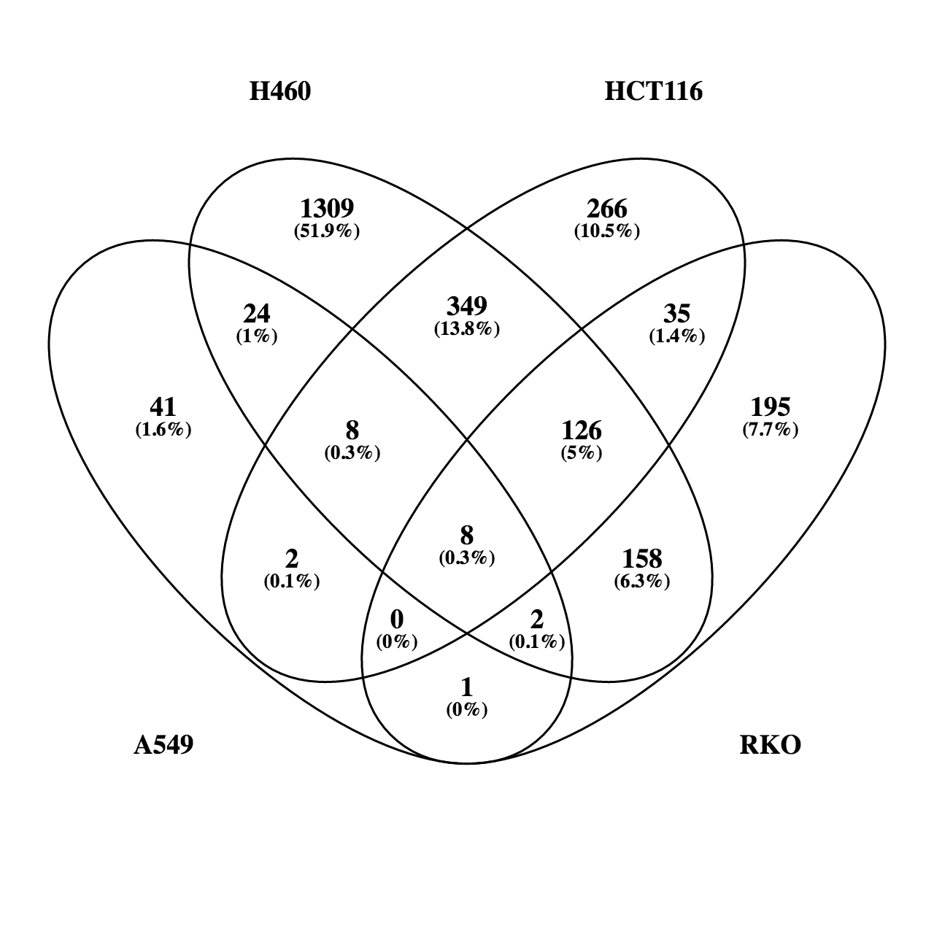
CLDN2 | LRP8 | CTPS1 | AXIN2
POM121L9P | SLC7A11 | FUS | OSGIN1
ADM2 | SRXN1 | HNRNPAB | CYP4F3
SDS | CHML | URB2 | ALDH3A1
PDK4 | EPHX1 | PYCRL | RSPO3
RNF43 | FANCA | GPATCH4 | TDO2
FAIM3 | NCR3LG1 | DNAJA1 | RPS6KL1
CCAT1 | DNAH17-AS1 | POLR3H | PKDCC
EHF | SLC48A1 | SFPQ | PRR22
DDC | ZNF469 | TOE1 | F2RL2
GDF15 | EPT1 | HSPA8 | KCNF1
FAM46B | ADCY3 | NIP7 | SLC1A4
PPARGC1A | SLC26A2 | PSME3 | CYP4F11
SH2D5 | FAM129A | SRSF3 | MAT2A
AREG | POLE | LTV1 | SLC6A9
EVA1C | GCLM | DCTPP1 | ADRA1D
SESN2 | NBEAL2 | NOL6 | GPATCH4
NR4A3 | SLC29A1 | CHAC2 | ODC1
CPS1 | WDR34 | PGAM5 | TBC1D30
BAIAP2L2 | UNKL | MPV17L2 | ZNF239
RELL2 | MTHFD1 | ABCF2 | TIMM23B
GPX2 | TCOF1 | POP1 | SLC27A2
CGN | USH1C | EMC8 | SNHG15
NTRK3 | MYBL2 | PHF5A | FSTL4
ADAMTS16 | DHFR | EXOSC4 | DLEU2
LINC00173 | FECH | TRA2B | TRMT61A
NRG1 | RPL22L1 | SRSF2 | RTEL1
ATF3 | UCK2 | PPIF | ANKRD2
PLIN4 | RECQL4 | GINS3 | RRP12
YARS | PRPS1 | GPAM | FHDC1
CYP1B1 | PSEN2 | MCM5 | RRP9
AGPAT9 | PRDX1 | WDR4 | POP1
SNORD25 | PPP1R10 | PSMG1 | SLC43A2
TUBE1 | LOC388282 | JMJD4 | CDRT1
CXCL1 | TIMELESS | ZNHIT2 | RRS1
SNAP25 | B4GALNT1 | MRTO4 | SLC25A25
SUSD2 | GLA | METTL1 | AKR1B10
NR4A1 | GPC1 | GRWD1 | LOC344887
LINC00472 | ATAD2 | RRP7A | SNHG1
ELTD1 | CHST10 | TOMM5 | DPH2
 | ZSCAN31 | TOMM40 | E2F2
 | ANKLE1 | SLC19A1
 | VARS | PAK1IP1
 | PAQR4 | ODC1
 | MCM2 | HSPE1
 | PARP1 | DDX28
 | HSP90AA1 | BEND3
 | RRP7B | SRSF7
 | SPTBN2 | COA7
...

padj<0.1 UP FC>1.5 overview
for original RNA-seq annotation see column U and onwards
columns A-P were re-annotated with "RNA-seq names" with "PRO-seq" match using hg19_gtf_annotation_matching_rna_chip_pro file on 01/24/19
genes with no match in the PRO-seq gtf and duplicates were removed |  |  |  |  |  |  |  | CORE UP (shared by all 4 lines)
HCT116 |  | RKO |  | A549 |  | H460 |  | HCT116 |  | HCT116 only | RKO only | A549 only | H460 only | HIF1A-dependent | HIF1A-independent | HCT116 | RKO | A549 | H460 | HCT116 | HCT116 | HCT116 | HCT116 |  | HCT116 | HCT116 | HCT116 |  |  |  | HCT116 |  |  |  | A549 | H460
padj<0.1 UP FCadj<1.5 | PRO-seq gene names | padj<0.1 UP FCadj<1.5 | PRO-seq gene names | padj<0.1 UP FCadj<1.5 | PRO-seq gene names | padj<0.1 UP FCadj<1.5 | PRO-seq gene names | RKO | PRO-seq gene names | padj<0.1 UP FCadj<1.5 | padj<0.1 UP FCadj<1.5 | padj<0.1 UP FCadj<1.5 | padj<0.1 UP FCadj<1.5 |  |  | padj<0.1 UP FCadj<1.5 | padj<0.1 UP FCadj<1.5 | padj<0.1 UP FCadj<1.5 | padj<0.1 UP FCadj<1.5 | RKO | RKO | RKO |  | RKO | RKO |  |  | RKO | RKO |  |  | RKO |  |  | padj<0.1 UP FCadj<1.5 | padj<0.1 UP FCadj<1.5
2233 | 2233 | 2113 | 2113 | 690 | 690 | 3399 | 3399 | A549 | 203 | 606 | 855 | 156 | 1645 | 119 | 84 | 2254 | 2135 | 696 | 3422 | A549 | A549 |  | A549 | A549 |  | A549 |  | A549 |  | A549 |  |  | A549 |  | 335 | 1561
A1BG | A1BG | AAK1 | AAK1 | A4GALT | A4GALT | A1BG | A1BG | H460 |  | AADAC | AARS | ABLIM3 | AASS | ABCA1 | ABCA2 | ANGPTL4 | MYO15B | LOX | PPFIA4 | H460 |  | H460 | H460 | H460 |  |  | H460 |  | H460 | H460 |  |  |  | H460 | shared by 2-3 | shared by 2-3
AADAC | AADAC | AARS | AARS | ABCA1 | ABCA1 | A4GALT | A4GALT | padj<0.1 UP FCadj<1.5 |  | AASDH | ABCA10 | ADAM19 | ABHD2 | ACAP1 | BAI1 | DDIT4 | SYTL2 | NDRG1 | ISM2 | padj<0.1 UP FCadj<1.5 | padj<0.1 UP FCadj<1.5 | padj<0.1 UP FCadj<1.5 | padj<0.1 UP FCadj<1.5 | padj<0.1 UP FCadj<1.5 | padj<0.1 UP FCadj<1.5 | padj<0.1 UP FCadj<1.5 | padj<0.1 UP FCadj<1.5 | padj<0.1 UP FCadj<1.5 | padj<0.1 UP FCadj<1.5 | padj<0.1 UP FCadj<1.5 | padj<0.1 UP FCadj<1.5 | padj<0.1 UP FCadj<1.5 | padj<0.1 UP FCadj<1.5 | padj<0.1 UP FCadj<1.5 | MT1X | FAM160A1
AASDH | AASDH | ABAT | ABAT | ABCA2 | ABCA2 | AAK1 | AAK1 | 203 |  | ABCA3 | ABCC6 | ADAMTSL3 | ABI1 | ADAMTSL4 | AGPAT4 | SLC2A3 | CP | MT1X | PCK1 | 205 | 30 | 427 | 116 | 36 | 222 | 38 | 602 | 41 | 306 | 74 | 614 | 868 | 156 | 1656 | H19 | PFKFB4
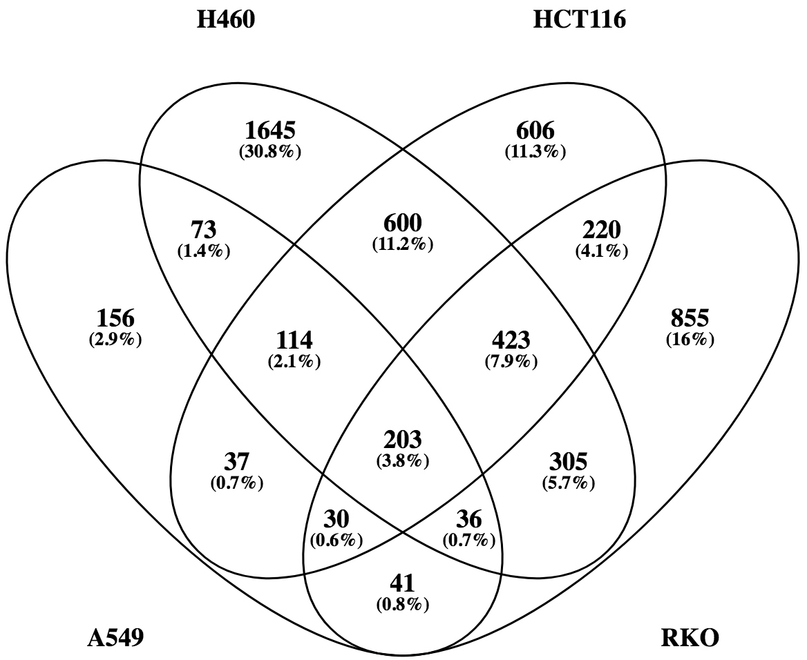
ABCA1 | ABCA1 | ABCA1 | ABCA1 | ABLIM3 | ABLIM3 | AASS | AASS | ABCA1 | ABCA1 | ABCC3 | ABHD14B | ALPK3 | ABI2 | ALDOA | APAF1 | CXCR4 | PRSS8 | ANGPTL4 | C4orf47 | NDRG1 | MT1X | FAM160A1 | PDGFB | CP | SLCO1B3 | SYT12 | SEC14L5 | ITPR1 | HPCAL4 | LOX | CXCR4 | MGAT5B | SEMA5B | ISM2 | COL1A1 | MIR210HG
ABCA2 | ABCA2 | ABCA10 | ABCA10 | ACAP1 | ACAP1 | ABAT | ABAT | ABCA2 | ABCA2 | ABCG1 | ABHD3 | ANLN | ABI3BP | ALDOC | KIAA1244 | CA9 | TP53INP1 | CCDC183 | NDRG1 | ANGPTL4 | H19 | PFKFB4 | AK4 | PTPRB | GDF15 | MFNG | NOD2 | NOTUM | NRN1 | LOC101929690 | SLC2A14 | LOC100128593 | HIST1H4H | PCK1 | SH3D21 | BHLHE41
ABCA3 | ABCA3 | ABCA2 | ABCA2 | ACTA2 | ACTA2 | ABCA1 | ABCA1 | ACAP1 | ACAP1 | LINC00035 | ABHD8 | ANXA4 | ABL1 | AMPD3 | ATP2B4 | ANKRD37 | PKD1L2 | SEMA5B | PDGFA | CCDC183 | COL1A1 | MIR210HG | UPK1A | APOL2 | SLCO1B7 | CLDN9 | PRTN3 | SLC43A3 | N4BP3 | C15orf48 | LOC554223 | LINC01021 | APOL1 | NEFM | RASD2 | HERC3
ABCA5 | ABCA5 | ABCA5 | ABCA5 | ADA | ADA | ABCA2 | ABCA2 | ADAMTSL4 | ADAMTSL4 | ACAA2 | ACACB | APOL1 | ABLIM1 | ANG | BAIAP3 | SLC2A14 | STRC | ALDOC | SEC14L5 | ALDOC | SH3D21 | BHLHE41 | SERPINE1 | LOC154761 | IRF2BP2 | RRAD | ITGA2B | NAV1 | CLEC2B | DNAH11 | CPB2 | ITGAX | TNS1 | BARX1 | PPP1R13L | ARID3A
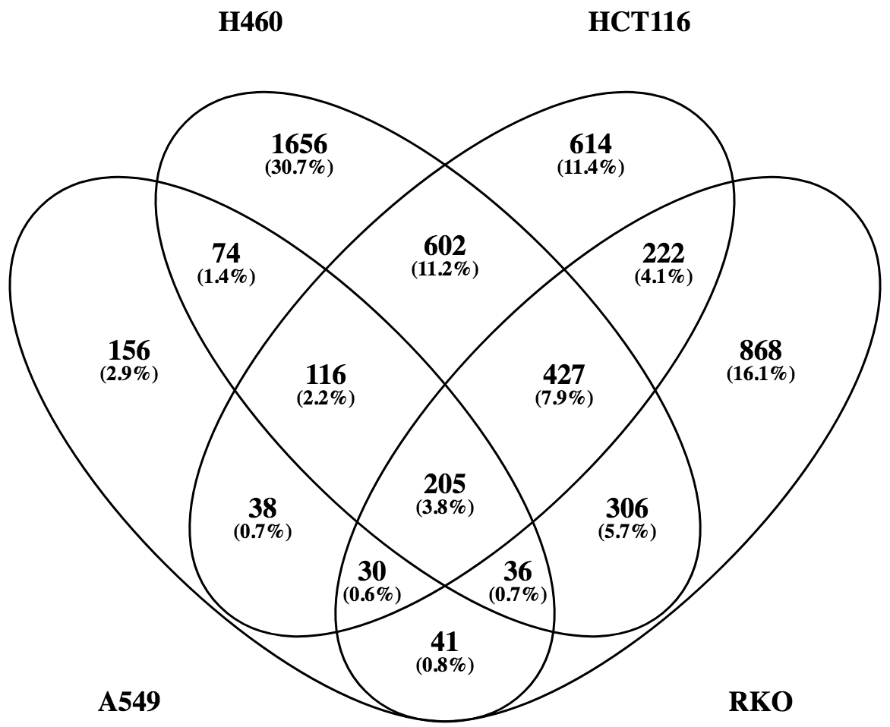
ABCB6 | ABCB6 | ABCA7 | ABCA7 | ADAM19 | ADAM19 | ABCA5 | ABCA5 | BAI1 | ADGRB1 | ACTA1 | ACAD10 | ARRB1 | ACAA1 | ANGPTL4 | BHLHE40 | NDRG1 | BAIAP3 | HIST1H4H | LINC00887 | CA9 | RASD2 | HERC3 | FGF11 | MEX3B | IL11 | TINAGL1 | NKX2-1 | PCDH1 | MIR210 | WISP2 | LOC100287036 | LINC01164 | GNG4 | JAM2 | CSPG5 | PER1
ABCC3 | ABCC3 | ABCB6 | ABCB6 | ADAMTSL3 | ADAMTSL3 | ABCA7 | ABCA7 | AGPAT4 | AGPAT4 | ACTC1 | ACCS | ART1 | ACAP3 | ANKRD37 | BTG1 | IGFBP3 | MGAT5B | PDGFB | NOD2 | HK2 | PPP1R13L | ARID3A | CLIC3 | C14orf182 | APOLD1 | CREG2 | AKAP12 | DOC2GP | ARHGEF6 | IGFBP1 | STC2 | POU5F1B | B4GALNT2 | IGSF9 | IL17RD | RBM44
ABCG1 | ABCG1 | ABCC6 | ABCC6 | ADAMTSL4 | ADAMTSL4 | ABCB6 | ABCB6 | ALDOA | ALDOA | ACTG1P4 | ACE | ART5 | ACBD5 | ANKZF1 | CACNB3 | LUCAT1 | LOC100128593 | CP | UPK1A-AS1 | TMEM45A | CSPG5 | PER1 | IGFBP3 | TM4SF1-AS1 | CYR61 | CIB1 | NOG | IDH2 | NXPH4 | MAF | KIAA1045 | SLC4A9 | TNFAIP6 | LOC100127888 | DMBT1 | FAM110C
LINC00035 | ABHD11-AS1 | ABHD14B | ABHD14B | ADD3 | ADD3 | C4orf29 | ABHD18 | ALDOC | ALDOC | ACTG2 | ACER2 | ATP2A3 | ACBD7 | ANO6 | CCDC183 | LINC00887 | KANK3 | APOL1 | GPR146 | KCTD11 | IL17RD | RBM44 | BNIP3 | LOC399715 | CD72 | GAL3ST1 | WDR66 | DMBX1 | ZNF385A | COL5A1 | MGAM | PIK3IP1 | TMEM141 | SNCB | MUC3A | ADM
ABHD4 | ABHD4 | C4orf29 | ABHD18 | BAI1 | ADGRB1 | ABHD2 | ABHD2 | AMPD3 | AMPD3 | ACVR2B | ACOT1 | B3GALT4 | ACER3 | ARHGEF37 | CCNG2 | ARRDC3 | LINC01021 | CA9 | UPK1A | P4HA1 | DMBT1 | FAM110C | STC1 | RASA4 | BNIPL | SYT8 | SPRY1 | SEPT4 | PIAS2 | THEMIS2 | MUC12 | CSMD3 | CRLF1 | NDUFA4L2 | LOC100129034 | HDAC5
ABL2 | ABL2 | ABHD3 | ABHD3 | AGPAT4 | AGPAT4 | ABI1 | ABI1 | ANG | ANG | ADAMTS16 | ACOT11 | B4GALNT2 | ACKR3 | ATP8B3 | COX6B2 | PDGFA | HIF1A-AS2 | LOC101929690 | CAPN12 | CCNG2 | MUC3A | ADM | MT2A | WIPI1 | PEAR1 | ZNF185 | AURKC | OPRL1 | RORA | RHOU | PRAM1 | INPP5D | PSORS1C3 | SDCBP2 | MYOM1 | SMAD9
ABTB1 | ABTB1 | ABHD4 | ABHD4 | AHNAK | AHNAK | ABI2 | ABI2 | ANGPTL4 | ANGPTL4 | CD97 | ACOT2 | BEAN1 | ACOX1 | BCKDHA | CREBRF | PFKFB4 | FAM115C | HK2 | KIAA1244 | RNASE4 | LOC100129034 | HDAC5 | KIAA1462 | FIBCD1 | EXPH5 | MDGA1 | FOSB | DYSF | SPTB | ELANE | PGK2 | SNCAIP | CACNA1B | PTN | C6orf223 | YPEL4
ACAA2 | ACAA2 | ABHD8 | ABHD8 | AK4 | AK4 | ABI3BP | ABI3BP | ANKRD37 | ANKRD37 | GPR110 | ACSL5 | BMP6 | ACPP | BNIP3L | CRELD1 | INHBA | MEGF6 | TMEM45A | LOX | SPAG4 | MYOM1 | SMAD9 | LOXL2 | C17orf103 | BTBD11 | RASSF2 | B3GNT4 | AOX1 | MPP2 | FAM13A | AGPAT4-IT1 | TTN | HOXD10 | PAEP | ITGA2 | HIF1A-AS2
ACAD11 | ACAD11 | ABL2 | ABL2 | ALDH3B1 | ALDH3B1 | ABL1 | ABL1 | ANKZF1 | ANKZF1 | GPR126 | ACTN3 | BTBD16 | ACSL1 | BTBD2 | CRIP2 | C4orf47 | TNXB | C15orf48 | ANKRD37 | PGK1 | C6orf223 | YPEL4 | STEAP3 | TNNT1 | SLC4A5 | CYTH4 | KCNN1 | MBOAT2 | PDZD7 | CEMIP | IGF2-AS | KIAA1324 | HOXD9 | SDK2 | CDH3 | MAFF
ACADVL | ACADVL | ABTB1 | ABTB1 | ALDH6A1 | ALDH6A1 | ABL2 | ABL2 | ANO6 | ANO6 | ADM2 | ACYP1 | C14orf105 | ACTN2 | C2orf72 | CSRP2 | LOC554223 | EFEMP2 | TNS1 | PRTN3 | BNIP3L | ITGA2 | HIF1A-AS2 | CAMK2N1 | TUBA1A | NRP1 | FAM107B | AQPEP | FAM167B | CNOT8 | LPCAT1 | PRSS30P | BTBD19 | SYT13 | NIM1K | KIF12 | HILPDA
ACAP1 | ACAP1 | ACACB | ACACB | ALDOA | ALDOA | ABLIM1 | ABLIM1 | APAF1 | APAF1 | AGER | ADAM11 | C1QL1 | ADAM12 | C4orf3 | DNAJB2 | NDNF | RINL | AK4 | FAM160A1 | MXI1 | CDH3 | MAFF | PLOD2 | RAP1GAP | SLC9A7 | OLFML2A | RRAGD | PVRL4 | PDE4C | PYGL | GJB3 | KRT34 | LINC00051 | TMEM255B | FLJ23867 | TNFRSF10D
ACBD3 | ACBD3 | ACAD10 | ACAD10 | ALDOC | ALDOC | ABTB1 | ABTB1 | KIAA1244 | ARFGEF3 | AGPAT4-IT1 | ADAMTSL5 | C6orf99 | ADAM20P1 | C4orf47 | ELL2 | MIR210HG | ALDOC | ITPR1 | PPP2R5B | F3 | KIF12 | HILPDA | ZNF395 | PROCA1 | GOLGA8A | LOC728392 | NDNF | B3GNT7 | CPNE5 | MYO1D | FCN3 | HMCN2 | ART5 | FKBP1A-SDCBP2 | CORO2A | CITED2
ACBD4 | ACBD4 | ACAD11 | ACAD11 | ALPK3 | ALPK3 | ACAA1 | ACAA1 | ARHGEF37 | ARHGEF37 | AIM1 | ADCY10P1 | CACNA1B | ADAM28 | C8orf58 | EPOR | MIR614 | LOC154761 | UPK1A | CA9 | SLC2A1 | FLJ23867 | TNFRSF10D | NT5E | LINC00957 | UCA1 | MYOM3 | STBD1 | RTN4R | SHC2 | RPL13AP20 | ADAMTS16 | LOC115110 | DAPK1 | ZMYND10 | ALS2CL | CAND1.11
ACHE | ACHE | ACADVL | ACADVL | ALS2CL | ALS2CL | ACAD11 | ACAD11 | ATP2B4 | ATP2B4 | AJUBA | ADCY9 | CACNG4 | ADARB1 | CA12 | ERO1L | P4HA1 | GJA1 | GNG4 | ENO2 | FAM115C | CORO2A | CITED2 | PSORS1C1 | CDK18 | ALOXE3 | MARCKS | PCP2 | SEC14L4 | HHAT | SLAMF9 | LINC00341 | CATSPER1 | P2RY2 | TEX29 | UNC5CL | ANKRD9
ACRBP | ACRBP | ACAP1 | ACAP1 | AMPD3 | AMPD3 | ACADVL | ACADVL | ATP8B3 | ATP8B3 | AKAP8L | ADCYAP1R1 | CCM2L | ADD3-AS1 | CA9 | F2R | FAT4 | ITGAX | DNAH11 | HPCAL4 | RIMKLA | ALS2CL | CAND1.11 | NREP | ALDH6A1 | PLCXD2 | WNT7A | DBP | ATP1B1 | HID1 | P4HA3 | ARTN | CASC11 | C1QL1 | LOC100129617 | NLRP1 | OPTN
ACSS2 | ACSS2 | ACBD4 | ACBD4 | ANG | ANG | ACAP1 | ACAP1 | BAIAP3 | BAIAP3 | AKR1C1 | BAI2 | CDH4 | GPR133 | CALCOCO1 | FAM114A1 | INSIG2 | MIR210HG | KCTD11 | NRN1 | SLC45A1 | UNC5CL | ANKRD9 | NR2F2-AS1 | FAM219A | SCARF1 | NEK6 | FBN3 | ZCCHC24 | MAP3K9 | JPH2 | UNC5B-AS1 | EFCAB12 | ITGB3 | PERM1 | ACTA2 | PLXNA3
ACTA1 | ACTA1 | ACCS | ACCS | ANGPTL4 | ANGPTL4 | ACAP3 | ACAP3 | BCKDHA | BCKDHA | ALDH2 | ADORA2A | CGB8 | GPR98 | CAPN12 | FAM214B | HK2 | YPEL3 | H19 | PFKFB4 | PDK3 | NLRP1 | OPTN | PORCN | PTH1R | LMBRD2 | SCARB1 | PPL | ATG16L2 | CAPN5 | KCNMB4 | ATG9B | GAS6-AS2 | EGOT | ANGPTL6 | RUNX1 | SLC17A7
ACTA2 | ACTA2 | ACE | ACE | ANKRD37 | ANKRD37 | ACBD3 | ACBD3 | BHLHE40 | BHLHE40 | ALDH8A1 | AGBL2 | COL6A3 | ADIPOR1 | CCDC114 | FAM63B | ADM | LUCAT1 | P4HA1 | ITGA2B | PLIN2 | ACTA2 | PLXNA3 | LINC00887 | KIAA1549L | TTLL13 | NMB | BRSK1 | MDK | MIR635 | TENM2 | CPA4 | MLXIPL | TMEM47 | MIR6883 | SLC5A3 | RAB3A
ACTC1 | ACTC1 | ACER2 | ACER2 | ANKZF1 | ANKZF1 | ACBD5 | ACBD5 | BNIP3L | BNIP3L | ALOX5 | AIFM3 | CPOX | ADORA2B | CLIP3 | FER1L4 | RAPGEF4 | ITPR1 | B4GALNT2 | EFEMP2 | UACA | RUNX1 | SLC17A7 | UPK1A-AS1 | PDE2A | SMAD3 | MMP28 | MLLT4-AS1 | GPR161 | LRRC16B | PPP1R3G | NFATC2 | GPR137C | PODXL | ADAM20P1 | HAS3 | RNF122
ACTG1 | ACTG1 | ACHE | ACHE | ANLN | ANLN | ACBD7 | ACBD7 | BTBD2 | BTBD2 | AMN | AKNAD1 | CREB3L1 | ADPRHL2 | CLMN | FSTL3 | FAM13A-AS1 | LINC01164 | WISP2 | NKX2-1 | KIAA1244 | SLC5A3 | RAB3A | TRIM9 | GALNT12 | OSGIN1 | FOXL1 | WDR45B | PAQR8 | ADSSL1 | KCNMA1 | PROSER2 | SH2D5 | TSPAN2 | C11orf96 | TGM2 | GPR155
ACTG1P4 | ACTG1P4 | ACOT1 | ACOT1 | ANO6 | ANO6 | ACER3 | ACER3 | BTG1 | BTG1 | AMOTL2 | ALDH4A1 | CRHR1 | AES | COL13A1 | GATSL3 | ALDOC | ERRFI1 | CCNG2 | LRP1 | SEMA4B | HAS3 | RNF122 | FAT4 | HPS3 | ANKRD33B | TMCC1 | AFAP1L1 | SERINC2 | SNPH | C9orf172 | DEGS2 | VWA5B2 | GFRA2 | LRP2 | PLEKHA8P1 | FOXN3
ACTG2 | ACTG2 | ACOT11 | ACOT11 | ANXA4 | ANXA4 | ACKR3 | ACKR3 | C2orf72 | C2orf72 | AMY1A | ALKBH6 | CRLF1 | AFAP1 | CTF1 | GNRH1 | EFEMP2 | SLC45A1 | RNASE4 | DNAH11 | PDK1 | TGM2 | GPR155 | SERPINB9 | ADD3 | SGK223 | LAMC2 | DTNA | KREMEN1 | ARID5B | C16orf74 | SLC45A3 | LOC100129722 | CRHR1 | CLEC3B | GRK5 | DRD4
ACVR1C | ACVR1C | ACOT2 | ACOT2 | AOX1 | AOX1 | ACOT8 | ACOT8 | C4orf3 | C4orf3 | ANKRD19P | AMN1 | CRYZ | AFAP1L2 | DCST2 | GOLGA7B | SERPINE1 | LDHD | SERPINE1 | TMEM74B | PKD1L2 | PLEKHA8P1 | FOXN3 | EFNA3 | PITPNM3 | CTGF | GAB3 | RNF165 | MYH16 | IPMK | GRB10 | MID2 | STAB1 | CCM2L | SERHL2 | PDCD4 | ARID5A
ACVR2B | ACVR2B | ACOT8 | ACOT8 | APAF1 | APAF1 | ACOX1 | ACOX1 | C4orf47 | C4orf47 | ANKRD22 | AMY2B | CSTB | AFF3 | DDIT4 | GPATCH2L | SPRY1 | BMF | SPAG4 | YPEL1 | C4orf47 | GRK5 | DRD4 | L1CAM | PPARA | BTBD8 | PTPRE | HELZ | SYT7 | C3orf18 | EYA2 | CYP11A1 | FLJ26245 | MYO7B | ADD3-AS1 | PCMTD1 | NFKB2
ADAM8 | ADAM8 | ACRBP | ACRBP | APOL1 | APOL1 | ACPP | ACPP | C8orf58 | C8orf58 | ANO9 | ANKDD1A | CYBRD1 | AFTPH | DPYSL2 | GSDMB | KDM3A | IL1RAP | FGF11 | STC1 | FAM162A | PDCD4 | ARID5A | PTGS1 | PPM1N | GADD45B | LOC100130238 | HES1 | TTLL1 | TBX1 | METRNL | THBS1 | SLC37A2 | WISP1 | RSPH9 | PDGFB | PLAG1
ADAMTS13 | ADAMTS13 | ACSF2 | ACSF2 | APOL2 | APOL2 | ACSF2 | ACSF2 | CA12 | CA12 | ANTXR2 | ANKLE1 | CYS1 | AGAP2-AS1 | EFEMP2 | HBP1 | ENO2 | PFKFB4 | IGFBP1 | AKAP12 | EFEMP2 | PCMTD1 | NFKB2 | GRIN3B | KDELR3 | KIAA1217 | TAGLN | ENTPD2 | RASSF4 | PNPLA8 | HEY1 | VTCN1 | SH3RF2 | EXOC3L2 | SNAI2 | AK4 | FA2H
ADAMTS16 | ADAMTS16 | ACSL5 | ACSL5 | KIAA1244 | ARFGEF3 | ACSL1 | ACSL1 | CA9 | CA9 | ANXA2 | ANKRD1 | DAPK1 | AGBL5 | EHD2 | HCFC1R1 | HERC3 | POU5F1B | MAF | MAF | C4orf3 |  | PLAG1 | LIMCH1 | HDAC11 | HKDC1 | LINC00672 | PLIN1 | RTN4RL2 | FILIP1L | LRRC3 | FRMD4A | TRIM22 | SPOCK1 | PCDH15 | UPK1A | NYAP1
ADAMTSL4 | ADAMTSL4 | ACSS2 | ACSS2 | ARHGEF37 | ARHGEF37 | ACSS2 | ACSS2 | CACNB3 | CACNB3 | ANXA2P2 | ANKRD20A12P | DMTN | AGFG1 | ENO2 | HECA | BHLHE40 | LOC100128076 | PTPRB | TMEM45A | VEGFA |  | FA2H | HCN2 | CCDC80 | RBMS2 | EIF4E3 | HLA-L | LOC100130691 | MICALL2 | JUN | RUNDC3B | CSTF3-AS1 | FAM83A | HCAR2 | SERPINE1 | KDM5B
ADCY6 | ADCY6 | ACTA2 | ACTA2 | ARRB1 | ARRB1 | ACTG1 | ACTG1 | CALCOCO1 | CALCOCO1 | ANXA2P3 | ANKRD26 | DNM2 | AGO2 | ERRFI1 | HIST1H2BD | FOSL2 | YPEL1 | TNFAIP6 | NEFM | PAM |  | NYAP1 | PGM2L1 | CRYL1 | CGN | HRH1 | HOXA13 | DGCR5 | FAM171A2 | SLC6A8 | INPP4B | EFR3B | FOXS1 | SYTL5 | FGF11 | RBPJ
BAI1 | ADGRB1 | ACTN3 | ACTN3 | ART1 | ART1 | ACTN2 | ACTN2 | CAPN12 | CAPN12 | AP1S3 | ANKRD36 | DOCK2 | AGO4 | F3 | HLA-B | HILPDA | SLC4A9 | CLIC3 | NOG | COX6B2 |  | KDM5B | PITPNC1 | MARCH2 | NR3C2 | BMPR2 | SEC24A | GAS6 | MIB2 | VASN | GUCY2D | RDM1 | MMP2 | KIAA2022 | CLIC3 | TNIK
CD97 | ADGRE5 | ACTR1B | ACTR1B | ART5 | ART5 | ACTR1B | ACTR1B | CCDC114 | CCDC114 | APBB2 | ANKRD36B | EGOT | AGTPBP1 | FAM162A | IGIP | PDK1 | LOC399715 | TMEM141 | BARX1 | SLC2A3 |  | RBPJ | TMEM145 | CBX7 | ALPK1 | HSPG2 | WFDC3 | COL20A1 | TPPP | ADA | LINC00511 | SH2D3C | SH3BP2 | CNTFR | IGFBP3 | C7orf60
GPR110 | ADGRF1 | ACVR1 | ACVR1 | ATG16L2 | ATG16L2 | ACVR1 | ACVR1 | CCDC183 | CCDC183 | AREG | AOC3 | ELOVL2 | AHR | FANK1 | INSIG1 | FUT11 | CA9 | COL1A1 | BNIP3L | BAI1 |  | TNIK | LOC101928710 | BTN3A3 | PRSS8 | LOC283070 | CXorf40A | DKK3 | RCN3 | TNFSF12 | WNT7B | PIGZ | PPARD | FLT1 | BNIP3 | ABTB1
GPR126 | ADGRG6 | ACYP1 | ACYP1 | ATP1B1 | ATP1B1 | ACVR1C | ACVR1C | CCNG2 | CCNG2 | ARHGAP24 | AP1AR | EPHB1 | AIP | FBXL8 | ITGA5 | IL1RAP | AHNAK2 | IGFBP3 | P4HA2 | FER1L4 |  | C7orf60 | PLAUR |  | REPS2 | TNFRSF11A | SATB1 | LOC100128076 | KANSL1L | VIM | GRB7 | FER1L5 | ART1 | IL2RG | STC1 | TRPT1
ADM | ADM | ADAM11 | ADAM11 | ATP2A3 | ATP2A3 | ADA | ADA | CLIP3 | CLIP3 | ARHGAP31 | APH1B | EXOC3L2 | AK2 | FUT11 | KLHL24 | PPP1R3B | ANKRD37 | PGK1 | WDR66 | LDHA |  | ABTB1 | GXYLT2 |  | MYO15A | JUP | SEC24D | KIAA1161 | PTPRF | PLEKHA1 | TNFRSF6B | ANKRD1 | HOXD11 | CSMD1 | MT2A | MXD1
ADM2 | ADM2 | ADAM8 | ADAM8 | ATP2B4 | ATP2B4 | ADAM12 | ADAM12 | CLMN | CLMN | ARHGAP42 | APLN | F2 | AKAP11 | GAB1 | KRT15 | BNIP3 | RORA | CRLF1 | SPRY1 | YPEL2 |  | TRPT1 | EGLN3 |  | NPHS1 |  | CACNA1I | HMOX1 | UNC119 | PLEK2 | PLS3 | CCDC154 | PDZK1IP1 | GNA15 | KIAA1462 | PCSK4
ADPRM | ADPRM | ADAMTS13 | ADAMTS13 | ATP8B3 | ATP8B3 | ADAM20P1 | ADAM20P1 | COL13A1 | COL13A1 | ARHGEF3 | APOBEC3B | FAM20C | AKAP9 | GBE1 | LAMB3 | UPK1A-AS1 | SYT11 | PSORS1C3 | JAM2 | P4HA2 |  | MXD1 | PC |  | SGK2 |  | RELA | RGS11 | ZMAT3 | NPTX1 | GALNT5 | KRTAP4-9 | PADI2 | SNORA11 | LOXL2 | NFIL3
AFAP1L1 | AFAP1L1 | ADAMTS6 | ADAMTS6 | AXL | AXL | ADAM28 | ADAM28 | COX6B2 | COX6B2 | ARTN | APOBEC3C | FAM83A | AKR7A2 | GDPD5 | LINC00202-1 | LOXL2 | COL13A1 | BNIP3L | MIR210HG | MEGF6 |  | PCSK4 | FAM89B |  | ATXN7L1 |  | C3orf67 | GJA1 | TPBG | KLC3 | C10orf54 | ABCA10 | ALPK3 | PNCK | STEAP3 | GAD1
 |  |  |  |  |  |  |  |  |  |  |  |  |  |  |  |  |  | MXI1 | ELANE | TMEM74B |  | NFIL3 | HYAL3 |  | TBC1D26 |  | ACVR1C |  | TMEM191C | CFD | RNASE1 | ROBO4 | GOLGA8M | CD7 | CAMK2N1 | BIRC3
 |  |  |  |  |  |  |  |  |  |  |  |  |  |  |  |  |  | BNIP3 | CDK18 | SLC29A4 |  | GAD1 | PRRT2 |  | AMT |  | INHBA |  | KCTD7 | RLTPR | KRT86 | NPTXR | FAM20C | HIST1H1C | PLOD2 | FAM168A
 |  |  |  |  |  |  |  |  |  |  |  |  |  |  |  |  |  | STC1 | GPR160 | ZC3H6 |  | BIRC3 | SMS |  | BCAR3 |  | TEF |  | MEIS3 | CYP27C1 | KRT80 | NEXN-AS1 | MATK | NEFL | ZNF395 | KIAA1715
...

padj<0.1 DOWN FC>1.5 overview
...
 |  |  |  |  |  |  |  |  |  |  |  |  |  |  |  |  | original RNA-seq annotation | original RNA-seq annotation | original RNA-seq annotation | original RNA-seq annotation | original RNA-seq annotation | original RNA-seq annotation | original RNA-seq annotation | original RNA-seq annotation | original RNA-seq annotation | original RNA-seq annotation | original RNA-seq annotation | original RNA-seq annotation | original RNA-seq annotation | original RNA-seq annotation | original RNA-seq annotation | original RNA-seq annotation
 |  |  |  |  |  |  |  |  |  |  |  |  |  |  |  |  | H460 | HCT116 | HCT116 | HCT116 | HCT116 |  | HCT116 | HCT116 | HCT116 |  |  |  | HCT116
padj<0.1 DOWN FCadj<1.5 | PRO-seq gene names | padj<0.1 DOWN FCadj<1.5 | PRO-seq gene names | padj<0.1 DOWN FCadj<1.5 | PRO-seq gene names | padj<0.1 DOWN FCadj<1.5 | PRO-seq gene names | RKO | PRO-seq gene names | only | only | only | only | padj<0.1 DOWN FCadj<1.5 | padj<0.1 DOWN FCadj<1.5 | padj<0.1 DOWN FCadj<1.5 | padj<0.1 DOWN FCadj<1.5 | RKO | RKO | RKO |  | RKO | RKO |  |  | RKO | RKO |  |  | RKO
2092 | 2092 | 1753 | 1753 | 341 | 341 | 3276 | 3276 | A549 | 124 | 555 | 592 | 86 | 1551 | 2104 | 1759 | 342 | 3309 | A549 | A549 |  | A549 | A549 |  | A549 |  | A549 |  | A549 |  |  | A549
AAGAB | AAGAB | AAMP | AAMP | ABCC2 | ABCC2 | A1BG-AS1 | A1BG-AS1 | H460 |  | ABCD3 | AAMP | ADAMTS16 | A1BG-AS1 | RPS6KL1 | HPDL | PDK4 | EXO1 | H460 |  | H460 | H460 | H460 |  |  | H460 |  | H460 | H460 |  |  |  | H460
AASDHPPT | AASDHPPT | AAR2 | AAR2 | ABTB2 | ABTB2 | AADACP1 | AADACP1 | padj<0.1 DOWN FCadj<1.5 |  | ABHD12 | AAR2 | ELTD1 | AADACP1 | FAM111B | MIR17HG | CPLX2 | NOP56 | padj<0.1 DOWN FCadj<1.5 | padj<0.1 DOWN FCadj<1.5 | padj<0.1 DOWN FCadj<1.5 | padj<0.1 DOWN FCadj<1.5 | padj<0.1 DOWN FCadj<1.5 | padj<0.1 DOWN FCadj<1.5 | padj<0.1 DOWN FCadj<1.5 | padj<0.1 DOWN FCadj<1.5 | padj<0.1 DOWN FCadj<1.5 | padj<0.1 DOWN FCadj<1.5 | padj<0.1 DOWN FCadj<1.5 | padj<0.1 DOWN FCadj<1.5 | padj<0.1 DOWN FCadj<1.5 | padj<0.1 DOWN FCadj<1.5 | padj<0.1 DOWN FCadj<1.5
ABCB10 | ABCB10 | AARSD1 | AARSD1 | ADAMTS16 | ADAMTS16 | AADAT | AADAT | 124 |  | ABHD17C | AARSD1 | ADM2 | AADAT | LONRF2 | DANCR | OSGIN1 | MCM6 | 124 | 6 | 521 | 42 | 21 | 180 | 5 | 667 | 6 | 308 | 52 | 559 | 593 | 86 | 1574
ABCC2 | ABCC2 | AASDHPPT | AASDHPPT | ADAT2 | ADAT2 | AAGAB | AAGAB | AIMP2 | AIMP2 | ABHD5 | AATF | AKR1B15 | AARS2 | CHAC2 | UTP20 | ALDH3A1 | TOR3A | NOL6 | RBM14 | MCM6 | FHDC1 | MAT2A | HSPA1B | CD22 | EXO1 | EVA1C | CCND1 | CPLX2 | PHOSPHO1 | CD101 | PDK4 | LRP8
ABCD3 | ABCD3 | AATF | AATF | ELTD1 | ADGRL4 | AARS2 | AARS2 | ALKBH8 | ALKBH8 | ABHD6 | ABT1 | ANKRD20A5P | ABCA10 | CLSPN | TRMT61A | POM121L9P | MCM3 | ODC1 | HIF1A | TOR3A | ABCC2 | RRP12 | CHMP6 | AEN | E2F1 | DUS3L | MTHFD1 | OSGIN1 | KRT20 | DLEU1 | POM121L9P | SLC7A11
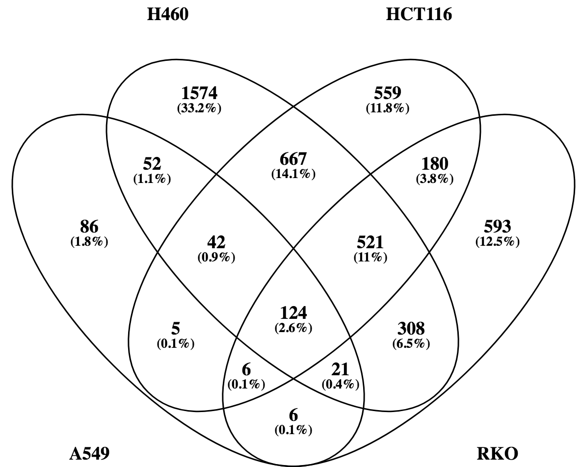
ABCE1 | ABCE1 | ABCB10 | ABCB10 | ADM2 | ADM2 | AASDHPPT | AASDHPPT | AMD1 | AMD1 | ABRACL | ACBD6 | AREG | ABCA3 | CCNE2 | RRS1 | RSPO3 | AKR1B10 | TRMT61A | CCAT1 | MCM3 | AXIN2 | SNHG1 | ACTRT3 | DPY19L3 | CAD | IPO4 | RPL22L1 | ALDH3A1 | ADORA1 | AMMECR1 | CPS1 | CHML
ABCF1 | ABCF1 | ABCE1 | ABCE1 | ADRA1D | ADRA1D | ABCA10 | ABCA10 | ARFRP1 | ARFRP1 | ACAD8 | ACTL10 | ASB4 | ABCB8 | TOE1 | NOP16 | CPS1 | GPATCH4 | GPATCH4 | CTSC | HNRNPAB | WDR62 | TNPO2 | COMMD5 | C19orf47 | SIGMAR1 | FOSL1 | PRDX1 | RSPO3 | SPARC | EGR1 | GDF15 | NCR3LG1
ABCF2 | ABCF2 | ABCF1 | ABCF1 | AEN | AEN | ABCA3 | ABCA3 | ARMC6 | ARMC6 | ACSF3 | GPR114 | ATF3 | ABCC10 | PHOSPHO1 | C10orf2 | RBM14 | E2F1 | POP1 | SLC7A2 | MCM4 | SLC43A2 | PFAS | HSPA8 | RP9 | PCNA | MAP2K3 | PPP1R10 | AKR1B10 | SNAR-G1 | DDX49 | CLDN2 | DNAH17-AS1
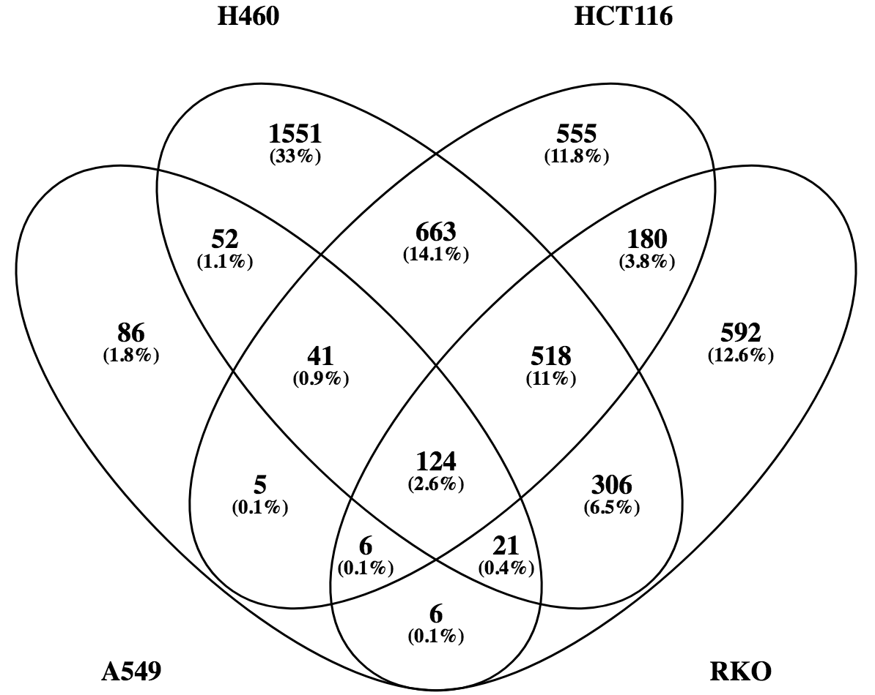
ABHD11 | ABHD11 | ABCF2 | ABCF2 | AIMP2 | AIMP2 | ABCB10 | ABCB10 | ASF1A | ASF1A | ACTR10 | ADSL | BAIAP2L2 | ABCC4 | CDC25A | GPATCH4 | GDF15 | HNRNPAB | NOP2 | NFKBIB | CDCA7 | LONRF2 | SLC1A5 | ID3 |  | SDC1 | YRDC | EIF5A | CYP4F3 | FSTL5 | SSSCA1 | NRG1 | SLC48A1
ABHD12 | ABHD12 | ABT1 | ABT1 | AKR1B10 | AKR1B10 | ABCB8 | ABCB8 | ATAD3A | ATAD3A | ACTR1A | AGL | CARS | ABCC5 | RRS1 | SFPQ | MAT2A | CTPS1 | CCDC86 |  | CDC45 | CTNS | PDCD11 | UTP14A |  | FANCA |  | SNRPB | PKDCC | CIRBP-AS1 | DDN | POM121L10P | ZNF469
ABHD15 | ABHD15 | ACACA | ACACA | AKR1B15 | AKR1B15 | ABCC10 | ABCC10 | BOP1 | BOP1 | ADAL | AKIRIN2 | CEACAM6 | ABCG2 | GPATCH4 | CTU2 | AKR1B10 | CAD | C19orf48 |  | NOLC1 | NDOR1 | NOC2L | PPIF |  | ADCY3 |  | WDR35 | SRXN1 | PDX1 | TTLL11 | NAMPT | GCLM
ABHD17C | ABHD17C | ACBD6 | ACBD6 | ALDH3A1 | ALDH3A1 | ABCC2 | ABCC2 | BRIX1 | BRIX1 | ADAMTS15 | AKR7L | CGN | ABHD13 | SPRTN | SNORD50B | CLDN2 | PFAS | RRP9 |  | RANBP1 | E2F2 | SFXN4 | ARPC5L |  | BRCA1 |  | ZC3H4 | CYP4F11 | CMPK2 | LOC101927905 | CYP1B1 | NBEAL2
ABHD3 | ABHD3 | ACOT7 | ACOT7 | ALKBH2 | ALKBH2 | ABCC4 | ABCC4 | BYSL | BYSL | ADORA1 | ALDH18A1 | CLDN2 | ABHD14A | KRT20 | COA7 | CYP4F3 | SIGMAR1 | NOP56 |  | PUS1 | LOC101928378 | VARS | C14orf142 |  | CLSPN |  | TMCO6 | LOC344887 | PADI3 | HSP90AB1 | EHF | UNKL
ABHD5 | ABHD5 | ACTL10 | ACTL10 | ALKBH3 | ALKBH3 | ABCC5 | ABCC5 | C19orf48 | C19orf48 | ADRB2 | ALKBH4 | CNKSR2 | ABLIM3 | ADORA1 | BOP1 | NRG1 | LRP8 | RRS1 |  | MCM5 | SLC1A4 | SNORD104 | MFSD2A |  | POLE |  | DNAJA3 | MYEOV | GBX2 | KIAA1024 | NTRK3 | USH1C
ABHD6 | ABHD6 | ACTR3B | ACTR3B | ALKBH8 | ALKBH8 | ABCE1 | ABCE1 | C1orf109 | C1orf109 | AGK | AMMECR1 | CPS1 | ACAD9 | C12orf5 | RRP15 | NOL6 | MCM4 | DPH2 |  | CDC25A | MCM10 | FARSA | MYB |  | GEN1 |  | HNRNPA2B1 | NAPRT1 | SNAR-G2 | PRKAR1B | GPX2 | FECH
ABRACL | ABRACL | ACTR5 | ACTR5 | ALPK2 | ALPK2 | ABCF2 | ABCF2 | C7orf43 | C7orf43 | AHRR | ANAPC15 | CXCL1 | ACCS | AUNIP | LTV1 | PKDCC | PCNA | SNHG17 |  | UHRF1 | ZWINT | MSTO1 | C1orf131 |  | FEN1 |  | HMGB1 | CDRT1 | CHST2 | PRMT1 | SH2D5 | RECQL4
ACAD8 | ACAD8 | ACTRT3 | ACTRT3 | AMD1 | AMD1 | ABCG2 | ABCG2 | CCDC86 | CCDC86 | AKIRIN1 | ANKRD17 | CXCL3 | ACOT13 | PYCRL | DPH2 | HIF1A | SNHG4 | BOP1 |  | EPT1 | SLC6A9 | RBM28 | HOXA9 |  | ZNF37BP |  | ACACA | EPHX1 | SNAR-E | DNAJC2 | AGPAT9 | LOC388282
ACADM | ACADM | ADAM1A | ADAM1A | ANKRD2 | ANKRD2 | ABHD11 | ABHD11 | CHAC2 | CHAC2 | ALG11 | ANP32A | CXCL5 | ACOT4 | URB2 | CD101 | FHDC1 | CDCA7 | MYBBP1A |  | FKBP5 | LRRC8B | RTEL1 | MMACHC |  | SLC29A1 |  | NQO2 | SLC3A2 | FGF9 | PES1 | YARS | B4GALNT1
ACAT2 | ACAT2 | GPR125 | ADGRA3 | ANKRD20A5P | ANKRD20A5P | ABHD13 | ABHD13 | CLN6 | CLN6 | ANGPT2 | ANP32B | CYP1B1 | ADAM19 | SPARC | HSPA8 | SRXN1 | SLC7A11 | DDX21 |  | SLC27A4 | CCND3 | ALKBH2 | MYEOV2 |  | WDR34 |  | RABEPK | RAB3IL1 | PRF1 | USP2-AS1 | SUSD2 | CHST10
ACP2 | ACP2 | GPR114 | ADGRG5 | AREG | AREG | ABHD14A | ABHD14A | CLUH | CLUH | ANKEF1 | APEX1 | CYP4F35P | ADAM22 | SNAR-G1 | RPP40 | POM121L10P | MYBBP1A | XRCC3 |  | UTP20 | XRCC2 | SNORD28 | DHX35 |  | WDR76 |  | NUP188 | ADAT2 | MAP1A | SOWAHC | SQSTM1 | ZSCAN31
ACSF3 | ACSF3 | ADK | ADK | ARFRP1 | ARFRP1 | ABHD15 | ABHD15 | COA7 | COA7 | ANKRD34A | AQR | DDC | ADAM23 | MCM10 | CMSS1 | ODC1 | SDC1 | VPS9D1-AS1 |  | NME1 | C11orf82 | SNORD31 | DHX29 |  | RFC2 |  | MRPL24 | ROR1 | RPRML | CYP27B1 | PTGES | SPTBN2
ACTL6A | ACTL6A | ADRM1 | ADRM1 | ARMC6 | ARMC6 | ABHD3 | ABHD3 | CTPS1 | CTPS1 | ANKRD52 | ARHGAP11A | DDX12P | ADAMTS7 | C14orf169 | FDXACB1 | NAMPT | SRXN1 | PRR22 |  | STRA13 | RHBDD3 | SNORD80 | TSR2 |  | PSAT1 |  | SNHG12 | NEIL3 | KRT23 | RBM3 | NR4A1 | PNN
ACTR10 | ACTR10 | ADSL | ADSL | ASB4 | ASB4 | ABLIM3 | ABLIM3 | CTU2 | CTU2 | ANO5 | ARHGAP24 | EHF | ADCY1 | FSTL5 | HIF1A | CYP1B1 | CDC45 | FUS |  | ATP5G1 | RPS6KL1 | ALKBH3 | DDX19A |  | TTL |  | SNHG3 | SLC25A25 | FGF18 | POLR1E | SNAP25 | AKNA
ACTR1A | ACTR1A | ADSS | ADSS | ASF1A | ASF1A | ABTB2 | ABTB2 | DDX21 | DDX21 | ANXA1 | ARPC4 | EMP1 | ADCY7 | SNORD88B | ATF5 | ABCC2 | NOLC1 | TOMM40 |  | MCM7 | LRRC8D | KCNK5 | PPP2R1B |  | MYBL2 |  | FJX1 | TXNRD1 | VTRNA1-3 | PWP1 | ELTD1 | CPNE7
ACTRT3 | ACTRT3 | AFG3L2 | AFG3L2 | ATAD3A | ATAD3A | ACACA | ACACA | DDX51 | DDX51 | AP5B1 | ARRB1 | FAM46B | GPR124 | C17orf97 | BEND3 | TRMT61A | RANBP1 | TIMM10 |  | LETM1 | EXOG |  | ZBTB2 |  | DHFR |  | RABGGTB | SLC27A2 | SLC43A3 | MBNL1-AS1 | RELL2 | EID3
ACYP1 | ACYP1 | AGFG2 | AGFG2 | ATF3 | ATF3 | ACAD9 | ACAD9 | DDX56 | DDX56 | API5 | ATF1 | FAIM3 | GPR115 | CTPS1 | NIP7 | EVA1C | MCM10 | SNHG15 |  | PPRC1 | MUTYH |  | PSMD6 |  | RBL1 |  | ATIC | TRMT1 | CBX2 | MYLK2 | DDC | CBS
ADAL | ADAL | AGL | AGL | ATP6V0A2 | ATP6V0A2 | ACADM | ACADM | DHODH | DHODH | APTX | ATF7IP | GARS | GPR97 | ATOH8 | FABP5 | GPATCH4 | PUS1 | UTP15 |  | PA2G4 | SBDSP1 |  | BAG1 |  | ICMT |  | ITPA | JAKMIP3 | GPD1 | TTC27 | STK32B | PIEZO1
ADAM11 | ADAM11 | AGPS | AGPS | AUNIP | AUNIP | ACAT2 | ACAT2 | DHX37 | DHX37 | AREL1 | ATP5C1 | GDF15 | CTGLF12P | FAM86A | DDX28 | EHF | CHML | CTU2 |  | TCOF1 | WARS |  | NAF1 |  | CDC6 |  | ZNRF3 | SNAPC4 | TNFSF18 | ANP32A | SESN2 | PCK2
ADAMTS15 | ADAMTS15 | AHCTF1 | AHCTF1 | AXIN2 | AXIN2 | ACCS | ACCS | DPH2 | DPH2 | ARHGAP44 | ATXN10 | AGPAT9 | AGBL3 | HSPH1 | LOC100996579 | POP1 | SLC5A6 | TIPIN |  | EBNA1BP2 | SLC2A8 |  | PSMD12 |  | TIMELESS |  | AKAP1 | SLC26A2 | PELI3 | TOB2P1 | CXCL5 | SOAT1
ADAT1 | ADAT1 | AHSA1 | AHSA1 | BAIAP2L2 | BAIAP2L2 | ACOT13 | ACOT13 | FAM86A | EEF2KMT | ARL13B | ATXN7L3B | GPX2 | AGMAT | HSPA1A | VPS9D1-AS1 | RRP12 | EPHX1 | TMEM138 |  | RRP7A | WNK2 |  | NDUFAF5 |  | GLA |  | TXN | FSTL4 | LFNG | TCP1 | CXCL1 | MROH6
ADCK1 | ADCK1 | AIMP2 | AIMP2 | BOP1 | BOP1 | ACOT4 | ACOT4 | EIF2B3 | EIF2B3 | C6orf211 | BCAN | GTF2IRD1 | AGTRAP | KBTBD8 | MRTO4 | NOP2 | XRCC3 | IFRD2 |  | UCK2 | CABLES1 |  | HCCS |  | GPC1 |  | PSMB3 | ALPK2 | FGFBP1 | HIST1H1D | NEURL4 | NETO2
ADCY3 | ADCY3 | AKAP1 | AKAP1 | BRIX1 | BRIX1 | ACOT7 | ACOT7 | EMG1 | EMG1 | ASAH1 | BCL2L12 | HDAC9 | AHCYL2 | PRMT6 | GRWD1 | CCDC86 | FANCA | NOP16 |  | PRPS1 | TLCD1 |  | TMA16 |  | GINS1 |  | HPDL | CHTF18 | LZTS1 | GNB1L | IFRD1 | OSBPL3
GPR125 | ADGRA3 | AKIRIN2 | AKIRIN2 | BYSL | BYSL | ACP2 | ACP2 | FARSB | FARSB | ASB6 | BHLHA15 | IFRD1 | AIFM3 | ZNHIT2 | NOP58 | NTRK3 | NCR3LG1 | WDR74 |  | SFPQ | ZNF195 |  | SACM1L |  | ATAD2 |  | GCSH | MLXIPL | MUM1L1 | RPUSD4 | PLIN4 | G6PD
ADI1 | ADI1 | AKR7L | AKR7L | C19orf47 | C19orf47 | ACTL6A | ACTL6A | FLAD1 | FLAD1 | ATAD3C | BMS1 | LINC00173 | AK1 | CIRBP-AS1 | SNORD47 | C19orf48 | MCM5 | CLUH |  | CHRNA5 | LONRF3 |  | NLRC5 |  | TCF19 |  | NHP2 | F2RL2 | EPN3 | SYNCRIP | PCDH9 | AKR1C2
ADORA1 | ADORA1 | ALDH18A1 | ALDH18A1 | C19orf48 | C19orf48 | ACTR3B | ACTR3B | FUS | FUS | ATE1 | BOLA3-AS1 | LINC00472 | AKAP7 | PDX1 | SNHG4 | CYP4F11 | DNAH17-AS1 | WDR43 |  | PSEN2 | TBC1D30 |  | FAM98A |  | TONSL |  | NFE2L3 | PAPLN | SNORA12 | SNORA81 | ADM2 | COTL1
ADRB2 | ADRB2 | ALDH1B1 | ALDH1B1 | C1orf109 | C1orf109 | ACTR5 | ACTR5 | GPATCH4 | GPATCH4 | ATG101 | BRAT1 | LOC642846 | AKNA | GINS3 | METTL1 | RRP9 | SLC48A1 | POLR1A |  | VRK1 | AUNIP |  | SRPRB |  | ANKLE1 |  | XPO4 | PABPC1L | PHLPP2 | SMYD5 | TFPI2 | AKR1C1
ADRM1 | ADRM1 | ALG1 | ALG1 | C7orf43 | C7orf43 | ACYP1 | ACYP1 | GRWD1 | GRWD1 | ATG4A | BRF2 | LRP5L | AKR1B1 | MPV17L2 | DUSP2 | NOP56 | CDC25A | PKMYT1 |  | ATAD3B | DLEU2 |  | DBR1 |  | STRIP2 |  | PRELID1 | CCDC150 | LYNX1 | FAM173A | SGK223 | DOCK10
ADSS | ADSS | ALG14 | ALG14 | CABLES1 | CABLES1 | ADAM11 | ADAM11 | IFRD2 | IFRD2 | ATP1B3 | BZW2 | LURAP1L | AKR1C1 | BEND3 | TIMM10 | RRS1 | FARSB | ATAD3A |  | ATF5 | RAD51AP1 |  | LSM1 |  | PGP |  | DANCR | ANKRD2 | ARL13B | CUL1 | GARS | C5orf63
AEN | AEN | ALG3 | ALG3 | CARS | CARS | ADAM19 | ADAM19 | JMJD4 | JMJD4 | ATP6V0D1 | C11orf68 | MSTO2P | AKR1C2 | SLC27A4 | NOL6 | GPX2 | PKMYT1 | JMJD4 |  | UNG | TMEM209 |  | MOCS3 |  | PAQR4 |  | GCLC | ABTB2 | SPSB4 | TRIB1 | AREG | PRKDC
AFG3L1P | AFG3L1P | ALG6 | ALG6 | CCAT1 | CCAT1 | ADAM1A | ADAM1A | KLHDC4 | KLHDC4 | BAK1 | C12orf10 | MTHFD2 | AKR1C3 | FUS | NOP56 | DPH2 | RRP12 | BYSL |  | BCS1L | SNORD25 |  | PRKRIR |  | PARP1 |  | HMBS | KCNF1 | HECW2 | ACTL10 | BAIAP2L2 | LAPTM4B
AFG3L2 | AFG3L2 | ALG8 | ALG8 | CCDC138 | CCDC138 | ADAM22 | ADAM22 | L3MBTL2 | L3MBTL2 | BCL2L11 | C12orf66 | NAMPT | ALAS1 | FEN1 | SRSF2 | SH2D5 | ZNF469 | EMG1 |  | CHAF1A | ATP6V0A2 |  | LLPH |  | MSH2 |  | ANAPC1 | FBXW10 | IL21R | SET | RNF43 | RRM2
AGAP6 | AGAP6 | ALKBH2 | ALKBH2 | CCDC150 | CCDC150 | ADAM23 | ADAM23 | LOC90784 | LOC90784 | BCR | C19orf24 | NEAT1 | ALDH1A3 | CCNE1 | DHX37 | LOC344887 | E2F2 | KLHDC4 |  | PGAM5 | FDX1L |  | ZBED6CL |  | TMPO |  | INO80 | GOT1 | HTR1B | PIWIL4 | ULK3 | GART
AGK | AGK | ALKBH3 | ALKBH3 | CCDC86 | CCDC86 | ADAMTS7 | ADAMTS7 | LSG1 | LSG1 | BDH1 | C1D | NEURL4 | ALDH3A2 | ESCO2 | LYAR | AGPAT9 | XRCC2 | PNO1 |  | MAK16 | HSPBAP1 |  | ZNF576 |  | SLFNL1-AS1 |  | SH2D4A | TDO2 | GPR19 | RAC3 | CARS | SDC3
AGPS | AGPS | ALKBH4 | ALKBH4 | CCND3 | CCND3 | ADAT1 | ADAT1 | LSM10 | LSM10 | BDNF | C2orf88 | NR4A1 | ALDH4A1 | HSPA1B | CCDC86 | YARS | UHRF1 | TAF9B |  | MCM2 | C21orf67 |  | CCDC142 |  | PASK |  | NHP2L1 | ZBTB48 | SHPK | FANCF | FAIM3 | RFX5
 |  |  |  |  |  |  |  |  |  |  |  |  |  |  |  |  | NOP16 | SNHG4 |  | HSP90AA1 | CCDC138 |  | RPF1 |  | CHAF1B |  | GNL3L | ADRA1D | SSTR5-AS1 | RAN | ASB4 | AQP3
 |  |  |  |  |  |  |  |  |  |  |  |  |  |  |  |  | EPT1 | DHX37 |  | MIR17HG |  |  | SDHAF2 |  | TFDP1 |  | XPO5 | INSL4 | RNF219 | TSR3 | NEAT1 | PVR
...

