READ_ME
ORTHOLOGOUS GENE ANALYSIS BETWEEN S. CEREVISIAE AND D. HANSENII
OrthoVenn is a web platform for comparison and annotation of orthologous gene clusters among multiple species.
Ling Xu et al., OrthoVenn2: a web server for whole-genome comparison and annotation of orthologous clusters across multiple species, Nucleic Acids Research, Volume 47, Issue W1, 02 July 2019, Pages W52–W58,
https://doi.org/10.1093/nar/gkz333

REFERENCE SEQUENCE
S. cerevisae | The default input for S. cerevisiae protein sequence in Orthovenn2 web platform was used
D. hansenii | Debaryomyces hansenii CBS767 protein sequence was downloaded from NCBI
 | Bioprojects: | PRJNA12410, PRJNA13832
 | https://ftp.ncbi.nlm.nih.gov/genomes/all/GCF/000/006/445/GCF_000006445.2_ASM644v2/GCF_000006445.2_ASM644v2_protein.faa.gz
 | The fasta header was edited to have the DH systematic gene name in the output instead of the initial XP entry
 | The following sed one liner was used in bash to get the string replaced output
 | sed 's/^>.*DEHA/>DEHA/' D_hansenii_CBS767_GCF_000006445.2_ASM644v2_protein.faa > D_hansenii_CBS767_GCF_000006445.2_ASM644v2_protein_Str_replaced.faa

USED PARAMETERS FOR ANALYSIS
E-value | 1.00E-05
Inflation value | 1.5

OUTPUT | (STATIC IMAGES)
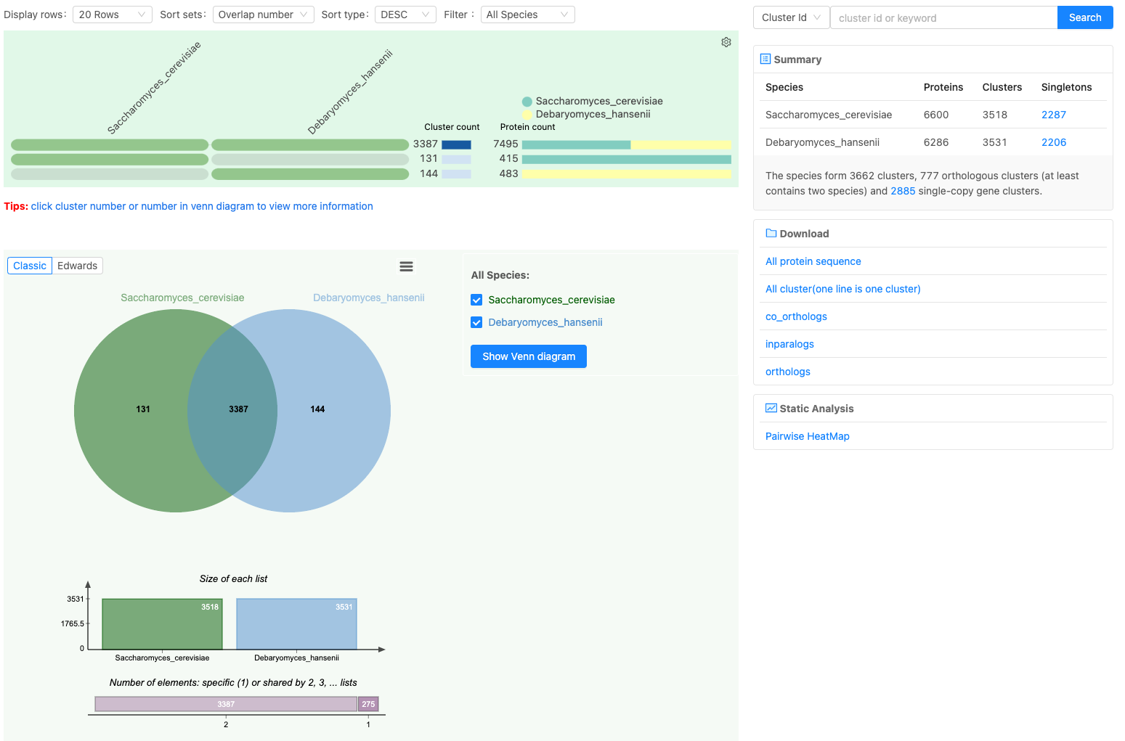

All pairs without DEHA Systematic gene ID of D. hasenii was eliminated from the list. All p (protein) in the list was then modified to g (gene) to keep similarity with the gene description file from uniprot.

