Instructions
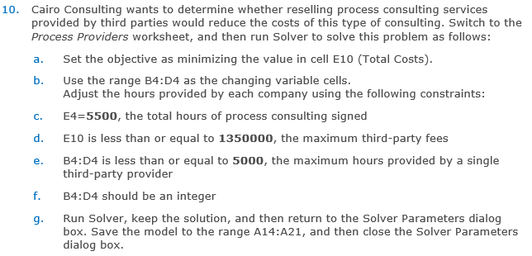
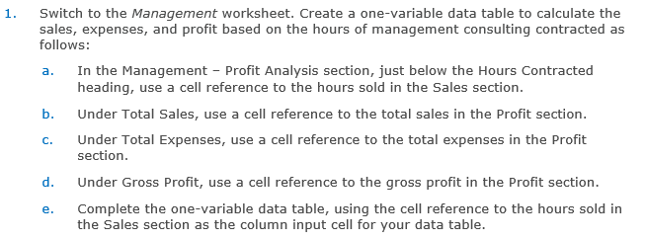

Table 1: Organizational Change Scenario Values
Values | Scenario 1 | Scenario 2
Scenario Name | Standard | Certified
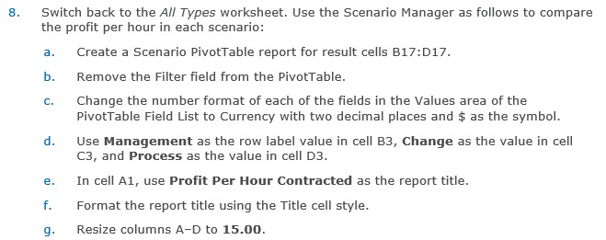
Variable_Cost_Per_Hour_Change (B11) | 380 | 420
Total_Fixed_Cost_Change (B14) | 380,000 | 335,000

