Lookup Tables
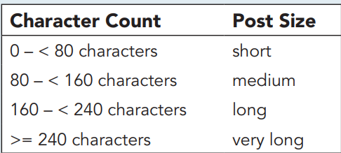
Syrmosta
Lookup Tables |  | Instructions
 |  | 1 | use data in the image to complete the lookup table in the range B4:C8
Character Count | Post Size | 2 | give the lookup table the defined name Character_Lookup.
 |  | 3 | Go to Media Posts worksheet

