Sheet1
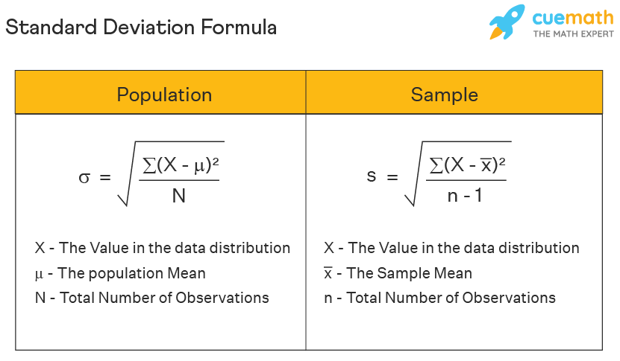
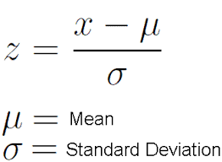
Col1 | Col2 | Z_score1 | Z_score2 | Min Max_1 | Min Max_2
1 | 100 | -0.94868329805 | -1.0023130817 | 0 | 0 |  | Train | Test
2 | 250 | -0.63245553203 | 1.3322670775 | 0.11111111111 | 1 | X | xtrain | xtest | Test Set
3 | 129 | -0.31622776602 | -0.55096091756 | 0.22222222222 | 0.19333333333 | y | ytrain | ytest | Stored in the backend
4 | 234 | 0 | 1.0832451938 | 0.33333333333 | 0.89333333333 |  | Train Set
10 | 109 | 1.8973665961 | -0.86223827211 | 1 | 0.06
4 | 164.4 | 0 | 0
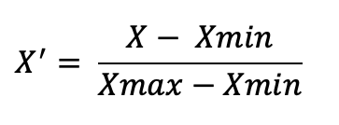
3.1622776602 | 64.251381308 | 1.1180339887 | 1.1180339887
1 | 100
10 | 250 | sd formula | Python |  | After Scaling each and every column in the data will have a mean of 0 and SD 1
 | Sigma = Pop Sd | N | ddof = 0
 | s = sample sd | n-1 | ddof = 1

