Sheet1
-(Beta0+Beta1x) | prob | Class
-100 | 3.720075976E-44 | 0
-9 | 0.00012339457599 | 0
-8 | 0.00033535013047 | 0
-7 | 0.0009110511944 | 0
-6 | 0.0024726231566 | 0
-5 | 0.0066928509243 | 0
-4 | 0.017986209962 | 0
-3 | 0.047425873178 | 0
-2 | 0.11920292202 | 0
-1 | 0.26894142137 | 0
0 | 0.5 | 1
1 | 0.73105857863 | 1
2 | 0.88079707798 | 1
3 | 0.95257412682 | 1
4 | 0.98201379004 | 1
5 | 0.99330714908 | 1
6 | 0.99752737684 | 1
7 | 0.99908894881 | 1
8 | 0.99966464987 | 1
9 | 0.99987660542 | 1
10000 | 1 | 1

classification report
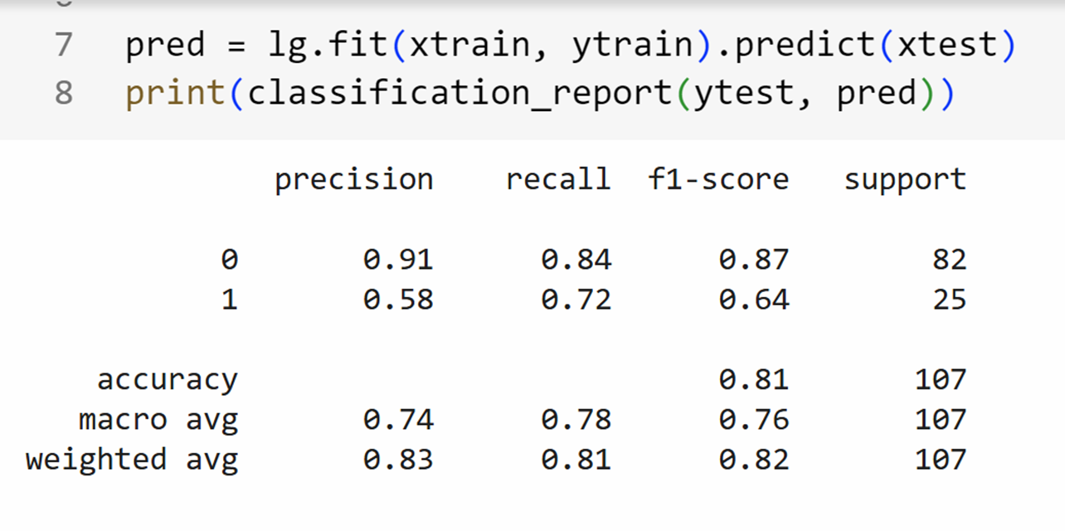
 |  | Actual
 |  | 0 | 1
Predicted | 0 | 69 | 13
 | 1 | 7 | 18
 |  |  | 107
Accuracy | 0.81 |  |  | Tp+Tn/(TP+TN+FN+FP)
Precision

