Sheet1
-(Beta0+Beta1x) | prob | Class
-100 | 3.720075976E-44 | 0
-9 | 0.00012339457599 | 0
-8 | 0.00033535013047 | 0
-7 | 0.0009110511944 | 0
-6 | 0.0024726231566 | 0
-5 | 0.0066928509243 | 0
-4 | 0.017986209962 | 0
-3 | 0.047425873178 | 0
-2 | 0.11920292202 | 0
-1 | 0.26894142137 | 0
0 | 0.5 | 1
1 | 0.73105857863 | 1
2 | 0.88079707798 | 1
3 | 0.95257412682 | 1
4 | 0.98201379004 | 1
5 | 0.99330714908 | 1
6 | 0.99752737684 | 1
7 | 0.99908894881 | 1
8 | 0.99966464987 | 1
9 | 0.99987660542 | 1
10000 | 1 | 1

classification report
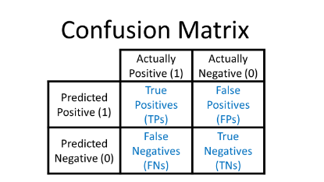
 |  | Actual
 |  | 0 | 1
Predicted | 0 | 69 | 13
 | 1 | 7 | 18
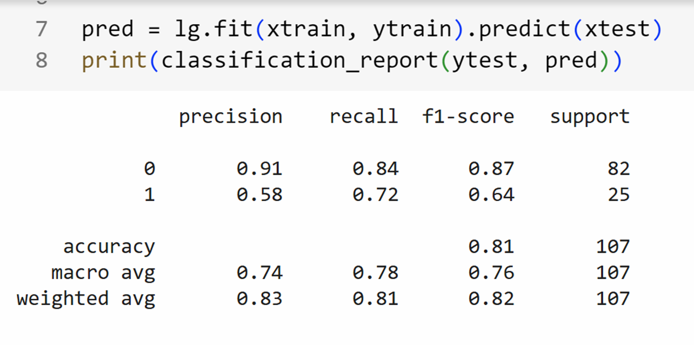
 |  |  | 107
Accuracy | 0.81
Precision | 0.91 |  | Class 0
Recall | 0.84 |  | TP | 69
F1 Score | 0.87 |  | FP | 7
 |  |  | FN | 13 |  | 0 becoming 1 is FP
 |  |  | TN | 18 |  | 1 becoming 0 is FN

Class 1 |  |  | Class 1
Precision | 0.5806 |  | TP | 18 | 0 | 0.91 | 0.84 | 0.87 | 82
Recall | 0.72 |  | FP | 13 | 1 | 0.58 | 0.72 | 0.64 | 25
F1 Score | 0.64 |  | FN | 7 | Macro Avg | 0.745 | 0.78 | 0.76
 |  |  | TN | 69 | Wt Avg | 0.83 | 0.81 | 0.82 | 107

Sheet3
Actual | Predicted | Match |  |  | Airplane | Car | Boat
Airplane | Airplane | Yes | Actual | Airplane | 2 | 0 | 1
Car | Boat | No |  | Car | 1 | 3 | 2
Car | Car | Yes |  | Boat | 0 | 0 | 1 | 10
Car | Car | Yes
Car | Boat | No

Airplane | Boat | No - FP
Boat | Boat | Yes
Car | Airplane | No
Airplane | Airplane | Yes
Car | Car | Yes

 |  |  | -ve | +ve
 |  | -ve | true neg | False +
 |  | +ve | False -ve | true pos

