sheet1
 | ZHEJIANG NEWFINE INDUSTRY CO.,LTD No.225 Dongqing Road, Jiaxing, Zhejiang,China Tel:86-573-82218645
SALES CONFIRMATION

To: | GENERATION LOVE LLC |  |  |  |  |  |  |  |  |  |  |  |  |  |  | S/C No.: | XS20240229
 | 44-02 11th ST. Suite 315 | Long Island City, NY 11101 UNITED STATES |  |  |  |  |  |  |  |  |  |  |  |  |  |  | Date: | 2024-02-28
 | 646-603-1224 |  |  |  |  |  |  |  |  |  |  |  |  |  |  | Price Term: | FOB SHANGHIA
Payment Term: | T/T 30 days after shipment |  |  |  |  |  |  |  |  |  |  |  |  |  |  | Ship To | NEW YORK
Ship By: | BY AIR |  |  |  |  |  |  |  |  |  |  |  |  |  |  | ETD: | AS BELOW
 |  |  |  |  |  |  |  |  |  |  |  |  |  |  |  | PO No.: | AS BELOW

Item No. | Picture | Description | Color |  | SIZE |  |  |  |  |  |  |  |  | Unit Price | Quantity | Amount | X-FACTORY | PO | Remark
 |  |  |  |  | XXS | XS | S | M | L | XL | XXL | ONE
 |  |  |  |  | 24 | 25 | 26 | 27 | 28 | 29 | 30 | 31 | 32
SU24531-1 24-32 | 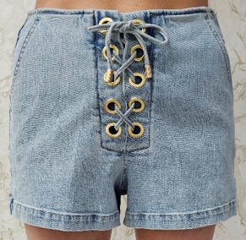 | MELINA DENIM SHORTS | Light Blue | 1592元，彤宇代付 | 1 | 1 | 1 | 1 | 1 | 1 | 1 |  |  | $27.40 | 149 | $4,082.60 | 2024-04-15 | 10745 | RT
 |  |  |  |  | 2 | 6 | 8 | 10 | 7 | 3 | 2 | 1 | 1 |  |  |  | 2024-04-15 | 10744 | WEB
 |  |  |  |  | 9 | 16 | 19 | 19 | 16 | 11 | 7 | 4 | 1 |  |  |  | 2024-04-15 | 10746 | WS
SU24511-1 | 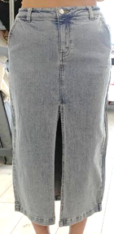 | MEDINA DENIM SKIRT | Light Blue |  |  |  |  |  |  |  |  |  |  | $26.18 | 244 | $6,387.92

 |  |  |  |  | 17 | 30 | 43 | 45 | 39 | 29 | 18 | 12 | 11 |  |  |  | 2024-04-15 | 10746 | WS
SU24571-1 24-32 | 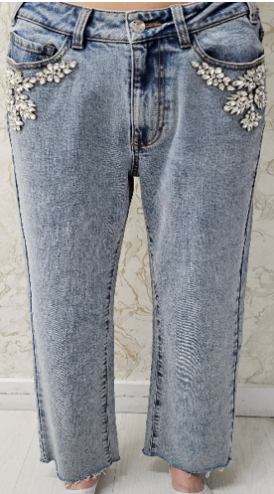 | CAROLYN CRYSTAL DENIM PANTS | Light Blue | 彤宇8652不含税 | 1 | 1 | 2 | 2 | 1 | 1 | 1 | 1 | 1 | $37.90 | 188 | $7,125.20 | 2024-04-15 | 10745 | RT
 |  |  |  |  | 2 | 3 | 4 | 9 | 5 | 4 | 3 | 1 | 1 |  |  |  | 2024-04-15 | 10744 | WEB | 客人写了30.74，实际应该37.9+没有款号的
 |  |  |  |  | 7 | 22 | 30 | 31 | 27 | 16 | 7 | 4 | 1 |  |  |  | 2024-04-15 | 10746 | WS
SU24643-1 | 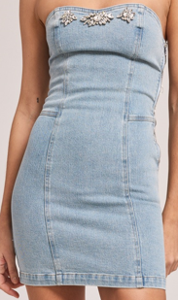 | IDARA CRYSTAL DENIM DRESS | Light Blue | 986辅料张慧不含税 |  |  |  |  |  |  |  |  |  | $39.24 | 71 | $2,786.04

 |  |  |  |  |  | 14 | 22 | 19 | 11 | 5 |  |  |  |  |  |  | 2024-05-15 | 10747 | WS
SU24102-1 | 面料：95%POLY 5%SPANDEX 里料：100%COTTON | SYLVIE CRYSTAL TOP | BARE/CLEAR |  | 1 | 1 | 2 | 1 | 1 |  |  |  |  | $24.50 | 65 | $1,592.50 | 04/15/2024 | 10705 | RT
 |  |  |  |  | 3 | 8 | 10 | 8 | 2 | 1 |  |  |  |  |  |  | 04/15/2024 | 10706 | WEB
 |  |  |  |  | 1 | 8 | 10 | 7 | 1 |  |  |  |  |  |  |  | 04/15/2024 | 10704 | WS
SU24134-1 | 面料：95%POLY 5%SPANDEX 里料：100%COTTON | MELISSA CRYSTAL TANK | BARE/CLEAR |  | 2 | 2 | 3 | 2 | 1 | 1 | 1 |  |  | $14.00 | 200 | $2,800.00 | 04/15/2024 | 10705 | RT
 |  |  |  |  | 5 | 7 | 12 | 13 | 7 | 4 | 2 |  |  |  |  |  | 04/15/2024 | 10706 | WEB
 |  |  |  |  | 2 | 31 | 44 | 35 | 21 | 4 | 1 |  |  |  |  |  | 04/15/2024 | 10704 | WS
SU24134-2 | 面料：95%POLY 5%SPANDEX 里料：100%COTTON | MELISSA CRYSTAL TANK | Black/Black |  | 1 | 3 | 3 | 2 | 1 | 1 | 1 |  |  | $14.00 | 314 | $4,396.00 | 04/15/2024 | 10705 | RT
 |  |  |  |  | 2 | 8 | 12 | 9 | 6 | 2 | 1 |  |  |  |  |  | 04/15/2024 | 10706 | WEB
 |  |  |  |  | 2 | 64 | 86 | 67 | 38 | 5 |  |  |  |  |  |  | 04/15/2024 | 10704 | WS
SU24210-1 | 58% RECYCLED POLYESTER / 38% POLYESTER / 2% RECYCLED ELASTANE / 2% ELASTANE | BRENDA RIB TANK | White |  | 1 | 1 | 1 | 1 | 1 | 1 |  |  |  | $8.00 | 67 | $536.00 | 04/15/2024 | 10705 | RT

 |  |  |  |  | 1 | 13 | 19 | 16 | 9 | 3 |  |  |  |  |  |  | 04/15/2024 | 10704 | WS
SU24210-2 | 58% RECYCLED POLYESTER / 38% POLYESTER / 2% RECYCLED ELASTANE / 2% ELASTANE | BRENDA RIB TANK | Black |  | 1 | 1 | 1 | 1 | 1 | 1 |  |  |  | $8.00 | 55 | $440.00 | 04/15/2024 | 10705 | RT

 |  |  |  |  | 1 | 12 | 15 | 13 | 7 | 1 |  |  |  |  |  |  | 04/15/2024 | 10704 | WS
SU24619-1 | 面料：95%POLY 5%SPANDEX 里料：100%COTTON | PERI CRYSTAL DRESS | BARE/CLEAR |  | 1 | 1 | 2 | 2 | 1 | 1 |  |  |  | $24.50 | 93 | $2,278.50 | 04/15/2024 | 10705 | RT
 |  |  |  |  | 4 | 6 | 14 | 10 | 3 | 2 | 1 |  |  |  |  |  | 04/15/2024 | 10706 | WEB
 |  |  |  |  |  | 12 | 17 | 12 | 3 | 1 |  |  |  |  |  |  | 04/15/2024 | 10704 | WS
SU24619-2 | 面料：95%POLY 5%SPANDEX 里料：100%COTTON | PERI CRYSTAL DRESS | Black/Black |  | 1 | 2 | 1 | 1 | 1 | 1 |  |  |  | $24.50 | 143 | $3,503.50 | 04/15/2024 | 10705 | RT
 |  |  |  |  | 2 | 3 | 8 | 6 | 3 | 1 | 1 |  |  |  |  |  | 04/15/2024 | 10706 | WEB
 |  |  |  |  | 1 | 23 | 34 | 31 | 18 | 5 |  |  |  |  |  |  | 04/15/2024 | 10704 | WS
SU24546-1 00-14 | 面料：95%POLY 5%SPANDEX 里料：100%COTTON | NINA CRYSTAL SKIRT | BAREC |  | 2 | 3 | 6 | 7 | 5 | 4 | 3 | 1 | 1 | $17.00 | 38 | $646.00 | 04/15/2024 | 10706 | WEB
 |  |  |  |  |  | 1 | 1 | 2 | 1 | 1 |  |  |  |  |  |  | 04/15/2024 | 10704 | WS
SU24546-2 00-14 | 面料：95%POLY 5%SPANDEX 里料：100%COTTON | NINA CRYSTAL SKIRT | Black/Black |  | 2 | 3 | 5 | 7 | 5 | 4 | 3 | 2 | 1 | $17.00 | 63 | $1,071.00 | 04/15/2024 | 10706 | WEB
 |  |  |  |  |  | 2 | 6 | 9 | 7 | 4 | 3 |  |  |  |  |  | 04/15/2024 | 10704 | WS
SU24215-1 | 58% RECYCLED POLYESTER / 38% POLYESTER / 2% RECYCLED ELASTANE / 2% ELASTANE | CAMILLE RIB BODYSUIT | White |  | 1 | 2 | 3 | 2 | 2 | 1 | 1 |  |  | $9.00 | 218 | $1,962.00 | 05/15/2024 | 10708 | RT
 |  |  |  |  | 2 | 8 | 11 | 10 | 6 | 2 | 1 |  |  |  |  |  | 05/15/2024 | 10709 | WEB
 |  |  |  |  |  | 37 | 53 | 44 | 24 | 8 |  |  |  |  |  |  | 05/15/2024 | 10707 | WS
SU24637-1 |  | CAMILLE RIB BODYSUIT | Black |  | 1 | 1 | 2 | 1 | 1 | 1 |  |  |  | $12.80 | 98 | $1,254.40 | 05/15/2024 | 10708 | RT
 |  |  |  |  | 4 | 6 | 14 | 11 | 4 | 2 | 1 |  |  |  |  |  | 05/15/2024 | 10709 | WEB
 |  |  |  |  | 1 | 11 | 18 | 13 | 5 | 1 |  |  |  |  |  |  | 05/15/2024 | 10707 | WS
SU24641-2 |  | REBECCA RIB DRESS | Black |  | 5 | 7 | 17 | 14 | 4 | 2 | 1 |  |  | $11.10 | 272 | $3,019.20 | 05/15/2024 | 10709 | WEB
 |  |  |  |  | 1 | 54 | 73 | 60 | 29 | 5 |  |  |  |  |  |  | 05/15/2024 | 10707 | WS
 |  |  |  |  |  |  |  |  |  |  |  |  |  |  | 2278 | $43,880.86

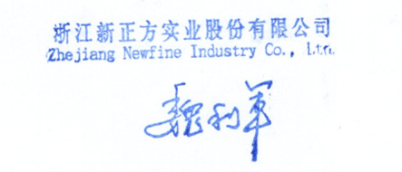
Bank Information
BENEFICIARY : ZHEJIANG NEWFINE INDUSTRY CO., LTD
BANK NAME : Agricultural Bank of China, Zhejiang Branch
ACCOUNT NO : 19300414040000887
SWIFT CODE : ABOCCNBJ110
CURRENCY: USD

