sheet1
 | ZHEJIANG NEWFINE INDUSTRY CO.,LTD No.225 Dongqing Road, Jiaxing, Zhejiang,China Tel:86-573-82218645
SALES CONFIRMATION

To: | GENERATION LOVE LLC |  |  |  |  |  |  |  |  |  |  |  |  |  | S/C No.: | XS2023307
 | 44-02 11th ST. Suite 315 | Long Island City, NY 11101 UNITED STATES |  |  |  |  |  |  |  |  |  |  |  |  |  | Date: | 2023-11-20
 | 646-603-1224 |  |  |  |  |  |  |  |  |  |  |  |  |  | Price Term: | FOB SHANGHIA
Payment Term: | T/T 30 days after shipment |  |  |  |  |  |  |  |  |  |  |  |  |  | Ship To | NEW YORK
Ship By: | BY AIR |  |  |  |  |  |  |  |  |  |  |  |  |  | ETD: | AS BELOW
 |  |  |  |  |  |  |  |  |  |  |  |  |  |  | PO No.: | AS BELOW

Item No. | Picture | Description | Color | SIZE |  |  |  |  |  |  |  |  | Unit Price | Quantity | Amount | X-FACTORY | PO | Remark
 |  |  |  | XXS | XS | S | M | L | XL | XXL | ONE
 |  |  |  | 24 | 25 | 26 | 27 | 28 | 29 | 30 | 31 | 32
SP24592-1 | 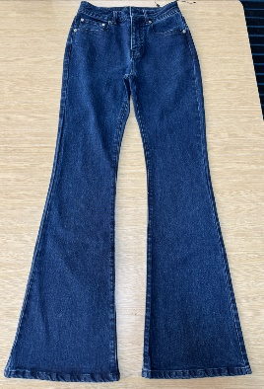 | DEBORA DENIM PANTS size.24-32 | BLUE CRUSH | 3 | 9 | 11 | 10 | 7 | 6 | 5 | 1 |  | $25.80 | 52 | $1,341.60 | 2023-12-20 | 10620 | YOU PROVIDE CHAIN

SP24592-2 | 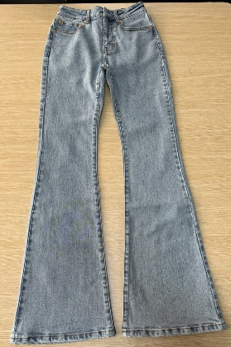 | DEBORA DENIM PANTS size.24-32 | Light Blue | 1 | 2 | 2 | 2 | 2 | 1 | 1 |  |  | $25.80 | 51 | $1,315.80 | 2023-12-20 | 10620 | YOU PROVIDE CHAIN
 |  |  |  | 4 | 4 | 7 | 6 | 6 | 7 | 2 | 2 | 2 |  |  |  | 2023-12-20 | 10621
SP24630-1 | 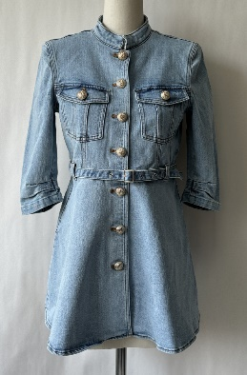 | MACKENZIE DENIM DRESS | Light Blue | 1 | 66 | 104 | 91 | 48 | 23 | 1 |  |  | $52.50 | 409 | $21,472.50 | 2023-12-20 | 10620 | YOU PROVIDE SHANK BUTTON
 |  |  |  | 3 | 18 | 23 | 16 | 8 | 6 | 1 |  |  |  |  |  | 2023-12-20 | 10621
SP24333-1 | 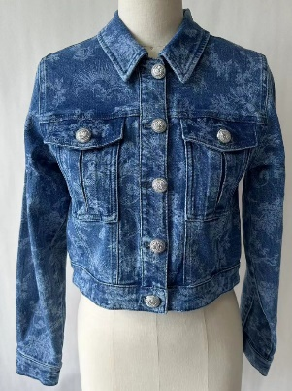 | SUNNY POLKA DOT DENIM JACKET | BLUE CRUSH |  | 7 | 11 | 12 | 9 |  |  |  |  | $37.50 | 139 | $5,212.50 | 2024-01-19 | 10624 | YOU PROVIDE SHANK BUTTON
 |  |  |  | 7 | 18 | 33 | 28 | 5 | 5 | 4 |  |  |  |  |  | 2024-01-19 | 10625
SP24528-1 | 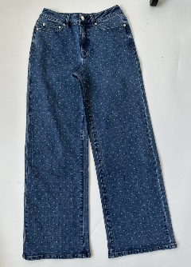 | JUDITH POLKA DOT DENIM PANTS size.24-32 | BLUE CRUSH |  |  |  | 1 | 1 |  | 1 |  |  | $28.00 | 100 | $2,800.00 | 2024-01-19 | 10624
 |  |  |  | 5 | 5 | 10 | 8 | 7 | 9 | 2 | 2 | 2 |  |  |  | 2024-01-19 | 10625
SP24649-1 | 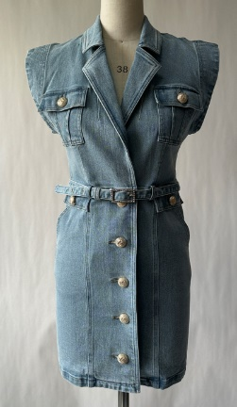 | LUEY DENIM DRESS size.00-14 | Light Blue |  | 6 | 24 | 27 | 26 | 10 | 4 | 1 |  | $30.50 | 158 | $4,819.00 | 2024-01-12 | 10622 | YOU PROVIDE SHANK BUTTON
 |  |  |  | 1 | 7 | 7 | 14 | 16 | 6 | 4 | 3 | 2 |  |  |  | 2024-01-12 | 10623
SP24310-1 | 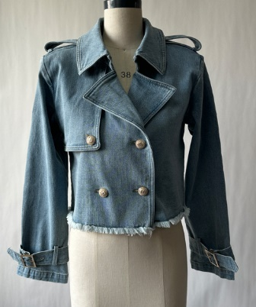 | CAMILA DENIM TRENCH COAT | Light Blue | 3 | 86 | 132 | 112 | 62 | 20 | 1 |  |  | $25.50 | 500 | $12,750.00 | 2024-01-12 | 10622 | YOU PROVIDE SHANK BUTTON
 |  |  |  | 4 | 17 | 26 | 18 | 6 | 2 | 2 |  |  |  |  |  | 2024-01-12 | 10623
SP24359-1 | 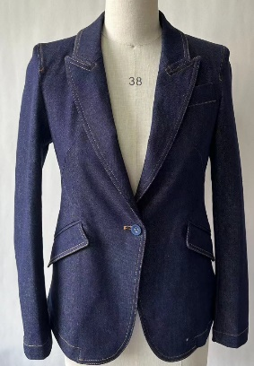 | OLLIE SHEEN DENIM BLAZER | DARK DENIM BLUE | 20 | 149 | 233 | 210 | 127 | 53 | 6 |  |  | $29.50 | 848 | $25,016.00 | 2024-01-12 | 10622 | YOU PROVIDE BUTTON
 |  |  |  | 2 | 5 | 13 | 16 | 8 | 4 | 2 |  |  |  |  |  | 2024-01-12 | 10623
SP24554-1 | 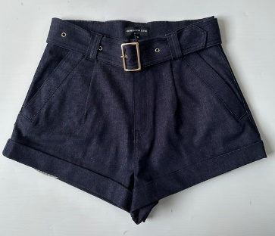 | ERINA SHEEN DENIM SHORTS size.24-32 | DARK DENIM BLUE | 21 | 41 | 57 | 54 | 42 | 23 | 12 | 1 | 1 | $24.00 | 302 | $7,248.00 | 2024-01-12 | 10622
 |  |  |  | 5 | 5 | 10 | 8 | 7 | 9 | 2 | 2 | 2 |  |  |  | 2024-01-12 | 10623
SP24555-1 | 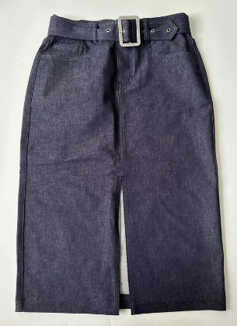 | MELISSA SHEEN DENIM SKIRT size.24-32 | DARK DENIM BLUE | 6 | 13 | 18 | 24 | 21 | 13 | 6 | 3 | 2 | $25.50 | 146 | $3,723.00 | 2024-01-12 | 10622 | YOU PROVIDE BUCKLE
 |  |  |  | 2 | 5 | 6 | 9 | 7 | 4 | 3 | 3 | 1 |  |  |  | 2024-01-12 | 10623
SP24582-1 | 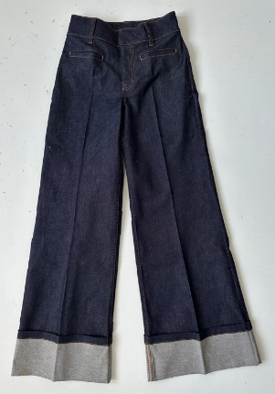 | RAQUEL SHEEN DENIM PANTS size.24-32 | DARK DENIM BLUE | 13 | 23 | 36 | 34 | 32 | 18 | 11 | 5 | 4 | $28.00 | 216 | $6,048.00 | 2024-01-12 | 10622
 |  |  |  | 4 | 4 | 7 | 6 | 6 | 7 | 2 | 2 | 2 |  |  |  | 2024-01-12 | 10623
SP24664-1 |  | KALANI SHEEN DENIM DRESS size.00-14 | DARK DENIM BLUE |  | 3 | 13 | 13 | 12 | 9 | 5 | 1 |  | $34.50 | 106 | $3,657.00 | 2024-01-12 | 10622 | YOU PROVIDE BUCKLE AND CRYSTAL STRAP
 |  |  |  | 1 | 5 | 6 | 12 | 13 | 5 | 4 | 3 | 1 |  |  |  | 2024-01-12 | 10623
SP24604-1 |  | KALANI DENIM DRESS size.00-14 | Light Blue |  | 1 | 6 | 8 | 7 | 3 | 1 |  |  | $34.50 | 101 | $3,484.50 | 2024-01-19 | 10624 | YOU PROVIDE BUCKLE AND CRYSTAL STRAP
 |  |  |  | 2 | 8 | 10 | 18 | 21 | 7 | 4 | 3 | 2 |  |  |  | 2024-01-19 | 10625
SP24601-1 | 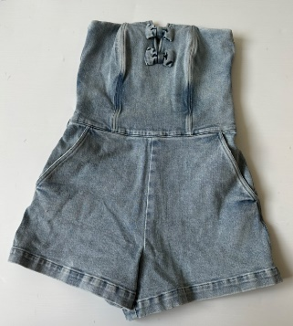 | MARLEY DENIM ROMPER size.00-14 | Light Blue |  |  | 1 | 1 | 1 |  |  |  |  | $29.50 | 100 | $2,950.00 | 2024-01-19 | 10624
 |  |  |  | 3 | 5 | 14 | 21 | 13 | 10 | 5 | 2 | 2 |  |  |  | 2024-01-19 | 10625
SP24363-1 | 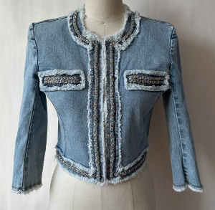 | KENZIE DENIM JACKET | Light Blue | 2 | 34 | 64 | 54 | 29 | 5 | 1 |  |  | $47.00 | 389 | $18,283.00 | 2024-01-19 | 10624 | YOU PROVIDE BUTTON
 |  |  |  | 14 | 37 | 66 | 57 | 9 | 9 | 8 |  |  |  |  |  | 2024-01-19 | 10625
SP24103-1 | 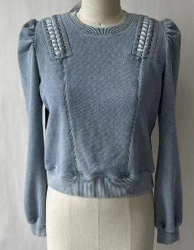 | JOE LACE-UP SWEATSHIRT | Washed Denim | 5 | 37 | 50 | 41 | 28 | 6 | 1 |  |  | $24.50 | 268 | $6,566.00 | 2024-01-19 | 10624
 |  |  |  | 7 | 18 | 29 | 24 | 14 | 7 | 1 |  |  |  |  |  | 2024-01-19 | 10625
SP24506-1 |  | MICKEY LACE-UP SWEATPANTS | Washed Denim |  | 7 | 10 | 7 | 7 |  |  |  |  | $23.50 | 100 | $2,350.00 | 2024-01-19 | 10624
 |  |  |  | 5 | 9 | 22 | 16 | 5 | 2 | 1 |  |  |  |  |  | 2024-01-19 | 10625
SP24248-1 |  | JERRY TOP | SAGE | 1 | 9 | 13 | 12 | 8 |  |  |  |  | $7.00 | 93 | $651.00 | 2023-01-12 | 10642
 |  |  |  | 4 | 9 | 15 | 12 | 7 | 3 |  |  |  |  |  |  | 2023-01-12 | 10643
SP24248-2 |  | JERRY TOP | Black | 3 | 8 | 9 | 8 | 6 | 1 | 1 |  |  | $7.00 | 86 | $602.00 | 2023-01-12 | 10642
 |  |  |  | 4 | 9 | 15 | 12 | 7 | 3 |  |  |  |  |  |  | 2023-01-12 | 10643
SP24248-3 |  | JERRY TOP | White | 2 | 8 | 10 | 9 | 3 |  |  |  |  | $7.00 | 82 | $574.00 | 2023-01-12 | 10642
 |  |  |  | 4 | 9 | 15 | 12 | 7 | 3 |  |  |  |  |  |  | 2023-01-12 | 10643
SP24602-1 |  | PALMERO DRESS | White |  | 1 | 3 | 3 | 1 |  |  |  |  | $11.55 | 8 | $92.40 | 2023-01-12 | 10642
 |  |  |  |  |  |  |  |  |  |  |  |  |  |  |  | 2023-01-12 | 10643
SP24602-2 |  | PALMERO DRESS | SAGE | 1 | 4 | 7 | 7 | 5 |  |  |  |  | $11.55 | 74 | $854.70 | 2023-01-12 | 10642
 |  |  |  | 2 | 12 | 15 | 11 | 5 | 4 | 1 |  |  |  |  |  | 2023-01-12 | 10643
SP24638-1 |  | PALMERO STRIPE DRESS | NAVY/WHITE | 1 | 10 | 12 | 12 | 6 |  |  |  |  | $11.55 | 73 | $843.15 | 2023-01-12 | 10642
 |  |  |  | 1 | 8 | 10 | 7 | 3 | 2 | 1 |  |  |  |  |  | 2023-01-12 | 10643
SP24138-1 |  | TOM CRYSTAL TOP | Black |  |  |  |  |  |  |  |  |  | $7.00 | 50 | $350.00

SP24138-2 |  | TOM CRYSTAL TOP | White |  |  |  |  |  |  |  |  |  | $7.00 | 46 | $322.00

SP24503-1 | 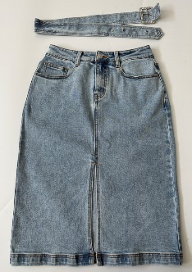 | LUANNE DENIM SKIRT 24-32 | Light Blue | 11 | 18 | 19 | 19 | 18 | 9 | 9 |  |  | $30.00 | 153 | $4,590.00 | 2024-01-12 | 10655 | YOU PROVIDE BUCKLE
 |  |  |  | 2 | 7 | 8 | 11 | 8 | 5 | 4 | 3 | 2 |  |  |  | 2024-01-12 | 10656
SP24517-1 | 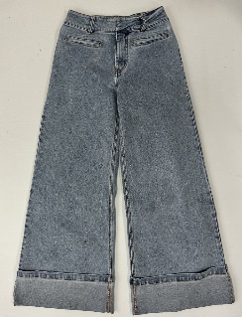 | RAQUEL DENIM PANTS 24-32 | Light Blue | 11 | 18 | 22 | 20 | 16 | 11 | 6 | 2 | 2 | $30.00 | 140 | $4,200.00 | 2024-01-12 | 10655
 |  |  |  | 3 | 4 | 6 | 5 | 5 | 6 | 1 | 1 | 1 |  |  |  | 2024-01-12 | 10656
SP24517-2 | 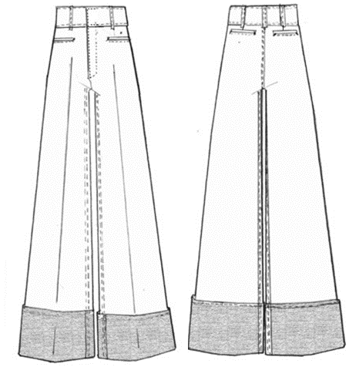 | RAQUEL DENIM PANTS 24-32 | White | 7 | 16 | 24 | 26 | 22 | 14 | 4 | 4 |  | $30.00 | 149 | $4,470.00 | 2024-01-19 | 10657
 |  |  |  | 3 | 4 | 6 | 5 | 5 | 6 | 1 | 1 | 1 |  |  |  | 2024-01-19 | 10658
SP24516-1 | 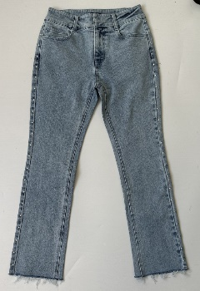 | JULIANA DENIM PANTS 24-32 | Light Blue | 6 | 10 | 15 | 18 | 14 | 11 | 7 |  |  | $30.00 | 81 | $2,430.00 | 2024-01-12 | 10655

SP24504-1 | 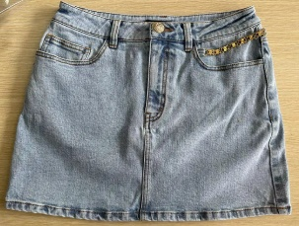 | SYDNEE DENIM SKIRT 24-32 | Light Blue | 7 | 21 | 31 | 29 | 20 | 9 | 3 | 1 | 1 | $29.30 | 154 | $4,512.20 | 2024-01-19 | 10657
 |  |  |  | 1 | 4 | 5 | 8 | 5 | 3 | 3 | 2 | 1 |  |  |  | 2024-01-19 | 10658
SP24510-1 |  | BROOKLYN DENIM PANTS 24-32 | Light Blue | 3 | 3 | 3 | 4 | 3 | 3 |  |  |  | $30.50 | 69 | $2,104.50 | 2024-01-19 | 10657
 |  |  |  | 5 | 5 | 10 | 8 | 7 | 9 | 2 | 2 | 2 |  |  |  | 2024-01-19 | 10658
SP24510-2 | 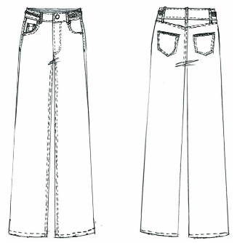 | BROOKLYN DENIM PANTS 24-32 | White | 3 | 4 | 5 | 5 | 2 | 1 | 1 |  |  | $30.50 | 71 | $2,165.50 | 2024-01-19 | 10657
 |  |  |  | 5 | 5 | 10 | 8 | 7 | 9 | 2 | 2 | 2 |  |  |  | 2024-01-19 | 10658
SP24322-1 | 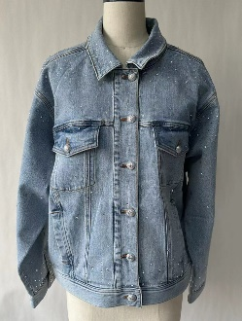 | DELANCEY CRYSTAL DENIM JACKET | Light Blue | 7 | 38 | 52 | 40 | 22 | 3 | 2 |  |  | $39.50 | 239 | $9,440.50 | 2024-01-26 | 10659 | YOU PROVIDE BUTTON
 |  |  |  | 5 | 14 | 24 | 21 | 4 | 4 | 3 |  |  |  |  |  | 2024-01-26 | 10660
SP24519-1 | 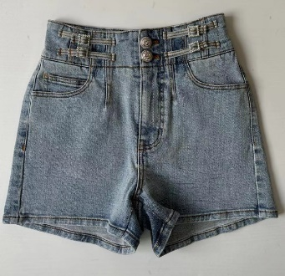 | OTTAVIA DENIM SHORTS 24-32 | Light Blue | 2 | 3 | 5 | 5 | 4 | 1 |  |  |  | $26.50 | 52 | $1,378.00 | 2024-01-26 | 10659 | YOU PROVIDE BUTTON
 |  |  |  | 3 | 4 | 6 | 5 | 5 | 6 | 1 | 1 | 1 |  |  |  | 2024-01-26 | 10660
SP24519-2 |  | OTTAVIA DENIM SHORTS 24-32 | White | 3 | 3 | 4 | 4 | 1 |  |  |  |  | $26.50 | 47 | $1,245.50 | 2024-01-26 | 10659 | YOU PROVIDE BUTTON
 |  |  |  | 3 | 4 | 6 | 5 | 5 | 6 | 1 | 1 | 1 |  |  |  | 2024-01-26 | 10660
SP24305-1 | 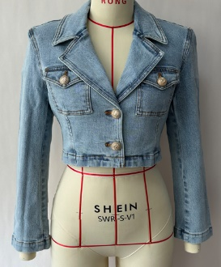 | KARLIE DENIM BLAZER | Light Blue |  | 25 | 37 | 27 | 15 | 1 |  |  |  | $31.00 | 230 | $7,130.00 | 2024-01-26 | 10659 | YOU PROVIDE BUTTON
 |  |  |  | 9 | 25 | 37 | 34 | 12 | 5 | 3 |  |  |  |  |  | 2024-01-26 | 10660

 |  |  |  |  |  |  |  |  |  |  |  |  |  | 5882 | $176,992.35

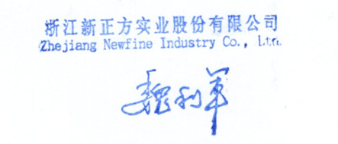
Bank Information
BENEFICIARY : ZHEJIANG NEWFINE INDUSTRY CO., LTD
BANK NAME : Agricultural Bank of China, Zhejiang Branch
ACCOUNT NO : 19300414040000887
SWIFT CODE : ABOCCNBJ110
CURRENCY: USD

