sheet1
 | ZHEJIANG NEWFINE INDUSTRY CO.,LTD No.225 Dongqing Road, Jiaxing, Zhejiang,China Tel:86-573-82218645
SALES CONFIRMATION

To: | RUMORED INC |  |  |  |  |  |  |  |  |  |  |  |  | S/C No.: | XS2024388
 | 17 Raritan Road Oakland NJ 07436 |  |  |  |  |  |  |  |  |  |  |  |  | Date: | 2024-06-21
 | +1201-316-5437 |  |  |  |  |  |  |  |  |  |  |  |  | Price Term: | FOB
Payment Term: | T/T 30% Deposit, the 70% balance against B/L |  |  |  |  |  |  |  |  |  |  |  |  | Ship To | U.S.A
Ship By: | BY SEA |  |  |  |  |  |  |  |  |  |  |  |  | ETD: | 2024-08-05
 |  |  |  |  |  |  |  |  |  |  |  |  |  | PO No.:
Item No. | Picture | Description | Color |  |  |  |  |  |  |  |  | Unit Price | Quantity | Amount | Remark
 |  |  |  | XS | S | M | L | XL | S/M | M/L | L/XL
SR0213 |  | Matrix Trench | Espresso | 30 | 70 | 40 | 15 | 5 |  |  |  | $29.00 | 160 | sssa | 2024-08-05 | 鑫业
SR0449 | 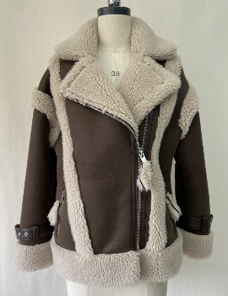 | Wrangler Shearling Jacket | Espresso Grounds | 30 | 50 | 40 | 20 | 10 |  |  |  | $33.00 | 150 | sssa | 2024-08-06
SR0058 | 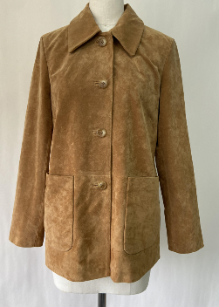 | Yellowstone Jacket | Saddle Suede | 30 | 50 | 40 | 20 | 10 |  |  |  | $47.50 | 150 | sssa | 2024-08-07 | 五海
SR0195 |  | Sinatra Coat | Oat Heathered |  |  |  |  |  | 50 | 35 | 15 | $48.00 | 100 | sssa | 2024-08-08
SR0244 |  | Madonna Coat | Alaska |  | 70 | 90 | 20 |  |  |  |  | $43.50 | 180 | sssa | 2024-08-09
SR0450 | 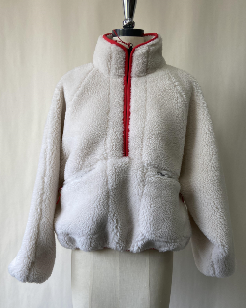 | Sun Valley Sherpa | Ecru |  |  |  |  |  | 100 | 70 | 30 | $25.50 | 200 | sssa | 2024-08-10
 |  |  | Hot Red |  |  |  |  |  | 100 | 70 | 30 | $25.50 | 200 | sssa | 2024-08-11
SR0195 |  | Sinatra Coat | BlackHeringbone |  |  |  |  |  | 50 | 35 | 15 | $39.50 | 100 | sssa | 2024-08-12
SR0244 | 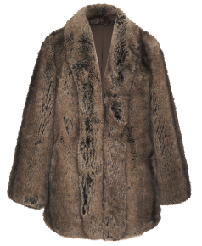 | Madonna Coat | Alaska |  |  |  |  |  |  |  |  | $43.50 | 200 | sssa | 2024-08-13
SR0488 | 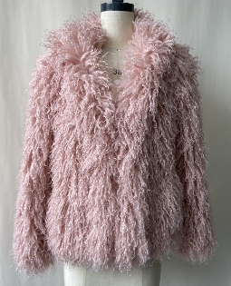 | Loveshack Jacket | Rosè |  |  |  |  |  |  |  |  | $33.50 | 200 | sssa | 2024-08-14
 |  |  |  |  |  |  |  |  |  |  |  |  |  | $0.00

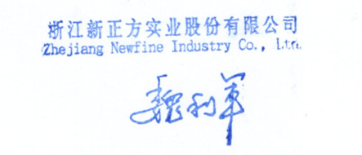
Bank Information
BENEFICIARY :
BANK NAME :
ACCOUNT NO :
SWIFT CODE :
CURRENCY: USD

