Saudi Airline
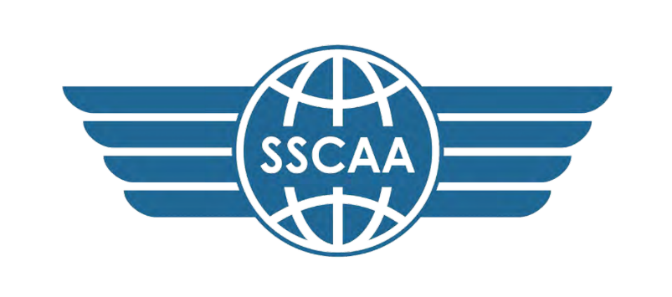

AIRLINES STATEMENT OF ACCOUNT
S/NO | AIRLINE | CHARGE TYPE | INV.REF | INV. PERIOD | AMOUNT (USD) | PAID (USD) | BALANCE (USD)
1 | FLY DEAL | Overflight | ANS-EVT7Q | 1ST MAY-31ST DEC 2025 | 389,312 | 2,528 | 386,784
 | FLY DEAL | Overflight | ANS-EVT7Q | 1ST MAY-31ST DEC 2025 |  | 50,550 | 336,234
 |  |  | ANS-EVT7Q | 1ST MAY-31ST DEC 2025 |  | 101,110 | 235,124
2 | Saudi Arabian Airlines | Overflight | ANS-DJTBY | 1ST MAY-31ST DEC 2025 | 429,760 | - | 429,760
3 | Saudi Arabian Airlines | Overflight | ANS-66TRK | 1ST JAN-10TH JAN 2026 | 25,280 | - | 25,280
4 | FLY DEAL | Overflight | ANS-WGTVG | 1ST JAN-10TH JAN 2026 | 5,056 |  | 5,056
5 | FLY DEAL | Overflight | ANS-YRTJJ | 11TH JAN-20TH JAN 2026 | 5,056 |  | 5,056
6 | Saudi Arabian Airlines | Overflight | ANS-RKTWV | 11TH JAN-20TH JAN 2026 | 30,336 |  | 30,336
TOTALS |  |  |  |  | 884,800 | 154,188 | 730,612

