Instructions
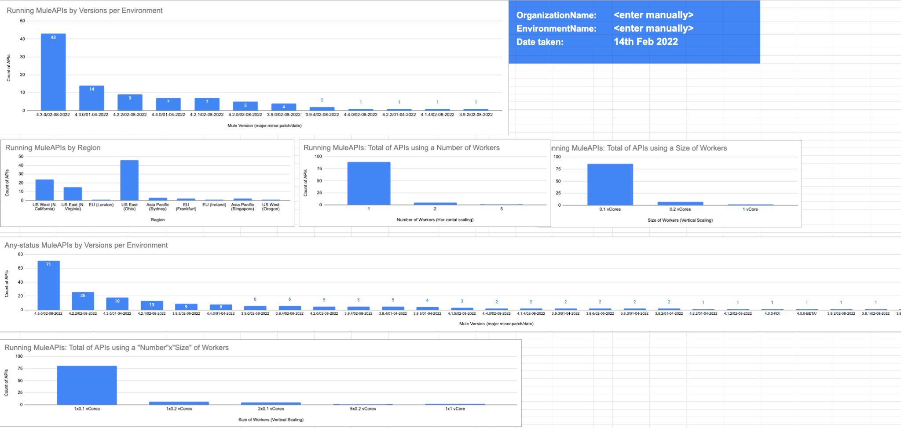
Instructions

Steps
1. Run the MuleApplication "listing-all-apis-versions". Use Postman to HTTP GET, getting an aggregated .csv of your CloudhubAPIs in one environment
2. Delete any existing data from the 'Data' sheet
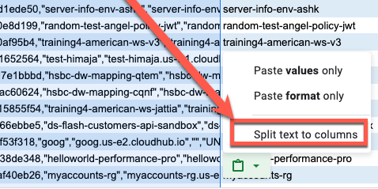
3. Select cell A1 in the 'Data' tab and paste the new data from the CSV output Copy the csv content and paste it in "Data".
4. Make sure you paste the use the "Split text to columns" where "," (comma) is the separator, like the image on the right ------------------->
Dashboard Updates
5. Go to "Dashboard" tab

*Disclaimer: This is not a MuleSoft Product and it is not Supported. It's an utility application that helps auditing your Patched applications.
Note: Only tested with Google Sheets

Contribution by Angel Alberici

Once you paste in Data, your Dashboards will get automatically populated. Example below:

Dashboard
Running MuleAPIs by Versions per Environment
OrganizationName: | <enter manually>
EnvironmentName: | <enter manually>
Date taken: | 14th Feb 2022

Any-status MuleAPIs by Versions per Environment

