IPSec
IPSec VPN Network to Network tunnel configuration
Please ensure ALL fields are filled out carefully. Empty fields will cause the form to be rejected and consequently a delay in completing the VPC setup. Once all the information is correctly filled out, it may take up to 5 business days to complete the VPC setup.

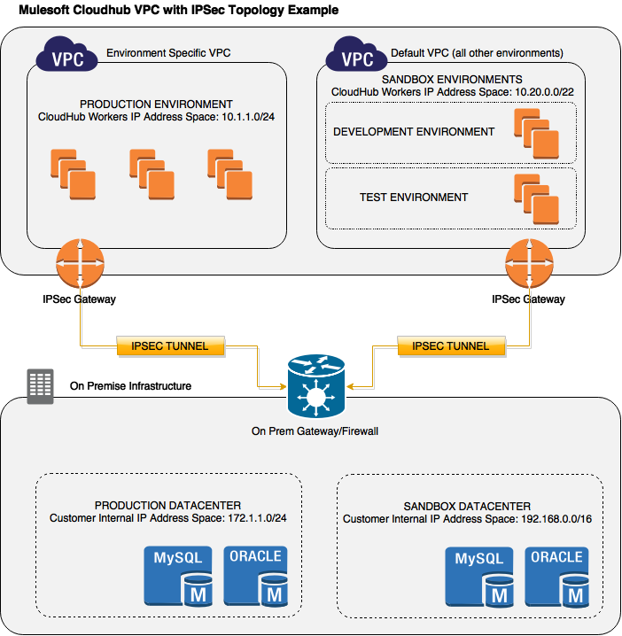
Question | Answer | Description | Example
IT Network Specialist |  | The networking specialist in the customers IT network team.This person must understand the current IP network layout of the customer as well as be a member of the team managing network routing and security for the customer
Name | -- Please Answer -- | Name of IT Network Specialist
Email | -- Please Answer -- | Email of IT Network Specialist
Business Hours Timezone | -- Please Answer -- | Please select the closest timezone to the working hours of the Network Specialist
Mobile Phone | -- Please Answer -- | Contact Mobile Phone. This is requested as Mulesoft utilise SMS to transfer secret keys as part of the initialization process for the VPC.

MuleSoft CloudHub Configuration
Anypoint Platform username | -- Please Answer -- | Please provide the username used to login to the Anypoint Platform. Failure to provide the correct username will cause the VPC request process to halt | joe.anypoint.user
CloudHub Region (Code - Name) | -- Please Answer -- | Select from the dropdown to the left the region where you want your VPC created - e.g. US East, US West, EU, Australia, Singapore, etc. You can obtain this information in CloudHub General settings page. If Global Deployment is enabled in your Organization, please specify the region where you want this VPC to be configured. CH workers region MUST match the VPC region | US East
CloudHub Workers IP Address Space (minimum accepted is /24 CIDR) | -- Please Answer -- | The Cloudhub Worker Address Space is a CIDR range of IP addresses that can be used for Cloudhub applications participating in the VPC. CH dynamically allocates an IP from this range to any application/worker deployed within the VPC. This IP range needs to be specified so that IP assignments do not conflict with any existing IP’s assigned to internal corporate machines (e.g. if the answer to #11 is 10.100.24.0/22, the answer here must not be 10.100.25.0/24). The smallest network allowed is /24. You can use http://www.ipaddressguide.com/cidr to calculate possible overlap. Minimum accepted is /24 CIDR | 10.100.20.0/24

Customer VPN Gateway Configuration
Customer VPN Gateway Public IP | -- Please Answer -- | Public IP address of the gateway connecting to the CloudHub VPC. This is the device that will be terminating the IPSec tunnel. | 217.18.136.66
VPN Gateway Device Vendor / Model / SW Version | -- Please Answer -- |  | Cisco 3900 IOS 15.0.x
Customer Internal IP Address Space (aka encryption domain, minimum accepted is /24 CIDR) | -- Please Answer -- | The internal network address space (private IP address or addresses that can't be reached otherwise from the public internet) for the customers network that CloudHub workers in this VPC will be accessing. Please ensure these address spaces include all the possible systems that the applications deployed in the VPC workers require access to. Each subnet provided (i.e. Encryption Domain) will be used to create a single tunnel. Minimum accepted is /24 CIDR, maximum /8. | 192.168.177.0/24 10.100.24.0/22
Test Endpoint | -- Please Answer -- | A TCP endpoint (host:port) internal to the customer's network that can be used to test communication from the CloudHub VPC to the customer's network. | 10.100.25.235:3066

Phase1 parameters |  | The values in the Examples column are only examples and may be different then your network requirements. Please, provide ALL the necessary correct values in the Answers column. If the dropdown does not contain the value please type it in
IKE Version | -- Please Answer -- | Please ensure this is the correct Protocol version. Failure to do so will result in significant delays for the successful completion of this request | IKEv1 or IKEv2
IKE Authentication Method | Preshared Key | Only PSK is supported | Preshared Key
IKE Encryption Algorithm | -- Please Answer -- | If the dropdown does not contain the value please type it in | AES256
IKE Authentication Algorithm | -- Please Answer -- | If the dropdown does not contain the value please type it in | hmac_sha1
IKE Diffie-Hellman Group | -- Please Answer -- | If the dropdown does not contain the value please type it in | Group2
IKE Phase1 Lifetime | -- Please Answer -- |  | 86400 seconds
IKE NAT Traversal | -- Please Answer -- |  | Yes or No
IKE Exchange Mode | Main | Only Main mode is supported

Phase 2 parameters |  | The values in the Examples column are only examples and may be different then your network requirements. Please, provide ALL the necessary correct values in the Answers column
Encryption algorithm | -- Please Answer -- | If the dropdown does not contain the value please type it in | AES256
Authentication algorithm | -- Please Answer -- | If the dropdown does not contain the value please type it in | hmac_sha1
Diffie-Hellman group (implies Perfect Forward Secrecy) | -- Please Answer -- | Select the Diffie-Hellman group if you want to use PFS in Phase 2 | Group 2
Phase2 lifetime | -- Please Answer -- |  | 3600 seconds

