Theis(1935)(Jenkins)
 | Depletion Rate
1.0 | 0.0 | 7 | 9 | 1.0 | 1
2.0 | 0.6 | 30 | 26 | 2.0
3.0 | 2.1 | 150 | 39 | 3.0
4.0 | 3.9 | 365 | 43 | 4.0
5.0 | 5.7 |  |  | 5.0
6.0 | 7.4 |  |  | 6.0
7.0 | 9.1 |  |  | 7.0
8.0 | 10.6 |  |  | 8.0
9.0 | 11.9 |  |  | 9.0
10.0 | 13.2 |  |  | 10.0
15.0 | 18.1 |  |  | 15.0
20.0 | 21.5 |  |  | 20.0
25.0 | 24.0 |  |  | 25.0
30.0 | 25.9 |  |  | 30.0
50.0 | 30.9 |  |  | 50.0
60.0 | 32.4 |  |  | 60.0
70.0 | 33.6 |  |  | 70.0
80.0 | 34.6 |  |  | 80.0
90.0 | 35.5 |  |  | 90.0
100.0 | 36.2 |  |  | 100.0
150.0 | 38.6 |  |  | 150.0
200.0 | 40.1 |  |  | 200.0
250.0 | 41.2 |  |  | 250.0
300.0 | 41.9 |  |  | 300.0
400.0 | 43.0 |  |  | 400.0
Stream depletion analysis - Theis (Jenkins) solution
Pumped aquifer |  |  | Time | Depletion Rate
Transmissivity (T) | 1000 | (m2/d) | (days) | (L/s)
Storage coefficient (S) | 0.1 | - | 1.0 | 0.0
 |  |  | 2.0 | 0.6
 |  |  | 3.0 | 2.1
 |  |  | 4.0 | 3.9
 |  |  | 5.0 | 5.7
 |  |  | 6.0 | 7.4
 |  |  | 7.0 | 9.1
 |  |  | 8.0 | 10.6
 |  |  | 9.0 | 11.9
 |  |  | 10.0 | 13.2
 |  |  | 15.0 | 18.1
 |  |  | 20.0 | 21.5
 |  |  | 25.0 | 24.0
 |  |  | 30.0 | 25.9
 |  |  | 50.0 | 30.9
Well |  |  | 60.0 | 32.4
Pumping rate (Q) | 50 | (L/s) | 70.0 | 33.6
Separation distance (L) | 500 | (m) | 80.0 | 34.6
Stream depletion factor (sdf) | 25 | (days) | 90.0 | 35.5
 |  |  | 100.0 | 36.2
 |  |  | 150.0 | 38.6
 |  |  | 200.0 | 40.1
 | 0 |  | 250.0 | 41.2
Stream depletion after |  |  | 300.0 | 41.9
Time (days) | q (L/s) | % | 400.0 | 43.0
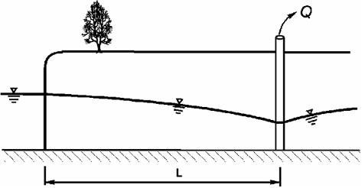
7 | 9 | 18%
30 | 26 | 52%
150 | 39 | 77%
365 | 43 | 85%
Only the values in shaded cells can be updated - all other cells are dependent on those input values.

Hunt(1999)
 | Depletion Rate
1.0 | 0.0 | 7 | 9 | 1.0 | 1
2.0 | 0.6 | 30 | 26 | 2.0
3.0 | 2.1 | 150 | 39 | 3.0
4.0 | 3.8 | 365 | 43 | 4.0
5.0 | 5.6 |  |  | 5.0
6.0 | 7.4 |  |  | 6.0
7.0 | 9.0 |  |  | 7.0
8.0 | 10.5 |  |  | 8.0
9.0 | 11.8 |  |  | 9.0
10.0 | 13.1 |  |  | 10.0
15.0 | 18.0 |  |  | 15.0
20.0 | 21.4 |  |  | 20.0
25.0 | 23.9 |  |  | 25.0
30.0 | 25.8 |  |  | 30.0
50.0 | 30.8 |  |  | 50.0
60.0 | 32.3 |  |  | 60.0
70.0 | 33.6 |  |  | 70.0
80.0 | 34.6 |  |  | 80.0
90.0 | 35.4 |  |  | 90.0
100.0 | 36.1 |  |  | 100.0
150.0 | 38.6 |  |  | 150.0
200.0 | 40.1 |  |  | 200.0
250.0 | 41.1 |  |  | 250.0
300.0 | 41.9 |  |  | 300.0
400.0 | 43.0 |  |  | 400.0
Stream depletion analysis - Hunt (1999) solution
Pumped aquifer |  |  | Time | Depletion Rate
Transmissivity (T) | 1000 | (m2/d) | (days) | (L/s)
Storage coefficient (S) | 0.1 | - | 1.0 | 0.0
 |  |  | 2.0 | 0.6
 |  |  | 3.0 | 2.1
 |  |  | 4.0 | 3.8
 |  |  | 5.0 | 5.6
 |  |  | 6.0 | 7.4
 |  |  | 7.0 | 9.0
 |  |  | 8.0 | 10.5
Streambed |  |  | 9.0 | 11.8
Hydraulic conductivity (K") | 1000 | (m/d) | 10.0 | 13.1
Thickness (B") | 1 | (m) | 15.0 | 18.0
Width (W) | 1 | (m) | 20.0 | 21.4
Stream bed conductance (λ) | 1000 | (m/d) | 25.0 | 23.9
 |  |  | 30.0 | 25.8
 |  |  | 50.0 | 30.8
Well |  |  | 60.0 | 32.3
Pumping rate (Q) | 50 | (L/s) | 70.0 | 33.6
Separation distance (L) | 500 | (m) | 80.0 | 34.6
 |  |  | 90.0 | 35.4
 |  |  | 100.0 | 36.1
 |  |  | 150.0 | 38.6
 |  |  | 200.0 | 40.1
 |  |  | 250.0 | 41.1
Stream depletion after |  |  | 300.0 | 41.9
Time (days) | q (L/s) | % | 400.0 | 43.0
7 | 9 | 18%
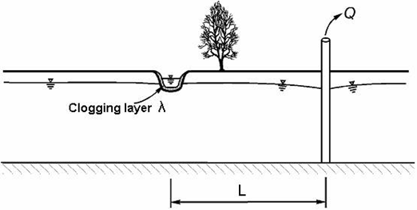
30 | 26 | 52%
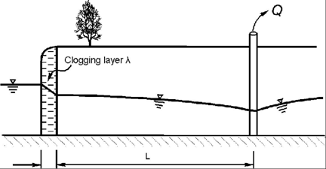
150 | 39 | 77%
365 | 43 | 85%
Only the values in shaded cells can be updated - all other cells are dependent on those input values.

Setting lambda to a very high value will give Theis solution

Hunt(2003)
 | Depletion Rate
1.0 | 0.0 | 7 | 9 | 1.0 | 1
2.0 | 0.6 | 30 | 26 | 2.0
3.0 | 2.1 | 150 | 39 | 3.0
4.0 | 3.8 | 365 | 43 | 4.0
5.0 | 5.6 |  |  | 5.0
6.0 | 7.4 |  |  | 6.0
7.0 | 9.0 |  |  | 7.0
8.0 | 10.5 |  |  | 8.0
9.0 | 11.8 |  |  | 9.0
10.0 | 13.1 |  |  | 10.0
20.0 | 21.4 |  |  | 20.0
30.0 | 25.8 |  |  | 30.0
40.0 | 28.7 |  |  | 40.0
50.0 | 30.8 |  |  | 50.0
60.0 | 32.3 |  |  | 60.0
70.0 | 33.6 |  |  | 70.0
80.0 | 34.6 |  |  | 80.0
90.0 | 35.4 |  |  | 90.0
100.0 | 36.1 |  |  | 100.0
150.0 | 38.6 |  |  | 150.0
200.0 | 40.1 |  |  | 200.0
250.0 | 41.1 |  |  | 250.0
300.0 | 41.9 |  |  | 300.0
350.0 | 42.5 |  |  | 350.0
400.0 | 43.0 |  |  | 400.0
Stream depletion analysis - Hunt (2003) solution
Pumped aquifer |  |  | Time | Depletion Rate
Transmissivity (T) | 1000 | (m2/d) | (days) | (L/s)
Storage coefficient (S) | 0.1 | - | 1.0 | 0.0
 |  |  | 2.0 | 0.6
Aquitard |  |  | 3.0 | 2.1
Hydraulic conductivity (K') | 0 | (m/d) | 4.0 | 3.8
Thickness (B') | 1 | (m) | 5.0 | 5.6
K'/B' | 0 | (d-1) | 6.0 | 7.4
Specific yield (Sy) | 0.1 |  | 7.0 | 9.0
 |  | - | 8.0 | 10.5
Streambed |  |  | 9.0 | 11.8
Hydraulic conductivity (K") | 1000 | (m/d) | 10.0 | 13.1
Thickness (B") | 1 | (m) | 20.0 | 21.4
Width (W) | 1 | (m) | 30.0 | 25.8
Stream bed conductance (λ) | 1000 | (m/d) | 40.0 | 28.7
 |  |  | 50.0 | 30.8
 |  |  | 60.0 | 32.3
Well |  |  | 70.0 | 33.6
Pumping rate (Q) | 50 | (L/s) | 80.0 | 34.6
Separation distance (L) | 500 | (m) | 90.0 | 35.4
 |  |  | 100.0 | 36.1
 |  |  | 150.0 | 38.6
 |  |  | 200.0 | 40.1
 |  |  | 250.0 | 41.1
 |  |  | 300.0 | 41.9
Stream depletion after |  |  | 350.0 | 42.5
Time (days) | q (L/s) | % | 400.0 | 43.0
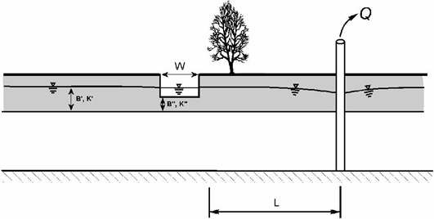
7 | 9 | 18%
30 | 26 | 52%
150 | 39 | 77%
365 | 43 | 85%
Only the values in shaded cells can be updated - all other cells are dependent on those input values.

Setting K'/B' to zreo gives Hunt 1999 solution

Ward-Lough(2011)
 | Depletion Rate
1.0 | 0.0 | 7 | 9 | 1.0 | 1
2.0 | 0.6 | 30 | 26 | 2.0
3.0 | 2.0 | 150 | 39 | 3.0
4.0 | 3.8 | 365 | 43 | 4.0
5.0 | 5.6 |  |  | 5.0
6.0 | 7.4 |  |  | 6.0
7.0 | 9.0 |  |  | 7.0
8.0 | 10.5 |  |  | 8.0
9.0 | 11.8 |  |  | 9.0
10.0 | 13.1 |  |  | 10.0
20.0 | 21.4 |  |  | 20.0
30.0 | 25.8 |  |  | 30.0
40.0 | 28.7 |  |  | 40.0
50.0 | 30.8 |  |  | 50.0
60.0 | 32.3 |  |  | 60.0
70.0 | 33.6 |  |  | 70.0
80.0 | 34.6 |  |  | 80.0
90.0 | 35.4 |  |  | 90.0
100.0 | 36.1 |  |  | 100.0
150.0 | 38.6 |  |  | 150.0
200.0 | 40.1 |  |  | 200.0
250.0 | 41.1 |  |  | 250.0
300.0 | 41.9 |  |  | 300.0
350.0 | 42.5 |  |  | 350.0
400.0 | 43.0 |  |  | 400.0
Stream depletion analysis - Ward Lough (2011) solution
Pumped aquifer |  |  | Time | Depletion Rate
Transmissivity (T2) | 500 | (m2/d) | (days) | (L/s)
Storage coefficient (S2) | 0.05 | - | 1.0 | 0.0
Aquitard |  |  | 2.0 | 0.6
Hydraulic conductivity (K') | 1000000 | (m/d) | 3.0 | 2.0
Thickness (B') | 1 | (m) | 4.0 | 3.8
K'/B' | 1000000 | (d-1) | 5.0 | 5.6
Upper Aquifer |  |  | 6.0 | 7.4
Overlying T (T1) | 500 | (m2/d) | 7.0 | 9.0
Specific yield (S1) | 0.05 | - | 8.0 | 10.5
Streambed |  |  | 9.0 | 11.8
Hydraulic conductivity (K") | 1000 | (m/d) | 10.0 | 13.1
Thickness (B") | 1 | (m) | 20.0 | 21.4
Width (W) | 1 | (m) | 30.0 | 25.8
Stream bed conductance (λ) | 1000 | (m/d) | 40.0 | 28.7
 |  |  | 50.0 | 30.8
 |  |  | 60.0 | 32.3
Well |  |  | 70.0 | 33.6
Pumping rate (Q) | 50 | (L/s) | 80.0 | 34.6
Separation distance (L) | 500 | (m) | 90.0 | 35.4
 |  |  | 100.0 | 36.1
 |  |  | 150.0 | 38.6
 |  |  | 200.0 | 40.1
 |  |  | 250.0 | 41.1
 |  |  | 300.0 | 41.9
Stream depletion after |  |  | 350.0 | 42.5
Time (days) | q (L/s) | % | 400.0 | 43.0
7 | 9 | 18%
30 | 26 | 52%
150 | 39 | 77%
365 | 43 | 85%
Only the values in shaded cells can be updated - all other cells are dependent on those input values.

Setting K'/B' to a large number and either:
Double lambda or
Set T1=T2 = T/2 and S1=S2=S/2 (effective T and S)
will approximate Hunt 1999 solution

Disclaimer
Environment Canterbury Disclaimer
This spreadsheet is supplied on an as-is basis. Environment Canterbury offers no warranty, expressed or implied, as to its accuracy or completeness and are not obligated to provide the user with any support, consulting, training or assistance of any kind with regard to its use, operation, and
performance nor to provide the user with any updates, revisions, new versions or "bug fixes".
The user assumes all risk for any damages whatsoever resulting from loss of use, data, or profits
arising in connection with the access, use, quality, or performance of this software.



Acknowledgement
This workbook uses Visual Basic functions supplied by Dr Bruce Hunt
Copyright © Dr Bruce Hunt 2003

