consumption_attributes
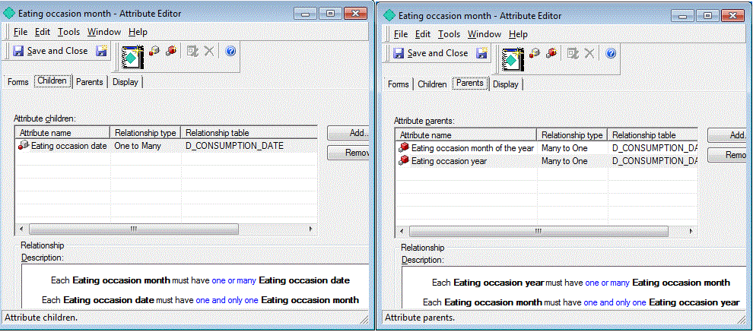
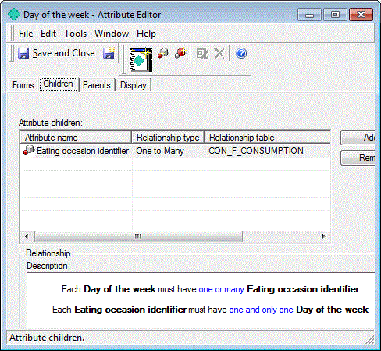

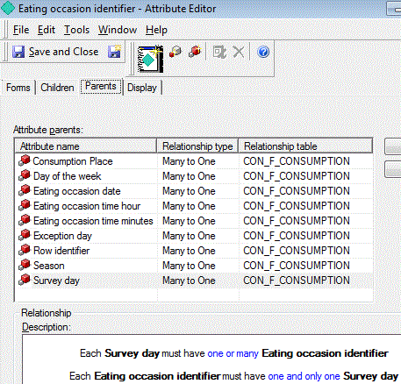

 |  |  | consumpion new | consumpion old
 |  |  | CONSUMPTION_SKEY | CONSUMPTION_ID
 |  |  | TRX_ID | ORG_ID
 |  |  | SURVEY_SKEY | TRX_ID
 |  |  | SURVEY_KEY_ID | SURVEY_SKEY
 |  |  | SUBJECT_SKEY | SUBJECT_SKEY
 |  |  | SUBJECT_KEY_ID | RECIPE_SKEY
 |  |  | RECIPE_SKEY | BRAND_SKEY
 |  |  | RECIPE_KEY_ID | ORIG_FOOD_SKEY
 |  |  | BRAND_SKEY | DAY
 |  |  | BRAND_KEY_ID | WEEKDAYS_ID
 |  |  | ORIG_FOOD_SKEY | SEASON_ID
 |  |  | ORIG_FOOD_KEY_ID | CONSUMPTIONDAY_ID
 |  |  | DAY | EXCEPTIONDAY_ID
 |  |  | WEEKDAYS_SKEY | TIMEHOUR
 |  |  | WEEKDAYS_ID | TIMEMINUTES
 |  |  | SEASON_SKEY | MEALTYPE_ID
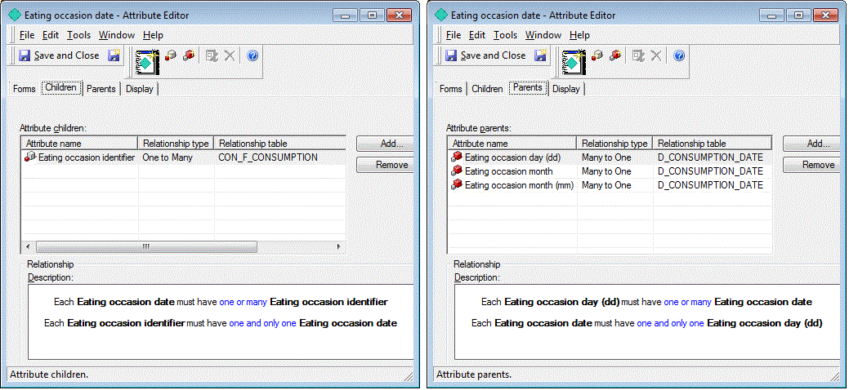
 |  |  | SEASON_ID | CONSUMPTION_PLACE_ID
 |  |  | CONSUMPTIONDATE | EATSEQ
 |  |  | EXCEPTION_DAY_SKEY | AMOUNT_RECIPE
 |  |  | EXCEPTION_DAY_ID | AMOUNT_RAW_ORIG
 |  |  | TIME | AMOUNT_COOKED_ORIG
 |  |  | MEALTYPE_SKEY | AMOUNT_RAW
 |  |  | MEALTYPE_ID | AMOUNT_COOKED
 |  |  | CONSUMPTION_PLACE_SKEY | NUNITS
 |  |  | CONSUMPTION_PLACE_ID | UNITMEAS
 |  |  | EATSEQ | NDAYS
 |  |  | AMOUNT_RECIPE | WEIGHT
 |  |  | AMOUNT_RAW_ORIG
NA | Eating occasion time | dropped, not existing in new table | AMOUNT_COOKED_ORIG
NA | Eating occasion minutes | dropped, not existing in new table | AMOUNT_RAW
done | Eating occasion time | new as exsiting in new table | AMOUNT_COOKED
done | Day of the week |  | UNIT_SKEY
done | Eating occasion date |  | UNIT_ID
done | Eating occasion tim |  | VALIDFROM
working on | Exception Day |  | VALIDTO
 |  |  | IS_CURRENT

Sheet3
