Sheet1
ori_text | twitter_image | newspaper_image
If you have symptoms of #coronavirus, please stay at home and book a test as soon as possible. The symptoms are: ▶️ A high temperature ▶️ A new, continuous cough ▶️ A loss or change to your sense of smell or taste. Download the #NHSCOVID19app or visit https://t.co/sKTt966zd3 https://t.co/UhHRjMBD7r | 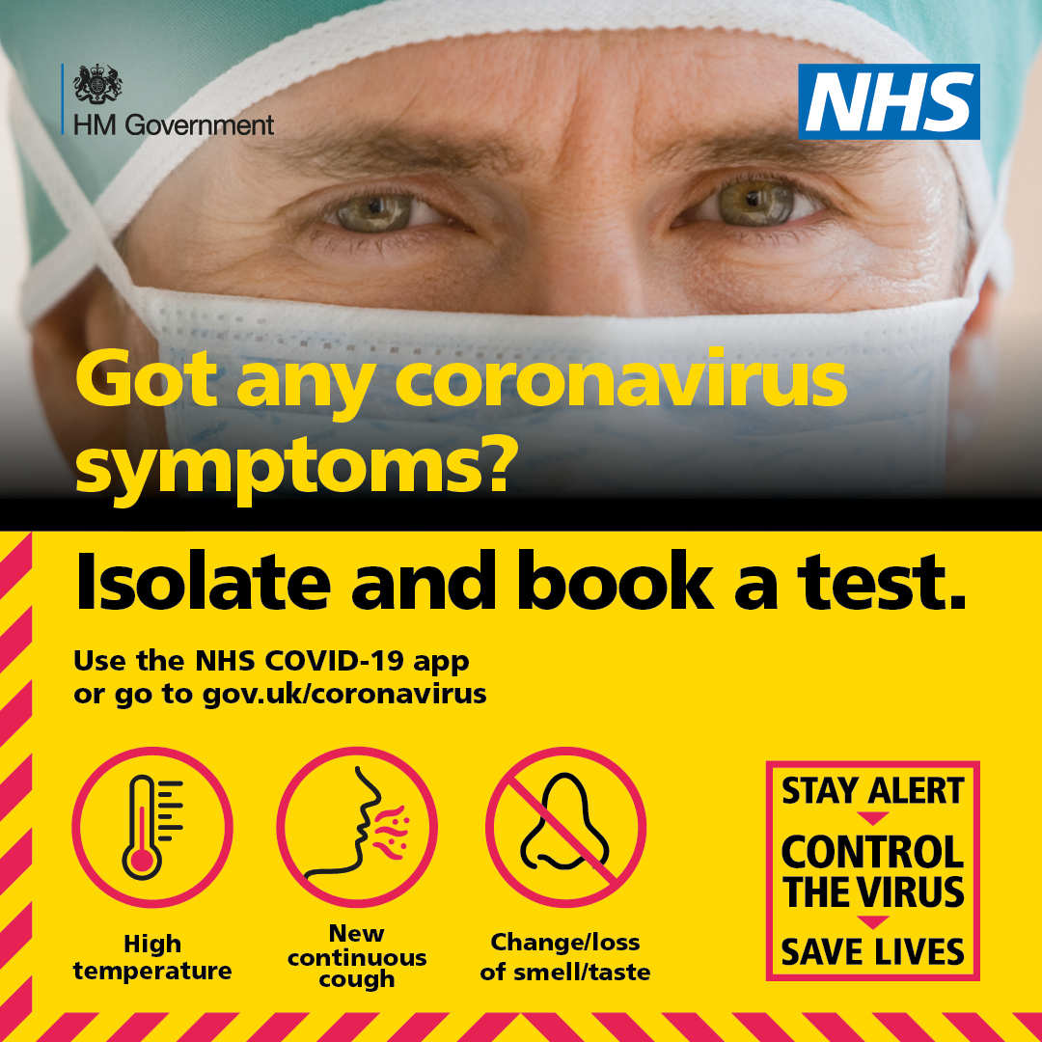
If you have symptoms of #coronavirus, stay at home and book a test as soon as possible. The symptoms are: ▶️ A high temperature ▶️ A new, continuous cough ▶️ A loss or change to your sense of smell or taste. Download the #NHSCOVID19app or visit https://t.co/sKTt966zd3 https://t.co/YDbZ7wjdUX | 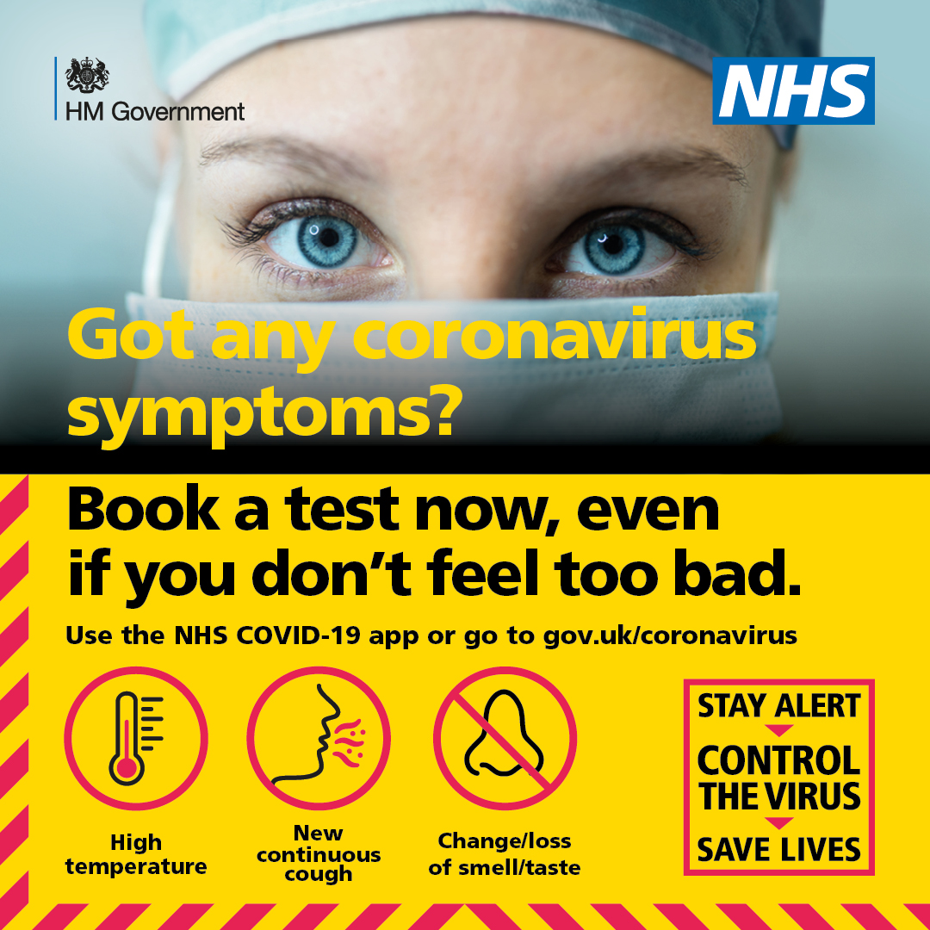
Essential #Coronavirus advice from @PHE_uk. If you or anyone else in your household has a high temperature or a new &amp; continuous cough: 🏠 EVERYONE stay at home for 14 days ❌ Stay away from others 🛒 Ask friends/family to drop off food &amp; medication https://t.co/A6k8HqTZs5 | 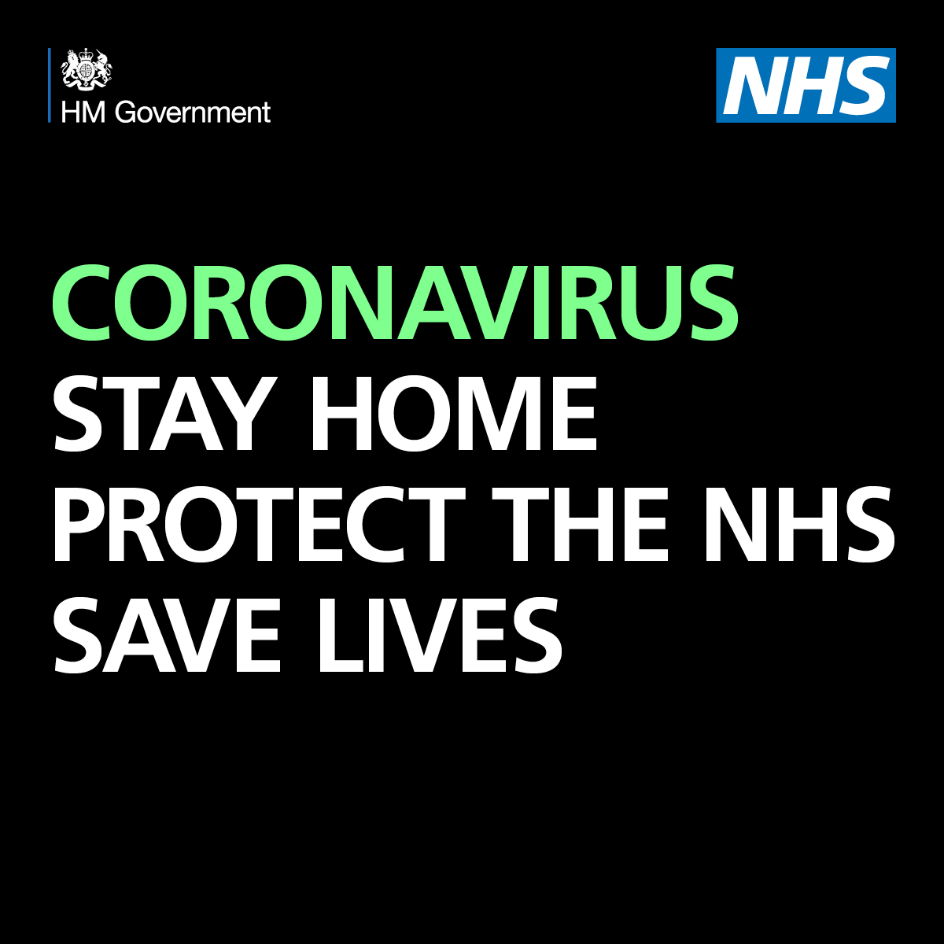
Anyone in the #WestMidlands who develops symptoms of #COVID19 #Coronavirus: • high temperature • new continuous cough • loss or change to sense of smell or taste Make sure you #GetTestedForCOVID19 https://t.co/OKJp9zA322 https://t.co/K3pFGABSGH | 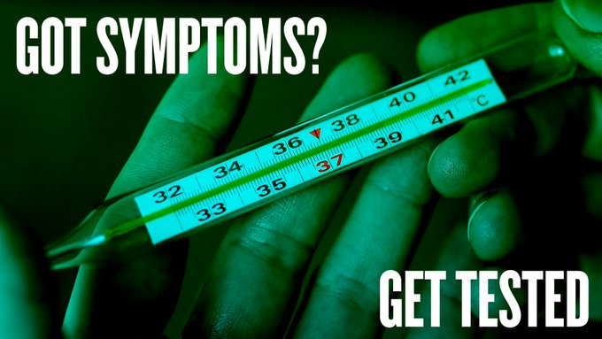
No matter how mild your symptoms may be, if you experience: ▪️ loss/change in sense of smell ▪️ loss/change in sense of taste ▪️ high temperature ▪️ new, continuous cough You MUST book a test. Book yours now: https://t.co/3VFoMaOOho https://t.co/8Yc4ihSlnk
Got symptoms of coronavirus? Get yourself tested. The main symptoms include: - High temperature - A new, continuous cough - Loss or change to your sense of smell or taste Find out how to get a test at: https://t.co/3VFoMaxcSO https://t.co/lQcVyOsTTf
Got symptoms of coronavirus? Get yourself tested. The main symptoms include: - High temperature - A new, continuous cough - Loss or change to your sense of smell or taste Find out how to get a test at: https://t.co/3VFoMaxcSO https://t.co/Xen3ofkndO
Anyone in the #WestMidlands who has: • a high temperature • a new continuous cough • a loss or change to your sense of smell or taste You MUST #SelfIsolate &amp; arrange a #COVID19 test IMMEDIATELY. Call 119 or book a test online: https://t.co/ScqSamMDQW https://t.co/mroMybRNSM | 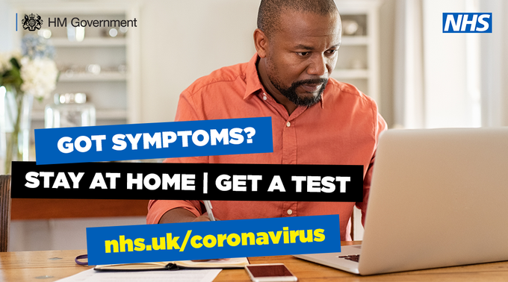
Anyone in the #WestMidlands who has: • a high temperature • a new continuous cough • a loss or change to your sense of smell or taste You MUST #SelfIsolate &amp; arrange a #COVID19 test IMMEDIATELY. Call 119 or book a test online: https://t.co/ScqSamMDQW https://t.co/EqyEtwnlIe
No matter how mild your symptoms may be, if you experience any: ▪️ loss/change in sense of smell ▪️ loss/change in sense of taste ▪️ high temperature ▪️ new, continuous cough You MUST book a test. Book yours now: https://t.co/3VFoMaxcSO https://t.co/blzIUaJbfW | 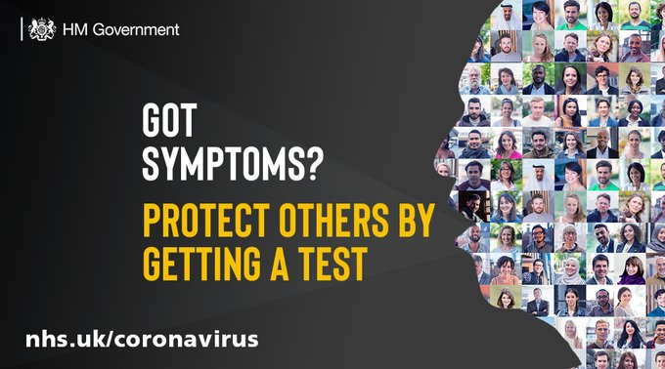
No matter how mild your symptoms may be, if you experience any: ▪️ loss/change in sense of smell ▪️ loss/change in sense of taste ▪️ high temperature ▪️ new, continuous cough You MUST book a test. Book yours now: https://t.co/3VFoMaxcSO https://t.co/7wSiuh6VtN | 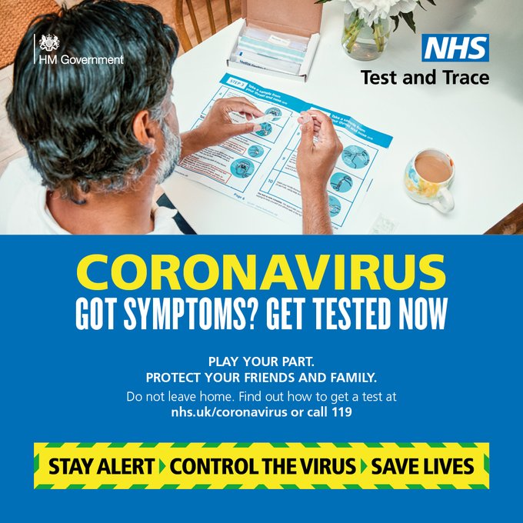
No matter how mild your symptoms may be, if you experience any: ▪️ loss/change in sense of smell ▪️ loss/change in sense of taste ▪️ high temperature ▪️ new, continuous cough You MUST book a test. https://t.co/3VFoMaOOho https://t.co/NtMkUMIQEt | 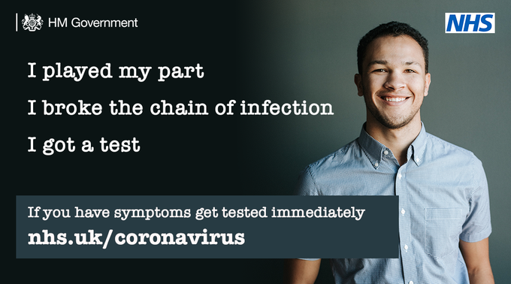
No matter how mild your symptoms may be, if you experience any: ▪️ loss/change in sense of smell ▪️ loss/change in sense of taste ▪️ high temperature ▪️ new, continuous cough You MUST book a test. Book yours now: https://t.co/3VFoMaxcSO https://t.co/a4Y7kZyqKS
No matter how mild your symptoms may be, if you experience any: ▪️ loss/change in sense of smell ▪️ loss/change in sense of taste ▪️ high temperature ▪️ new, continuous cough You MUST book a test. Book yours now: https://t.co/3VFoMaOOho https://t.co/MFE9PsUdXS | 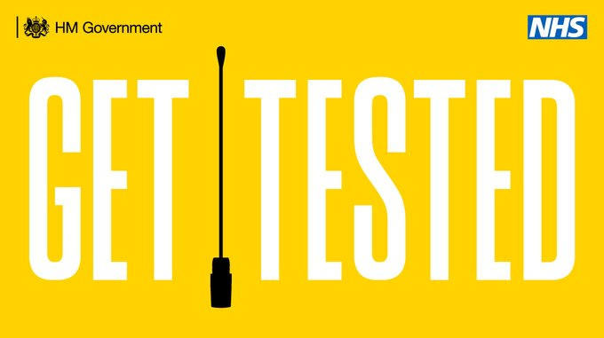
No matter how mild your symptoms may be, if you experience any: ▪️ loss/change in sense of smell ▪️ loss/change in sense of taste ▪️ high temperature ▪️ new, continuous cough You MUST book a test. Book yours now: https://t.co/AJlX4964qr https://t.co/AqtTF4jWS4 | 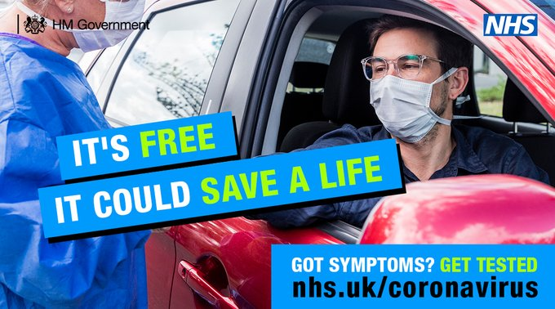
If you have a high temperature, a new continuous cough or loss of taste or smell, you need to get a coronavirus test. To find out how call 119 or visit https://t.co/QNDIr0g9Xz #StayAlert #StopTheSpread #ControlTheVirus https://t.co/mhWf36Rxxd | 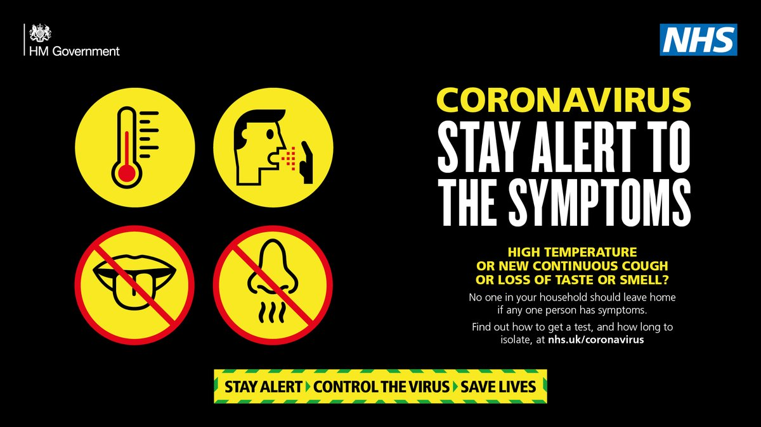
If you have a high temperature, a new continuous cough or loss of taste or smell, you need to get a coronavirus test. To find out how call 119 or visit https://t.co/QNDIr0g9Xz #StayAlert #StopTheSpread #ControlTheVirus https://t.co/pwarypGBsv | 
If you have a high temperature, a new continuous cough or loss of taste or smell, you need to get a coronavirus test. To find out how call 119 or visit https://t.co/QNDIqZYyyZ #StayAlert #StopTheSpread #ControlTheVirus https://t.co/2RYGlwPRi9 | 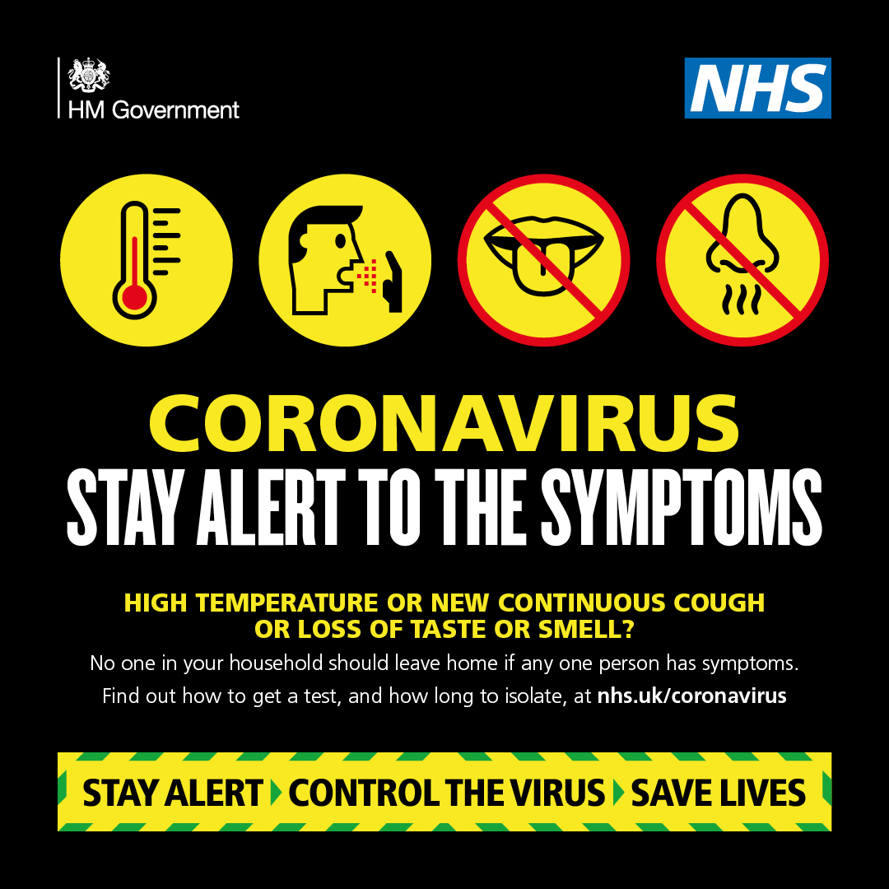
If you have a high temperature, a new continuous cough or loss of taste or smell, you need to get a coronavirus test. To find out how call 119 or visit https://t.co/QNDIr0g9Xz #StayAlert #StopTheSpread #ControlTheVirus https://t.co/VJHXOR7mTr | 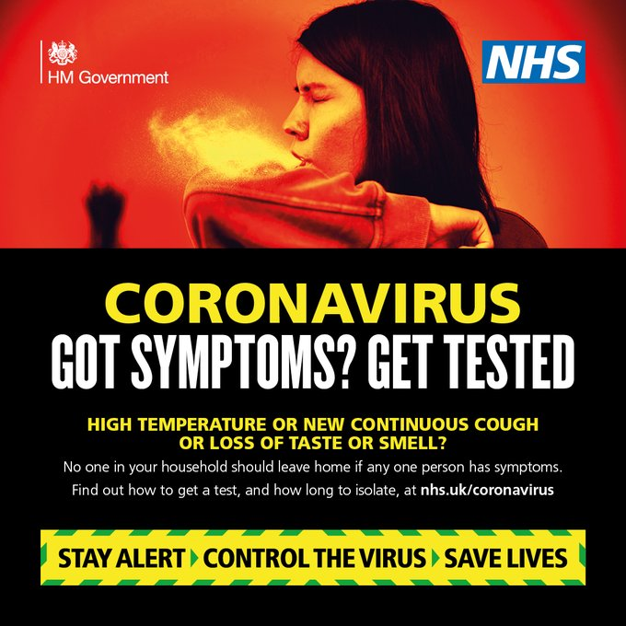
If you have any of these symptoms for #coronavirus, isolate and book a test. - High temperature - A new continuous cough - Loss or change in your sense of smell or taste To book a test, visit https://t.co/sKTt966zd3 https://t.co/JfUIfAHPyc
If you have any of these symptoms for #coronavirus, isolate and book a test. - High temperature - A new continuous cough - Loss or change in your sense of smell or taste To book a test, visit https://t.co/sKTt966zd3 https://t.co/YFL7WmD1s0
If you have any of these symptoms for #coronavirus, isolate and book a test. - High temperature - A new continuous cough - Loss or change in your sense of smell or taste To book a test, visit https://t.co/sKTt966zd3 https://t.co/ftHBAnmLGy

