Sheet1
ori_text | twitter_image | newspaper_image
On an average year the flu virus kills 11,000 people and hospitalises many thousands more - and this is not an average year. Ask your pharmacist or GP today if you're eligible for a free vaccine. #getyourflujab @NHSEngland @PHE_uk @SomersetDPH @PHE_SouthWest https://t.co/YnpkDGQdJo | 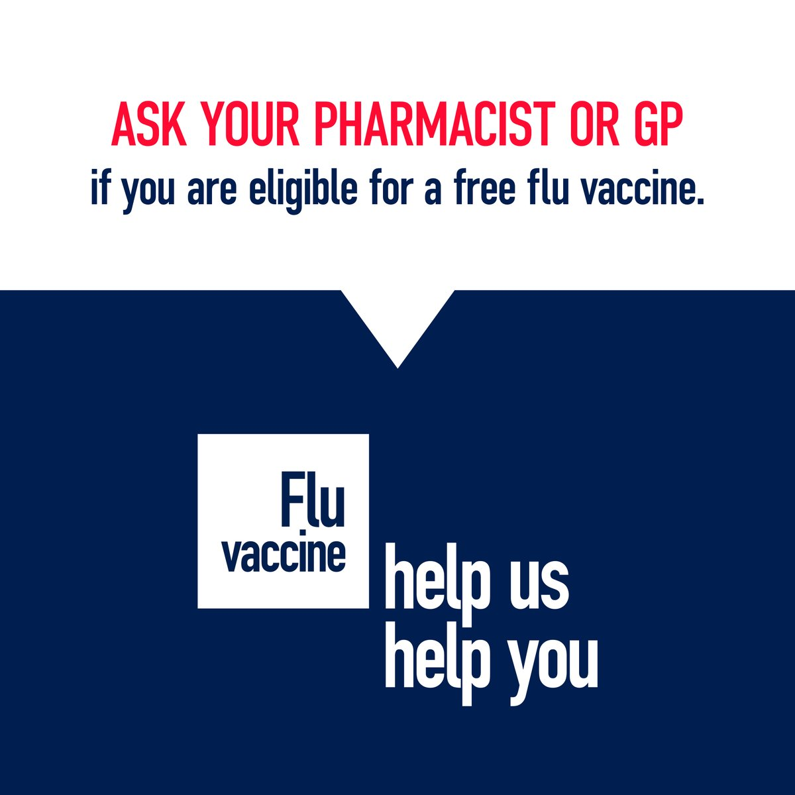
On an average year the flu virus kills 11,000 people and hospitalises many thousands more. The flu vaccine is your best protection. Ask your pharmacist or GP today if you’re eligible for a free vaccine. #GetYourFluJab https://t.co/LPaTibIY6h | 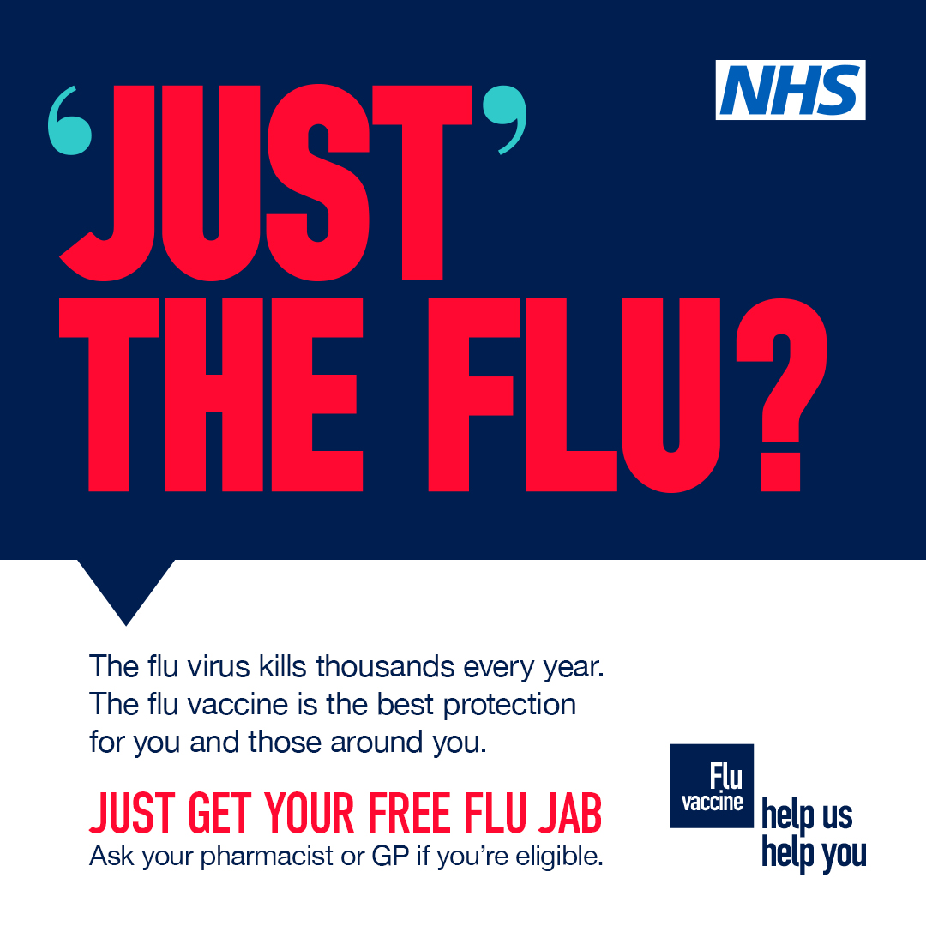
Just the flu? There’s no just about it. It kills thousands of people and hospitalises tens of thousands more. Ask your pharmacist or GP today if you’re eligible for a free vaccine. #GetYourFluJab https://t.co/e7QNpKg7F4
"You should still be going to medical appointments despite the new national restrictions - and getting your flu jab is no exception. Ask your pharmacist or GP today if you're eligible for a free vaccine. #getyourflujab @NHSEngland @PHE_uk @SomersetDPH @PHE_SouthWest https://t.co/DghOaKiRGd
‘Just the flu? There is no just about it. If you have a long-term health condition it can cause serious complications. Ask your pharmacist or GP today if you’re eligible for a free flu vaccine. #getyourflujab https://t.co/JwhzgYvr65
Flu can easily spread to those around you who are vulnerable and for whom you have caring responsibilities. The flu vaccine is the best protection for those who are most at risk. Ask your pharmacist or GP today if you or the person you care for is eligible. #getyourflujab https://t.co/ya3pB7sDJR
‘Just the flu'? There is no just about it. If you have a long-term health condition it can cause serious complications. Ask your pharmacist or GP today if you’re eligible for a free flu vaccine. #getyourflujab https://t.co/38oBLGYKj6
‘Just' the flu? There is no just about it. If you have a long-term health condition it can cause serious complications. Ask your pharmacist or GP today if you’re eligible for a free flu vaccine. #getyourflujab https://t.co/bbz6SCTJY8
On an average year the flu virus kills 11,000 people and hospitalises many thousands more. The flu vaccine is your best protection. Ask your pharmacist or GP today if you’re eligible for a free vaccine. https://t.co/IOJTO2jtAO
On an average year the flu virus kills 11,000 people and hospitalises many thousands more. The flu vaccine is your best protection. Ask your pharmacist or GP today if you’re eligible for a free vaccine. https://t.co/ikLGXFGhqk
Just the flu? There’s no just about it.❌ It kills thousands of people and hospitalises tens of thousands more.🤧 Ask your pharmacist or GP today if you’re eligible for a free vaccine 💉 #getyourflujab @NHSDevonCCG @PHE_SouthWest https://t.co/HoMsBGVji7 | 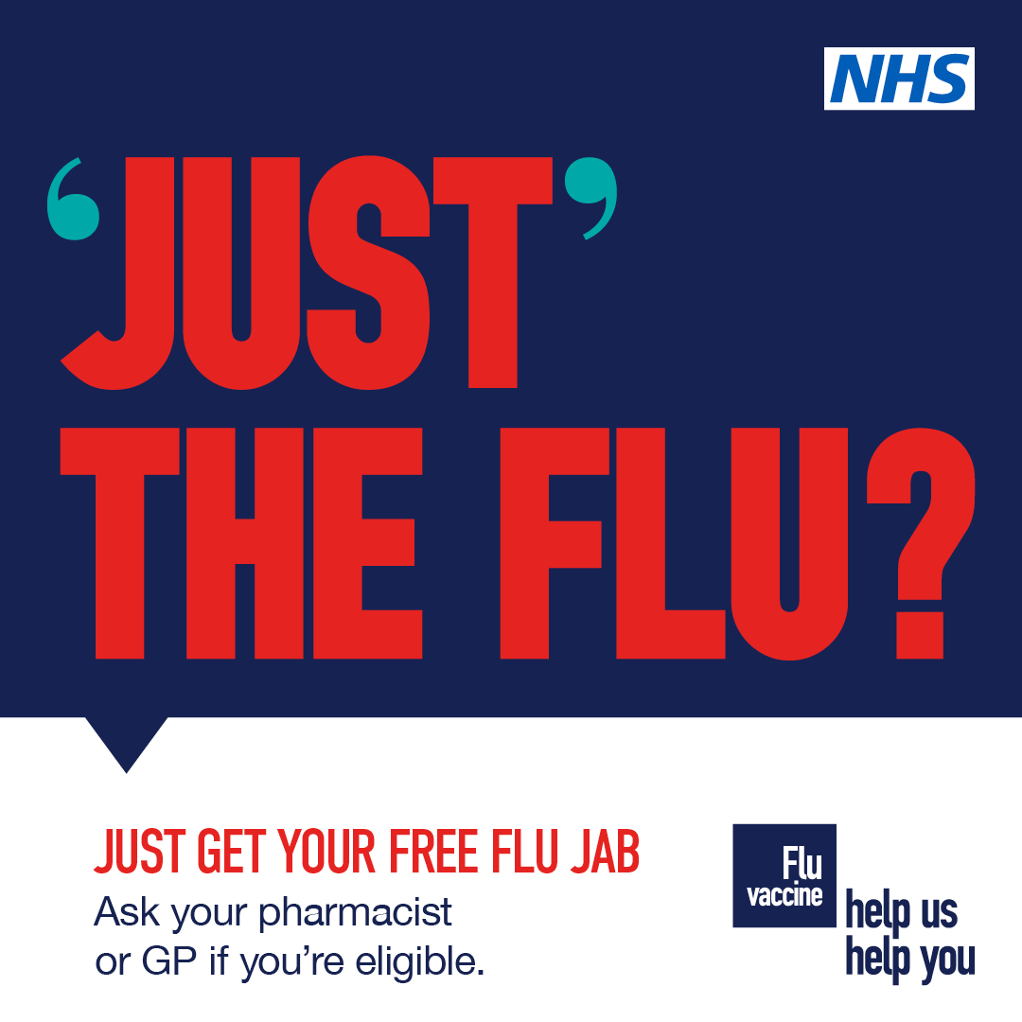
Flu can easily spread to those who are vulnerable and for whom you have caring responsibilities. The free flu vaccine is the best protection for those most at risk. Ask your pharmacist or GP today if you or the person you care for is eligible for a free vaccine. #getyourflujab https://t.co/VsYXiEEdbr
#Flu on top of existing health issues, such as a lung condition increases your chance of serious health complications and a hospital visit. Ask your pharmacist or GP today if you’re eligible for a free #FluVaccine and #GetYourFluJab https://t.co/XivdR6s45u https://t.co/wsjdorftH5
Just the flu? There’s no just about it. It kills thousands of people and hospitalises tens of thousands more. Ask your pharmacist or GP today if you’re eligible for a free vaccine. #getyourflujab @NHSEngland @NHSEnglandSW @PHE_uk @PHE_SouthWest https://t.co/x2o3ySbsdk
Just the flu? There is no just about it. If you have a long-term health condition it can cause serious complications. Ask your pharmacist or GP today if you’re eligible for a free flu vaccine. #getyourflujab @PHE_SouthWest https://t.co/zXtq9DvUpZ | 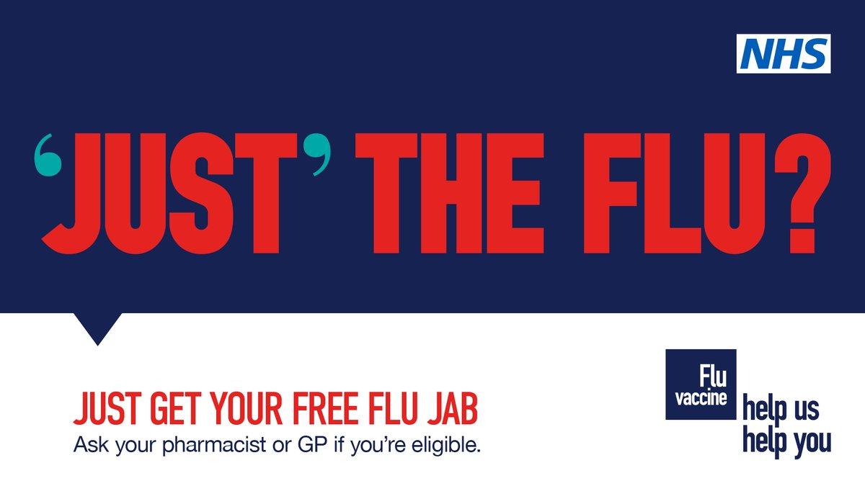
Just the flu? There is no just about it. If you have a long-term health condition it can cause serious complications. Ask your pharmacist or GP today if you’re eligible for a free flu vaccine. #getyourflujab https://t.co/Ch3uAygweI
On an average year the flu virus kills 11,000 people and hospitalises many thousands more. The flu vaccine is your best protection. Ask your pharmacist or GP today if you’re eligible for a free vaccine. https://t.co/xfIvvNAk76
Just the flu? There is no just about it. If you have a long-term health condition it can cause serious complications. Ask your pharmacist or GP today if you’re eligible for a free flu vaccine. #getyourflujab https://t.co/CN9sdhUNAp
#Flu can easily spread to people you care for and those who are vulnerable. Ask your pharmacist or GP today to find out if you, or the person you care for, is eligible for a free vaccine. #GetYourFluJab https://t.co/0ZN0HlgcA8 https://t.co/tS0DomxlGd
'Just' the flu? There is no just about it. If you have a long-term health condition it can cause serious complications. Ask your pharmacist or GP today if you’re eligible for a free flu vaccine. #getyourflujab https://t.co/8ONJML0jFx
"On an average year the flu virus kills 11,000 people and hospitalises many thousands more - and this is not an average year. Ask your pharmacist or GP today if you're eligible for a free vaccine. #getyourflujab @NHSEngland @PHE_uk @SomersetDPH @PHE_SouthWest https://t.co/QhgCTAzjXI

