Sheet1
ori_text | twitter_image | newspaper_image
As #Diwali starts please #CelebrateSafely - #StayAtHome as much as possible #WorkFromHome if you can #LimitContact with others #KeepYourDistance #WashYourHands regularly #Self-Isolate if you or your household have symptoms #StayAlert #Coronavirus #HandsFaceSpace https://t.co/60y4F1fR5q | 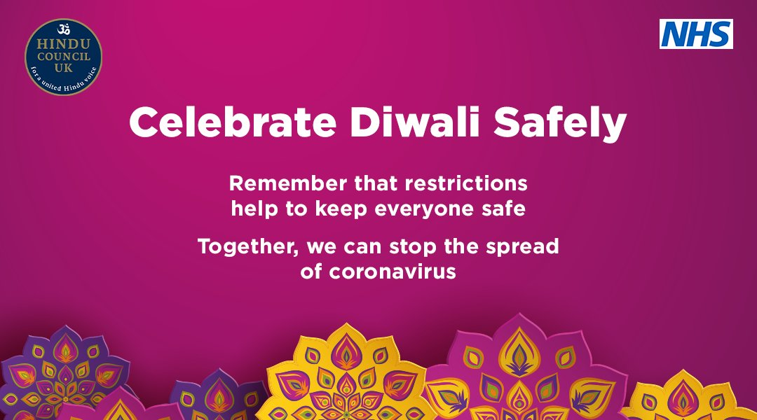
Your midweek reminder - #StayAtHome as much as possible #WorkFromHome if you can #LimitContact with others #KeepYourDistance #WashYourHands regularly #Self-Isolate if you or your household have symptoms #StayAlert #Coronavirus #HandsFaceSpace https://t.co/3VWv3FKp7C
Your regular reminder - #StayAtHome as much as possible #WorkFromHome if you can #LimitContact with others #KeepYourDistance #WashYourHands regularly #Self-Isolate if you or your household have symptoms #StayAlert #Coronavirus #HandsFaceSpace https://t.co/sGAL8xe1JH
Another reminder - we must still: #StayAtHome as much as possible #WorkFromHome if you can #LimitContact with others #KeepYourDistance #WashYourHands regularly #Self-Isolate if you or your household have symptoms #StayAlert #Coronavirus #HandsFaceSpace https://t.co/Ope6XsqluW
In light of today's announcements, #StayAtHome as much as possible #WorkFromHome if you can #LimitContact with others #KeepYourDistance #WashYourHands regularly #Self-Isolate if you or your household have symptoms #StayAlert #Coronavirus #HandsFaceSpace https://t.co/V3xljKzVc2 | 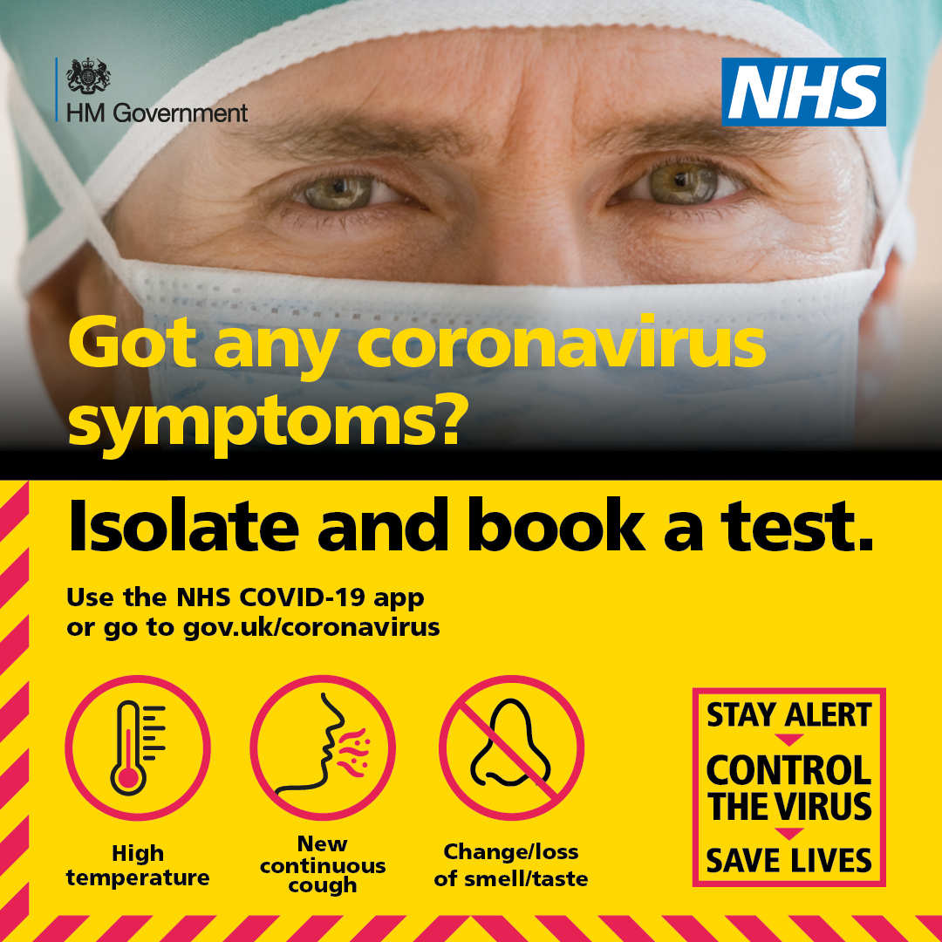
Whatever the current restrictions, we should help each other and: #StayAtHome as much as possible #WorkFromHome if you can #LimitContact with others #KeepYourDistance #WashYourHands regularly #SelfIsolate if you or your household have symptoms #Coronavirus #HandsFaceSpace https://t.co/fVI5sKk3vZ | 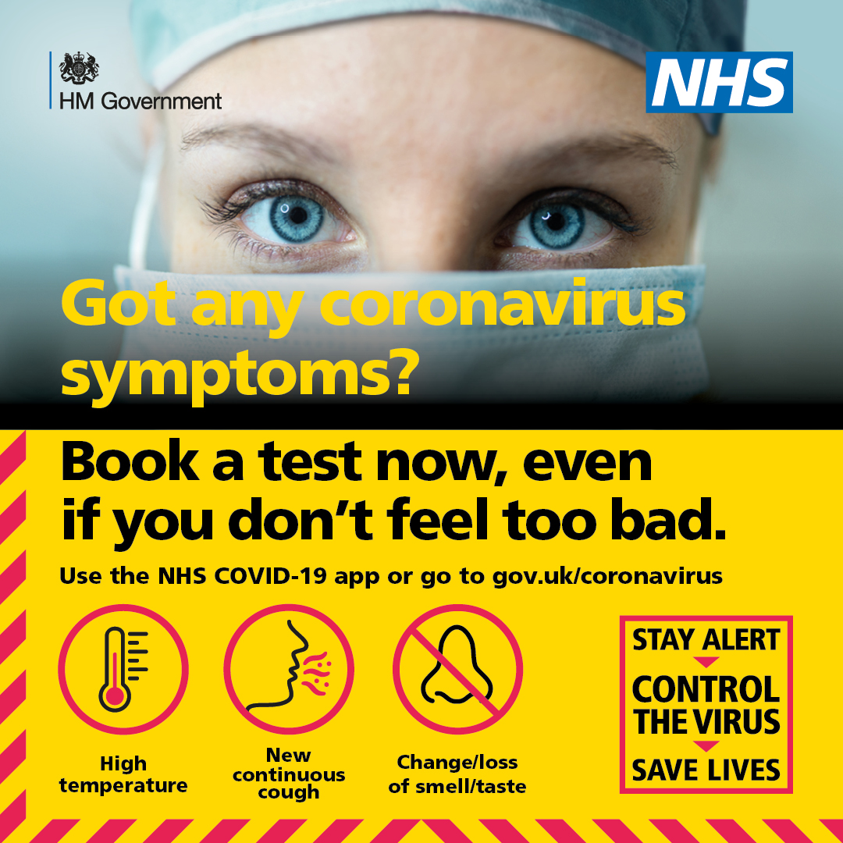
Vaccination may be on the way, but until then - #StayAtHome as much as possible #WorkFromHome if you can #LimitContact with others #KeepYourDistance #WashYourHands regularly #SelfIsolate if you or your household have symptoms #Coronavirus #HandsFaceSpace https://t.co/4pDreiRR7L | 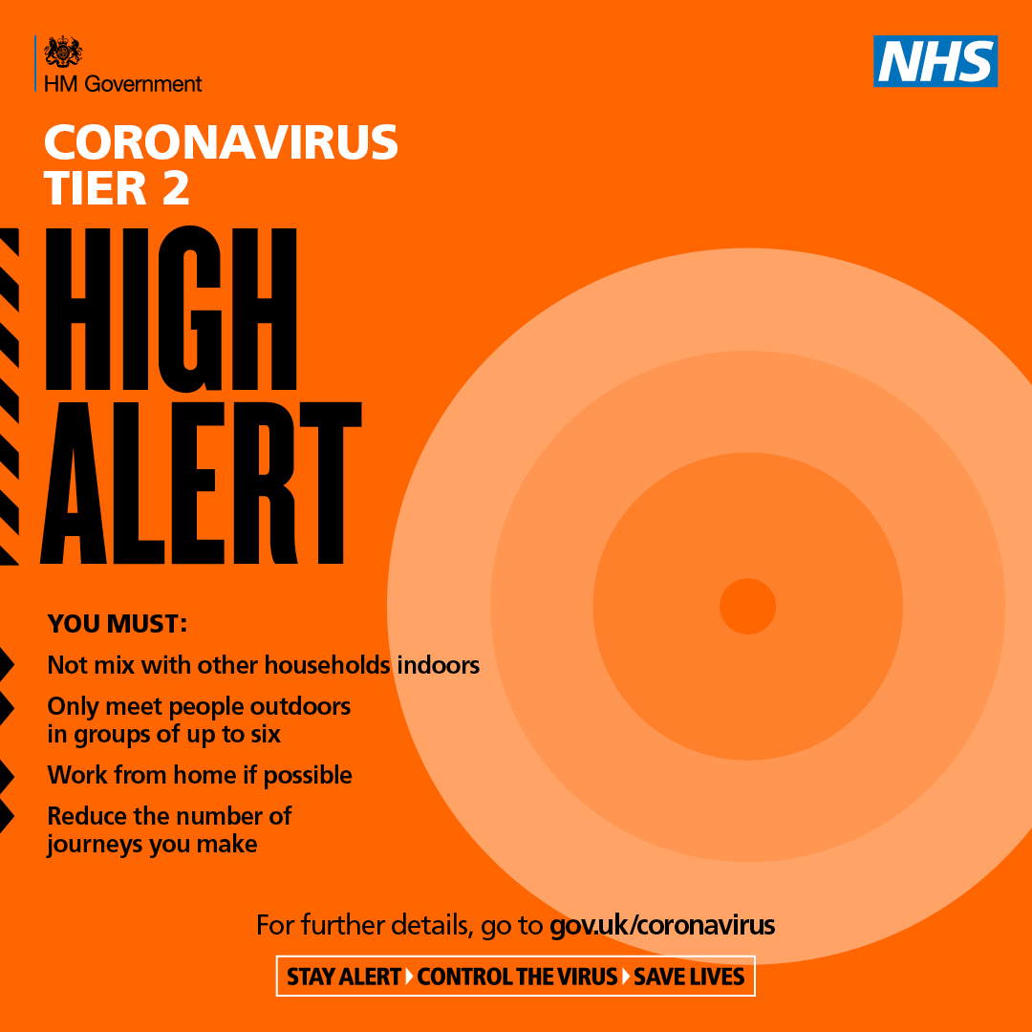
Vaccination may be on the way, but until then - #StayAtHome as much as possible #WorkFromHome if you can #LimitContact with others #KeepYourDistance #WashYourHands regularly #SelfIsolate if you or your household have symptoms #Coronavirus #HandsFaceSpace https://t.co/4pDreiRR7L | 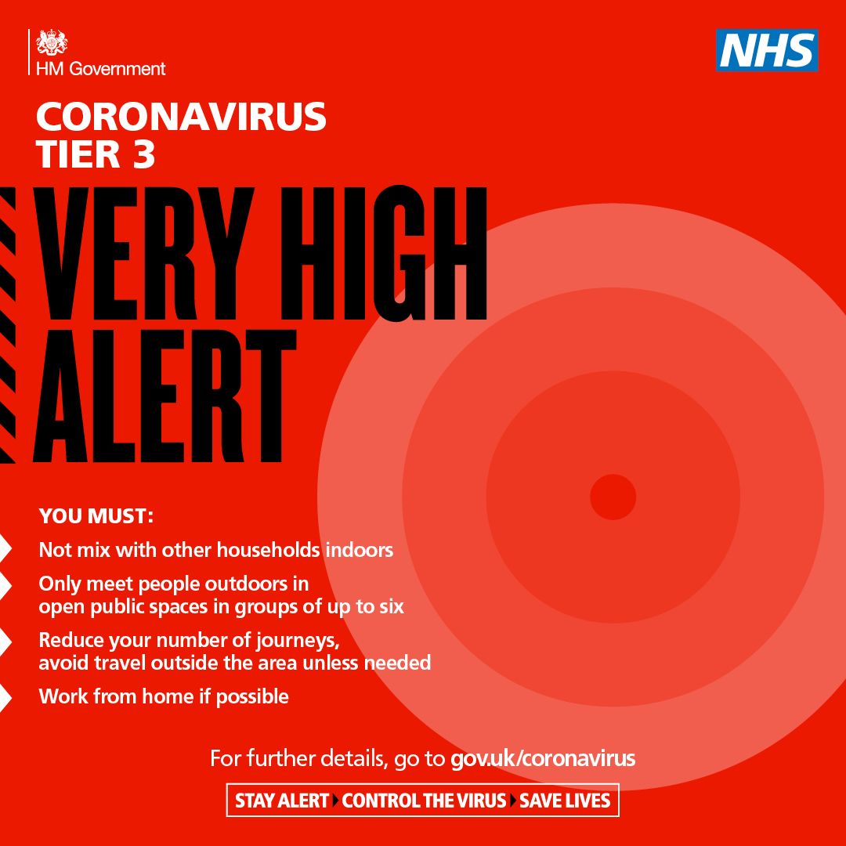
#COVID19 cases are rising. Our advice remains the same. #StayAtHome as much as possible #WorkFromHome if you can #LimitContact with others #KeepYourDistance #WashYourHands regularly #Self-Isolate if you or your household have symptoms #StayAlert #Coronavirus #HandsFaceSpace https://t.co/6JD6i779pp
#COVID19 cases are rising. Our advice remains the same. #StayAtHome as much as possible #WorkFromHome if you can #LimitContact with others #KeepYourDistance #WashYourHands regularly #Self-Isolate if you or your household have symptoms #StayAlert #Coronavirus #HandsFaceSpace https://t.co/8Yi3OTiqs2
Your #MondayMorning reminder - #StayAtHome as much as possible #WorkFromHome if you can #LimitContact with others #KeepYourDistance #WashYourHands regularly #Self-Isolate if you or your household have symptoms #StayAlert #Coronavirus #HandsFaceSpace https://t.co/OWXCfUwJB6
Your pre-weekend reminder - #StayAtHome as much as possible #WorkFromHome if you can #LimitContact with others #KeepYourDistance #WashYourHands regularly #Self-Isolate if you or your household have symptoms #StayAlert #Coronavirus #HandsFaceSpace https://t.co/YnC3p7ZHgW | 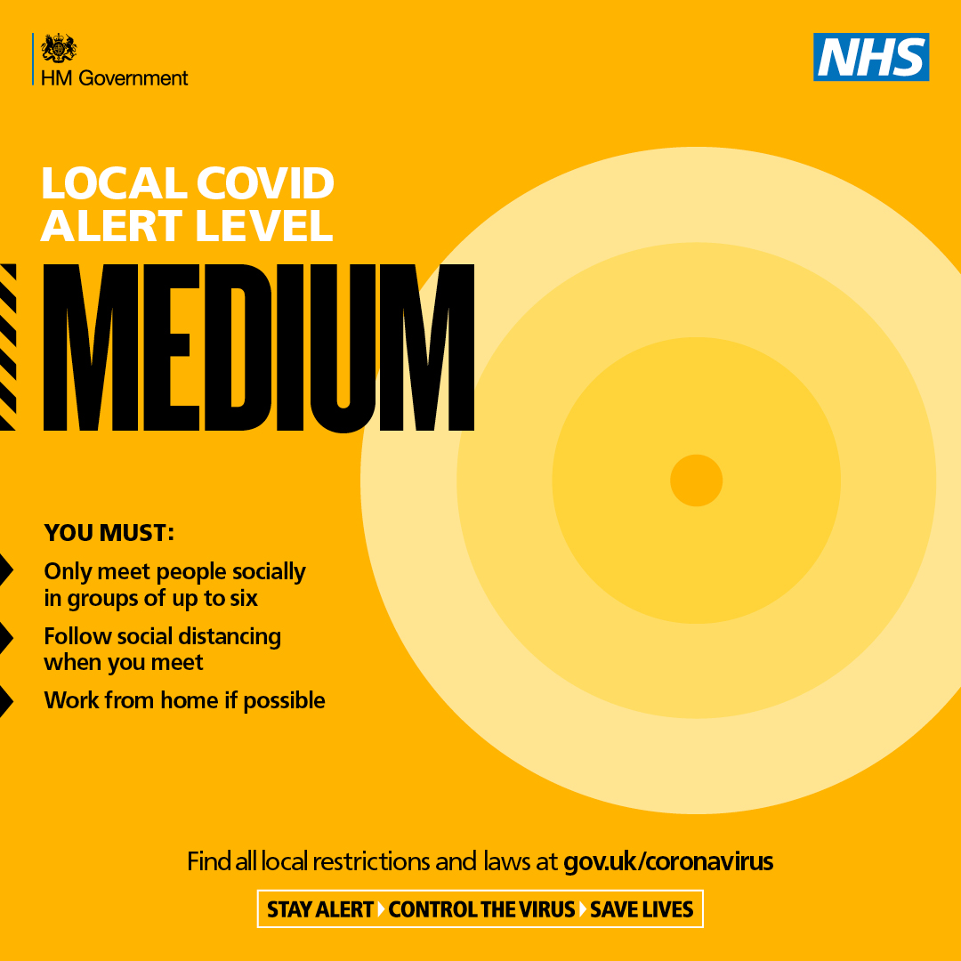
Your pre-weekend reminder - #StayAtHome as much as possible #WorkFromHome if you can #LimitContact with others #KeepYourDistance #WashYourHands regularly #Self-Isolate if you or your household have symptoms #StayAlert #Coronavirus #HandsFaceSpace https://t.co/YnC3p7ZHgW | 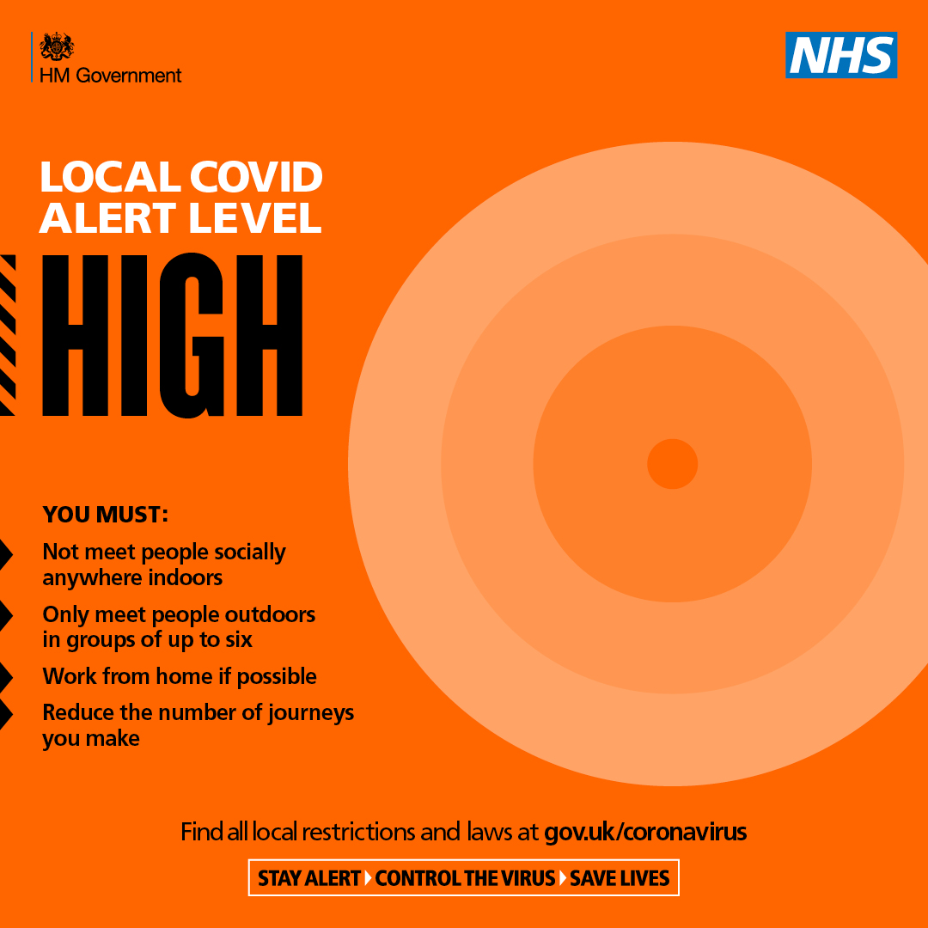
Your regular reminder - #StayAtHome as much as possible #WorkFromHome if you can #LimitContact with others #KeepYourDistance #WashYourHands regularly #Self-Isolate if you or your household have symptoms #StayAlert #Coronavirus #HandsFaceSpace https://t.co/OofGqqOwev
Your regular #MondayMorning reminder - #StayAtHome as much as possible #WorkFromHome if you can #LimitContact with others #KeepYourDistance #WashYourHands regularly #Self-Isolate if you or your household have symptoms #StayAlert #Coronavirus #HandsFaceSpace https://t.co/C0YKCBiXmk
Your regular reminder - #StayAtHome as much as possible #WorkFromHome if you can #LimitContact with others #KeepYourDistance #WashYourHands regularly #Self-Isolate if you or your household have symptoms #StayAlert #Coronavirus #HandsFaceSpace https://t.co/02LnDtNEKX
A reminder in the run-up to #Diwali - #StayAtHome as much as possible #WorkFromHome if you can #LimitContact with others #KeepYourDistance #WashYourHands regularly #Self-Isolate if you or your household have symptoms #StayAlert #Coronavirus #HandsFaceSpace https://t.co/PuLUirF30H | 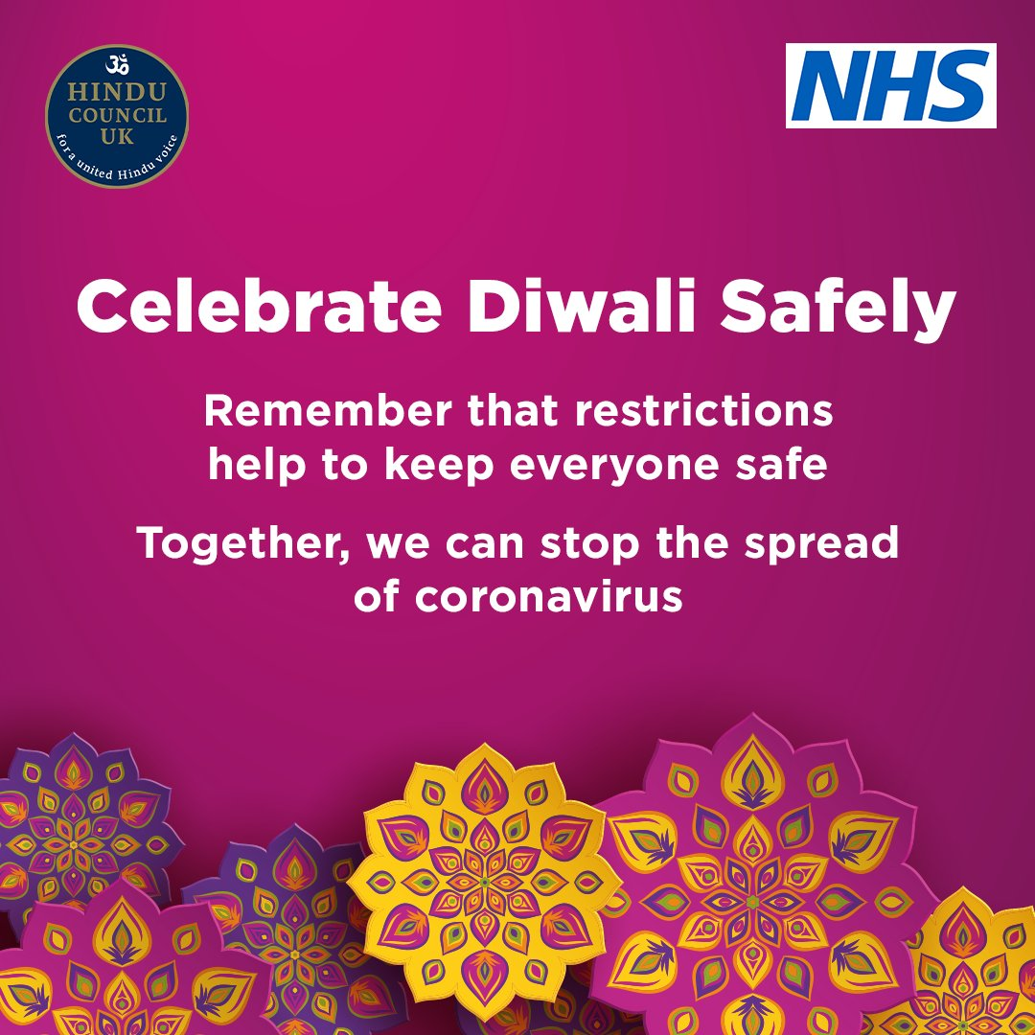
A reminder in the run-up to #Diwali - #StayAtHome as much as possible #WorkFromHome if you can #LimitContact with others #KeepYourDistance #WashYourHands regularly #Self-Isolate if you or your household have symptoms #StayAlert #Coronavirus #HandsFaceSpace https://t.co/PhXsJh2BNr | 