Sheet1
ori_text | twitter_image | newspaper_image
Biden to direct states to make all adults eligible for COVID vaccine by May 1 https://t.co/4owrcoYWuh
Biden will direct states to make all adults eligible for COVID-19 vaccine by May 1 https://t.co/szE6TlKUoF
Shot heard around the world... "I want to wish them [Biden Admin] Luck... a very important word" (President Trump Jan 20, 2021) BREAKING: White House says Biden to direct states to make all adults eligible for coronavirus vaccines by May 1, https://t.co/1nXK2CzTZx | 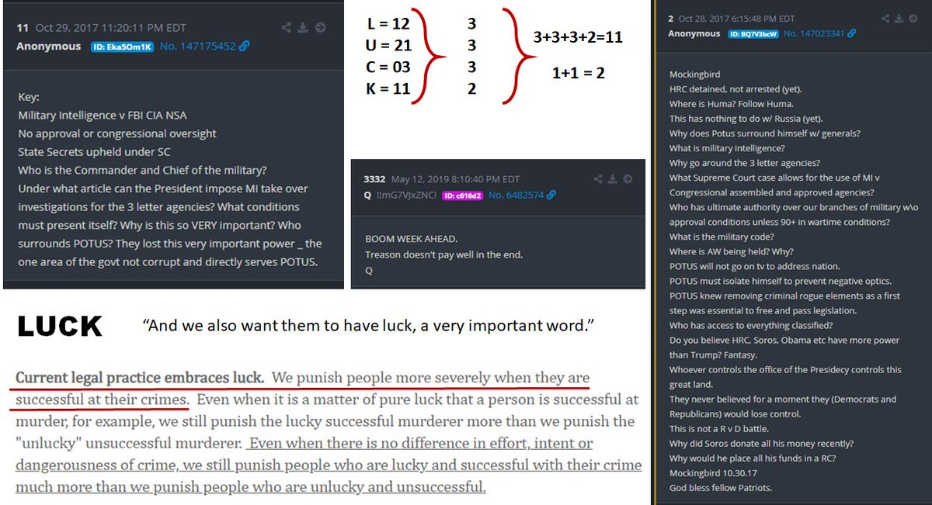
President #Biden is expected to direct states to make all adults eligible for the #coronavirus #vaccine by May 1, according to The White House. #WGN @WGNNews @NewsNationNow
Biden to direct states to make all adults eligible for COVID vaccines by May 1, official says https://t.co/AMGo3MFfoS
Biden to direct states to make all American adults eligible for COVID-19 vaccine by May 1 https://t.co/i7flXmUCR0
Biden to tell US states to make all adults eligible for Covid vaccine by May 1 https://t.co/URWieVTkrn
#BREAKING @POTUS Joe Biden to direct states to make all adults eligible for coronavirus vaccines by May 1, according to The White House.
Biden to push for all adult Americans to be eligible for the vaccine no later than May 1 via ⁦@washingtonpost⁩ https://t.co/v3p6D3qhYi
https://t.co/FdoVs35tIf U.S. President Joe Biden will direct states to make all adults eligible for COVID-19 vaccines by May 1 and declare that Americans should expect to be able to h...
President Biden says he wants all adults vaccine-eligible by May 1 https://t.co/8zctiz7IsM
President Joe Biden will use his first prime-time address on Thursday night to announce that he is directing states to make all American adults eligible for a coronavirus vaccine no later than May 1 https://t.co/5YBcWp2RvS
46th US President Joe Biden Will Direct All US States to Make All Adults Eligible for Covid Vaccines by May 1 2021 https://t.co/GZRcQ9yZEx
Biden will direct states to make all adults eligible for vaccine by May 1 https://t.co/8uXtfPvsrs
The White House says after May 1st when all adults are eligible for vaccine, the federal government will launch a website and 800 number to help people find appointments.
President Biden is expected to direct states to make all adults eligible for the coronavirus vaccine by May 1, according to The White House. https://t.co/wFNy8KVN2d
Biden wants all adults vaccine-eligible by May 1 https://t.co/BUKYJpHh9X
Chicago Tribune MARCH 11, 2021 BREAKING NEWS White House: President Biden to direct states to make all adults eligible for coronavirus vaccines by May 1 President Joe Biden will use his first prime-time address on Thursday night to announce that he is directing states to
make all American adults eligible for a coronavirus vaccine no later than May 1, according to the White House.
Biden will direct states to make all adults eligible for COVID-19 vaccine by May 1 https://t.co/RjkI1VWCTF
Biden will direct states to make all adults eligible for COVID-19 vaccine by May 1 https://t.co/5DCItBK91x
Biden wants all adults vaccine-eligible by May 1 https://t.co/9UfRW9IDN1
@shawphd I don't understand why anyone thinks these statements mean that everyone will be vaccinated by May. "Delivering enough vaccine" &amp; "making all adults eligible" is literally not the same thing. It's just gonna bite them all in the ass when people start saying, "I'm not vaccinated."
May 1st all adults are eligible for the vaccine??!! #MoneyBaggJoe is moving weight and I LOVE IT!!
Biden wants all adults vaccine-eligible by May 1 https://t.co/0b9Wh1PTnI
Biden will direct states to make all adults eligible for vaccine by May 1 https://t.co/gtfIv0arqN https://t.co/uXdph3F2Em
Biden wants states to make all adults eligible for COVID-19 vaccines by May 1 https://t.co/oMFD31Dcir
Thank you President Biden! All adults eligible for vaccine by May 1!! 🇺🇸🇺🇸🇺🇸🥂😷😍🏆 #covidvaccine #May1 This is from one year ago: https://t.co/er94j9aKxX
OK, but how is he defining "adult:" - White House: President Biden to direct states to make all adults eligible for coronavirus vaccines by May 1 https://t.co/wIiOmdw78Z
Biden will direct states to make all adults eligible for vaccine by May 1 https://t.co/eNe8HDz0g6
All US Adults Will Be Eligible For A COVID-19 Vaccine By May 1, White House Says - BuzzFeed News https://t.co/6AlVlpxxsa
👁👁 Biden wants states to make all adults eligible for COVID-19 vaccines by May 1 https://t.co/ULj9dPsqt7
#BREAKING: White House says @POTUS to direct states to make all adults eligible for coronavirus vaccines by May 1. (via @AP)
Biden will direct states to make all adults eligible for Covid vaccine by May 1 #breakingnews #news #china #trump #biden #photo #adults #biden #breakingnewspolitics #breakingnewsglobal #businessnews #cnbcbusiness #coronavirus #covid #covid-19 #dire... https://t.co/HSUEhIMmtP
Biden signs $1.9 trillion COVID-19 pandemic relief bill, will direct states to make all US adults eligible for vaccine by May 1 https://t.co/p3RIKRA2kg via @AJEnglish
@POTUS The problem is not making all adults eligible, its having the spaces and the vaccines available in all neighborhoods. You cannot make an appointment because they go too fast!
US President Biden to make all adults eligible for vaccines no later than May 1 https://t.co/a8VXv57f0O
President Biden will announce that he's directing all U.S. states, territories and tribes to make all adults eligible for the vaccine by May 1. https://t.co/t0MWMVLkUI
We are all anxious and worried. Bravo to Joe for getting enough vaccine to make all adults eligible by May 1st. Because of Trump's ridiculously botched early rollout, it's become unfair at this point. Thank you for making it right and fair.
Live Updates: Biden to direct all states to make all adults eligible for vaccine by May 1 https://t.co/Vm318wVntH via @CBSPolitics
The Latest: Biden wants all adults vaccine-eligible by May 1 https://t.co/YQCC9GNEmt
President Joe Biden will use his first prime-time address on Thursday night to announce that he is directing states to make all American adults eligible for a coronavirus vaccine no later than May 1. https://t.co/vWejqy9Oa7
Biden wants all adults eligible for vaccine by May 1, with US ‘closer to normal’ by July 4 https://t.co/Kg8qNFUFJj
#JoeBiden to push for all adult Americans to be eligible for the #vaccine by May 1. Sounds nice Joe! But if the vaccine isn’t available, like in most of #Pennsylvania, it won’t matter how many are eligible for it! #Covid19 #pandemic #coronavirus https://t.co/i8uMTN8oQk
BREAKING: @POTUS to direct states to make all adults eligible for coronavirus vaccines by May 1. DETAILS: https://t.co/gUkqGBLYnw
Biden to direct states to make all adults eligible for COVID-19 vaccine by May 1 https://t.co/PSB7K4KXrO
Big news: One year after the nation was brought to a near-standstill by the coronavirus, President Joe Biden is outlining his plan Thursday evening to make all adults vaccine-eligible by May 1 and get the country “closer to normal” by the Fourth of July. https://t.co/hlv0QaBJpm
RT @NewsHour NEW: President Biden will direct states and territories to make all U.S. adults eligible for a COVID-19 vaccine by May 1. @Yamiche has more about what the president will say during his primetime address to the nation. https://t.co/wPrHgFe0Om https://t.co/Oru8rBvxgq
RT @NewsHour NEW: President Biden will direct states and territories to make all U.S. adults eligible for a COVID-19 vaccine by May 1. @Yamiche has more about what the president will say during his primetime address to the nation. https://t.co/ErNm96rn9o https://t.co/F1JWglUahn
Mr. President Biden is not playing NO_ GAMES!! Open SmartNews and read Biden to direct states to make all adults eligible for COVID vaccines by May 1, official says here: https://t.co/XzAGdWAc9W To read it on the web, tap here: https://t.co/LWQoNdDKv8
Biden to call for all adults to be eligible for vaccine by May 1 | TheHill https://t.co/jB3tnf6Ome
Live updates: Biden to push for all adult Americans to be eligible for the vaccine no later than May 1 https://t.co/bzV15UOqfv
.@JoeBiden will use prime-time address to direct states to make all adults vaccine-eligible by May 1. https://t.co/f1tZckHVDg
Biden to direct states to make all adults eligible for COVID-19 vaccine by May 1 https://t.co/4vtD7Man7o
Biden to tell US states to make all adults eligible for Covid vaccine by May 1 https://t.co/xCrWdyF4zQ
Open SmartNews and read "Biden to direct states to make all adults eligible for COVID vaccines by May 1, official says" here: https://t.co/JANUgV1w9a To read it on the web, tap here: https://t.co/v8my1A3FYO
Suddenly states have to follow the President’s orders? Biden will direct states to make all adults eligible for vaccine by May 1 @CNBC https://t.co/H7ML07uCaN
President Joe Biden is outlining his plan Thursday evening to make all adults vaccine-eligible by May 1 and get the country “closer to normal” by the Fourth of July. https://t.co/YzON8KPXHp
Biden to direct states to make all adults eligible for Covid vaccines by May 1 https://t.co/rO9Xu0fO81
President Joe Biden will use his first prime-time address on Thursday night to announce that he is directing states to make all American adults eligible for a coronavirus vaccine no later than May 1 https://t.co/bokaQypswg
President Joe Biden will use his first prime-time address tonight to announce that he is directing states to make all American adults eligible for a coronavirus vaccine no later than May 1. https://t.co/76zXuXYLgN
Biden to direct states to make all adults eligible for COVID vaccines by May 1, official says https://t.co/nnAwptmENw
BREAKING: It’s the question millions have been asking — “When will it be my turn?” President Biden said tonight he wants all states to make every adult eligible for the #COVID19 vaccine by May 1st. #FOX35 @fox35orlando https://t.co/L4IhT0ii1z
Biden will direct states to make all adults eligible for Covid vaccine by May 1 https://t.co/mi7T3L5gsP
#BREAKING: @POTUS @JoeBiden is expected to use his first prime-time address tonight to announce that he is directing states to make all American adults eligible for a #coronavirus #vaccine no later than May 1. https://t.co/XaYFnHOaXJ
Wowza! 🎉 Biden will announce "tonight" that he is directing states to make "every" adult American eligible for the COVID vaccine no later than May 1st!
Biden: States must designate all adults eligible for vaccine by May - Axios https://t.co/wwlKXUgBAC
President Biden to direct states to make all adults eligible for vaccines by May https://t.co/HTtLutqGvc
In primetime address, @POTUS will ask all adults be eligible for the Vaccine by May 1. Hear it live at 8pm on @NewsRadio930.
Biden will direct states to make all adults eligible for Covid vaccine by May 1 ⁦@CNBC⁩ https://t.co/FPJ2lRasTR
Live updates: Biden to push for all adult Americans to be eligible for the vaccine no later than May 1 https://t.co/8QCBJ1Pbch
President Biden to direct states to make all adults eligible for vaccines by May https://t.co/5YlpDIp4Zj
President Joe Biden will use his first prime-time address tonight to announce that he is directing states to make all American adults eligible for a coronavirus vaccine no later than May 1. https://t.co/vzVTqEnwi8
#BREAKING: President Biden to direct states to make all adults eligible for COVID-19 vaccines by May https://t.co/wwKatal9SE
President Biden says he wants all adults to be eligible for the vaccine by May 1st. He also hopes to have the country back to normal by the 4th of July. #khou 6pm
Are you listening to your people other than the 1% ⁦@RonDeSantisFL⁩. Our President is. When are you? Biden to direct states to make all adults eligible for COVID vaccines by May 1, official says https://t.co/ffgS57BO1h via @tdonline
Biden wants states to make all adults eligible for coronavirus vaccine by May 1 https://t.co/jhEsyqxV1R
President Biden will direct states, tribes and territories to make all American adults eligible for a coronavirus vaccine by May 1. Biden will announce the plan during tonight's national address marking the one-year anniversary of the pandemic: https://t.co/D24HXMzkUp
Biden to call for all adults to be eligible for vaccine by May 1 | TheHill https://t.co/jB3tnfopdM
Greatt to have a real President again. Finally have a grown-up in charge instead of a crybaby. Hope we learn from the Trump presidential debacle From ABC News: In address, Biden to direct that all adults be eligible for COVID-19 vaccine by May 1 https://t.co/wPIvhKKz6g
#BREAKING: Biden to direct states to make all adults eligible for coronavirus vaccines by May 1 https://t.co/9xxuNE54RH
Biden will direct states to make all adults eligible for Covid vaccine by May 1 https://t.co/JQHUtNFSTv
BREAKING: President Joe Biden will announce Thursday night that he is directing states to make all American adults eligible for a coronavirus vaccine no later than May 1. https://t.co/FelzQ2VD6v
Biden will direct states to make all adults eligible for vaccine by May 1 https://t.co/tdgAPPuX3L
White House: Little Joe to direct states to make all adults eligible for coronavirus vaccines by May 1 https://t.co/DEhG1RYG6S
“Biden would push for all adult Americans to be eligible for the coronavirus vaccine no later than May 1 and aim for small-group celebrations by July 4.” I sure hope so 🥺
USA TODAY: Biden to direct states to make all adults eligible for vaccines by May 1 https://t.co/XlFZUI6OEz
Biden will direct states to make all adults eligible for Covid vaccine by May 1 https://t.co/AfyNAHZz0a
Biden to tell states to make all adults eligible for COVID-19 vaccine by May 1 - The Wall Street Journal https://t.co/ANd1MVC1Zz
Earlier today the @DHSWI said #vaccine eligibility should open up to everyone in the next 2 months. Tonight, President Biden is announcing his own timeline -- he'll direct all states to make all adults eligible by the start of May.
Biden will announce Veterinarians &amp; Dentists will be able to give the vaccine tonight. Also every adult will be eligible to receive the vaccine by May 1st. Small gatherings will be possible on July 4th. He will frame it as a celebration of American strength. Ok Joe!
President Biden to direct states to make all adults eligible for vaccines by May https://t.co/OzwwsYgINt
Biden will direct states to make all adults eligible for Covid vaccine by May 1. Go Papa Joe! https://t.co/R77rCHyVms
President Biden to direct states to make all adults eligible for vaccines by May https://t.co/AzZeqvCWvN
Chicago Tribune MARCH 11, 2021 BREAKING NEWS White House: President Biden to direct states to make all adults eligible for coronavirus vaccines by May 1 President Joe Biden will use his first prime-time address on
Thursday night to announce that he is directing states to make all American adults eligible for a coronavirus vaccine no later than May 1, according to the White House. Read More
More from WH official: The president will say he wants states to make all adults eligible for vaccines by May 1.
Biden to announce all adult Americans will be eligible for vaccine by May 1 https://t.co/xP2qgTgMaD via @msnbc
President Joe Biden will use his first prime-time address on Thursday night to announce that he is directing states to make all American adults eligible for a coronavirus vaccine no later than May 1. https://t.co/ZwtpPYYOmC
BREAKING: President Joe Biden will announce Thursday that he's directing all U.S. states, territories and tribes to make all adults eligible for the vaccine by May 1. | https://t.co/o2CN0edGNU https://t.co/uWipBK9Qvn

