Sheet1
ori_text | twitter_image | newspaper_image
Prince Philip: William pays tribute to 'extraordinary' Duke of Edinburgh https://t.co/TpLlBmzLeH https://t.co/DVpVCxDfWi | 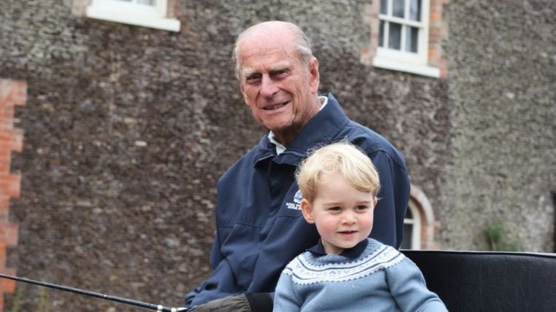
@RolandS13014285 U do realise that was part of the routemap before Prince Philip sadly died ? And parliament paid their respects today
For once it would be wonderful to see the British press choose morality over dollars. The stories this week should be all about #PrincePhilip and his extraordinary life. #PrinceHarry's funeral outfit, or anything to do with Harry shouldn't be the main story. SHAME ON YOU! https://t.co/bWx9i5xlDU | 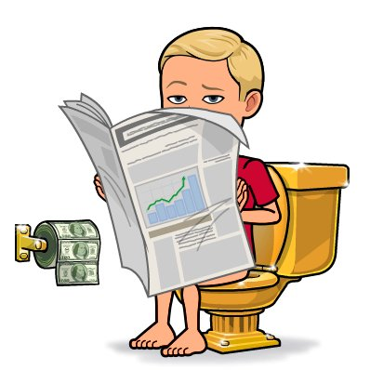
Prince Philip ‘thought Harry and Meghan’s Oprah interview was madness and no good would come of it’ https://t.co/p1BoYILS5D
#princephilip #dukeofedinburgh #windsorcastle #condolences #memories #イギリス では、とても悲しい事がありました。 国民みんなが悲しんでいます。 #エジンバラ公 #フィリップ王子 @ Windsor Castle https://t.co/OvKb09jxQJ
@craignelsonUK @jonlis1 I am no royalist, but Prince Philip was clearly a remarkable man. Brave, compassionate and a loyal, supportive husband and father. Always elegant and smart. Absolutely everything that Johnson is not.
contohnya first time in the morning, bangun, scroll twitter ada berita pemakaman prince philip, ada loh yg komen "jadi ini tuh prince philip yg meninggal?" . . ya mnrt elo aja deh markonah🤡
Prince Philip’s final ride will be in a hybrid-electric Land Rover (story by @mattbeedham) https://t.co/JrLLsVNWG9
Meghan Markle and Prince Philip had a ‘special bond and she adored him’ https://t.co/NaaRfOYsGg
Monty Don calls for ‘respect’ over Prince Philip death coverage: ‘Not sycophantic drivel’ https://t.co/HtetKGbvDT
The sixth episode of the Words Without Wisdom podcast with Evan and I is out NOW wherever you get your podcasts We talked about Prince Philip Find all the links here: https://t.co/vvxckRpmrs
We understand that at 3pm on Saturday 17th April a 2 minute Silence &amp; Last Post will be played on the Centenary Fields near to the benches in honour of Prince Philip. Flowers &amp; tributes can be left by Tommy. #PrincePhilip https://t.co/21Gmqf9ujL | 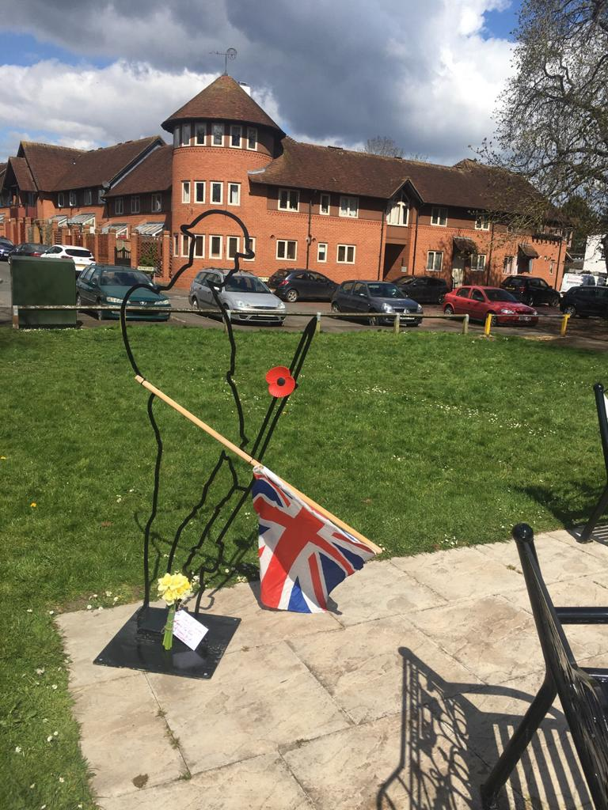
@PastorJimberoo3 BTW this was referring to complaints over the coverage of the death of Prince Philip
Prince Philip - Pigs will die for him https://t.co/jcpn0gOKz2 #bcforums
@SkyNews Oh please, all of these statements from the Royals about Prince Philip are carefully constructed by PR people.
@ARKovnat Alex Yes HRH Prince Philip did live a very full life, which is not very surprising when you look at his history &amp; character. The UK is going through changes at the moment &amp; not all for the good, which is why Philip's independent spirit was always a breath of fresh air. Alex B
Liverpool councillor apologises for calling Prince Philip 'fascist piece of inbred s***' https://t.co/iUZAHZ7OjZ https://t.co/dZQgtUS4ko | 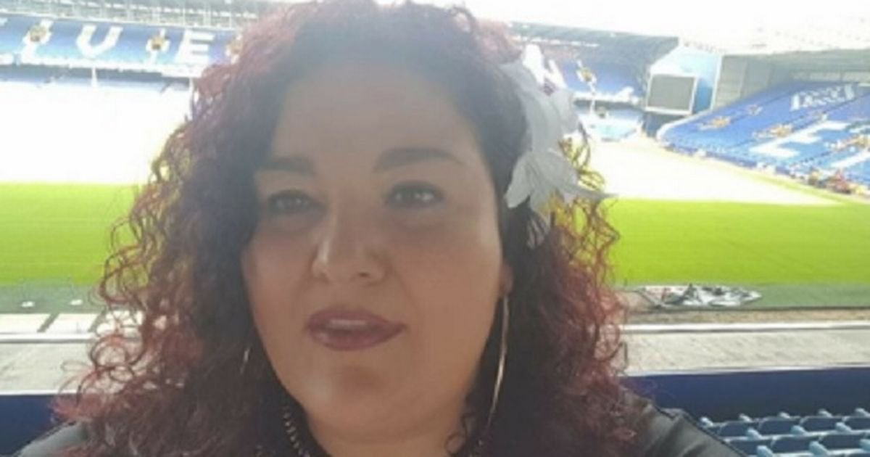
Respect #PrincePhilip , R.I.P 😆 https://t.co/KMWDcrOY8S | 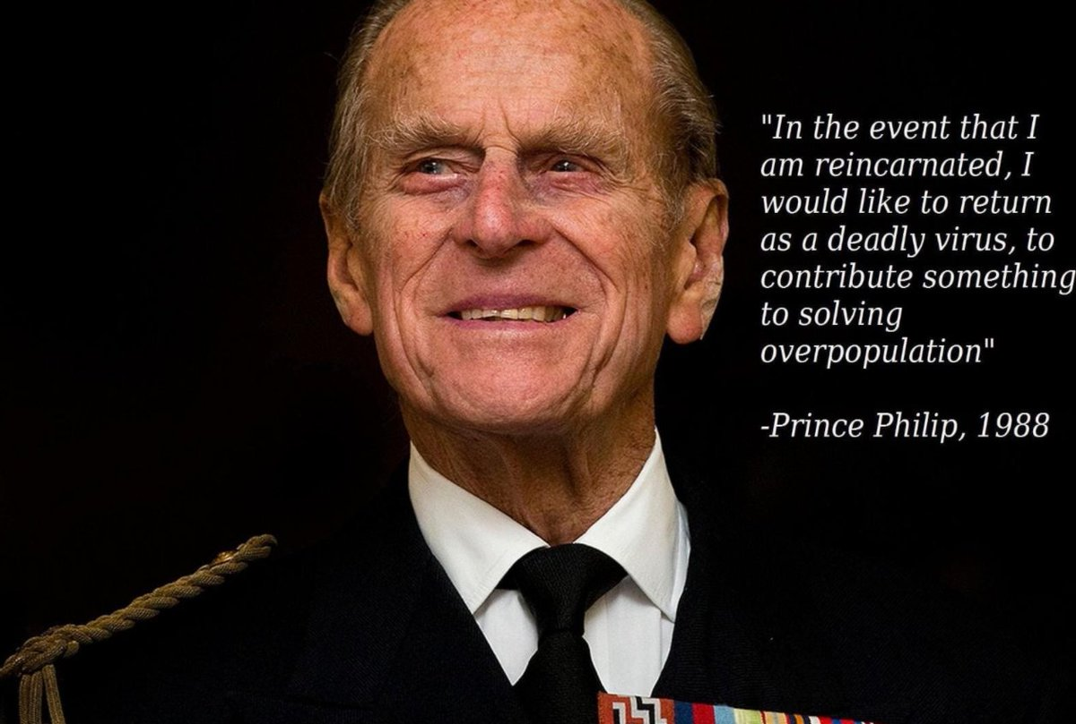
💔 #PrincePhilip https://t.co/0h7hpCV7yi
Think I'd rather be inbred than have the genetics of this mutant. This is why labour will be out of power for a very long time #PrincePhilip @labour @Keir_Starmer https://t.co/ODuCs0qHtC
Freestyle U12’s and Walton North End U12’s conducting a 1 min silence before their game for Prince Philip @JnrLancs @LancashireFA 👟⚽️ https://t.co/hmkhLSc2Np
Comedian pokes fun at Prince Philip after learning of his death during gig https://t.co/iVOgP1Pvai https://t.co/rxK8SLGzf6 | 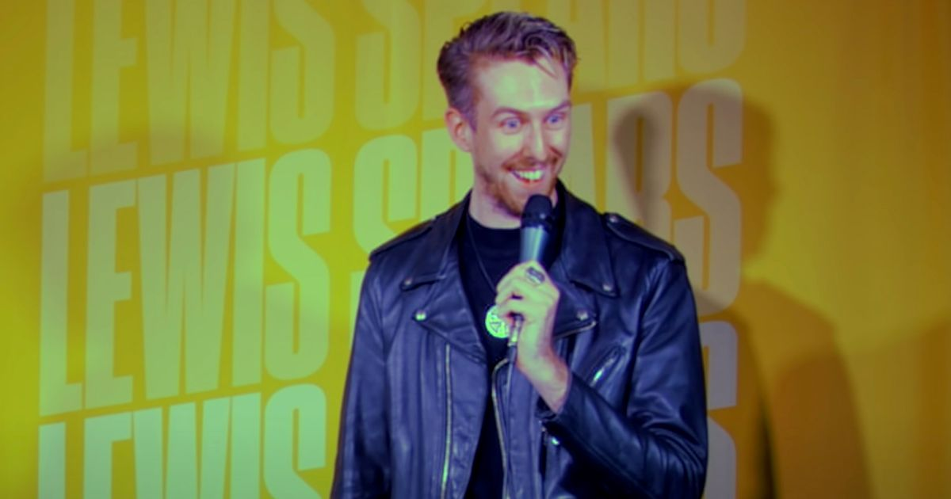
In case you're the one person my mother hasn't sent this too... One of the many privileges of such a proud connection between @JLGBHQ and @DofE was meeting #PrincePhilip #TheDukeOfEdinburgh on several occasions... here's one such occasion, in this week's @JewishNewsUK
Why do people seriously give a shit about Prince Philip dying , Take my dislike for the monarchy aside the guy was nearly a 100 years old it's not like it was a surprise The Royal family is a thing of the past time to move on
100,000 complaints about the #BBC coverage of #PrincePhilip Death. Apparently.
Scabies is on Dutch tv again. Harry and her had a laid back relationship with prince Philip. Get him fired. Piece of 💩 https://t.co/HdD8EQfiBJ | 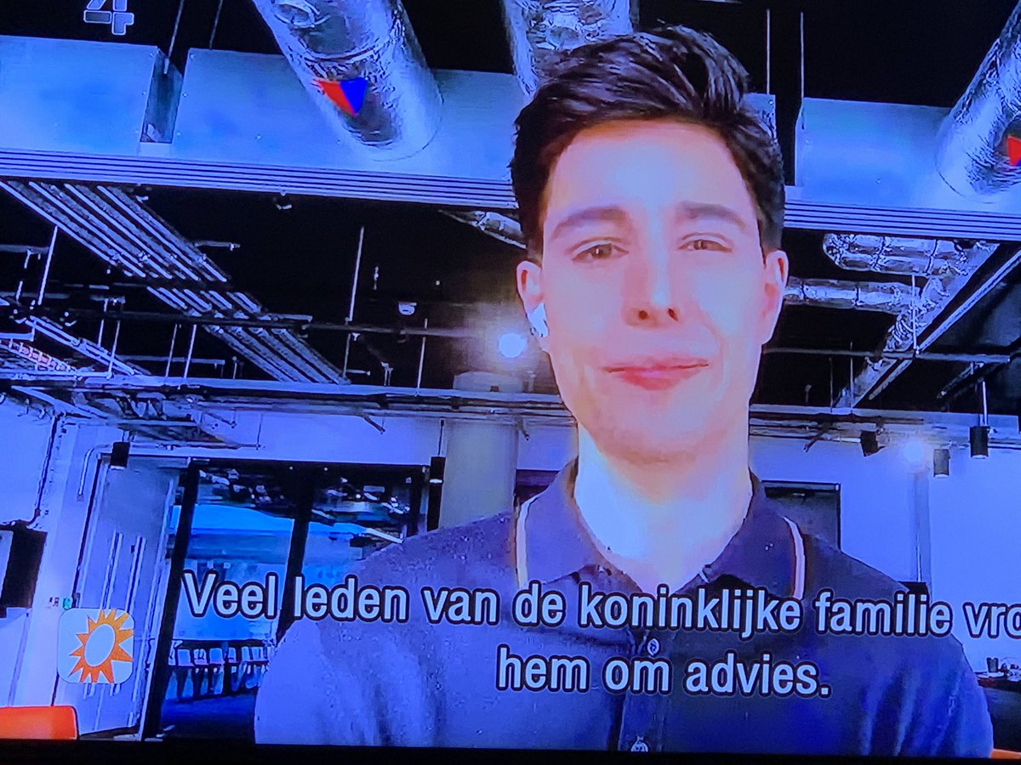
@scobie HOW RACIST! Yet here you are acting all sad about Prince Philip’s passing!
Le traitement médiatique sur le #PrincePhilip commence un peu à diminuer au Royaume-Uni. On en reparlera en fin de semaine lors des funérailles du mari de la Reine. On parle du scandale de David Cameron et de la réouverture des magasins et pubs. https://t.co/UVP3sZFsZi
Well, they do say that if you can remember Prince Philip in the sixties, you weren't there...
@localnotail @AdamBienkov @AntiRacismDay Mr Johnson trying to draw parallels between himself and Prince Philip. We are to believe that the letterbox comment was just an ice breaker, intended to put people at their ease. If there was an award for ‘worst justifications for unacceptable behaviour ever’, this would win.
Could we respect HRH the Prince Philip’s legacy by investing in ethical manufacturing of medical devices, vaccines, pharmaceuticals in the UK (ie without use of slave labour) and not outsource these nor global banking functions to India, which still uses slave labour? https://t.co/5q2n2IPrLA | 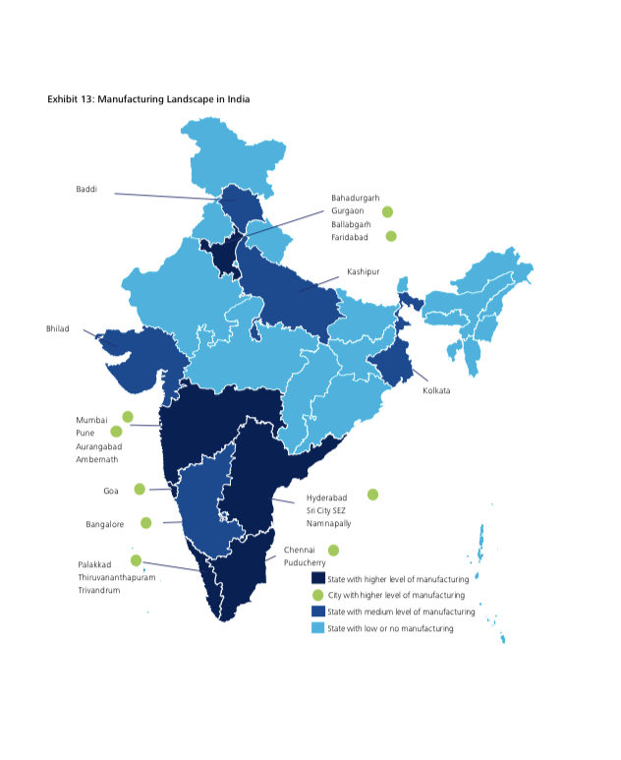
Could we respect HRH the Prince Philip’s legacy by investing in ethical manufacturing of medical devices, vaccines, pharmaceuticals in the UK (ie without use of slave labour) and not outsource these nor global banking functions to India, which still uses slave labour? https://t.co/5q2n2IPrLA | 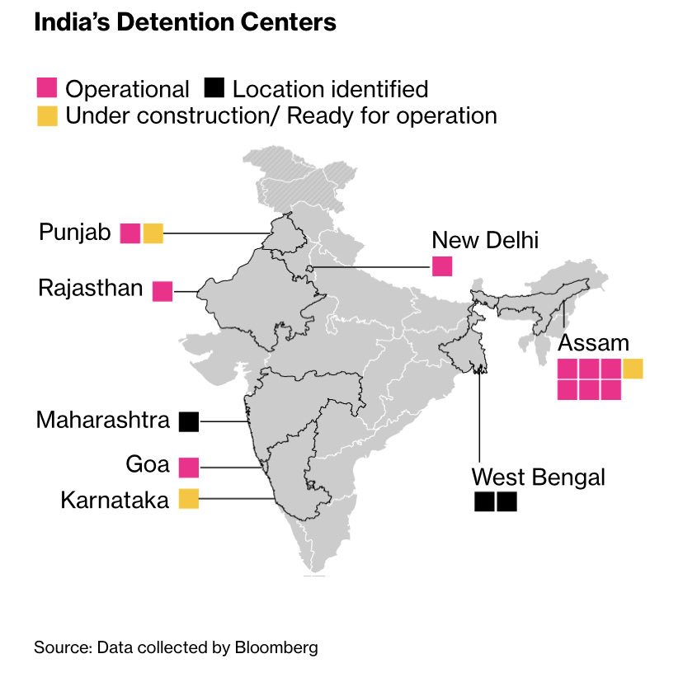
Amazing true story about Prince Philip brought a tear to my eye
What a moving tribute from The Duke of Cambridge. ‘My grandfathers centenary of life was defined by service - to his country and Commonwealth, to his wife and Queen, and to our family.’ Dignified and respectful to the very end. #PrincePhilip #PrincePhilipRIP #RIPPrincePhilip https://t.co/UsVNwzn29C | 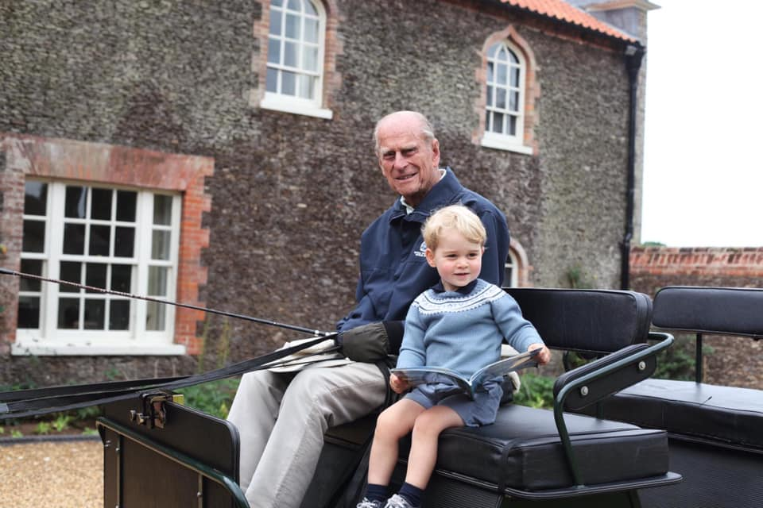
Inside William and Harry's poignant but strikingly different tributes to Prince Philip https://t.co/pZ6A43UcTO https://t.co/yyVtvmVEiy | 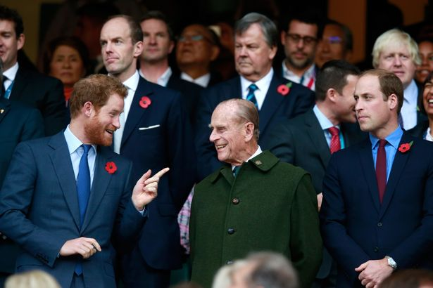
I remember when Glasgow City moved the 5th of November because it clashed with an Old Firm game! The fireworks &amp; bonfire took place on the 6th. It they had the power, #PrincePhilip's funeral would have been moved to another date to allow Rangers &amp; Celtic to go ahead https://t.co/nMMd2QNKIy | 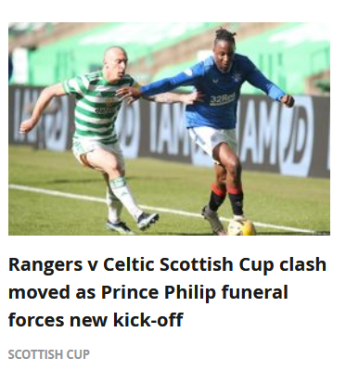
#MeghanMarkle Oh! My God. You can't be serious MARK OF RESPECT... say's the Sun Headline. Meghan Markle stayed in the US for Prince Philip’s funeral as She ‘didn’t want to be centre of attention’ 'Do you Honestly' believe this Rat, that's the same Rat that deserted the UK https://t.co/CFqqpr9xc5
What's your opinion Blue Army? EFL postpone all fixtures next Saturday during Prince Philip's funeral The EFL have postponed all fixtures next Saturday to pay respect to Prince Philip during his funeral. talkSPORT understands that discussions are on https://t.co/wecOMZaIKb https://t.co/Wcmn19qgAU | 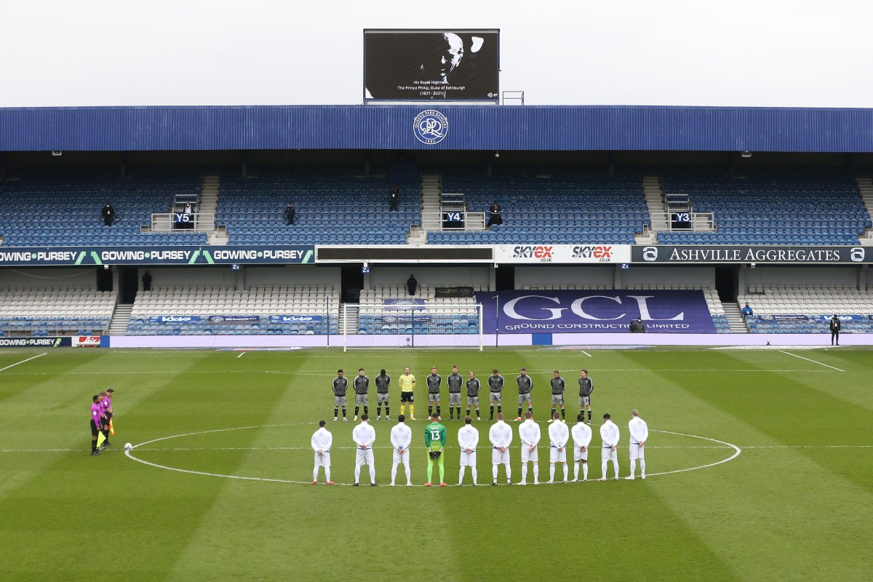
BBC and ITV viewing figures plummeted over the weekend as regular shows were pulled for blanket coverage about Prince Philip’s death. https://t.co/hA9fnBqFQs
@JFQuizzes At least Williams kids have memories of their great grandfather, unlike Harry's. It was a lovely photo of George and Prince Philip
@Anthony41806183 Know prince Philip well do you 😉
@mrjstephenson1 I love Gardeners World it was rescheduled to Saturday, the death of HRH Prince Philip and all the programs devoted to his life were justification for this. People who complained probably don’t watch the BBC
@RolandS13014285 @Jen4Scot Oh, ffs. He’s sticking to the roadmap as promised. He didn’t know that Prince Philip was going to pass away on Friday! There would have been riots if he’d reneged on the plan.
@PHarry_Meghan Like HRH The Prince Philip I’ve quietly observed my GENUINE grief for a huge figure in our nation, IN PRIVATE, public figures that manipulate the media should be told off like the disruptive people they have become.
@KensingtonRoyal so sorry for your loss 💔 ❤️And hugs from Glasgow xx R.I.P Prince Philip 😢
Prince Philip once refused to accept a picture of the Queen - see his funny remark https://t.co/zvbX9I8JKr
BBC 'receives 100,000 complaints' over Prince Philip coverage https://t.co/nboKFD1k8G
... The idea that we can eliminate privilege is absurd. As @bridsmithTD is blessed with the natural advantage of intelligence, she knows this, which makes her remarks on the Monarchy most disingenous and tasteless at a time when they are mourning the death of #PrincePhilip
@KensingtonRoyal @RoyalFamily An absolutely beautiful tribute and photo, very sad to read.❤️Sending condolences to all of your family and her Majesty on this enormous loss of HRH Prince Philip.
@BBCNews Prince Philip coverage has not been excessive.
@scobie How hypocritical you’ve spent years bashing the Royals and “white men of privilege” yet here you are acting like you care now Prince Philip has passed... what a joke!!
Andrew Roberts on #PrincePhilip’s great, unsung, contribution to the monarchy. https://t.co/93yAhm9AOr
Yes, but the death of Prince Philip is final - #Brexit will be reversed. #Brit MPs knows that.
#PrincePhilip was always supporting #TheQueen. Here he was supporting her daily exercise routine 😂
The British press have been amused by that remote island in the pacific that worships Prince Philip as a god The irony is that British democracy paid tribute to Phil for over 7 hours today instead of debating violence in Northern Ireland - &amp; acted like that’s completely rational
https://t.co/eFSH4I6FRm and many thousands more like me didn't bother to complain because they thought it might be insensitive at the time. But really all BBC TV. All BBC radio given over. We are not all monarchists. Show even a little balance. #BBC #PrincePhilip @bbcfeedback
BBC’s Prince Philip coverage breaks UK TV complaints record before the petition is pulled by the BBC https://t.co/ezoAF6Ay9M
@ianjsilvera Prince Philip and the power of personal choice https://t.co/CL9WQkFEWJ
Duke In Argentina (1962) https://t.co/jQvga8M4J7 via @YouTube haha... look at the cheering crowds in Buenos Aires! Far away and long ago as Hudson would say... #Argentina #PrincePhilip
@DavidMaynard32 @BBCNews 120 000 people have died this year from Covid. Almost all of them worked hard and contributed to this country. Very many of them, like Prince Philip, served in the armed forces in WW2. Do they all deserve 8 days of national mourning? Should we cancel Eastenders for all of them?
I understand some people are unhappy with the amount of TV time devoted to Prince Philip - but to be honest, who he was, the length of his service to the nation, it’s just a small part of the debt we owe him.
Prince Philip: DUP MLA Christopher Stalford in tears as he pays tribute to 'visionary' Duke of Edinburgh - Belfast Newsletter https://t.co/xFG0Sj8wV3
Top Sinn Féin figures lead effusive tributes to Prince Philip, praising his public service and support for the Queen https://t.co/5hIQhxlSNj
Patrick Harvie raises Prince Philip's 'extreme privilege' in Holyrood tribute. https://t.co/2FgbjFHZVt
@stariep He’s not a relative of Prince Philip, is he? Not needed
I want William to make a speech during Prince Philip's funeral 🥺
persona que piensa que prince philip fue asesinado
Harry et William rendent hommage à leur grand-père le prince Philip - TV5MONDE https://t.co/TG99BoIDC0
@karengeier @RoyalFamily As #karengeier may be off Twitter for a while she might miss all the comments on her Tweet about #PrincePhilip . Helpfully though she has very thoughtfully left a contact page on her public website https://t.co/F1f4NWXKGt . it would be a shame if she was deluged with emails
Prince Philip is the new Brexit.
"116 people wrote to the corporation over the weekend to complain that it was making it too easy to complain" BBC’s Prince Philip coverage breaks UK TV complaints record https://t.co/Q56gYdSnfc
'The BBC’s wall-to-wall coverage of Prince Philip’s death is the most complained-about moment in British television history, as at least 110,994 viewers expressed annoyance that shows such as EastEnders and MasterChef were replaced with royal tributes.' https://t.co/s0xhNTO57j
In the grand scheme of British history, Shirley Williams is a much, much more significant figure than Prince Philip. But I guess we won’t be stopping cricket matches for her funeral.
I'd like to take a moment to acknowledge something about the passing of #PrincePhilip. Whether or not we're royalists, one thing remains is that the poor bastard will never find out who H is, or what the fuck is going on in #LineofDuty6
@BlackTieCake Wasn't the royal family was the tabloids. They make fake news. They said Prince Philip killed Diana, because dodi was Muslim. She had a Pakistani Muslim boyfriend for 3 years. She wanted to marry him, but he broke off with her. The royals never answer back, they keep dignity
Still can’t believe Prince Philip is dead. Gonna miss that cheeky glint in his eye when smacked my ass as he got out of bed to make us scrambled eggs. RIP babe
#PrinceGeorge aged 2, sitting on a carriage next to his great grandfather #PrincePhilip. He was a devoted and much loved Great Grandfather 💕 https://t.co/MajLURFeM9 | 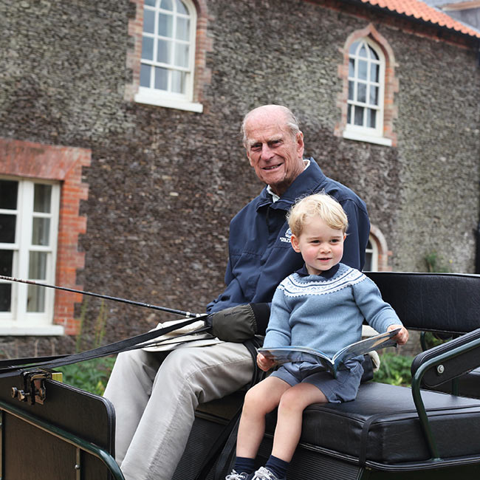
bill nighy serving us prince philip realness https://t.co/GvwNWWeIkh | 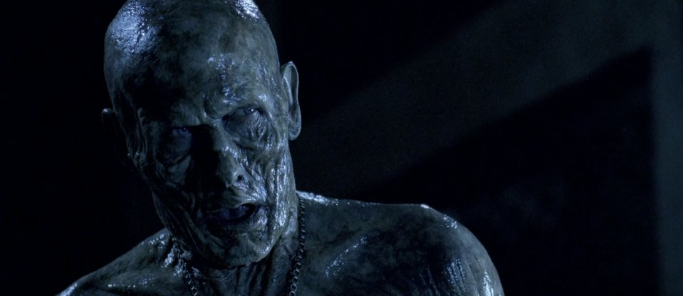
BBC 'receives 100,000 complaints' over Prince Philip coverage https://t.co/vbfRAr4Wl5
Respect #PrincePhilip , R.I.P 😆 https://t.co/KMWDcrOY8S
💔 #PrincePhilip https://t.co/0h7hpCV7yi
Freestyle U12’s and Walton North End U12’s conducting a 1 min silence before their game for Prince Philip @JnrLancs @LancashireFA 👟⚽️ https://t.co/hmkhLSc2Np
Comedian pokes fun at Prince Philip after learning of his death during gig https://t.co/iVOgP1Pvai https://t.co/rxK8SLGzf6
Liverpool councillor apologises for calling Prince Philip 'fascist piece of inbred s***' https://t.co/iUZAHZ7OjZ https://t.co/dZQgtUS4ko

