Sheet1
ori_text | twitter_image | newspaper_image
If you have any of these #coronavirus symptoms: - High temperature - New continuous cough - Change/loss of smell/taste Book a test, even if you don't feel too bad. You can use the NHS COVID-19 app or visit https://t.co/teMUMW0CP8 #StayAlert https://t.co/zD6cTdDxeo | 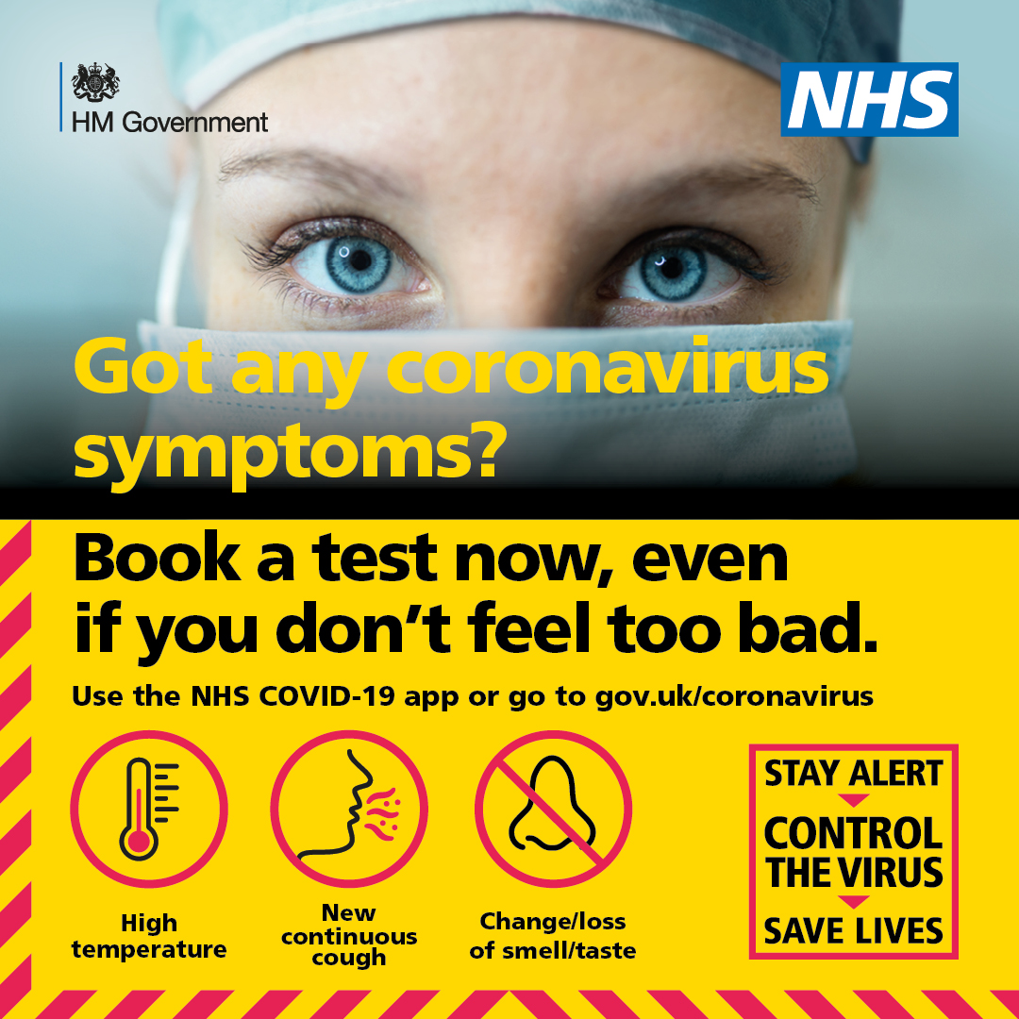
You should only book a coronavirus test if you are displaying symptoms: ➡ a high temperature ➡ a new continuous cough ➡ a loss of smell or taste Please book your test prior to arriving or you will be turned away. For more ➡ https://t.co/LdEwvSAGO0 @SomersetDPH @PHE_SouthWest https://t.co/u2XOgTpzXz
If you have any of these #coronavirus symptoms: - High temperature - New continuous cough - Change/loss of smell/taste Book a test, even if you don't feel too bad. You can use the NHS COVID-19 app or visit https://t.co/teMUMVJ1qy #StayAlert https://t.co/J6wmkDsmF9
If you have symptoms of #coronavirus, stay at home and book a test as soon as possible. The symptoms are: ▶️ A high temperature ▶️ A new, continuous cough ▶️ A loss or change to your sense of smell or taste. Download the #NHSCOVID19app or visit https://t.co/teMUMW0CP8 https://t.co/73yx6elev9 | 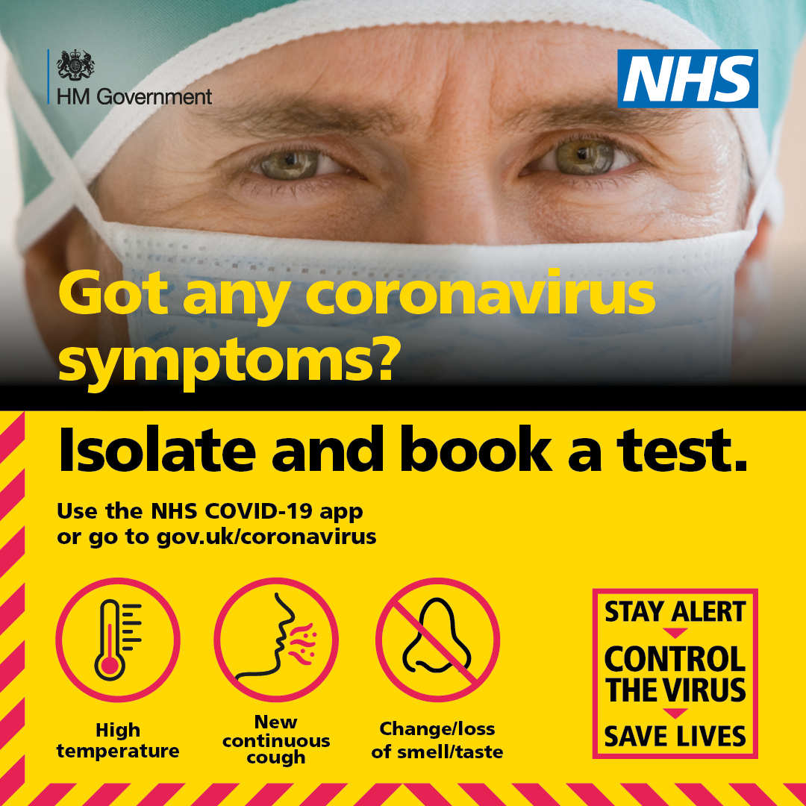
If you have any symptoms of #coronavirus, stay home and book a test. Anyone else in your household should stay home until you get a result. Symptoms are: ✅ A high temperature ✅ A new, continuous cough ✅ Change or loss of smell or taste For more visit https://t.co/teMUMVJ1qy https://t.co/HCF5eCVAxQ | 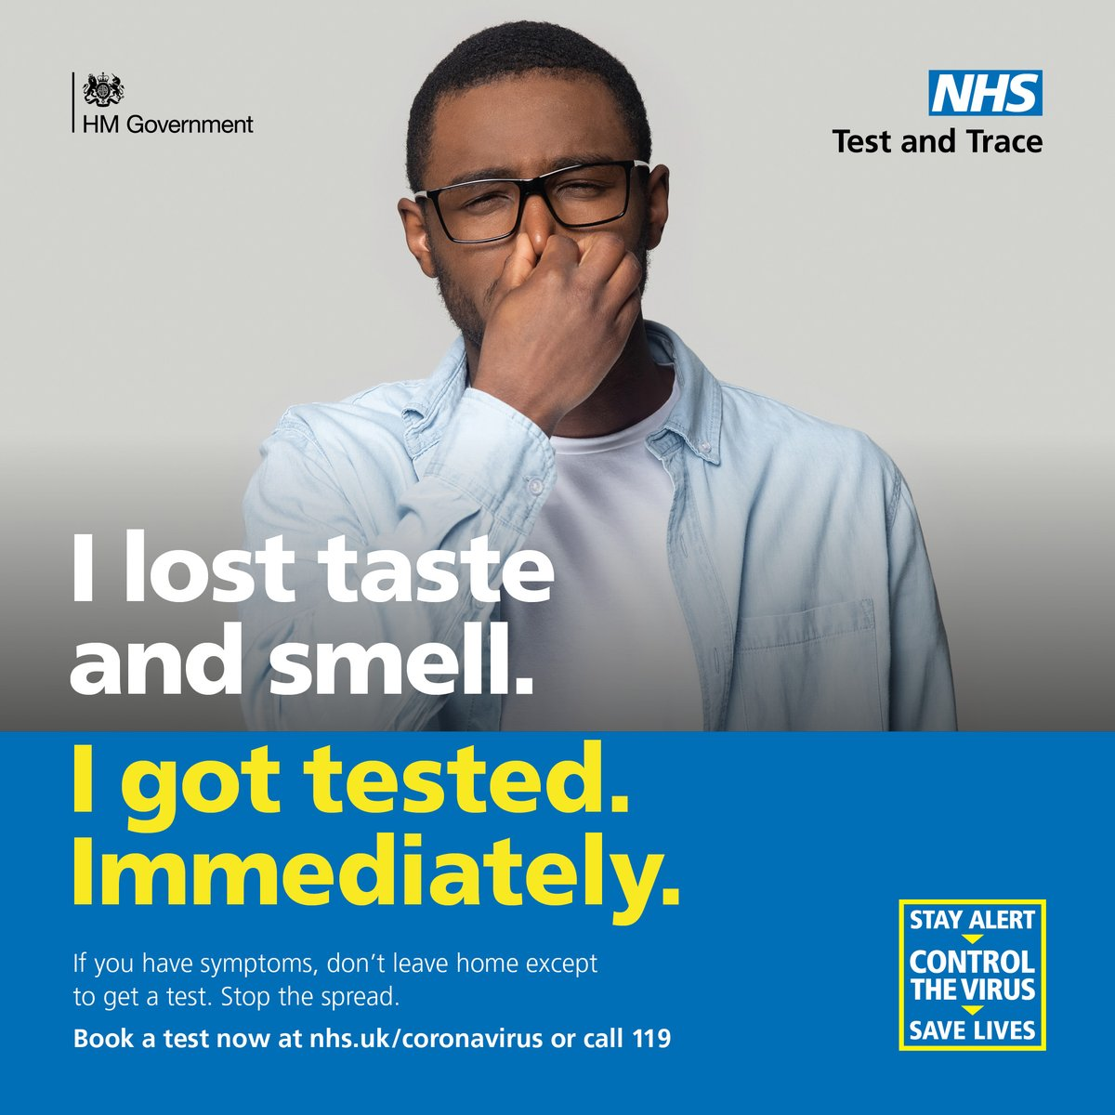
Anyone with #COVID19 symptoms can get tested. Coronavirus symptoms are: - A high temperature - A new, continuous cough - A loss or change to your sense of smell or taste If you book a #COVID19 test, you must stay at home until you get your results. https://t.co/teMUMVJ1qy https://t.co/NOW5A6uagB | 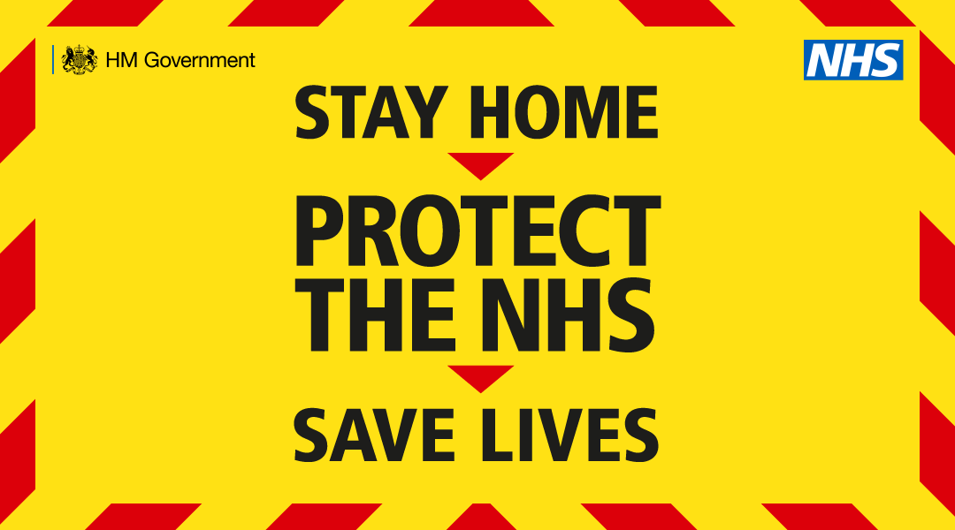
Essential #Coronavirus advice from @PHE_uk If you or anyone else in your household has a high temperature or a new &amp; continuous cough: 🏠 EVERYONE stay at home for 14 days ❌ Stay away from others 🛒 Ask friends/family to drop off food &amp; medication https://t.co/zteFxfALZP
Do you have a high temperature, a new continuous cough or loss of taste or smell? Stay alert to the symptoms of #coronavirus. No one in your household should leave home if any one person has symptoms. Book a test: https://t.co/BywHYNmXEW https://t.co/Pwv1DnBY3I
Stay alert to the the symptoms of #coronavirus. - A high temperature - A new continuous cough - Loss of taste or smell No one in your household should leave home if any one person has symptoms Book a test: https://t.co/BywHYNmXEW https://t.co/MHoYJ3Spao | 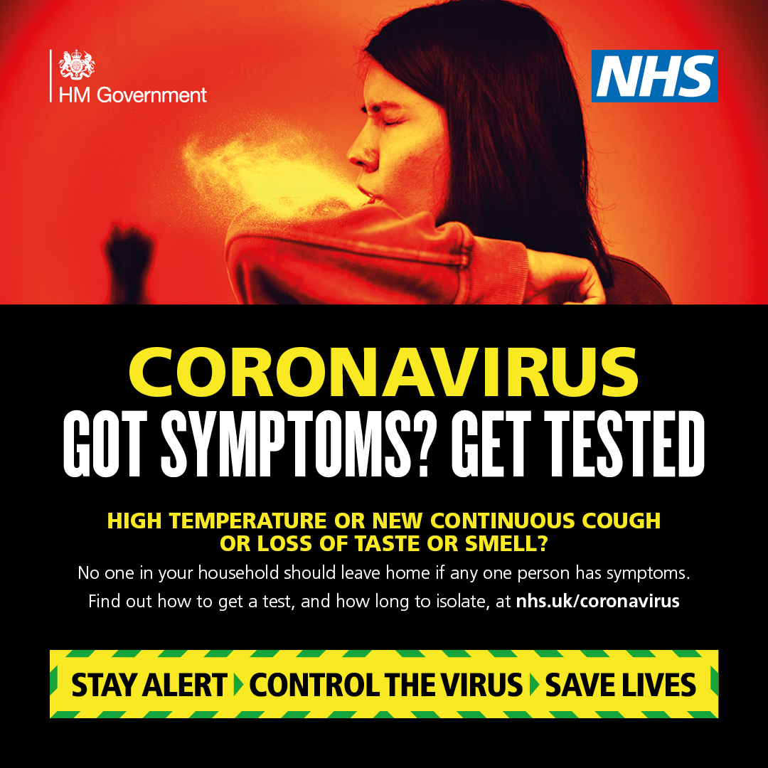
If you have any of these symptoms: ➡ High temperature ➡ New, continuous cough ➡ Loss/change in sense of smell or taste You must self-isolate and book a test here: https://t.co/BywHYNmXEW #COVID19| #StayAlert https://t.co/SVL7ClAUw6 | 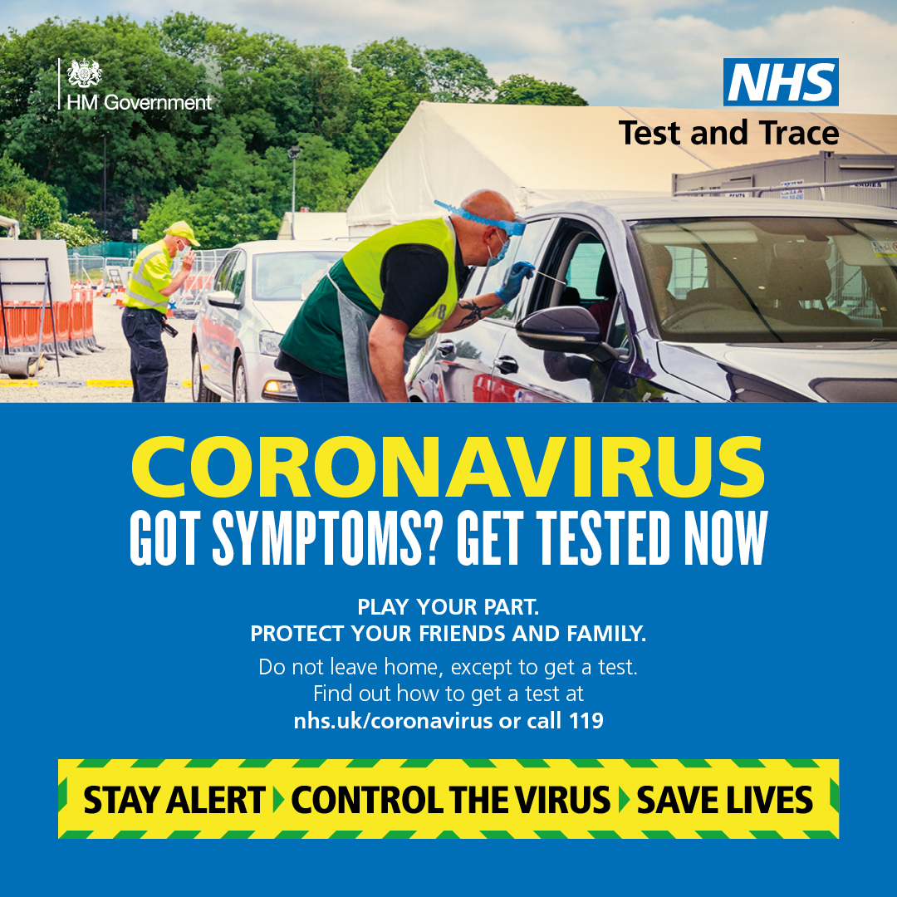
If you have any of these symptoms: ▪️ high temperature ▪️ new, continuous cough ▪️ loss/change in sense of smell ▪️ loss/change in sense of taste It is vital that you book a #COVID19 test NOW. Find out how to get a test: https://t.co/1U36UUHH4Z https://t.co/cqGztU6vrS
If you have any of these symptoms: ▪️ high temperature ▪️ new, continuous cough ▪️ loss/change in sense of smell ▪️ loss/change in sense of taste It is vital that you book a #COVID19 test NOW. Find out how to get a test: https://t.co/1U36UUZitz https://t.co/39DLLrcXbr
Got symptoms of coronavirus? Get yourself tested. The main symptoms include: - High temperature - A new, continuous cough - Loss or change to your sense of smell or taste Find out how to get a test at: https://t.co/nHFzF49ddj #StayAlertSaveLives https://t.co/4YQHAojfqW
No matter how mild your symptoms may be, if you experience: ▪️ loss/change in sense of smell ▪️ loss/change in sense of taste ▪️ high temperature ▪️ new, continuous cough You MUST book a test. https://t.co/1U36UUHH4Z https://t.co/MqpMFW3czM
Got symptoms of coronavirus? Get yourself tested. The main symptoms include: - High temperature - A new, continuous cough - Loss or change to your sense of smell or taste Find out how to get a test at: https://t.co/nHFzF4qOBT https://t.co/rUvnI9HJ4j
Got symptoms of coronavirus? Get yourself tested. The main symptoms include: - High temperature - A new, continuous cough - Loss or change to your sense of smell or taste Find out how to get a test at: https://t.co/nHFzF4qOBT https://t.co/mZgx2VjcM6
Got symptoms of coronavirus? Get yourself tested. The main symptoms include: - High temperature - A new, continuous cough - Loss or change to your sense of smell or taste Find out how to get a test at: https://t.co/nHFzF49ddj https://t.co/atUVbFuPb7
Got symptoms of coronavirus? Get yourself tested. The main symptoms include: - High temperature - A new, continuous cough - Loss or change to your sense of smell or taste Find out how to get a test at: https://t.co/nHFzF49ddj https://t.co/AemI0WDoUJ
Got symptoms of coronavirus? Get yourself tested. The main symptoms include: - High temperature - A new, continuous cough - Loss or change to your sense of smell or taste Find out how to get a test at: https://t.co/nHFzF49ddj https://t.co/pjajnrxKcL
No matter how mild your symptoms may be, if you experience any: ▪️ loss/change in sense of smell ▪️ loss/change in sense of taste ▪️ high temperature ▪️ new, continuous cough You MUST book a test. Book yours now: https://t.co/f3QI0IYhXD https://t.co/3JowoDq8G3
Anyone in the #SouthWest who has: • a high temperature • a new continuous cough • a loss or change to your sense of smell or taste You MUST #SelfIsolate &amp; arrange a #COVID19 test IMMEDIATELY. Call 119 or book a test online: https://t.co/BywHYNmXEW https://t.co/QuzoxV0ZkU
No matter how mild your symptoms may be, if you experience any: ▪️ loss/change in sense of smell ▪️ loss/change in sense of taste ▪️ high temperature ▪️ new, continuous cough You MUST book a test. Book yours now: https://t.co/iXB21o6KJr https://t.co/oQdoLpUAir | 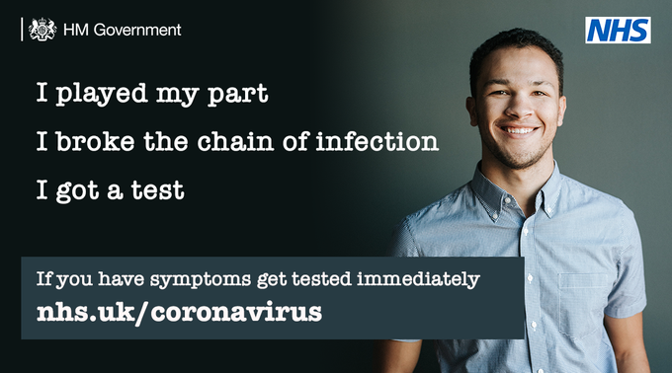
No matter how mild your symptoms may be, if you experience any: ▪️ loss/change in sense of smell ▪️ loss/change in sense of taste ▪️ high temperature ▪️ new, continuous cough You MUST book a test. Book yours now: https://t.co/nHFzF49ddj https://t.co/f1DpK4vB8x | 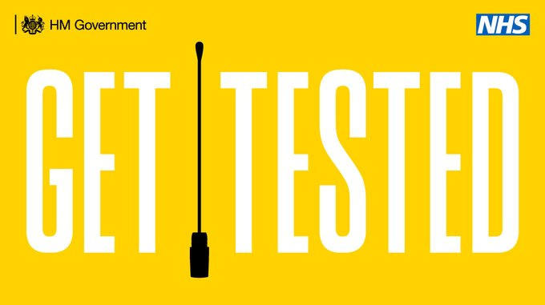
If you have a high temperature, a new continuous cough or loss of taste or smell, you need to get a coronavirus test. To find out how call 119 or visit: https://t.co/IuISMVYTP4 #StayAlert #StopTheSpread #ControlTheVirus https://t.co/8iQHhmaVtv
If you have any of these symptoms for #coronavirus, isolate and book a test. - High temperature - A new continuous cough - Loss or change in your sense of smell or taste To book a test, visit https://t.co/teMUMW0CP8 https://t.co/SGTb9UjpE8
You only need to get a #coronavirus test if you have any symptoms. - High temperature - A new continuous cough - Change or loss in you sense of smell or taste. You can book a test via the NHS COVID-19 app or visit https://t.co/teMUMW0CP8 #stayalert https://t.co/GhTILrOQ8M | 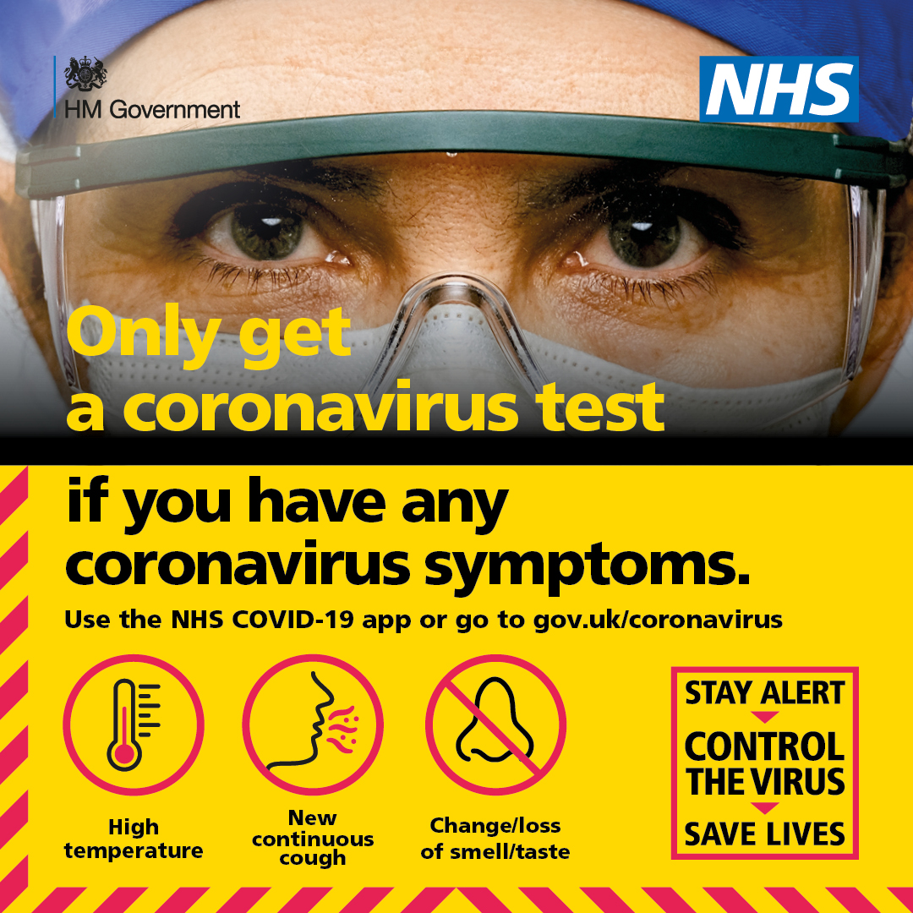
If you have any of these #coronavirus symptoms: - High temperature - New continuous cough - Change/loss of smell/taste Book a test, even if you don't feel too bad. You can use the NHS COVID-19 app or visit https://t.co/teMUMVJ1qy #StayAlert https://t.co/0Kw980s8Af
If you have any of these symptoms for #coronavirus, isolate and book a test. - High temperature - A new continuous cough - Loss or change in your sense of smell or taste To book a test, visit https://t.co/teMUMVJ1qy https://t.co/4cSVOyEy0I
If you have any of these #coronavirus symptoms: - High temperature - New continuous cough - Change/loss of smell/taste Book a test, even if you don't feel too bad. You can use the NHS COVID-19 app or visit https://t.co/teMUMVJ1qy #StayAlert https://t.co/4G8gduNPPv
You only need to get a #coronavirus test if you have any symptoms. - High temperature - A new continuous cough - Change or loss in you sense of smell or taste. You can book a test via the NHS COVID-19 app or visit https://t.co/teMUMVJ1qy #stayalert https://t.co/1OGxwv7Qu7

