Sheet1
ori_text | twitter_image | newspaper_image
Not a single Republican voted for the #covidrelief bill that was signed into law on Thursday, which sends $1,400 to most Michiganders, extends unemployment benefits, gives parents a monthly income, and bolsters vaccine production and distribution. https://t.co/9ihdv7h6Z6 | 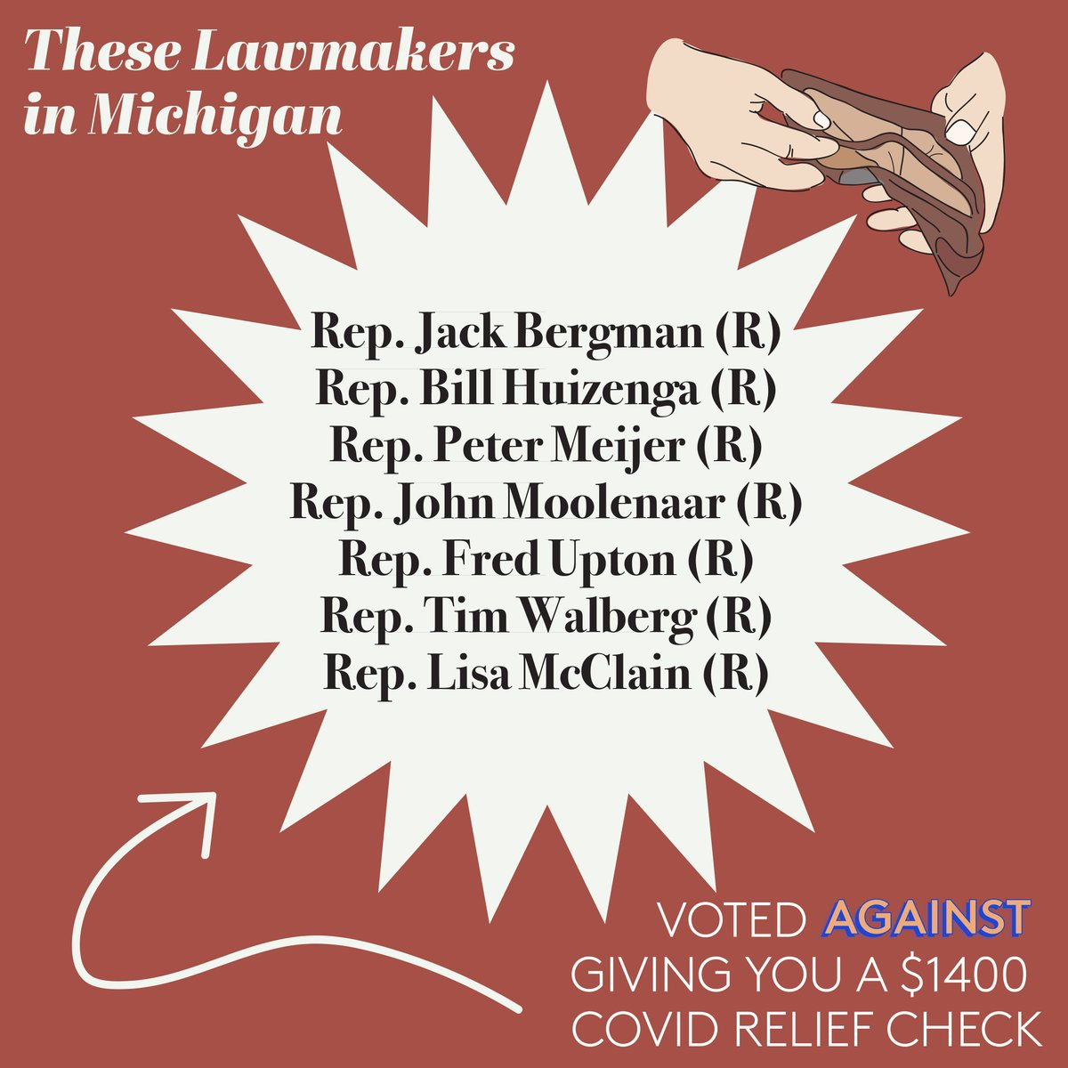
Biden to direct states to make all adults eligible for COVID vaccine by May 1 https://t.co/4owrcoYWuh
Rastafarians in Caribbean sceptical about COVID vaccine - Loop News Barbados https://t.co/FlP39dvi3Z https://t.co/QW8WMHaVGJ https://t.co/bZVImXITmW | 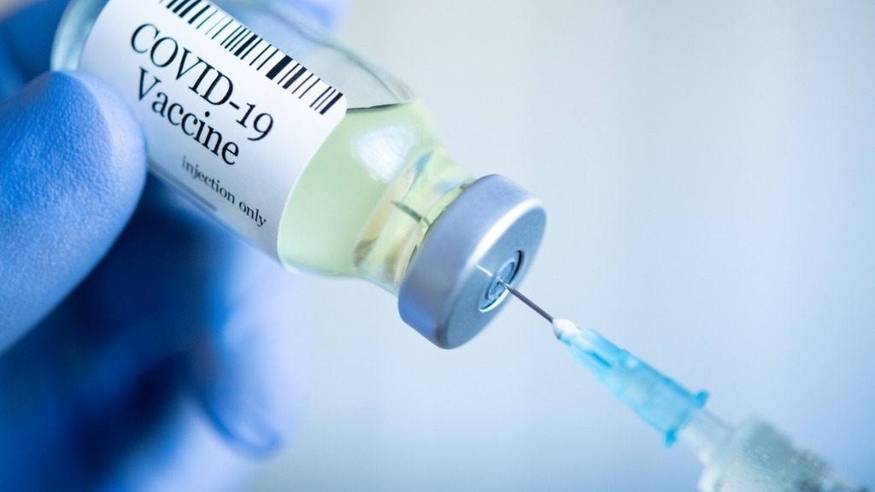
Rastafarians in Caribbean sceptical about COVID vaccine - Loop News Barbados https://t.co/OqGI6i0Yst https://t.co/NaPjwTfbi8 https://t.co/kKApvj6JIL
Biden will direct states to make all adults eligible for COVID-19 vaccine by May 1 https://t.co/szE6TlKUoF
Eugenio Derbez interviews Dr Fauci about concerns with the covid vaccine... https://t.co/IX9mXGzIvm via @YouTube
Imagine by going to the vet to get YOUR covid vaccine
Got my first covid vaccine shot while being tipsy, my last days are counted
First Covid vaccine 💉 today. Doing my part to keep your family and mine safe. To my family love ya but you still need to mask up. 😷 https://t.co/brTiGSj5Uy | 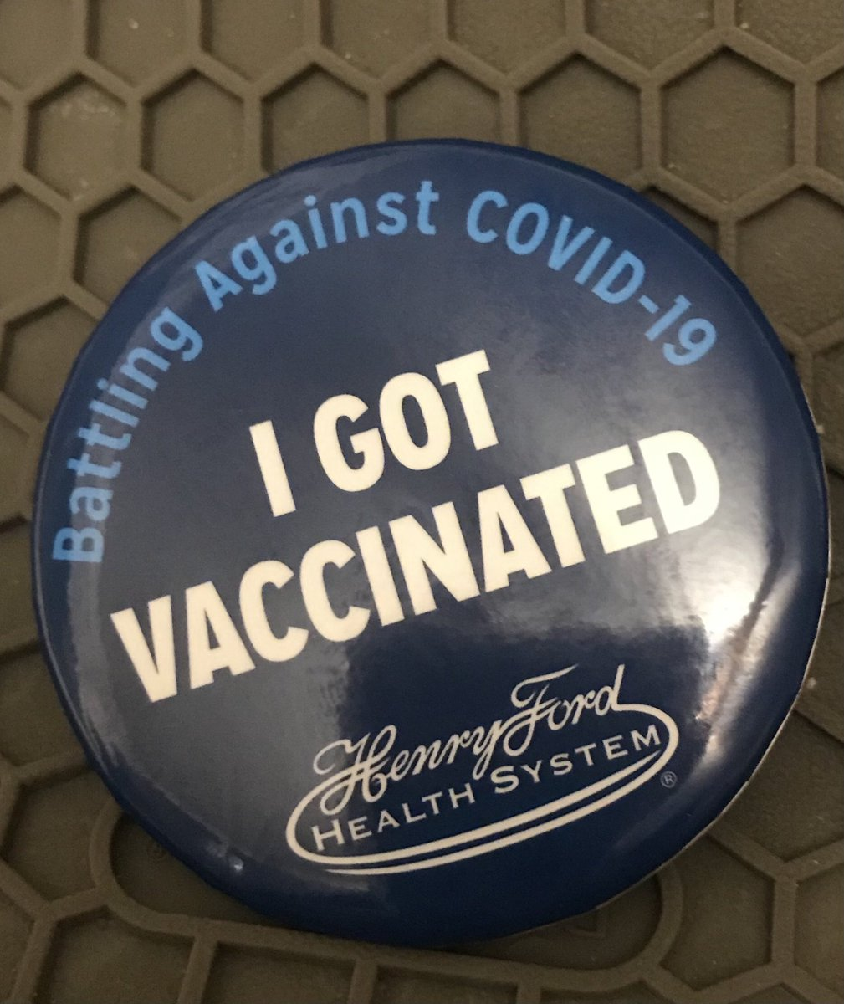
NASHVILLE, Tenn. (WTVF) — Metro will open thousands more COVID-19 vaccination appointment slots Friday morning as the city continues its vaccine rollout. https://t.co/PWwWFRDgY3 @protectmycare @NC5PhilWilliams @BrettKelman
With 3 effective COVID vaccines now available, vaccinations continue at a good pace in the county. Today's data shows 70,442 residents have received at least one dose of the vaccine, which is 25.7% of the adult population. More COVID data is available at https://t.co/Wmr98XO9Rn. https://t.co/bEYhYpfrOB | 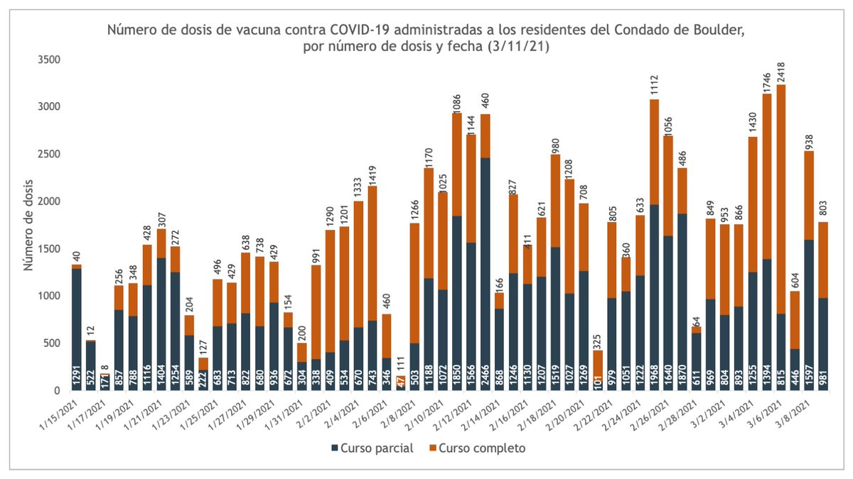
We hear that there's a rumor circulating about wasted COVID-19 vaccine doses. Here's the truth: We work very hard to ensure that vaccines are not wasted. We NEVER throw away or discard perfectly usable doses. https://t.co/S2J8zZXwxA | 
California health officials promote the Johnson &amp; Johnson COVID vaccine as the first doses of it reach the Bay Area. by @mgafni and @MeghanBobrowsky @sfchronicle https://t.co/2dzAoGGFRz
@sassybibrarian @MollyJongFast Yup. It’s funny to think about how little was known when this started. It made us all crazy. I somewhat quickly came to the same conclusion as you about surfaces. You do the best you can. Never got Covid as far as I know. Just got my second vaccine.
Biden to direct states to make all American adults eligible for COVID-19 vaccine by May 1 https://t.co/i7flXmUCR0
Biden to tell US states to make all adults eligible for Covid vaccine by May 1 https://t.co/URWieVTkrn
My mom got her covid vaccine today 🥲
Presidents Obama, Bush, Clinton And Carter Promote COVID-19 Vaccine In New Ad https://t.co/r5nk6dgaw4
Two health officials test Covid-19 positive after 2nd vaccine dose https://t.co/3kxon63Zeu
Utah mother dies four days after receiving second dose of Moderna’s Covid vaccine https://t.co/pK2Efl2a9m via @Yahoo
NEWS: We're partnering with @JCSUniversity, the State of North Carolina and @MeckCounty to hold a mass vaccination event this weekend, March 13 to March 14, with a goal of administering 6,000 doses of a COVID-19 vaccine to local teachers. https://t.co/z1fzqAgnzk #ThisIsMyShot
GET THE POINT?: In his speech tonight, Pres. Biden will direct states to remove all restrictions by May 1 so every adult can receive a COVID-19 vaccine. https://t.co/BUO8To6FvA | 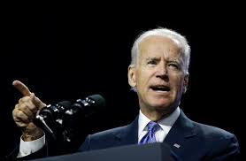
Very well, now we have to speed up the vaccination campaign.🇮🇹🇪🇺 @vonderleyen @EU_Commission @robersperanza @Palazzo_Chigi #JohnsonAndJohnson #UE #EU #Italy #Italia #COVID19 #coronavirus #VaccinoAntiCovid #vaccine #Vax
Why not have a 24 hour a day roll-out of the vaccine? #CovidVaccine
@Melissa4Durack 99% of people will never get covid &amp; 99% of people that do get it, will recover. Also getting the vaccine, will not stop you from getting the virus or giving it to someone else. Some worrying covid vaccine information https://t.co/sPbRgngQNm
Urgent Open Letter from Doctors and Scientists to the European Medicines Agency regarding COVID-19 Vaccine Safety Concerns | by Doctors for Covid Ethics | Mar, 2021 | Medium https://t.co/8Hhs4YONZC
a year ago i started my bday off with the covid lockdown and now today i’m celebrating with my 2nd dose of the vaccine😌
Seen a few people do this so thought I'd get on board in case it helps people in anyway. Had my first Covid-19 AstraZeneca vaccine today so going to report any side effects / what I've done to try and avoid them.
All Ottawa residents could receive 1st COVID-19 vaccine dose by summer: Hospital CEO https://t.co/XscwDjNGu7
@jaketapper My husband @faherty_w had a positive experience at the VA for his covid vaccine last week when Dublin opened up to 55yo &amp; up. This is the same VA that is ranked 2nd to worst in the US. Gave him the run around for his TBI fro 1st Gulf War. But the vaccine? Had it within 2 days
Help i think we have to take covid tests if we wanna go back to school so maybe i can use my anti vaccine mum to my advantage https://t.co/0kEslQQEzW | 
@kylegriffin1 "Tonight, #Biden will announce that, at the start of May, the federal government will launch a website to make it easier for people to find #vaccines and find appointments" #CORONAVIRUS #COVID #GOP #MAGA #TRUMP #CORRUPTION https://t.co/YuxJuC1jVE GROUPS WHO DON’T WANT A #VACCINE
Biden in Speech to Announce All Americans Will Be Eligible for COVID Vaccine by May 1, Small Gatherings by July 4 https://t.co/rbyqRkq1Fc
Why I have taken AstraZeneca COVID-19 vaccine – Sanwo-Olu https://t.co/ORdTsKclTM
$AZN Denmark, Norway and Iceland suspend use of AstraZeneca Covid vaccine over reports of blood clots https://t.co/CZEP3t6m7t
Covid vaccine side effects smh... https://t.co/omcRAOXP8G | 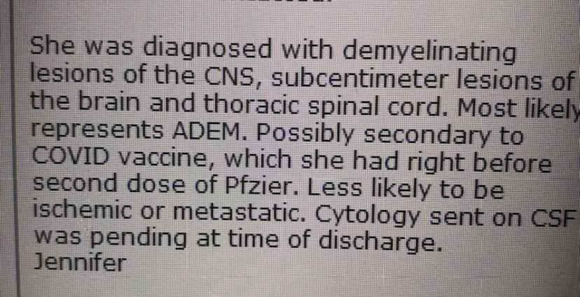
Biden will direct states to make all adults eligible for COVID-19 vaccine by May 1 https://t.co/RjkI1VWCTF
Biden will direct states to make all adults eligible for COVID-19 vaccine by May 1 https://t.co/5DCItBK91x
@GhostRunnrOn3rd @Wilnerness Wrong. Doctors use to recommend smoking. And that's the point - without long-term studies you are simply relying on expert opinion. That's where the parallel between the covid vaccine and the items above are being drawn
I will burn my RN license and send the state nursing board the remaining ashes before I take a covid vaccine..and so will far more nurses than you realise, doctors included. France Threatens To Make Covid Jabs Compulsory. https://t.co/uf5qdCjqHr via @realnewspunch
Pullin up to my Covid Vaccine today 💉🦠🧴 https://t.co/hzOjd1rAYs | 
@RonSarkar I never really had a quarantine. Maybe about 5 days in March. I HAD to go to work. Knock wood, with masks and hand washing and distancing, I’ve been spared the covid so far... now searching for a vaccine (I’m in the newest phase)
On this day, 1 year since I last saw my students f2f, I received my first dose of the COVID vaccine.
@kaitlancollins So does that mean that my boss who is a veterinarian can give me and my coworkers the Covid vaccine?
On the one year anniversary of “Covid suddenly got really real” I’m happy to have never gotten or needed to be tested for it and scheduled my vaccine in celebration
@Yamiche I got a text out of the blue this morning from the VA asking if I'd like an appt to get the COVID-19 vaccine sometime between today and Apr 30th. I was shocked! I responded &amp; they set me up to get the vaccine this Monday. 😊
Got my 1st shot!! Let’s all do our part and get the vaccine!! I don’t want to wear a mask all day at school anymore. #CovidVaccine #IWantToTravel #DoItForEachOther #BeHealthyAgain #VaccinesWork #Science #DoingMyPart https://t.co/8PcRcKxN8t
Getting the Covid vaccine doesn’t mean you stop taking all the precautions 🤦🏼‍♀️
I continue to encourage everyone to go out and get their Covid-19 vaccine and applaud everyone who is contributing to help get vaccines in arms!
Thank you President Biden! All adults eligible for vaccine by May 1!! 🇺🇸🇺🇸🇺🇸🥂😷😍🏆 #covidvaccine #May1 This is from one year ago: https://t.co/er94j9aKxX
@atrupar Now, can we set up a COVID colony on some miserable, godforsaken island for anyone who refuses to get the vaccine?
How one local organization could help you find a #COVID vaccine https://t.co/rq80hAu5nX Professor Rachel Paulose from @USTLawMN on the #DerekChauvinTrial https://t.co/YkDtEHbXxs @SloaneMartin with an inside look at the #DerekChauvinTrial https://t.co/s0kXONj79x @JordanaWCCO https://t.co/TSRuRggexV | 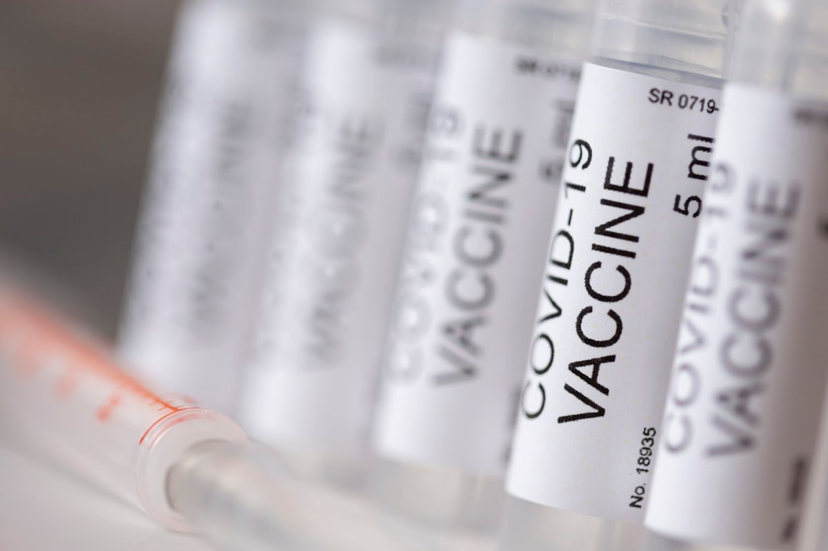
Donald Trump doesn’t think the country has shown him enough gratitude for the covid vaccine https://t.co/IPFd2sYMqy
COVID vaccine supply problems may push national rollout into 2022 &gt;&gt; https://t.co/RLPpYFUr8u - Some Australians may have to wait until early 2022 for their 2nd shot of a COVID vaccine due to supply problems, although the government still hopes to be finished by the end of October https://t.co/GoMIA0cOMv | 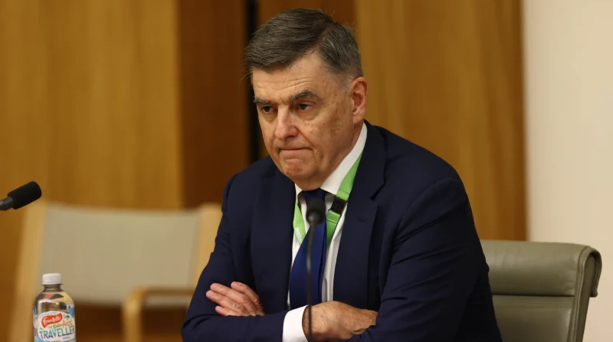
All US Adults Will Be Eligible For A COVID-19 Vaccine By May 1, White House Says - BuzzFeed News https://t.co/6AlVlpxxsa
My work is ordering me to send a copy of my appointment time/date if I schedule a covid vaccine with no context as to why. I work long after any clinics close so there's no time conflict; is this normal?
@POTUS I wonder why the USPS is not considered a priority for the covid-19 vaccine. Regardless of their poor leadership that created additional stress and obstacles, the USPS has continued their services during the pandemic pushing through the election and the holiday season.
EU drug regulator investigating 30 reports of blood-clotting linked to AstraZeneca jab as states halt rollout of Covid vaccine https://t.co/oanqrKZO7t
New top story from Time: Novavax Reports Its COVID-19 Vaccine is 96% Efficacious, Based on Phase 3 Trial Results https://t.co/4S4nWeYzHH Alice Park March 12, 2021 at 07:55AM
Novavax Reports Its COVID-19 Vaccine is 96% Efficacious, Based on Phase 3 Trial Results https://t.co/QnlU2fdC0Z
Biden will direct states to make all adults eligible for Covid vaccine by May 1 #breakingnews #news #china #trump #biden #photo #adults #biden #breakingnewspolitics #breakingnewsglobal #businessnews #cnbcbusiness #coronavirus #covid #covid-19 #dire... https://t.co/HSUEhIMmtP
Biden signs $1.9 trillion COVID-19 pandemic relief bill, will direct states to make all US adults eligible for vaccine by May 1 https://t.co/p3RIKRA2kg via @AJEnglish
What is the point of taking a Covid Vaccine that is Experimental Emergency Use Permit and Not FDA Approved if still can't go out cause still might get Covid or spread Covid to others? Safe? Long Term Effect? Does the Vaccine even work?
One Covid19 vaccine done. Waiting for the booster. Come at me brah.😊
Senator: Independent pharmacies should have a shot at getting the COVID-19 vaccine | Opinion https://t.co/6Zmxp5IoOA https://t.co/a25uKJhuaD | 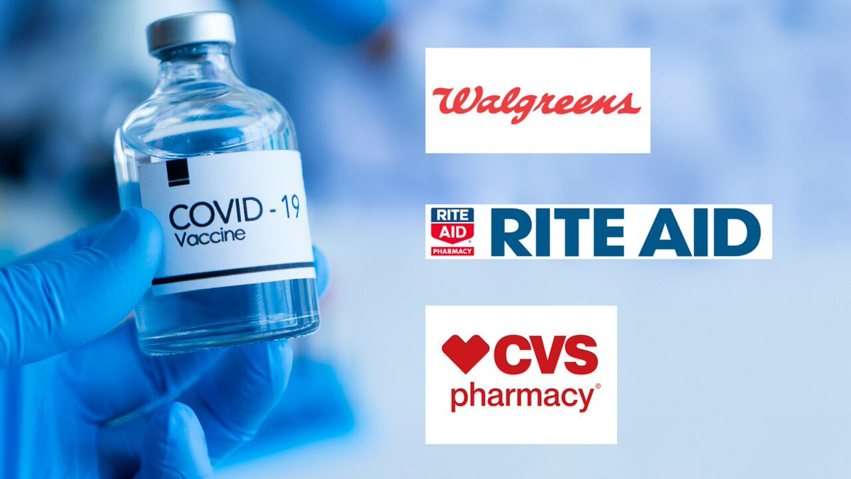
March 11, 2020 - Covid19 Pandemic declared March 11, 2021 - Received J&amp;J vaccine Today is a very good day. ✅
The vaccinations for COVID-19 have begun. When I’m offered the vaccine, I’ll get it. #WeAreScotland
“As long as you’re not a raging flat-Earther who’s convinced that COVID is the 5G disease, and the vaccine is just another way for Bill Gates to try out his MK Ultra mind control programme, I think we’ll get along just fine”
Trump, who received the Covid vaccine, is literally killing his own supporters because he politicized Covid, PPE and the vaccine.
That's the most important aspect...the vaccine is only for the have's who brought the virus into India. The mass of the people, if not vaccinated, will be carriers. Hopefully, the skewed priorities will be rectified in the next phase #CovidVaccine
#ArcGISHub sites provide public health officials a real-time picture of what’s going on and give residents a one-stop source for #COVID19 #vaccine information in their communities. See how they can help to increase #transparency and #datadriven #decisionmaking in this article
Novavax has reported that its experimental Covid-19 vaccine is more than 96% effective in preventing mild as well as severe illness. #COVID19 #Vaccine
@welliesnseaweed Do you have COVID? Or just hot the vaccine?
Biden to direct states to make all adults eligible for COVID-19 vaccine by May 1 https://t.co/PSB7K4KXrO
@PykusPiraticus @Jannermaid1 @simsy1977 They are only doing this because they are allowed to. False reporting of deaths from Covid, exaggerated. Deaths from vaccine played down. Deployment of so-called vaccine through coercion. They think they are playing God, but they will have to face him, or her, just like us all.
I was able to secure Covid Vaccine appointments for both of my parents and I’m just *sigh*
Can anyone send me the chart that compares each COVID vaccine??? I can’t find it anywhere pls
Looking for a COVID-19 vaccine? This website may text you when a vaccine is about to go unused https://t.co/LBy96MISKw via @usatoday
Impact of the COVID-19 Vaccine on Asymptomatic Infection Among Patients Undergoing Pre-Procedural COVID-19 Molecular Screening https://t.co/xEP59qJNj0
RT @NewsHour NEW: President Biden will direct states and territories to make all U.S. adults eligible for a COVID-19 vaccine by May 1. @Yamiche has more about what the president will say during his primetime address to the nation. https://t.co/wPrHgFe0Om https://t.co/Oru8rBvxgq
RT @NewsHour NEW: President Biden will direct states and territories to make all U.S. adults eligible for a COVID-19 vaccine by May 1. @Yamiche has more about what the president will say during his primetime address to the nation. https://t.co/ErNm96rn9o https://t.co/F1JWglUahn
We know the COVID-19 vaccine brings hope as well as concerns &amp; unknowns for families facing #BloodCancer. While we expect further updates from Govt. we’re excited to report some good news. https://t.co/PV8zVs3qHv | 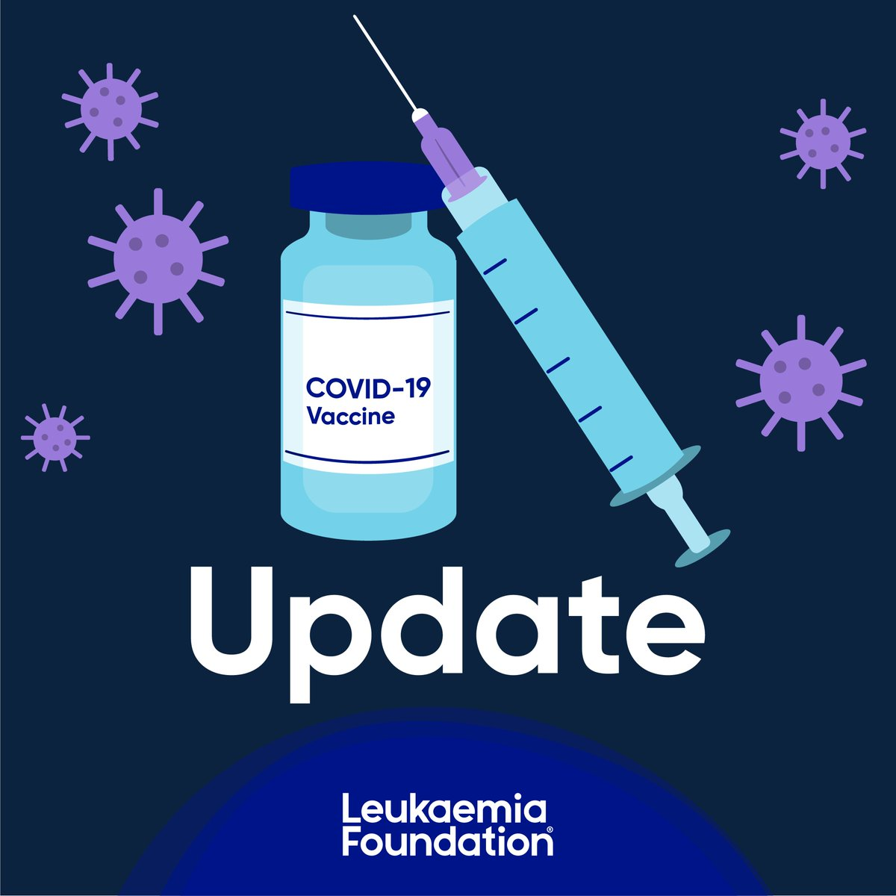
Just found out that my dad has an appt to get his first dose of the COVID vaccine tomorrow! 👏🏼👏🏼👏🏼👏🏼❤️ feeling so relieved
@LizForTX8 Yes - One million dead from Covid, no vaccine plan at all and who gets the nasty nickname today! Plus, waking up everyday wondering what sort of bs is he going to try to get us to believe today. I hate the color “orange” !
.@Lin_Manuel, any chance you’d let Dr. B use “I am not throwin’ away my shot” as a tag line? 😉 Dr. B is building a free nationwide COVID #vaccine standby list that will notify you when unclaimed doses become available in your neighborhood. Sign up at https://t.co/u9Sf78mL28.
I realize some of it may be lucky timing but the way the COVID response/vaccine rollout improved so dramatically after the start of the Biden administration really makes it look like the Trump admin was fucking things up even worse than we realized. What WAS Pence even doing?
It's been a year since the world went into a #pandemic it happened on 3/11 @311 #COVID19 #pandemic #pandemicanniversary #Covid_19 #coronavirus #vaccine #medicine #311Day #CoronaVirusUpdates #music #hiphop #Festivals #electronicmusic https://t.co/Nu0GBvGILp
@tegangeorge @10NewsFirst Meanwhile, my cautious optimism about the Covid vaccine roll-out for Australia has completely evaporated. Yet another expensive LNP cock-up.
Europe OKs Johnson &amp; Johnson's COVID-19 vaccine, but deliveries won't start till April https://t.co/VH7PIF7vXf
Dr. @margaretflinter @CHCConnecticut delivering 1st dose of @pfizer vaccine to CT Lt. Gov @LGSusanB at our @prattandwhitney #VaccineVillage #COVID19 vaccine drive-through.
Biden to direct states to make all adults eligible for COVID-19 vaccine by May 1 https://t.co/4vtD7Man7o
Biden to tell US states to make all adults eligible for Covid vaccine by May 1 https://t.co/xCrWdyF4zQ
Good news!!!! I'm all for starting the #COVID19 vaccine process for the most vunerable 65+, but now as the warm weather months are coming &amp; ppl want to be back outside ASAP, about time to open up in terms of vaccines for all!! #CovidVaccine
@tonx10 @flufficat @Silverf34781188 I wonder just when the Anti- Vacc-ists will put it out there that one of the Covid-19 Vaccine side effects is a lowering of Male Testosterone levels (even if, at this time, it's not been proven to be true)? Mud thrown... Sticks. 😐
Today, the American Rescue Plan became law in America and I also received my 1st COVID-19 vaccine dose at the VA hospital!! Help is here. Hope is here. The light at the end of the tunnel is now brighter than ever before 🇺🇸 #GetVaccinated https://t.co/F8Mj1E3wEs | 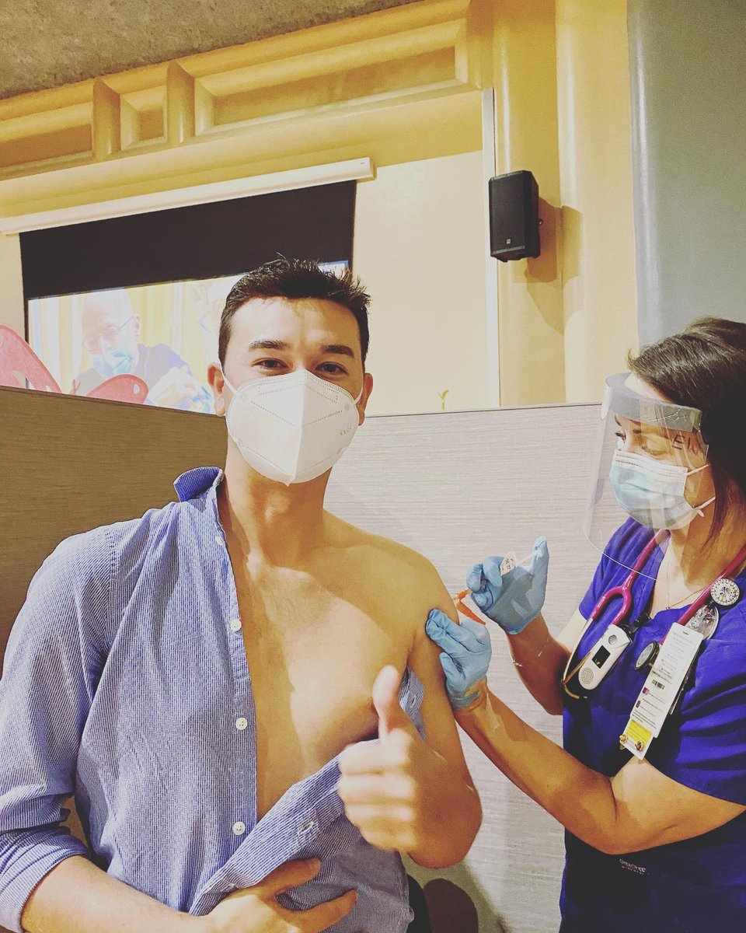
Today, the American Rescue Plan became law in America and I also received my 1st COVID-19 vaccine dose at the VA hospital!! Help is here. Hope is here. The light at the end of the tunnel is now brighter than ever before 🇺🇸 #GetVaccinated https://t.co/F8Mj1E3wEs | 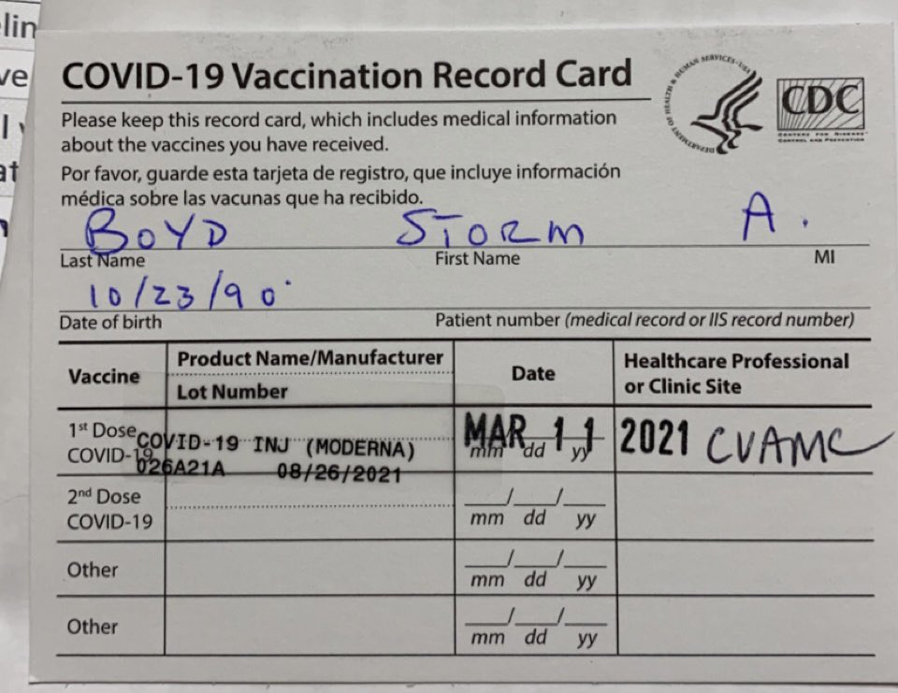
When you go to get your COVID vaccine the veterinarian is gonna be like "okay, get in." https://t.co/xGVsNSAlY5 | 
L.A. County is on track to reopen indoor restaurants, gyms and movie theaters as early as Monday. The re-openings will be triggered when CA reaches its goal of administering 2 million COVID-19 vaccine doses to residents in its most disadvantaged areas. https://t.co/lKdA021TEz https://t.co/MT8Pa2RKwA | 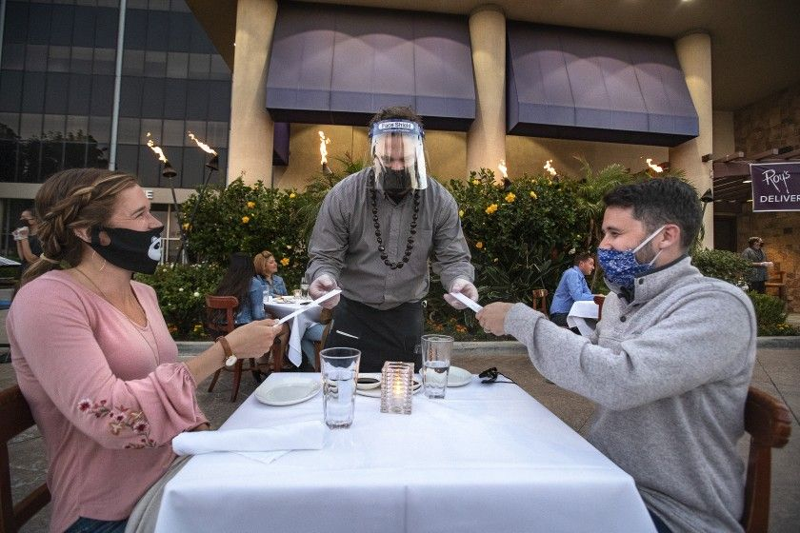
@thetruebluechef It was covid-19 non stop for months. Now it’s vaccine vaccine vaccine
BREAKING: It’s the question millions have been asking — “When will it be my turn?” President Biden said tonight he wants all states to make every adult eligible for the #COVID19 vaccine by May 1st. #FOX35 @fox35orlando https://t.co/L4IhT0ii1z
this covid vaccine really is testing my ability to stay awake and i am WINNING
https://t.co/o0dkfmBwub DHS Unveils Enhancements to COVID-19 Vaccine Data Page
Biden will direct states to make all adults eligible for Covid vaccine by May 1 https://t.co/mi7T3L5gsP
@RepMTG Trump refused to implement a national covid vaccine plan. The truth be known - if he had 520,000 Americans may not have died. School being open contributed to the excelleration of this. Until we have Covid under control - you are too.
Wowza! 🎉 Biden will announce "tonight" that he is directing states to make "every" adult American eligible for the COVID vaccine no later than May 1st!
Fifty one fucking days. Covid relief is on the way. Tonight Joe Biden will announce that all Americans will be eligible for the Covid vaccine by May 1st. Does ANYBODY think the Trump regime could have pulled this off?
First COVID-19 vaccine dose has been acquired! Gotta wait a few weeks for the final part, but it definitely feels like we’re progressing slowly (so, so slowly) towards “normal” again.
Got my first round of the vaccine a few days ago and I’m amazed at how much lighter I feel. Also, today it was like 70 and I feel like things are turning a corner. #CovidVaccine https://t.co/Km4f9vOaNo | 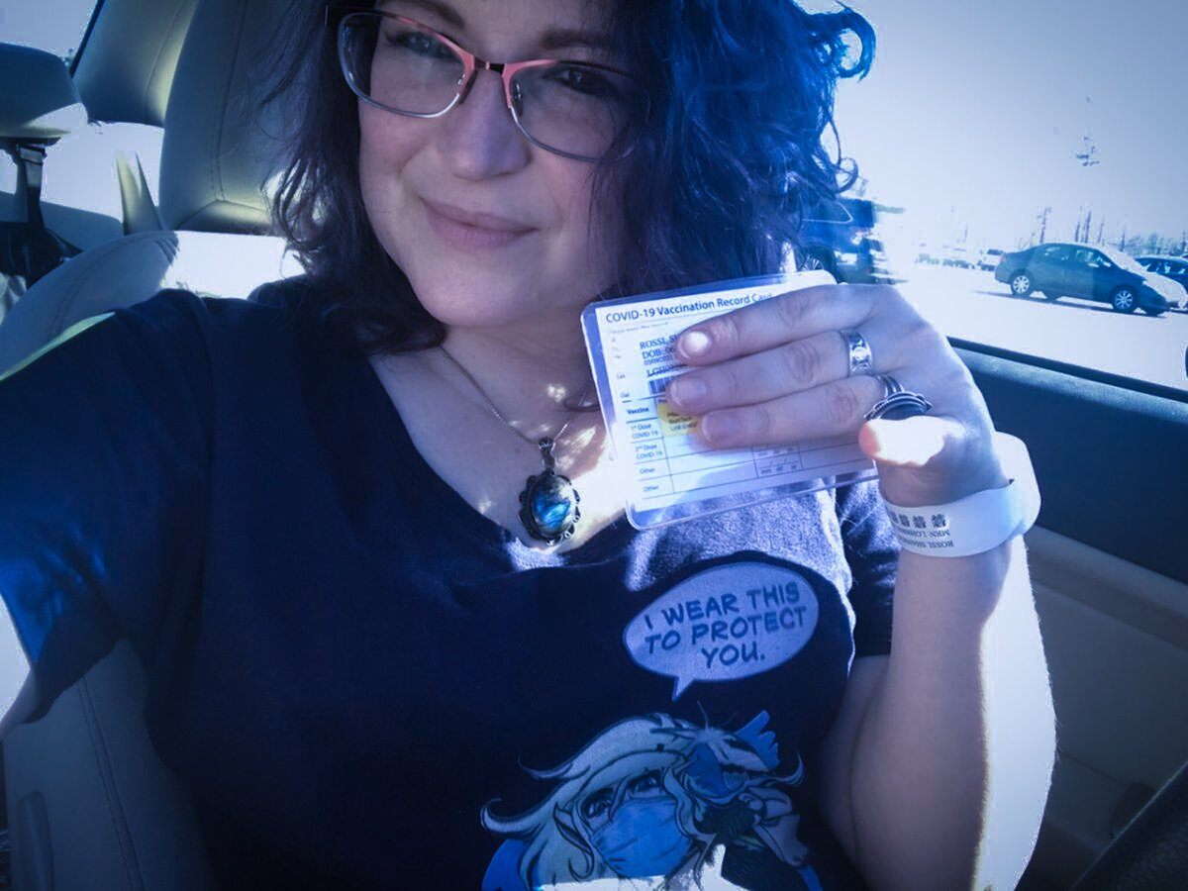
@IdahoNews6 COVID-19 vaccine is not going to save you from death 💀 You may not die of covid but you will die one day. Only Jesus Christ can save you from eternal death. What is the Gospel Message? https://t.co/beO6npXbNH
Bad Journalism- Her liver was already failing-a liver transplant was recommended-that is extreme liver damage-Utah mother dies four days after receiving second dose of Moderna’s Covid vaccine https://t.co/QumxSp7Lqk via @Yahoo
@thehill What a mess you are. Covid-19 Bill is signed and vaccine eligibility by May 1st and all you have is cancel culture
Has there ever been a clearer moment exposing the BS hollow #spin &amp; #propaganda methods of @ScottMorrisonMP &amp; @GregHuntMP than PM’s sudden “forced error” pivot to, “It’s not a race,” re faltering #covid19 #vaccine rollouts? It IS a race! For #ausecon &amp; #publichealth! #auspol
We can end #COVID-19 faster if we all act together. Tell pharmaceutical companies to let other companies produce their vaccines so that more can be produced faster. We need a #PeoplesVaccine now. https://t.co/X1F2FhORXM
Biden will direct states to make all adults eligible for Covid vaccine by May 1 ⁦@CNBC⁩ https://t.co/FPJ2lRasTR
Every #COVIDvaccine is equally effective against hospitalizations and deaths. I recommend you get the vaccine that is available to you first. #ThisIsOurShot #Ivax2protect #COVID19
Yeah, but you are ignoring the fundamental science 🧪 truth. COViD MUTANT's make 100% of existing COVID-19 Vaccines obsolete! Everyone who received COVID-19 Vaccine or will receive it will NOT 🚭 be protected against COVID MUTANT's that is beginning to spread. @WHO See Brazil!
COVID-19 vaccine with side effect not in Nigeria -FG - https://t.co/zO9sYc0hGD
Read more about WA’s Equity Initiative Funding for the Covid Vaccine. https://t.co/lm7cJgcL2z
Susan Sarandon Is Ready to Date a ‘Man or a Woman’ Who’s Had COVID-19 Vaccine https://t.co/mWM3vh21cx via @extratv
@goldenlily2017 I've had my first dose (just got a bit tired from it) and just scheduled my second. My husband's had both his doses. Please do it! My sister-in-law got covid just before her first vaccine, and even though she's out of the hospital she's still not feeling well a month later.
According to the health dept. that I may or may not work with.. if you get the COVID vaccine and wait 14 days, you have 90 days from then to be able to be in contact with someone with COVID and not have to quarantine. Apparently anything past 90 days doesn’t have enough research
@carissajune1 @yashar So weird, after I commented I just got put into a Covid conference call with @dougducey and other state reps talking about the vaccine and they said to call 844-542-8201 if you’re having trouble getting an appointment online. Can’t hurt to try. Good Luck!
@health_stark @MikeDeWine my neighbor is under 60 and has an appointment at Summit County health department for Covid19 vaccine next week! I am over 65 and have been on list forever and still no appointment! What is going on in Stark County! Will someone please help! 😢
Novavax Reports Its COVID-19 Vaccine is 96% Efficacious, Based on Phase 3 Trial Results https://t.co/Rq5EOfrc3c
@LondonBreed My husband at this time last year was very ill. Got dx’d with Covid 3/16/2020 after being admitted on 3/14/2020. He spent 16 days in the hospital &amp; 16 days at a quarantine facility. We almost lost him 2x. Our lives have changed. But today, he got his vaccine at Moscone. Thank you
WHITE HOUSE: President Biden will order all states to make the COVID vaccine eligible for all adults by May 1st
Greatt to have a real President again. Finally have a grown-up in charge instead of a crybaby. Hope we learn from the Trump presidential debacle From ABC News: In address, Biden to direct that all adults be eligible for COVID-19 vaccine by May 1 https://t.co/wPIvhKKz6g
It takes 10Yrs 2 devolop A Vaccine,2-3 Yrs 4 Trial,these Vaccines were made in Months,I'll let U B the Guinea Pig B4 I think of taking one! Denmark, Norway and Iceland suspend use of AstraZeneca Covid vaccine over reports of blood clots https://t.co/1QO8BBOTY6 Get Educated!
Safety and efficacy of an rAd26 and rAd5 vector-based heterologous prime-boost COVID-19 vaccine: an interim analysis of a randomised controlled phase 3 trial in Russia - The Lancet https://t.co/qnrkyoux5L
Biden will direct states to make all adults eligible for Covid vaccine by May 1 https://t.co/JQHUtNFSTv
Finally having a reaction to my #COVID19 #Vaccine . Feeling a bit tired and sore, running a fever of 99.3. I’ve had worse.
#AstraZeneca covid vaccine suspended in Denmark, Norway and Iceland over blood clots https://t.co/XUzaUxIwmu
Biden To Direct States To Make COVID-19 Vaccine Available To All Adults By May 1 https://t.co/0OGtbRdWoA
Biden will direct states to make all adults eligible for Covid vaccine by May 1 https://t.co/AfyNAHZz0a
Obama, Bush, Clinton and Carter promote COVID-19 vaccine in ads - CNET https://t.co/5wiz2QFXx3 https://t.co/EGgRrQAu5t | 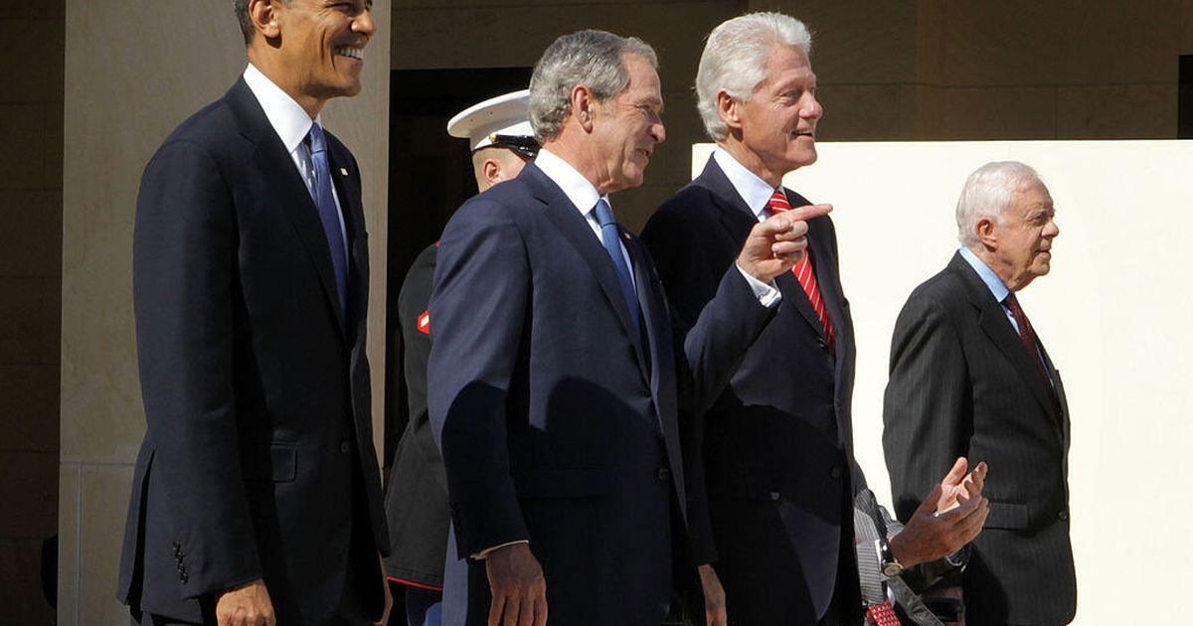
Biden to tell states to make all adults eligible for COVID-19 vaccine by May 1 - The Wall Street Journal https://t.co/ANd1MVC1Zz
Novavax COVID vaccine highly effective against severe COVID: company: US biotech firm Novavax's Covid-19 vaccine was shown to be 100 percent protective against severe cases of the disease, including hospitalization and death, the company said… https://t.co/uNTKgDGRcW #FauciHero https://t.co/Ki5igv0o7c | 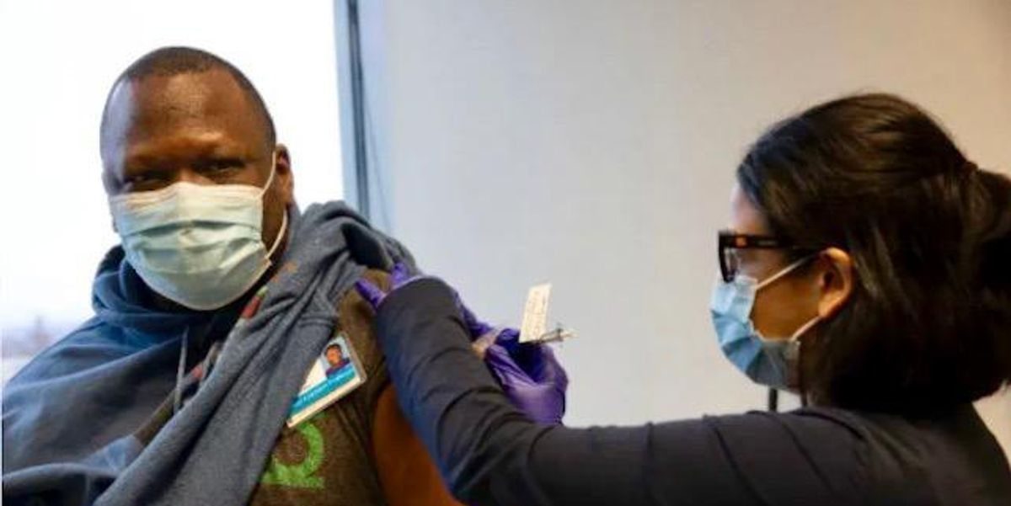
Biden will direct states to make all adults eligible for Covid vaccine by May 1. Go Papa Joe! https://t.co/R77rCHyVms
As of March 17, #pregnant people in #NC will be eligible to receive a #CovidVaccine. Questions about the vaccine in pregnancy? Contact @MotherToBabyNC to talk through your specific concerns: https://t.co/aNkJ7OgKYW #AskTheExpert @MotherToBaby https://t.co/X6dvUsReO8 | 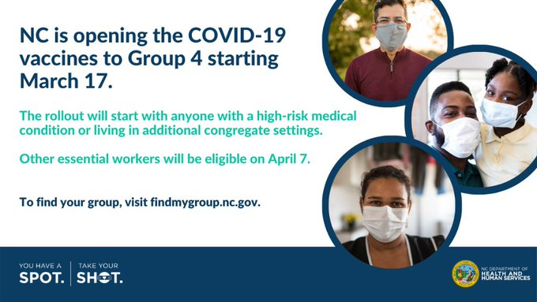
Anyone else read this ? The volume of yellow card reports of adverse reactions statistically alarming. Covid-19: First UK vaccine safety data are “reassuring,” says regulator | The BMJ https://t.co/hCRhvpBdjQ
@CheriJacobus Sending you good vibes. On another note, did you recently get your Covid-19 vaccine? If so, please read this article and discuss with your physician if this is relevant. https://t.co/1zHX1bPkKd
Thank you president #DonaldTrump for getting the #COVID19 vaccine out to the public. We would not be where we are at today without your help.
» Denmark Suspends AstraZeneca, Oxford Covid-19 Vaccine Over Blood Clots Concerns - Bloomberg https://t.co/wfMKw4IjWC
@orzelc My governor's worst misbehavior so far has been... bungling the early COVID vaccine rollout. (And reopening the bars earlier and earlier every time the infection numbers go down.)
Inslee has announced a statewide move to Phase 3 of the Road to Recovery plan and advance to Tier 2 of COVID-19 vaccine eligibility. Read now to learn more: https://t.co/X44LHnAlj5
I'M GETTING THE FIRST DOSE OF THE COVID VACCINE ON TUESDAY
Austin Public Health Covid Vaccine Appointments starting soon! If you are registered with them, get in the waiting room now!!
@3AW693 How is this creepy creature doing after covid vaccine you trying to cover up 🙀
#BREAKING: @JoeBiden to call on states to make ALL Americans eligible for Covid vaccine by May 1 https://t.co/yqU8siW39G https://t.co/vucJhyf6uk | 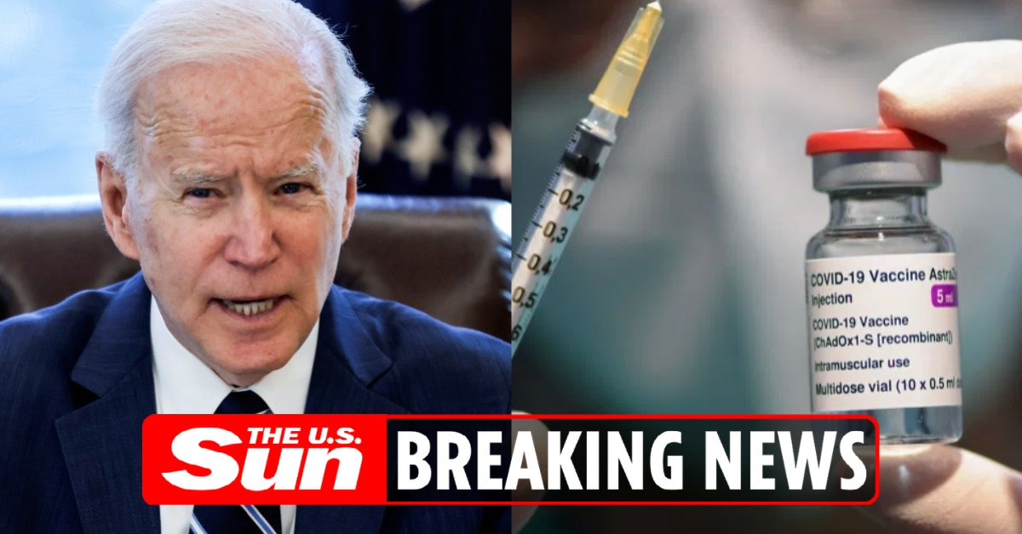
Just got a call from Governor Ducey trying to sell the COVID-19 vaccine 💉 #Arizona
Yes. The one that is available. The risk from #COVID19 is WAY HIGHER than risk from #vaccine.
After four lockdowns, Auckland mayor calls for city to move up Covid-19 vaccine queue https://t.co/3z3hKYkRlK https://t.co/i3NpGKtO4Z | 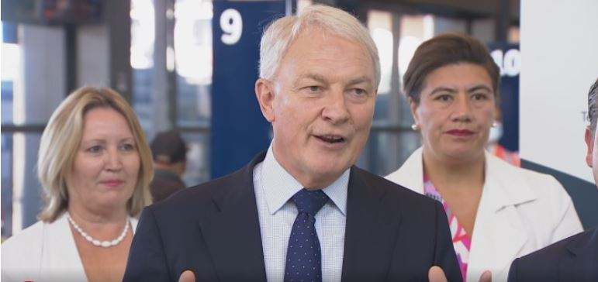
Big news: White House says it will direct states and localities to make every American eligible for a Covid-19 vaccine **no later than May 1st.** They say they’ll have the supply and will ramp up distribution with more places for people to get vaccinated.
@FOX5Vegas Austria, Denmark, Italy, Norway, and Iceland have suspended the Astra-Zeneca covid vaccine due to blood clotting and deaths! People here in the US are posting images of them getting blood blisters all over their bodies. Only fools will take this fucking vaccine!

