Sheet1
ori_text | twitter_image | newspaper_image
Biden to direct states to make all adults eligible for COVID vaccine by May 1 https://t.co/4owrcoYWuh
Biden to direct states to make all adults eligble for vaccine by May 1 https://t.co/gxP3zOZqU3
Biden will direct states to make all adults eligible for COVID-19 vaccine by May 1 https://t.co/szE6TlKUoF
Shot heard around the world... "I want to wish them [Biden Admin] Luck... a very important word" (President Trump Jan 20, 2021) BREAKING: White House says Biden to direct states to make all adults eligible for coronavirus vaccines by May 1, https://t.co/1nXK2CzTZx | 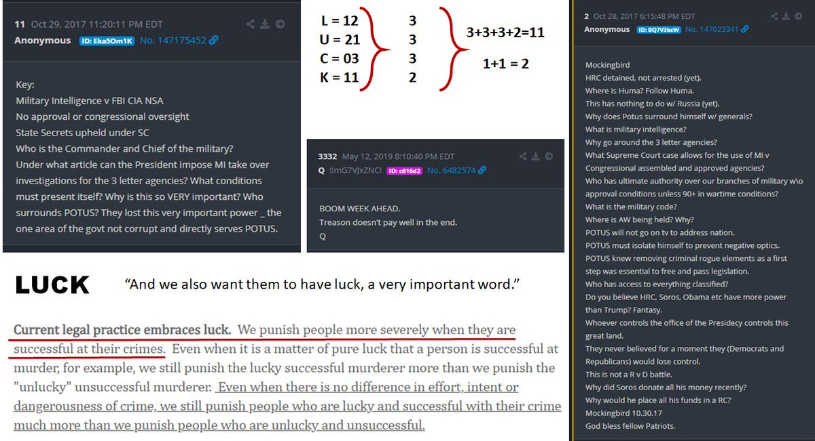
President #Biden is expected to direct states to make all adults eligible for the #coronavirus #vaccine by May 1, according to The White House. #WGN @WGNNews @NewsNationNow
Biden to direct states to make all adults eligible for COVID vaccines by May 1, official says https://t.co/AMGo3MFfoS
Biden to direct states to make all adults eligble for vaccine by May 1 https://t.co/L8tnSODBEk
Biden to direct states to make all American adults eligible for COVID-19 vaccine by May 1 https://t.co/i7flXmUCR0
Biden to tell US states to make all adults eligible for Covid vaccine by May 1 https://t.co/URWieVTkrn
It could be done TODAY with enough doses and capacity Biden to call on states to make coronavirus vaccine available to all adults by May 1 https://t.co/qLnCf2AGu5
#BREAKING @POTUS Joe Biden to direct states to make all adults eligible for coronavirus vaccines by May 1, according to The White House.
https://t.co/FdoVs35tIf U.S. President Joe Biden will direct states to make all adults eligible for COVID-19 vaccines by May 1 and declare that Americans should expect to be able to h...
Biden to call on states to make coronavirus vaccine available to all adults by May 1 - NBC News 👠 https://t.co/7ZALQoUCDj
President Joe Biden will use his first prime-time address on Thursday night to announce that he is directing states to make all American adults eligible for a coronavirus vaccine no later than May 1 https://t.co/5YBcWp2RvS
46th US President Joe Biden Will Direct All US States to Make All Adults Eligible for Covid Vaccines by May 1 2021 https://t.co/GZRcQ9yZEx
Biden will direct states to make all adults eligible for vaccine by May 1 https://t.co/8uXtfPvsrs
President Biden is expected to direct states to make all adults eligible for the coronavirus vaccine by May 1, according to The White House. https://t.co/wFNy8KVN2d
President Biden will direct every state to make COVID-19 vaccines available to all adults by May 1. https://t.co/GrAALLs70H via @HuffPostPol
Chicago Tribune MARCH 11, 2021 BREAKING NEWS White House: President Biden to direct states to make all adults eligible for coronavirus vaccines by May 1 President Joe Biden will use his first prime-time address on Thursday night to announce that he is directing states to
Biden will direct states to make all adults eligible for COVID-19 vaccine by May 1 https://t.co/RjkI1VWCTF
Biden will direct states to make all adults eligible for COVID-19 vaccine by May 1 https://t.co/5DCItBK91x
I will burn my RN license and send the state nursing board the remaining ashes before I take a covid vaccine..and so will far more nurses than you realise, doctors included. France Threatens To Make Covid Jabs Compulsory. https://t.co/uf5qdCjqHr via @realnewspunch
Biden will direct states to make all adults eligible for vaccine by May 1 https://t.co/gtfIv0arqN https://t.co/uXdph3F2Em
Biden wants states to make all adults eligible for COVID-19 vaccines by May 1 https://t.co/oMFD31Dcir
OK, but how is he defining "adult:" - White House: President Biden to direct states to make all adults eligible for coronavirus vaccines by May 1 https://t.co/wIiOmdw78Z
Biden to direct states to make vaccine available to all adults by May 1 - President Joe Biden's first primetime speech Thursday night will focus on the COVID-19 response, hours after signing the $1.9 trillion relief bill. https://t.co/5D7i7RLtKF via @ksdknews
Biden will direct states to make all adults eligible for vaccine by May 1 https://t.co/eNe8HDz0g6
👁👁 Biden wants states to make all adults eligible for COVID-19 vaccines by May 1 https://t.co/ULj9dPsqt7
#BREAKING: White House says @POTUS to direct states to make all adults eligible for coronavirus vaccines by May 1. (via @AP)
Biden will direct states to make all adults eligible for Covid vaccine by May 1 #breakingnews #news #china #trump #biden #photo #adults #biden #breakingnewspolitics #breakingnewsglobal #businessnews #cnbcbusiness #coronavirus #covid #covid-19 #dire... https://t.co/HSUEhIMmtP
#BREAKING Tonight in his first prime-time address as president, Joe Biden will direct states to make COVID-19 vaccines available to all adults by May 1 with an ambitious goal to get things “closer to normal” by July 4. https://t.co/gbtBP5qvzE
Biden signs $1.9 trillion COVID-19 pandemic relief bill, will direct states to make all US adults eligible for vaccine by May 1 https://t.co/p3RIKRA2kg via @AJEnglish
President Biden will announce that he's directing all U.S. states, territories and tribes to make all adults eligible for the vaccine by May 1. https://t.co/t0MWMVLkUI
Live Updates: Biden to direct all states to make all adults eligible for vaccine by May 1 https://t.co/Vm318wVntH via @CBSPolitics
President Joe Biden will use his first prime-time address on Thursday night to announce that he is directing states to make all American adults eligible for a coronavirus vaccine no later than May 1. https://t.co/vWejqy9Oa7
BREAKING: @POTUS to direct states to make all adults eligible for coronavirus vaccines by May 1. DETAILS: https://t.co/gUkqGBLYnw
Biden to direct states to make all adults eligible for COVID-19 vaccine by May 1 https://t.co/PSB7K4KXrO
#NEW White House officials say in tonight’s address, Biden will announce he is directing states to make COVID vaccines available to all American adults by May 1st He’s expected to say there is a “good chance” Americans can safely gather in small groups by July 4
RT @NewsHour NEW: President Biden will direct states and territories to make all U.S. adults eligible for a COVID-19 vaccine by May 1. @Yamiche has more about what the president will say during his primetime address to the nation. https://t.co/wPrHgFe0Om https://t.co/Oru8rBvxgq
RT @NewsHour NEW: President Biden will direct states and territories to make all U.S. adults eligible for a COVID-19 vaccine by May 1. @Yamiche has more about what the president will say during his primetime address to the nation. https://t.co/ErNm96rn9o https://t.co/F1JWglUahn
Mr. President Biden is not playing NO_ GAMES!! Open SmartNews and read Biden to direct states to make all adults eligible for COVID vaccines by May 1, official says here: https://t.co/XzAGdWAc9W To read it on the web, tap here: https://t.co/LWQoNdDKv8
.@JoeBiden will use prime-time address to direct states to make all adults vaccine-eligible by May 1. https://t.co/f1tZckHVDg
Biden to call on states to make coronavirus vaccine available to all adults by May 1 - NBC News https://t.co/asPQ2o9lMW
Biden to direct states to make all adults eligible for COVID-19 vaccine by May 1 https://t.co/4vtD7Man7o
Biden to tell US states to make all adults eligible for Covid vaccine by May 1 https://t.co/xCrWdyF4zQ
Open SmartNews and read "Biden to direct states to make all adults eligible for COVID vaccines by May 1, official says" here: https://t.co/JANUgV1w9a To read it on the web, tap here: https://t.co/v8my1A3FYO
Suddenly states have to follow the President’s orders? Biden will direct states to make all adults eligible for vaccine by May 1 @CNBC https://t.co/H7ML07uCaN
Biden to direct states to make all adults eligible for Covid vaccines by May 1 https://t.co/rO9Xu0fO81
President Joe Biden will use his first prime-time address on Thursday night to announce that he is directing states to make all American adults eligible for a coronavirus vaccine no later than May 1 https://t.co/bokaQypswg
President Joe Biden will use his first prime-time address tonight to announce that he is directing states to make all American adults eligible for a coronavirus vaccine no later than May 1. https://t.co/76zXuXYLgN
Biden to direct states to make all adults eligible for COVID vaccines by May 1, official says https://t.co/nnAwptmENw
Biden to call on states to make coronavirus vaccine available to all adults by May 1 - NBC News https://t.co/I7ByCccjKf
BREAKING: It’s the question millions have been asking — “When will it be my turn?” President Biden said tonight he wants all states to make every adult eligible for the #COVID19 vaccine by May 1st. #FOX35 @fox35orlando https://t.co/L4IhT0ii1z
Biden will direct states to make all adults eligible for Covid vaccine by May 1 https://t.co/mi7T3L5gsP
Biden to direct states to make vaccine available to all adults by May 1 https://t.co/zovi3tzgGC
#BREAKING: @POTUS @JoeBiden is expected to use his first prime-time address tonight to announce that he is directing states to make all American adults eligible for a #coronavirus #vaccine no later than May 1. https://t.co/XaYFnHOaXJ
Wowza! 🎉 Biden will announce "tonight" that he is directing states to make "every" adult American eligible for the COVID vaccine no later than May 1st!
Biden to call on states to make coronavirus vaccine available to all adults by May 1 - NBC News https://t.co/TACST9nATx
JUST IN: President Joe Biden will direct states to make coronavirus vaccines available to all adults by May 1, a senior administration official told reporters ahead of Biden's first prime-time address as president. https://t.co/17CF9R8EuU
Biden to direct states to make all adults eligble for vaccine by May 1 | Reuters https://t.co/6CzGc3lYcy
President Biden to direct states to make all adults eligible for vaccines by May https://t.co/HTtLutqGvc
Biden will direct states to make all adults eligible for Covid vaccine by May 1 ⁦@CNBC⁩ https://t.co/FPJ2lRasTR
President Biden to direct states to make all adults eligble for vaccine by May 1 https://t.co/oCQ8T94G0T
President Biden to direct states to make all adults eligible for vaccines by May https://t.co/5YlpDIp4Zj
President Joe Biden will use his first prime-time address tonight to announce that he is directing states to make all American adults eligible for a coronavirus vaccine no later than May 1. https://t.co/vzVTqEnwi8
#BREAKING: President Biden to direct states to make all adults eligible for COVID-19 vaccines by May https://t.co/wwKatal9SE
Are you listening to your people other than the 1% ⁦@RonDeSantisFL⁩. Our President is. When are you? Biden to direct states to make all adults eligible for COVID vaccines by May 1, official says https://t.co/ffgS57BO1h via @tdonline
Biden wants states to make all adults eligible for coronavirus vaccine by May 1 https://t.co/jhEsyqxV1R
President Biden will direct states, tribes and territories to make all American adults eligible for a coronavirus vaccine by May 1. Biden will announce the plan during tonight's national address marking the one-year anniversary of the pandemic: https://t.co/D24HXMzkUp
NEW: President Biden will announce that he’s directing states to make vaccines available to all adults by May 1, according to a Bloomberg News reporter. The Biden administration hopes to bring the country “closer to normal” by July 4. https://t.co/n2Z6Zi0ZYl
WHITE HOUSE: President Biden will order all states to make the COVID vaccine eligible for all adults by May 1st
Biden to call on states to make coronavirus vaccine available to all adults by May 1 - NBC News https://t.co/N3rUgwyNsV
#BREAKING: Biden to direct states to make all adults eligible for coronavirus vaccines by May 1 https://t.co/9xxuNE54RH
Biden will direct states to make all adults eligible for Covid vaccine by May 1 https://t.co/JQHUtNFSTv
BREAKING: President Joe Biden will announce Thursday night that he is directing states to make all American adults eligible for a coronavirus vaccine no later than May 1. https://t.co/FelzQ2VD6v
Biden To Direct States To Make COVID-19 Vaccine Available To All Adults By May 1 https://t.co/0OGtbRdWoA
Biden will direct states to make all adults eligible for vaccine by May 1 https://t.co/tdgAPPuX3L
White House: Little Joe to direct states to make all adults eligible for coronavirus vaccines by May 1 https://t.co/DEhG1RYG6S
Biden to direct states to make all adults eligble for vaccine by May 1 https://t.co/Mr1lXfUJKa
USA TODAY: Biden to direct states to make all adults eligible for vaccines by May 1 https://t.co/XlFZUI6OEz
Biden will direct states to make all adults eligible for Covid vaccine by May 1 https://t.co/AfyNAHZz0a
Biden to tell states to make all adults eligible for COVID-19 vaccine by May 1 - The Wall Street Journal https://t.co/ANd1MVC1Zz
Earlier today the @DHSWI said #vaccine eligibility should open up to everyone in the next 2 months. Tonight, President Biden is announcing his own timeline -- he'll direct all states to make all adults eligible by the start of May.
President Biden to direct states to make all adults eligible for vaccines by May https://t.co/OzwwsYgINt
Biden will direct states to make all adults eligible for Covid vaccine by May 1. Go Papa Joe! https://t.co/R77rCHyVms
President Biden to direct states to make all adults eligible for vaccines by May https://t.co/AzZeqvCWvN
Chicago Tribune MARCH 11, 2021 BREAKING NEWS White House: President Biden to direct states to make all adults eligible for coronavirus vaccines by May 1 President Joe Biden will use his first prime-time address on
Thursday night to announce that he is directing states to make all American adults eligible for a coronavirus vaccine no later than May 1, according to the White House. Read More
#JoeIsABoss President Biden will direct every state to make COVID-19 vaccines available to all adults by May 1. https://t.co/xgRMSzI5zN via @HuffPostPol
BREAKING: President Biden will direct states to make COVID-19 vaccines available to all adults by May 1. https://t.co/fEMxJIaiw8
Breaking: Biden will compel states to make vaccines available for all adults by May 1 https://t.co/NneodVgAwN via @statnews @levfacher
#BREAKING: @JoeBiden to call on states to make ALL Americans eligible for Covid vaccine by May 1 https://t.co/yqU8siW39G https://t.co/vucJhyf6uk | 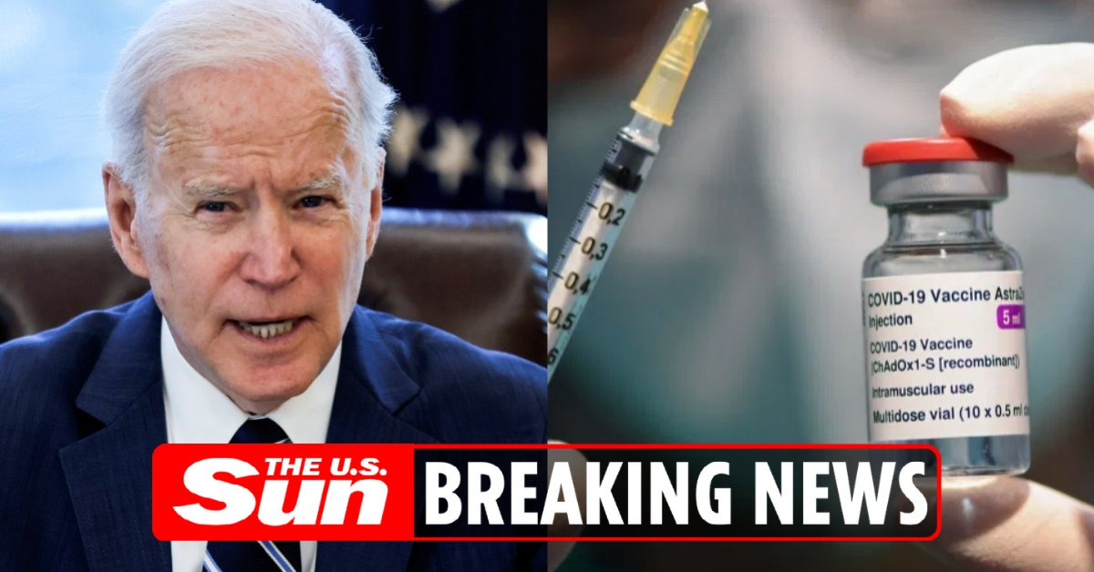
More from WH official: The president will say he wants states to make all adults eligible for vaccines by May 1.
Big news: White House says it will direct states and localities to make every American eligible for a Covid-19 vaccine **no later than May 1st.** They say they’ll have the supply and will ramp up distribution with more places for people to get vaccinated.
President Joe Biden will use his first prime-time address on Thursday night to announce that he is directing states to make all American adults eligible for a coronavirus vaccine no later than May 1. https://t.co/ZwtpPYYOmC
BREAKING: President Joe Biden will announce Thursday that he's directing all U.S. states, territories and tribes to make all adults eligible for the vaccine by May 1. | https://t.co/o2CN0edGNU https://t.co/uWipBK9Qvn
President Biden To Direct States To Make All Americans Eligible For Vaccines By May 1 https://t.co/hLSrn94OF4 Oh would that be nice!

