Sheet1
ori_text | twitter_image | newspaper_image
Tomorrow marks the start of #WorldAntimicrobialAwarenessWeek. Join us in raising awareness by posting about #AntimicrobialResistance during tomorrow's 'Twitter storm'. Find out more about #AMR and become an #AntibioticGuardian here: https://t.co/KBYGnzlNXM #WAAW https://t.co/DTSaitmuz6 | 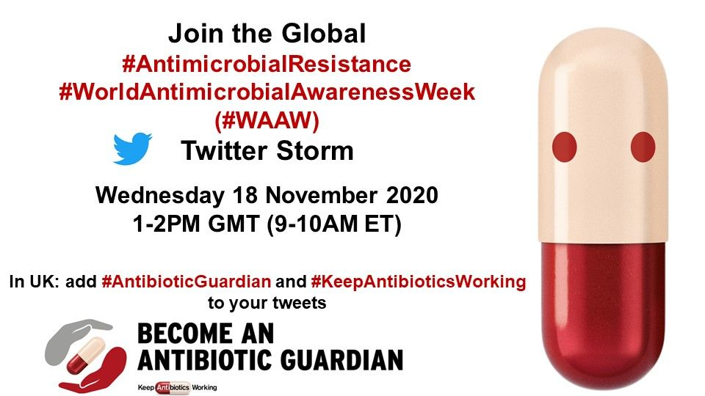
Reduce your risk of carbon monoxide poisoning by getting your fuel-burning boilers, cookers, heating systems and appliances checked by a registered engineer. Find out more about the risks of carbon monoxide poisoning: https://t.co/mkRhwX3sZ5 #COAwarenessWeek
Installing an approved carbon monoxide alarm in your home will alert you to a CO leak. Find out more about how you can protect yourself against carbon monoxide poisoning here: https://t.co/mkRhwX3sZ5 #COAwarenessWeek
13,430 additional cases of #COVID19, and 603 deaths within 28 days of a positive COVID-19 test were reported across the UK today. Find out more about the situation in your area by visiting the COVID-19 dashboard: https://t.co/NksBC7dY3d [Click on graph to open] https://t.co/nqEqV89diX | 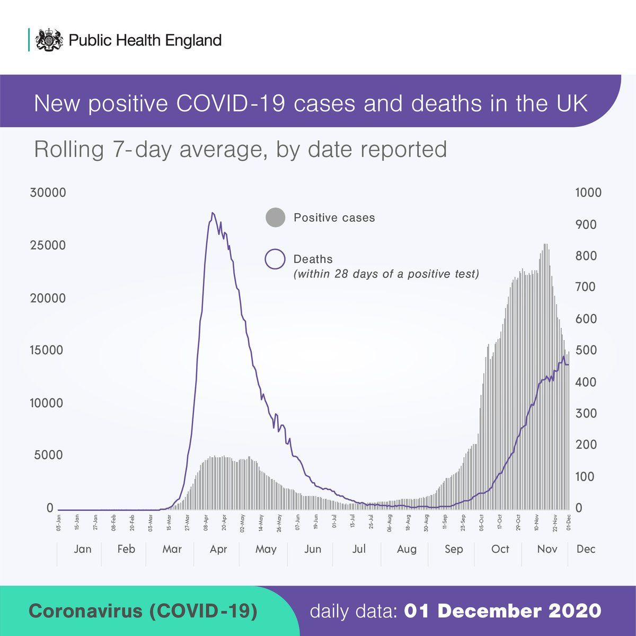
The Joint Committee on Vaccination and Immunisation (#JCVI) have published their advice on priority groups for the #COVID19 vaccine. Find out more about the role of the JCVI in our new blog: https://t.co/zu66vMeXhU [click on the graphic to expand] https://t.co/lNSEfC3qUm | 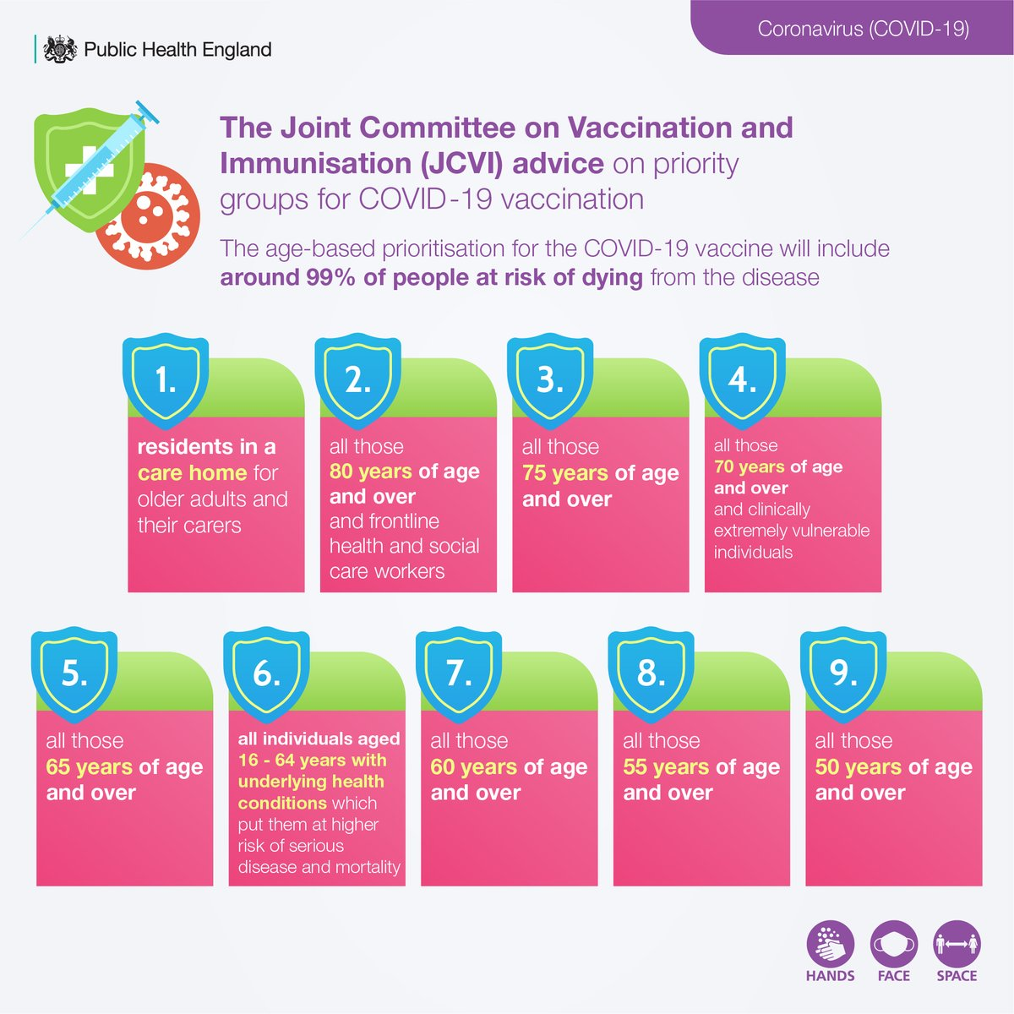
#ICYMI: The Joint Committee on Vaccination and Immunisation (#JCVI) have published their advice on priority groups for the #COVID19 vaccine. Find out more about the role of the JCVI in our new blog: https://t.co/zu66vMeXhU [click on the graphic to expand] https://t.co/hHgNPeRGuM
Did you know that vaccines prevent between 2-3 million deaths globally each year? If global vaccination coverage improved, this could increase by 1.5 million. Find out more about why vaccination is safe and important: https://t.co/SefIqu4wUx https://t.co/pjV5rOmD66 | 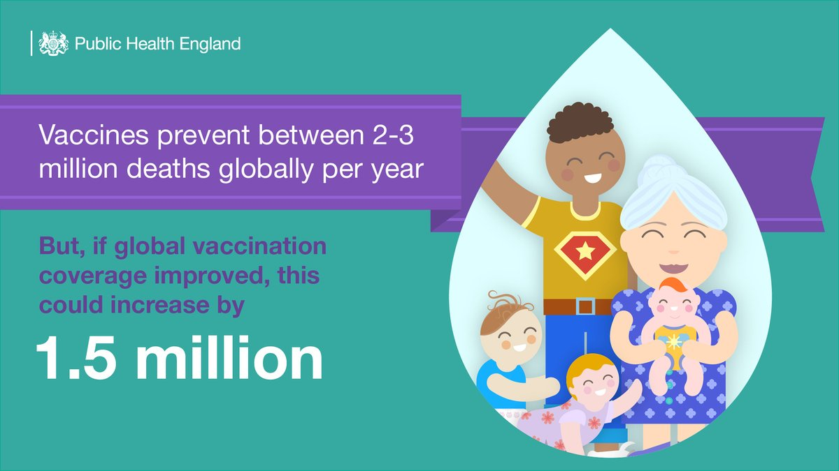
Cold-related harm is a serious problem that local authorities can help to tackle. Find out more about cold-related health risks and actions that can be taken to reduce them in our latest edition of #PHEHealthMatters: https://t.co/6r2NKcz7uW https://t.co/65FIjkerKt | 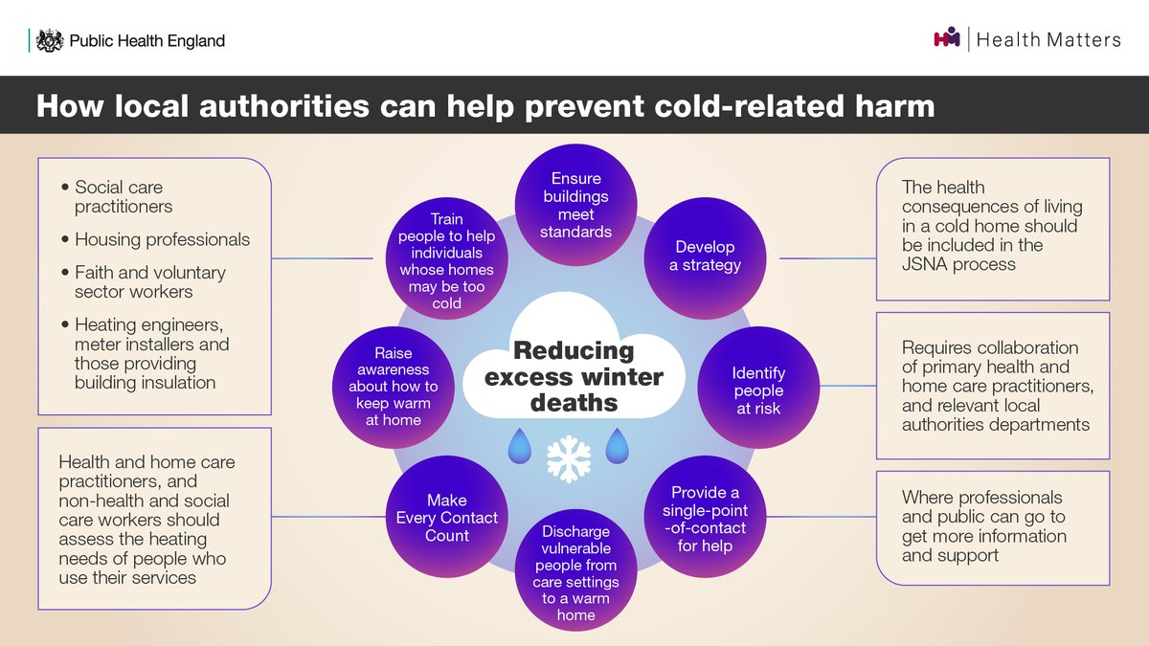
Vaccines save lives. After clean water, #vaccination is the most effective public health intervention in the world. Find out more about why vaccination is safe and important on the NHS website: https://t.co/SefIqu4wUx https://t.co/QPXR5nUiyg | 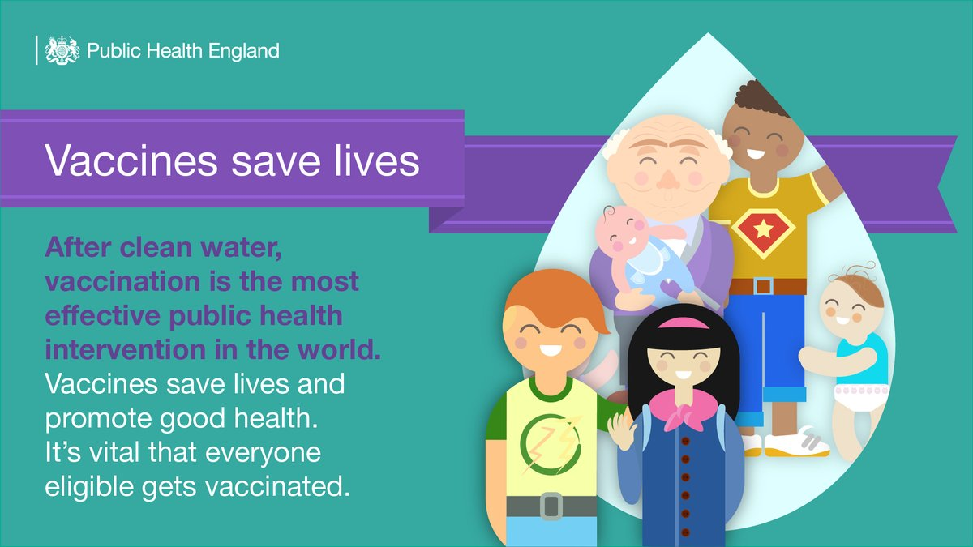
#Vaccines save lives. After clean water, #vaccination is the most effective public health intervention in the world. Find out more about why vaccination is safe and important on the #NHS website: https://t.co/SefIqu4wUx https://t.co/vNQTxp8MX4
Vaccines prevent between 2-3 million deaths globally per year. Though this is an impressive number, if global vaccination coverage improved, it could save 1.5 million more people. Find out more about the #ValueofVaccines: https://t.co/DgDr9ZDTQY https://t.co/9jY6eCIr2t
Find out more about how lateral flow devices are helping us to slow the spread of #COVID19 in our recent blog https://t.co/7qi6FvHthh
#COVID19 #vaccines are currently being offered to those who are most at risk from #coronavirus - including people over 80 and health and care staff. The NHS will contact you when it's your turn for the jab. Find out more about the vaccine here: https://t.co/6wqH9kR60g https://t.co/Cj7jOYJqMW | 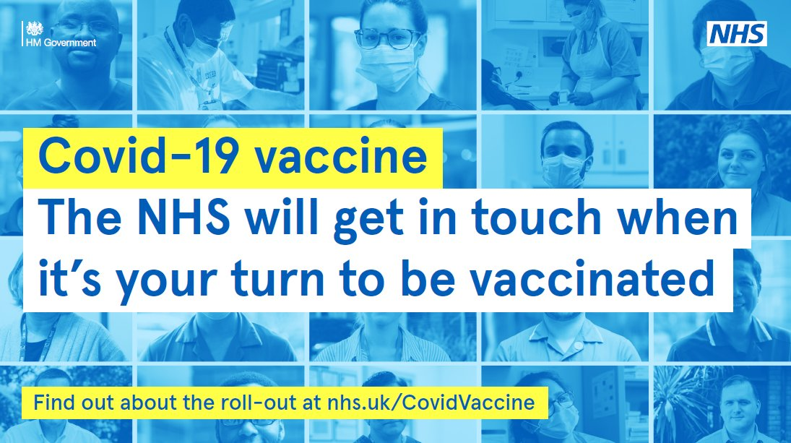
Did you know that after clean water, vaccination is the most effective public health intervention in the world? #Vaccines save lives. It's vital that everyone eligible gets vaccinated. Find out more about why vaccines are so important: https://t.co/SefIqu4wUx https://t.co/4hZJm9em1S
Wondering how #vaccines work? Our Head of Immunisation, Dr Mary Ramsay, explains. Find out more about the #COVID19 vaccine at: https://t.co/u5hlgSUtOo https://t.co/mqo2kajX1J
Just like all other vaccines, the #COVID19 vaccines have been extensively tested. Our Head of Immunisation, Dr Mary Ramsay, explains how we know the #vaccines are safe. Find out more about the vaccine at https://t.co/nGXfxJ3FXn https://t.co/0ynn07UYay
The two #COVID19 vaccines that we currently have access to in the UK do not contain any pork products. Dr Mary Ramsay, our Head of Immunisation, explains. Find out more about the vaccine: https://t.co/nGXfxIM55P https://t.co/80ArG9FZEa
Wondering how #vaccines work? Our Head of Immunisation, Dr Mary Ramsay, explains. Find out more about the #COVID19 vaccine at: https://t.co/u5hlgSUtOo https://t.co/OHqv1ACL7Y
Just like all other vaccines, the #COVID19 vaccines have been extensively tested. Our Head of Immunisation, Dr Mary Ramsay, explains how we know the #vaccines are safe. Find out more about the vaccine at https://t.co/nGXfxIM55P https://t.co/kTIJfMcaNt
The two #COVID19 vaccines that we currently have access to in the UK do not contain any pork products. Dr Mary Ramsay, our Head of Immunisation, explains. Find out more about the vaccine: https://t.co/nGXfxIM55P https://t.co/QwxaTM4gZV
#COVID19 #vaccines are currently being offered to those who are most at risk from #coronavirus - including people over 80 and health and care staff. The NHS will contact you when it's your turn for the jab. Find out more about the vaccine here: https://t.co/6wqH9kR60g https://t.co/ce4X2G7EEC
Wondering how #vaccines work? Our Head of Immunisation, Dr Mary Ramsay, explains. Find out more about the #COVID19 vaccine at: https://t.co/u5hlgSUtOo https://t.co/7osnxAHag5
Did you know that after clean water, vaccination is the most effective public health intervention in the world? #Vaccines save lives. It's vital that everyone eligible gets vaccinated. Find out more about why vaccines are so important: https://t.co/SefIqu4wUx https://t.co/QvH95iuB9c
Just like all other vaccines, the #COVID19 vaccines have been extensively tested. Our Head of Immunisation, Dr Mary Ramsay, explains how we know the #vaccines are safe. Find out more about the vaccine at https://t.co/nGXfxIM55P https://t.co/7WGH9TDgy0
Did you know that after clean water, vaccination is the most effective public health intervention in the world? #Vaccines save lives. It's vital that everyone eligible gets vaccinated. Find out more about why vaccines are so important: https://t.co/SefIqu4wUx https://t.co/R5orY7vhin
Wondering how #vaccines work? Our Head of Immunisation, Dr Mary Ramsay, explains. Find out more about the #COVID19 vaccine at: https://t.co/u5hlgSUtOo https://t.co/4wtn2FO009
Just like all other vaccines, the #COVID19 vaccines have been extensively tested. Our Head of Immunisation, Dr Mary Ramsay, explains how we know the #vaccines are safe. Find out more about the vaccine at https://t.co/nGXfxIM55P https://t.co/J8Nsg97xZl
Did you know, #vaccines prevent between 2-3 million deaths globally per year? If global vaccination coverage improved, this could increase by 1.5 million. Find out more about why vaccination is safe and important: https://t.co/SefIqu4wUx https://t.co/MZF3Givk7s
Did you know, #vaccines prevent between 2-3 million deaths globally per year? If global vaccination coverage improved, this could increase by 1.5 million. Find out more about why vaccination is safe and important: https://t.co/SefIqu4wUx https://t.co/LGRDSSsRw0
Did you know, #vaccines prevent between 2-3 million deaths globally per year? If global vaccination coverage improved, this could increase by 1.5 million. Find out more about why vaccination is safe and important: https://t.co/SefIqu4wUx https://t.co/iPCid2sMnx
Wondering how #vaccines work? Our Head of Immunisation, Dr Mary Ramsay, explains. Find out more about the #COVID19 vaccine: https://t.co/0uMqooTSkq https://t.co/fHp0jZpqW2
3/3 You can find out more about this work on lateral flow devices (LFDs) here: https://t.co/ErBISOpsp5
Did you know, #vaccines prevent between 2-3 million deaths globally per year? If global vaccination coverage improved, this could increase by 1.5 million. Find out more about why vaccination is safe and important: https://t.co/SefIqu4wUx https://t.co/8ZKCw1hO1I
NEW: The UK will offer its world-leading genomics expertise to identify new variants of the virus that causes #COVID19 to countries who do not have the resources to do so. Find out more about the announcement: https://t.co/243U2vq9HA https://t.co/jmaTjfEPYY | 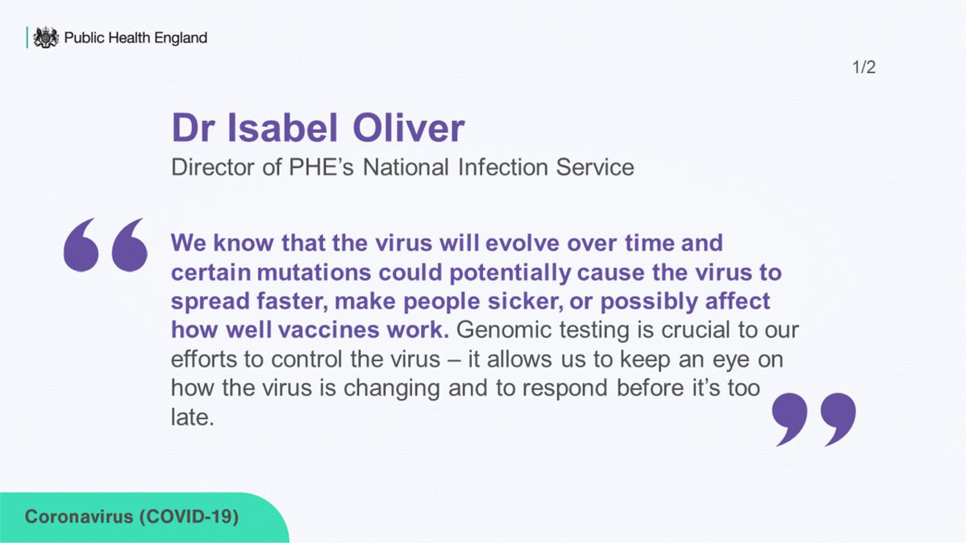
Just like all other vaccines, the #COVID19 vaccines have been extensively tested. Our Head of Immunisation, Dr Mary Ramsay, explains how we know the #vaccines are safe. Find out more about the vaccine at https://t.co/nGXfxIM55P https://t.co/fHcREl5Vq4
Additional #COVID19 testing is taking place in a number of locations where the COVID-19 variant first identified in South Africa has been found. The same national restrictions continue to apply in these areas. Find out more about the restrictions: https://t.co/54xJtQ7QDn https://t.co/9IktRTD6OH | 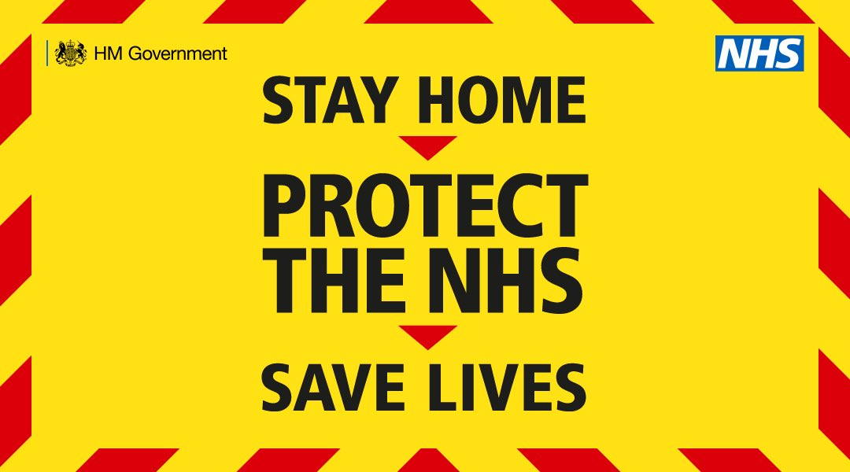
Additional #COVID19 testing is taking place in a number of locations where the COVID-19 variant first identified in South Africa has been found. The same national restrictions continue to apply in these areas. Find out more about the restrictions: https://t.co/54xJtQps1X https://t.co/YDWjbKjVDS | 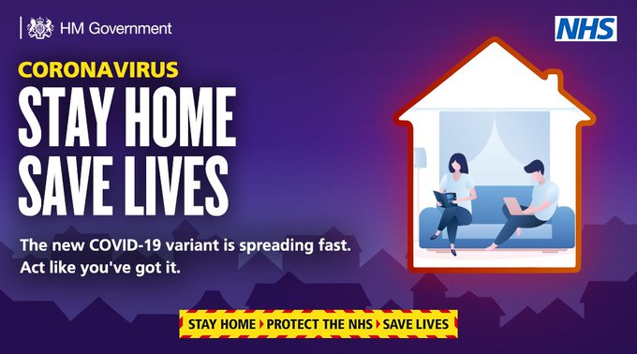
Additional #COVID19 testing is taking place in a number of locations where the COVID-19 variant first identified in South Africa has been found. The same national restrictions continue to apply in these areas. Find out more about the restrictions: https://t.co/54xJtQps1X https://t.co/PYi5KvuZmf
The two #COVID19 vaccines that we currently have access to in the UK do not contain any pork products. Dr Mary Ramsay, our Head of Immunisation, explains. Find out more about the #vaccine: https://t.co/nGXfxIM55P https://t.co/25J1My2Yar
Did you know that quitting smoking is associated with reduced depression, anxiety and stress? Find out more about the relationship between smoking and mental health in our latest #PHEHealthMatters blog: https://t.co/itZaW4zcJW https://t.co/2C9CnMvVyv | 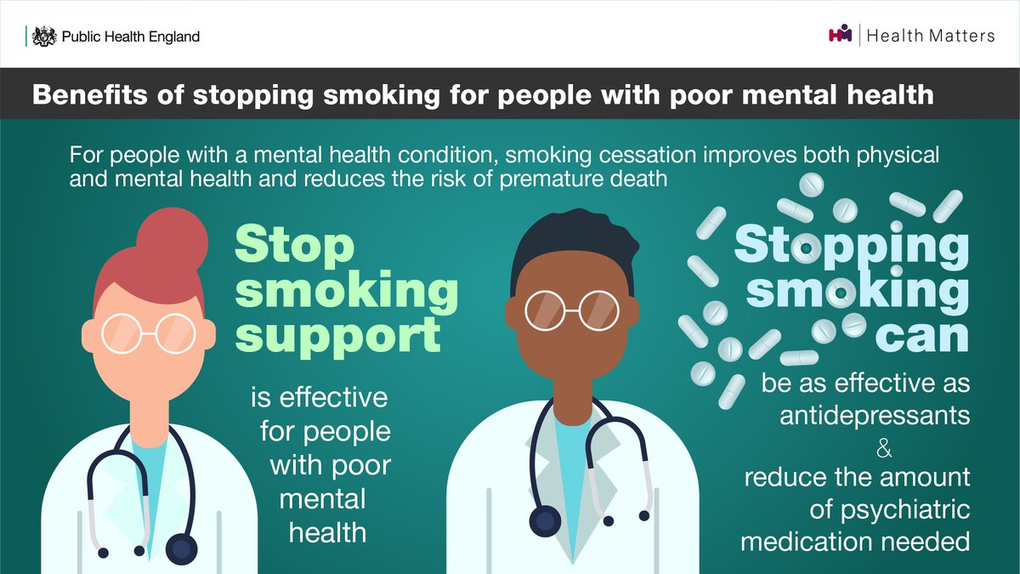
Seen our latest #PHEHealthMatters blog? Have a look to find out more about the relationship between smoking and mental health: https://t.co/itZaW4zcJW https://t.co/RAsobaLFWz | 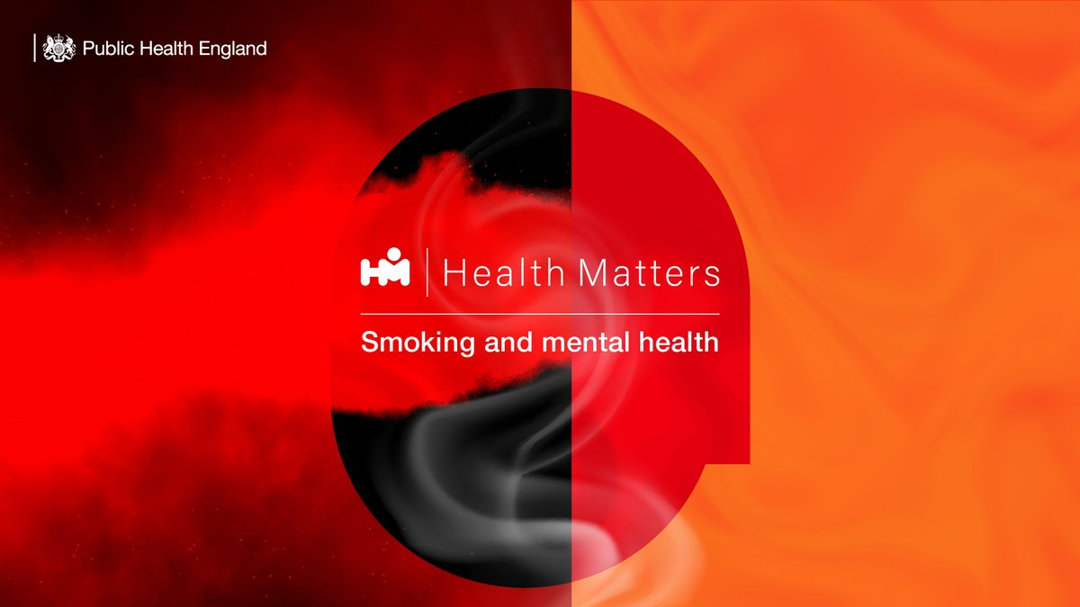
📢#Coronavirus (#COVID19) – find out more about actions you can take to protect yourself and your community ⬇️ https://t.co/T8u9we19DQ
Did you know that quitting smoking is associated with reduced depression, anxiety and stress? Find out more about the relationship between smoking and mental health in our latest #PHEHealthMatters blog: https://t.co/itZaW4zcJW https://t.co/xbBjdsw7km
Seen our latest #PHEHealthMatters blog? Have a look to find out more about the relationship between smoking and mental health: https://t.co/itZaW4zcJW https://t.co/VCjorylR9P
Did you know that quitting smoking is associated with reduced depression, anxiety and stress? Find out more about the relationship between smoking and mental health in our latest #PHEHealthMatters blog: https://t.co/itZaW4zcJW https://t.co/EpnnUgwLvj
Have you seen our recent #PublicHealthMatters blog? Find out more about our work with @Cambridge_Uni to track and forecast #coronavirus. Read it here: https://t.co/R5kvgR2aX1
Over one million #COVID19 tests have now been completed at @NHS and @PHE_uk labs across the country. A big thank you to all the hard-working scientists and lab staff involved. Find out more about how #coronavirus testing works: https://t.co/yTvPxZcgse
Have you seen our recent #PublicHealthMatters blog on mental health? Find out more about the work we're doing to support the public through #COVID19. https://t.co/XzzP6JKOT1
NEW BLOG: The COVID-19 dashboard: bringing together data and statistics in one place. With over 300,000 unique users each day, the #COVID19 data dashboard has become an essential tool for many. Find out more about the dashboard and the data it includes: https://t.co/mW9jKDINap
Webinar – ‘Building back from COVID-19: tackling health inequality in partnership’: Find out more about this @NHSEngland/@SCIE_socialcare event taking place next week 🔽 https://t.co/4HpxDhrlSX
NEW BLOG: Mental health and wellbeing in the time of coronavirus – tracking the impact Find out more about our new #COVID19 mental health and wellbeing surveillance report and the data it includes: https://t.co/NiBiSsZGoU
Responding to our weekly #COVID19 surveillance report, our Medical Director, Dr Yvonne Doyle, urges everyone to follow the new restrictions in place from today. Find out more about the new restrictions: https://t.co/GOgrinFM30 https://t.co/YJnYQIgMvg | 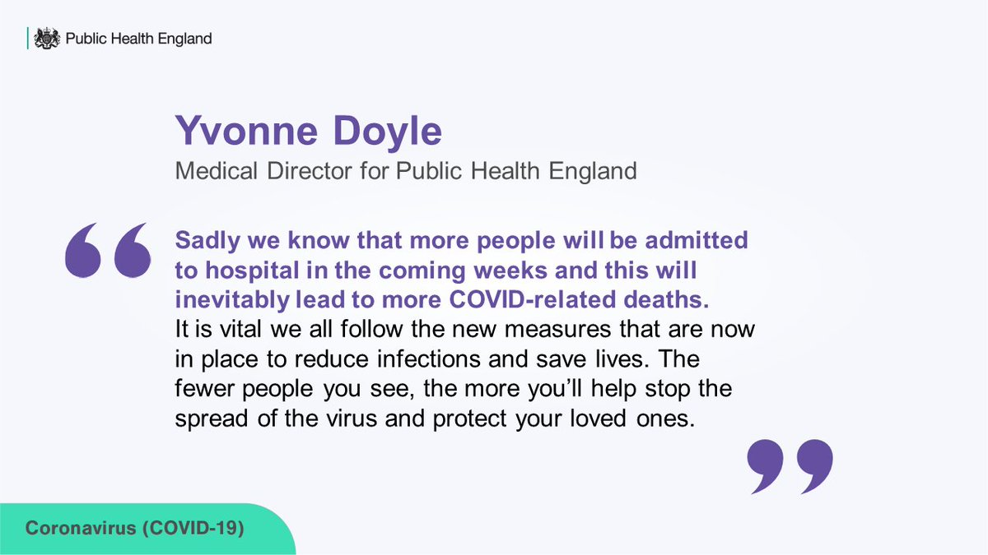
Cold-related harm is a serious problem that local authorities can help to tackle. Find out more about cold-related health risks and actions that can be taken to reduce them in our new edition of #PHEHealthMatters: https://t.co/6r2NKcz7uW https://t.co/480BLbnLAV
#COVID19 may amplify cold weather-related health risks this year. Find out more about the potential interactions between cold weather and COVID-19 in our new edition of #PHEHealthMatters: https://t.co/6r2NKcz7uW https://t.co/Ggp1M3cF7c | 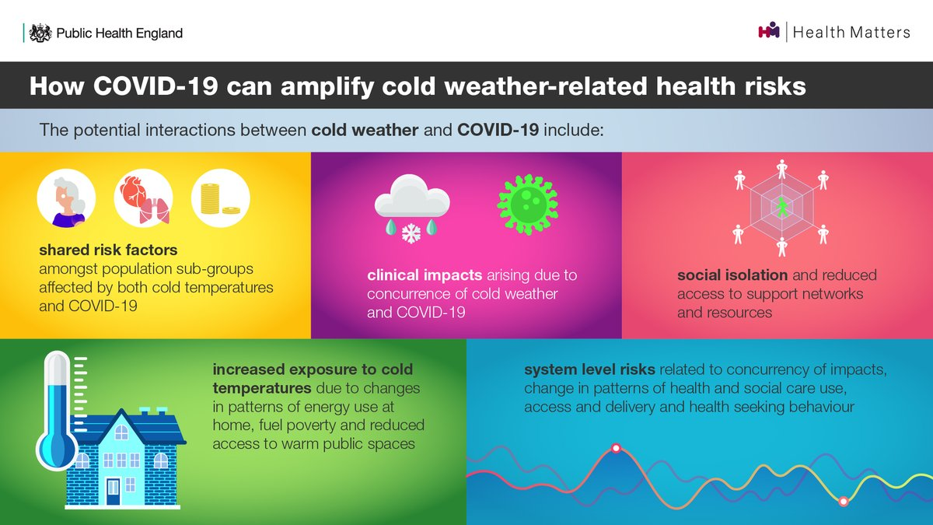
To find out more about our Active Hospitals pilot and how we're looking to share the knowledge with other NHS Trusts, contact our physical activity team on: PhysicalActivity@phe.gov.uk

