Sheet1
ori_text | twitter_image | newspaper_image
If you’ve had tummy trouble such as bloating, diarrhoea or discomfort for three weeks or more, it could be a sign of cancer. It’s probably nothing serious, but finding cancer early makes it more treatable. Your NHS is here to see you, safely. https://t.co/UmVqFHn57l https://t.co/tqoL2euSfn | 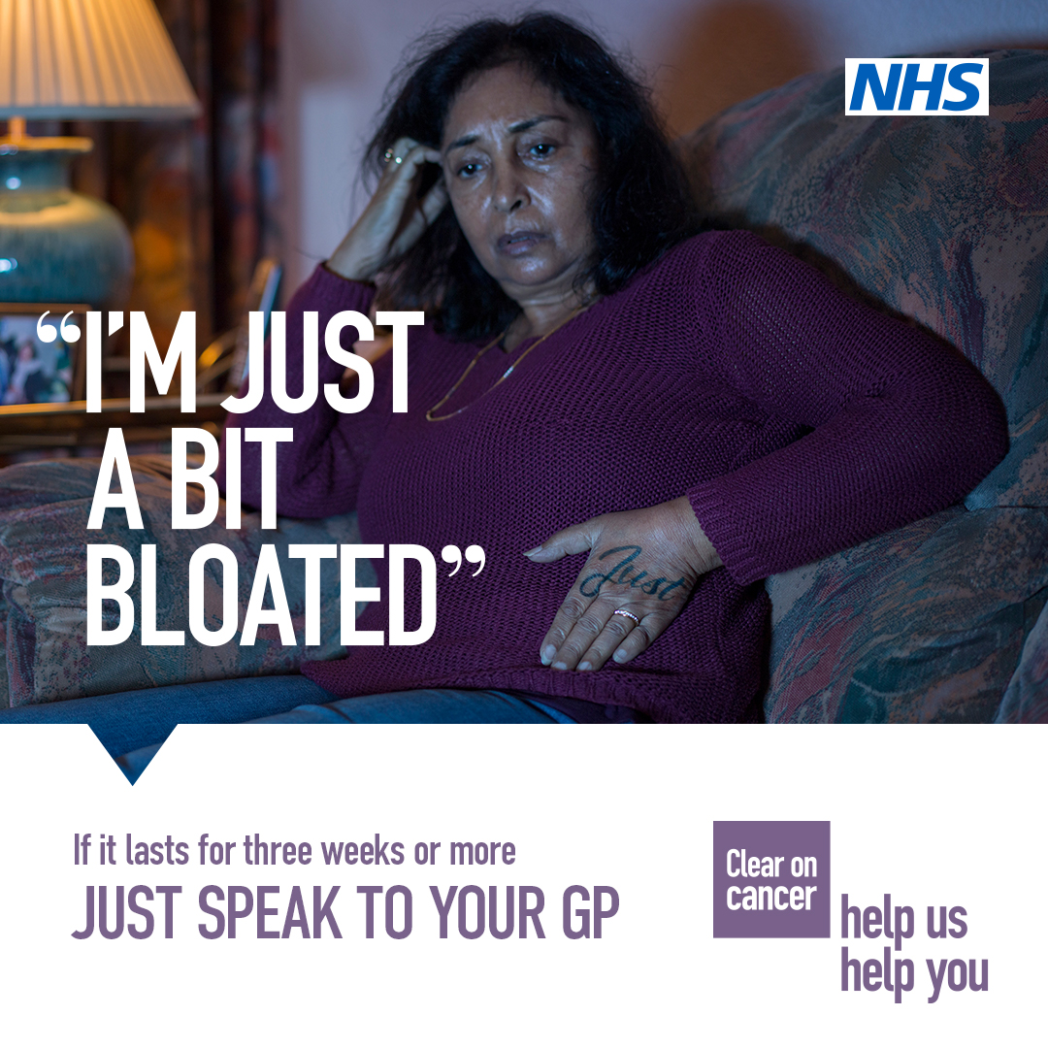
If you’ve had bloating, diarrhoea or discomfort for three weeks or more, it could be a sign of cancer. It’s probably nothing serious, but finding cancer early makes it more treatable. Your NHS is here to see you, safely https://t.co/UmVqFHEGvV #HelpUsHelpYou https://t.co/CB8xf1quyz
If you’ve had tummy trouble such as bloating, diarrhoea or discomfort for three weeks or more, it could be a sign of cancer. It’s probably nothing serious, but finding cancer early makes it more treatable. Your NHS is here to see you, safely. https://t.co/UmVqFHEGvV https://t.co/XJTyXiXiwV
If you’ve had bloating, diarrhoea or discomfort for three weeks or more, it could be a sign of cancer. It’s probably nothing serious, but finding cancer early makes it more treatable. Your NHS is here to see you, safely https://t.co/UmVqFHEGvV #HelpUsHelpYou https://t.co/UMAPAsISw8 | 
An unexplained pain that lasts three weeks or more could be a sign of cancer. It’s probably nothing serious, but finding cancer early makes it more treatable. Your NHS is here to see you, safely. https://t.co/UmVqFHn57l https://t.co/493AHmq63i
'Just' a bit of blood? Blood in your poo or pee could be a sign of cancer. It’s probably nothing serious, but finding cancer early makes it more treatable. For more information on spotting the signs of cancer, visit: https://t.co/nhROA5pLKN https://t.co/iuLZGrB90b | 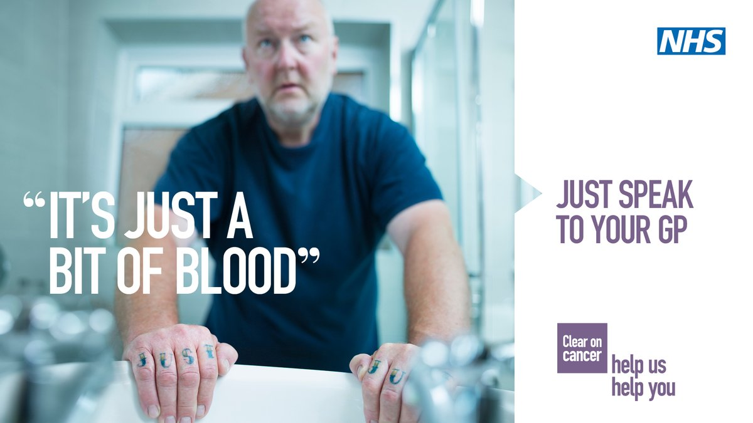
Tummy discomfort that lasts three weeks or more could be a sign of cancer. It’s probably nothing serious, but finding cancer early makes it more treatable. Your NHS is here to see you, safely. https://t.co/UmVqFHn57l #HelpUsHelpYou https://t.co/elTdPWbegF | 
'Just' a bit of blood? Blood in your poo or pee could be a sign of cancer. It’s probably nothing serious, but finding cancer early makes it more treatable. For more information on spotting the signs of cancer, visit: https://t.co/VqDoUwiS8g… https://t.co/d2s1ZAfQaA
An unexplained pain that lasts three weeks or more could be a sign of cancer. It’s probably nothing serious, but finding cancer early makes it more treatable. Your NHS is here to see you, safely. For more information, visit: https://t.co/UmVqFHn57l https://t.co/5UTqGRM405 | 
If you’ve had tummy trouble such as bloating, diarrhoea or discomfort for three weeks or more, it could be a sign of cancer. It’s probably nothing serious, but finding cancer early makes it more treatable. Your NHS is here to see you, safely. https://t.co/UmVqFHEGvV https://t.co/HIuynnjoaS
An unexplained pain that lasts three weeks or more could be a sign of cancer. It’s probably nothing serious, but finding cancer early makes it more treatable. Your NHS is here to see you, safely. For more information, visit: https://t.co/UmVqFHn57l https://t.co/pERTIxw4F4
Today is #WorldCancerDay Finding cancer early makes it more treatable. If you are worried about your health, @NHSSW is still here to see you safely. Please contact your GP if you have any worrying symptoms: https://t.co/D9vbQqnwj9 https://t.co/HfoLxhnv8T
If you’ve had tummy trouble such as bloating, diarrhoea or discomfort for three weeks or more, it could be a sign of cancer. It’s probably nothing serious, but finding cancer early makes it more treatable by your @NHSEngland @NHSSW https://t.co/UmVqFHn57l https://t.co/uo8Q1yVP3F
An unexplained pain that lasts three weeks or more, an unexplained lump or blood in your poo or pee could be a sign of cancer. It’s probably nothing serious, but finding cancer early makes it more treatable. Your NHS is here to see you, safely. https://t.co/UmVqFHEGvV https://t.co/5Zd9EpBMch
An unexplained pain that lasts three weeks or more could be a sign of cancer. It’s probably nothing serious, but finding cancer early makes it more treatable. Your NHS is here to see you, safely. https://t.co/UmVqFHn57l #helpushelpyou https://t.co/udeluXeLU1
An unexplained lump could be a sign of cancer. It’s probably nothing serious, but finding cancer early makes it more treatable. Your NHS is here to see you, safely. https://t.co/UmVqFHEGvV #helpushelpyou https://t.co/dxtSwHXmvQ
Blood in your poo or pee could be a sign of cancer. It’s probably nothing serious, but finding cancer early makes it more treatable. Your NHS is here to see you, safely. https://t.co/UmVqFHn57l #helpushelpyou https://t.co/pREFQAFLe1
Blood in your poo or pee could be a sign of cancer. It’s probably nothing serious, but finding cancer early makes it more treatable. Your #NHS is here to see you, safely. More info: https://t.co/x3keApbzdb #HelpUsHelpYou https://t.co/QxTIuhQ3MQ | 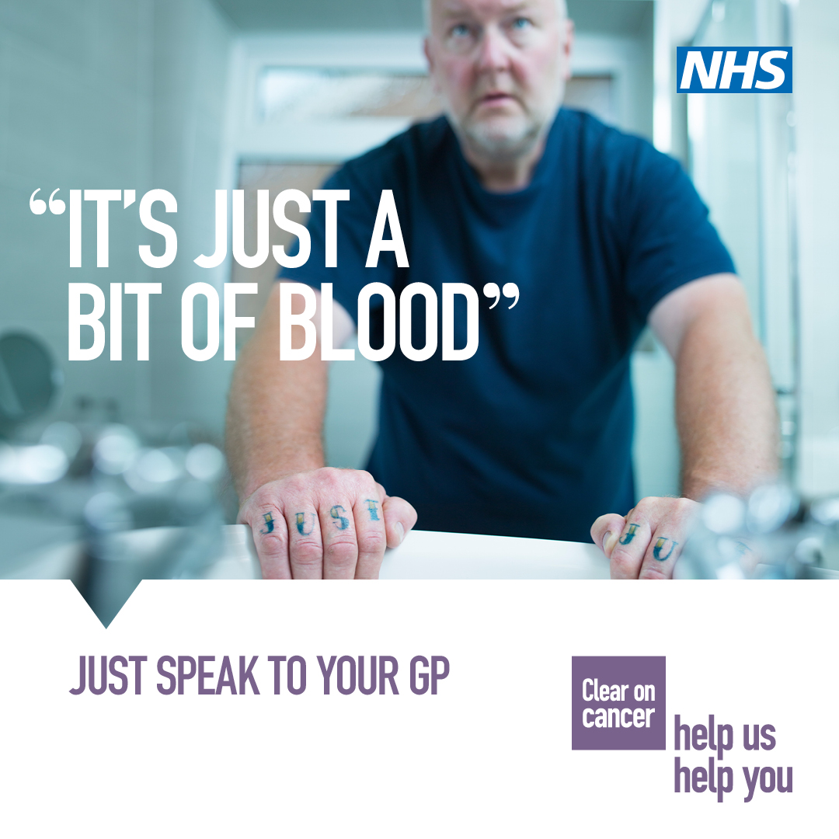
An unexplained lump could be a sign of cancer. It’s probably nothing serious, but finding cancer early makes it more treatable. Your NHS is here to see you, safely. https://t.co/UmVqFHEGvV https://t.co/0VYGRRelDZ
An unexplained pain that lasts three weeks or more, an unexplained lump or blood in your poo or pee could be a sign of cancer. It’s probably nothing serious, but finding cancer early makes it more treatable. Your NHS is here to see you, safely. https://t.co/Vi5f8gEEdH https://t.co/zYtEoAwVaS
Have you noticed an unexplained lump? It’s probably nothing serious - but could be a sign of #Cancer Finding cancer early makes it more treatable - your NHS is here to see you safely https://t.co/UmVqFHn57l https://t.co/fRy6UDteRv | 
An unexplained pain that lasts three weeks or more, an unexplained lump or blood in your poo or pee could be a sign of cancer. It’s probably nothing serious, but finding cancer early makes it more treatable. Your @NHSuk @NHSSW are here to see you, safely. https://t.co/aJ89knIKNO
An unexplained pain that lasts three weeks or more could be a sign of cancer. It’s probably nothing serious, but finding cancer early makes it more treatable. Your NHS is here to see you, safely. https://t.co/UmVqFHEGvV https://t.co/EF0mw5Wkgu | 
An unexplained lump could be a sign of cancer. It’s probably nothing serious, but finding cancer early makes it more treatable. Your NHS is here to see you, safely. https://t.co/UmVqFHEGvV https://t.co/X7BjHVCiC9
An unexplained pain that lasts three weeks or more could be a sign of cancer. It’s probably nothing serious, but finding cancer early makes it more treatable. Your NHS is here to see you, safely. https://t.co/UmVqFHn57l https://t.co/i20Mv338md
An unexplained lump could be a sign of cancer. It’s probably nothing serious, but finding cancer early makes it more treatable. Your NHS is here to see you, safely. https://t.co/UmVqFHEGvV https://t.co/s2j8grkovZ
Blood in your poo or pee could be a sign of cancer. It’s probably nothing serious, but finding cancer early makes it more treatable. Your NHS is here to see you, safely. https://t.co/UmVqFHn57l https://t.co/l0pqxiLb9d
Finding cancer early makes it more treatable so if you have been suffering from tummy troubles for three weeks or more make sure you speak to your GP. @NHSEngland and @NHSSW have put measures in place for you to access help safely. #NHS #HelpUsHelpY https://t.co/RQuMytqUvC
If you’ve had tummy trouble such as bloating, diarrhoea or discomfort for three weeks or more, it could be a sign of cancer. It’s probably nothing serious, but finding cancer early makes it more treatable. Your NHS is here to see you, safely. Speak to your GP. #HelpUsHelpYou https://t.co/KV0KFnZJtP

