Sheet1
ori_text | twitter_image | newspaper_image
CORONAVIRUS INFORMATION: Wash your hands more often for 20 seconds with soap and water. Or use hand sanitiser. https://t.co/hNxjxh2XCf https://t.co/aHlBrF5aNE
Wash your hands more often for 20 seconds with soap and water. Or use hand sanitiser. #COVID19 https://t.co/hNxjxgLmKH https://t.co/mxl8lWJ7tj
Wash your hands more often for 20 seconds with soap and water. Or use hand sanitiser. Protect yourself and others. https://t.co/hNxjxh2XCf https://t.co/wKsH7Xvc2Q
Viruses can live on surfaces for several hours. Here's what you can do to protect yourself and others: ▶️ Wash your hands more often ▶️ Use soap and water for 20 seconds ▶️ Or use hand sanitiser Follow official NHS advice at https://t.co/BywHYNmXEW #COVID2019 https://t.co/03ioEdh8Bo
Viruses can live on surfaces for several hours. Here's what you can do to protect yourself and others: ▶️ Wash your hands more often ▶️ Use soap and water for 20 seconds ▶️ Or use hand sanitiser Follow official NHS advice at https://t.co/BywHYNmXEW #COVID2019 https://t.co/zLV5K7EIdD
Help protect yourself and others by washing your hands more often for 20 seconds. Use soap and water or a hand sanitiser when you: ▶️Get home or into work ▶️Blow your nose, sneeze or cough ▶️Eat or handle food https://t.co/22oPehPGzy
Hand washing still plays a key role in protecting yourself and others from #coronavirus. ▪️ Wash your hands more often ▪️ Use soap and water for 20 seconds ▪️ Or use hand sanitiser Tips on hand washing technique here: https://t.co/9mVFslW1SC https://t.co/ddLUD0XrAm
Washing your hands more often remains vitally important to prevent the spread of #COVID19 in the #southwest If you have been outside, wash your hands with soap and water for 20 seconds or use hand sanitiser before touching your face or any surfaces. #StayAlert https://t.co/15Z4mlzlFr | 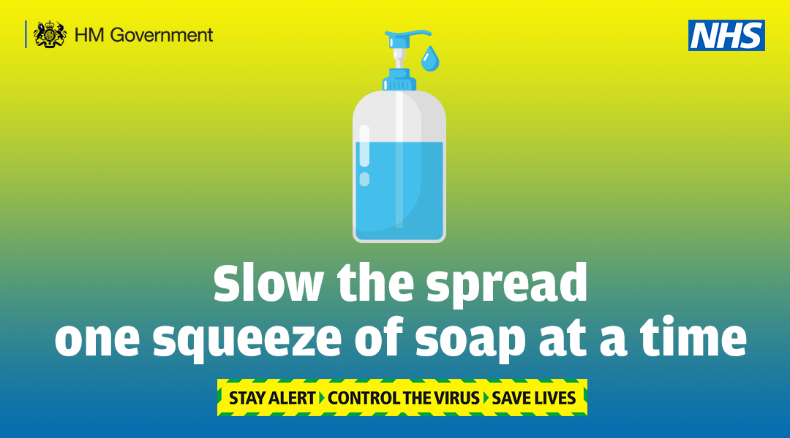
Washing your hands more often remains vitally important to prevent the spread of #COVID19 in the #southwest If you have been outside, wash your hands with soap and water for 20 seconds or use hand sanitiser before touching your face or any surfaces. #StayAlertSaveLives https://t.co/I07aUmdk0d
Hand washing still plays a key role in protecting yourself and others from #coronavirus. ✔Wash your hands more often ✔Use soap and water for 20 seconds ✔Or use hand sanitiser Tips on hand washing technique here: https://t.co/rligJ3WEsY https://t.co/yq7tVbc4sF | 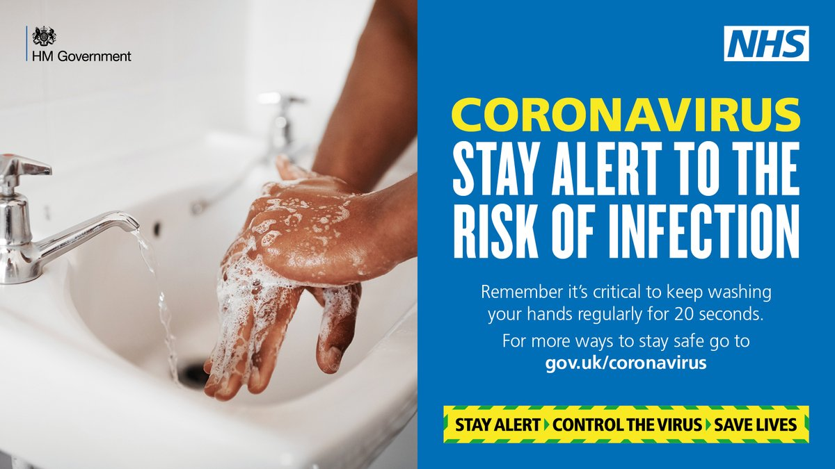
Hand washing still plays a key role in protecting yourself and others from #coronavirus. ✔ Wash your hands regularly ✔ Use soap and water for 20 seconds ✔ Or use hand sanitiser Make sure you store hand sanitiser safely out of reach of children. https://t.co/FJxaqupx94 | 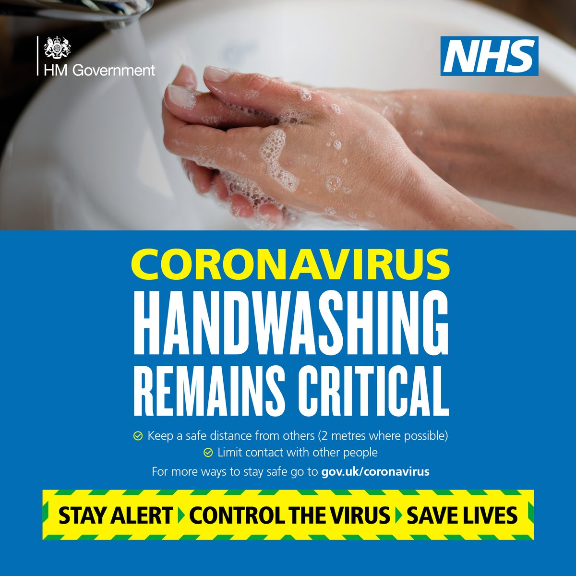
Wearing face coverings in enclosed spaces such as shops can help stop the spread of coronavirus in the #Southwest. Wash your hands or use hand sanitiser before putting on your face covering and after taking it off. Find out how to make a face covering: https://t.co/VaME4gDRhT https://t.co/hkSUS9WIPP | 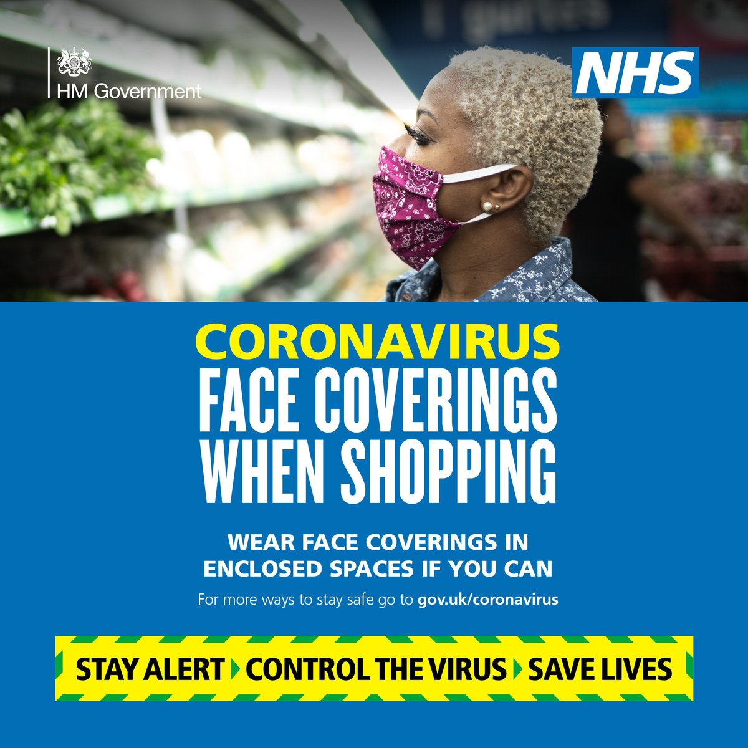
#HandWashing is still really important to help protect yourself &amp; others in the #SouthWest from #COVID19 • #WashYourHands regularly for at least 20 seconds with soap &amp; water • especially after using a tissue or going outside • otherwise use hand sanitiser with 75% alcohol https://t.co/p29ft8aeux
Hand washing is still really important to help protect yourself and others from #coronavirus ▪️ Wash your hands regularly ▪️ Use soap and water for 20 seconds ▪️ Or use hand sanitiser Make sure you store hand sanitiser safely out of reach of children. https://t.co/JexcYtDIES
Washing your hands more often remains vitally important to prevent the spread of #COVID19 in the #Southwest Remember to wash your hands with soap and water for 20 seconds or use hand sanitiser before touching your face or any surfaces. Follow: https://t.co/BywHYNEywu https://t.co/pisnKWhdQA
Washing your hands more often remains critical in preventing the spread of #COVID19 in the #Southwest Remember to wash your hands with soap and water for 20 seconds or use hand sanitiser before touching your face or any surfaces. Follow: https://t.co/BywHYNEywu https://t.co/rcfqCZ4fF1
#HandWashing is still really important to help protect yourself &amp; others in the #SouthWest from #COVID19 • #WashYourHands regularly for at least 20 seconds with soap &amp; water • especially after using a tissue or going outside • otherwise use hand sanitiser with 75% alcohol https://t.co/wSOo1Bx0zA

