Sheet1
ori_text | twitter_image | newspaper_image
Biden to direct states to make all adults eligible for COVID vaccine by May 1 https://t.co/4owrcoYWuh
Biden to direct states to make all adults eligble for vaccine by May 1 https://t.co/gxP3zOZqU3
Biden will direct states to make all adults eligible for COVID-19 vaccine by May 1 https://t.co/szE6TlKUoF
@BillKristol My mom watches far-right propaganda channels exclusively. I deliver her news, such as this about the vaccine May 1st, via Skype chat. She rarely hears about this from her media consumption otherwise.
@JoshL1220 No shit. Vaccines are coming fast for all of us in both countries, so order of issue is not going to mean very much by this time in May. Funny thing is that fucko will likely get his in the next few weeks, so just behave like a goddamned adult for a bit.
Shot heard around the world... "I want to wish them [Biden Admin] Luck... a very important word" (President Trump Jan 20, 2021) BREAKING: White House says Biden to direct states to make all adults eligible for coronavirus vaccines by May 1, https://t.co/1nXK2CzTZx | 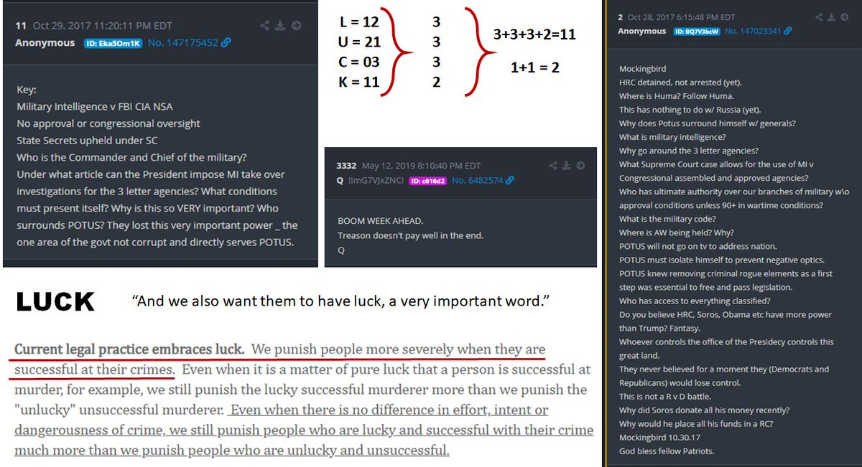
President #Biden is expected to direct states to make all adults eligible for the #coronavirus #vaccine by May 1, according to The White House. #WGN @WGNNews @NewsNationNow
The vaccine rollout is something you absolutely 1000% can not fuck up but credit still goes where it’s due, universal eligibility by may would be pretty sick https://t.co/eKVUQT4PTm
Biden to direct states to make all adults eligible for COVID vaccines by May 1, official says https://t.co/AMGo3MFfoS
So Biden wants states to open the vaccine to everyone come May. That’s like 45 days. Damn state of Alabama can’t get vaccine for the 65+. Our hospital has a wait list 30,000 deep for that age group. All CVS locations are fully booked for J&amp;J shot Please explain this
Biden to direct states to make all adults eligble for vaccine by May 1 https://t.co/L8tnSODBEk
Biden to direct states to make all American adults eligible for COVID-19 vaccine by May 1 https://t.co/i7flXmUCR0
Biden to tell US states to make all adults eligible for Covid vaccine by May 1 https://t.co/URWieVTkrn
It could be done TODAY with enough doses and capacity Biden to call on states to make coronavirus vaccine available to all adults by May 1 https://t.co/qLnCf2AGu5
Vaccines to be available to all adults May 1st. https://t.co/1pQ1Re2DF2
#BREAKING @POTUS Joe Biden to direct states to make all adults eligible for coronavirus vaccines by May 1, according to The White House.
Biden to push for all adult Americans to be eligible for the vaccine no later than May 1 via ⁦@washingtonpost⁩ https://t.co/v3p6D3qhYi
https://t.co/FdoVs35tIf U.S. President Joe Biden will direct states to make all adults eligible for COVID-19 vaccines by May 1 and declare that Americans should expect to be able to h...
Between the stimulus bill, vaccines available to all by May 1st, etc I just can’t take all this good news—it’s good to have a president again!!
President Biden says he wants all adults vaccine-eligible by May 1 https://t.co/8zctiz7IsM
Biden to call on states to make coronavirus vaccine available to all adults by May 1 - NBC News 👠 https://t.co/7ZALQoUCDj
President Joe Biden will use his first prime-time address on Thursday night to announce that he is directing states to make all American adults eligible for a coronavirus vaccine no later than May 1 https://t.co/5YBcWp2RvS
Wow.... Live Updates: In Speech, Biden Will Call on States to Open Vaccine Access for All Adults by May 1 - The New York Times https://t.co/M71jeymIPo
46th US President Joe Biden Will Direct All US States to Make All Adults Eligible for Covid Vaccines by May 1 2021 https://t.co/GZRcQ9yZEx
Biden in Speech to Announce All Americans Will Be Eligible for COVID Vaccine by May 1, Small Gatherings by July 4 https://t.co/rbyqRkq1Fc
Biden will direct states to make all adults eligible for vaccine by May 1 https://t.co/8uXtfPvsrs
President Biden is expected to direct states to make all adults eligible for the coronavirus vaccine by May 1, according to The White House. https://t.co/wFNy8KVN2d
Biden wants all adults vaccine-eligible by May 1 https://t.co/BUKYJpHh9X
President Biden will direct every state to make COVID-19 vaccines available to all adults by May 1. https://t.co/GrAALLs70H via @HuffPostPol
Chicago Tribune MARCH 11, 2021 BREAKING NEWS White House: President Biden to direct states to make all adults eligible for coronavirus vaccines by May 1 President Joe Biden will use his first prime-time address on Thursday night to announce that he is directing states to
make all American adults eligible for a coronavirus vaccine no later than May 1, according to the White House.
I appreciate this in concept but the reality is there are major delivery problems. Those already eligible can’t reliably get vaccines. Now they may be overwhelmed by more tech-savvy folks.
Biden will direct states to make all adults eligible for COVID-19 vaccine by May 1 https://t.co/RjkI1VWCTF
Biden will direct states to make all adults eligible for COVID-19 vaccine by May 1 https://t.co/5DCItBK91x
NEWS President Biden will direct US states to open vaccine eligibility to all adults by May 1
if Biden is saying vaccine appointments are opening up for everyone come May 1st, what’s a safe bet to plan on visiting LA to see all my sweeties and cuties? like late august?
Biden wants all adults vaccine-eligible by May 1 https://t.co/9UfRW9IDN1
Biden wants all adults vaccine-eligible by May 1 https://t.co/0b9Wh1PTnI
Biden will direct states to make all adults eligible for vaccine by May 1 https://t.co/gtfIv0arqN https://t.co/uXdph3F2Em
Biden wants states to make all adults eligible for COVID-19 vaccines by May 1 https://t.co/oMFD31Dcir
Thank you President Biden! All adults eligible for vaccine by May 1!! 🇺🇸🇺🇸🇺🇸🥂😷😍🏆 #covidvaccine #May1 This is from one year ago: https://t.co/er94j9aKxX
OK, but how is he defining "adult:" - White House: President Biden to direct states to make all adults eligible for coronavirus vaccines by May 1 https://t.co/wIiOmdw78Z
Biden to direct states to make vaccine available to all adults by May 1 - President Joe Biden's first primetime speech Thursday night will focus on the COVID-19 response, hours after signing the $1.9 trillion relief bill. https://t.co/5D7i7RLtKF via @ksdknews
COVID vaccine supply problems may push national rollout into 2022 &gt;&gt; https://t.co/RLPpYFUr8u - Some Australians may have to wait until early 2022 for their 2nd shot of a COVID vaccine due to supply problems, although the government still hopes to be finished by the end of October https://t.co/GoMIA0cOMv | 
Biden will direct states to make all adults eligible for vaccine by May 1 https://t.co/eNe8HDz0g6
All US Adults Will Be Eligible For A COVID-19 Vaccine By May 1, White House Says - BuzzFeed News https://t.co/6AlVlpxxsa
👁👁 Biden wants states to make all adults eligible for COVID-19 vaccines by May 1 https://t.co/ULj9dPsqt7
#BREAKING: White House says @POTUS to direct states to make all adults eligible for coronavirus vaccines by May 1. (via @AP)
@BooKhaki Cuts to CSIRO funding were being blamed for the lack of mRNA vaccine development/production capacity. May or may not be true, but has some face validity.
Biden will direct states to make all adults eligible for Covid vaccine by May 1 #breakingnews #news #china #trump #biden #photo #adults #biden #breakingnewspolitics #breakingnewsglobal #businessnews #cnbcbusiness #coronavirus #covid #covid-19 #dire... https://t.co/HSUEhIMmtP
#BREAKING Tonight in his first prime-time address as president, Joe Biden will direct states to make COVID-19 vaccines available to all adults by May 1 with an ambitious goal to get things “closer to normal” by July 4. https://t.co/gbtBP5qvzE
Biden signs $1.9 trillion COVID-19 pandemic relief bill, will direct states to make all US adults eligible for vaccine by May 1 https://t.co/p3RIKRA2kg via @AJEnglish
US President Biden to make all adults eligible for vaccines no later than May 1 https://t.co/a8VXv57f0O
530,000 DEAD Science gave us VACCINES that may save us. YOU gave us crooks hypocrites liars cheats conspiracy nut-jobs and attacks on our Capitol. You WASTED precious time. God may forgive, I won't @GregAbbott_TX @LtGovTX @KenPaxtonTX @JohnCornyn @SenTedCruz @RepMcCaul
President Biden will announce that he's directing all U.S. states, territories and tribes to make all adults eligible for the vaccine by May 1. https://t.co/t0MWMVLkUI
We are all anxious and worried. Bravo to Joe for getting enough vaccine to make all adults eligible by May 1st. Because of Trump's ridiculously botched early rollout, it's become unfair at this point. Thank you for making it right and fair.
Live Updates: Biden to direct all states to make all adults eligible for vaccine by May 1 https://t.co/Vm318wVntH via @CBSPolitics
The Latest: Biden wants all adults vaccine-eligible by May 1 https://t.co/YQCC9GNEmt
President Joe Biden will use his first prime-time address on Thursday night to announce that he is directing states to make all American adults eligible for a coronavirus vaccine no later than May 1. https://t.co/vWejqy9Oa7
Biden wants all adults eligible for vaccine by May 1, with US ‘closer to normal’ by July 4 https://t.co/Kg8qNFUFJj
#JoeBiden to push for all adult Americans to be eligible for the #vaccine by May 1. Sounds nice Joe! But if the vaccine isn’t available, like in most of #Pennsylvania, it won’t matter how many are eligible for it! #Covid19 #pandemic #coronavirus https://t.co/i8uMTN8oQk
@POTUS wants to have vaccines available to everyone by May 1st and here I am in Massachusetts with asthma still with no direction from @CharlieBakerMA on when I can be eligible while I see some people my age with nothing wrong get it. WTF
BREAKING: @POTUS to direct states to make all adults eligible for coronavirus vaccines by May 1. DETAILS: https://t.co/gUkqGBLYnw
Biden to direct states to make all adults eligible for COVID-19 vaccine by May 1 https://t.co/PSB7K4KXrO
Big news: One year after the nation was brought to a near-standstill by the coronavirus, President Joe Biden is outlining his plan Thursday evening to make all adults vaccine-eligible by May 1 and get the country “closer to normal” by the Fourth of July. https://t.co/hlv0QaBJpm
Vaccines by May 1 people!! So damn excited. I'm ready to #travel and #cruise
Looking for a COVID-19 vaccine? This website may text you when a vaccine is about to go unused https://t.co/LBy96MISKw via @usatoday
Biden promised $2000 and gave $1400. Now he says everyone will get vaccine by May 1. Maybe 70 percent will get it https://t.co/EaYUHwNWj4
In his speech tonight, President Biden will call for all Americans to be eligible for coronavirus vaccines by May 1st. https://t.co/iJwG41yTuk | 
#NEW White House officials say in tonight’s address, Biden will announce he is directing states to make COVID vaccines available to all American adults by May 1st He’s expected to say there is a “good chance” Americans can safely gather in small groups by July 4
RT @NewsHour NEW: President Biden will direct states and territories to make all U.S. adults eligible for a COVID-19 vaccine by May 1. @Yamiche has more about what the president will say during his primetime address to the nation. https://t.co/wPrHgFe0Om https://t.co/Oru8rBvxgq
RT @NewsHour NEW: President Biden will direct states and territories to make all U.S. adults eligible for a COVID-19 vaccine by May 1. @Yamiche has more about what the president will say during his primetime address to the nation. https://t.co/ErNm96rn9o https://t.co/F1JWglUahn
During his first primetime speech tonight, President Biden will direct states to open vaccines for all American adults by May 1. https://t.co/U70vi3SIMe
Mr. President Biden is not playing NO_ GAMES!! Open SmartNews and read Biden to direct states to make all adults eligible for COVID vaccines by May 1, official says here: https://t.co/XzAGdWAc9W To read it on the web, tap here: https://t.co/LWQoNdDKv8
Biden to call for all adults to be eligible for vaccine by May 1 | TheHill https://t.co/jB3tnf6Ome
Live updates: Biden to push for all adult Americans to be eligible for the vaccine no later than May 1 https://t.co/bzV15UOqfv
@peacelilly44 @Tickittybooboo @linda__lou that's great Christie your hubby getting booked in for his second vaccine on Saturday they're really getting through it working at weekends too we were told it would probably be early May for our second jabs but it might be earlier at this rate 😉💉👍👏💙x
.@JoeBiden will use prime-time address to direct states to make all adults vaccine-eligible by May 1. https://t.co/f1tZckHVDg
Biden to call on states to make coronavirus vaccine available to all adults by May 1 - NBC News https://t.co/asPQ2o9lMW
Biden to direct states to make all adults eligible for COVID-19 vaccine by May 1 https://t.co/4vtD7Man7o
Biden to tell US states to make all adults eligible for Covid vaccine by May 1 https://t.co/xCrWdyF4zQ
@KySportsRadio I didn't vote for him but he's doing exactly what he should be doing. Getting the vaccine out to all citizens by May 1st is awesome.
Open SmartNews and read "Biden to direct states to make all adults eligible for COVID vaccines by May 1, official says" here: https://t.co/JANUgV1w9a To read it on the web, tap here: https://t.co/v8my1A3FYO
Suddenly states have to follow the President’s orders? Biden will direct states to make all adults eligible for vaccine by May 1 @CNBC https://t.co/H7ML07uCaN
President Joe Biden is outlining his plan Thursday evening to make all adults vaccine-eligible by May 1 and get the country “closer to normal” by the Fourth of July. https://t.co/YzON8KPXHp
Biden to direct states to make all adults eligible for Covid vaccines by May 1 https://t.co/rO9Xu0fO81
President Joe Biden will use his first prime-time address on Thursday night to announce that he is directing states to make all American adults eligible for a coronavirus vaccine no later than May 1 https://t.co/bokaQypswg
President Joe Biden will use his first prime-time address tonight to announce that he is directing states to make all American adults eligible for a coronavirus vaccine no later than May 1. https://t.co/76zXuXYLgN
Biden to direct states to make all adults eligible for COVID vaccines by May 1, official says https://t.co/nnAwptmENw
Biden to call on states to make coronavirus vaccine available to all adults by May 1 - NBC News https://t.co/I7ByCccjKf
BREAKING: It’s the question millions have been asking — “When will it be my turn?” President Biden said tonight he wants all states to make every adult eligible for the #COVID19 vaccine by May 1st. #FOX35 @fox35orlando https://t.co/L4IhT0ii1z
Biden will direct states to make all adults eligible for Covid vaccine by May 1 https://t.co/mi7T3L5gsP
@RepMTG Trump refused to implement a national covid vaccine plan. The truth be known - if he had 520,000 Americans may not have died. School being open contributed to the excelleration of this. Until we have Covid under control - you are too.
Biden to direct states to make vaccine available to all adults by May 1 https://t.co/zovi3tzgGC
#BREAKING: @POTUS @JoeBiden is expected to use his first prime-time address tonight to announce that he is directing states to make all American adults eligible for a #coronavirus #vaccine no later than May 1. https://t.co/XaYFnHOaXJ
Wowza! 🎉 Biden will announce "tonight" that he is directing states to make "every" adult American eligible for the COVID vaccine no later than May 1st!
Fifty one fucking days. Covid relief is on the way. Tonight Joe Biden will announce that all Americans will be eligible for the Covid vaccine by May 1st. Does ANYBODY think the Trump regime could have pulled this off?
If everybody really does get their vaccines on May 1st, the streets are going to look like the last scene in Perfume: The Story of a Murderer https://t.co/gImJvAKekp | 
Biden: States must designate all adults eligible for vaccine by May - Axios https://t.co/wwlKXUgBAC
@IdahoNews6 COVID-19 vaccine is not going to save you from death 💀 You may not die of covid but you will die one day. Only Jesus Christ can save you from eternal death. What is the Gospel Message? https://t.co/beO6npXbNH
White House says that there will be a federal vaccine locator website and 1-800 call center running by May 1st to connect Americans to vaccine options near them.
Biden to call on states to make coronavirus vaccine available to all adults by May 1 - NBC News https://t.co/TACST9nATx
@thehill What a mess you are. Covid-19 Bill is signed and vaccine eligibility by May 1st and all you have is cancel culture
JUST IN: President Joe Biden will direct states to make coronavirus vaccines available to all adults by May 1, a senior administration official told reporters ahead of Biden's first prime-time address as president. https://t.co/17CF9R8EuU
Biden to direct states to make all adults eligble for vaccine by May 1 | Reuters https://t.co/6CzGc3lYcy
President Biden to direct states to make all adults eligible for vaccines by May https://t.co/HTtLutqGvc
In primetime address, @POTUS will ask all adults be eligible for the Vaccine by May 1. Hear it live at 8pm on @NewsRadio930.
Biden will direct states to make all adults eligible for Covid vaccine by May 1 ⁦@CNBC⁩ https://t.co/FPJ2lRasTR
President Biden to direct states to make all adults eligble for vaccine by May 1 https://t.co/oCQ8T94G0T
Live updates: Biden to push for all adult Americans to be eligible for the vaccine no later than May 1 https://t.co/8QCBJ1Pbch
Everyone must know three things about these vaccines. 1. They are classified as experimental. 2. They have been authorized quickly for 'emergency use', and 3. The drug manufactures demanded and got ironclad protections from any lawsuits that may result from their use.
President Biden to direct states to make all adults eligible for vaccines by May https://t.co/5YlpDIp4Zj
President Joe Biden will use his first prime-time address tonight to announce that he is directing states to make all American adults eligible for a coronavirus vaccine no later than May 1. https://t.co/vzVTqEnwi8
#BREAKING: President Biden to direct states to make all adults eligible for COVID-19 vaccines by May https://t.co/wwKatal9SE
WE BOUT TO GET A 4TH VACCINE?!?! MAN LOOK! KEEP ME INSIDE APRIL AND MAY AND LET THE LORD DO HIS WORK. ONCE JUNE COME AROUND THO. LISTEN.
President Biden says he wants all adults to be eligible for the vaccine by May 1st. He also hopes to have the country back to normal by the 4th of July. #khou 6pm
every american will qualify for the vaccine on may 1st !!!
Are you listening to your people other than the 1% ⁦@RonDeSantisFL⁩. Our President is. When are you? Biden to direct states to make all adults eligible for COVID vaccines by May 1, official says https://t.co/ffgS57BO1h via @tdonline
Biden wants states to make all adults eligible for coronavirus vaccine by May 1 https://t.co/jhEsyqxV1R
President Biden will direct states, tribes and territories to make all American adults eligible for a coronavirus vaccine by May 1. Biden will announce the plan during tonight's national address marking the one-year anniversary of the pandemic: https://t.co/D24HXMzkUp
President Biden's first evening speech is tonight. He's expected to announce a new goal: Vaccines for every adult by May 1st, nationwide. That's huge. https://t.co/lf2gADVKm4
Biden to call for all adults to be eligible for vaccine by May 1 | TheHill https://t.co/jB3tnfopdM
@Slim_Simba Well at least he underestimated his ability to follow thru here and to not get American hopes up. And now the target date for the gen public to have access to the vaccines is pushed up to May 1st so props to him. The finish line is near
NEW: President Biden will announce that he’s directing states to make vaccines available to all adults by May 1, according to a Bloomberg News reporter. The Biden administration hopes to bring the country “closer to normal” by July 4. https://t.co/n2Z6Zi0ZYl
If everyone can get the vaccine in May, why in the hell wouldn't we be full on licking-the-seats-on-an-international-767 by July 4?
WHITE HOUSE: President Biden will order all states to make the COVID vaccine eligible for all adults by May 1st
Biden to call on states to make coronavirus vaccine available to all adults by May 1 - NBC News https://t.co/N3rUgwyNsV
Greatt to have a real President again. Finally have a grown-up in charge instead of a crybaby. Hope we learn from the Trump presidential debacle From ABC News: In address, Biden to direct that all adults be eligible for COVID-19 vaccine by May 1 https://t.co/wPIvhKKz6g
#BREAKING: Biden to direct states to make all adults eligible for coronavirus vaccines by May 1 https://t.co/9xxuNE54RH
Biden will direct states to make all adults eligible for Covid vaccine by May 1 https://t.co/JQHUtNFSTv
Mayday aim: Biden wants everyone vaccine-eligible by May 1 (from @AP) https://t.co/8ADLodmC9n
BREAKING: President Joe Biden will announce Thursday night that he is directing states to make all American adults eligible for a coronavirus vaccine no later than May 1. https://t.co/FelzQ2VD6v
Biden To Direct States To Make COVID-19 Vaccine Available To All Adults By May 1 https://t.co/0OGtbRdWoA
Biden will direct states to make all adults eligible for vaccine by May 1 https://t.co/tdgAPPuX3L
White House: Little Joe to direct states to make all adults eligible for coronavirus vaccines by May 1 https://t.co/DEhG1RYG6S
“Biden would push for all adult Americans to be eligible for the coronavirus vaccine no later than May 1 and aim for small-group celebrations by July 4.” I sure hope so 🥺
Biden to direct states to make all adults eligble for vaccine by May 1 https://t.co/Mr1lXfUJKa
USA TODAY: Biden to direct states to make all adults eligible for vaccines by May 1 https://t.co/XlFZUI6OEz
Biden will direct states to make all adults eligible for Covid vaccine by May 1 https://t.co/AfyNAHZz0a
Biden to tell states to make all adults eligible for COVID-19 vaccine by May 1 - The Wall Street Journal https://t.co/ANd1MVC1Zz
Earlier today the @DHSWI said #vaccine eligibility should open up to everyone in the next 2 months. Tonight, President Biden is announcing his own timeline -- he'll direct all states to make all adults eligible by the start of May.
Biden will announce Veterinarians &amp; Dentists will be able to give the vaccine tonight. Also every adult will be eligible to receive the vaccine by May 1st. Small gatherings will be possible on July 4th. He will frame it as a celebration of American strength. Ok Joe!
President Biden to direct states to make all adults eligible for vaccines by May https://t.co/OzwwsYgINt
Biden will direct states to make all adults eligible for Covid vaccine by May 1. Go Papa Joe! https://t.co/R77rCHyVms
President Biden to direct states to make all adults eligible for vaccines by May https://t.co/AzZeqvCWvN
Chicago Tribune MARCH 11, 2021 BREAKING NEWS White House: President Biden to direct states to make all adults eligible for coronavirus vaccines by May 1 President Joe Biden will use his first prime-time address on
Thursday night to announce that he is directing states to make all American adults eligible for a coronavirus vaccine no later than May 1, according to the White House. Read More
#JoeIsABoss President Biden will direct every state to make COVID-19 vaccines available to all adults by May 1. https://t.co/xgRMSzI5zN via @HuffPostPol
BREAKING: President Biden will direct states to make COVID-19 vaccines available to all adults by May 1. https://t.co/fEMxJIaiw8
Breaking: Biden will compel states to make vaccines available for all adults by May 1 https://t.co/NneodVgAwN via @statnews @levfacher
#BREAKING: @JoeBiden to call on states to make ALL Americans eligible for Covid vaccine by May 1 https://t.co/yqU8siW39G https://t.co/vucJhyf6uk | 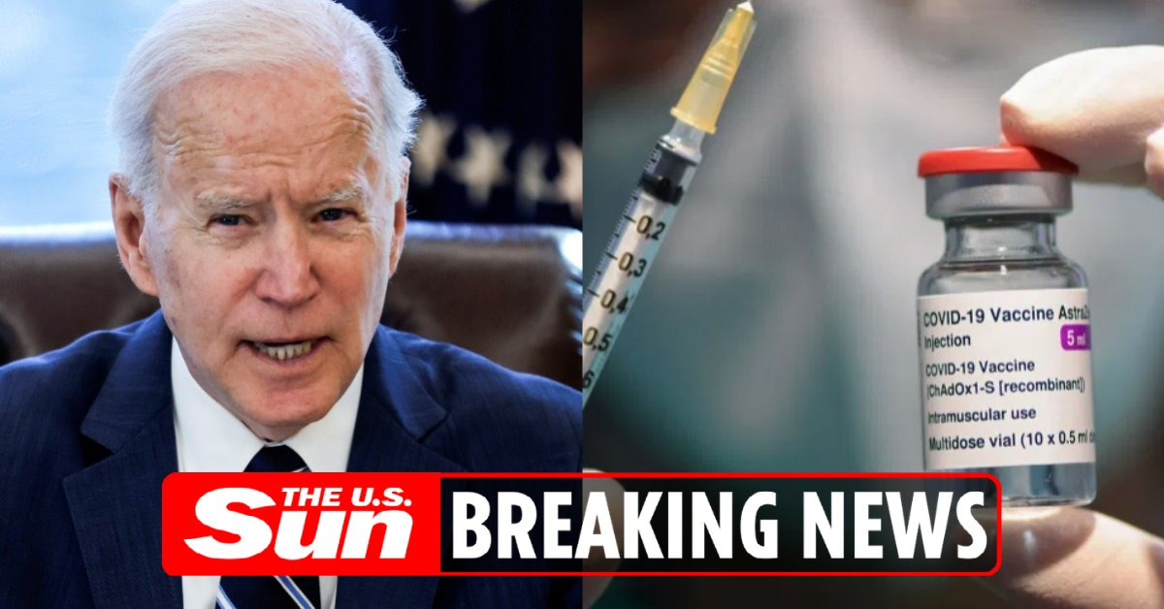
More from WH official: The president will say he wants states to make all adults eligible for vaccines by May 1.
Big news: White House says it will direct states and localities to make every American eligible for a Covid-19 vaccine **no later than May 1st.** They say they’ll have the supply and will ramp up distribution with more places for people to get vaccinated.
Biden to announce all adult Americans will be eligible for vaccine by May 1 https://t.co/xP2qgTgMaD via @msnbc
President Joe Biden will use his first prime-time address on Thursday night to announce that he is directing states to make all American adults eligible for a coronavirus vaccine no later than May 1. https://t.co/ZwtpPYYOmC
BREAKING: President Joe Biden will announce Thursday that he's directing all U.S. states, territories and tribes to make all adults eligible for the vaccine by May 1. | https://t.co/o2CN0edGNU https://t.co/uWipBK9Qvn
UPDATE: Mayday aim: Biden wants everyone vaccine-eligible by May 1 https://t.co/pu973YuKJm
President Biden To Direct States To Make All Americans Eligible For Vaccines By May 1 https://t.co/hLSrn94OF4 Oh would that be nice!

