Sheet1
ori_text | twitter_image | newspaper_image
@ARKovnat Alex Yes HRH Prince Philip did live a very full life, which is not very surprising when you look at his history &amp; character. The UK is going through changes at the moment &amp; not all for the good, which is why Philip's independent spirit was always a breath of fresh air. Alex B
Could we respect HRH the Prince Philip’s legacy by investing in ethical manufacturing of medical devices, vaccines, pharmaceuticals in the UK (ie without use of slave labour) and not outsource these nor global banking functions to India, which still uses slave labour? https://t.co/5q2n2IPrLA | 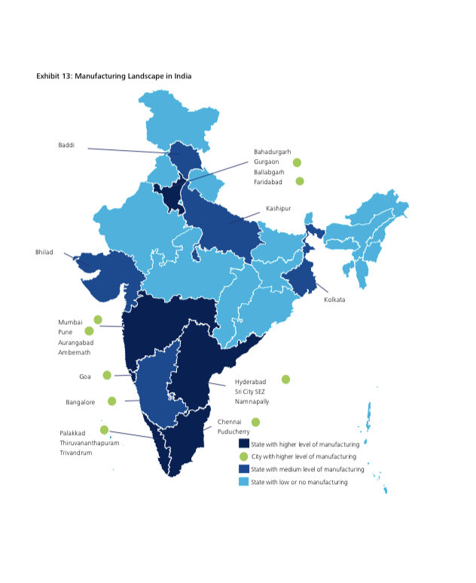
Could we respect HRH the Prince Philip’s legacy by investing in ethical manufacturing of medical devices, vaccines, pharmaceuticals in the UK (ie without use of slave labour) and not outsource these nor global banking functions to India, which still uses slave labour? https://t.co/5q2n2IPrLA | 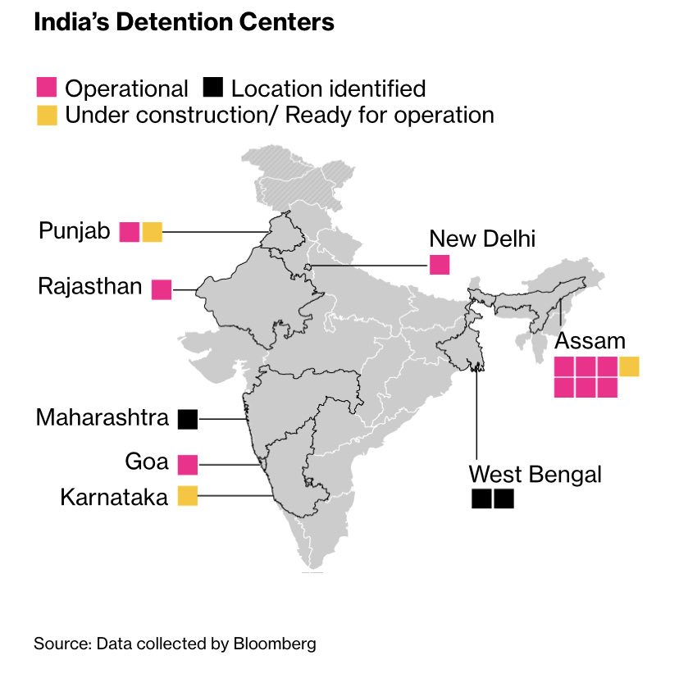
@mrjstephenson1 I love Gardeners World it was rescheduled to Saturday, the death of HRH Prince Philip and all the programs devoted to his life were justification for this. People who complained probably don’t watch the BBC
@PHarry_Meghan Like HRH The Prince Philip I’ve quietly observed my GENUINE grief for a huge figure in our nation, IN PRIVATE, public figures that manipulate the media should be told off like the disruptive people they have become.
@KensingtonRoyal @RoyalFamily An absolutely beautiful tribute and photo, very sad to read.❤️Sending condolences to all of your family and her Majesty on this enormous loss of HRH Prince Philip.

