Sheet1
ori_text | twitter_image | newspaper_image
Do you know the facts of the NHS COVID-19 app? Learn what it does and doesn’t do in the short video below. Download the #NHSCOVID19app today and help stop the spread of #COVID19. Search 'NHS COVID app' from your mobile app store. https://t.co/LXZpYDrOVL https://t.co/zkTI53ZMxu
It is important that we all take steps to reduce the spread of #COVID-19 infection in the community to save lives and protect the NHS. #HandsFaceSpace https://t.co/PKAE4LWZO0 | 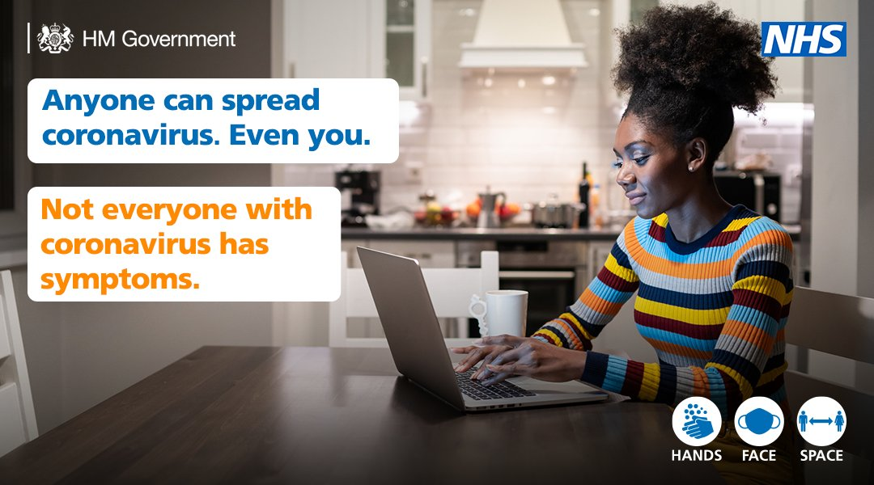
Do you know that @PHE_uk has a range of free toolkits, social media messages and videos about reducing the spread of COVID-19 and the vaccine rollout programme? Register for regular updates and download free resources here: https://t.co/a62Kb9dX7p https://t.co/vhOsqbYdMo | 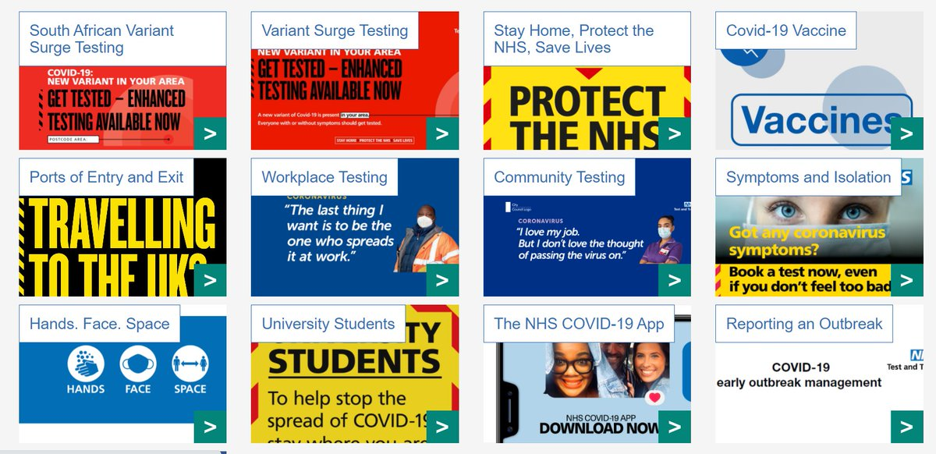
Over 21 million people have already downloaded the NHS COVID-19 app. Join them to help stop the spread of COVID-19 and save lives in the North East and beyond. Download it for free: 📲 App Store: https://t.co/GKChDuehBN 📲 Google Play: https://t.co/x4bq8nfqwP https://t.co/Dubjc6pqA8 | 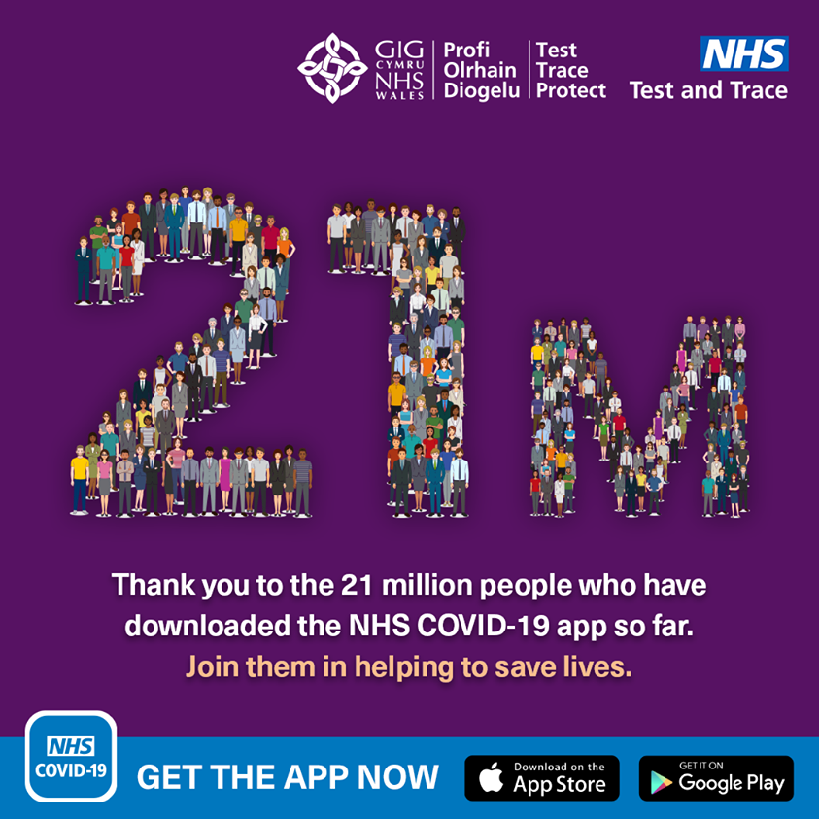
Whether you miss hugging your loved ones, going to the pub with your mates or even going to the gym, we’ve all got a reason to stop the spread of COVID-19. You can do your bit by following current guidance. Do it for what matters. #stopthespread https://t.co/UXxXSktIpL
Whether you miss hugging your loved ones, going to the pub with your mates or even going to the gym, we’ve all got a reason to stop the spread of COVID-19. You can do your bit by following current guidance. Do it for what matters. #doingourbit #stopthespread https://t.co/rKP9bLFbWR | 
No matter where you live, your local community needs your help to stop the spread of COVID-19, so that we can all get back to what we love. Are you doing your bit?? https://t.co/YwXw7pO0IL #doingourbit #stopthespread https://t.co/LMb7BKq6jR | 
Whether you miss hugging your loved ones, going to the pub with your mates or even going to the gym, we’ve all got a reason to stop the spread of COVID-19. You can do your bit by following current guidance. Do it for what matters. #doingourbit #stopthespread https://t.co/y5Q8gx6f3M
No matter where you live, your local community needs your help to stop the spread of COVID-19, so that we can all get back to what we love. Are you doing your bit? #doingourbit #stopthespread https://t.co/QVJkuOBOOG
"If you test positive by any method, you must self-isolate to stop the spread of the virus. I also encourage everyone who is contacted by the NHS to get the COVID vaccine to take up this important offer, to help protect themselves and help build protection in the community.”
Do you know the facts of the NHS COVID-19 app? Learn what it does and doesn’t do in the short video below. Download the #NHSCOVID19app today and help stop the spread of #COVID19. Search 'NHS COVID app' from your mobile app store. https://t.co/10K3ebilxn https://t.co/bKX2rn5mX8
It is important that we all take steps to reduce the spread of #COVID-19 infection in the community to save lives and protect the NHS. #HandsFaceSpace https://t.co/o1JY8zS8PZ
Do you know that @PHE_uk has a range of free toolkits, social media messages and videos about reducing the spread of COVID-19 and the vaccine rollout programme? Register for regular updates and download free resources here: https://t.co/mQEfwjnehk https://t.co/5X0CEXLdlT
Do you know the facts of the NHS COVID-19 app? Learn what it does and doesn’t do in the short video below. Download the #NHSCOVID19app today and help stop the spread of #COVID19. Search 'NHS COVID app' from your mobile app store. https://t.co/WPsP0z2T0h https://t.co/prSxDFrc6d
It is important that we all take steps to reduce the spread of #COVID-19 infection in the community to save lives and protect the NHS. #HandsFaceSpace https://t.co/48yT4nU826
Do you know that @PHE_uk has a range of free toolkits, social media messages and videos about reducing the spread of COVID-19 and the vaccine rollout programme? Register for regular updates and download free resources here: https://t.co/FqXWSDUe55 https://t.co/DD960MX3tH
Peter Kelly, PHE Regional Director and NHS Director of Public Health for North East and Yorkshire, says that, "Hands, face, space is not just a slogan." when it comes to reducing the spread of Covid-19 in the region. https://t.co/wsW9zRXuuW
Hands - Face - Space is the best way of preventing the spread of Covid-19. Let's help keep the North East safe by remembering to do our bit to protect others and save lives. #HandsFaceSpace https://t.co/qYDHIhP6vt | 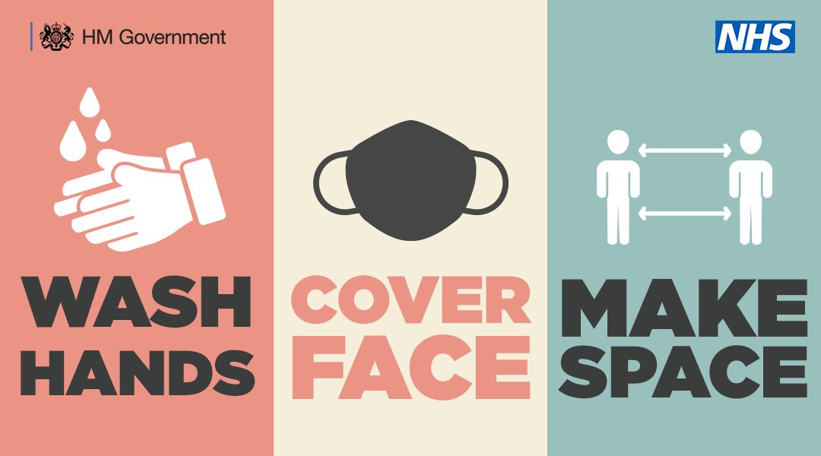
If you're last-minute Christmas shopping today, remember to stay alert, make space and avoid the crowds. Stay safe with regular handwashing, wearing a face covering and distancing yourself from others to help prevent the spread of Covid-19. #HandsFaceSpace https://t.co/dtK4YUvgS2 | 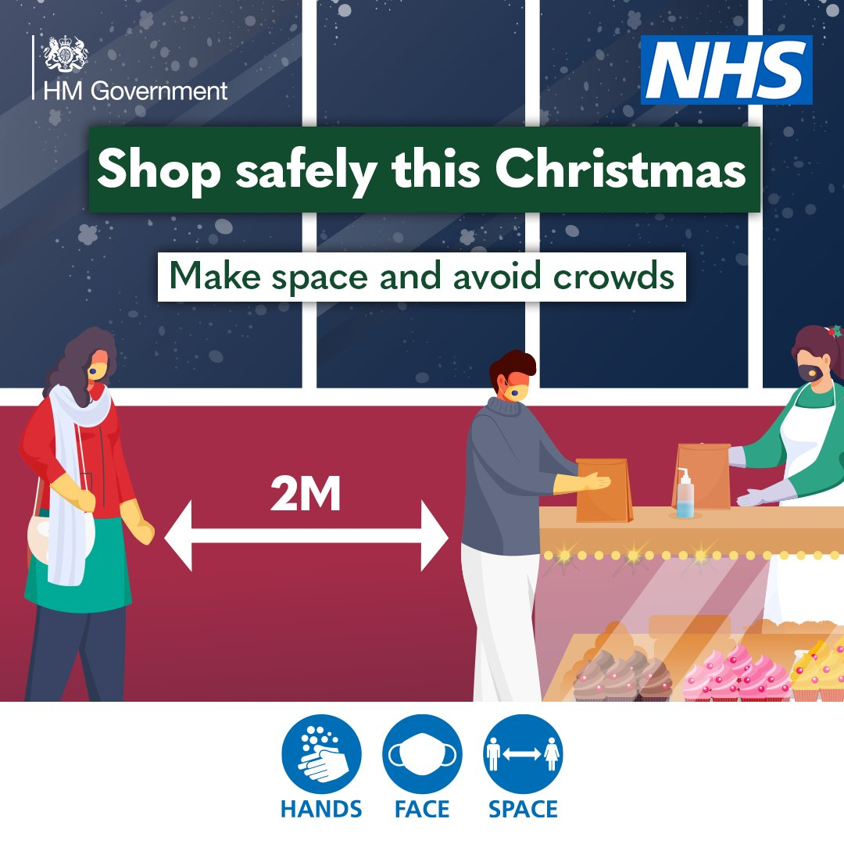
Remember, here in the North East we are celebrating #Christmas under Tier 3 restrictions. That means staying local, keeping visits short and only seeing a maximum of two other households on Christmas Day. Every action counts to stop the spread of Covid-19. https://t.co/csDGor2WaS | 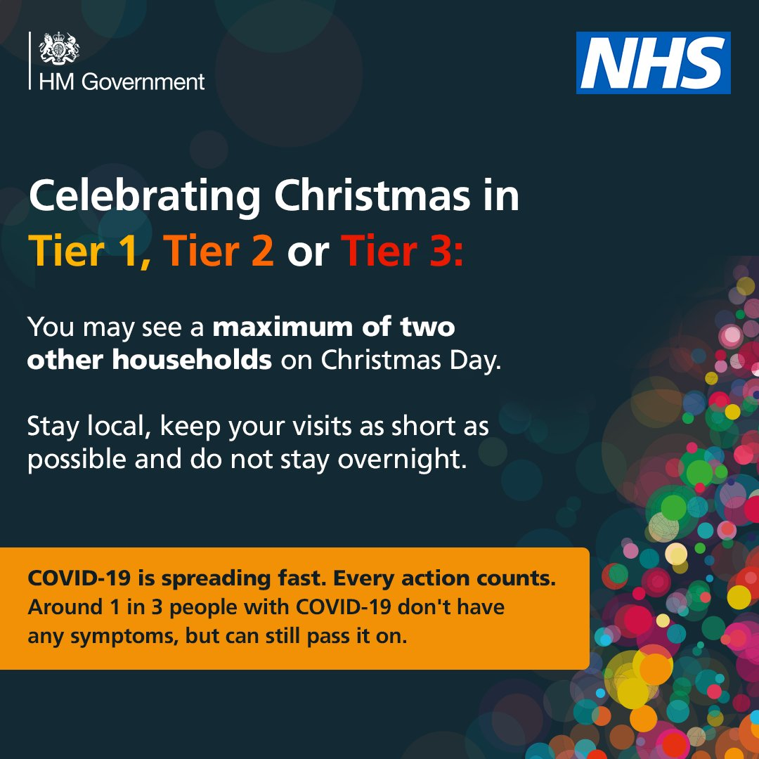
Taking three simple steps can help save lives: 1. Wash your hands regularly. 2. Keep social distancing (2 metres where possible). 3. Wear a face covering. Help stop the spread of COVID-19. For more information visit https://t.co/lSisoZ0qep @healthdpt https://t.co/4sIuHqbr3J | 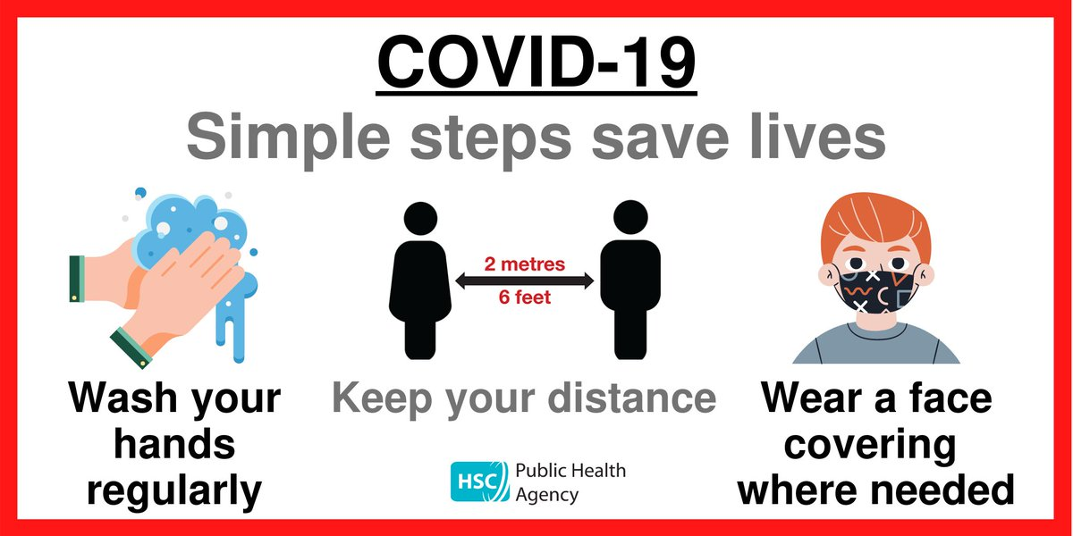
Washing your hands frequently is an effective way to help stop the spread of COVID-19. Don't touch your face with unwashed hands. Find out more about how you can help stop the spread of coronavirus by visiting https://t.co/lSisoYIOPP https://t.co/dcAWTDFabV
Taking three simple steps can help save lives: 1. Wash your hands regularly. 2. Keep social distancing (2 metres where possible). 3. Wear a face covering. Help stop the spread of COVID-19. For more information visit https://t.co/lSisoYIOPP @healthdpt https://t.co/1wu6ZrKinS
Taking three simple steps can help save lives: 1. Wash your hands regularly. 2. Keep social distancing (2 metres where possible). 3. Wear a face covering. Help stop the spread of COVID-19. For more information visit https://t.co/lSisoZ0qep https://t.co/Z6W9ATvIdJ | 
Taking three simple steps can help save lives: 1. Wash your hands regularly. 2. Keep social distancing (2 metres where possible). 3. Wear a face covering. Help stop the spread of COVID-19. For more information visit https://t.co/lSisoYIOPP @healthdpt https://t.co/gK8owb1pFE
Taking three simple steps can help save lives: 1. Wash your hands regularly. 2. Keep social distancing (2 metres where possible). 3. Wear a face covering. Help stop the spread of COVID-19. For more information visit https://t.co/lSisoYIOPP @healthdpt https://t.co/D8jCCDP7By
COVID-19 vaccines one method of protection, but you can play your part in preventing the spread of COVID-19 NOW by continuing with regular handwashing, social distancing and wearing a mask when required. https://t.co/oelSgFvZV3 https://t.co/Wg22zNx1Yg | 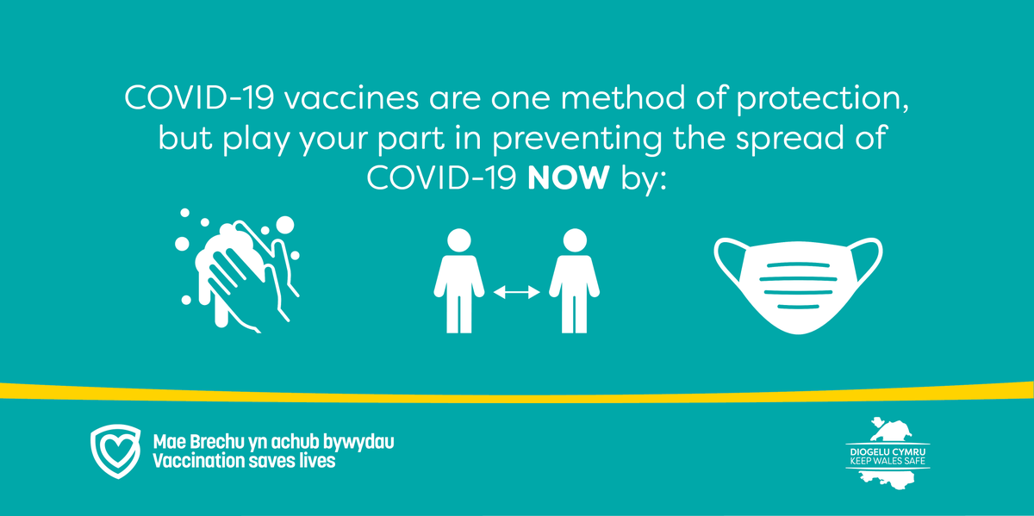
COVID-19 vaccines one method of protection, but you can play your part in preventing the spread of COVID-19 NOW by continuing with regular handwashing, social distancing and wearing a mask when required. https://t.co/oelSgFvZV3 https://t.co/EWRJNVuqGz
COVID-19 vaccines one method of protection, but you can play your part in preventing the spread of COVID-19 NOW by continuing with regular handwashing, social distancing and wearing a mask when required. https://t.co/oelSgFvZV3 https://t.co/pl7urqSERw
COVID-19 vaccines one method of protection, but we all have a part to play in preventing the spread of COVID-19 NOW by continuing with regular handwashing, social distancing and wearing a mask when required. https://t.co/oelSgFvZV3 https://t.co/oG5q6ShSXF
The spread of Covid-19 is growing in #London, this means more people are getting unwell and more will be admitted to hospital in the weeks to come. More infections also means more Londoners will fall critically ill and many will lose their lives to COVID-19. #KeepLondonSafe
There are different restrictions in different parts of the UK to help prevent spread of #Coronavirus. Each area has a Local COVID Alert Level. To find out what you can and can't do in the places where you live, work and visit, log onto https://t.co/EL6oIgMulx #StaySafe https://t.co/gyS0iwCAuJ | 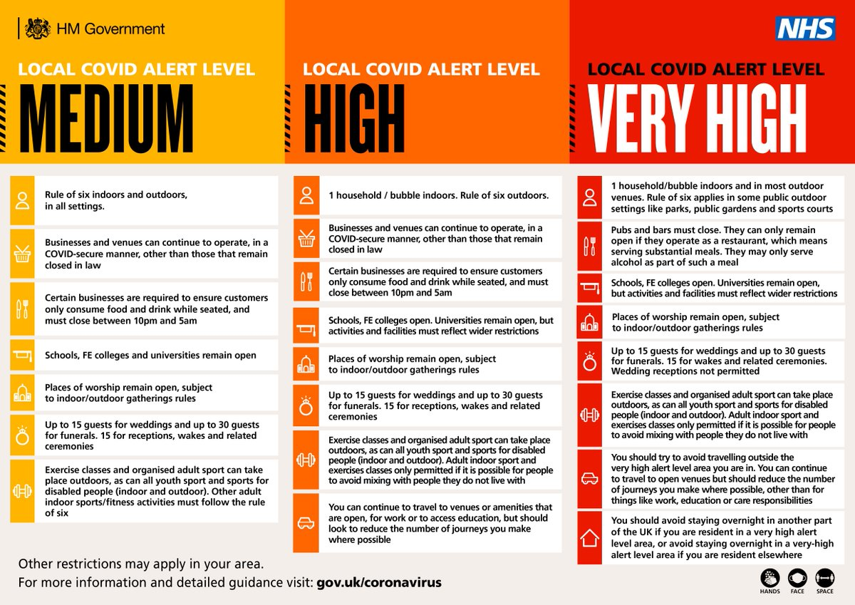
The Government has introduced a three-tiered system of local Covid-19 alert levels set at Medium, High and Very High to reduce further spread of Covid-19 and ease pressure on the NHS. Find out more here https://t.co/F2kjtERZAV https://t.co/eCEpXwg9pM
To stop the spread of #covid remember... Hands. Face. Space. Wash your hands regularly, use a face covering when social distancing is not possible and try to keep your distance from those not in your household. https://t.co/t29EtEtxyr
Self-isolation is an incredibly important and effective way of slowing the spread of a disease like #COVID19. By self-isolating, you are not only protecting your community, you are also helping to stop COVID-19 spreading to those who may become very sick if they become infected. https://t.co/LVjXZtqNDE | 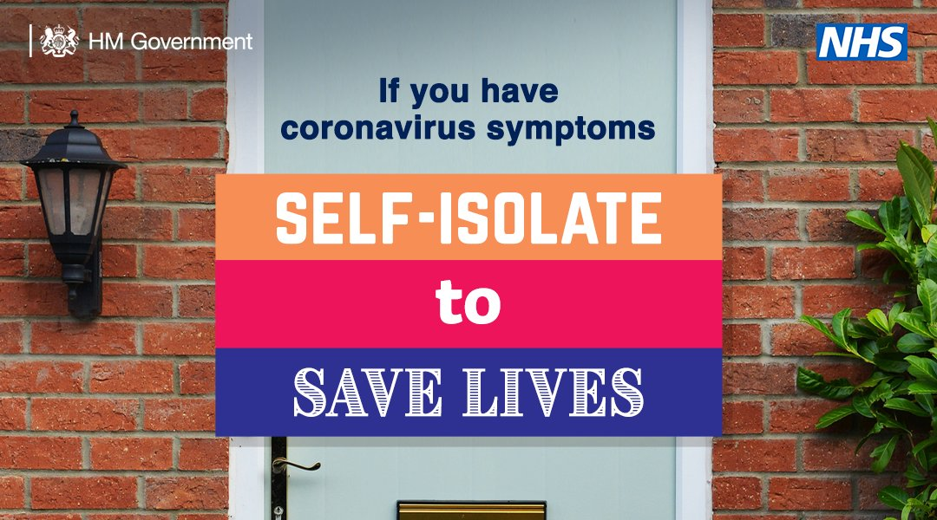
Please read this guidance about social distancing measures we should all be taking to reduce social interaction between people in order to reduce the spread of coronavirus (COVID-19). https://t.co/fkC9DfnPWJ
In this #PublicHealthMatters blog, PHE’s Head of Immunisation Dr Mary Ramsay describes how testing blood samples is helping us gather crucial data on the spread of COVID-19. https://t.co/4GrEvv8l4K
Good hand hygiene can help slow the spread of germs, including #coronavirus/#Covid-19. Wash your hands often with soap and water, especially after using public transport. For more advice, visit https://t.co/sKTt966zd3 https://t.co/IMum2zHgij | 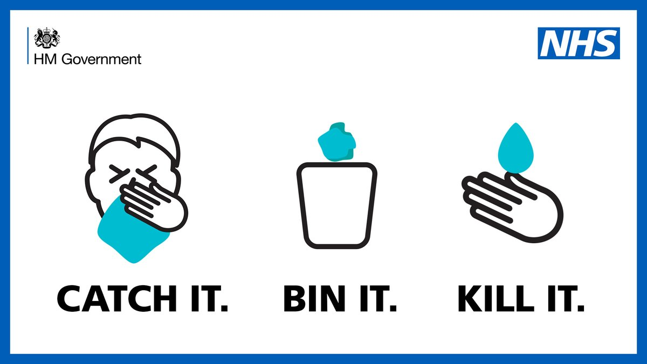
Good hand hygiene can help slow the spread of germs, including #coronavirus/#Covid-19. Wash your hands often with soap and water, especially after using public transport. For more advice, visit https://t.co/sKTt96oa4B https://t.co/wLBaKGD6vX
Good hand hygiene can help slow the spread of germs, including #coronavirus/#Covid-19. Wash your hands often with soap and water, especially after using public transport. For more advice, visit https://t.co/sKTt966zd3 https://t.co/mEiSZMBGED
In this #PublicHealthMatters blog, PHE’s Head of Immunisation Dr Mary Ramsay describes how testing blood samples is helping us gather crucial data on the spread of COVID-19. https://t.co/IQN2OrGHyp
In this #PublicHealthMatters blog, PHE’s Head of Immunisation Dr Mary Ramsay describes how testing blood samples is helping us gather crucial data on the spread of COVID-19. https://t.co/R5kTTlRC8t
In this #PublicHealthMatters blog, PHE’s Head of Immunisation Dr Mary Ramsay describes how testing blood samples is helping us gather crucial data on the spread of COVID-19. https://t.co/5RfQBmqyt3
In this #PublicHealthMatters blog, PHE’s Head of Immunisation Dr Mary Ramsay describes how testing blood samples is helping us gather crucial data on the spread of COVID-19. https://t.co/5RfQBm8X4t
Protect yourself and your loved ones by helping to reduce the spread of the virus. Download the NHS COVID-19 app today 📱 https://t.co/P81h2RRUiK | 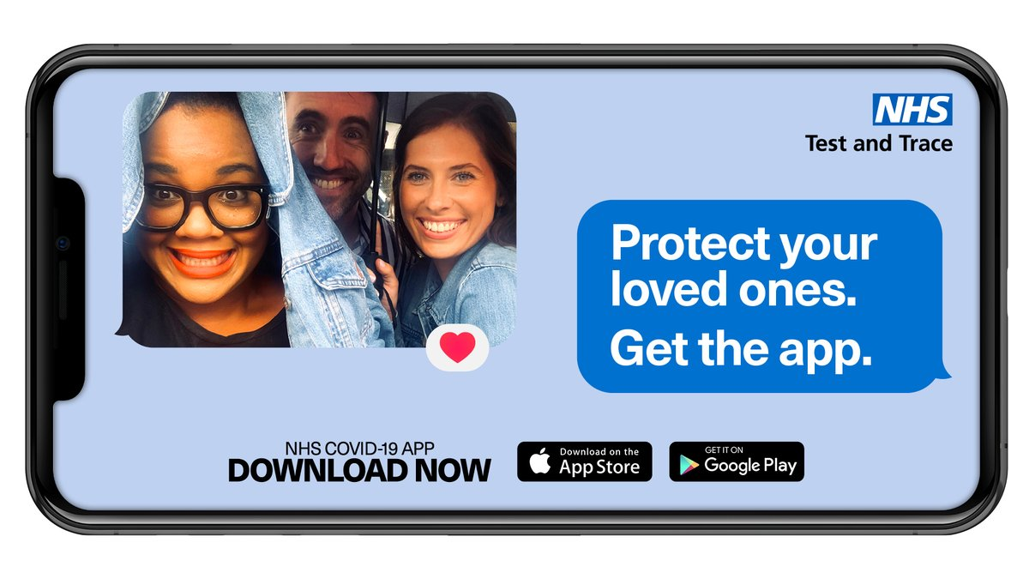
Contact tracing is a method of controlling the spread of infectious diseases. If you’ve tested positive for COVID-19 or have been identified as having close contact with someone who has, then you’ll be contacted. Find out more here: https://t.co/x4ywXbXord #KeepWalesSafe https://t.co/w8CrXXtyLv
If you’re called by one of our trained contact tracers, they will ask you to self-isolate for 14 days in order to protect the community from the spread of COVID-19 #KeepWalesSafe https://t.co/W2EN6glU2T https://t.co/uZ9FbPzh8k
If you’re called by one of our trained contact tracers, they will ask you to self-isolate for 14 days in order to protect the community from the spread of COVID-19 #KeepWalesSafe https://t.co/W2EN6glU2T https://t.co/iLziE9f6SA
If you’re called by our trained contact tracers, they will ask you to self-isolate for 14 days in order to protect the community from the spread of COVID-19. Find out more about notifying your employer, support &amp; advice: https://t.co/M0jcIHdPki Together we can #KeepWalesSafe https://t.co/mTto2DXzmu
If you’re called by one of our trained contact tracers, they will ask you to self-isolate for 14 days in order to protect the community from the spread of COVID-19 #KeepWalesSafe https://t.co/W2EN6glU2T https://t.co/oou3nOgD1O
Good hand hygiene can help slow the spread of germs, including #coronavirus/#Covid-19. Wash your hands often with soap and water, especially after using public transport. For more advice, visit https://t.co/teMUMVJ1qy https://t.co/FYsF08va5p
Learn more about the surveillance techniques we use to help understand the spread of COVID-19. We use a wide variety of local and national data to inform decisions and actions across the public health system. Read more here: https://t.co/DMxvncQ2ac https://t.co/p8HMfzL3ON | 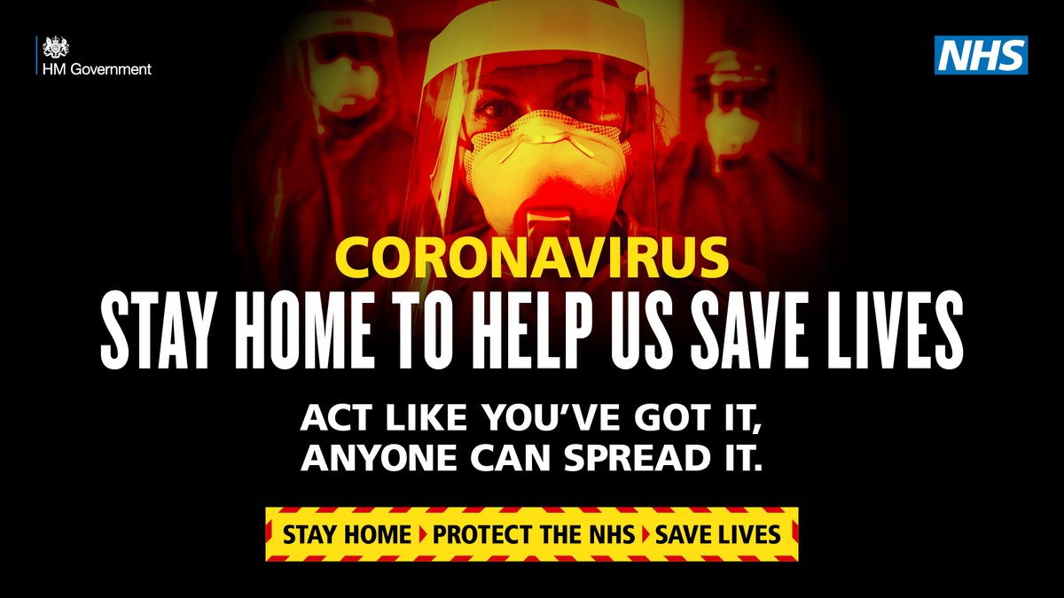
Self-isolation is an incredibly effective way of slowing the spread of a disease like #COVID19. By self-isolating, you are not only protecting your community, you are also helping to stop COVID-19 spreading to those most vulnerable in the #southwest https://t.co/ZjIK5LcAaA https://t.co/oZVN8moEyp
You can help prevent the spread of infection. The best way to protect yourself and others is: Wash your hands with soap and water, or use a sanitiser gel, regularly throughout the day. To get the facts on COVID-19 visit: https://t.co/fmM1IsdqLP https://t.co/j3VOgBlmXd | 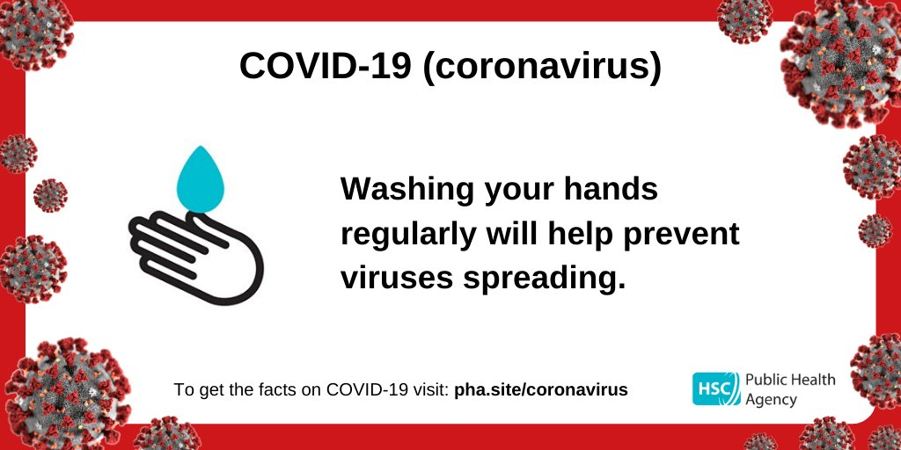
Every one of us has a role to play in the battle against coronavirus. Social distancing is an essential part of slowing the spread of COVID-19 and saving lives #coronavirus #COVID19 https://t.co/wssej3buoH | 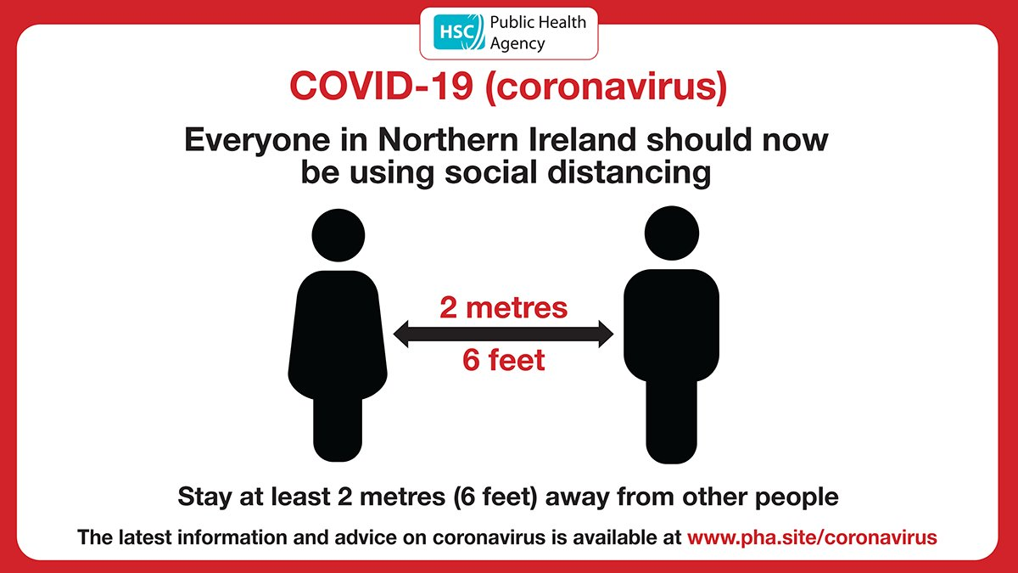
Every one of us has a role to play in the battle against coronavirus. Social distancing is an essential part of slowing the spread of COVID-19 and saving lives. Get the facts at https://t.co/lSisoYIOPP #coronavirus #COVID19 https://t.co/P4ftwoLQnP
With the government calling on people to stay at home to help stop the spread of coronavirus, we’re asking people who drink alcohol to think about their drinking habits during this period. Find out more at https://t.co/NI4FYZrdcu #coronavirus #COVIDー19 https://t.co/LkJiHXLfFG | 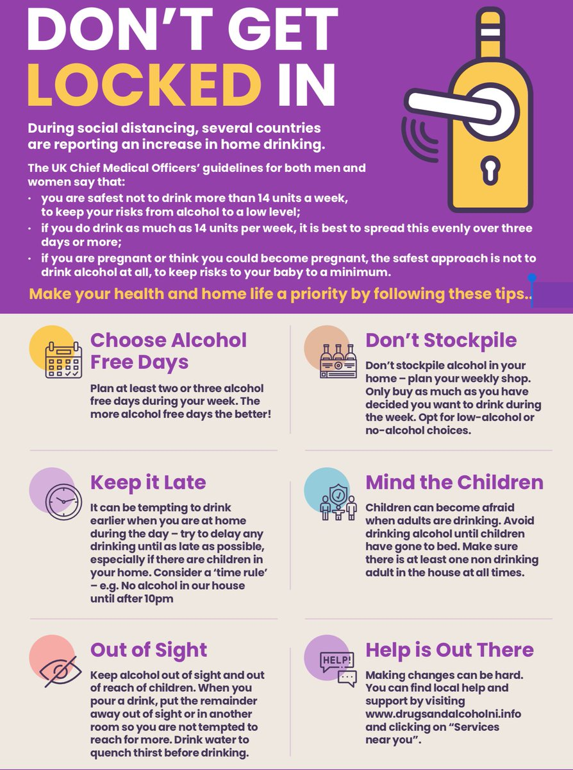
Every one of us has a role to play in the battle against coronavirus. Social distancing is an essential part of slowing the spread of COVID-19 and saving lives.. Get the facts at https://t.co/lSisoZ0qep #coronavirus #COVID19 https://t.co/NfvDWcJ3af
Every one of us has a role to play in the battle against coronavirus. Social distancing is an essential part of slowing the spread of COVID-19 and saving lives.. Get the facts at https://t.co/fmM1IsdqLP #coronavirus #COVID19 https://t.co/zMxMGvOpvf
Every one of us has a role to play in the battle against coronavirus. Social distancing is an essential part of slowing the spread of COVID-19 and saving lives❤️ Get the facts at https://t.co/fmM1IsdqLP #coronavirus #COVID19 #SocialDistancing https://t.co/SYa3LxIgw3
Every one of us has a role to play in the battle against coronavirus. Social distancing is an essential part of slowing the spread of COVID-19 and saving lives. Get the facts at https://t.co/lSisoZ0qep #coronavirus #COVID19 https://t.co/3MjnNSLvJ4
It's #HandHygieneDay With the spread of #COVIDー19, this day is even more important than ever! Handwashing is one of the most effective actions you can take to reduce and prevent the spread infections! #cleanhands🤲#savelives ❤️Get the facts @ https://t.co/fmM1IsdqLP https://t.co/J3jenCIzxW | 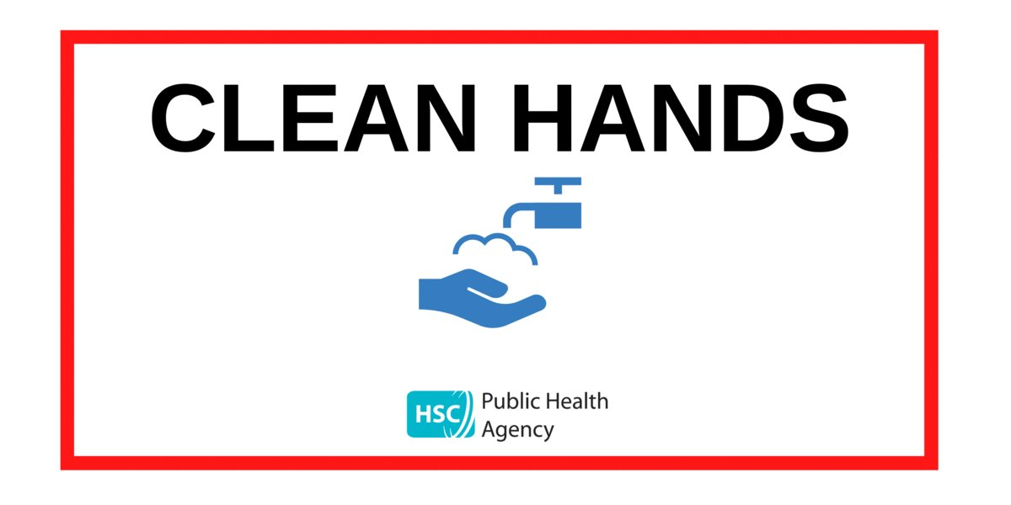
Social distancing is an essential part of slowing the spread of COVID-19 and saving lives. Get the facts at https://t.co/fmM1Isv1Dn #coronavirus #COVID19 https://t.co/ul4yq0S1kt
Social distancing is an essential part of slowing the spread of COVID-19 and saving lives ❤️. Get the facts at https://t.co/fmM1IsdqLP #coronavirus #COVID19 https://t.co/wsKKZxhlIr
Social distancing is an essential part of slowing the spread of COVID-19 and saving lives❤️ Get the facts at https://t.co/fmM1IsdqLP #coronavirus #COVID19 https://t.co/36PKrezOnY
Clean hands save lives - stop the spread of COVID-19 by washing your hands frequently and for at least 20 seconds each time. For more visit https://t.co/lSisoZ0qep #CleanHands #SaveLives #COVID19 #FightBack @healthdpt https://t.co/zrfQjv3LLv
Help prevent the spread of COVID-19 by washing your hands regularly. Good hand hygiene helps save lives. Find out more at https://t.co/lSisoYIOPP @healthdpt #covid19 #coronavirus #WashYourHands #SaveLives https://t.co/GM11u4yVQk
Social distancing is an essential part of slowing the spread of COVID-19 and saving lives ❤️ Get the facts https://t.co/zsqvlbr558 #coronavirus #COVID19 https://t.co/dxExl47AYP
COVID-19 - THE FIGHT IS NOT OVER. Social distancing is an essential part of slowing the spread of COVID-19 and saving lives. Play your part and keep your distance. Get the facts at https://t.co/lSisoYIOPP @healthdpt https://t.co/4ly9N8SkZi | 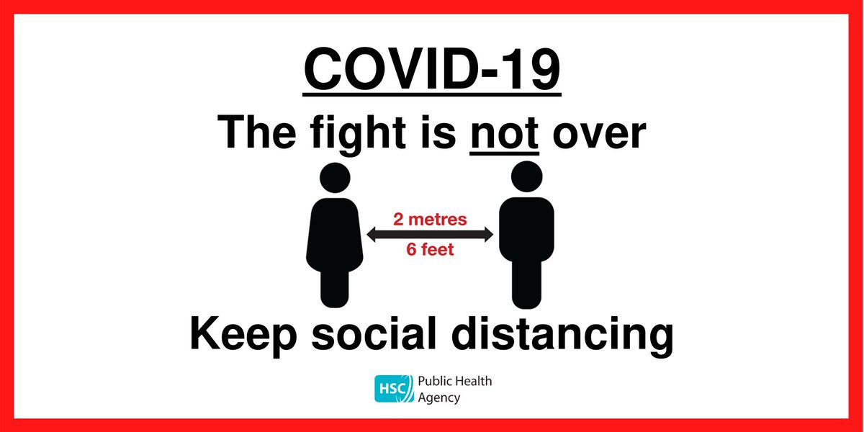
#COVID19 - The fight is not over. Social distancing is an essential part of slowing the spread of COVID-19 and saving lives. Play your part and keep your distance. Get the facts at https://t.co/lSisoZ0qep https://t.co/THD0swW7Zg
Social distancing helps to stop the spread of COVID-19 - the fight is not over. Try to keep 2 metres apart. 2 metres remains the optimum distance to maintain physical distance where possible. Find out more by visiting https://t.co/lSisoZ0qep https://t.co/xtwKZf1BTe
Washing your hands frequently is an effective way to help stop the spread of COVID-19. Don't touch your face with unwashed hands. Find out more about how you can help stop the spread of #coronavirus by visiting https://t.co/lSisoYIOPP #WashYourHands #COVID19 @healthdpt https://t.co/5mkpCEb6Ae
Washing your hands frequently is an effective way to help stop the spread of COVID-19. Don't touch your face with unwashed hands. Find out more about how you can help stop the spread of coronavirus by visiting https://t.co/lSisoYIOPP @healthdpt https://t.co/9LNjAJam7r
Washing your hands frequently is an effective way to help stop the spread of COVID-19. Don't touch your face with unwashed hands. Find out more about how you can help stop the spread of coronavirus by visiting https://t.co/lSisoYIOPP @healthdpt https://t.co/exRWvboN0t
Taking three simple steps can help save lives: 1. Wash your hands regularly. 2. Keep social distancing (2 metres where possible). 3. Wear a face covering where social distancing is difficult to maintain. Help stop the spread of COVID-19. For more visit https://t.co/lSisoZ0qep https://t.co/PCpcwYY7R7
Taking three simple steps can help save lives: 1. Wash your hands regularly. 2. Keep social distancing (2 metres where possible). 3. Wear a face covering where social distancing is difficult to maintain. Help stop the spread of COVID-19. For more visit https://t.co/fmM1IsdqLP https://t.co/GXdn7vu2Ho
Having clean hands will help slow the spread of #COVID19. Let’s all keep cleaning those hands. COVID-19 is still a problem, and we’re all the answer. Info @ https://t.co/fmM1IsdqLP https://t.co/YH5r6oQArR | 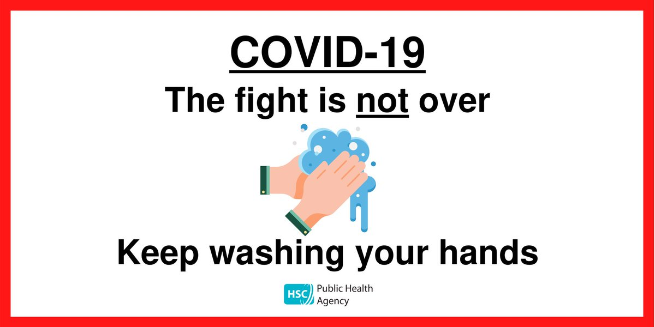
Three simple steps can help save lives: 1. Wash your hands regularly. 2. Keep social distancing (2 metres where possible). 3. Wear a face covering where social distancing is difficult to maintain. Help stop the spread of COVID-19. For more info visit https://t.co/lSisoZ0qep https://t.co/lxYxiiamWi
COVID-19 - THE FIGHT IS NOT OVER. Social distancing is an essential part of slowing the spread of COVID-19 and saving lives. Play your part and keep your distance (2 metres where possible). For more information visit https://t.co/lSisoZ0qep https://t.co/GFufCzK6Iy
Three simple steps can help save lives: 1. Wash your hands regularly. 2. Keep social distancing (2 metres where possible). 3. Wear a face covering where social distancing is difficult to maintain. Help stop the spread of COVID-19. For more info visit https://t.co/fmM1IsdqLP https://t.co/Jf1TNvKw5S
COVID-19 - THE FIGHT IS NOT OVER. Social distancing is an essential part of slowing the spread of COVID-19 and saving lives. Play your part and keep your distance (2 metres where possible). For more information visit https://t.co/fmM1IsdqLP https://t.co/6uJ7kHqezj | 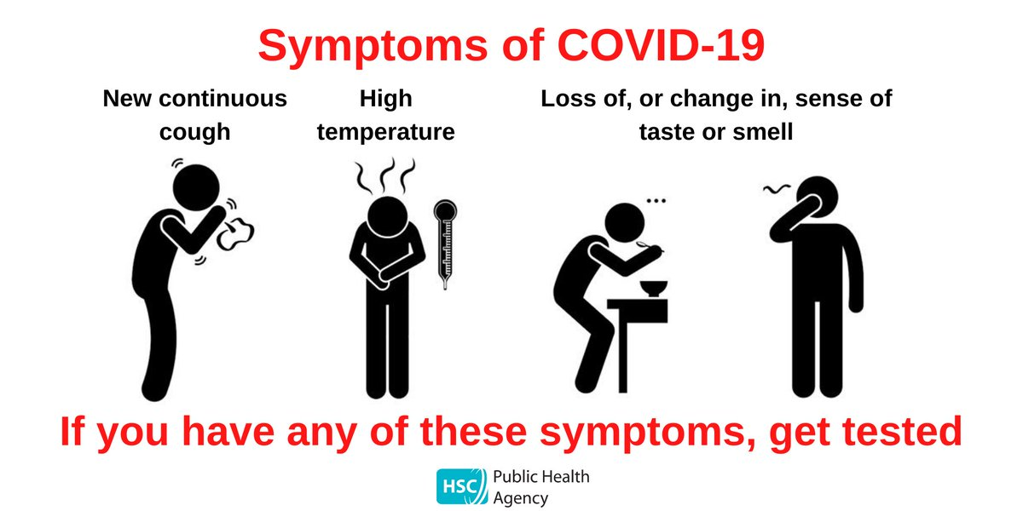
Three simple steps can help save lives: 1. Wash your hands regularly. 2. Keep social distancing (2 metres where possible). 3. Wear a face covering where social distancing is difficult to maintain. Help stop the spread of COVID-19. For more info visit https://t.co/fmM1IsdqLP https://t.co/EBCoWo0nJV
Three simple steps can help save lives: 1. Wash your hands regularly 2. Keep social distancing - 2metres where possible 3. Wear a face covering where social distancing is difficult to maintain. Help stop the spread of COVID-19. For more information visit https://t.co/lSisoYIOPP https://t.co/zeBZco608Y
Three simple steps can help save lives: 1. Wash your hands regularly. 2. Keep social distancing (2 metres where possible). 3. Wear a face covering where social distancing is difficult to maintain. Help stop the spread of COVID-19. For more info visit https://t.co/lSisoZ0qep https://t.co/btdRsDuOKi
Taking three simple steps can help save lives: 1. Wash your hands regularly. 2. Keep social distancing (2 metres where possible). 3. Wear a face covering. Help stop the spread of COVID-19. For more information visit https://t.co/lSisoZ0qep @healthdpt https://t.co/JA3apIEnzT
Washing your hands frequently is an effective way to help stop the spread of COVID-19. Don't touch your face with unwashed hands. Find out more about how you can help stop the spread of coronavirus by visiting https://t.co/lSisoZ0qep @healthdpt https://t.co/NO6iRNJ6NB
Help stop the spread of coronavirus with the StopCOVID NI #app. It won’t drain your battery or data allowance #StopCovidNI https://t.co/GiOI7lPa7Q https://t.co/mTcIudzvKp
Taking three simple steps can help save lives: 1. Wash your hands regularly. 2. Keep social distancing (2 metres where possible). 3. Wear a face covering. Help stop the spread of COVID-19. For more information visit https://t.co/lSisoZ0qep https://t.co/qm9CM99uvt
Washing your hands frequently is an effective way to help stop the spread of COVID-19. Don't touch your face with unwashed hands. Find out more about how you can help stop the spread of coronavirus by visiting https://t.co/lSisoYIOPP @healthdpt https://t.co/zGXHtdpY68
Taking three simple steps can help save lives: 1. Wash your hands regularly. 2. Keep social distancing (2 metres where possible). 3. Wear a face covering. Help stop the spread of COVID-19. For more information visit https://t.co/lSisoYIOPP @healthdpt https://t.co/GVvjG2wxRy
Washing your hands frequently is an effective way to help stop the spread of COVID-19. Don't touch your face with unwashed hands. Find out more about how you can help stop the spread of coronavirus by visiting https://t.co/lSisoYIOPP @healthdpt https://t.co/Wg9ZCc60pn
- Stop the spread of disinformation - There is no evidence to suggest that Novel Coronavirus (COVID-19) existed in the United Kingdom before the 31 January 2020. If you are showing symptoms after this date, then you need to stay at home. https://t.co/dWlZMTUtF0

