Sheet1
ori_text | twitter_image | newspaper_image
Biden to direct states to make all adults eligible for COVID vaccine by May 1 https://t.co/4owrcoYWuh
Biden will direct states to make all adults eligible for COVID-19 vaccine by May 1 https://t.co/szE6TlKUoF
Shot heard around the world... "I want to wish them [Biden Admin] Luck... a very important word" (President Trump Jan 20, 2021) BREAKING: White House says Biden to direct states to make all adults eligible for coronavirus vaccines by May 1, https://t.co/1nXK2CzTZx | 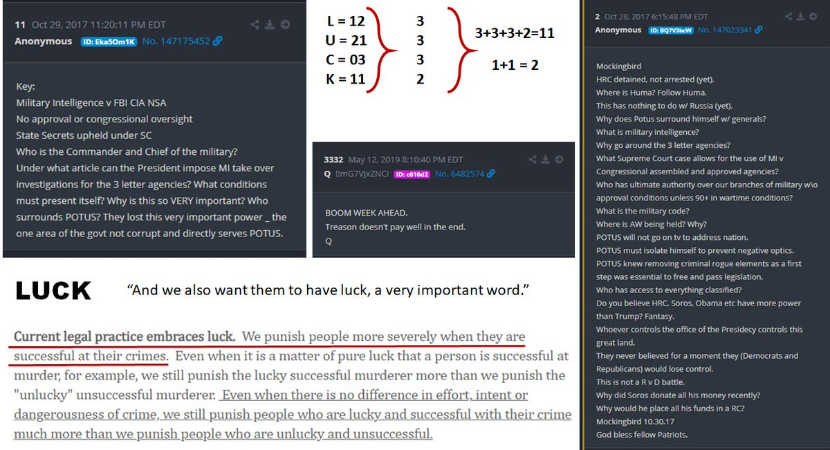
President #Biden is expected to direct states to make all adults eligible for the #coronavirus #vaccine by May 1, according to The White House. #WGN @WGNNews @NewsNationNow
Biden to direct states to make all adults eligible for COVID vaccines by May 1, official says https://t.co/AMGo3MFfoS
Biden to direct states to make all American adults eligible for COVID-19 vaccine by May 1 https://t.co/i7flXmUCR0
Biden to tell US states to make all adults eligible for Covid vaccine by May 1 https://t.co/URWieVTkrn
#BREAKING @POTUS Joe Biden to direct states to make all adults eligible for coronavirus vaccines by May 1, according to The White House.
https://t.co/FdoVs35tIf U.S. President Joe Biden will direct states to make all adults eligible for COVID-19 vaccines by May 1 and declare that Americans should expect to be able to h...
President Joe Biden will use his first prime-time address on Thursday night to announce that he is directing states to make all American adults eligible for a coronavirus vaccine no later than May 1 https://t.co/5YBcWp2RvS
46th US President Joe Biden Will Direct All US States to Make All Adults Eligible for Covid Vaccines by May 1 2021 https://t.co/GZRcQ9yZEx
Biden will direct states to make all adults eligible for vaccine by May 1 https://t.co/8uXtfPvsrs
President Biden is expected to direct states to make all adults eligible for the coronavirus vaccine by May 1, according to The White House. https://t.co/wFNy8KVN2d
Chicago Tribune MARCH 11, 2021 BREAKING NEWS White House: President Biden to direct states to make all adults eligible for coronavirus vaccines by May 1 President Joe Biden will use his first prime-time address on Thursday night to announce that he is directing states to
make all American adults eligible for a coronavirus vaccine no later than May 1, according to the White House.
Biden will direct states to make all adults eligible for COVID-19 vaccine by May 1 https://t.co/RjkI1VWCTF
Biden will direct states to make all adults eligible for COVID-19 vaccine by May 1 https://t.co/5DCItBK91x
Biden will direct states to make all adults eligible for vaccine by May 1 https://t.co/gtfIv0arqN https://t.co/uXdph3F2Em
Biden wants states to make all adults eligible for COVID-19 vaccines by May 1 https://t.co/oMFD31Dcir
OK, but how is he defining "adult:" - White House: President Biden to direct states to make all adults eligible for coronavirus vaccines by May 1 https://t.co/wIiOmdw78Z
Biden will direct states to make all adults eligible for vaccine by May 1 https://t.co/eNe8HDz0g6
👁👁 Biden wants states to make all adults eligible for COVID-19 vaccines by May 1 https://t.co/ULj9dPsqt7
#BREAKING: White House says @POTUS to direct states to make all adults eligible for coronavirus vaccines by May 1. (via @AP)
Biden will direct states to make all adults eligible for Covid vaccine by May 1 #breakingnews #news #china #trump #biden #photo #adults #biden #breakingnewspolitics #breakingnewsglobal #businessnews #cnbcbusiness #coronavirus #covid #covid-19 #dire... https://t.co/HSUEhIMmtP
Biden signs $1.9 trillion COVID-19 pandemic relief bill, will direct states to make all US adults eligible for vaccine by May 1 https://t.co/p3RIKRA2kg via @AJEnglish
US President Biden to make all adults eligible for vaccines no later than May 1 https://t.co/a8VXv57f0O
President Biden will announce that he's directing all U.S. states, territories and tribes to make all adults eligible for the vaccine by May 1. https://t.co/t0MWMVLkUI
We are all anxious and worried. Bravo to Joe for getting enough vaccine to make all adults eligible by May 1st. Because of Trump's ridiculously botched early rollout, it's become unfair at this point. Thank you for making it right and fair.
Live Updates: Biden to direct all states to make all adults eligible for vaccine by May 1 https://t.co/Vm318wVntH via @CBSPolitics
President Joe Biden will use his first prime-time address on Thursday night to announce that he is directing states to make all American adults eligible for a coronavirus vaccine no later than May 1. https://t.co/vWejqy9Oa7
BREAKING: @POTUS to direct states to make all adults eligible for coronavirus vaccines by May 1. DETAILS: https://t.co/gUkqGBLYnw
Biden to direct states to make all adults eligible for COVID-19 vaccine by May 1 https://t.co/PSB7K4KXrO
Big news: One year after the nation was brought to a near-standstill by the coronavirus, President Joe Biden is outlining his plan Thursday evening to make all adults vaccine-eligible by May 1 and get the country “closer to normal” by the Fourth of July. https://t.co/hlv0QaBJpm
RT @NewsHour NEW: President Biden will direct states and territories to make all U.S. adults eligible for a COVID-19 vaccine by May 1. @Yamiche has more about what the president will say during his primetime address to the nation. https://t.co/wPrHgFe0Om https://t.co/Oru8rBvxgq
RT @NewsHour NEW: President Biden will direct states and territories to make all U.S. adults eligible for a COVID-19 vaccine by May 1. @Yamiche has more about what the president will say during his primetime address to the nation. https://t.co/ErNm96rn9o https://t.co/F1JWglUahn
Mr. President Biden is not playing NO_ GAMES!! Open SmartNews and read Biden to direct states to make all adults eligible for COVID vaccines by May 1, official says here: https://t.co/XzAGdWAc9W To read it on the web, tap here: https://t.co/LWQoNdDKv8
.@JoeBiden will use prime-time address to direct states to make all adults vaccine-eligible by May 1. https://t.co/f1tZckHVDg
Biden to direct states to make all adults eligible for COVID-19 vaccine by May 1 https://t.co/4vtD7Man7o
Biden to tell US states to make all adults eligible for Covid vaccine by May 1 https://t.co/xCrWdyF4zQ
Open SmartNews and read "Biden to direct states to make all adults eligible for COVID vaccines by May 1, official says" here: https://t.co/JANUgV1w9a To read it on the web, tap here: https://t.co/v8my1A3FYO
Suddenly states have to follow the President’s orders? Biden will direct states to make all adults eligible for vaccine by May 1 @CNBC https://t.co/H7ML07uCaN
President Joe Biden is outlining his plan Thursday evening to make all adults vaccine-eligible by May 1 and get the country “closer to normal” by the Fourth of July. https://t.co/YzON8KPXHp
Biden to direct states to make all adults eligible for Covid vaccines by May 1 https://t.co/rO9Xu0fO81
President Joe Biden will use his first prime-time address on Thursday night to announce that he is directing states to make all American adults eligible for a coronavirus vaccine no later than May 1 https://t.co/bokaQypswg
President Joe Biden will use his first prime-time address tonight to announce that he is directing states to make all American adults eligible for a coronavirus vaccine no later than May 1. https://t.co/76zXuXYLgN
Biden to direct states to make all adults eligible for COVID vaccines by May 1, official says https://t.co/nnAwptmENw
BREAKING: It’s the question millions have been asking — “When will it be my turn?” President Biden said tonight he wants all states to make every adult eligible for the #COVID19 vaccine by May 1st. #FOX35 @fox35orlando https://t.co/L4IhT0ii1z
Biden will direct states to make all adults eligible for Covid vaccine by May 1 https://t.co/mi7T3L5gsP
#BREAKING: @POTUS @JoeBiden is expected to use his first prime-time address tonight to announce that he is directing states to make all American adults eligible for a #coronavirus #vaccine no later than May 1. https://t.co/XaYFnHOaXJ
Wowza! 🎉 Biden will announce "tonight" that he is directing states to make "every" adult American eligible for the COVID vaccine no later than May 1st!
President Biden to direct states to make all adults eligible for vaccines by May https://t.co/HTtLutqGvc
Biden will direct states to make all adults eligible for Covid vaccine by May 1 ⁦@CNBC⁩ https://t.co/FPJ2lRasTR
President Biden to direct states to make all adults eligible for vaccines by May https://t.co/5YlpDIp4Zj
President Joe Biden will use his first prime-time address tonight to announce that he is directing states to make all American adults eligible for a coronavirus vaccine no later than May 1. https://t.co/vzVTqEnwi8
#BREAKING: President Biden to direct states to make all adults eligible for COVID-19 vaccines by May https://t.co/wwKatal9SE
Are you listening to your people other than the 1% ⁦@RonDeSantisFL⁩. Our President is. When are you? Biden to direct states to make all adults eligible for COVID vaccines by May 1, official says https://t.co/ffgS57BO1h via @tdonline
Biden wants states to make all adults eligible for coronavirus vaccine by May 1 https://t.co/jhEsyqxV1R
President Biden will direct states, tribes and territories to make all American adults eligible for a coronavirus vaccine by May 1. Biden will announce the plan during tonight's national address marking the one-year anniversary of the pandemic: https://t.co/D24HXMzkUp
#BREAKING: Biden to direct states to make all adults eligible for coronavirus vaccines by May 1 https://t.co/9xxuNE54RH
Biden will direct states to make all adults eligible for Covid vaccine by May 1 https://t.co/JQHUtNFSTv
BREAKING: President Joe Biden will announce Thursday night that he is directing states to make all American adults eligible for a coronavirus vaccine no later than May 1. https://t.co/FelzQ2VD6v
Biden will direct states to make all adults eligible for vaccine by May 1 https://t.co/tdgAPPuX3L
White House: Little Joe to direct states to make all adults eligible for coronavirus vaccines by May 1 https://t.co/DEhG1RYG6S
USA TODAY: Biden to direct states to make all adults eligible for vaccines by May 1 https://t.co/XlFZUI6OEz
Biden will direct states to make all adults eligible for Covid vaccine by May 1 https://t.co/AfyNAHZz0a
Biden to tell states to make all adults eligible for COVID-19 vaccine by May 1 - The Wall Street Journal https://t.co/ANd1MVC1Zz
Earlier today the @DHSWI said #vaccine eligibility should open up to everyone in the next 2 months. Tonight, President Biden is announcing his own timeline -- he'll direct all states to make all adults eligible by the start of May.
President Biden to direct states to make all adults eligible for vaccines by May https://t.co/OzwwsYgINt
Biden will direct states to make all adults eligible for Covid vaccine by May 1. Go Papa Joe! https://t.co/R77rCHyVms
President Biden to direct states to make all adults eligible for vaccines by May https://t.co/AzZeqvCWvN
Chicago Tribune MARCH 11, 2021 BREAKING NEWS White House: President Biden to direct states to make all adults eligible for coronavirus vaccines by May 1 President Joe Biden will use his first prime-time address on
Thursday night to announce that he is directing states to make all American adults eligible for a coronavirus vaccine no later than May 1, according to the White House. Read More
More from WH official: The president will say he wants states to make all adults eligible for vaccines by May 1.
President Joe Biden will use his first prime-time address on Thursday night to announce that he is directing states to make all American adults eligible for a coronavirus vaccine no later than May 1. https://t.co/ZwtpPYYOmC
BREAKING: President Joe Biden will announce Thursday that he's directing all U.S. states, territories and tribes to make all adults eligible for the vaccine by May 1. | https://t.co/o2CN0edGNU https://t.co/uWipBK9Qvn

