Sheet1
ori_text | twitter_image | newspaper_image
Help protect yourself and others by washing your hands more often for 20 seconds. Use soap and water or a hand sanitiser when you: ▶️Get home or into work ▶️Blow your nose, sneeze or cough ▶️Eat or handle food https://t.co/O5oPwKJslD
Washing your hands more often remains vitally important to prevent the spread of #COVID19. If you have been outside, wash your hands with soap and water for 20 seconds or use hand sanitiser before touching your face or any surfaces. #StayAlertSaveLives https://t.co/fBy8ME5peM | 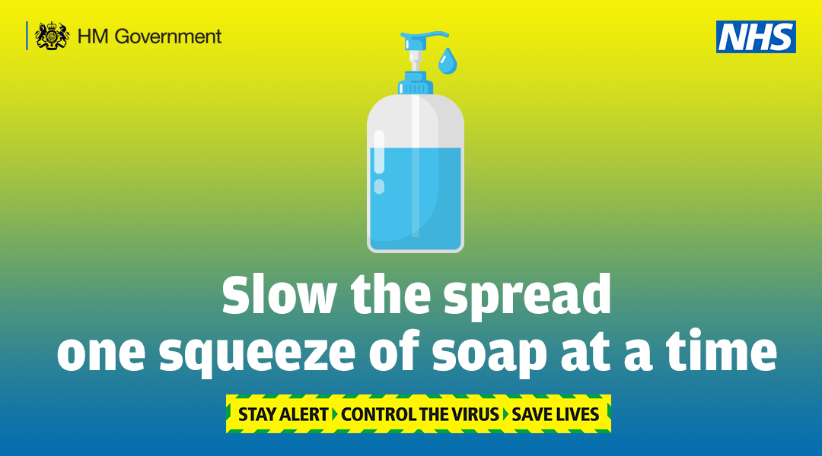
Hand washing still plays a key role in protecting yourself and others from #coronavirus. ✔ Wash your hands regularly ✔ Use soap and water for 20 seconds ✔ Or use hand sanitiser Make sure you store hand sanitiser safely out of reach of children. https://t.co/vKe2JZxiaX | 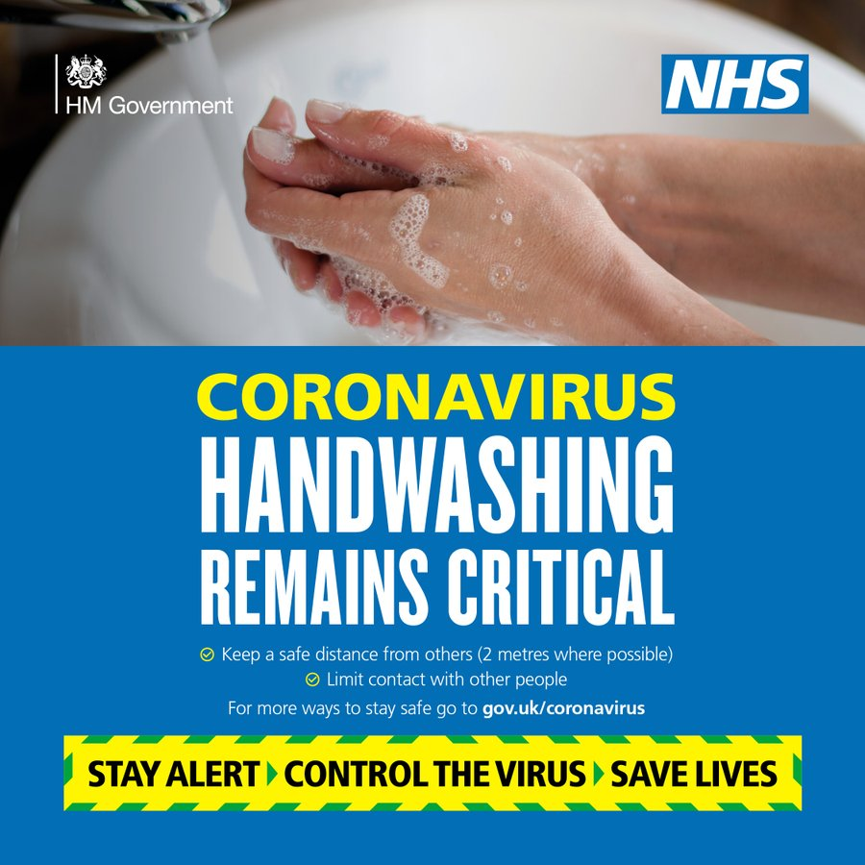
Wearing face coverings in enclosed spaces such as shops can help stop the spread of coronavirus. Wash your hands or use hand sanitiser before putting on your face covering and after taking it off. Find out how to make a face covering at home: https://t.co/Fq8DKgBvq0 https://t.co/0p9cmi4e65 | 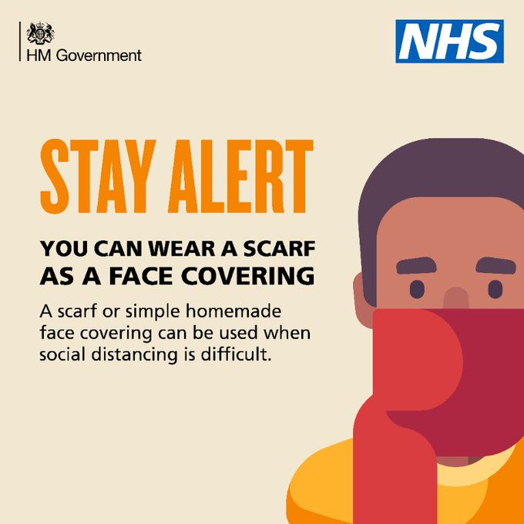
#HandWashing is still really important to help protect yourself and others from #COVID19 • #WashYourHands regularly for at least 20 seconds with soap &amp; water • especially after using a tissue or going outside • otherwise use hand sanitiser with 75% alcohol https://t.co/Vy8UXbKdcB
Hand washing is still really important to help protect yourself and others from #coronavirus ✔ Wash your hands regularly ✔ Use soap and water for 20 seconds ✔ Or use hand sanitiser - make sure you store it safely out of reach of children. https://t.co/JanSTlNYpW

