Sheet1
ori_text | twitter_image | newspaper_image
You get a vaccine and you get a vaccine!! Everyone gets a vaccine!!!! https://t.co/sYgH2POCSS | 
Everyone getting the vaccine and I have FOMO! I want it NOW!
@brennanlove People who have suffered blood clots after getting the vaccine have suffered them at no higher a rate than people who haven't gotten the vaccine.
Does it seem like everyone is getting the #vaccine but you? Like all your family and friends who are Trumpsters and thought this was all a hoax or overblown? No? Just me? Cool cool. 🙄
Imagine by going to the vet to get YOUR covid vaccine
Being an "essential worker" only to be told to get in the back of the line for the vaccine kinda sucks but at least there is a line. No fucking way would I wait in a 20 minute line for holy donut but I'll wait in line for this. Lights(even faint)at the end of the tunnel kick ass.
Maybe listen to this before deciding to get an experimental treatment where the vaccine is for emergency use and the manufacturers have no liability should you have an adverse reaction or even die, which is already happening👇🏻 Or read the WARNING https://t.co/An9OEuDPvd https://t.co/1QHMFtsUEM
Maybe listen to this before deciding to get an experimental treatment where the vaccine is for emergency use and the manufacturers have no liability should you have an adverse reaction or even die, which is already happening👇🏻 Or read the WARNING https://t.co/An9OEuDPvd https://t.co/1QHMFtsUEM | 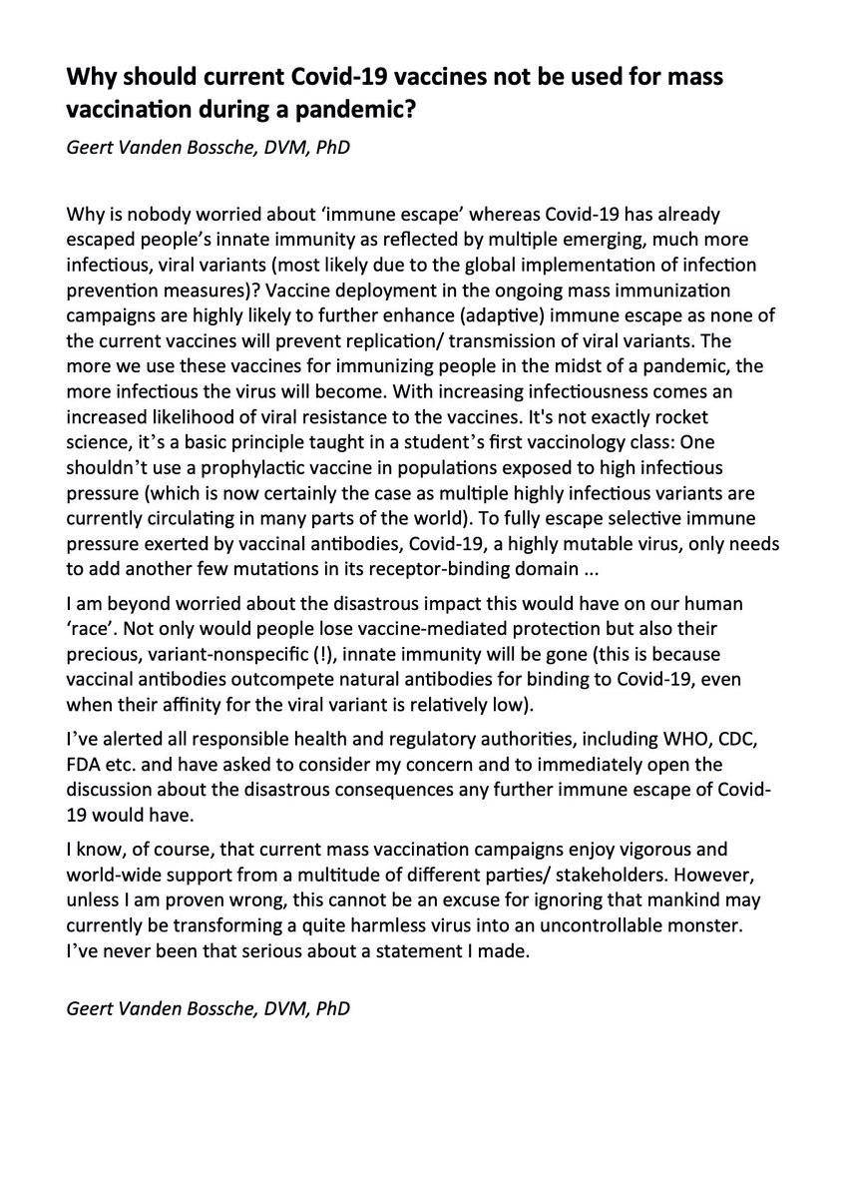
@Wilnerness Ok you do that, I’ll worry about serious medical investigations, with actual life-threatening consequences. Oh and I’m not an anti-vaxxer - I’m getting my 2nd dose on Monday. I just would rather any potential lethal side effect from a vaccine my parents take be ironed out.
I’ve had an extremely bad reaction to Pfizer. Borderline anaphylaxis and everything. I’ve kept quiet about it IRL because I don’t want to frighten anyone away from getting the vaccine
I’m not eligible for a second dose. Which also sucks I’ve also been in a mask for 18 months and been avoiding crowds for decades. Getting the vaccine wasn’t going to change a lot for me and I’m fine with that
Super impressed with the drive-through vaccinations at the Maverick Center. I didn't have to exit my car or anything to get my Dolly Parton vaccine. Very quick, easy, and painless. #Moderna #vaccinated https://t.co/9VhcbcZdqq
So Biden wants states to open the vaccine to everyone come May. That’s like 45 days. Damn state of Alabama can’t get vaccine for the 65+. Our hospital has a wait list 30,000 deep for that age group. All CVS locations are fully booked for J&amp;J shot Please explain this
OMG, I just got a appt to get vaccine tomorrow. I have a hour drive but who cares. The last few days have been great.
@DaOGTriple @cvpayne The fact you cannot recognize getting a vaccine in record time to save lives isn’t a great achievement proves my point Champ. Everyone keeps referring to their feelings on Trump. It’s hilarious!! Lol. Keep living in your bubble. #champ #usa
I’m pipelining folks to get the vaccine lol.
as someone who had cancer, im gonna celebrate getting the vaccine however the fuck I want, ty very much
@statistchick @AP Other major countries are already getting the Pfizer and Moderna vaccines we paid for. So that reduction in your chances of getting severe corona is based on a corrupt for profit pharma system where we pay to develop a vaccine, and they sell it to the highest bidder world wide.
this and also people who are shaming others for getting the vaccine even tho it’s ‘not their turn’ literally ????? you do know there are thousands of vaccines expiring and going to waste right
@108_asanga @Fifi_Borgia 😃 me in Mad Country c my Lil devils roam freely!😈👇 Next week My Mother Who is 82+ will get Vaccine 😃 https://t.co/jeIH02BH0W | 
I can’t wait to get the vaccine
@QueenHollyFay20 I would get the vaccine but I'm just too old.
GET THE POINT?: In his speech tonight, Pres. Biden will direct states to remove all restrictions by May 1 so every adult can receive a COVID-19 vaccine. https://t.co/BUO8To6FvA | 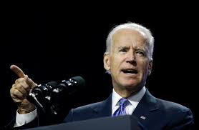
I'm in line about to get my vaccine 😁👍
This is Sol Mamakwa. He’s the MPP that Ford accused of line-jumping today. He’s a young man. He’s also an Indigenous priority candidate who was invited to get his vaccine to promote the rollout. Both of which Ford should have known, but neither of which are obvious at a glance.
@semperdiced @davenewworld_2 Just stellar news on this day. I can’t wait to get the vaccine.
Is it too late for me to sign up and get the vaccine?
@Bob2A1959NYC The states are getting the vaccine from the federal government.
@Melissa4Durack 99% of people will never get covid &amp; 99% of people that do get it, will recover. Also getting the vaccine, will not stop you from getting the virus or giving it to someone else. Some worrying covid vaccine information https://t.co/sPbRgngQNm
do not care how many men i have to smile at or laugh at their jokes i WILL be getting that vaccine!!!!!!
Did you get your Mom a vaccine appointment? @ucantstop_me URGENT!!!
Seen a few people do this so thought I'd get on board in case it helps people in anyway. Had my first Covid-19 AstraZeneca vaccine today so going to report any side effects / what I've done to try and avoid them.
Being able to get your vaccine is a privilege. Get vaccinated. 💃🏾
I’m confident that in the next 7 weeks Massachusetts will attempt (at minimum) nine new, different ways for us to sign up to get the vaccine.
this week was the anniversary of a lot of lasts: the last time i was in philly, the last time i wrote in a coffeeshop, or sat around a friend's dinner table. to get the email to schedule my vaccine this week, &amp; receive my first does on the anniversary of going into lockdown—
Next Wednesday I get my 2nd vaccine shot. I can't wait to wrap this mess up by 3/31/21 with obvious continued precautions. But it will be nice not to have to worry constantly about getting super sick from COVID.
@michaelbd Because you don't know their circumstances. Many under 40 have asthma, diabetes, are cancer survivors or have other underlying conditions or they are medical workers, first responders, teachers, etc. Most healthy under 40's are more than willing to blow off getting the vaccine
When I get my final dose of moderna or pfizer vaccine and Our freedom date in July hits https://t.co/BOfVmHeepN | 
The campaign for vaccine skeptics is noble, but how about a campaign for making an appointment to get a vaccine easier?
@PnPCBC @PattyHajdu 3rd wave is on the way. It is going to get worse before it gets better. The failed vaccine plan by the Federal Government is the reason. They have Failed Canadians with their incompetence. The rest for the world is opening and we are still locked away. Shame. #TrudeauVaccineFail
@2Evan2Furious I just got the call to come in and get my second vaccine as I read this tweet!
@IoneFos44501688 @GovRonDeSantis He must have heard the news that Biden will make sure that all adults can get the vaccine by the. #DeathSantis can FO!
@garrettkinsleyx 👍👍 Not to be political but I just don’t trust the government/CDC Once you get my age and you’ve been around in politics, trust me, you wouldn’t have gotten the vaccine. But good luck to you! #DCDaddy still to spoil, vaccinated or not.
@bucknuggets @brooketorious A BMI of 25 is NOT dangerous. It isn’t the least bit dangerous. And THAT is the point of my tweet. Someone may have a BMI of 25 and not even realize it. They need to be aware that BECAUSE they’re a 25, they can get this life-saving vaccine. You will never convince me 25 is high.
@Yamiche I got a text out of the blue this morning from the VA asking if I'd like an appt to get the COVID-19 vaccine sometime between today and Apr 30th. I was shocked! I responded &amp; they set me up to get the vaccine this Monday. 😊
Got my 1st shot!! Let’s all do our part and get the vaccine!! I don’t want to wear a mask all day at school anymore. #CovidVaccine #IWantToTravel #DoItForEachOther #BeHealthyAgain #VaccinesWork #Science #DoingMyPart https://t.co/8PcRcKxN8t
Getting the Covid vaccine doesn’t mean you stop taking all the precautions 🤦🏼‍♀️
I continue to encourage everyone to go out and get their Covid-19 vaccine and applaud everyone who is contributing to help get vaccines in arms!
@atrupar Now, can we set up a COVID colony on some miserable, godforsaken island for anyone who refuses to get the vaccine?
Won’t be getting the vaccine
@KyWoofy @OHdeptofhealth You do know that getting the vaccine doesn’t prevent one from spreading it right?
I was pose to get my first vaccine shot today but I got scared and didn’t go 🤦🏽‍♂️🥴
@kylegriffin1 Joy! I’ve been “Pfizered” twice and this delivery &amp; date of May 1 adds to my sense of calm. I’ll still wear my mask until the rest of you catch up! Be good to each other; get the vaccine as soon as you can. I drove 240 miles total to get mine. I’m waiting for you. Feel the hope!
And you get a vaccine
@GovStitt why do you want us dead so badly? Most of the general public is just now getting their first doses of the vaccine. Are you trying for a 4th peak?
One of the things I'm looking forward to when I get the vaccine is finding a cinema; probably the IFI; showing David Byrne's American Utopia. In the meantime, I ordered the blu-ray and will give it another watch when it arrives (already seen it via stream) https://t.co/3nyn3O65ds
Getting my vaccine from the vet because I'm a beast &gt;&gt;&gt;&gt;&gt;
What is the point of taking a Covid Vaccine that is Experimental Emergency Use Permit and Not FDA Approved if still can't go out cause still might get Covid or spread Covid to others? Safe? Long Term Effect? Does the Vaccine even work?
@PetiteNicoco @LadyJessMacBeth Really getting tired of politicians expecting a pat on the back for doing their jobs. First thing this morning I saw a headline announcing that the Biden administration is buying 100 million doses of vaccine. The taxpayers are buying the vaccines.
@CNBC @AlbertBourla Great news...get the vaccine out and let Civilization Resume!
We are all anxious and worried. Bravo to Joe for getting enough vaccine to make all adults eligible by May 1st. Because of Trump's ridiculously botched early rollout, it's become unfair at this point. Thank you for making it right and fair.
@Brad_DeMaio I like this plan. He's at Wilkes, and you know my track record of heckling people while in Wilkes-Barre. Until I can get a vaccine and fly back safely, do you mind attending at least a handful of games and giving him the business?
@ResistanceRages @MollyJongFast Us too. Even after the hubby and I receive the vaccine. We have a 2 yr old, and there is no timeline for him getting a vaccine. The B117 variant is more prevalent in children. It would suck to get back to normal, and then my child gets sick.
i was finally able to get an appointment for the vaccine for my grandma and honestly between the site crashing and the queue it felt like trying to buy a concert ticket
Senator: Independent pharmacies should have a shot at getting the COVID-19 vaccine | Opinion https://t.co/6Zmxp5IoOA https://t.co/a25uKJhuaD | 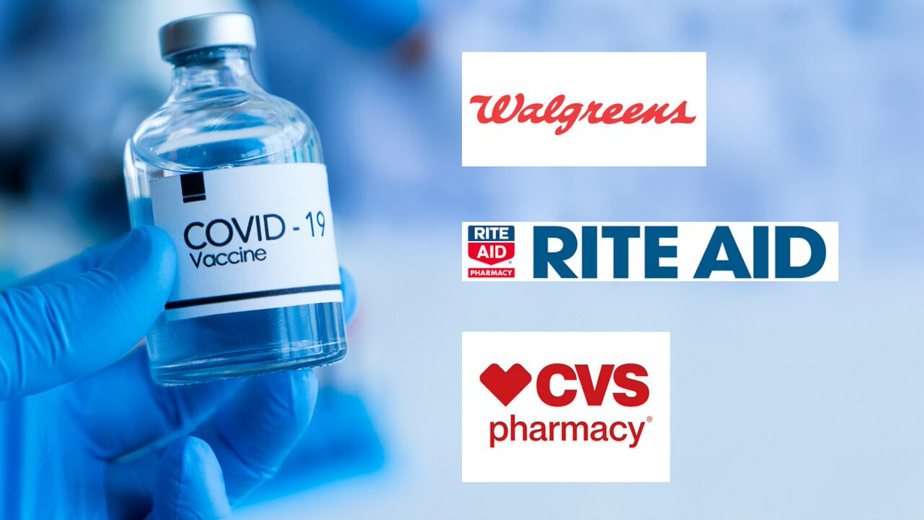
@brugalboyo True two months ago, I think getting shots in arms right now though is a bigger priority. If you can start getting the vaccine normalized the sonner the better.
@FOX13News Thank you president Trump for getting the vaccine. We Republicans will always thank you. The Democrats we will not thank you
@themakeda Depends on if i get a vaccine or not
Every single person I know who’s my age in another state has been vaccinated. Why is it possible that Florida, California and NY can do it, but I might get my vaccine by the time the 2028 Latvia olympics happen? Why is it so impossible for Georgia to do this?
One year ago everything began closing, stopped seeing grandparents, started distancing and was furiously looking for places to buy masks from. Today my Dad texted the family group chat that he gets a vaccine in two weeks. I happy danced like Elaine ☺️ https://t.co/JHlGY3WeG5 | 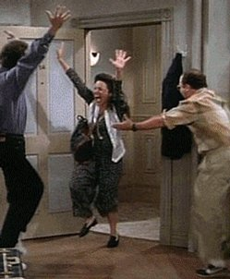
@notixx how !? US rollout seems 1000x faster than ours down here i don’t think i get a vaccine for monthsss
im gonna have to get the vaccine on my left arm 😐
@combienDUtemps @jeneps @WHCOS "Eligible" for the vaccine does not mean you can get a shot. "Open season" means all can register for the vaccine, even if they're not in the priority groups. It does not mean there is enough vaccine for all yet. Right now, they still haven't vaccinated all in priority groups.
Get the first vaccine you can 💉
Biden promised $2000 and gave $1400. Now he says everyone will get vaccine by May 1. Maybe 70 percent will get it https://t.co/EaYUHwNWj4
@nspin56 @SeeSkott @ATLUTD Just need to get me some of that sweet, sweet vaccine first
@globalnews Gotta get those vaccine numbers up so Trudeau looks good, regardless if it's putting people at risk
@TheRealCyber5 I only know of some because of those "hey look how cool I am getting the vaccine" pictures everyone keeps taking.
Just found out that my dad has an appt to get his first dose of the COVID vaccine tomorrow! 👏🏼👏🏼👏🏼👏🏼❤️ feeling so relieved
@ProfCedar Carl Weathers explaining that getting the vaccine will actually save you money, in the long-run
People will wait inline to get the vaccine just to get back outside but won’t wear condoms or get tested for STDs.....
More like WHY tf. Lol young females who plan on having babies i reallllllly hope y’all really think about getting that vaccine..
You get a vaccine! And you get a vaccine! And you get a vaccine! https://t.co/0FQHXSAD6A
BULLSHIT. Why are we opening before even medically compromised are getting vaccine? MONEY MONEY MONEY MONEY. Blangiardi Adjusts Tier Structure To OK Bars, Large Funerals, Conventions And Sports @GovHawaii is an idiot for allowing this. WHERE IS MY VACCINE? https://t.co/6Izvaks2Lp
@TPL723 @GovStitt I get my 2nd vaccine Monday, but I will continue to mask and social distance in public until the risk of community spread is comparable to the seasonal flu. If we don't take the right steps Covid will never go away.
@RepToddStephens Kudos to Rep Todd Stephens for helping seniors in his district to get the vaccine. Staffer called my neighbor back in 30 mins(max) after leaving message about process.Exactly what a legislator should do. Many thanks!
@peacelilly44 @Tickittybooboo @linda__lou that's great Christie your hubby getting booked in for his second vaccine on Saturday they're really getting through it working at weekends too we were told it would probably be early May for our second jabs but it might be earlier at this rate 😉💉👍👏💙x
my sister winning a lottery that allowed her to get the vaccine literally feels like a plot thread out of dystopian novel lmfao
Because we keep getting told that there isn’t any spare vaccine... #talktojoe
@worried_just @RighteousBabe4 @GovRonDeSantis That sucks!! I am sorry! Hoping you get your vaccine sooner than later!💙
@drjohnm IF ALL would get vaccinated! In South central Ky, still seeing significant vaccine hesitancy. #Covid is still &amp; always has been a hoax to many. It’s why our sparsely populated county lost 70 individuals needlessly, (a 50 yo neighbor among them). We will lose more 😞
@TGreenDenver Lucky you Tom. I don't begrudge *anyone* getting the vaccine. But I'm 78 and am tired of hearing just about everyone over 70 has been vaccinated. Nope. Deborah should be ahead of me though. #WaitingInHighlandsRanch
So happy im getting my 1st vaccine dose tomorrow since the idiot Governor just removed all Covid restrictions and mask mandates smh
@KySportsRadio I didn't vote for him but he's doing exactly what he should be doing. Getting the vaccine out to all citizens by May 1st is awesome.
Ooh I can get the vaccine now! Apparently I'm classified as an Essential Critical Infrastructure Worker, which sounds pretty badass ngl.
And you get a vaccine! And you get a vaccine! And you get a vaccine! And you get a vaccine! https://t.co/dFB033T5qs | 
I’m getting my vaccine tomorrow!!!
Yeah 93% ain't nothing but that's still a not insignificant group of people still getting infected despite having the vaccines, plus the bad rollout of the vaccine.
@brooketorious @krittabug The idea that the tweet was pushing is "BMI is totally arbitrary and has no meaning, but if yours 25+ you can get a vaccine!", when in reality vaccines are essentially liquid gold and aren't given out arbitrarily, and that a high BMI has very real consequences, some of which
When you go to get your COVID vaccine the veterinarian is gonna be like "okay, get in." https://t.co/xGVsNSAlY5 | 
@matthewamiller Yes!!! We’ve been patiently waiting for our turn to get the vaccine 🙌🏽
Do they give money every time you post if you get the vaccine??
nothing is worse than when your antis, who have never worn a mask/refuse to social distance, go and get the vaccine and talk about it amongst themselves while harassing patients. Y’ALL HAVE NEVER WORN A MASK Y’ALL HAVE NEVER EVER TAKEN THIS SHIT SERIOUSLY EVER it’s not fair.
@juhlissuhh Me if I get the vaccine in time for the summer https://t.co/DpxDveJ0LK
I will not suffer the indignity of being told I need to floss more when I get my vaccine.
@davidmweissman @mama_c2 @POTUS @JoeBiden His laser focus on getting the vaccine production and distribution way up, and delivering relief to people who have been hurting economically has been a godsend to all Americans. Thank you Joe Biden!
@semperdiced Alaska is ahead in something for once, we just changed to allow ANYONE 16+ to get a vaccine just the other day! Fingers crossed this happens even sooner for everyone else!
@solongsweeties @mikebarnkob Somethings probably got lost in translation; I’m pointing out that, according to the raw numbers, getting the AZ vaccine _lessens_ your chance of thrombosis. Which is of course nonsense - but none the less fun to point out 🥳 And me too - sleep tight 🥱
@georgehahn @MollyJongFast Some of us still do, because we live in Ron DeathSantis's state, and we haven't donated to his campaign, so we can't get the vaccine.
I promise u can still get the vaccine without posting it 🙏🏻🙏🏻
@lindseyadler Healthy Americans getting vaccine before those in need in other countries. And they'll say with a straight face their the "good guys"
Love this! GET YOUR VACCINE! #SaveLives
@RandyV50288568 @MSNBC I don’t know why Trump did not inform the American people that he got the vaccine. Him and his family. If he told his supporters, they will also get the vaccine too.
i get so happy when the clinics get completely booked for vaccine appointments 😩
@davematt88 49% of Republican men don’t plan on getting the vaccine... that means 25% of men are 100% idiots!
"I ain't get the vaccine yet. I should be able to get it in like a month." - me, lying.
@Forbes The @GOP will pay a HEAVY toll for all their non-vaxer constituents who are going to get sick &amp; some die due to not getting vaccinated. Its sad that people will lose their lives when they could've easily just taken a vaccine. I'm not a big vaccine guy but you need it for COVID.
@JoeBiden we should come up with a mask of a particular color that those who get the vaccine can wear showing they’ve been vaccinated. It would send a position message. I’m thinking color YELLOW the sign of HOPE.
Every #COVIDvaccine is equally effective against hospitalizations and deaths. I recommend you get the vaccine that is available to you first. #ThisIsOurShot #Ivax2protect #COVID19
@fangirldilemma I’m so ready to get the J&amp;J Vaccine at 4 am in an abandoned Sears
@CTVNationalNews @SharkawyMD @LisaLaFlammeCTV Exactly why you wouldn't get the shot. Nothing will open back up because you have your magical vaccine
@MollyJongFast I never did that. I wear my masks. At work (high volume retail, my company says I’m “Essential” but the people who decide who gets the vaccine say I’m not) I wear nitrile gloves and spend about 2 hours of every 8 sterilizing surfaces. I do wash my hands as soon as I get home.
I’ve been patiently waiting my turn but y’all best believe imma be two steppin in line to get my vaccine shot. I’ll be doing that same dance out the door once it’s done because your girl is READ-Y.
WE BOUT TO GET A 4TH VACCINE?!?! MAN LOOK! KEEP ME INSIDE APRIL AND MAY AND LET THE LORD DO HIS WORK. ONCE JUNE COME AROUND THO. LISTEN.
@BFMradio it is jus/ utter nonsense that private available will lead to vaccine inequity. Let those who can afford pay. Those who don't pay will get the vaccine faster
According to the health dept. that I may or may not work with.. if you get the COVID vaccine and wait 14 days, you have 90 days from then to be able to be in contact with someone with COVID and not have to quarantine. Apparently anything past 90 days doesn’t have enough research
@joceemox7 I lost it on her totally. I asked her where she gets her information from, (Fox) I asked why she is not going to make appt there since there are (vaccine). I asked aren't those the most populated cities in NJ and that's why more vaccines are there? I shut her up. Sick of racists
im tryna get dis mf vaccine 🗣
@MarchgalVal get the vaccine and get back to life. Time to grow up
Do I have to get the vaccine? I’m not saying I don’t want it I just don’t wanna take off the days and come home and go through the riff raff. Shit is gonna be a hassle
If everyone can get the vaccine in May, why in the hell wouldn't we be full on licking-the-seats-on-an-international-767 by July 4?
I turn 50 in a month. I am an essential worker. I still can’t get the vaccine in Indiana. Come on red state. You can do better than this. #Indiana #DoBetter #EssentialWorkers
@GaydosKTAR What year would it have been for all Americans to be able to get the vaccine if Trump were in charge?
@goldenlily2017 I am getting my second dose of the Moderna vaccine tomorrow😇
How to game the system 1. Stand in line for 4 hours at your neighborhood clinic 2. Answer FEMA questions honestly and clarify eligibility requirements multiple times 3. Get stabbed with a vaccine 4. Tell your friends
I get the vaccine for my birthday!!!
@CheriJacobus Sending you good vibes. On another note, did you recently get your Covid-19 vaccine? If so, please read this article and discuss with your physician if this is relevant. https://t.co/1zHX1bPkKd
It still bothers me that so many pharma companies are getting rich, when a Workers' Committee could have made just one vaccine for much less money. Also, where were the public hearings where stakeholders could give input on which regions of the spike polypeptide to include?
@MollyJongFast I still am getting groceries delivered and wiping them off. My 2nd vaccine is Mar 23, and I'll probably still be wiping them off this summer lol. I want to #hug my grandkids.
Thank you president #DonaldTrump for getting the #COVID19 vaccine out to the public. We would not be where we are at today without your help.
@Maddylouberry They've made the process by which workers get the vaccine a lot easier over the past week or so, but I would try making an appointment and see what happens. The Disney POD isn't verifying eligibility anymore so if you can make an appointment you can get vaccinated.
@GovSisolak @POTUS GET JnJ vaccine to Laughlin, now
@michaelbd Encourages others to get the vaccine. Never underestimate the power of peer pressure
I'M GETTING THE FIRST DOSE OF THE COVID VACCINE ON TUESDAY
When getting the vaccine is basically an illicit drug transaction 😂 https://t.co/yKNpmg2oO1 | 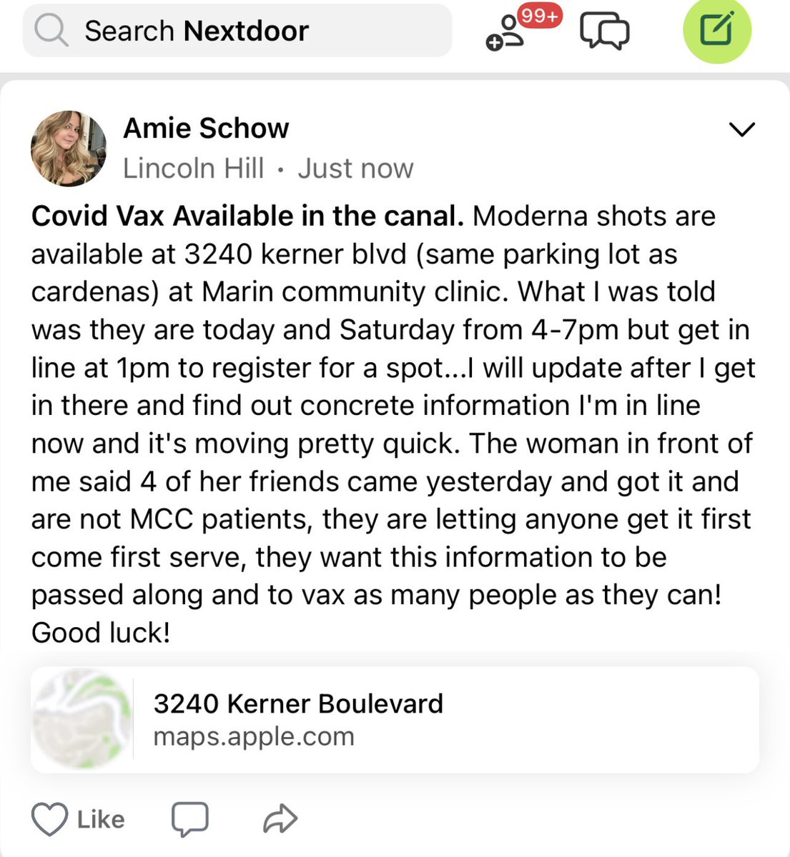
@karentravers @JustinGomezABC Could he PLEASE direct @GovParsonMO to put the PROPER allocation of vaccine to the urban centers in this state? It’s ridiculous, people from St. Louis are having to drive 2-4 hours to get a vaccine, just because Parson is a partisan hard hearted jerk! #missouriCovid
Once i get the vaccine I’m outside 😌
It is not by accident we are getting here despite the variants. It's the result of most people being careful and the fact that one fourth of the adult population has received at least one dose of the vaccine.
@DonaldJTrumpJr This country is in a mess thanks to Donald Trump,he didn’t act on it he called it a hoax he wouldn’t tell American people to please wear a mask to please get a vaccine he didn’t want the states to remain closed down he worried about his reelection, all the bad is on his shoulders
@randyholloway @awealthofcs April would be immediate. Why aren’t all adults able to get the vaccine? We still gotta do the whole mask thing too?
@InlandCaGuy @ImNotOwned @michaelbd @BrigadeMalarkey This is what CA is doing too—simultaneous eligibility for essential workers and 65+. In places like East LA—crowded multigenerational households supported young frontline workers—it’d be ideal for grandparents to get shots first, but working mom may be apt to get vaccine quicker.
One in four #Americans is reluctant to get the #corona vaccine On the other hand, our country is at a "critical point" in the epidemic of #coronavirus https://t.co/UUPOL9gshV | 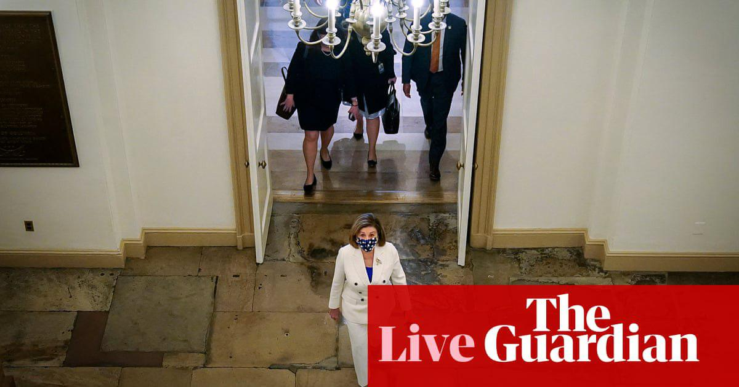
@FOX5Vegas Austria, Denmark, Italy, Norway, and Iceland have suspended the Astra-Zeneca covid vaccine due to blood clotting and deaths! People here in the US are posting images of them getting blood blisters all over their bodies. Only fools will take this fucking vaccine!

