Sheet1
ori_text | image
In the footsteps of great female explorers | 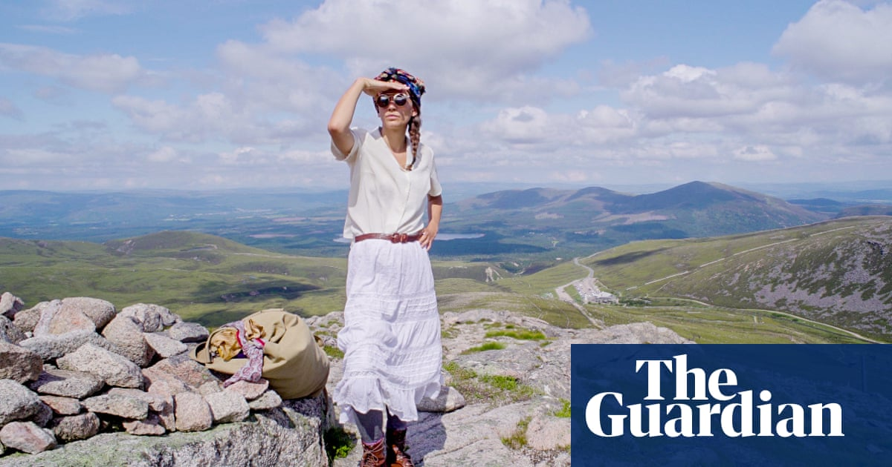
Did you solve it? We are (puzzle) family | 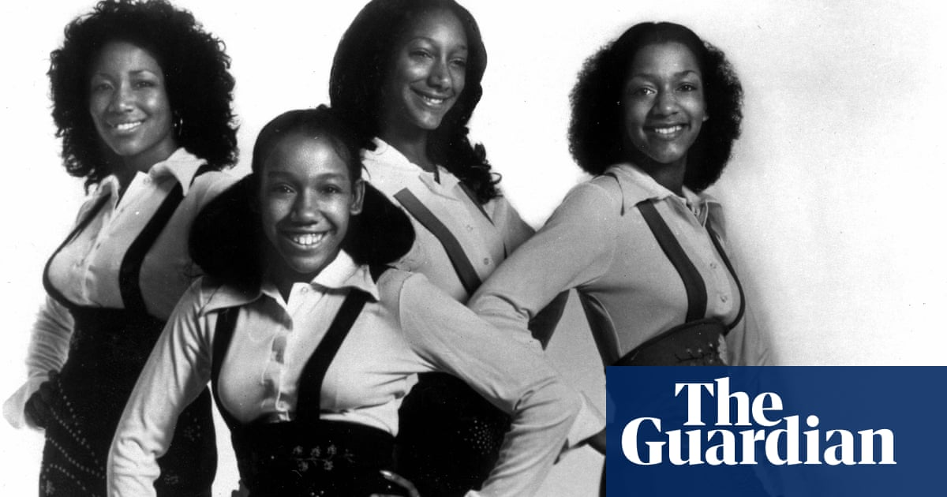
Social workers: share your views of the Social Workers in Schools Project | 
Has your family been affected by the Brazilian or South African variants of Covid-19? | 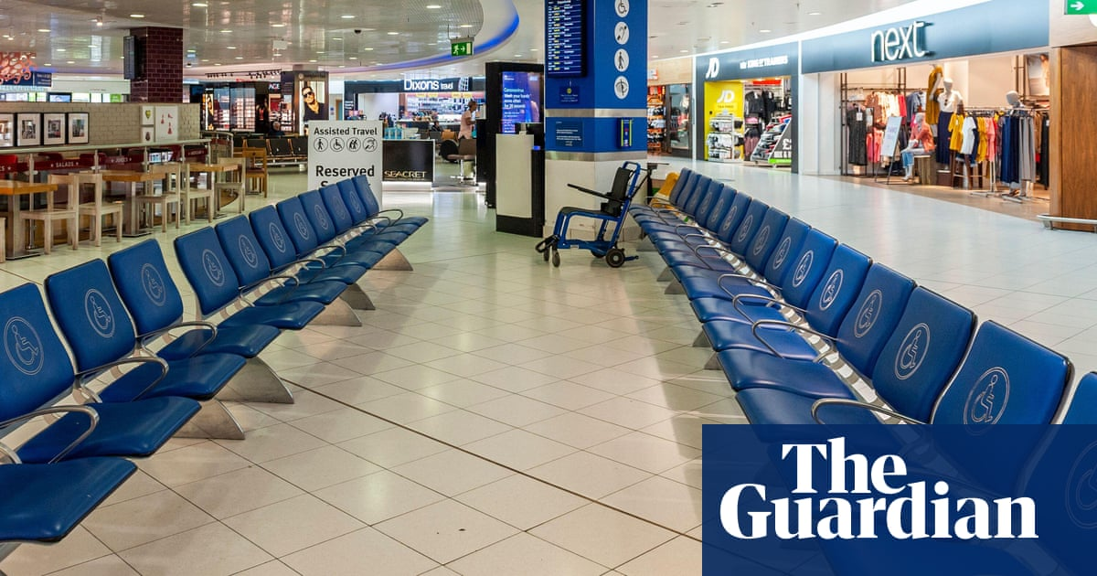
Samuel Paty murder: how a teenager's lie sparked a tragic chain of events | 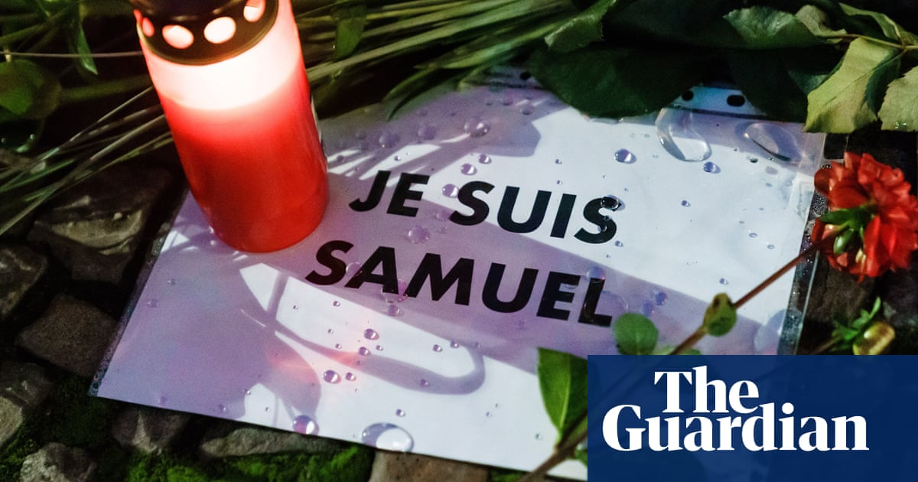
Surreal dreams in lockdown: a photo diary | 
Big vagina energy: the return of the sheela na gig | 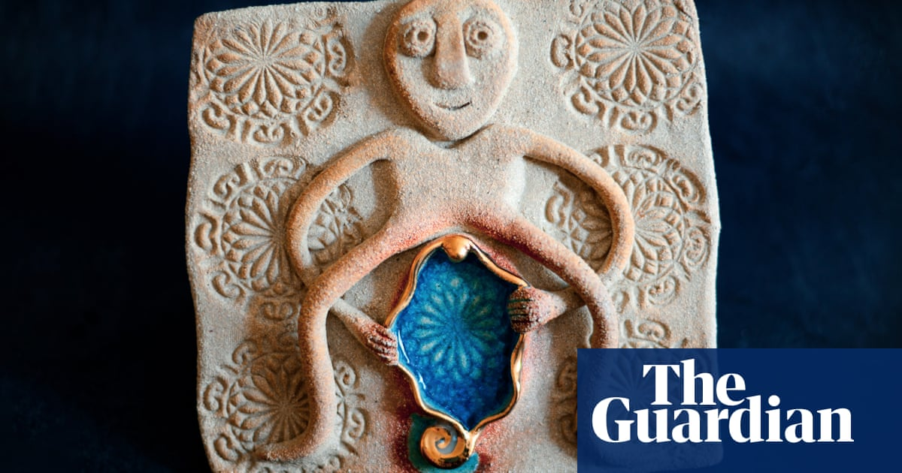
Meghan and Harry: 12 things we learned from the Oprah special | 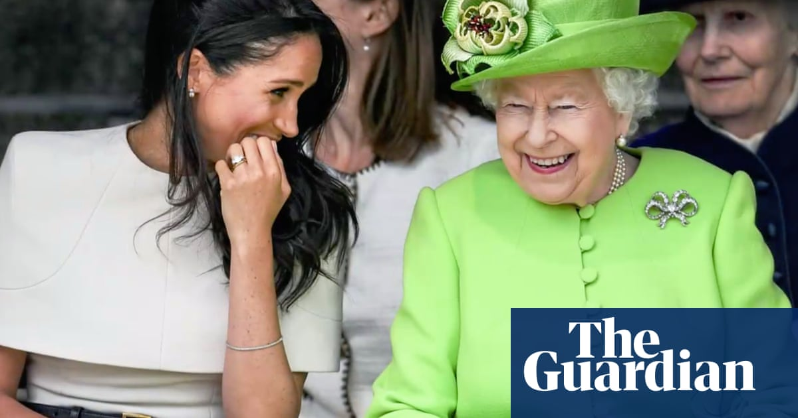
'I always wanted a girl': scandal of Czech Roma forcibly sterilised | 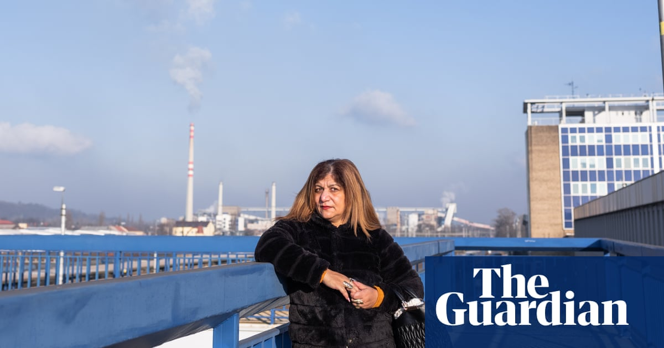
On the ground in Yemen: ‘A place of wonder overshadowed by conflict’ | 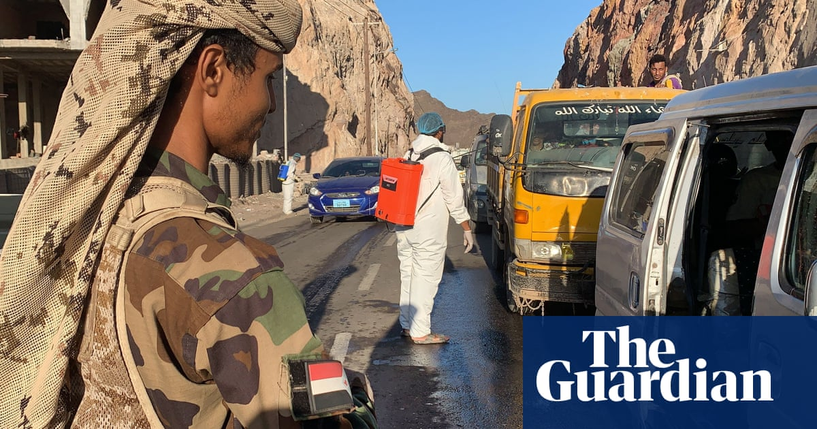
Sled dog races and rape flowers bloom: Monday’s best photos | 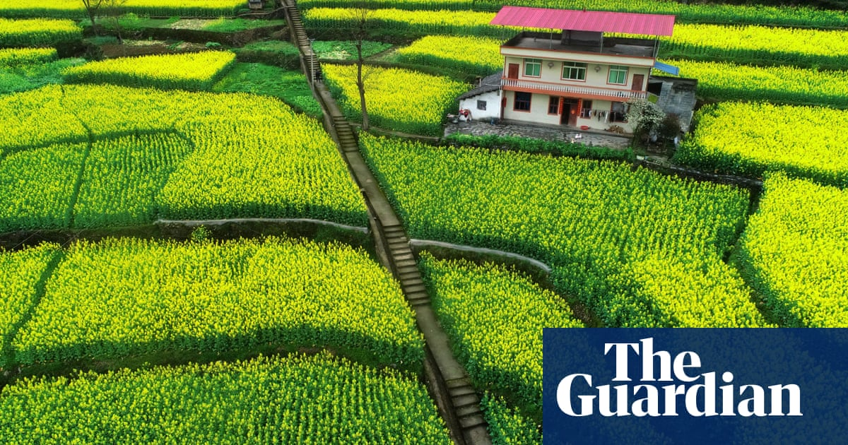
International Women's Day around the world – in pictures | 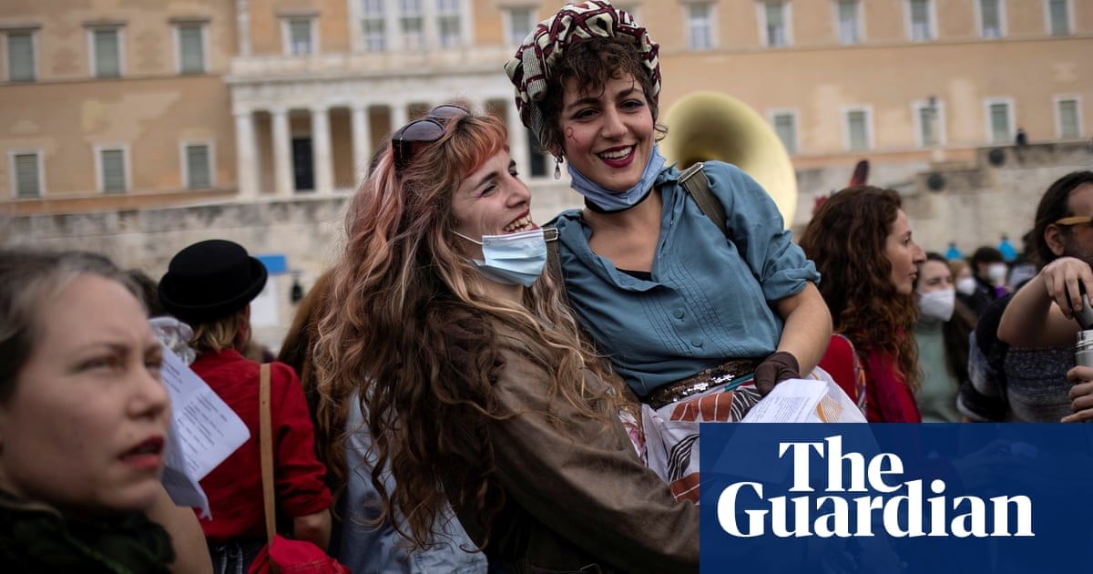
'We can’t see our own but we’re there for other people's families': female healthcare workers – in pictures | 
Women: an exhibition of British press photography | 
Sudoku 5,154 easy | 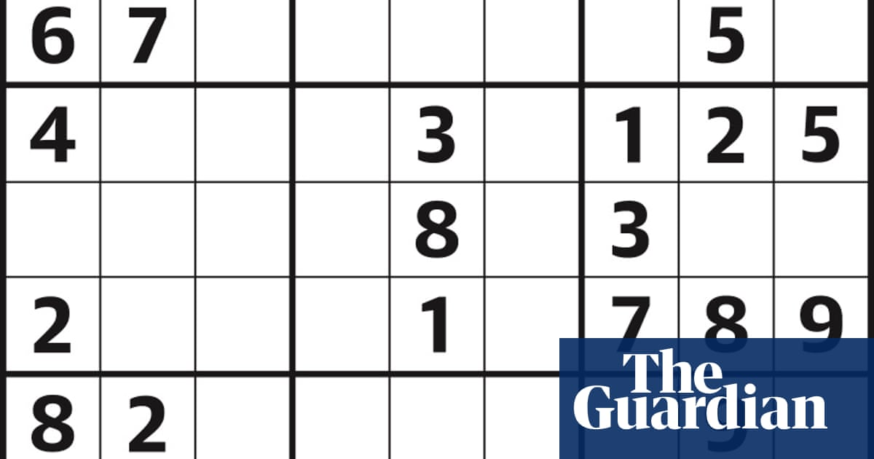
Crossword roundup: who wants to be kicked upstairs? | 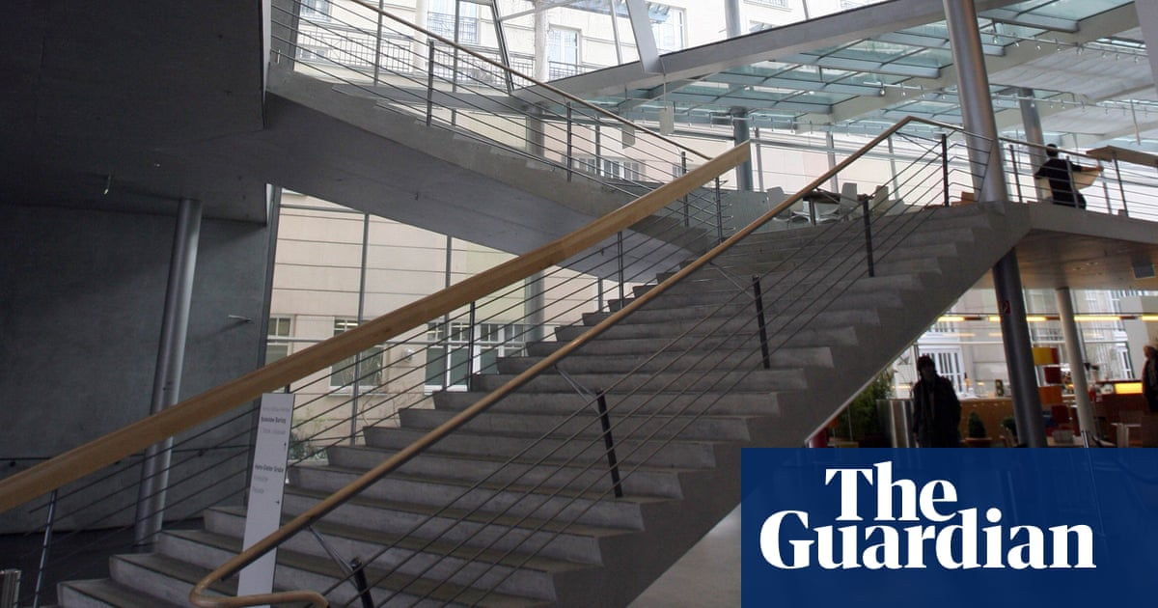
Hundreds protest in the name of George Floyd in Minneapolis – video | 
Boris Johnson warns of ‘big budget of risk’ in reopening schools during pandemic – video | 
Oprah says Queen and Prince Philip not behind Archie's skin colour comments – video | 
Equatorial Guinea: explosions at barracks rock city of Bata – video | 