Additional file 1
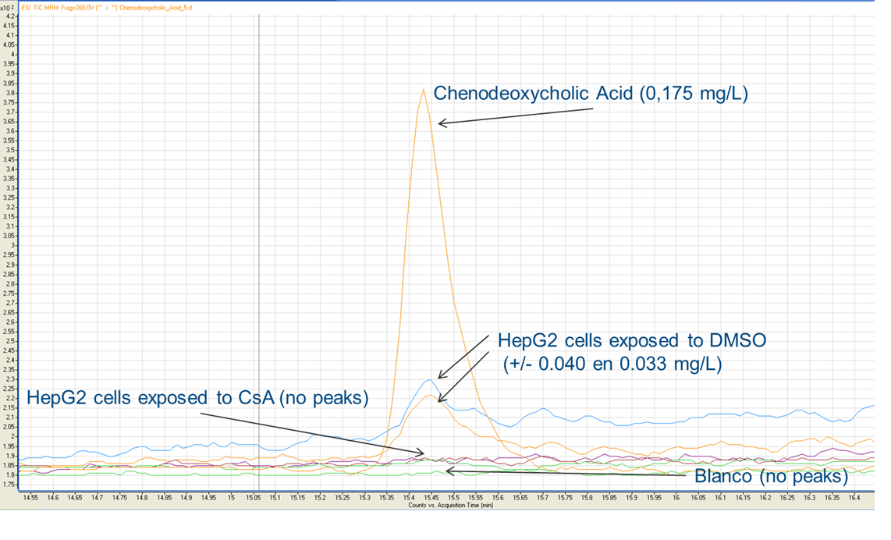
Additional file 1: Mass-spectrometry results of cellular extracts from HepG2 cells exposed to 20 µM CsA for 24h or 0.5% DMSO for 24h as a solvent control.

Additional file 21
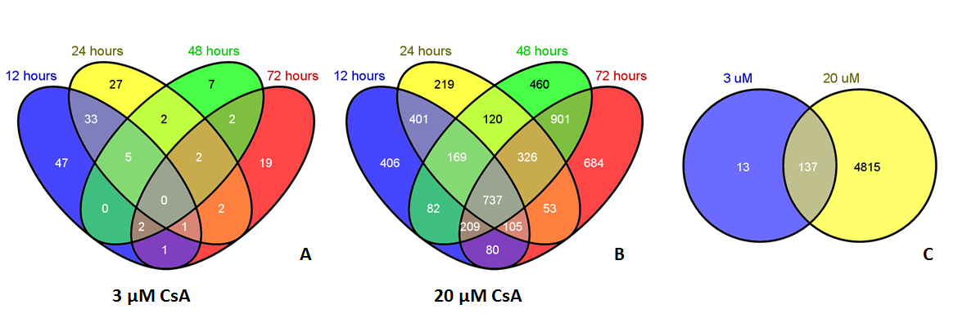
Additional file 21: Venn diagrams showing the overlap of DEGs between all time-points for 3 µM (A) and 20 µM (B)) and the overlap between both concentrations (C).

Additional file 22
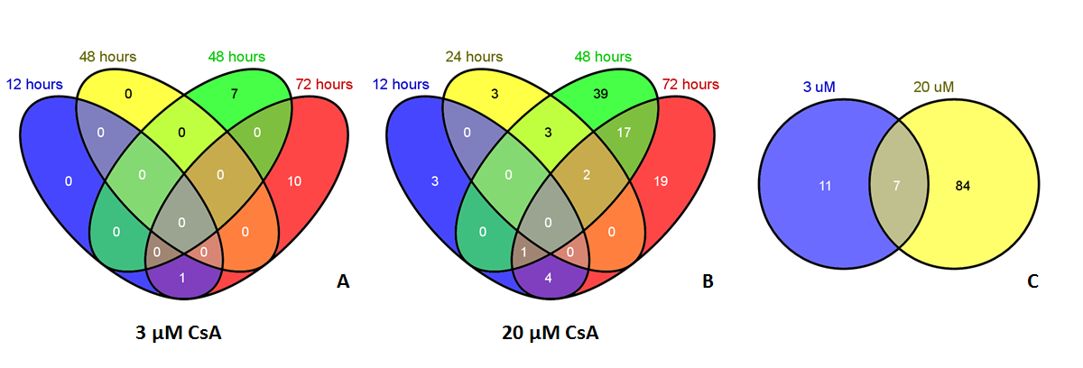
Additional file 22: Venn diagrams showing the overlap of differential expressed microRNAs between all time-points for 3 µM (A) and 20 µM (B)) and the overlap between both concentrations (C).

Additional file 23
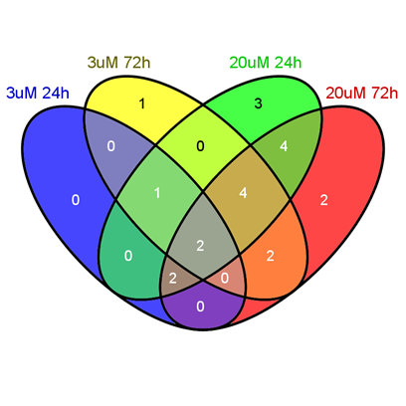
Additional file 23: Venn diagram showing the overlap of differential expressed metabolites between all time-points and concentrations.

Additional file 28
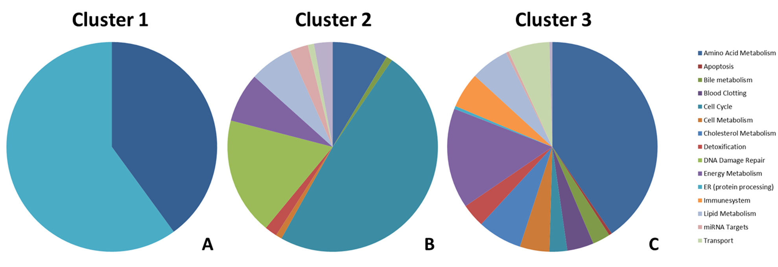
Additional file 28: Pie diagrams showing the processes related to the pathways of the clusters from the hierarchical cluster analysis; cluster 1 (A) and cluster 2 (B) more affected after 24h and cluster 3 (C) more affected after 72h.

