Sayfa1
Rack Name | Pile Point (X) | Pile Point (Y) | Pile Point (Z) | Pile Label | Pile Name | Pile Length (m) | Boundary | Rack Horizontal Slope (°) | Rack Vertical Slope (°)
R-82 | 414625.11983 | 4319672.0102 | 1125.634204 | BACK | (6,1) | 5.0613 | PV-1 | 4.53 E | 4.17 S
R-82 | 414627.96194 | 4319672.0102 | 1125.917184 | BACK | (7,1) | 5.0033 | PV-1 | 4.53 E | 4.17 S
R-82 | 414622.27773 | 4319672.0102 | 1125.562294 | BACK | (5,1) | 4.9082 | PV-1 | 4.53 E | 4.17 S
R-82 | 414619.43562 | 4319672.0102 | 1125.550127 | BACK | (4,1) | 4.6953 | PV-1 | 4.53 E | 4.17 S
R-82 | 414630.80404 | 4319672.0102 | 1126.514187 | BACK | (8,1) | 4.6314 | PV-1 | 4.53 E | 4.17 S
R-82 | 414616.59352 | 4319672.0102 | 1125.559291 | BACK | (3,1) | 4.4611 | PV-1 | 4.53 E | 4.17 S
R-82 | 414633.64615 | 4319672.0102 | 1127.149091 | BACK | (9,1) | 4.2215 | PV-1 | 4.53 E | 4.17 S
R-82 | 414613.75141 | 4319672.0102 | 1125.682463 | BACK | (2,1) | 4.1129 | PV-1 | 4.53 E | 4.17 S

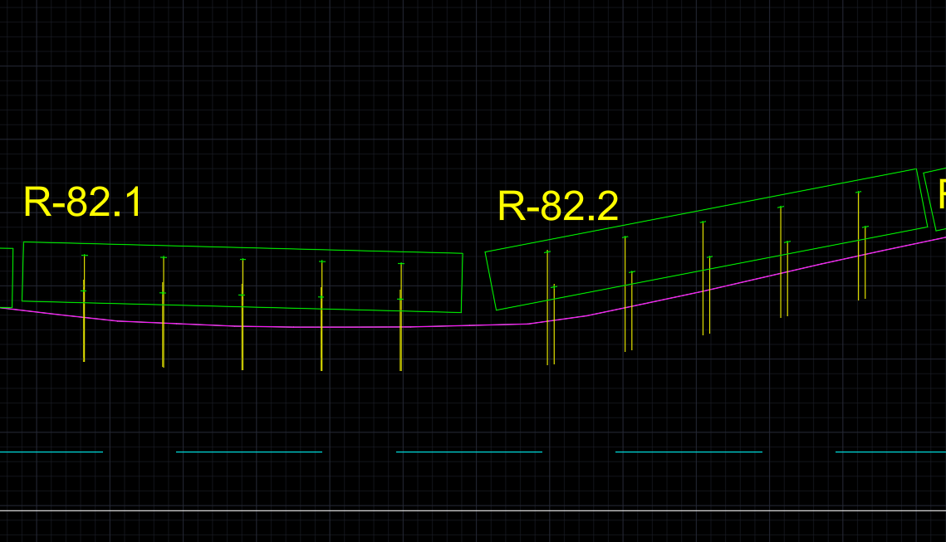
Rack Name | Pile Point (X) | Pile Point (Y) | Pile Point (Z) | Pile Label | Pile Name | Pile Length (m) | Boundary | Rack Horizontal Slope (°) | Rack Vertical Slope (°)
R-82.1 | 414626.71266 | 4319672.0102 | 1125.674505 | BACK | (1,1) | 3.9384 | PV-1 | 10.93 E | 1.98 S
R-82.1 | 414629.36568 | 4319672.0102 | 1126.212049 | BACK | (2,1) | 3.9131 | PV-1 | 10.93 E | 1.98 S
R-82.1 | 414632.01869 | 4319672.0102 | 1126.773464 | BACK | (3,1) | 3.8639 | PV-1 | 10.93 E | 1.98 S
R-82.1 | 414634.67169 | 4319672.0102 | 1127.385795 | BACK | (4,1) | 3.7637 | PV-1 | 10.93 E | 1.98 S
R-82.1 | 414637.3247 | 4319672.0102 | 1127.988118 | BACK | (5,1) | 3.6736 | PV-1 | 10.93 E | 1.98 S

Rack Name | Pile Point (X) | Pile Point (Y) | Pile Point (Z) | Pile Label | Pile Name | Pile Length (m) | Boundary | Rack Horizontal Slope (°) | Rack Vertical Slope (°)
R-82.2 | 414610.92245 | 4319672.0102 | 1125.872138 | BACK | (1,1) | 3.6281 | PV-1 | 1.49 W | 6.52 S
R-82.2 | 414613.62353 | 4319672.0102 | 1125.688005 | BACK | (2,1) | 3.7419 | PV-1 | 1.49 W | 6.52 S
R-82.2 | 414616.32462 | 4319672.0102 | 1125.570945 | BACK | (3,1) | 3.7886 | PV-1 | 1.49 W | 6.52 S
R-82.2 | 414619.0257 | 4319672.0102 | 1125.550028 | BACK | (4,1) | 3.7391 | PV-1 | 1.49 W | 6.52 S
R-82.2 | 414621.72679 | 4319672.0102 | 1125.550678 | BACK | (5,1) | 3.6681 | PV-1 | 1.49 W | 6.52 S

