Products
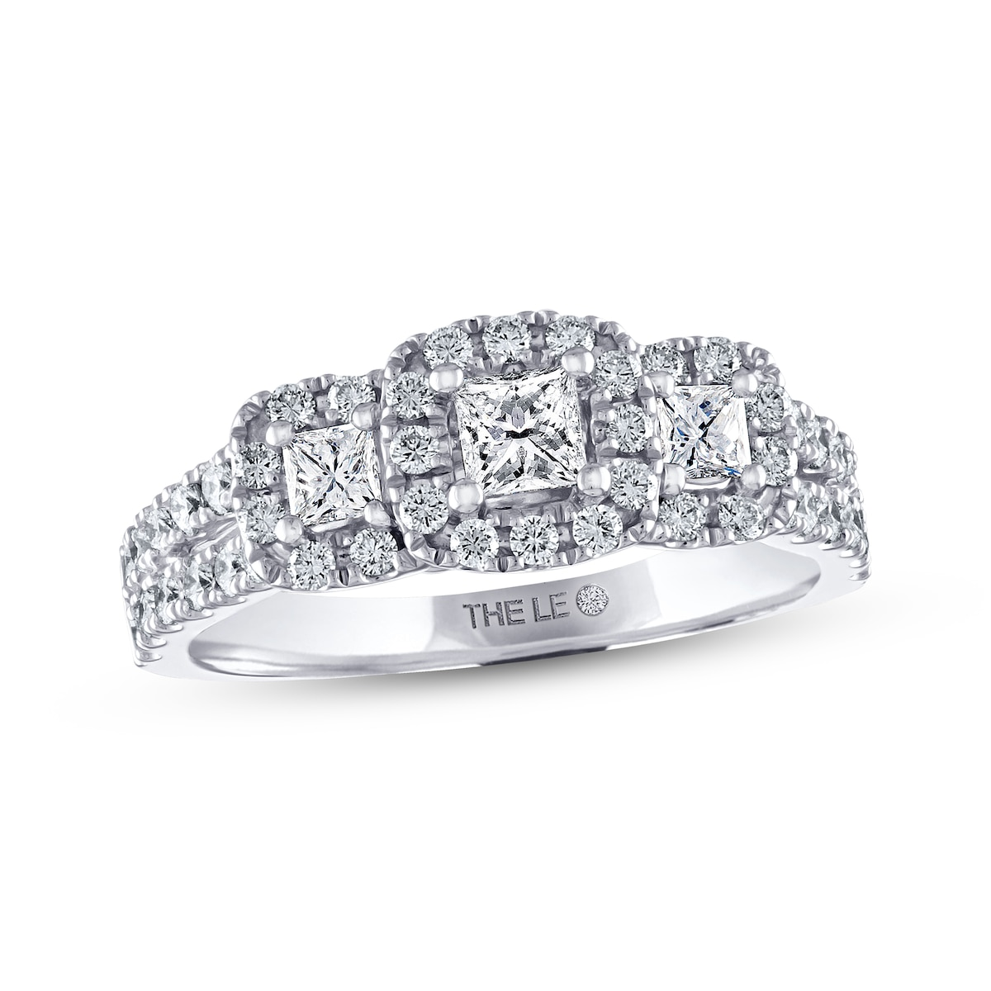
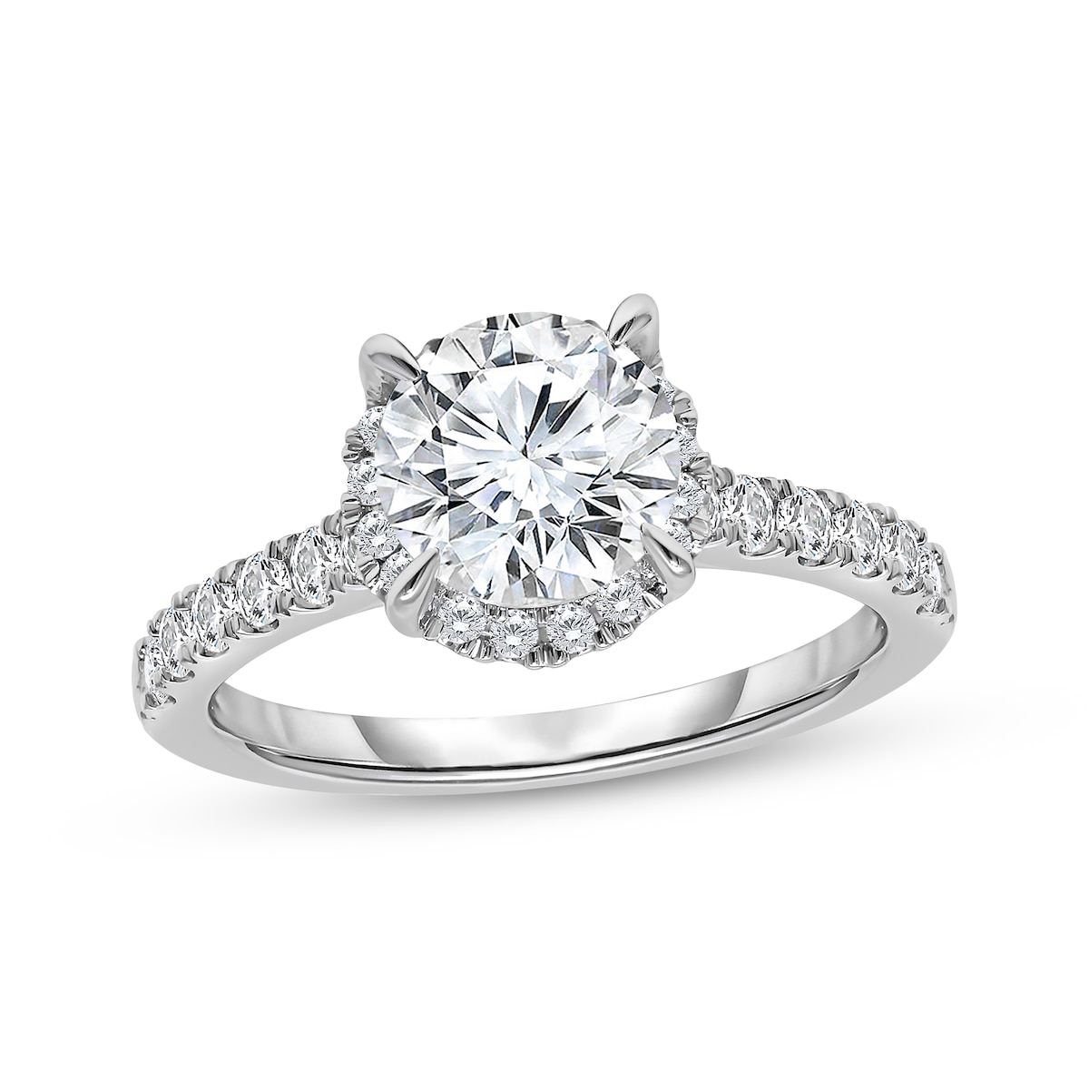
Current Date | Header | Product Name | Image | Kt | Price | Total Dia wt | Time | ImagePath | Additional Info
2025-06-13 | Shop Lab-Grown Diamond Engagement Rings | Kay | THE LEO Diamond Princess-Cut Three-Stone Engagement Ring 7/8 ct tw 14K White Gold Sale |  | 14K White Gold | $1,999.99 offer of 44% $3,599.99 | 7/8 ct tw | 16.27 | https://www.kay.com/productimages/processed/V-380980906_0_260.jpg?pristine=true | Sale
2025-06-13 | Shop Lab-Grown Diamond Engagement Rings | Kay | Now + Forever Round-Cut Lab-Grown Diamond Halo Engagement Ring 2 ct tw 14K White Gold |  | 14K White Gold | $4,299.99 | 2 ct tw | 16.27 | https://www.kay.com/productimages/processed/V-961595701_0_260.jpg?pristine=true | N/A
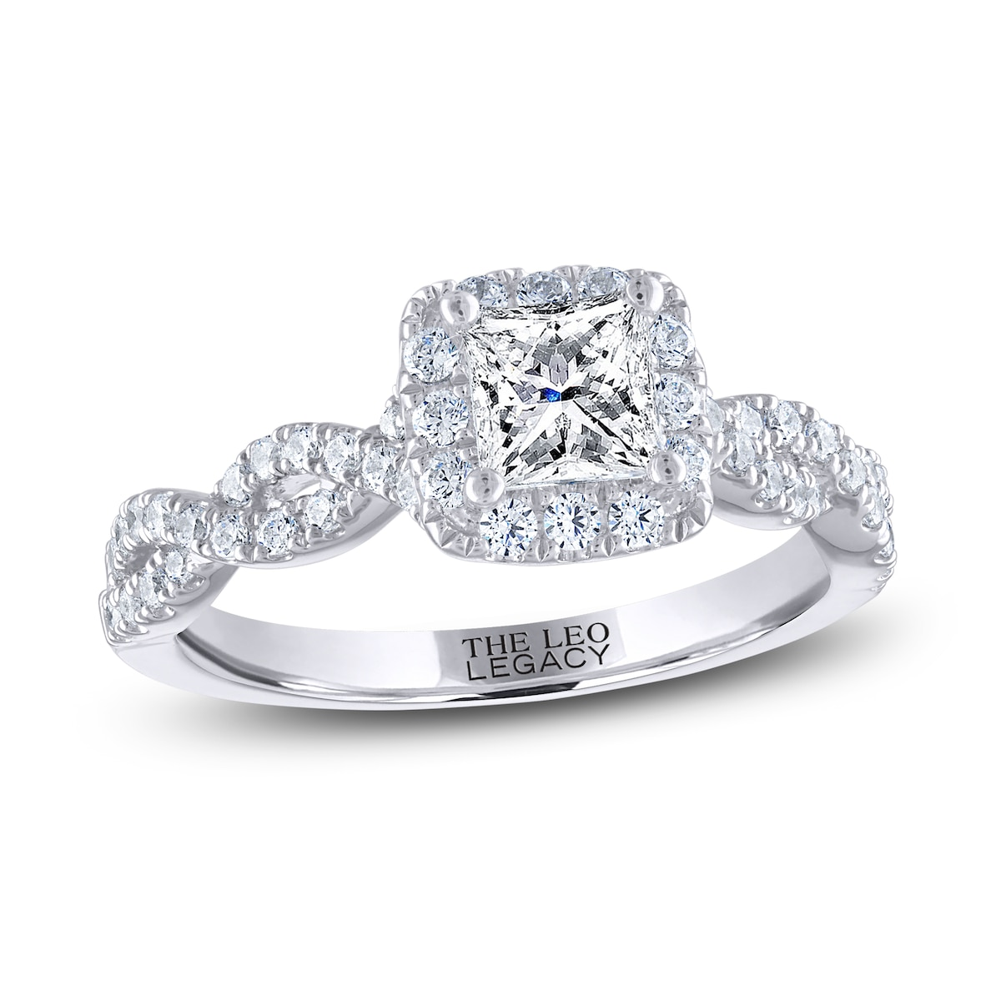
2025-06-13 | Shop Lab-Grown Diamond Engagement Rings | Kay | THE LEO Legacy Lab-Grown Diamond Princess-Cut Engagement Ring 1-1/6 ct tw 14K White Gold |  | 14K White Gold | $2,699.99 | 1/6 ct tw | 16.27 | https://www.kay.com/productimages/processed/V-141821518_0_260.jpg?pristine=true | N/A
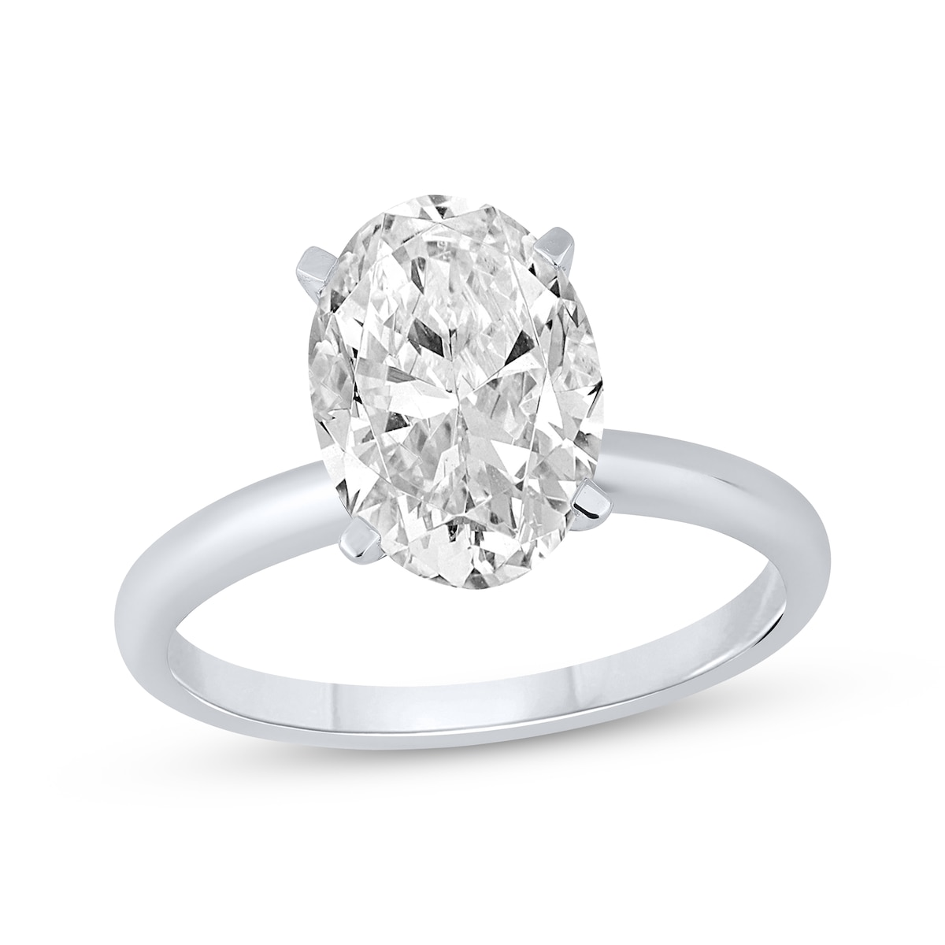
2025-06-13 | Shop Lab-Grown Diamond Engagement Rings | Kay | Now + Forever Oval-Cut Lab-Grown Diamond Solitaire Engagement Ring 2-1/2 ct tw 14K White Gold (I/SI2) |  | 14K White Gold | $6,299.99 | 1/2 ct tw | 16.27 | https://www.kay.com/productimages/processed/V-723586905_0_260.jpg?pristine=true | N/A
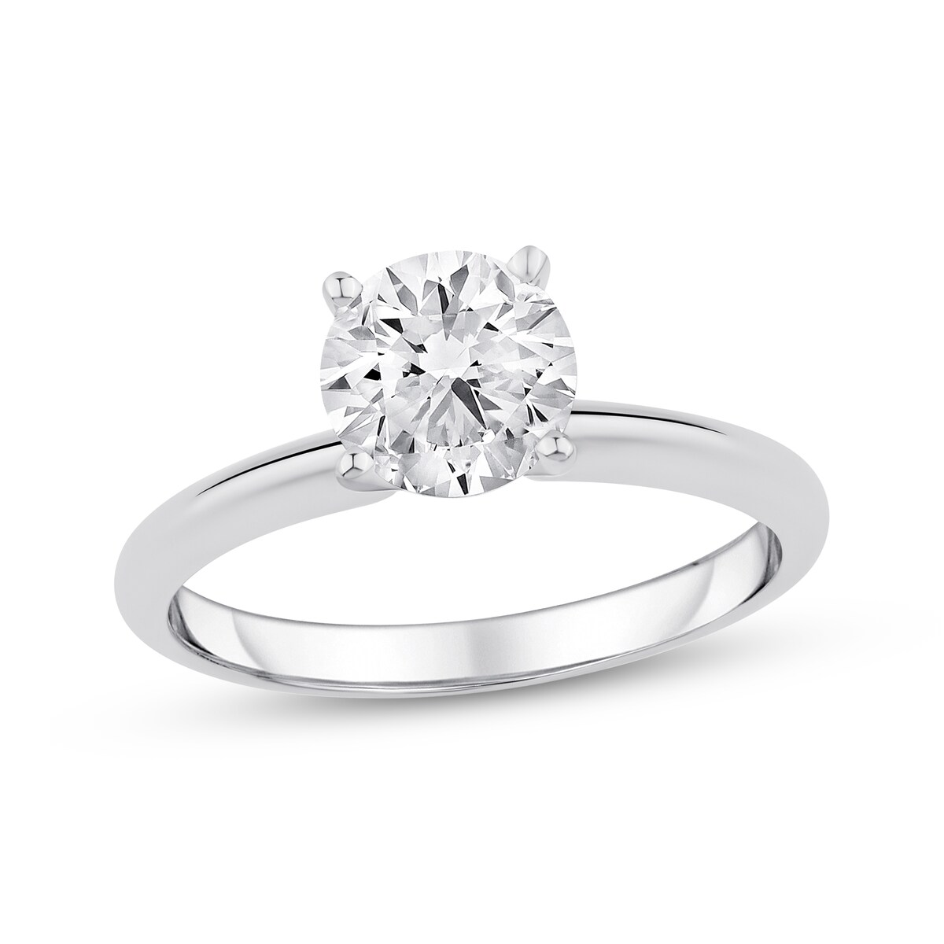
2025-06-13 | Shop Lab-Grown Diamond Engagement Rings | Kay | Now + Forever Lab-Grown Diamonds Round-Cut Solitaire Engagement Ring 1-1/4 ct tw 14K White Gold (I/SI2) Clearance |  | 14K White Gold | $1,449.99 offer of 50% $2,899.99 | 1/4 ct tw | 16.27 | https://www.kay.com/productimages/processed/V-655751206_0_260.jpg?pristine=true | Clearance
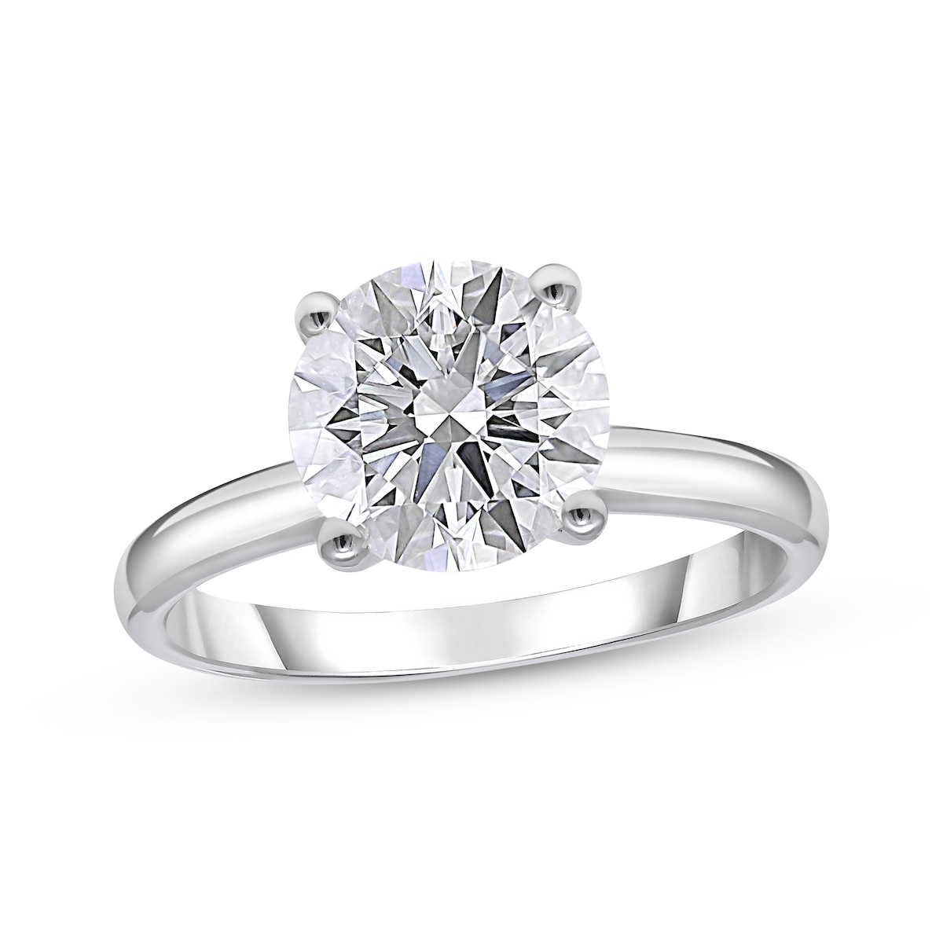
2025-06-13 | Shop Lab-Grown Diamond Engagement Rings | Kay | Now + Forever Lab-Grown Diamonds Round-Cut Solitaire Engagement Ring 2-1/2 ct tw 14K White Gold Clearance |  | 14K White Gold | $2,249.99 offer of 70% $7,499.99 | 1/2 ct tw | 16.27 | https://www.kay.com/productimages/processed/V-715983906_0_260.jpg?pristine=true | Clearance
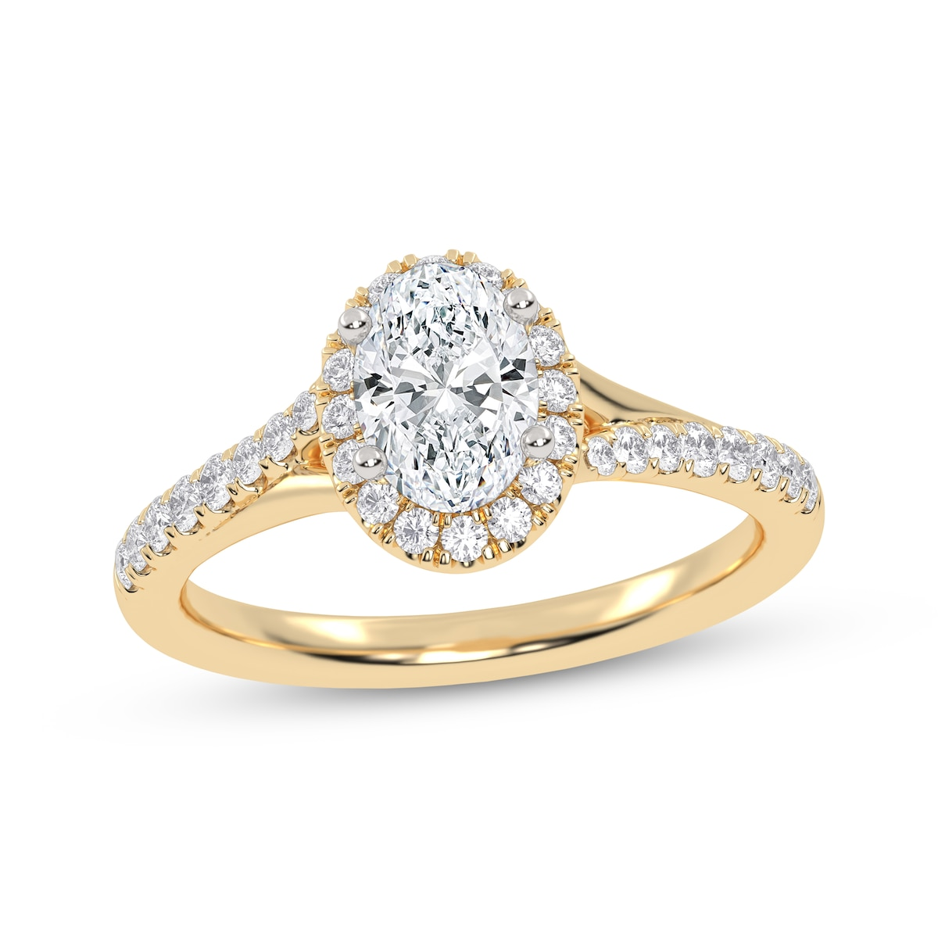
2025-06-13 | Shop Lab-Grown Diamond Engagement Rings | Kay | Now + Forever Lab-Grown Diamonds Oval-Cut Halo Engagement Ring 3/4 ct tw 14K Yellow Gold |  | 14K Yellow Gold | $999.99 | 3/4 ct tw | 16.27 | https://www.kay.com/productimages/processed/V-878333602_0_260.jpg?pristine=true | N/A
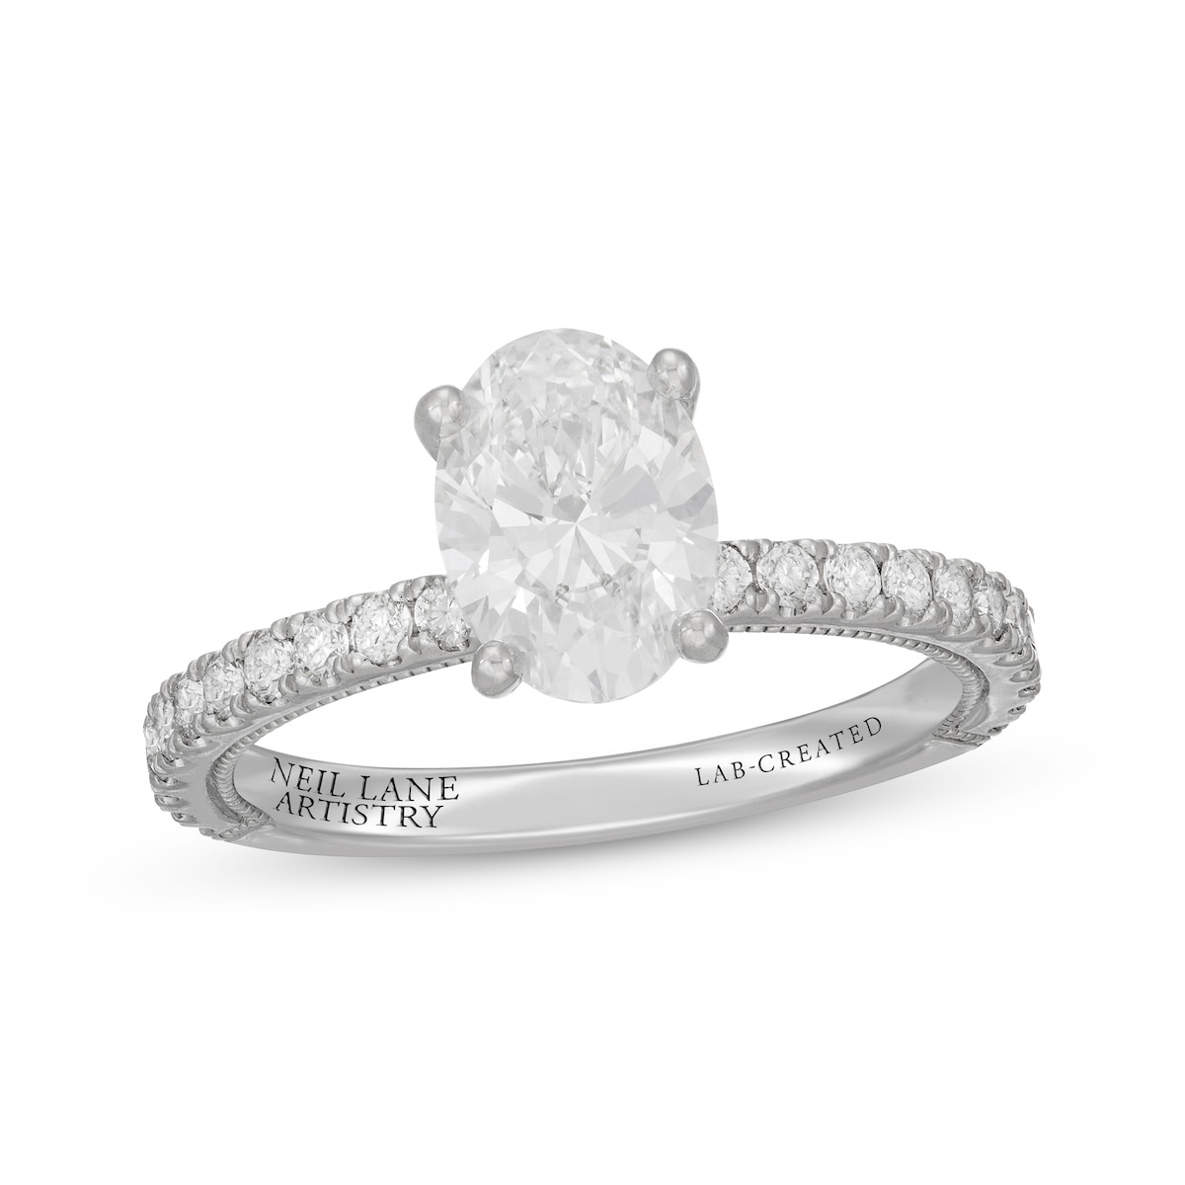
2025-06-13 | Shop Lab-Grown Diamond Engagement Rings | Kay | Neil Lane Artistry Oval-Cut Lab-Grown Diamond Engagement Ring 2 ct tw 14K White Gold |  | 14K White Gold | $4,699.99 | 2 ct tw | 16.27 | https://www.kay.com/productimages/processed/V-741453904_0_260.jpg?pristine=true | N/A
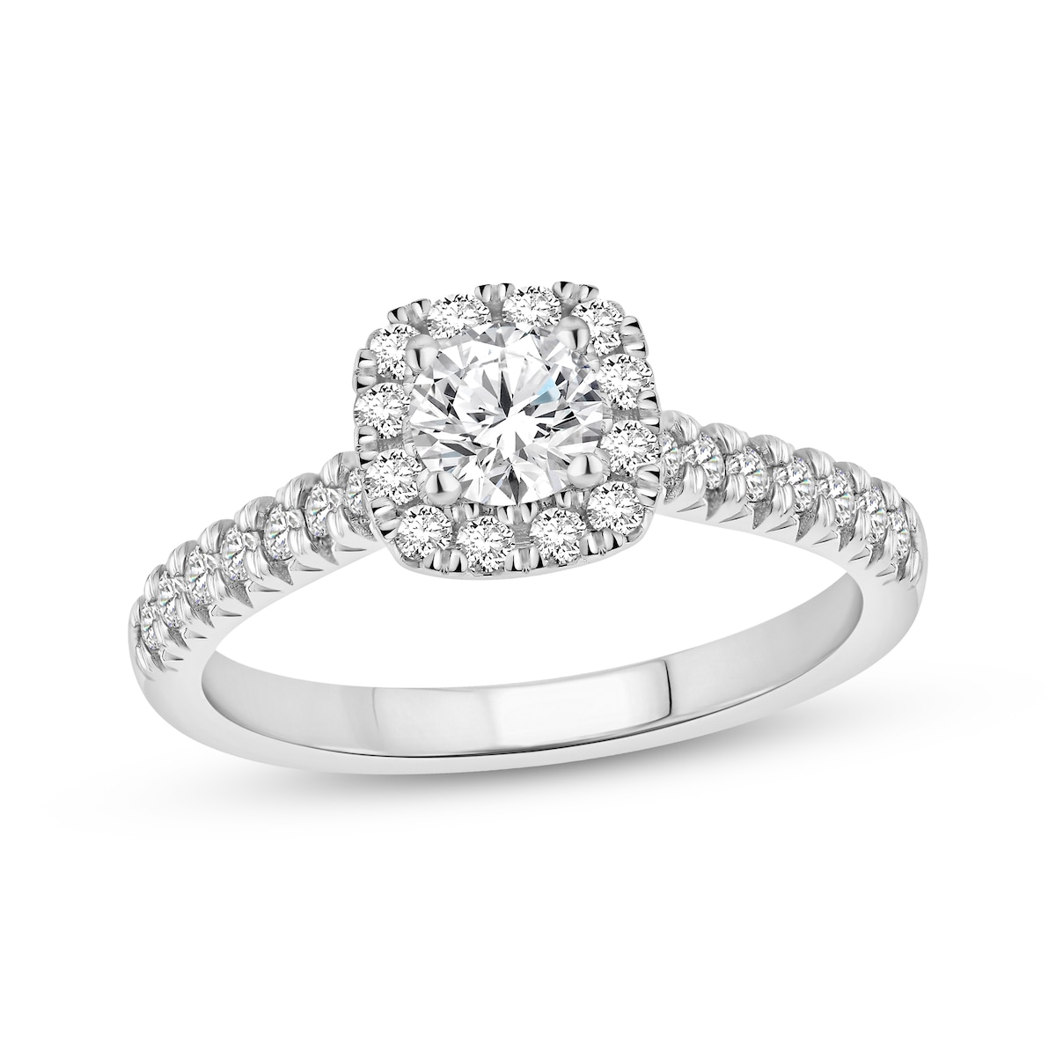
2025-06-13 | Shop Lab-Grown Diamond Engagement Rings | Kay | Now + Forever Lab-Grown Diamonds Round-Cut Halo Engagement Ring 3/4 ct tw 14K White Gold |  | 14K White Gold | $999.99 | 3/4 ct tw | 16.27 | https://www.kay.com/productimages/processed/V-723483703_0_260.jpg?pristine=true | N/A
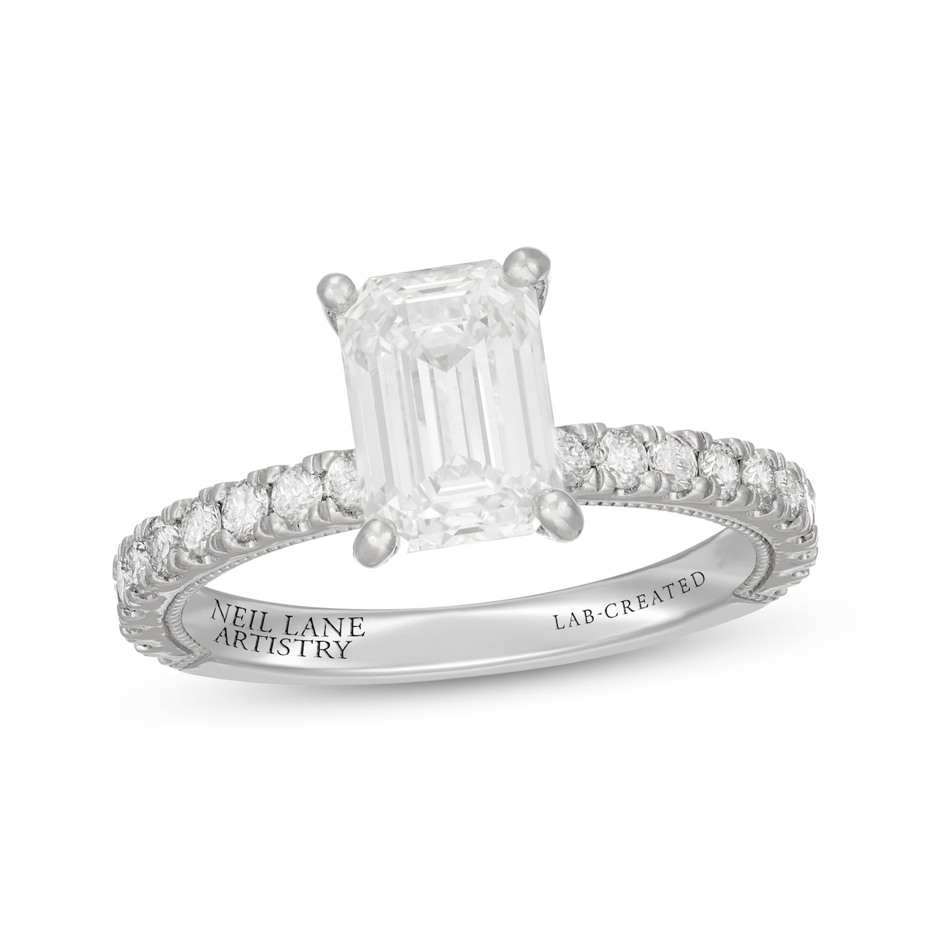
2025-06-13 | Shop Lab-Grown Diamond Engagement Rings | Kay | Neil Lane Artistry Emerald-Cut Lab-Grown Diamond Engagement Ring 2-1/2 ct tw 14K White Gold |  | 14K White Gold | $6,199.99 | 1/2 ct tw | 16.27 | https://www.kay.com/productimages/processed/V-849540101_0_260.jpg?pristine=true | N/A
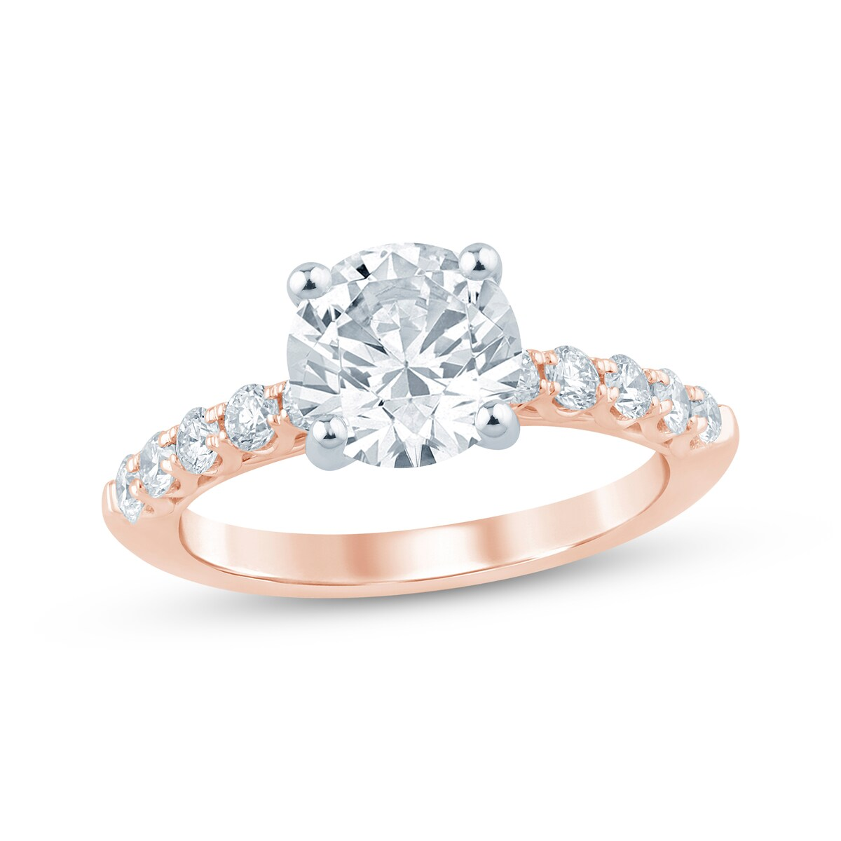
2025-06-13 | Shop Lab-Grown Diamond Engagement Rings | Kay | Now + Forever Lab-Grown Diamonds Round-Cut Engagement Ring 2-1/2 ct tw 14K Rose Gold Clearance |  | 14K Rose Gold | $2,649.99 offer of 50% $5,299.99 | 1/2 ct tw | 16.27 | https://www.kay.com/productimages/processed/V-995221102_0_260.jpg?pristine=true | Clearance
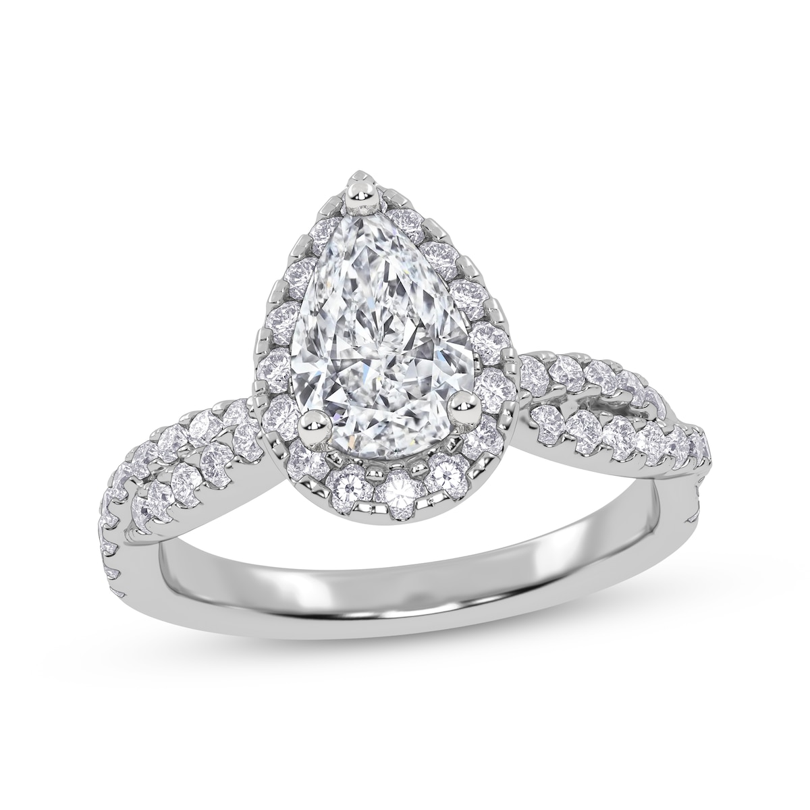
2025-06-13 | Shop Lab-Grown Diamond Engagement Rings | Kay | Now + Forever Pear-Shaped Lab-Grown Diamond Halo Engagement Ring 1-1/3 ct tw 14K White Gold Clearance |  | 14K White Gold | $1,349.99 offer of 50% $2,699.99 | 1/3 ct tw | 16.27 | https://www.kay.com/productimages/processed/V-378967602_0_260.jpg?pristine=true | Clearance
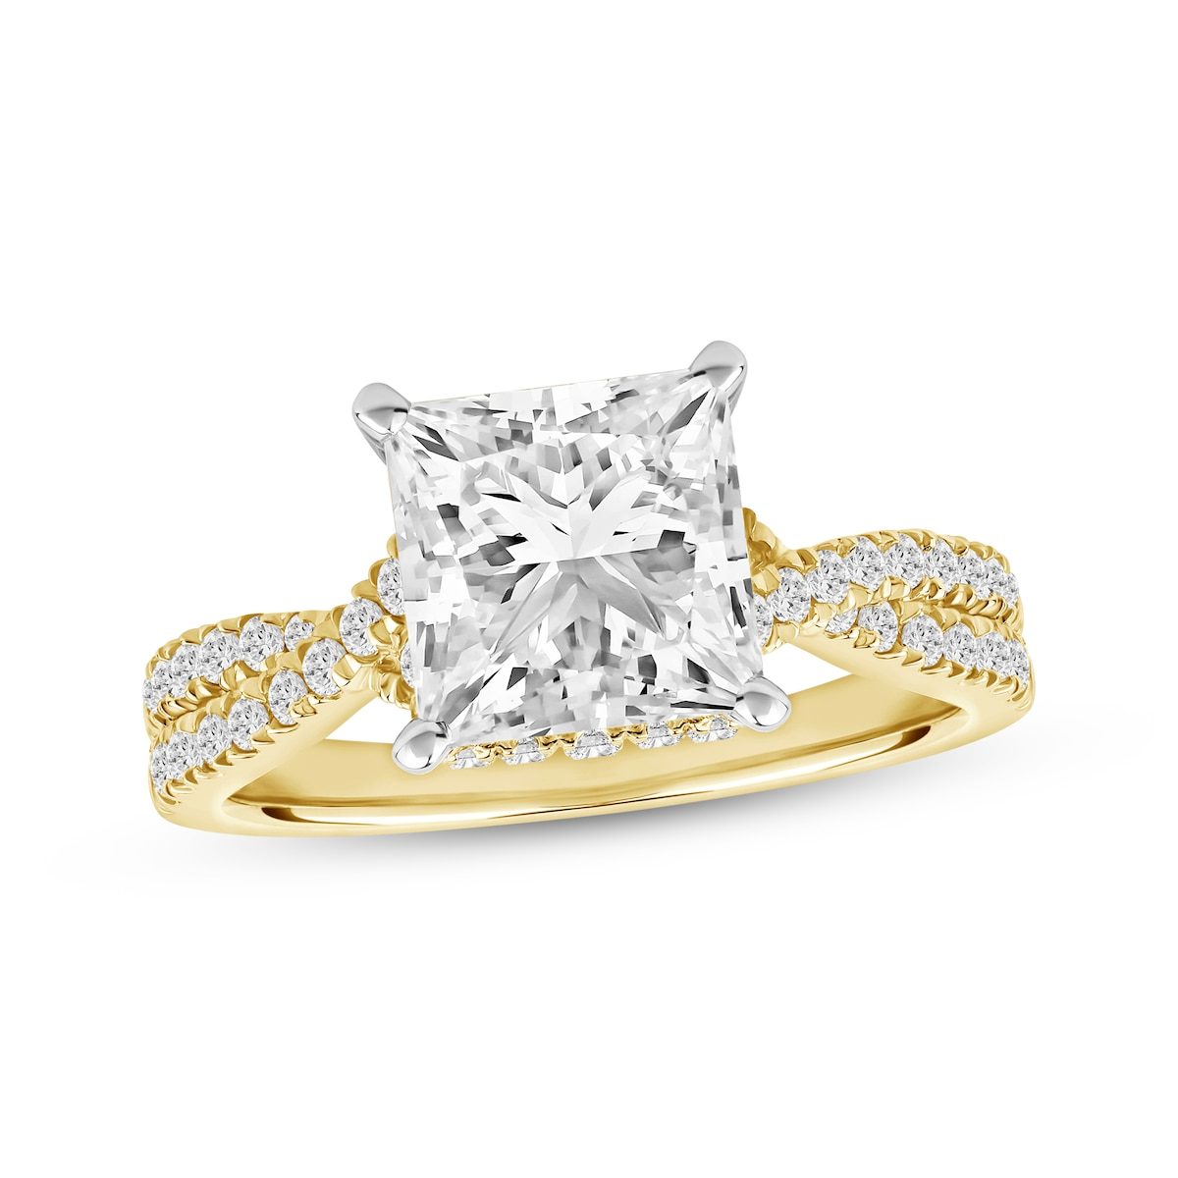
2025-06-13 | Shop Lab-Grown Diamond Engagement Rings | Kay | Now + Forever Princess-Cut Lab-Grown Diamond Hidden Halo Engagement Ring 2-1/2 ct tw 14K Yellow Gold Online Exclusive |  | 14K Yellow Gold | $6,799.99 | 1/2 ct tw | 16.27 | https://www.kay.com/productimages/processed/V-360800609_0_260.jpg?pristine=true | Online Exclusive
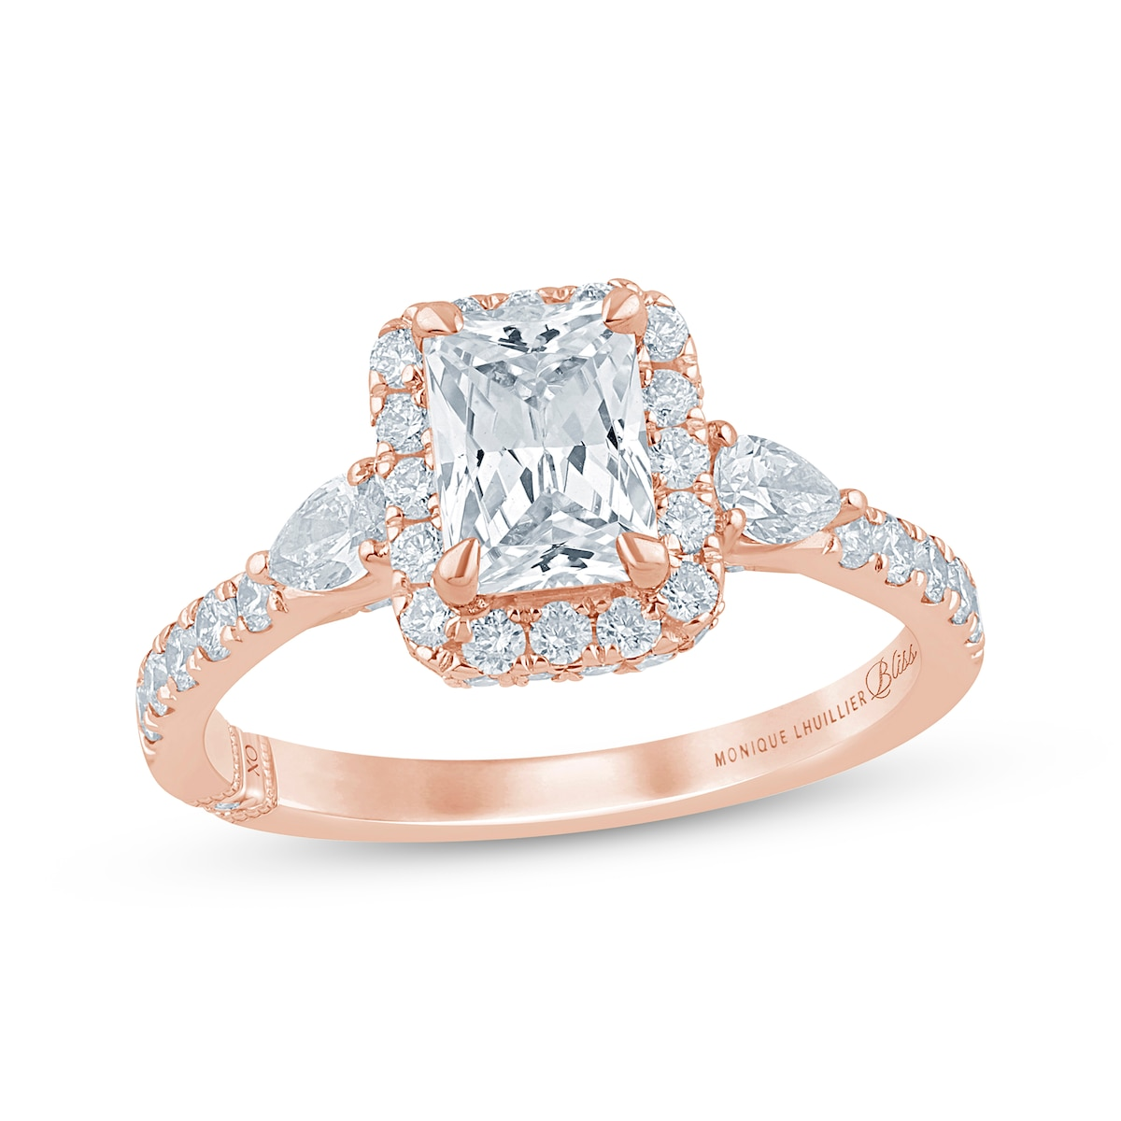
2025-06-13 | Shop Lab-Grown Diamond Engagement Rings | Kay | Monique Lhuillier Bliss Emerald-Cut Lab-Grown Diamond Engagement Ring 1-7/8 ct tw 18K Rose Gold Online Exclusive |  | 18K Rose Gold | $3,999.99 | 7/8 ct tw | 16.27 | https://www.kay.com/productimages/processed/V-940679905_0_260.jpg?pristine=true | Online Exclusive
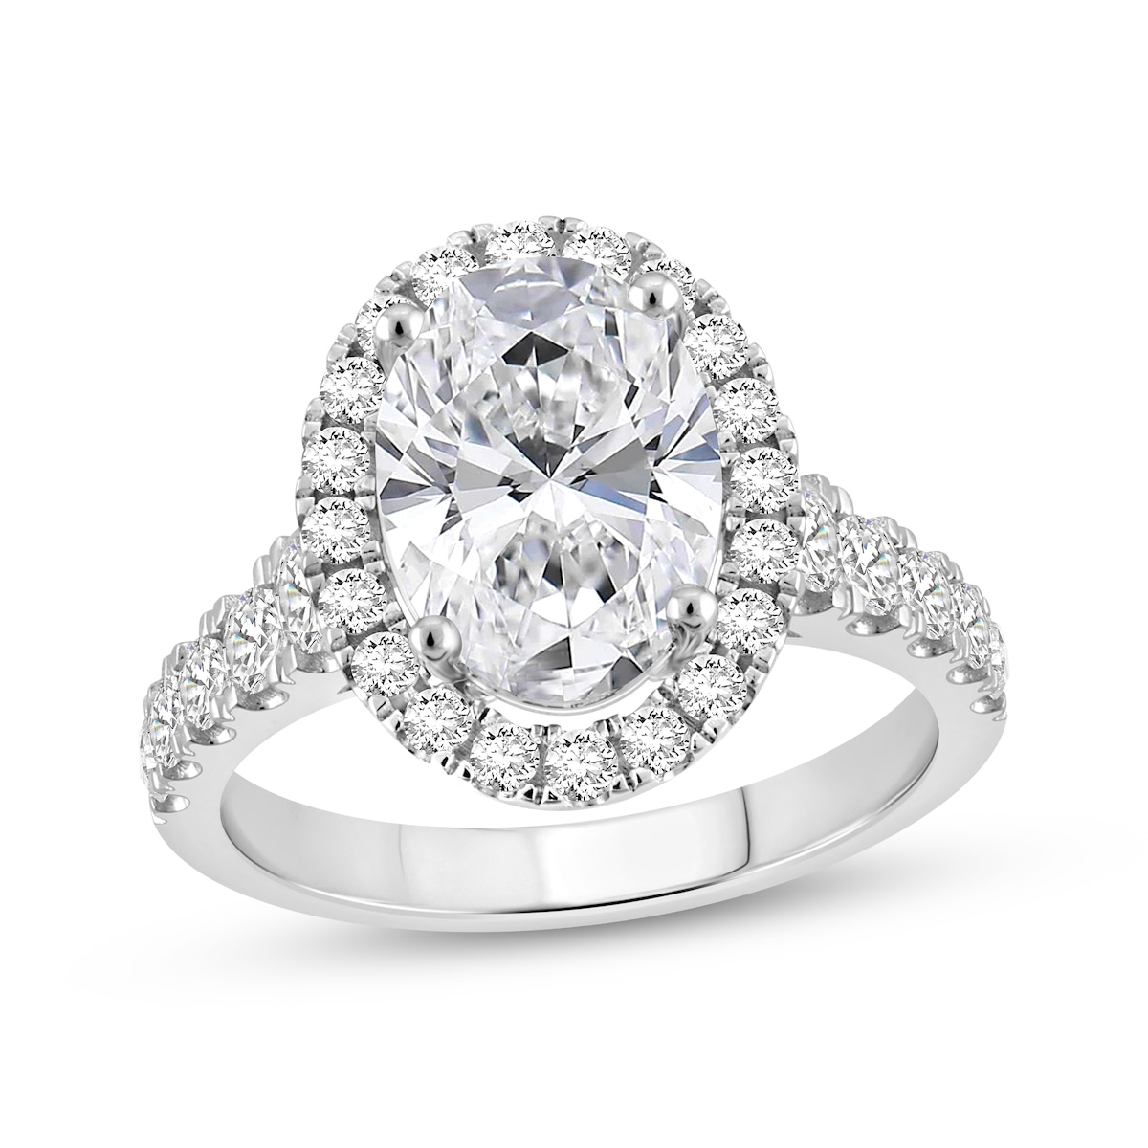
2025-06-13 | Shop Lab-Grown Diamond Engagement Rings | Kay | Now + Forever Oval-Cut Lab-Grown Diamond Halo Engagement Ring 4-3/4 ct tw 14K White Gold |  | 14K White Gold | $8,999.99 | 3/4 ct tw | 16.27 | https://www.kay.com/productimages/processed/V-423542808_0_260.jpg?pristine=true | N/A
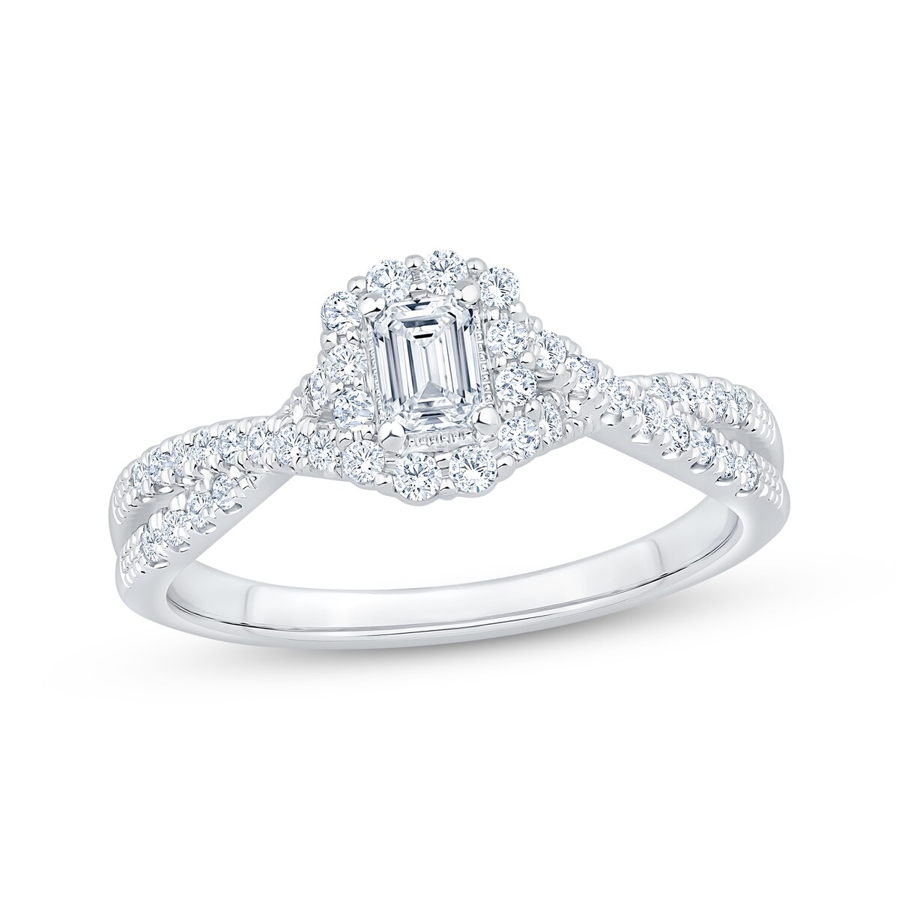
2025-06-13 | Shop Lab-Grown Diamond Engagement Rings | Kay | Now + Forever Lab-Grown Diamonds Emerald-Cut Halo Engagement Ring 1/2 ct tw 14K White Gold |  | 14K White Gold | $999.99 | 1/2 ct tw | 16.27 | https://www.kay.com/productimages/processed/V-818594804_0_260.jpg?pristine=true | N/A
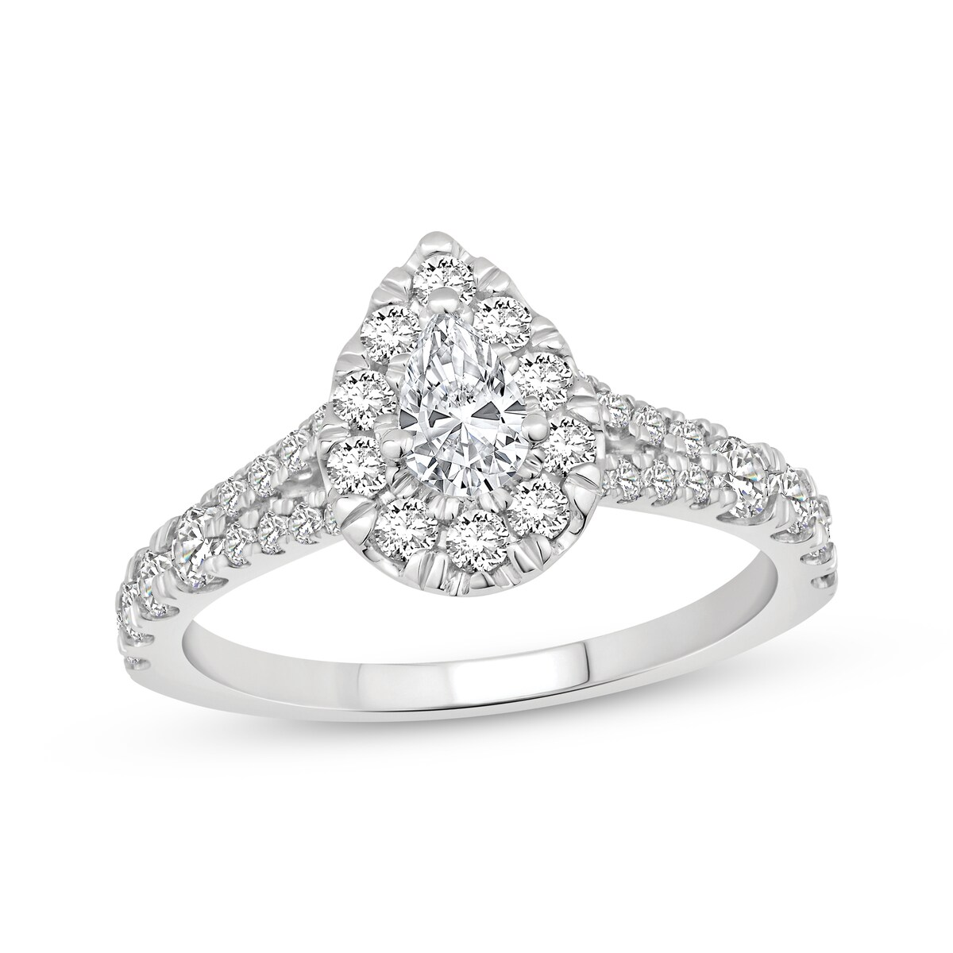
2025-06-13 | Shop Lab-Grown Diamond Engagement Rings | Kay | Now + Forever Lab-Grown Diamonds Pear-Shaped Halo Engagement Ring 1 ct tw 14K White Gold Clearance |  | 14K White Gold | $949.99 offer of 50% $1,899.99 | 1 ct tw | 16.27 | https://www.kay.com/productimages/processed/V-731482408_0_260.jpg?pristine=true | Clearance
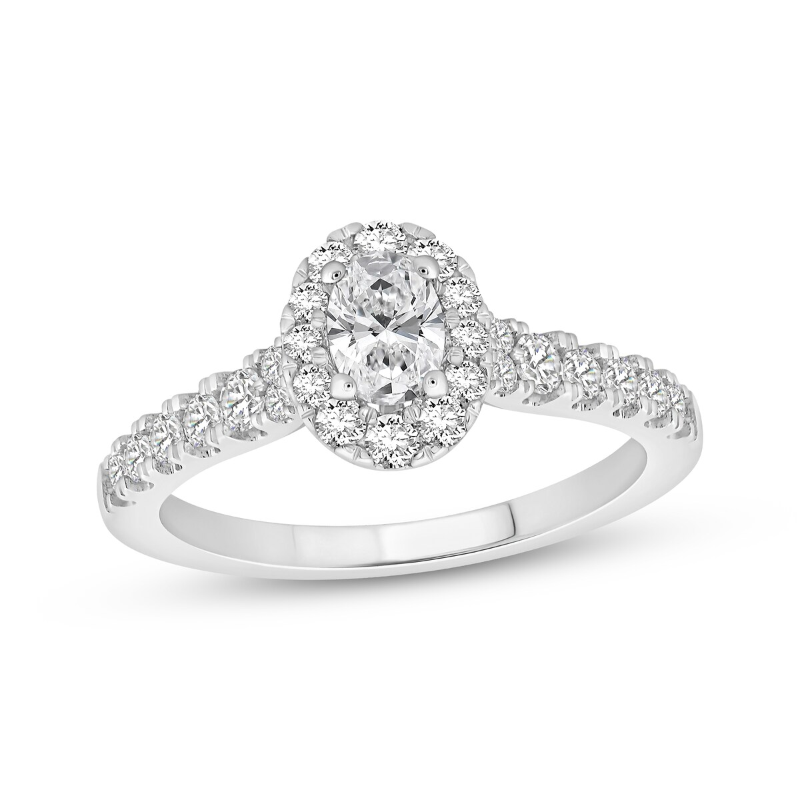
2025-06-13 | Shop Lab-Grown Diamond Engagement Rings | Kay | Now + Forever Lab-Grown Diamonds Oval-Cut Halo Engagement Ring 3/4 ct tw 14K White Gold |  | 14K White Gold | $999.99 | 3/4 ct tw | 16.27 | https://www.kay.com/productimages/processed/V-818611903_0_260.jpg?pristine=true | N/A
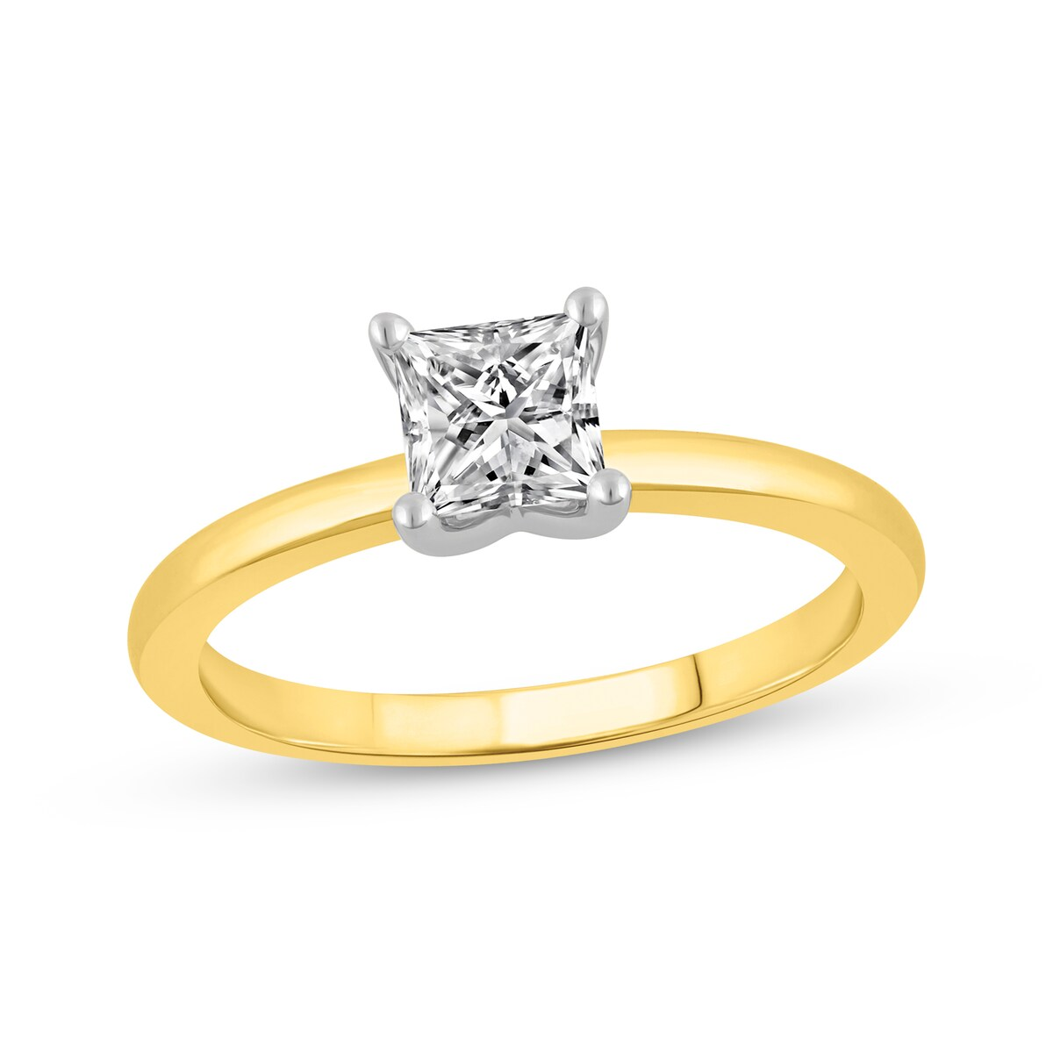
2025-06-13 | Shop Lab-Grown Diamond Engagement Rings | Kay | Now + Forever Lab-Grown Diamonds Princess-Cut Solitaire Engagement Ring 3/4 ct tw 14K Yellow Gold (F/SI2) Online Exclusive |  | 14K Yellow Gold | $1,499.99 | 3/4 ct tw | 16.27 | https://www.kay.com/productimages/processed/V-995027101_0_260.jpg?pristine=true | Online Exclusive
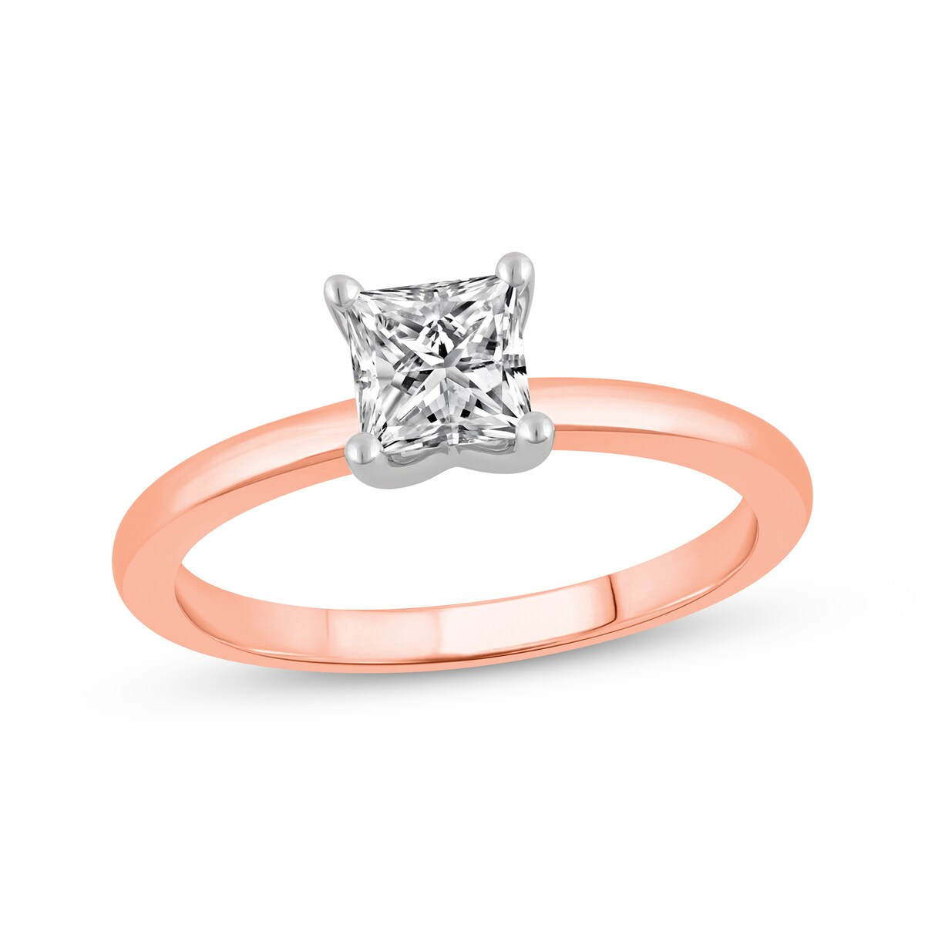
2025-06-13 | Shop Lab-Grown Diamond Engagement Rings | Kay | Now + Forever Lab-Grown Diamonds Princess-Cut Solitaire Engagement Ring 3/4 ct tw 14K Rose Gold (F/SI2) Online Exclusive |  | 14K Rose Gold | $1,499.99 | 3/4 ct tw | 16.27 | https://www.kay.com/productimages/processed/V-995027000_0_260.jpg?pristine=true | Online Exclusive
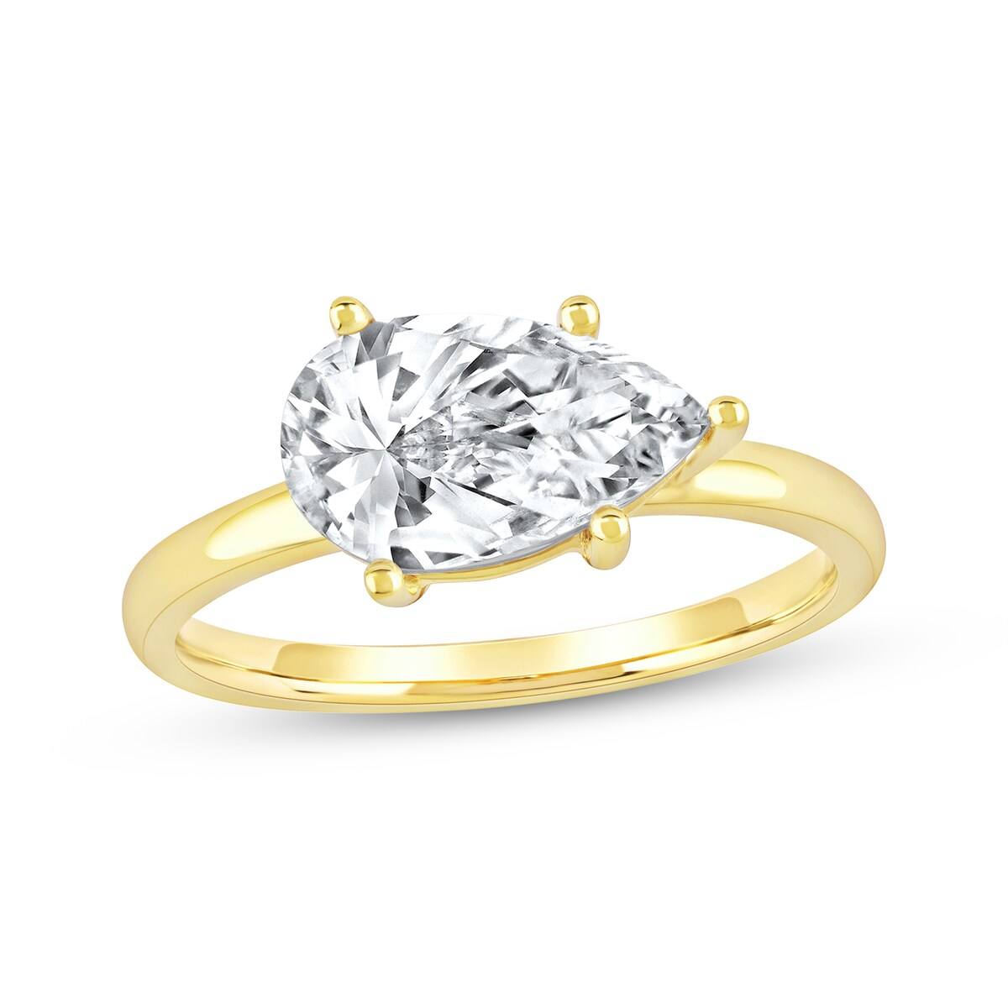
2025-06-13 | Shop Lab-Grown Diamond Engagement Rings | Kay | Now + Forever Lab-Grown Diamonds Pear-Shaped Solitaire Engagement Ring 2 ct tw 14K Yellow Gold (F/SI2) Online Exclusive |  | 14K Yellow Gold | $4,499.99 | 2 ct tw | 16.27 | https://www.kay.com/productimages/processed/V-994992600_0_260.jpg?pristine=true | Online Exclusive
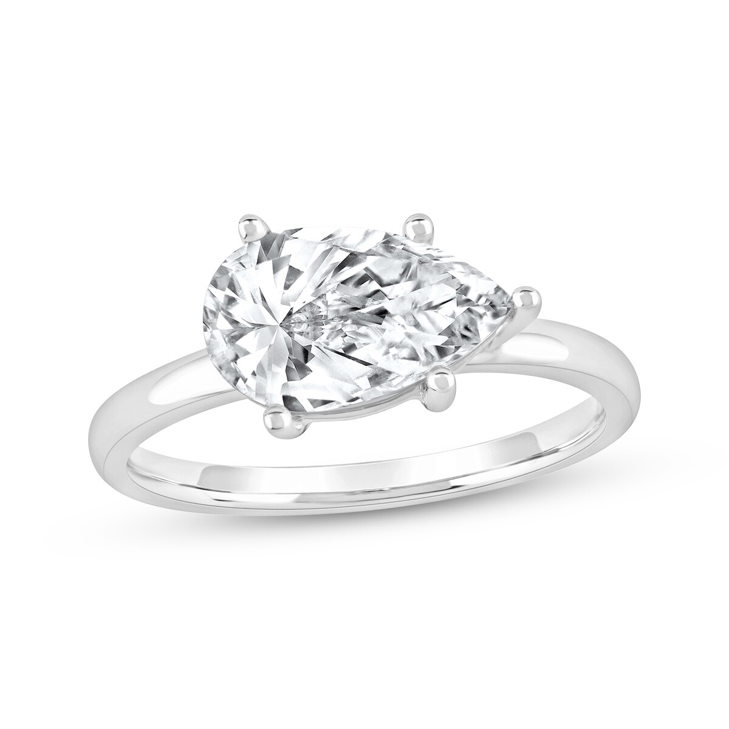
2025-06-13 | Shop Lab-Grown Diamond Engagement Rings | Kay | Now + Forever Lab-Grown Diamonds Pear-Shaped Solitaire Engagement Ring 2 ct tw 14K White Gold (F/SI2) Online Exclusive |  | 14K White Gold | $4,499.99 | 2 ct tw | 16.27 | https://www.kay.com/productimages/processed/V-994992509_0_260.jpg?pristine=true | Online Exclusive
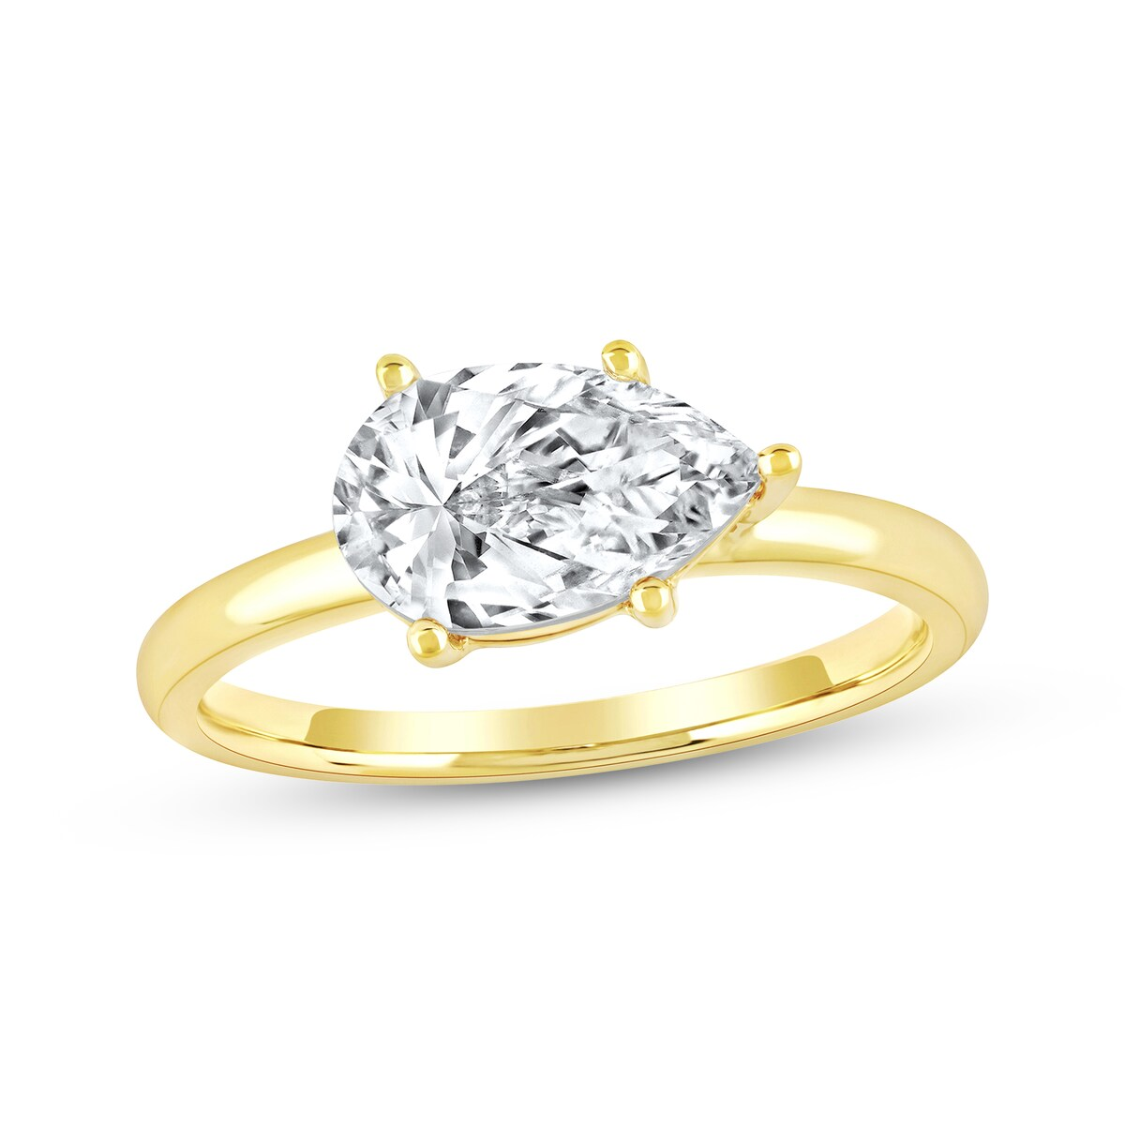
2025-06-13 | Shop Lab-Grown Diamond Engagement Rings | Kay | Now + Forever Lab-Grown Diamonds Pear-Shaped Solitaire Engagement Ring 1-1/2 ct tw 14K Yellow Gold (F/SI2) Online Exclusive |  | 14K Yellow Gold | $3,299.99 | 1/2 ct tw | 16.27 | https://www.kay.com/productimages/processed/V-994992408_0_260.jpg?pristine=true | Online Exclusive
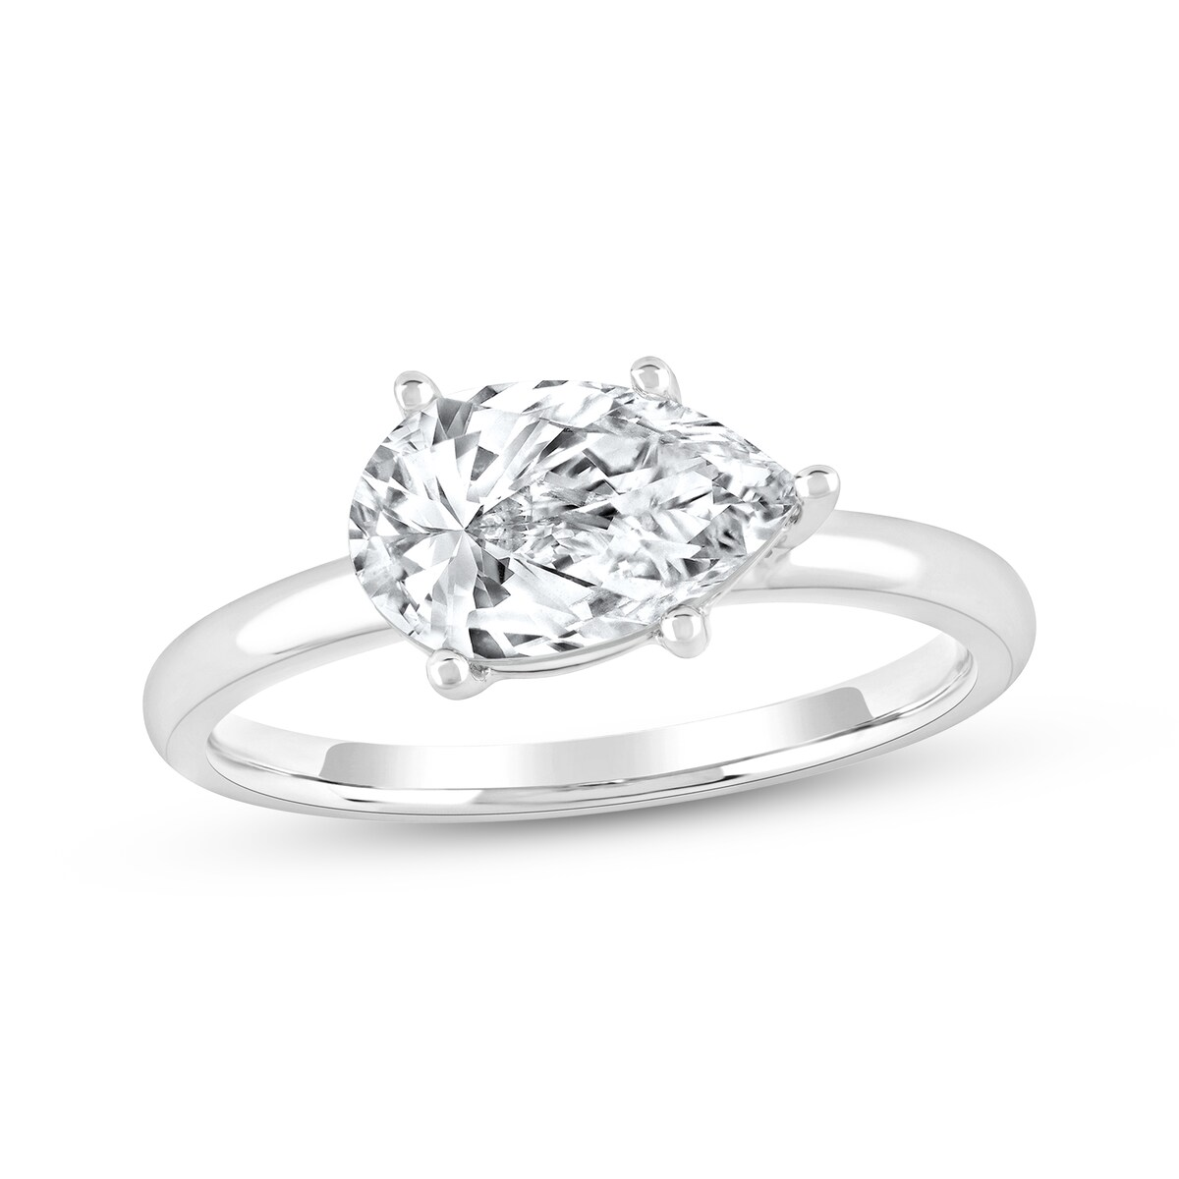
2025-06-13 | Shop Lab-Grown Diamond Engagement Rings | Kay | Now + Forever Lab-Grown Diamonds Pear-Shaped Solitaire Engagement Ring 1-1/2 ct tw 14K White Gold (F/SI2) Online Exclusive |  | 14K White Gold | $3,299.99 | 1/2 ct tw | 16.27 | https://www.kay.com/productimages/processed/V-994992307_0_260.jpg?pristine=true | Online Exclusive
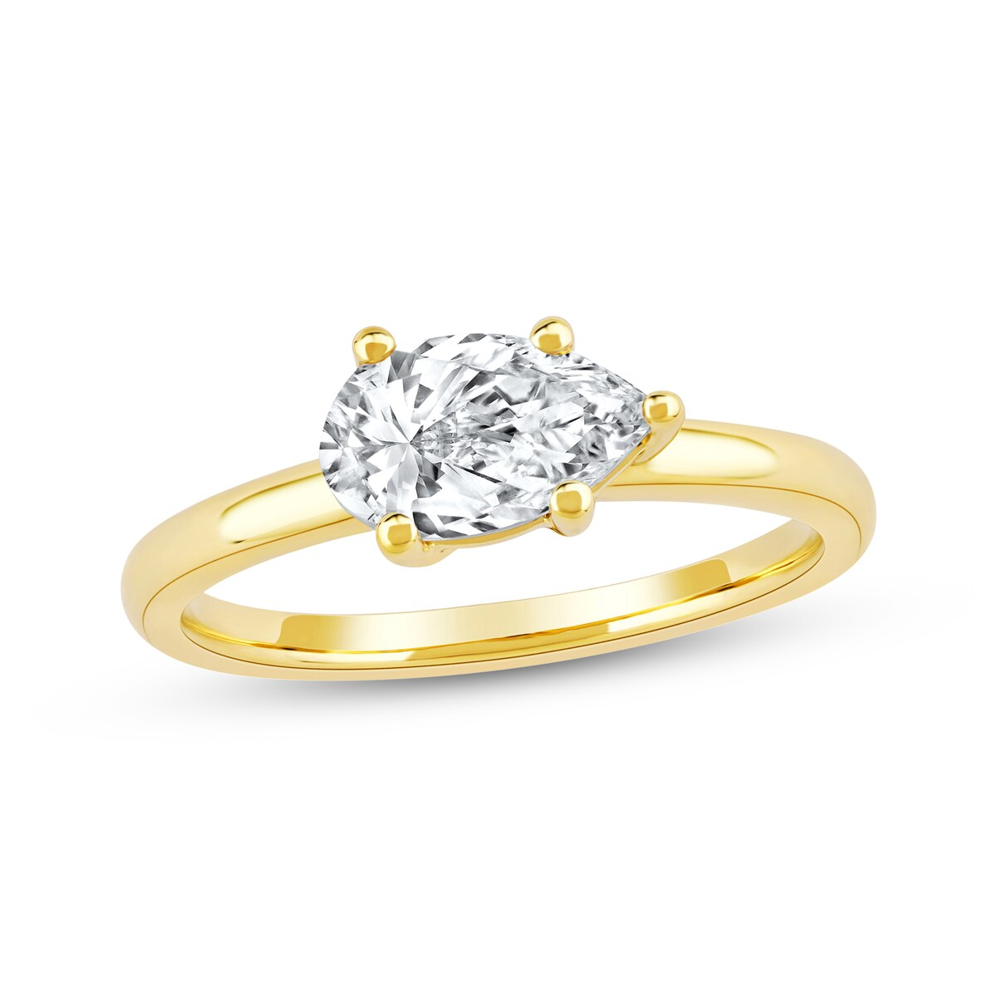
2025-06-13 | Shop Lab-Grown Diamond Engagement Rings | Kay | Now + Forever Lab-Grown Diamonds East West Pear-Shaped Solitaire Engagement Ring 1 ct tw 14K Yellow Gold (F/SI2) Online Exclusive |  | 14K Yellow Gold | $1,999.99 | 1 ct tw | 16.27 | https://www.kay.com/productimages/processed/V-994992206_0_260.jpg?pristine=true | Online Exclusive
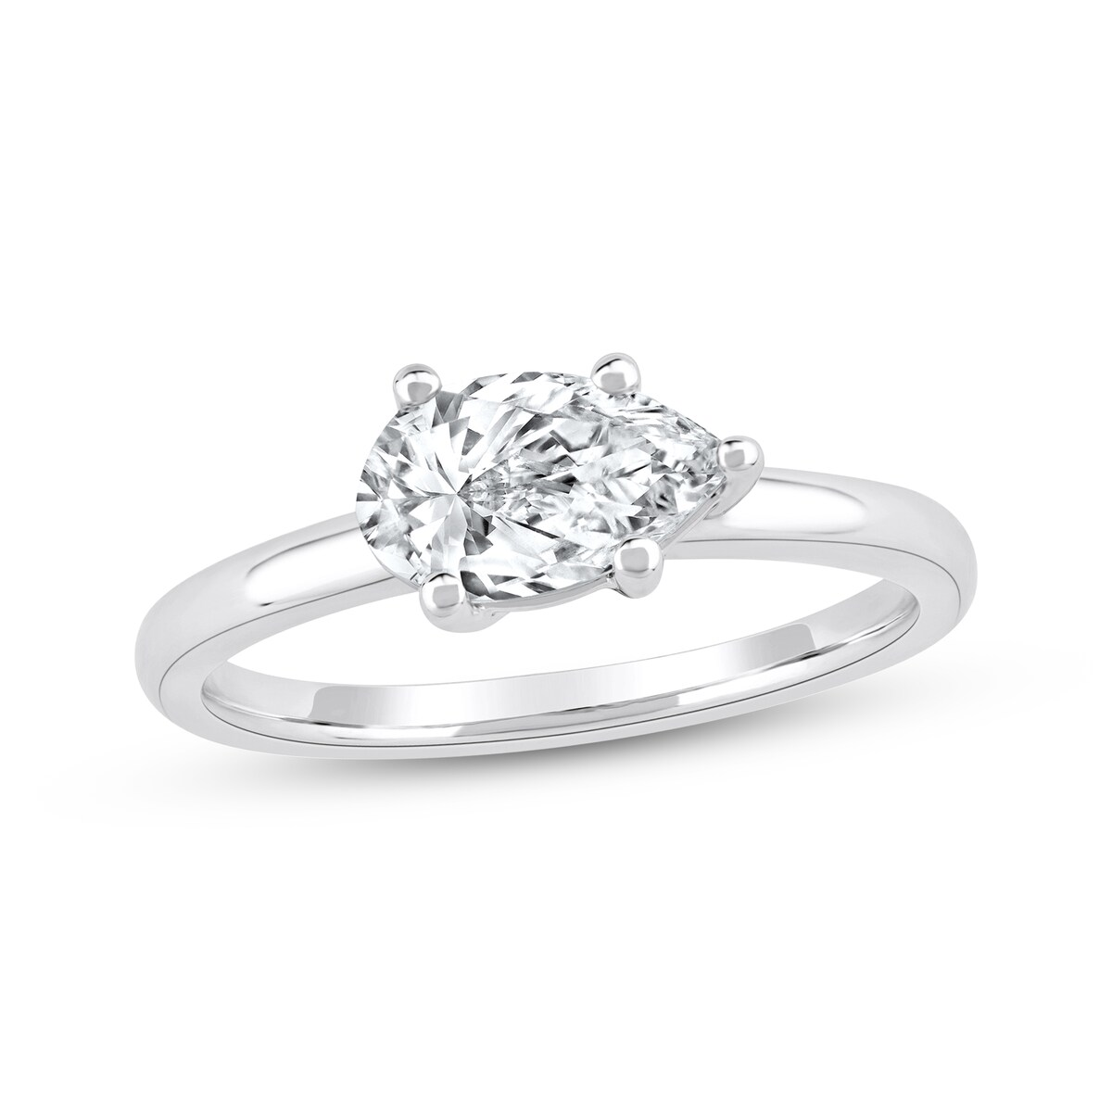
2025-06-13 | Shop Lab-Grown Diamond Engagement Rings | Kay | Now + Forever Lab-Grown Diamonds East West Pear-Shaped Solitaire Engagement Ring 1 ct tw 14K White Gold (F/SI2) Online Exclusive |  | 14K White Gold | $1,999.99 | 1 ct tw | 16.27 | https://www.kay.com/productimages/processed/V-994992105_0_260.jpg?pristine=true | Online Exclusive
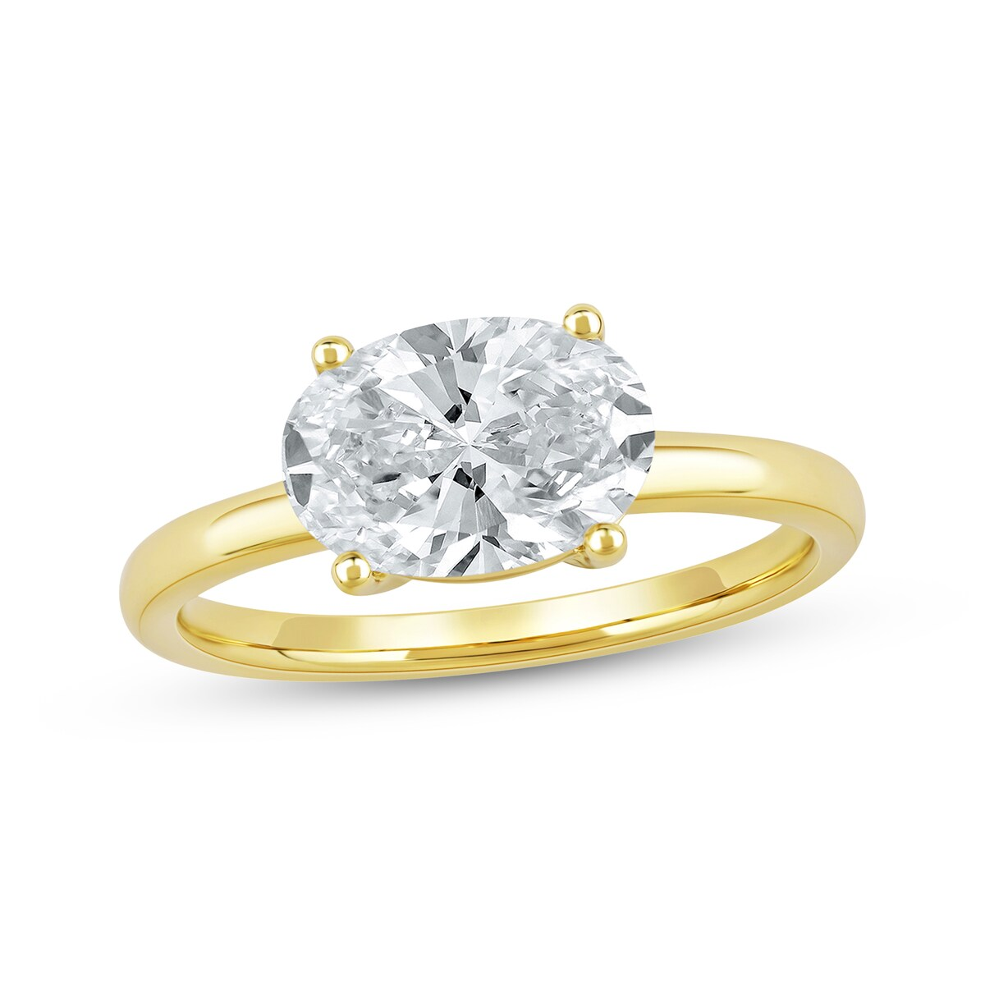
2025-06-13 | Shop Lab-Grown Diamond Engagement Rings | Kay | Now + Forever Lab-Grown Diamonds Oval-Cut Solitaire Engagement Ring 2 ct tw 14K Yellow Gold (F/SI2) Online Exclusive |  | 14K Yellow Gold | $4,499.99 | 2 ct tw | 16.27 | https://www.kay.com/productimages/processed/V-994991901_0_260.jpg?pristine=true | Online Exclusive
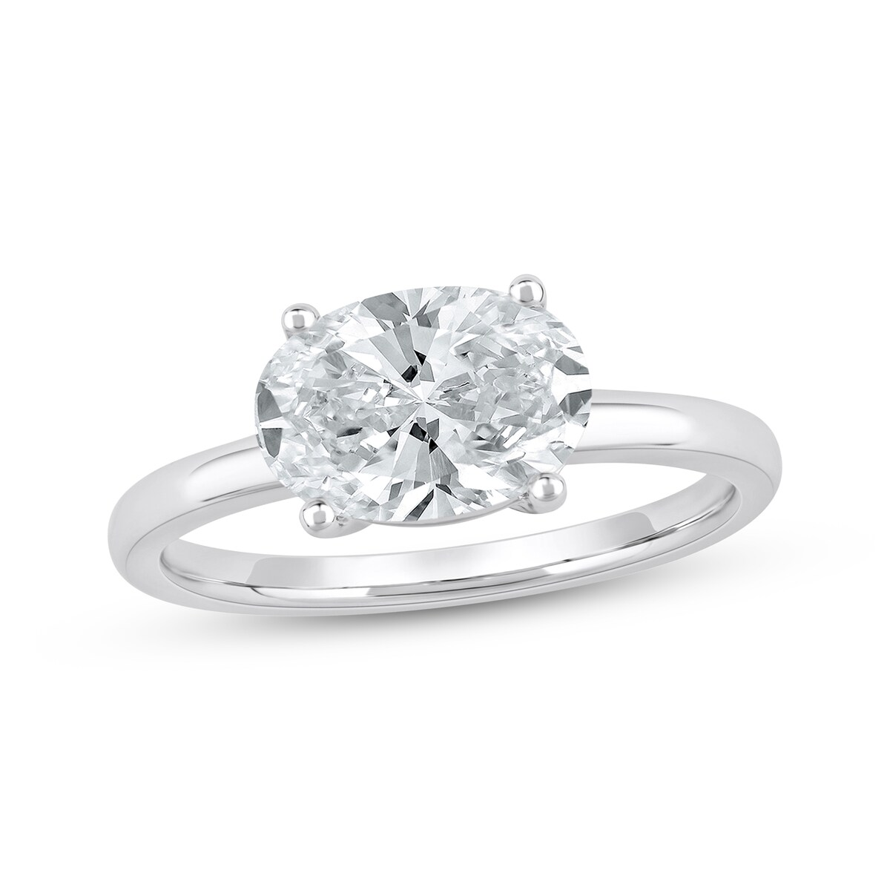
2025-06-13 | Shop Lab-Grown Diamond Engagement Rings | Kay | Now + Forever Lab-Grown Diamonds Oval-Cut Solitaire Engagement Ring 2 ct tw 14K White Gold (F/SI2) Online Exclusive |  | 14K White Gold | $4,499.99 | 2 ct tw | 16.27 | https://www.kay.com/productimages/processed/V-994991800_0_260.jpg?pristine=true | Online Exclusive
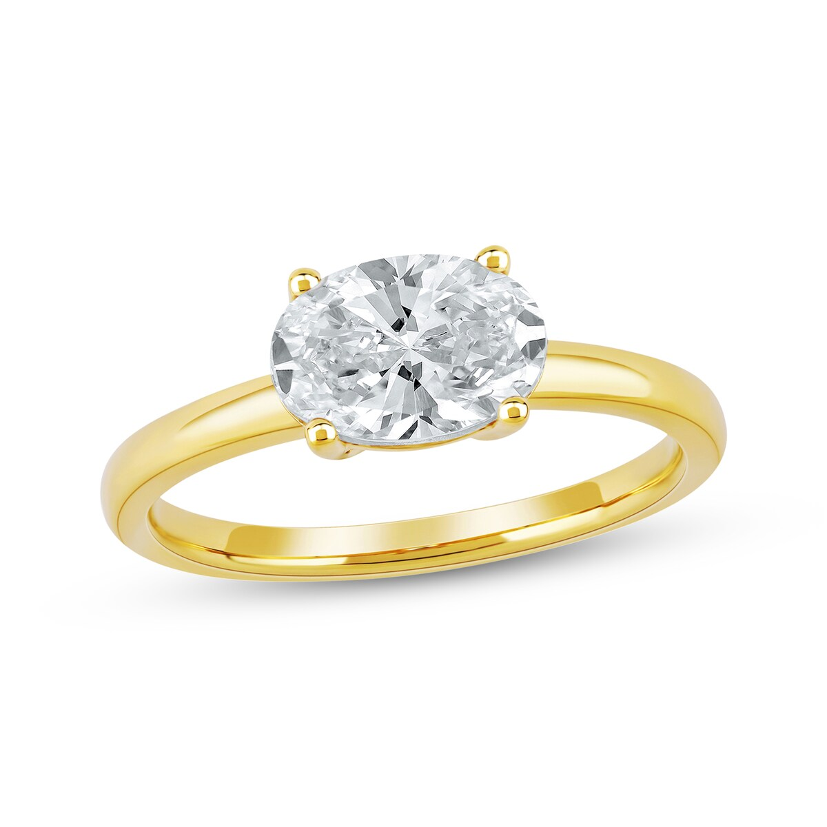
2025-06-13 | Shop Lab-Grown Diamond Engagement Rings | Kay | Now + Forever Lab-Grown Diamonds Oval-Cut Solitaire Engagement Ring 1-1/2 ct tw 14K Yellow Gold (F/SI2) Online Exclusive |  | 14K Yellow Gold | $3,299.99 | 1/2 ct tw | 16.27 | https://www.kay.com/productimages/processed/V-994991709_0_260.jpg?pristine=true | Online Exclusive
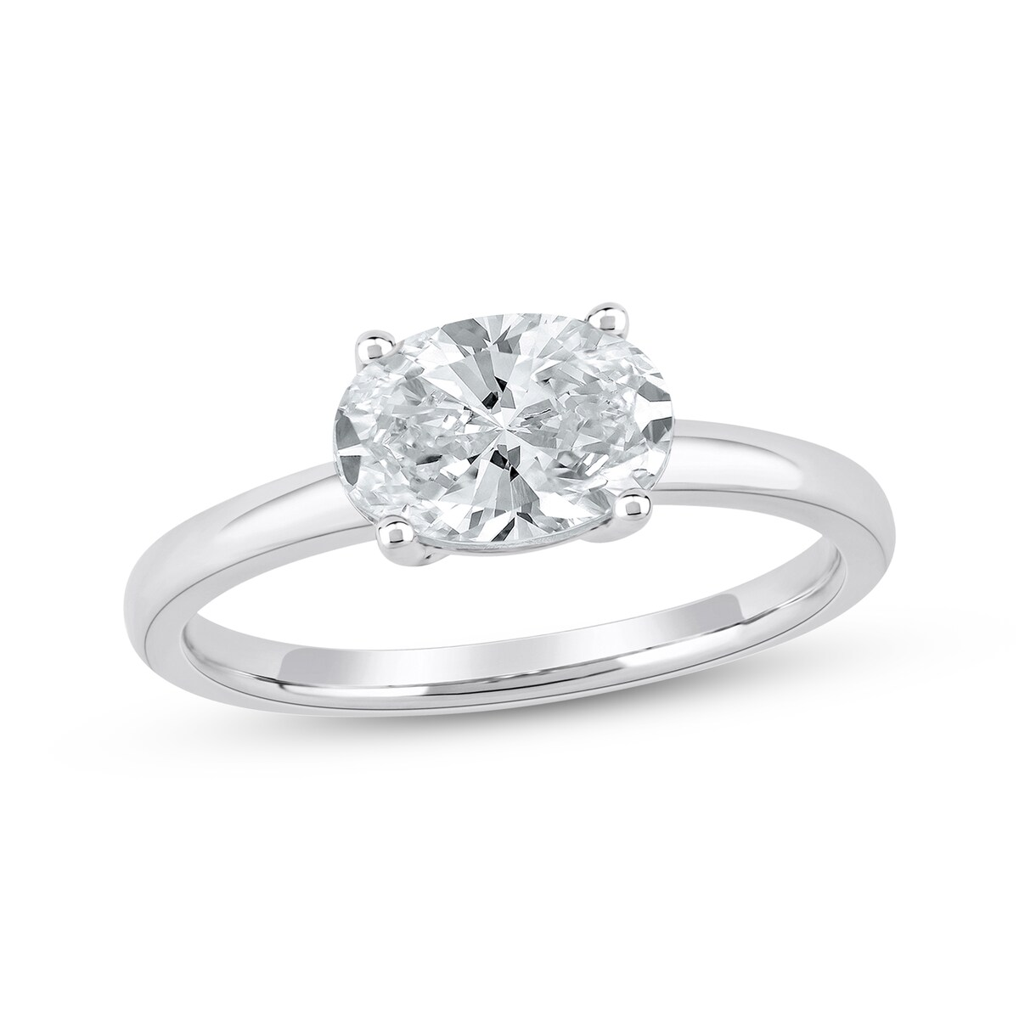
2025-06-13 | Shop Lab-Grown Diamond Engagement Rings | Kay | Now + Forever Lab-Grown Diamonds Oval-Cut Solitaire Engagement Ring 1-1/2 ct tw 14K White Gold (F/SI2) Online Exclusive |  | 14K White Gold | $3,299.99 | 1/2 ct tw | 16.27 | https://www.kay.com/productimages/processed/V-994991608_0_260.jpg?pristine=true | Online Exclusive
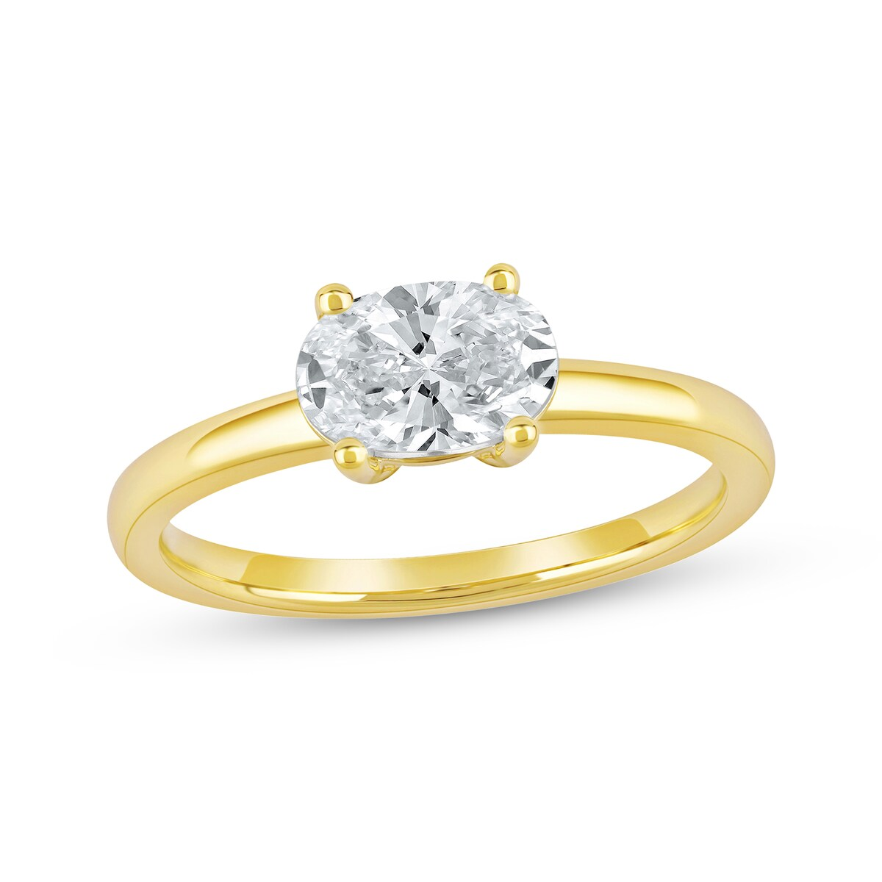
2025-06-13 | Shop Lab-Grown Diamond Engagement Rings | Kay | Now + Forever Lab-Grown Diamonds Oval-Cut Solitaire Engagement Ring 1 ct tw 14K Yellow Gold (F/SI2) Online Exclusive |  | 14K Yellow Gold | $1,999.99 | 1 ct tw | 16.27 | https://www.kay.com/productimages/processed/V-994991507_0_260.jpg?pristine=true | Online Exclusive
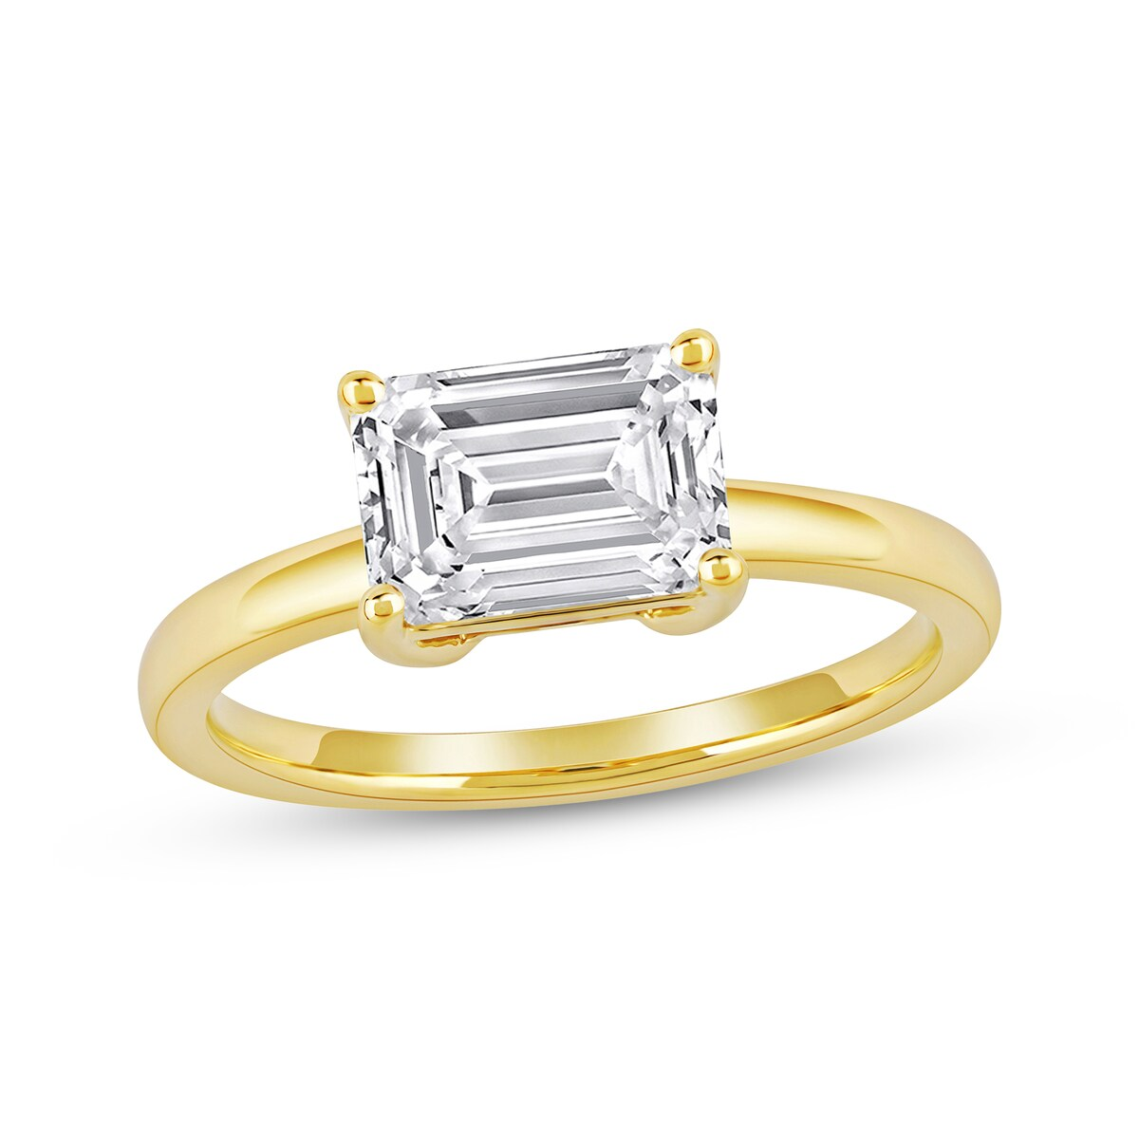
2025-06-13 | Shop Lab-Grown Diamond Engagement Rings | Kay | Now + Forever Lab-Grown Diamonds Emerald-Cut Solitaire Engagement Ring 2 ct tw 14K Yellow Gold (F/SI2) Online Exclusive |  | 14K Yellow Gold | $4,499.99 | 2 ct tw | 16.27 | https://www.kay.com/productimages/processed/V-994991305_0_260.jpg?pristine=true | Online Exclusive
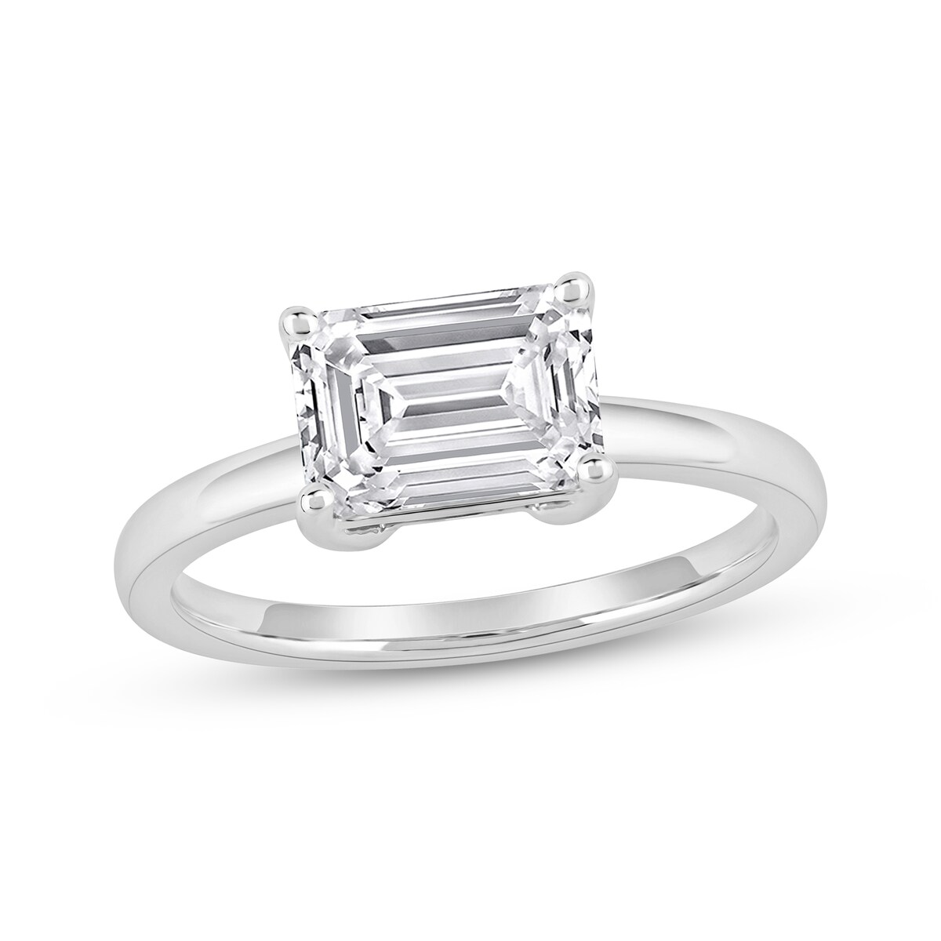
2025-06-13 | Shop Lab-Grown Diamond Engagement Rings | Kay | Now + Forever Lab-Grown Diamonds Emerald-Cut Solitaire Engagement Ring 2 ct tw 14K White Gold (F/SI2) Online Exclusive |  | 14K White Gold | $4,499.99 | 2 ct tw | 16.27 | https://www.kay.com/productimages/processed/V-994991204_0_260.jpg?pristine=true | Online Exclusive
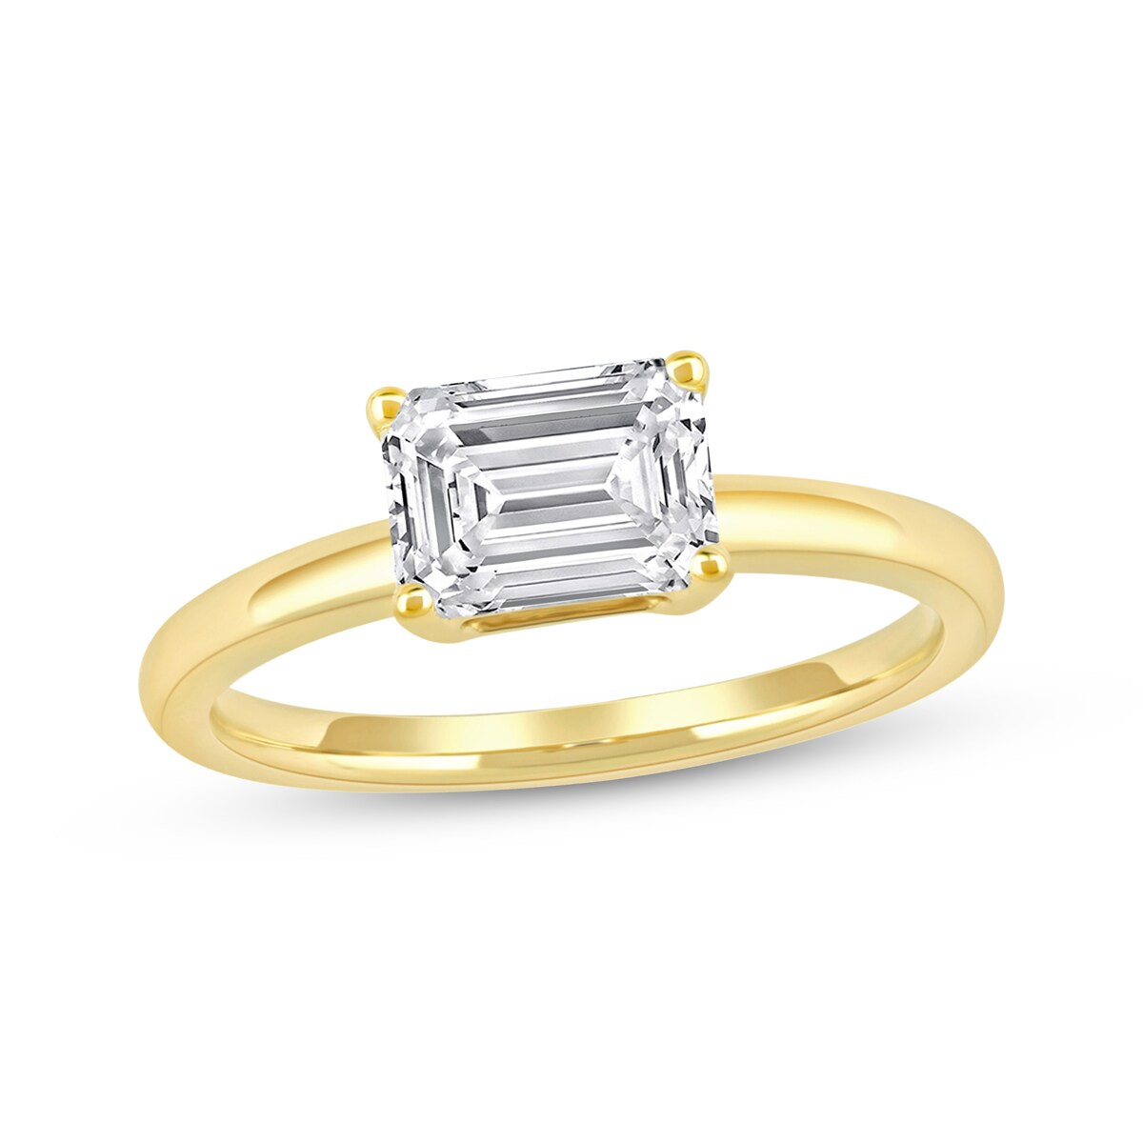
2025-06-13 | Shop Lab-Grown Diamond Engagement Rings | Kay | Now + Forever Lab-Grown Diamonds Emerald-Cut Solitaire Engagement Ring 1-1/2 ct tw 14K Yellow Gold (F/SI2) Online Exclusive |  | 14K Yellow Gold | $3,299.99 | 1/2 ct tw | 16.27 | https://www.kay.com/productimages/processed/V-994991103_0_260.jpg?pristine=true | Online Exclusive
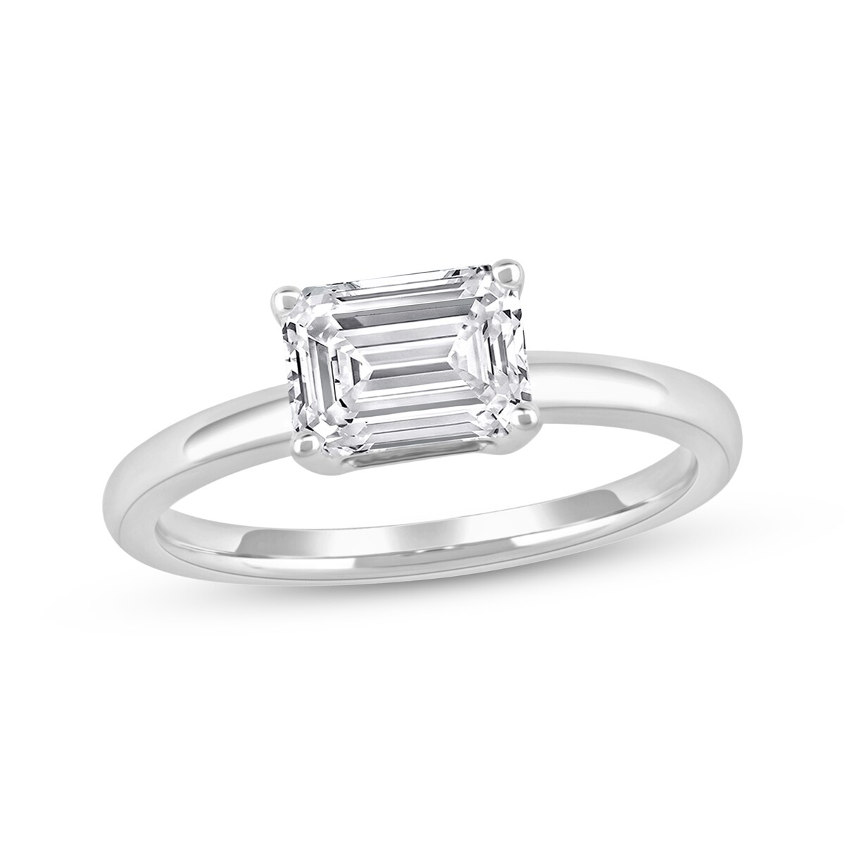
2025-06-13 | Shop Lab-Grown Diamond Engagement Rings | Kay | Now + Forever Lab-Grown Diamonds Emerald-Cut Solitaire Engagement Ring 1-1/2 ct tw 14K White Gold (F/SI2) Online Exclusive |  | 14K White Gold | $3,299.99 | 1/2 ct tw | 16.27 | https://www.kay.com/productimages/processed/V-994991002_0_260.jpg?pristine=true | Online Exclusive
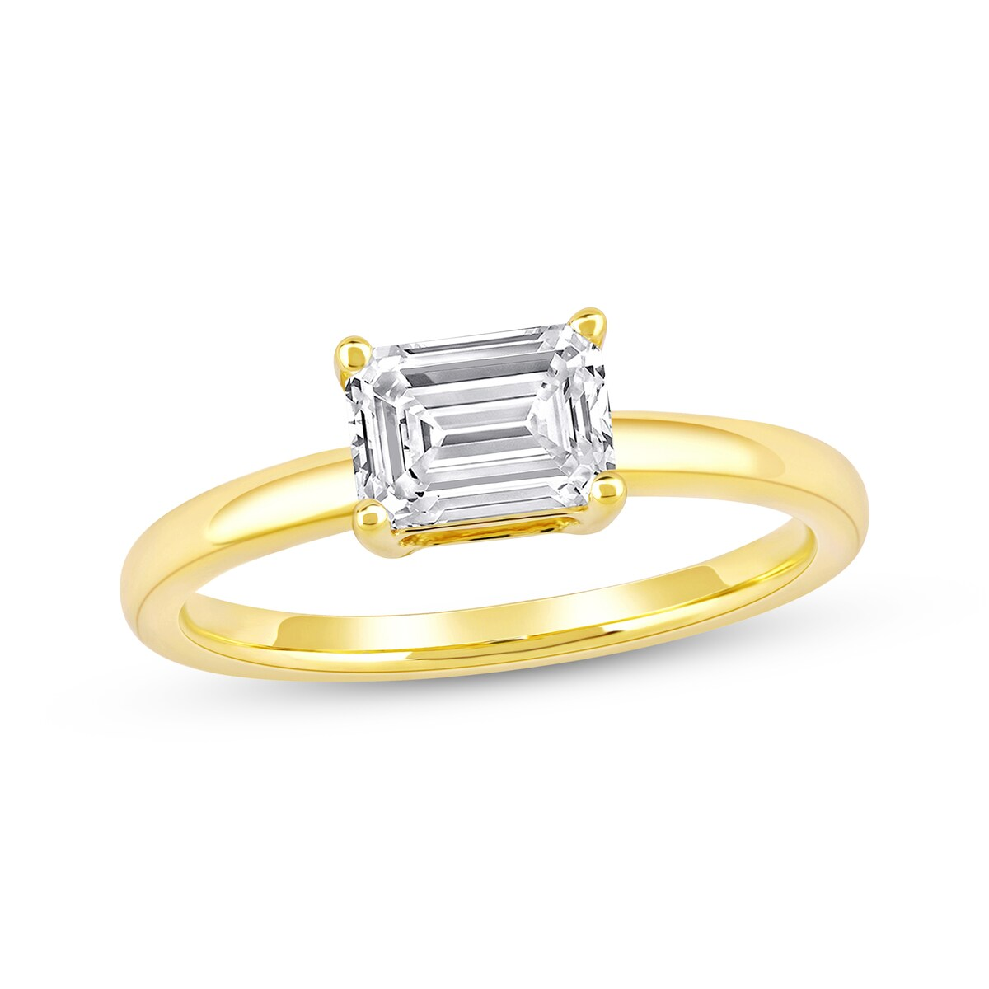
2025-06-13 | Shop Lab-Grown Diamond Engagement Rings | Kay | Now + Forever Lab-Grown Diamonds East West Emerald-Cut Solitaire Engagement Ring 1 ct tw 14K Yellow Gold (F/SI2) Online Exclusive |  | 14K Yellow Gold | $1,999.99 | 1 ct tw | 16.27 | https://www.kay.com/productimages/processed/V-994990909_0_260.jpg?pristine=true | Online Exclusive
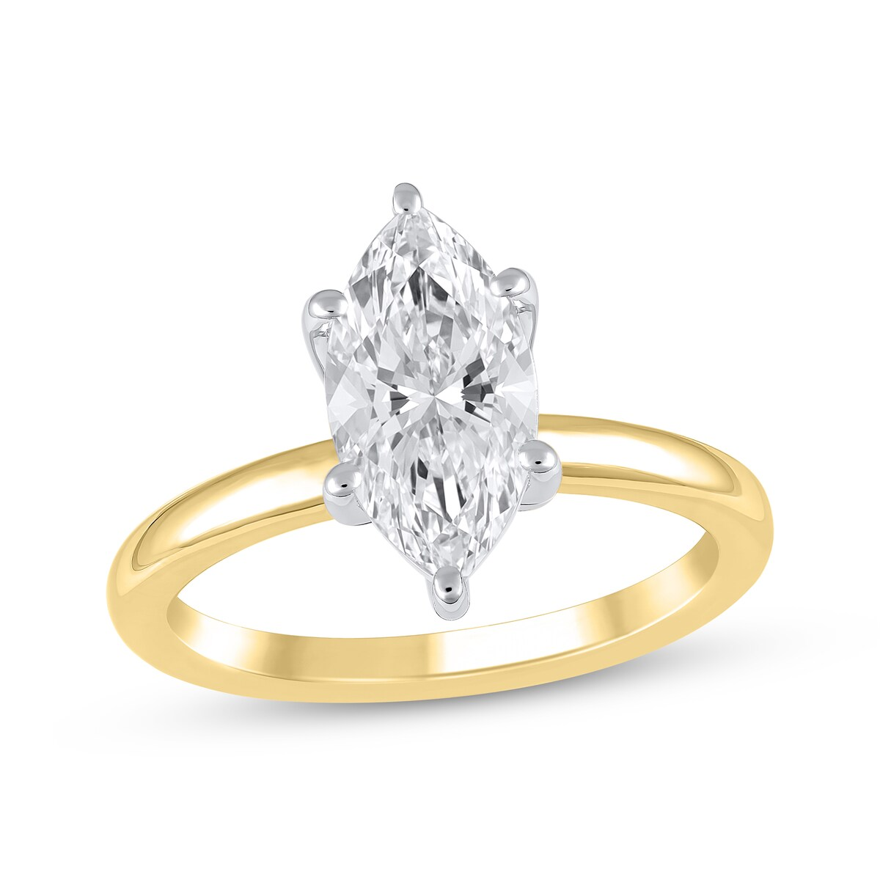
2025-06-13 | Shop Lab-Grown Diamond Engagement Rings | Kay | Now + Forever Lab-Grown Diamonds Marquise-Cut Solitaire Engagement Ring 2 ct tw 14K Yellow Gold (F/SI2) (F/SI2) Online Exclusive |  | 14K Yellow Gold | $4,499.99 | 2 ct tw | 16.27 | https://www.kay.com/productimages/processed/V-994861805_0_260.jpg?pristine=true | Online Exclusive
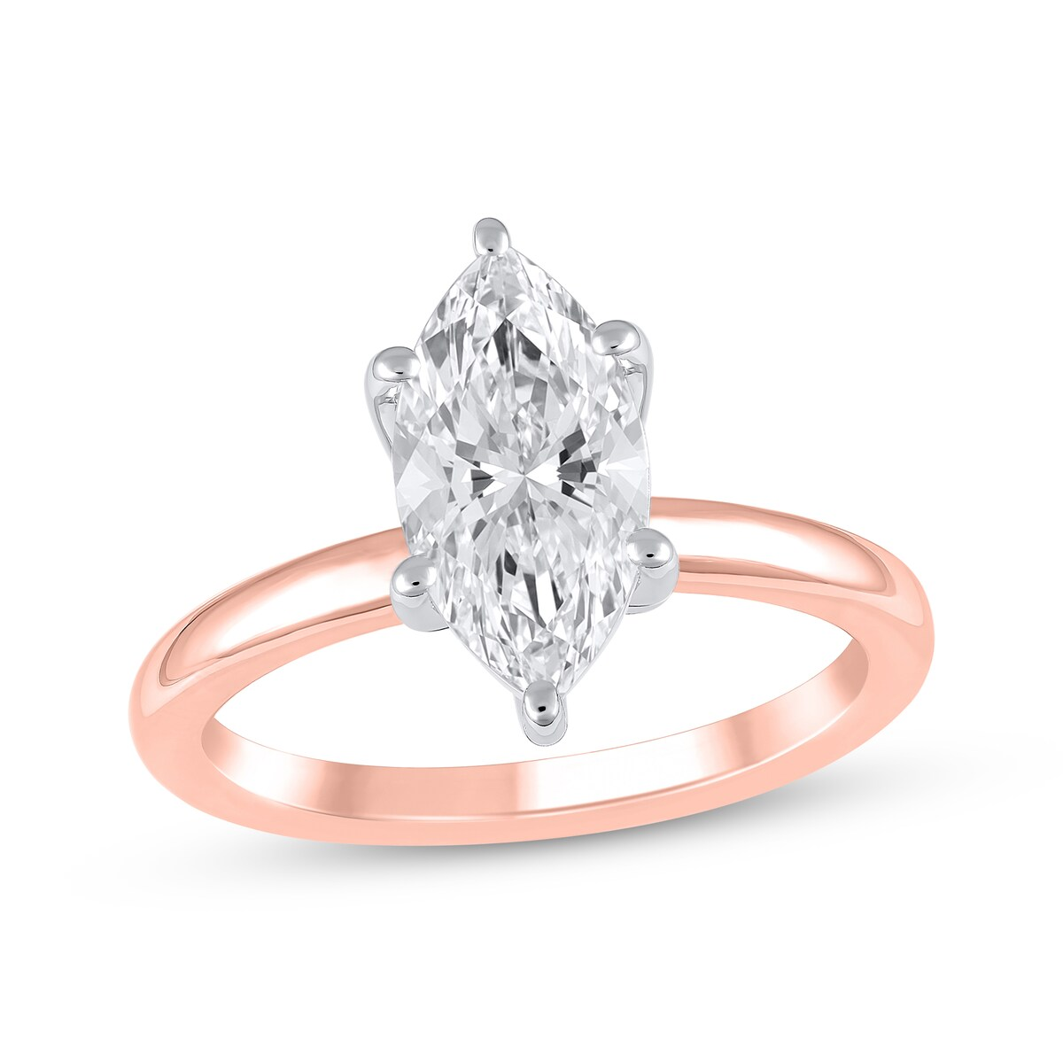
2025-06-13 | Shop Lab-Grown Diamond Engagement Rings | Kay | Now + Forever Lab-Grown Diamonds Marquise-Cut Solitaire Engagement Ring 2 ct tw 14K Rose Gold (F/SI2) (F/SI2) Online Exclusive |  | 14K Rose Gold | $4,499.99 | 2 ct tw | 16.27 | https://www.kay.com/productimages/processed/V-994861704_0_260.jpg?pristine=true | Online Exclusive
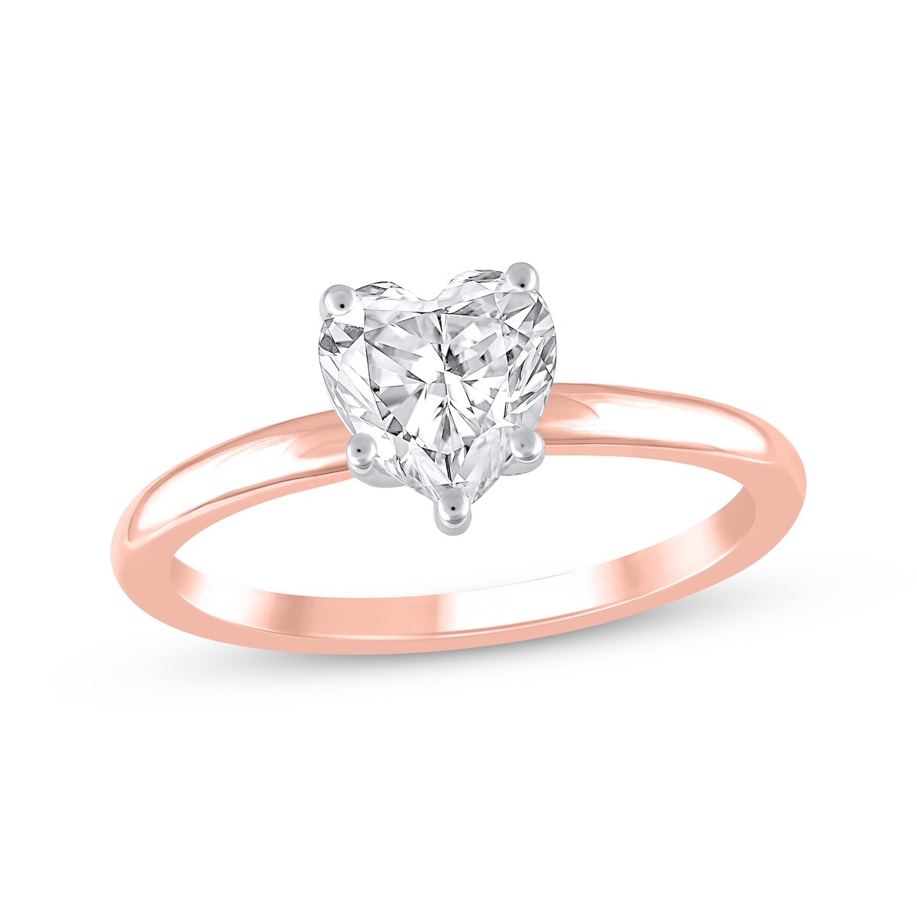
2025-06-13 | Shop Lab-Grown Diamond Engagement Rings | Kay | Now + Forever Lab-Grown Diamonds Heart-Shaped Solitaire Engagement Ring 1 ct tw 14K Rose Gold (F/SI2) (F/SI2) Online Exclusive |  | 14K Rose Gold | $1,999.99 | 1 ct tw | 16.27 | https://www.kay.com/productimages/processed/V-994861401_0_260.jpg?pristine=true | Online Exclusive
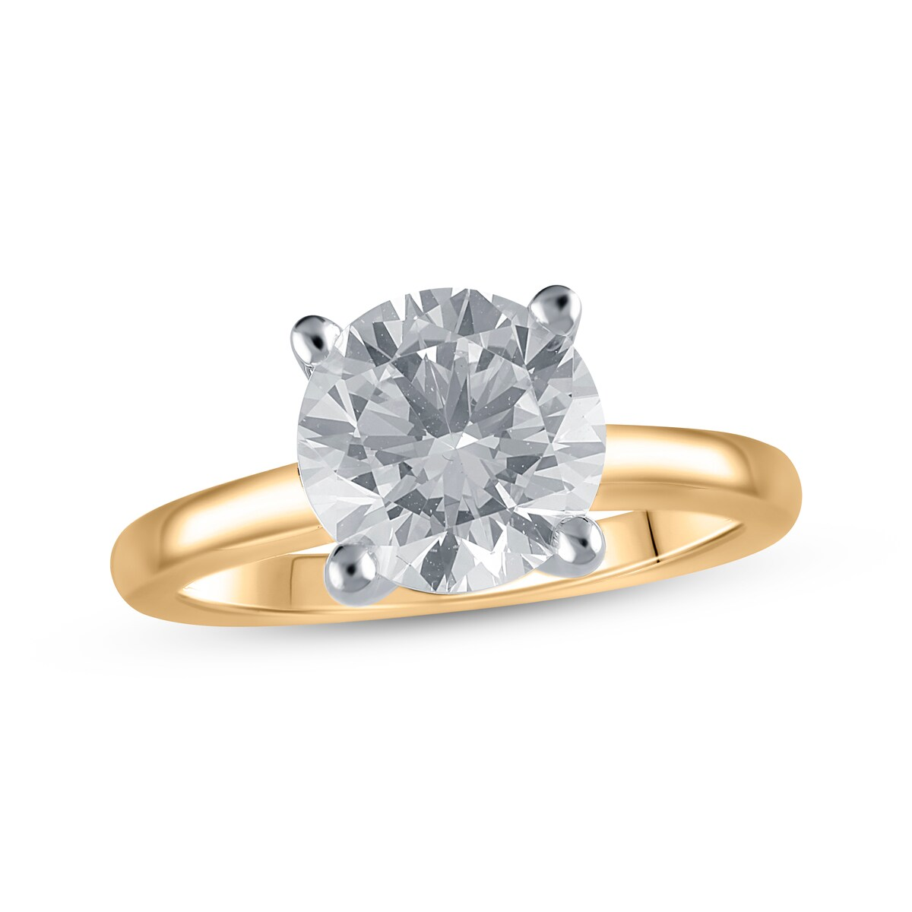
2025-06-13 | Shop Lab-Grown Diamond Engagement Rings | Kay | Now + Forever Lab-Grown Diamonds Round-Cut Solitaire Engagement Ring 3 ct tw 14K Yellow Gold (F/SI2) Clearance |  | 14K Yellow Gold | $6,999.99 offer of 30% $9,999.99 | 3 ct tw | 16.27 | https://www.kay.com/productimages/processed/V-994651709_0_260.jpg?pristine=true | Clearance
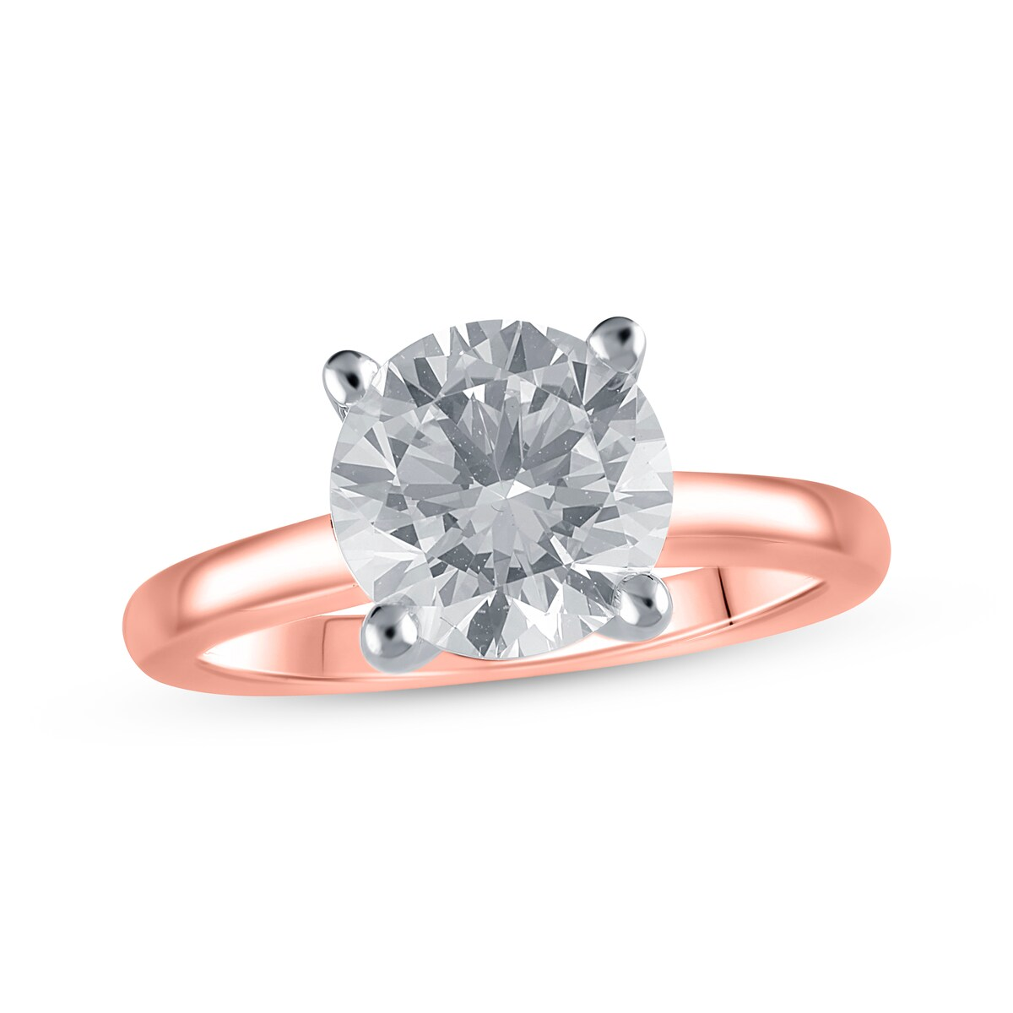
2025-06-13 | Shop Lab-Grown Diamond Engagement Rings | Kay | Now + Forever Lab-Grown Diamonds Round-Cut Solitaire Engagement Ring 3 ct tw 14K Rose Gold (F/SI2) Clearance |  | 14K Rose Gold | $6,999.99 offer of 30% $9,999.99 | 3 ct tw | 16.27 | https://www.kay.com/productimages/processed/V-994651305_0_260.jpg?pristine=true | Clearance
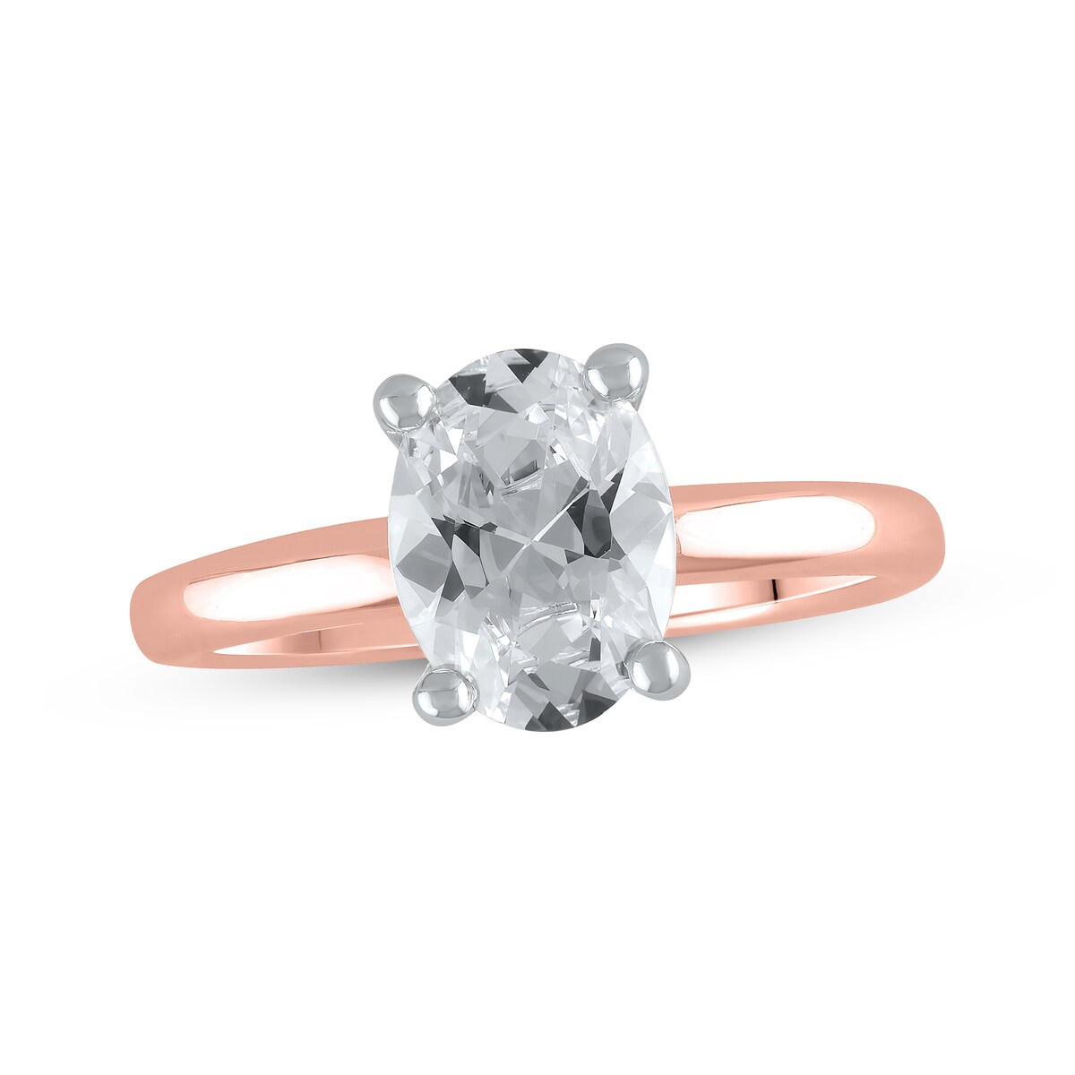
2025-06-13 | Shop Lab-Grown Diamond Engagement Rings | Kay | Now + Forever Lab-Grown Diamonds Oval-Cut Solitaire Engagement Ring 2 ct tw 14K Rose Gold (F/SI2) Online Exclusive |  | 14K Rose Gold | $4,499.99 | 2 ct tw | 16.27 | https://www.kay.com/productimages/processed/V-994651204_0_260.jpg?pristine=true | Online Exclusive

