Products
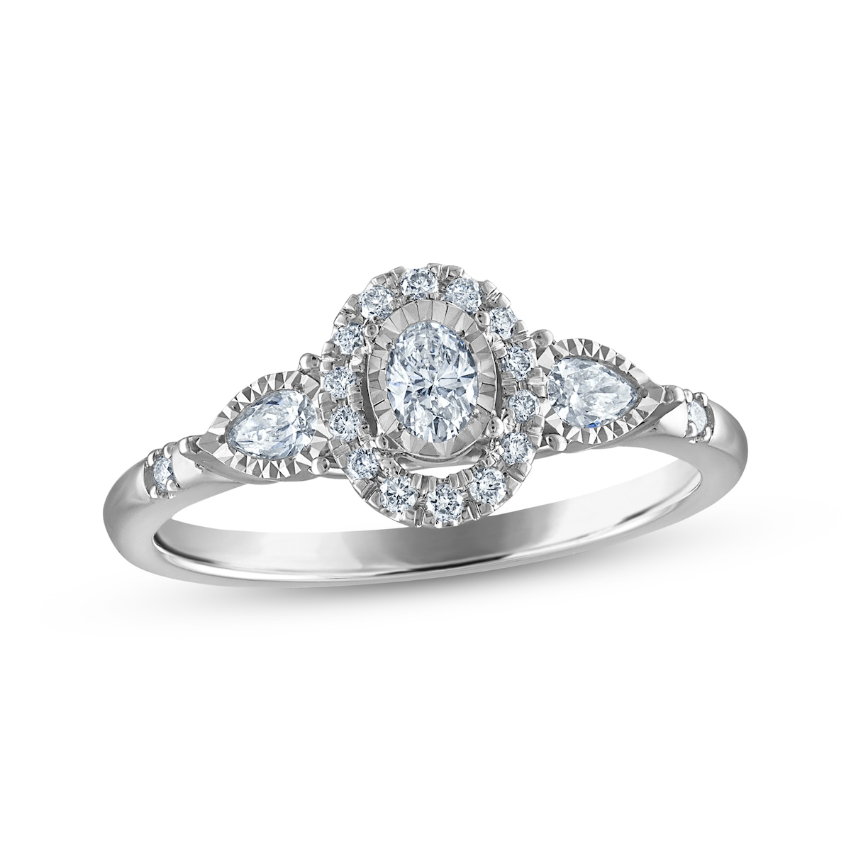
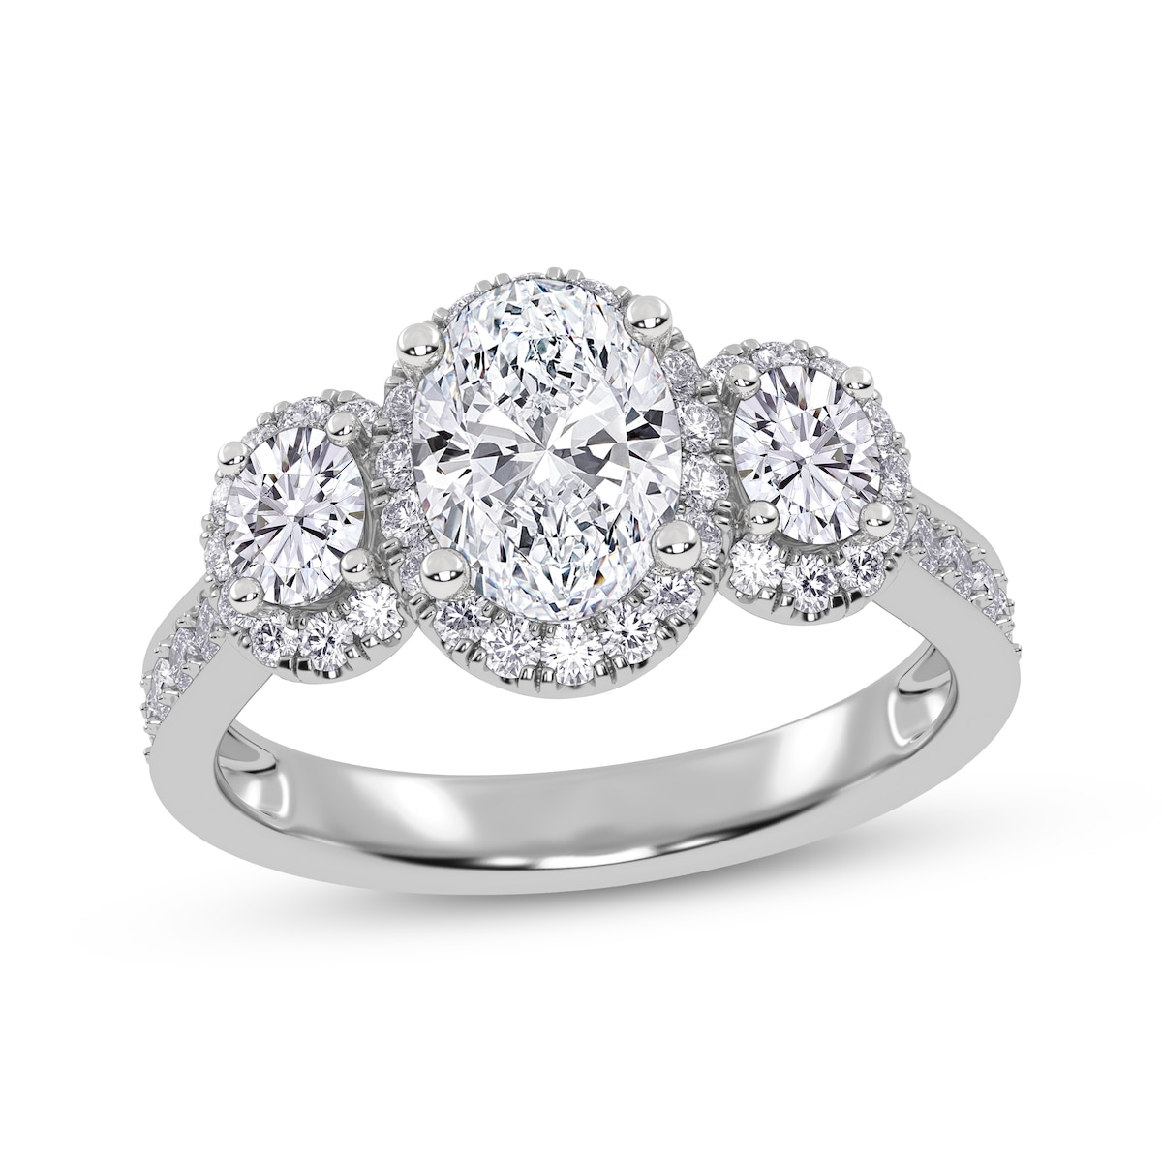
Current Date | Header | Product Name | Image | Kt | Price | Total Dia wt | Time | ImagePath | Additional Info
2025-06-17 | Explore Engagement Ring Styles | Kay | Previously Owned Memories Moments Magic Oval-Cut & Pear-Shaped Three-Stone Diamond Engagement Ring 1/3 ct tw 14K White Gold Previously Owned |  | 14K White Gold | $839.99 offer of 40% $1,399.99 | 1/3 ct tw | 16.49 | https://www.kay.com/productimages/processed/V-890764501_0_260.jpg?pristine=true | Previously Owned
2025-06-17 | Explore Engagement Ring Styles | Kay | Memories Moments Magic Oval-Cut Lab-Grown Diamond Three-Stone Halo Engagement Ring 1-1/2 ct tw 14K White Gold Clearance |  | 14K White Gold | $1,499.99 offer of 50% $2,999.99 | 1/2 ct tw | 16.49 | https://www.kay.com/productimages/processed/V-360736007_0_260.jpg?pristine=true | Clearance

