Sheet1
 | Coarse Grained |  | Medium Grained |  | Fine Grained
3.7399589801 | 0.069924607636 | 8.561563537 | 0.155199964 | 12.405918979 | 0.35620771309
4.7472683921 | 0.12240509425 | 9.910353443 | 3.834919059 | 13.211074219 | 1.1962664062
6.6997046725 | 0.17922923036 | 10.86761363 | 0.116742172 | 12.950907993 | 0.29457866392
7.2286091605 | 0.38127661043 | 10.97611707 | 0.163092163 | 14.838626744 | 0.95495348526
7.8297187921 | 4.2551741541 | 10.86552014 | 0.778784086 | 14.0473134 | 0.28337903874
9.7405656465 | 0.23423261153 | 10.97661808 | 0.264824186 | 15.789220607 | 1.523719879
10.699455484 | 0.11074572339 | 13.26700579 | 0.428553533 | 15.711477849 | 0.14634813669
10.896819563 | 5.2404099838 | 13.67907076 | 0.913352476 | 16.975543497 | 2.2848403819
11.282598514 | 0.71265441585 | 13.3612783 | 0.122210618 | 17.6490362 | 1.1146102076
11.57789646 | 0.14136117151 | 14.12815049 | 0.415074973 | 16.813169939 | 0.207321649
12.367401939 | 0.90511816314 | 14.574087 | 0.575123347 | 18.857795686 | 0.6883369868
12.971061111 | 0.26284215268 | 14.92683652 | 2.599648124 | 18.585502994 | 0.16149719713
14.60855623 | 2.045985035 | 15.34218188 | 0.356306228 | 19.251267801 | 1.5732150978
15.617283081 | 2.2292618172 | 14.88166254 | 5.710416974 | 20.067196639 | 0.29607108706
15.68060851 | 0.66204705343 | 16.39799698 | 0.13420448 | 19.707871749 | 0.13118739535
16.521846592 | 9.2202110171 | 17.99816386 | 0.730845356 | 21.638003047 | 6.9220927105
16.758212049 | 1.6252408946 | 19.34729986 | 7.021647895 | 21.353048639 | 0.9887011352
18.389579075 | 16.351284302 | 19.02095892 | 0.82141487 | 21.281097103 | 0.24115579087
18.70989387 | 0.13026564892 | 19.96669984 | 0.277795359 | 21.582497576 | 4.2837105993
18.998988868 | 2.8125265717 | 20.56460798 | 5.042935453 | 23.118148935 | 2.2275652328
19.930088501 | 83.562005383 | 20.55955618 | 1.455244333 | 22.799713247 | 0.31133561772
22.308858622 | 1.0947150371 | 24.4617616 | 1.27188892 | 23.449325599 | 0.13775536676
22.762568676 | 7.7695620752 | 24.51169513 | 61.56345328 | 23.060871 | 8.3313943275
24.183691651 | 2.7657163017 | 25.93807824 | 3.63475299 | 23.710207291 | 13.010941716
25.580670444 | 82.247385909 | 30.66796538 | 41.99975741 | 24.279802727 | 0.75432025492
24.746195416 | 14.546880335 | 19.44281525 | 0.406313321 | 25.067277193 | 2.5414625268
26.912204983 | 45.80054063 | 18.01319648 | 1.458551247 | 24.334650105 | 0.35434934069
27.496304178 | 4.5265461091 | 19.07624633 | 1.641411847 | 24.552040265 | 0.11744481604
30.022854503 | 124.93423069 | 16.91348974 | 1.83684404 | 25.03372469 | 6.6358141547
18.339719977 | 39.208238994 | 19.36950147 | 9.836374693 | 25.458629622 | 19.29438839
19.053934423 | 19.908273527 | 14.01759531 | 0.155061819 | 25.998266143 | 0.86617284593
24.882932599 | 3.1720872942 | 14.0542522 | 0.208996732 | 26.02524797 | 2.153657552
24.091414943 | 5.5285572538 | 14.0542522 | 0.281753438 | 27.052092912 | 4.6147363219
22.37931688 | 4.2311199267 | 13.6143695 | 0.312071267 | 27.05786051 | 0.46821215537
23.266287196 | 14.354362453 | 14.78739003 | 0.397482836 | 27.854642103 | 1.0775247975
26.967766578 | 69.383864287 | 19.62609971 | 0.483126864 | 27.854615779 | 7.0262197
30.1701361 | 205.88663449 | 19.14956012 | 1.157913168 | 28.109034656 | 2.1539687929
6.7828899999 | 0.47273476611 | 25.89442815 | 5.077328396 | 29.479412288 | 0.19639012337
7.0164801361 | 0.79505412201 |  |  | 29.660862576 | 0.56668255153
3.8457040998 | 0.1496456269 |  |  | 29.757332789 | 29.382275979
2.8555508029 | 0.11767508743 |  |  | 30.030403911 | 1.7148993319
7.4957600415 | 0.21234176351 |  |  | 31.064356262 | 0.61950300871
10.782154793 | 1.3142381568 |  |  | 31.120022182 | 49.948871807
9.485477461 | 0.80995914921 |  |  | 32.168724598 | 5.201392851
 |  |  |  | 31.642043113 | 16.499718043
 |  |  |  | 32.349568642 | 0.59167095081
 |  |  |  | 32.701598427 | 33.917344587
 |  |  |  | 32.621580547 | 63.810950946
 |  |  |  | 31.519756839 | 33.34297289
 |  |  |  | 27.378419453 | 8.1408601236
...
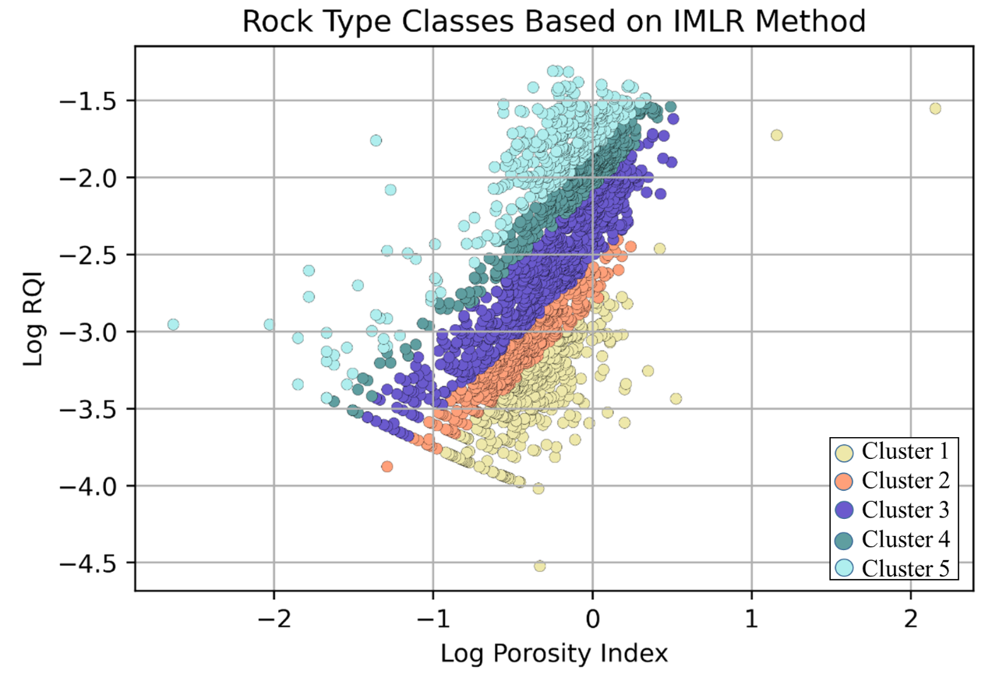
Permeability |  | RQI | Norm Poro
mD |  | mD/(V/V) | Dimensionless
0.069924607636 | Coarse Grained | 0.0042934978296 | 0.038852663478
0.12240509425 |  | 0.0050420541032 | 0.049838658818
0.17922923036 |  | 0.005135777951 | 0.071807968549
0.38127661043 |  | 0.0072114460403 | 0.077918516637
4.2551741541 |  | 0.023148093908 | 0.084948409504
0.23423261153 |  | 0.0048692406559 | 0.10791742399
0.11074572339 |  | 0.0031945691412 | 0.11981400048 | RQI
5.2404099838 |  | 0.021775212453 | 0.12229439521 | FZI
0.71265441585 |  | 0.0078915910429 | 0.12717458272 | Normalized Porosity
0.14136117151 |  | 0.0034696038033 | 0.13093893944
0.90511816314 |  | 0.0084946022886 | 0.14112787037
0.26284215268 |  | 0.0044698135021 | 0.14904308011 |  | (1)
2.045985035 |  | 0.011751064937 | 0.17107751766
2.2292618172 |  | 0.011863352791 | 0.18507679832 |  | (2)
0.66204705343 |  | 0.0064519741767 | 0.185966813
9.2202110171 |  | 0.023456909144 | 0.19791820875
1.6252408946 |  | 0.0097785548948 | 0.20131970326 |  | (3)
16.351284302 |  | 0.029608723791 | 0.22533371187
0.13026564892 |  | 0.0026200461414 | 0.23016200569
2.8125265717 |  | 0.012081273636 | 0.23455249018
83.562005383 |  | 0.064295334697 | 0.24890858661
1.0947150371 |  | 0.0069557107578 | 0.2871480355
7.7695620752 |  | 0.018344981746 | 0.29470903273
 | Coarse Grained |  | Medium Grained |  | Fine Grained
0.038852663478 | 0.0042934978296 | 0.093631998404 | 0.004227648915 | 0.14162964934 | 0.0053206762917
0.049838658818 | 0.0050420541032 | 0.1100054648 | 0.019532740366 | 0.15222073669 | 0.0094487538511
0.071807968549 | 0.005135777951 | 0.12192665396 | 0.0032544412634 | 0.1487770601 | 0.0047356563877
0.077918516637 | 0.0072114460403 | 0.12329407243 | 0.0038275584292 | 0.17424128071 | 0.0079656991861
0.084948409504 | 0.023148093908 | 0.12190030342 | 0.0084064555647 | 0.16343076587 | 0.004459815305
0.10791742399 | 0.0048692406559 | 0.12330039416 | 0.0048772407561 | 0.18749643123 | 0.0097544293709
0.11981400048 | 0.0031945691412 | 0.15296377014 | 0.0056434636053 | 0.18640115461 | 0.003030503068
0.12229439521 | 0.021775212453 | 0.15846760317 | 0.0081137300676 | 0.20446437366 | 0.011519821165
0.12717458272 | 0.0078915910429 | 0.15421832222 | 0.0030030330594 | 0.21431487121 | 0.0078909748486
0.13093893944 | 0.0034696038033 | 0.16452598343 | 0.0053820814526 | 0.2021133625 | 0.0034868010974
0.14112787037 | 0.0084946022886 | 0.17060498961 | 0.0062376279644 | 0.23240428141 | 0.0059990811709
0.14904308011 | 0.0044698135021 | 0.17545881579 | 0.013103974637 | 0.22828247643 | 0.0029270152363
0.17107751766 | 0.011751064937 | 0.18122581258 | 0.0047851746285 | 0.23840953631 | 0.008976231262
0.18507679832 | 0.011863352791 | 0.17483497662 | 0.019450816323 | 0.25105083014 | 0.0038140316622
0.185966813 | 0.0064519741767 | 0.19614358972 | 0.0028406501752 | 0.24545210319 | 0.0025618626327
0.19791820875 | 0.023456909144 | 0.21948488848 | 0.0063274437523 | 0.27612878548 | 0.01775986929
0.20131970326 | 0.0097785548948 | 0.23988409348 | 0.018916421851 | 0.27150510312 | 0.0067566624013
0.22533371187 | 0.029608723791 | 0.23488743095 | 0.0065252134779 | 0.27034290774 | 0.0033425775267
0.23016200569 | 0.0026200461414 | 0.24947990149 | 0.0037037272462 | 0.2752255161 | 0.013989070508
0.23455249018 | 0.012081273636 | 0.25888470437 | 0.015549310476 | 0.3006970906 | 0.0097469409481
0.24890858661 | 0.064295334697 | 0.25880464901 | 0.0083539282097 | 0.29533197616 | 0.0036692673772
0.2871480355 | 0.0069557107578 | 0.32383283113 | 0.0071599563623 | 0.30632421965 | 0.00240668213
0.29470903273 | 0.018344981746 | 0.32470851176 | 0.04976276018 | 0.29972877649 | 0.018873421539
0.31897743608 | 0.010618719882 | 0.35022151226 | 0.011754338717 | 0.31079134506 | 0.023260354982
0.34373691078 | 0.056303415175 | 0.44233470932 | 0.036746041136 | 0.32065160422 | 0.0055345836519
0.3288364695 | 0.024074671071 | 0.2413542046 | 0.0045392134346 | 0.33453044617 | 0.0099981102536
0.36821749756 | 0.040962863593 | 0.21970848608 | 0.0089350112047 | 0.32160890208 | 0.0037890724511
0.3792400355 | 0.012740191635 | 0.23573111064 | 0.0092106858282 | 0.32541688802 | 0.002171714746
0.42903799932 | 0.064053723498 | 0.20356481079 | 0.010347827436 | 0.3339331531 | 0.016166426029
0.22458556317 | 0.04591155119 | 0.2402254956 | 0.022376283638 | 0.34153691423 | 0.0273355392
0.23539049473 | 0.032096236727 | 0.16302864941 | 0.0033025190114 | 0.35131968926 | 0.0057313870461
0.33125537858 | 0.011211182743 | 0.16352469505 | 0.0038290895607 | 0.35181257463 | 0.0090327613091
0.31737404834 | 0.015041958976 | 0.16352469505 | 0.0044459071535 | 0.37084124812 | 0.012968885576
0.28831641234 | 0.013653182731 | 0.15759993209 | 0.0047539846321 | 0.37094964171 | 0.0041305155689
0.30320815123 | 0.024663690383 | 0.17353523188 | 0.0051480537662 | 0.38609056652 | 0.0061758180646
0.36925841254 | 0.050365876915 | 0.24418498591 | 0.0049265539271 | 0.38609006078 | 0.015770371522
0.43205205359 | 0.082026671817 | 0.23685165039 | 0.0077212611824 | 0.39099537086 | 0.0086921334624
0.072764431335 | 0.0082895514684 | 0.34942619703 | 0.013904139385 | 0.4180256184 | 0.0025628905459
0.075459394809 | 0.010569838334 |  |  | 0.42168362682 | 0.0043401793874
0.039995135566 | 0.006194036075 |  |  | 0.42363614553 | 0.031201492159
0.029394894165 | 0.0063742188069 |  |  | 0.42919218618 | 0.0075035775764
0.081031529419 | 0.00528493342 |  |  | 0.45062836259 | 0.0044342500429
0.12085199735 | 0.010962608454 |  |  | 0.45180069983 | 0.03978071098
0.10479508917 | 0.0091755394675 |  |  | 0.47424619995 | 0.012626196821
 |  |  |  | 0.46288749041 | 0.022674391998
 |  |  |  | 0.47818717475 | 0.0042465429868
 |  |  |  | 0.48591939278 | 0.031978352049
 |  |  |  | 0.48415473103 | 0.043916200264
 |  |  |  | 0.46027518864 | 0.032295378477
 |  |  |  | 0.37700115099 | 0.017122241097
...
2.7657163017 |  | 0.010618719882 | 0.31897743608
82.247385909 |  | 0.056303415175 | 0.34373691078
14.546880335 |  | 0.024074671071 | 0.3288364695
45.80054063 |  | 0.040962863593 | 0.36821749756
4.5265461091 |  | 0.012740191635 | 0.3792400355
124.93423069 |  | 0.064053723498 | 0.42903799932
39.208238994 |  | 0.04591155119 | 0.22458556317
19.908273527 |  | 0.032096236727 | 0.23539049473
3.1720872942 |  | 0.011211182743 | 0.33125537858
5.5285572538 |  | 0.015041958976 | 0.31737404834
4.2311199267 |  | 0.013653182731 | 0.28831641234
14.354362453 |  | 0.024663690383 | 0.30320815123
69.383864287 |  | 0.050365876915 | 0.36925841254
205.88663449 |  | 0.082026671817 | 0.43205205359
0.47273476611 |  | 0.0082895514684 | 0.072764431335
0.79505412201 |  | 0.010569838334 | 0.075459394809
0.1496456269 |  | 0.006194036075 | 0.039995135566
0.11767508743 |  | 0.0063742188069 | 0.029394894165
0.21234176351 |  | 0.00528493342 | 0.081031529419
1.3142381568 |  | 0.010962608454 | 0.12085199735
0.80995914921 |  | 0.0091755394675 | 0.10479508917
0.35620771309 | Fine Grained | 0.0053206762917 | 0.14162964934
1.1962664062 |  | 0.0094487538511 | 0.15222073669
0.29457866392 |  | 0.0047356563877 | 0.1487770601
0.95495348526 |  | 0.0079656991861 | 0.17424128071
0.28337903874 |  | 0.004459815305 | 0.16343076587
1.523719879 |  | 0.0097544293709 | 0.18749643123
0.14634813669 |  | 0.003030503068 | 0.18640115461
2.2848403819 |  | 0.011519821165 | 0.20446437366
1.1146102076 |  | 0.0078909748486 | 0.21431487121
0.207321649 |  | 0.0034868010974 | 0.2021133625
0.6883369868 |  | 0.0059990811709 | 0.23240428141
0.16149719713 |  | 0.0029270152363 | 0.22828247643
...

Sheet2
Factor | 0.38
Shift | 0.0005
...
0.014059696989 | 4785.5967755 | 0.01 | 6309.5734448 | 0.01 | 2290.8676528 | 0.01 | 25118.864315
0.014705765181 | 1761.204736 | 0.05 | 296.45377964 | 0.05 | 153.36645979 | 0.05 | 728.22568121
0.01447196111 | 2665.559154 | 0.1 | 79.432823472 | 0.1 | 47.863009232 | 0.1 | 158.48931925
0.024443269886 | 1646.1405275 | 0.2 | 21.283498063 | 0.2 | 14.937214147 | 0.2 | 34.493241537
0.025807096416 | 4685.1427536 | 0.3 | 9.8507572285 | 0.3 | 7.5585117418 | 0.3 | 14.136218184
0.0282838265 | 1591.8442897 | 0.4 | 5.7027721035 | 0.4 | 4.6616451837 | 0.4 | 7.5070277124
0.028206812643 | 410.76951383 | 0.5 | 3.7321319661 | 0.5 | 3.2042795104 | 0.5 | 4.59479342
0.028817649964 | 940.68514725 | 0.6 | 2.6394450458 | 0.6 | 2.3588802779 | 0.6 | 3.0765731757
0.024733977358 | 3718.3504717 | 0.7 | 1.9693083574 | 0.7 | 1.8206870062 | 0.7 | 2.191716171
0.029815849652 | 335.49205455 | 0.8 | 1.5280199508 | 0.8 | 1.4548185227 | 0.8 | 1.6338118009
0.030576713992 | 1114.7904733 | 0.9 | 1.2216287138 | 0.9 | 1.1936378566 | 0.9 | 1.2608588736
0.033807208799 | 367.36841104 | 1 | 1 | 1 | 1 | 1 | 1
0.038598469015 | 634.04797335
0.038337632889 | 1165.0940448
0.037904321966 | 352.31637912
0.040324022463 | 1316.4847745
0.041695835381 | 801.30666264
0.043562521895 | 3137.1967647
0.04238544145 | 167.64284284
0.049521590526 | 581.17706907
0.049276818944 | 252.26616788
0.054837028762 | 481.74183887
0.055586411733 | 102.13671981
0.057640139274 | 52.789567935
0.060041692567 | 225.99410026
0.061616647604 | 432.52971174
0.066358968821 | 101.9532947
0.070657011331 | 56.916157981
0.073241436385 | 342.17153839
0.075481984069 | 38.159860615
0.078028519349 | 101.8804232
0.093073043965 | 196.614173
0.10216722421 | 167.09159531
0.10009883338 | 119.12318189
0.10491311171 | 47.833816449
0.11375150825 | 109.12894546
0.1223056322 | 92.549108497
0.13724428825 | 79.151662613
0.014657701402 | 6599.8374079
0.029824181346 | 605.68002917
0.030986848546 | 792.48583341
0.031709567874 | 979.24028117
0.033287661328 | 820.00561294
0.034420482513 | 674.11538455
0.042129424214 | 379.22194406
0.041850431701 | 570.07576036
0.043607224797 | 496.41846246
0.050757475854 | 153.26890394
0.050981188654 | 205.16115249
0.053166063179 | 263.41089151
...
x | ymin | y | ymax
0.01 | 2290.8676528 | 6309.5734448 | 25118.864315
0.05 | 153.36645979 | 296.45377964 | 728.22568121
0.1 | 47.863009232 | 79.432823472 | 158.48931925
0.2 | 14.937214147 | 21.283498063 | 34.493241537
0.3 | 7.5585117418 | 9.8507572285 | 14.136218184
0.4 | 4.6616451837 | 5.7027721035 | 7.5070277124
0.5 | 3.2042795104 | 3.7321319661 | 4.59479342
0.6 | 2.3588802779 | 2.6394450458 | 3.0765731757
0.7 | 1.8206870062 | 1.9693083574 | 2.191716171
0.8 | 1.4548185227 | 1.5280199508 | 1.6338118009
0.9 | 1.1936378566 | 1.2216287138 | 1.2608588736
1 | 1 | 1 | 1
...
mmin | -1.68
m | -1.9
mmax | -2.2
...

