Analysis
 |  |  |  |  |  | Original |  | Replot
Algorithm | Rank of Topic | Top 10 Words Weighted and Ranked | Categorisation | SubTopic | Key Concept
Gensim LDA | 1 | 'policy', 'investment' , 'community', 'financial', 'performance', 'investor', 'system', 'institutional', 'technology', 'measure' | Quantitative | Financial Performance | Fiscal (Policy/Terms)
 | 2 | 'policy', 'technology', 'industry', 'government', 'environmental', 'adoption', 'level', 'role', 'support', 'development' | Qualitative | Environmental Technologies Policies | Government (Policy)
 | 3 | 'policy', 'stakeholder' , 'community', 'development', 'process', 'local', 'management', 'support', 'government', 'technology' | Qualitative | Community Development Policies | Community (Support/ Involvement)
 | 4 | 'technology', 'policy', 'system', 'development', 'community', 'traceability', 'group', 'social', 'support', 'case' | Quantitative-'Qualitative | Technology and social policies | Technology (Development) & Social (Policy)
 | 5 | 'state', 'policy', 'technology', 'investor', 'expansion', 'government', 'plant', 'country', 'electricity', 'community' | Quantitative | Technological Policies and investors | Public-Private (Corisking)
Mallet LDA | 1 | sector', 'policy', 'electricity', 'development', 'country', 'source', 'production', 'support', 'data', 'emission' | Qualitative | Energy policies | Government (Policy)
 | 2 | technology', 'financial', 'impact', 'performance', 'cost', 'measure', 'plant', 'adoption', 'system', 'importance' | Quantitative | Financial performance | Fiscal (Policy/Terms)
 | 3 | policy', 'technology', 'investment', 'industry', 'environmental', 'investor', 'role', 'potential', 'framework', 'change' | Quantitative-'Qualitative | Technology investment policies | Technology (Development) & Social (Policy)
 | 4 | stakeholder', 'process', 'social', 'management', 'community', 'model', 'relationship', 'literature', 'analysis', 'sustainable' | Quantitative | Stakeholder Perception | Public-Private (Corisking)
 | 5 | community', 'local', 'system', 'government', 'development', 'support', 'transition', 'policy', 'national', 'state' | Qualitative | Community Involvement | Community (Support/ Involvement)
Non-Negative Matrix Factorization | 1 | environmental', 'mix', 'state', 'government', 'country', 'development', 'technology', 'industry', 'sector', 'policy' | Qualitative | Country Environmental policies | Government (Policy)
 | 2 | process', 'development', 'technology', 'management', 'program', 'partnership', 'social', 'beneficiary', 'local', 'community' | Quantitative | Technology development | Public-Private (Corisking)
 | 3 | influence', 'green', 'satisfaction', 'relationship', 'proposed', 'network', 'twomode', 'method', 'retrofit', 'stakeholder' | Qualitative | Stakeholder Relationship Satisfaction | Community (Support/ Involvement)
 | 4 | market', 'retail', 'portfolio', 'policy', 'performance', 'financial', 'technology', 'preference', 'investor', 'investment' | Quantitative | Investor preference | Fiscal (Policy/Terms)
 | 5 | expansion', 'fit', 'power', 'state', 'price', 'promotion', 'electricity', 'capacity', 'plant', 'system' | Quantitative-'Qualitative | Energy systems | Technology (Development) & Social (Policy)

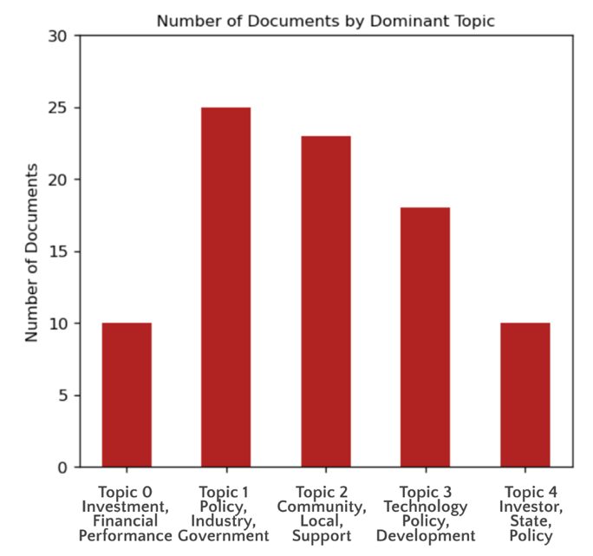
Topic | Averaged Rank Score | Total Document Count
Government (Policy) | 1.33 | 25
Fiscal (Policy/Terms) | 2.33 | 10
Community (Support/ Involvement) | 3.67 | 23
Public-Private (Corisking) | 3.67 | 10 |  |  |  |  | 2
Technology (Development) & Social (Policy) | 4.00 | 18
 |  | 86

