Schedule
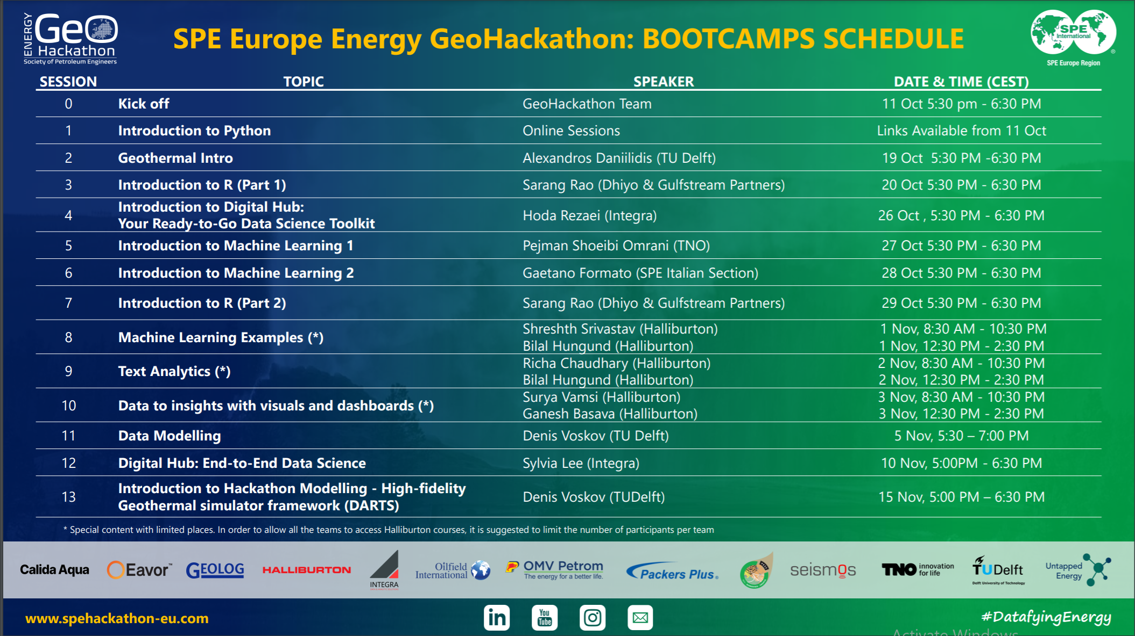

Sheet1
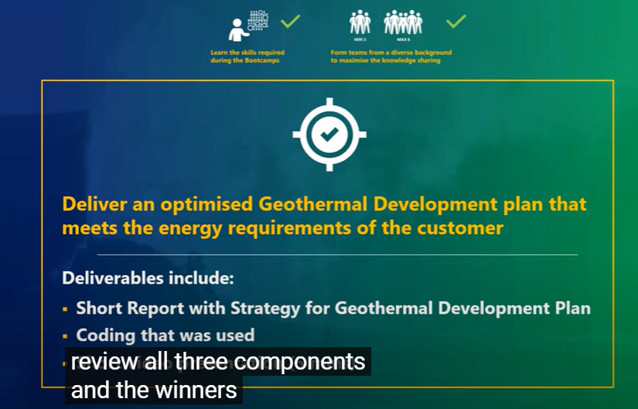
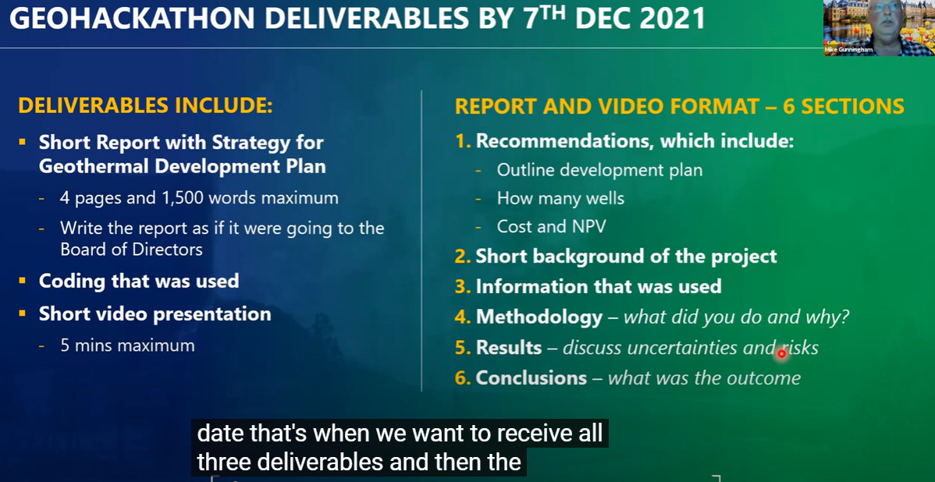

Assumptions
Water is single phase
Isothermal

Data
Well | x_coord | y_coord | Log | Test |  | Log | Test | Log |  |  | Test
E01 | 195 | 70 | 10000 | 15000 |  | 10000 | 0 | 1 | 195 | 70 |  | 0 | 0 |  | 1 | Receive Static and Dynamic data
E02 | 145 | 41 | 10000 |  |  | 0 | 15000 |  | 0 | 0 | 1 | 145 | 41 |  | 2 | Create scenarios by drilling new wells
E03 | 46 | 46 | 10000 | 15000 |  | 10000 | 0 | 1 | 46 | 46 |  | 0 | 0 |  | 3 | Generate Data
E04 | 52 | 100 | 10000 |  |  | 0 | 15000 |  | 0 | 0 | 1 | 52 | 100 |  | 4 | Create Data Driven Model
E05 | 72 | 152 | 10000 | 15000 |  | 10000 | 0 | 1 | 72 | 152 |  | 0 | 0
E06 | 170 | 170 | 10000 | 15000 |  | 0 | 15000 |  | 0 | 0 | 1 | 170 | 170
I01 | 190 | 100 |  |  |  | 0 | 0 |  | 0 | 0 |  | 0 | 0 |  | Satisfy Demand
I02 | 136 | 75 |  |  |  | 10000 | 0 | 1 | 136 | 75 |  | 0 | 0 |  | Make $$$
I03 | 108 | 113 |  |  |  | 10000 | 0 | 1 | 108 | 113 |  | 0 | 0 |  |  |  | 15
P01 | 164 | 110 |  |  |  | 10000 | 15000 | 1 | 164 | 110 | 1 | 164 | 110
P02 | 162 | 87 |  |  |  | 0 | 0 |  | 0 | 0 |  | 0 | 0
P03 | 134 | 115 |  |  |  | 0 | 0 |  | 0 | 0 |  | 0 | 0
D1 | 94 | 65
D2 | 125 | 170
 |  |  | 60000 | 60000 | 120000 | 60000 | 60000 | 120000

 |  |  |  |  |  |  |  |  |  |  |  |  |  | Scenarios
 |  |  |  |  |  |  |  |  |  |  |  |  |  | Well count |  |  |  | Forecast
 |  |  |  |  |  |  |  |  |  |  |  |  |  | Placement of wells |  |  |  | Energy yield
 |  |  |  |  |  |  |  |  |  |  |  |  |  | Rate of prod |  |  |  | cost
 |  |  |  |  |  |  |  |  |  |  |  |  |  | Inj |  |  |  | NPV

 |  |  |  |  |  |  |  |  |  |  |  |  |  | X
 |  |  |  |  |  |  |  |  |  |  |  |  |  | Y
 |  |  |  |  |  |  |  |  |  |  |  |  |  | number of wells

 |  |  |  |  |  |  |  |  |  |  |  |  |  |  | prod | inj | enery yied | npv
 |  |  |  |  |  |  |  |  |  |  |  |  |  | Scenario 1 | 5 | 5 | x
 |  |  |  |  |  |  |  |  |  |  |  |  |  | Scenario 2 | 4 | 4 | x
 |  |  |  |  |  |  |  |  |  |  |  |  |  |  | 3 | 3 | 0.8x

