Run_Catboost_50_Itr
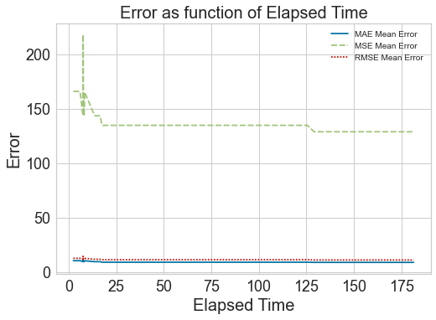
Elapsed Time | MAE Mean Error | MSE Mean Error | RMSE Mean Error
7.6324167252 | 12.0751 | 218.1101 | 14.7523
2.5008089542 | 10.6681 | 166.0049 | 12.8792
6.0187590122 | 10.6681 | 166.0049 | 12.8792
8.4424641132 | 10.6001 | 165.2606 | 12.8511
7.827123642 | 9.8952 | 150.7115 | 12.1768
7.5932073593 | 9.7628 | 143.7086 | 11.9571
8.1615743637 | 9.7628 | 143.7086 | 11.9571
13.702687979 | 9.7628 | 143.7086 | 11.9571
14.404108524 | 9.7628 | 143.7086 | 11.9571
15.586009741 | 9.7628 | 143.7086 | 11.9571
16.583434105 | 9.7628 | 143.7086 | 11.9571
17.590956926 | 9.2738 | 134.9164 | 11.5956
18.095725536 | 9.2738 | 134.9164 | 11.5956
20.199492931 | 9.2738 | 134.9164 | 11.5956
20.293663979 | 9.2738 | 134.9164 | 11.5956
21.002600193 | 9.2738 | 134.9164 | 11.5956
22.231391191 | 9.2738 | 134.9164 | 11.5956
22.244959831 | 9.2738 | 134.9164 | 11.5956
22.935590029 | 9.2738 | 134.9164 | 11.5956
23.392188549 | 9.2738 | 134.9164 | 11.5956
24.98509717 | 9.2738 | 134.9164 | 11.5956
25.197853804 | 9.2738 | 134.9164 | 11.5956
27.966226578 | 9.2738 | 134.9164 | 11.5956
32.8888309 | 9.2738 | 134.9164 | 11.5956
35.535308123 | 9.2738 | 134.9164 | 11.5956
43.492676258 | 9.2738 | 134.9164 | 11.5956
48.125621557 | 9.2738 | 134.9164 | 11.5956
49.824543476 | 9.2738 | 134.9164 | 11.5956
51.559768677 | 9.2738 | 134.9164 | 11.5956
52.826886654 | 9.2738 | 134.9164 | 11.5956
77.047198534 | 9.2738 | 134.9164 | 11.5956
80.022538185 | 9.2738 | 134.9164 | 11.5956
80.302867174 | 9.2738 | 134.9164 | 11.5956
80.764570236 | 9.2738 | 134.9164 | 11.5956
79.818173647 | 9.2738 | 134.9164 | 11.5956
105.24265027 | 9.2738 | 134.9164 | 11.5956
106.13582587 | 9.2738 | 134.9164 | 11.5956
109.1339438 | 9.2738 | 134.9164 | 11.5956
123.41466999 | 9.2738 | 134.9164 | 11.5956
125.63606167 | 9.2738 | 134.9164 | 11.5956
129.14597964 | 9.1252 | 129 | 11.3413
134.45254683 | 9.1252 | 129 | 11.3413
156.95885897 | 9.1252 | 129 | 11.3413
162.51439619 | 9.1252 | 129 | 11.3413
166.42732453 | 9.1252 | 129 | 11.3413
176.97178221 | 9.1252 | 129 | 11.3413
177.7436769 | 9.1252 | 129 | 11.3413
177.69201112 | 9.1252 | 129 | 11.3413
181.48586917 | 9.1252 | 129 | 11.3413
180.60677052 | 9.1252 | 129 | 11.3413

