Run_Catboost_1000_Itr
Iteration | Elapsed Time | MAE Mean Error | MSE Mean Error | RMSE Mean Error | Log Time
1 | 7.2589437962 | 12.0751 | 218.1101 | 14.7523 | 0.8608734338
50 | 170.10231185 | 9.1252 | 129 | 11.3413 | 2.2307102161
100 | 436.13762999 | 9.1252 | 129 | 11.3413 | 2.6396235592
150 | 647.99323487 | 9.1252 | 129 | 11.3413 | 2.8115704718
200 | 888.6382184 | 9.1252 | 129 | 11.3413 | 2.9487249874
250 | 1137.652528 | 9.2296 | 128.3989 | 11.3135 | 3.0560096362
300 | 1332.3189244 | 9.0704 | 127.016 | 11.2528 | 3.1246081967
350 | 1501.3585556 | 9.0704 | 127.016 | 11.2528 | 3.1764844232
400 | 1666.7577665 | 9.0704 | 127.016 | 11.2528 | 3.2218724875
450 | 1819.0472441 | 9.0704 | 127.016 | 11.2528 | 3.2598439787
500 | 2041.2241488 | 9.0704 | 127.016 | 11.2528 | 3.3098906976
550 | 2179.1706865 | 9.0704 | 127.016 | 11.2528 | 3.3382912483
600 | 2329.4071677 | 9.0704 | 127.016 | 11.2528 | 3.3672454075
650 | 2571.8379762 | 9.0704 | 127.016 | 11.2528 | 3.4102436049
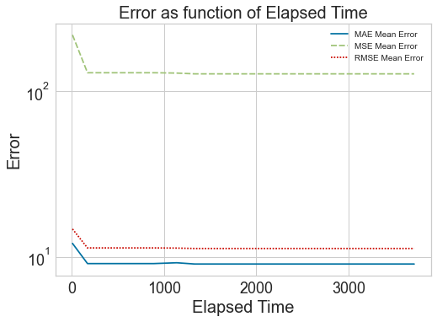
700 | 2810.9311349 | 9.0704 | 127.016 | 11.2528 | 3.4488502059
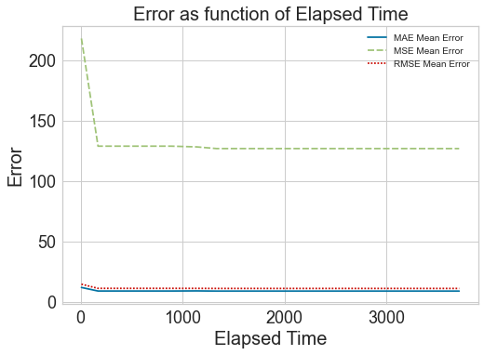
750 | 2975.3921647 | 9.0704 | 127.016 | 11.2528 | 3.473544215
800 | 3206.9364223 | 9.0704 | 127.016 | 11.2528 | 3.5060903501
850 | 3440.2711143 | 9.0704 | 127.016 | 11.2528 | 3.536592669
900 | 3573.1408427 | 9.0704 | 127.016 | 11.2528 | 3.5530501351
950 | 3713.0342207 | 9.0704 | 127.016 | 11.2528 | 3.5697289519

