Sheet1
7 | Items | Nurse Supervisor | Pharmacist Supervisor | HEDIS Supervisor | MAC Supervisor | UAW Supervisor | RFL Supervisor | CTM Supervisor | Area of screen
196 | 1 | Click Tasks to see My Tasks. Ensure atleast 2 cases are assigned to you. Check filters by clicking the name of the column twice to see it sorts asc and desc. 14 columns = 28 tests. | Click Tasks to see My Tasks. Ensure atleast 2 cases are assigned to you. Check filters by clicking the name of the column twice to see it sorts asc and desc. 14 columns = 28 tests. | Click Tasks to see My Tasks. Ensure atleast 2 cases are assigned to you. Check filters by clicking the name of the column twice to see it sorts asc and desc. 14 columns = 28 tests. | Click Tasks to see My Tasks. Ensure atleast 2 cases are assigned to you. Check filters by clicking the name of the column twice to see it sorts asc and desc. 14 columns = 28 tests. | Click Tasks to see My Tasks. Ensure atleast 2 cases are assigned to you. Check filters by clicking the name of the column twice to see it sorts asc and desc. 14 columns = 28 tests. | Click Tasks to see My Tasks. Ensure atleast 2 cases are assigned to you. Check filters by clicking the name of the column twice to see it sorts asc and desc. 14 columns = 28 tests. | Click Tasks to see My Tasks. Ensure atleast 2 cases are assigned to you. Check filters by clicking the name of the column twice to see it sorts asc and desc. 14 columns = 28 tests.
105 | 2 | Still in My Tasks, click the Filter icon by each column name and ensure it allows filtering for each column. 15 tests. | Still in My Tasks, click the Filter icon by each column name and ensure it allows filtering for each column. 15 tests. | Still in My Tasks, click the Filter icon by each column name and ensure it allows filtering for each column. 15 tests. | Still in My Tasks, click the Filter icon by each column name and ensure it allows filtering for each column. 15 tests. | Still in My Tasks, click the Filter icon by each column name and ensure it allows filtering for each column. 15 tests. | Still in My Tasks, click the Filter icon by each column name and ensure it allows filtering for each column. 15 tests. | Still in My Tasks, click the Filter icon by each column name and ensure it allows filtering for each column. 15 tests.
224 | 3 | Repeat exercise for Reassign Tasks AND Unassigned Tasks pages. Check filters by clicking the name of the column twice to see it sorts asc and desc. 14 columns = 28 tests for Reassign and 14 columns = 28 tests for Unassigned page. | Repeat exercise for Reassign Tasks AND Unassigned Tasks pages. Check filters by clicking the name of the column twice to see it sorts asc and desc. 14 columns = 28 tests for Reassign and 14 columns = 28 tests for Unassigned page. | Repeat exercise for Reassign Tasks AND Unassigned Tasks pages. Check filters by clicking the name of the column twice to see it sorts asc and desc. 14 columns = 28 tests for Reassign and 14 columns = 28 tests for Unassigned page. | Repeat exercise for Reassign Tasks AND Unassigned Tasks pages. Check filters by clicking the name of the column twice to see it sorts asc and desc. 14 columns = 28 tests for Reassign and 14 columns = 28 tests for Unassigned page. | Repeat exercise for Reassign Tasks AND Unassigned Tasks pages. Check filters by clicking the name of the column twice to see it sorts asc and desc. 14 columns = 28 tests for Reassign and 14 columns = 28 tests for Unassigned page. | Repeat exercise for Reassign Tasks AND Unassigned Tasks pages. Check filters by clicking the name of the column twice to see it sorts asc and desc. 14 columns = 28 tests for Reassign and 14 columns = 28 tests for Unassigned page. | Repeat exercise for Reassign Tasks AND Unassigned Tasks pages. Check filters by clicking the name of the column twice to see it sorts asc and desc. 14 columns = 28 tests for Reassign and 14 columns = 28 tests for Unassigned page.
98 | 4 | Still in Reassign Tasks, click the Filter icon by each column name and ensure it allows filtering for each column. 14 tests. | Still in Reassign Tasks, click the Filter icon by each column name and ensure it allows filtering for each column. 14 tests. | Still in Reassign Tasks, click the Filter icon by each column name and ensure it allows filtering for each column. 14 tests. | Still in Reassign Tasks, click the Filter icon by each column name and ensure it allows filtering for each column. 14 tests. | Still in Reassign Tasks, click the Filter icon by each column name and ensure it allows filtering for each column. 14 tests. | Still in Reassign Tasks, click the Filter icon by each column name and ensure it allows filtering for each column. 14 tests. | Still in Reassign Tasks, click the Filter icon by each column name and ensure it allows filtering for each column. 14 tests.
28 | 5 | Still in Reassign Tasks, click programs per page and ensure display changes for choices you make (10, 20, 50, 100). 4 tests. | Still in Reassign Tasks, click programs per page and ensure display changes for choices you make (10, 20, 50, 100). 4 tests. | Still in Reassign Tasks, click programs per page and ensure display changes for choices you make (10, 20, 50, 100). 4 tests. | Still in Reassign Tasks, click programs per page and ensure display changes for choices you make (10, 20, 50, 100). 4 tests. | Still in Reassign Tasks, click programs per page and ensure display changes for choices you make (10, 20, 50, 100). 4 tests. | Still in Reassign Tasks, click programs per page and ensure display changes for choices you make (10, 20, 50, 100). 4 tests. | Still in Reassign Tasks, click programs per page and ensure display changes for choices you make (10, 20, 50, 100). 4 tests.
28 | 6 | Still in Reassign Tasks, click the forward and back arrows and ensure the grid updates to the prior or next page. Also click the double arrows to ensure grid updates to first or last page. #tests depends on number of pages available but atleast 4 tests. | Still in Reassign Tasks, click the forward and back arrows and ensure the grid updates to the prior or next page. Also click the double arrows to ensure grid updates to first or last page. #tests depends on number of pages available but atleast 4 tests. | Still in Reassign Tasks, click the forward and back arrows and ensure the grid updates to the prior or next page. Also click the double arrows to ensure grid updates to first or last page. #tests depends on number of pages available but atleast 4 tests. | Still in Reassign Tasks, click the forward and back arrows and ensure the grid updates to the prior or next page. Also click the double arrows to ensure grid updates to first or last page. #tests depends on number of pages available but atleast 4 tests. | Still in Reassign Tasks, click the forward and back arrows and ensure the grid updates to the prior or next page. Also click the double arrows to ensure grid updates to first or last page. #tests depends on number of pages available but atleast 4 tests. | Still in Reassign Tasks, click the forward and back arrows and ensure the grid updates to the prior or next page. Also click the double arrows to ensure grid updates to first or last page. #tests depends on number of pages available but atleast 4 tests. | Still in Reassign Tasks, click the forward and back arrows and ensure the grid updates to the prior or next page. Also click the double arrows to ensure grid updates to first or last page. #tests depends on number of pages available but atleast 4 tests.
14 | 7 | Still in Reassign Tasks, enter a page number and click go to ensure it refreshes the grid to that page. #tests depends on number of pages available but atleast 2 tests. | Still in Reassign Tasks, enter a page number and click go to ensure it refreshes the grid to that page. #tests depends on number of pages available but atleast 2 tests. | Still in Reassign Tasks, enter a page number and click go to ensure it refreshes the grid to that page. #tests depends on number of pages available but atleast 2 tests. | Still in Reassign Tasks, enter a page number and click go to ensure it refreshes the grid to that page. #tests depends on number of pages available but atleast 2 tests. | Still in Reassign Tasks, enter a page number and click go to ensure it refreshes the grid to that page. #tests depends on number of pages available but atleast 2 tests. | Still in Reassign Tasks, enter a page number and click go to ensure it refreshes the grid to that page. #tests depends on number of pages available but atleast 2 tests. | Still in Reassign Tasks, enter a page number and click go to ensure it refreshes the grid to that page. #tests depends on number of pages available but atleast 2 tests.
28 | 8 | In My tasks, open any case to see the Opportunity page. Ensure Current Outreach, Active Cases, Case Timeline, Intro assement pages open without error. 4 tests. | In My tasks, open any case to see the Opportunity page. Ensure Current Outreach, Active Cases, Case Timeline, Intro assement pages open without error. 4 tests. | In My tasks, open any case to see the Opportunity page. Ensure Current Outreach, Active Cases, Case Timeline, Intro assement pages open without error. 4 tests. | In My tasks, open any case to see the Opportunity page. Ensure Current Outreach, Active Cases, Case Timeline, Intro assement pages open without error. 4 tests. | In My tasks, open any case to see the Opportunity page. Ensure Current Outreach, Active Cases, Case Timeline, Intro assement pages open without error. 4 tests. | In My tasks, open any case to see the Opportunity page. Ensure Current Outreach, Active Cases, Case Timeline, Intro assement pages open without error. 4 tests. | In My tasks, open any case to see the Opportunity page. Ensure Current Outreach, Active Cases, Case Timeline, Intro assement pages open without error. 4 tests.
91 | 9 | In My tasks, open any case and click start outreach. Update Tracking: Call Status (Reached or Not Reached), Call Outcome (Dynamic based on Reached or not Reached), Call Notes. Click Save and ensure the grid tracks the call tracking notes you just made. 13 tests. | In My tasks, open any case and click start outreach. Update Tracking: Call Status (Reached or Not Reached), Call Outcome (Dynamic based on Reached or not Reached), Call Notes. Click Save and ensure the grid tracks the call tracking notes you just made. 13 tests. | In My tasks, open any case and click start outreach. Update Tracking: Call Status (Reached or Not Reached), Call Outcome (Dynamic based on Reached or not Reached), Call Notes. Click Save and ensure the grid tracks the call tracking notes you just made. 13 tests. | In My tasks, open any case and click start outreach. Update Tracking: Call Status (Reached or Not Reached), Call Outcome (Dynamic based on Reached or not Reached), Call Notes. Click Save and ensure the grid tracks the call tracking notes you just made. 13 tests. | In My tasks, open any case and click start outreach. Update Tracking: Call Status (Reached or Not Reached), Call Outcome (Dynamic based on Reached or not Reached), Call Notes. Click Save and ensure the grid tracks the call tracking notes you just made. 13 tests. | In My tasks, open any case and click start outreach. Update Tracking: Call Status (Reached or Not Reached), Call Outcome (Dynamic based on Reached or not Reached), Call Notes. Click Save and ensure the grid tracks the call tracking notes you just made. 13 tests. | In My tasks, open any case and click start outreach. Update Tracking: Call Status (Reached or Not Reached), Call Outcome (Dynamic based on Reached or not Reached), Call Notes. Click Save and ensure the grid tracks the call tracking notes you just made. 13 tests.
7 | 10 | In My tasks, open any case and click Profile, ensure profile page loads/populated without error. 1 test. | In My tasks, open any case and click Profile, ensure profile page loads/populated without error. 1 test. | In My tasks, open any case and click Profile, ensure profile page loads/populated without error. 1 test. | In My tasks, open any case and click Profile, ensure profile page loads/populated without error. 1 test. | In My tasks, open any case and click Profile, ensure profile page loads/populated without error. 1 test. | In My tasks, open any case and click Profile, ensure profile page loads/populated without error. 1 test. | In My tasks, open any case and click Profile, ensure profile page loads/populated without error. 1 test. | 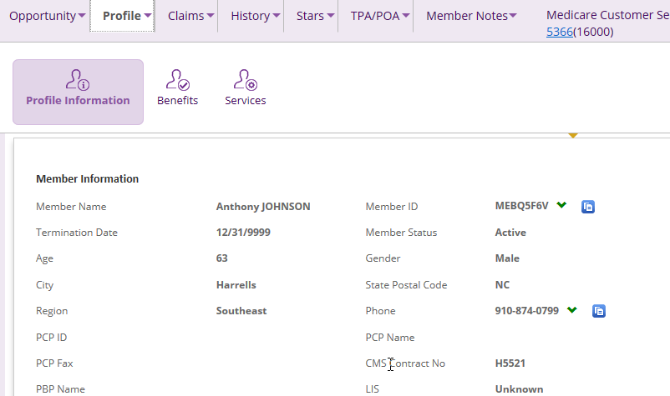
14 | 11 | Still in profile page, Add text in the Additional Information or Alternate Mailing Address sections and click Save. Ensure you get message it has saved/text enters stays on screen. Multiple fields could be entered, atleast 1 test for each section = 2 tests. | Still in profile page, Add text in the Additional Information or Alternate Mailing Address sections and click Save. Ensure you get message it has saved/text enters stays on screen. Multiple fields could be entered, atleast 1 test for each section = 2 tests. | Still in profile page, Add text in the Additional Information or Alternate Mailing Address sections and click Save. Ensure you get message it has saved/text enters stays on screen. Multiple fields could be entered, atleast 1 test for each section = 2 tests. | Still in profile page, Add text in the Additional Information or Alternate Mailing Address sections and click Save. Ensure you get message it has saved/text enters stays on screen. Multiple fields could be entered, atleast 1 test for each section = 2 tests. | Still in profile page, Add text in the Additional Information or Alternate Mailing Address sections and click Save. Ensure you get message it has saved/text enters stays on screen. Multiple fields could be entered, atleast 1 test for each section = 2 tests. | Still in profile page, Add text in the Additional Information or Alternate Mailing Address sections and click Save. Ensure you get message it has saved/text enters stays on screen. Multiple fields could be entered, atleast 1 test for each section = 2 tests. | Still in profile page, Add text in the Additional Information or Alternate Mailing Address sections and click Save. Ensure you get message it has saved/text enters stays on screen. Multiple fields could be entered, atleast 1 test for each section = 2 tests.
14 | 12 | In My tasks, open any case and click Claims, ensure Pharmacy and Medical Claims pages load without error. 2 tests. | In My tasks, open any case and click Claims, ensure Pharmacy and Medical Claims pages load without error. 2 tests. | In My tasks, open any case and click Claims, ensure Pharmacy and Medical Claims pages load without error. 2 tests. | In My tasks, open any case and click Claims, ensure Pharmacy and Medical Claims pages load without error. 2 tests. | In My tasks, open any case and click Claims, ensure Pharmacy and Medical Claims pages load without error. 2 tests. | In My tasks, open any case and click Claims, ensure Pharmacy and Medical Claims pages load without error. 2 tests. | In My tasks, open any case and click Claims, ensure Pharmacy and Medical Claims pages load without error. 2 tests.
28 | 13 | In My tasks, open an case and click History, ensure Outreach History, Call History, Assessment history, Activity History pages load without error. 4 tests. | In My tasks, open an case and click History, ensure Outreach History, Call History, Assessment history, Activity History pages load without error. 4 tests. | In My tasks, open an case and click History, ensure Outreach History, Call History, Assessment history, Activity History pages load without error. 4 tests. | In My tasks, open an case and click History, ensure Outreach History, Call History, Assessment history, Activity History pages load without error. 4 tests. | In My tasks, open an case and click History, ensure Outreach History, Call History, Assessment history, Activity History pages load without error. 4 tests. | In My tasks, open an case and click History, ensure Outreach History, Call History, Assessment history, Activity History pages load without error. 4 tests. | In My tasks, open an case and click History, ensure Outreach History, Call History, Assessment history, Activity History pages load without error. 4 tests. | 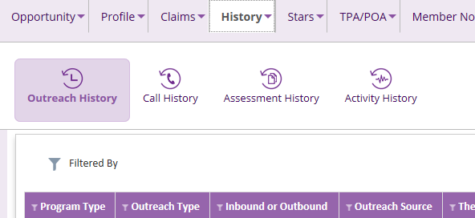
28 | 14 | In My tasks, open any case and click Stars, ensure Summary, Adherence details, MTM Details, Health Profile pages load without error. 4 tests. | In My tasks, open any case and click Stars, ensure Summary, Adherence details, MTM Details, Health Profile pages load without error. 4 tests. | In My tasks, open any case and click Stars, ensure Summary, Adherence details, MTM Details, Health Profile pages load without error. 4 tests. | In My tasks, open any case and click Stars, ensure Summary, Adherence details, MTM Details, Health Profile pages load without error. 4 tests. | In My tasks, open any case and click Stars, ensure Summary, Adherence details, MTM Details, Health Profile pages load without error. 4 tests. | In My tasks, open any case and click Stars, ensure Summary, Adherence details, MTM Details, Health Profile pages load without error. 4 tests. | In My tasks, open any case and click Stars, ensure Summary, Adherence details, MTM Details, Health Profile pages load without error. 4 tests. | 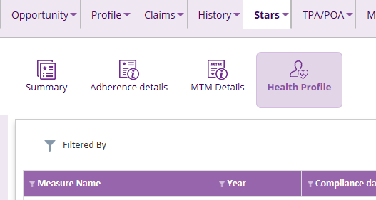
14 | 15 | In My tasks, open any case and click TPA/POA, ensure New TPA and TPA/POA pages load without error. 2 tests. | In My tasks, open any case and click TPA/POA, ensure New TPA and TPA/POA pages load without error. 2 tests. | In My tasks, open any case and click TPA/POA, ensure New TPA and TPA/POA pages load without error. 2 tests. | In My tasks, open any case and click TPA/POA, ensure New TPA and TPA/POA pages load without error. 2 tests. | In My tasks, open any case and click TPA/POA, ensure New TPA and TPA/POA pages load without error. 2 tests. | In My tasks, open any case and click TPA/POA, ensure New TPA and TPA/POA pages load without error. 2 tests. | In My tasks, open any case and click TPA/POA, ensure New TPA and TPA/POA pages load without error. 2 tests.
14 | 16 | In My tasks, open any case and click TPA/POA, New TPA screen opens, add a new TPA and hit save, ensure Saved Successfully message appears on screen. Switch to TPA/POA screen and verify the test POA you just entered appears. 2 tests. | In My tasks, open any case and click TPA/POA, New TPA screen opens, add a new TPA and hit save, ensure Saved Successfully message appears on screen. Switch to TPA/POA screen and verify the test POA you just entered appears. 2 tests. | In My tasks, open any case and click TPA/POA, New TPA screen opens, add a new TPA and hit save, ensure Saved Successfully message appears on screen. Switch to TPA/POA screen and verify the test POA you just entered appears. 2 tests. | In My tasks, open any case and click TPA/POA, New TPA screen opens, add a new TPA and hit save, ensure Saved Successfully message appears on screen. Switch to TPA/POA screen and verify the test POA you just entered appears. 2 tests. | In My tasks, open any case and click TPA/POA, New TPA screen opens, add a new TPA and hit save, ensure Saved Successfully message appears on screen. Switch to TPA/POA screen and verify the test POA you just entered appears. 2 tests. | In My tasks, open any case and click TPA/POA, New TPA screen opens, add a new TPA and hit save, ensure Saved Successfully message appears on screen. Switch to TPA/POA screen and verify the test POA you just entered appears. 2 tests. | In My tasks, open any case and click TPA/POA, New TPA screen opens, add a new TPA and hit save, ensure Saved Successfully message appears on screen. Switch to TPA/POA screen and verify the test POA you just entered appears. 2 tests. | 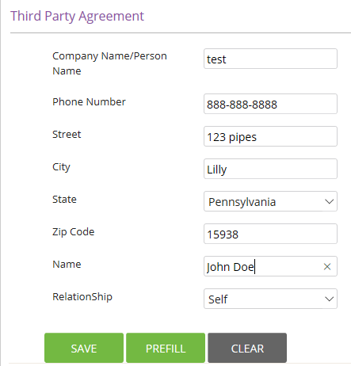
14 | 17 | In My tasks, open any case and 1. click Member Notes, ensure Member Notes screen opens without error. 2nd: Add a note (select note type, then add Member notes and hit save button), ensure green Saved Successfully message appears and grid updates with your notes. 2 tests. | In My tasks, open any case and 1. click Member Notes, ensure Member Notes screen opens without error. 2nd: Add a note (select note type, then add Member notes and hit save button), ensure green Saved Successfully message appears and grid updates with your notes. 2 tests. | In My tasks, open any case and 1. click Member Notes, ensure Member Notes screen opens without error. 2nd: Add a note (select note type, then add Member notes and hit save button), ensure green Saved Successfully message appears and grid updates with your notes. 2 tests. | In My tasks, open any case and 1. click Member Notes, ensure Member Notes screen opens without error. 2nd: Add a note (select note type, then add Member notes and hit save button), ensure green Saved Successfully message appears and grid updates with your notes. 2 tests. | In My tasks, open any case and 1. click Member Notes, ensure Member Notes screen opens without error. 2nd: Add a note (select note type, then add Member notes and hit save button), ensure green Saved Successfully message appears and grid updates with your notes. 2 tests. | In My tasks, open any case and 1. click Member Notes, ensure Member Notes screen opens without error. 2nd: Add a note (select note type, then add Member notes and hit save button), ensure green Saved Successfully message appears and grid updates with your notes. 2 tests. | In My tasks, open any case and 1. click Member Notes, ensure Member Notes screen opens without error. 2nd: Add a note (select note type, then add Member notes and hit save button), ensure green Saved Successfully message appears and grid updates with your notes. 2 tests. | 