Moves Pack
Move Ref: |  | Ahmed |  | Tufael |  | From Desk: |  | Desk D | To Desk: | Desk E

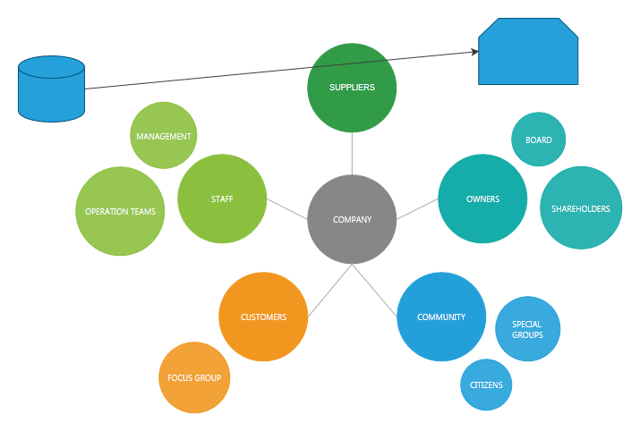
 | Icom:
 | Console ID:
 | Port:
 | H/S 1:
 | Speaker Bus:
 | PIN:

Equipment | Asset | Host Name/EXT | From GOP | To GOP | Old Link |  | New Link |  | Tick Boxes & Initials
Desktop | 456 | test | GOPD | GOPE | link |  | limk
 |  |  |  |  |  |  |  |  | Decommissioned

 |  |  |  |  |  |  |  |  | Built

 |  |  |  |  |  |  |  |  | Voice

 |  |  |  |  |  |  |  |  | Asset Scan

Comments/ additional info |  |  |  |  |  |  |  |  | Desktop Support

 |  |  |  |  |  |  |  |  | QA

Move Ref: | 171 | Test |  | Ems |  | From Desk: |  | Desk F | To Desk: | Desk G

 | Icom:
 | Console ID:
 | Port:
 | H/S 1:
 | Speaker Bus:
 | PIN:

Equipment | Asset | Host Name/EXT | From GOP | To GOP | Old Link |  | New Link |  | Tick Boxes & Initials

 |  |  |  |  |  |  |  |  | Decommissioned

 |  |  |  |  |  |  |  |  | Built

 |  |  |  |  |  |  |  |  | Voice

 |  |  |  |  |  |  |  |  | Asset Scan

Comments/ additional info |  |  |  |  |  |  |  |  | Desktop Support

 |  |  |  |  |  |  |  |  | QA

